Instruction

** Welcome To Personal Health Tracker **

When opening document ensure you click "Enable Macros." If not, close out of application and repeat this step. THE FOLLOWING IS THE PURPOSE OF EACH TAB:
Go to Personal Tracker
Personal Tracker You can tack your weight progress here and monitor it.
See Some Healthy Foods
Healthy Foods Here is some list of healthy Foods , You can add your own also

See the Diet Chart
Diet Chart See the Diet Chart For better Nutrients Gain

This Photo by Unknown Author is licensed under CC BY-SA

Tracker
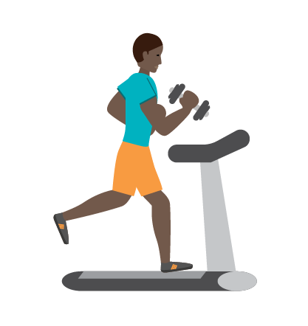

 |  |  | Personal Tracker

 |  |  |  | Date | Weight | Type
Enter the following atleast weekly:

Plan: | Weight loss

Weight: | 59.5

Date (dd-mm-yyyy): | 2022-09-15 | 59.5

 | 0.00 | 59.5

plan type | Details
Weight loss | For loosing Weight
Weight Gain | For Gaining Weight

Total Records : | 0

See Some Healthy Foods

See Diet Chart

Healthy Foods
 |  | Some of Healty Foods

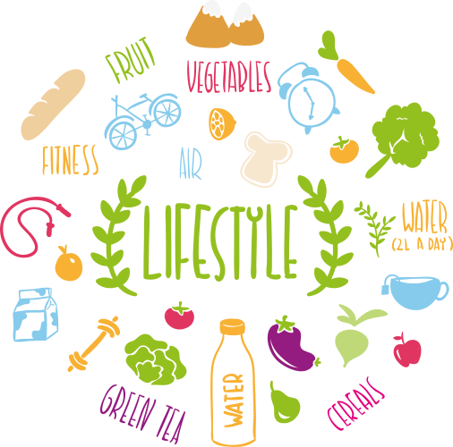
Protein |  | Veggies | Healthy Fats
Item | Grams Protein | Item | Item | Grams Fat

Protein Powder | 30 | Broccoli | Assorted Nuts | 240
Casein Powder | 30 | Spinach | Avocado | 15
Egg Whites | 19 | Tomatoes | Olive Oil | 15
Chicken Breast | 84 | Green Peppers | Canola Oil | 15
Turkey Breast | 103 | Asparagus | Avocado Oil | 15
Ground Turkey | 89 | Cauliflower | Natural Nut Butter | 15
Salmon | 93 | Brussels Sprouts | Cashews | 1
Tuna | 112 | Green Beans | Egg Yoke | 5
Shrimp | 92 | Zucchini
Scallops | 120 | Cucumbers

Diet Chart
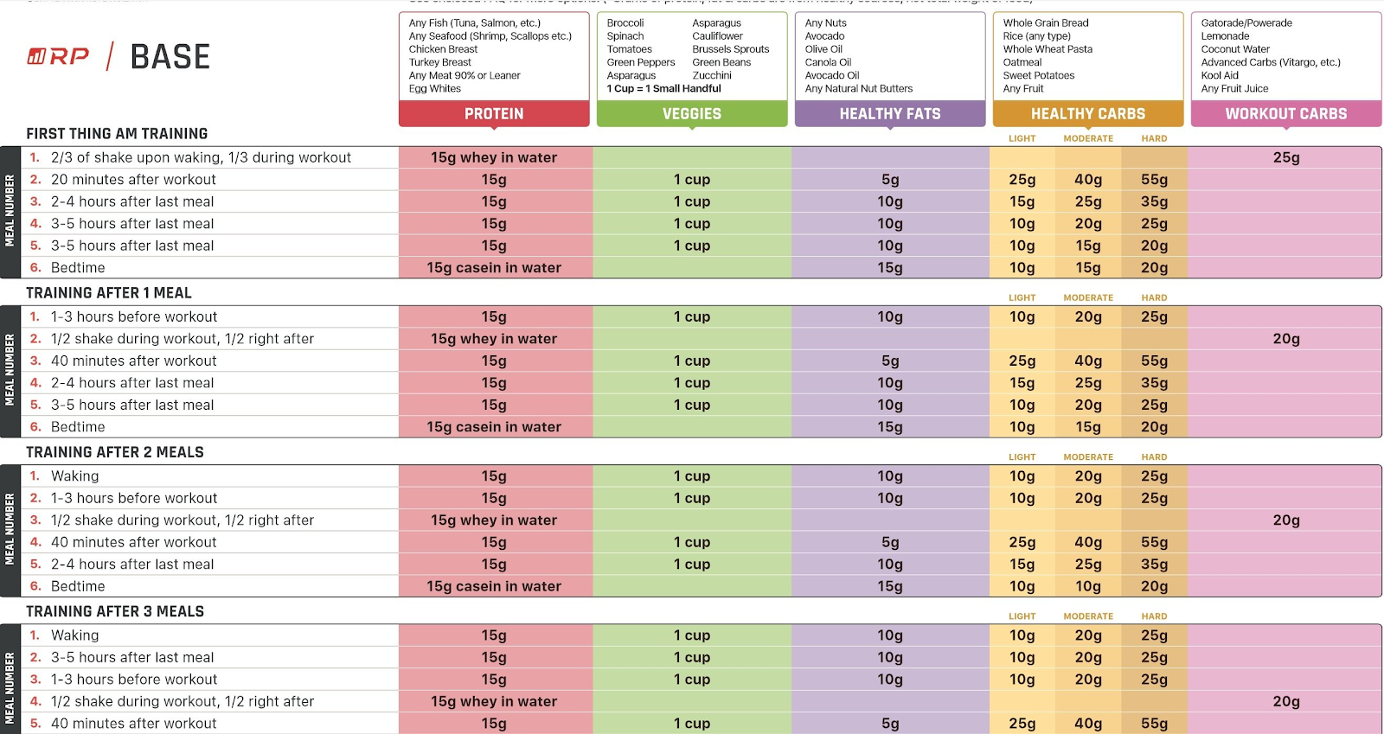
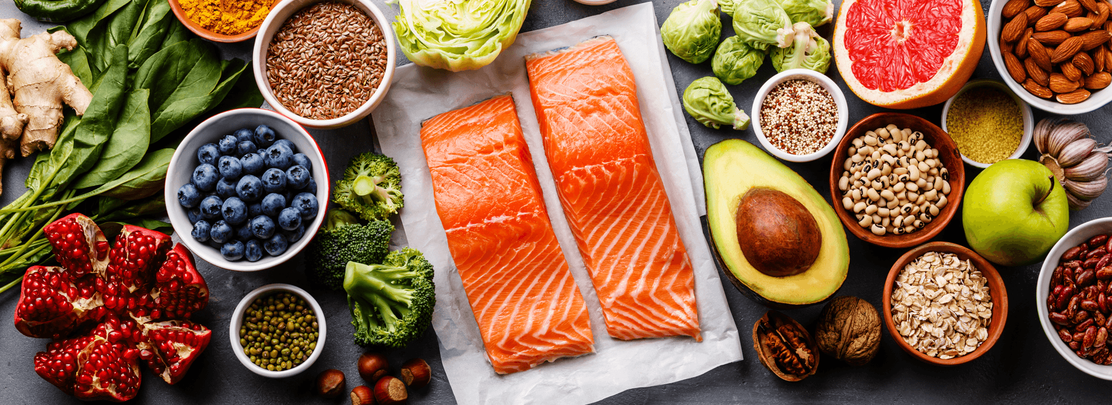
Diet Chart

