Normalization-CaseStudy
NORMALIZATION

 | 1NF: |  |  |  |  |  |  | Anomoly
 | a) It should not have multi-valued columns |  |  |  |  |  |  | Insert anomoly
 | b) It should have primary key |  |  |  |  |  |  | update anomaly
 | 2NF: |  |  |  |  |  |  | delete anomaly
 | a) It should be in 1NF
 | b) Ensure functional dependency of non-candidate columns on candidate key |  |  |  |  |  |  | data redundancy
 | 3NF: |  |  |  |  |  |  | data inconsistent
 | a) It should be in 2NF
 | b) Eliminate Transitive dependency

NORMALIZATION OF INVOICE REPORT
ALPHA BOOK HOUSE
CHENNAI - 600 005
Customer No: | 1052 |  |  |  | Date: | 2021-02-24
Customer Name: | Beta School of Computer Science (BSCS)
Customer Address: | Chennai - 600 050
ISBN | Book Title | Author's Name | Author's City | No. Of Copies (Qty) | Price/Book (Rs.) | Amount (Rs.)
81-203-1442-5 | Production and Operation Management | R.Pannerselvam | India | 100 | 250 | 25000
0-87692-140-3 | Sytem Simulation | Gordon | U.S.A. | 50 | 100 | 5000
81-203-1743-2 | Engineering Economics | R.Pannerselvam | India | 50 | 195 | 9750
Grand Total: |  |  |  |  |  | 39750

Reorder report
ALPHA BOOK HOUSE
CHENNAI - 600 005
 |  |  |  |  | Date: | 2021-02-24
ISBN | Book Title | Author's Name | Author's Country | Publisher Name | Publisher Address | Year of Pubn. | Reorder Level | Stock (SOH) | EOQ

INVOICE (Cus_No, Cus_Name, Cus_Add (ISBN, Title, Author's_Name,Author's_Country,Qty,Unit_Price))
In the above relation, the fields in the innermost set of paranthesis put together is known as Repeating Group.
This will result in redundancy of data for the first THREE fields

Cus_No | Cus_Name | Cus_Add | ISBN | Book Title | Author's Name | Author's Country | Qty | Unit_Price
1052 | BSCS | Chennai-50 | 81-203-1442-5 | Production and Operation Management | R.Panneerselvam | India | 75 | 250
1052 | BSCS | Chennai-50 | 0-87692-140-3 | System Simulation | Gordon | U.S.A. | 50 | 100
1052 | BSCS | Chennai-50 | 81-203-1743-2 | Engineering Economics | R.Panneerselvam | India | 50 | 195
1200 | RM INST. | Chennai-60 | 81-203-1442-5 | Production and Operation Management | R.Panneerselvam | India | 100 | 250
1200 | RM INST. | Chennai-60 | 0-02-421650-X | Design Support System and ES | Turban | U.S.A. | 25 | 500
1200 | RM INST. | Chennai-60 | 0-87692-234-5 | Materials Management | Dutta | India | 100 | 35
1250 | KK INST. | Chennai-70 | 0-87692-140-3 | System Simulation | Gordon | U.S.A. | 50 | 100
1250 | KK INST. | Chennai-70 | 81-203-1442-5 | Production and Operation Management | R.Panneerselvam | India | 100 | 250

First Normal Form Relations (1 NF Relation)
Customer | (Cus_No, Cus_Name, Cus_Add)
Customer_BOOK | (Cus_No, ISBN, Title, Author's_Name, Author's_Country, Qty, Unit_Price)

Cus_No | Cus_Name | Cus_Add |  | Cus_No | ISBN | Book Title | Author's Name | Author's Country | Qty | Unit_Price
1052 | BSCS | Chennai-50 |  | 1052 | 81-203-1442-5 | Production and Operation Management | R.Panneerselvam | India | 75 | 250
1200 | RM INST. | Chennai-60 |  | 1052 | 0-87692-140-3 | System Simulation | Gordon | U.S.A. | 50 | 100
1250 | KK INST. | Chennai-70 |  | 1052 | 81-203-1743-2 | Engineering Economics | R.Panneerselvam | India | 50 | 195
 |  |  |  | 1200 | 81-203-1442-5 | Production and Operation Management | R.Panneerselvam | India | 100 | 250
 |  |  |  | 1200 | 0-02-421650-X | Design Support System and ES | Turban | U.S.A. | 25 | 500
 |  |  |  | 1200 | 0-87692-234-5 | Materials Management | Dutta | India | 100 | 35
 |  |  |  | 1250 | 0-87692-140-3 | System Simulation | Gordon | U.S.A. | 50 | 100
 |  |  |  | 1250 | 81-203-1442-5 | Production and Operation Management | R.Panneerselvam | India | 100 | 250

In the above relations:
1) Customer relation, the number of key fields is only one and hence there is no scope for partial dependency.
2) The absence of the partial dependency in Customer relation, takes it to 2NF without any modification.

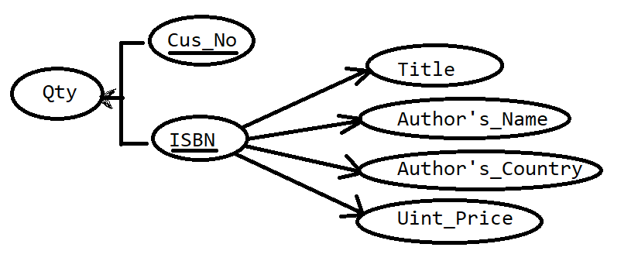

In the above dependency Diagram,
1) Qty depends on Cus_No as well as ISBN
2) But remaining non-key fields (Title, Author's_Name, Author's_Country, Unit_Price) depend only on ISBN. This situation is an example of the Partial Dependency.
3) The existence of Partial Dependency will result into Insertion Anomaly, Update Anomaly, Deletion Anomaly.

Hence Customer_Book relation should be again divided into TWO relations.
SALES | (Cus_No, ISBN, Qty)
BOOK_Author | (ISBN, Title, Author's_Name, Author's_Country, Unit_Price)

Cus_No | ISBN | Qty |  |  | ISBN | Book Title | Author's Name | Author's Country | Unit_Price
1052 | 81-203-1442-5 | 75 |  |  | 81-203-1442-5 | Production and Operation Management | R.Panneerselvam | India | 250
1052 | 0-87692-140-3 | 50 |  |  | 0-87692-140-3 | System Simulation | Gordon | U.S.A. | 100
1052 | 81-203-1743-2 | 50 |  |  | 81-203-1743-2 | Engineering Economics | R.Panneerselvam | India | 195
1200 | 81-203-1442-5 | 100 |  |  | 0-02-421650-X | Design Support System and ES | Turban | U.S.A. | 500
1200 | 0-02-421650-X | 25 |  |  | 0-87692-234-5 | Materials Management | Dutta | India | 35
1200 | 0-87692-234-5 | 100
1250 | 0-87692-140-3 | 50
1250 | 81-203-1442-5 | 100

The above relation Author's_Country depends on Author's_Name. That means it has transitive dependency.
The solution is to split again this into TWO relations.

BOOK | (ISBN, Title, Unit_Price, Author's_NAME)
AUTHOR | (Author's_Name, Author's_Country)

ISBN | Book Title | Unit_Price | Author's Name |  | Author's Name | Author's Country
81-203-1442-5 | Production and Operation Management | 250 | R.Panneerselvam |  | R.Panneerselvam | India
0-87692-140-3 | System Simulation | 100 | Gordon |  | Gordon | U.S.A.
81-203-1743-2 | Engineering Economics | 195 | R.Panneerselvam |  | Turban | U.S.A.
0-02-421650-X | Design Support System and ES | 500 | Turban |  | Dutta | India
0-87692-234-5 | Materials Management | 35 | Dutta

So, Finally we achieved 3NF.

Customer | (Cus_No, Cus_Name, Cus_Add)
SALES | (Cus_No, ISBN, Qty)
BOOK | (ISBN, Title, Unit_Price, Author's_NAME)
AUTHOR | (Author's_Name, Author's_Country)

