Visualizations
Project-Wise Expense Breakdown
 | Total
M1040 | 1848897.57
M1045 | 797792.56
M1041 | 155454.38
M1038 | 122873.4
Consumable | 88349.28
Capital | 39016.7
Spares | 23489.97
Spares Crane | 11040.35
M1042 | 9542.4
1039 | 9193.38
M1039 | 6490
Top Suppliers
 | Total
Pioneer Engineers | 1173816.8
Viion Engineering | 660764.76
Samay Engineering | 421667.1
Balaji Engineering Works | 182074.3
Pooja Enterprises | 151866
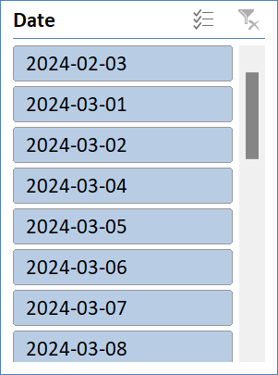

Monthly Purchase Trends
 | Total
<03-02-2024
Feb | 274210.17
Mar | 656565.34
Apr | 491687.12
May | 37032.3
Jun | 285300.7
Jul | 307065.94
Aug | 859812.3
Sep | 13242.86
Nov | 187223.26

Top Purchased Items
 | Total
Ball Bearing 6204 ZZ | 3020
Roller Assembly Drg No : TOPL/CD/1600/001/09 | 432
Flange Plate 3718 - 3ab | 225
Roller Assembly ROL3X562&A | 189
Velcro Disc 125 mm Metal 60 Grit | 125
MS Flat 50 x 8 mm Thk | 124.5
MS Bright Flat 65 x 12 mm Thk | 106
Allen CSK Screw M6 x 16mm Lg | 100
PU Paint RAL 3020-Luminous Red | 100
cutoff Wheel 5" | 100
Allen Csk Bolt M8 x 25 mm Lg | 100
Hex Bolt M10 x 130 mm lg Half Thread | 90
Fixed Caster Bracket Profile PT-2575-05-01 | 80
Swivel Caster Bracket Profile PT-2575-04-01 | 80
O' Ring Spacer | 80
MS Box Pipe (SHS) 25 x 25 x 3 mm Thk | 72
MS Flat 65 x 12 mm Thk | 66.5
Steel Wire Rope Dia 12 mm | 60
Double Axle Stub | 60
Epoxy 206 Grey Primer | 60
Anti Skid Rubber Mat 1200 W x 6mm Thick | 60
14"Cutoff Wheel | 60
Chain 25 x 5 mm | 50
U Clamp M6 With Nut | 50
Foot Pedal Profile Drg No.3267-3 | 45
Oxygen Cylinder | 42
Safety Goggle | 40
Swivel Caster Housing | 38
Lock Nut | 35
Swivel Caster Axle | 33
Solid Rubber Tyre 16" x 4" with Rim & Hub | 32
Towing Eye Profile 3622-3 | 30
HSS Straight Shank Drill 4.7mm | 30
Frame Assembly Drg TOPL-CD-1600-004A | 25
Rotating Platform Drg TOPL-CD-1600-001 | 25
Cross Member Fabrication Drg TOPL-CD-1600-003 | 25
Gal. Zine Spray | 24
Towbar Drg TOPL-CD-1600-002A | 21
Hex Bolt M10 x 40 mm Lg Full threads | 20
HSS Straight Shank Drill 5.0mm | 20
Flap Disc (Buffing Wheel) 4 ", 60 Grit | 20
Plain Nut M10 | 20
Lashing Belt 50mm x 10 mtr lg. | 20
MS Bright Flat 32 x 10 mm Thk | 15.2
Pipe 1-1/4" OD x 5 mm Thk | 13.7
MS Bright Flat 32 x 8 mm Thk | 11.8
HSS Straight Shank Drill 5.2mm | 10
RFID Bolt Seal | 10
Diffuser 24 KD | 10
Nozzle 24 KD (MiG) | 10
...

