sdo_pdo_map
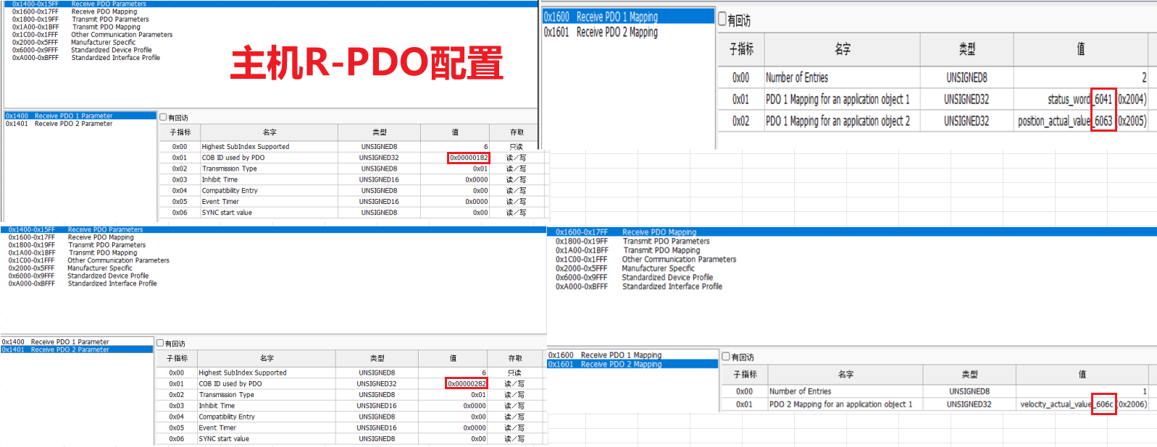
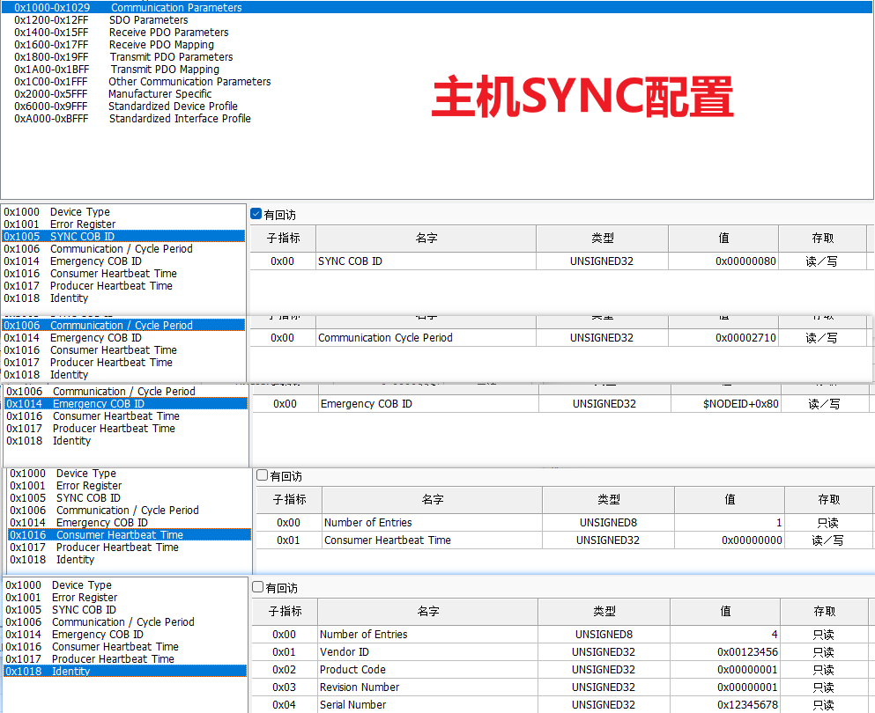
帧ID | 数据
0x702 | 0 | 从机(电机)上线报文
0x701 | 0 | 主机上线报文
主机通过SDO映射 从机 PDO参数，在主机预操作状态时发送，设置完初始化状态后，自行会进入预操作状态
 |  | 对应主机RPDO
0x602 | 23 00 18 01 82 01 00 80 | 写从机TPDO通讯参数，1800 , 01 : 8000 0182 | 关闭TPDO1(COB-ID 0x182)
0x582 | 60 00 18 01 00 00 00 00
0x602 | 2F 00 18 02 01 00 00 00 | 写从机TPDO通讯参数，1800 , 02 : 01 | 设置TPDO1为1个SYNC同步
0x582 | 60 00 18 02 00 00 00 00
0x602 | 2F 00 1A 00 00 00 00 00 | 清空从机TPDO映射参数，1A00, 00 | 清空TPDO1映射参数
0x582 | 60 00 1A 00 00 00 00 00
0x602 | 23 00 1A 01 10 00 41 60 | 写从机TPDO映射参数，1A00, 01: 6041 0010 | 将TPDO1映射到6041状态字，16bit
0x582 | 60 00 1A 01 00 00 00 00
0x602 | 23 00 1A 02 20 00 63 60 | 写从机TPDO映射参数，1A00, 02: 6063 0020 | 将TPDO1映射到6063实际位置，32bit
0x582 | 60 00 1A 02 00 00 00 00
0x602 | 2F 00 1A 00 02 00 00 00 | 写从机TPDO映射参数，1A00, 00: 02 | TPDO1映射对象数量为2
0x582 | 60 00 1A 00 00 00 00 00
0x602 | 23 00 18 01 82 01 00 00 | 写从机TPDO通讯参数，1800 , 01: 0182 | 开启TPDO1(COB-ID 0x182)
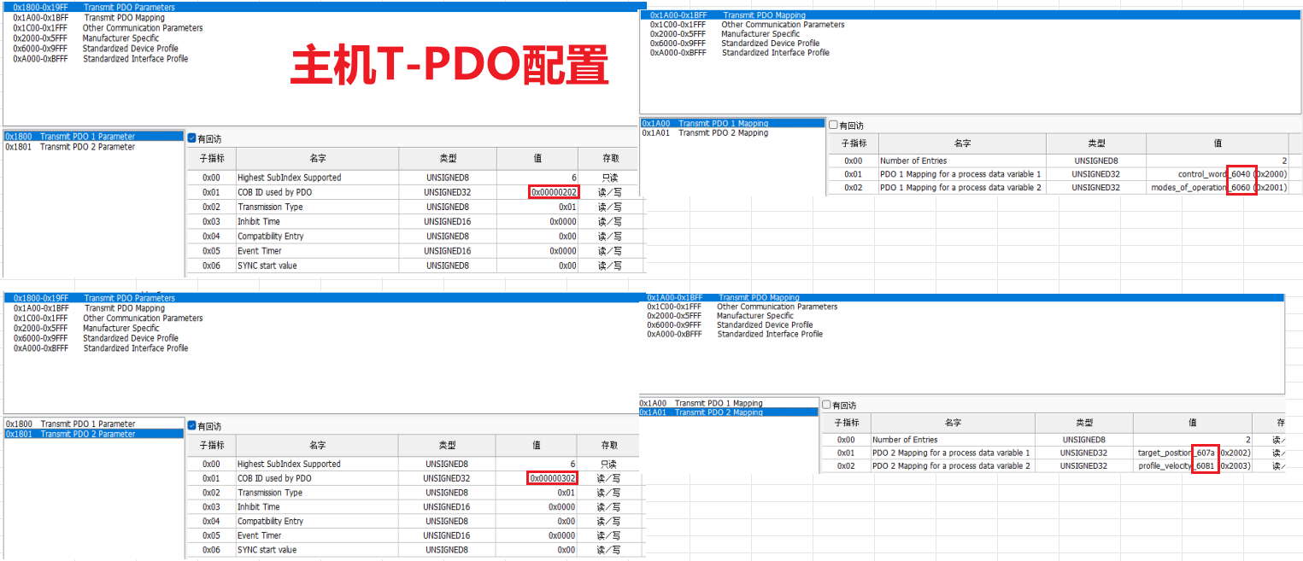
0x582 | 60 00 18 01 00 00 00 00
0x602 | 23 01 18 01 82 02 00 80 | 同上
0x582 | 60 01 18 01 00 00 00 00
0x602 | 2F 01 18 02 01 00 00 00 | 同上
0x582 | 60 01 18 02 00 00 00 00
0x602 | 2F 01 1A 00 00 00 00 00 | 同上
0x582 | 60 01 1A 00 00 00 00 00
0x602 | 23 01 1A 01 20 00 6C 60 | 606C 0020 | 606C实际速度，20即32bit
0x582 | 60 01 1A 01 00 00 00 00
0x602 | 2F 01 1A 00 01 00 00 00 | 同上
0x582 | 60 01 1A 00 00 00 00 00
0x602 | 23 01 18 01 82 02 00 00 | 同上
 |  | 对应主机TPDO
0x582 | 60 01 18 01 00 00 00 00
0x602 | 23 00 14 01 02 02 00 80 | 写从机RPDO通讯参数，1400 , 01 : 8000 0202 | 关闭RPDO1(COB-ID 0x202)
0x582 | 60 00 14 01 00 00 00 00
0x602 | 2F 00 14 02 01 00 00 00 | 写从机RPDO通讯参数，1400 , 02 : 01 | 设置RPDO1为1个SYNC同步
0x582 | 60 00 14 02 00 00 00 00
0x602 | 2F 00 16 00 00 00 00 00 | 清空从机RPDO映射参数，1600，00 | 清空RPDO1映射参数
0x582 | 60 00 16 00 00 00 00 00
0x602 | 23 00 16 01 10 00 40 60 | 写从机RPDO映射参数，1600, 01: 6040 0010 | 将RPDO1映射到6040控制字，16bit
0x582 | 60 00 16 01 00 00 00 00
0x602 | 23 00 16 02 08 00 60 60 | 写从机RPDO映射参数，1600, 02: 6060 0008 | 将RPDO1映射到6060控制模式，8bit
0x582 | 60 00 16 02 00 00 00 00
0x602 | 2F 00 16 00 02 00 00 00 | 写从机RPDO映射参数，1600, 00: 02 | RPDO1映射对象数量为2
0x582 | 60 00 16 00 00 00 00 00
0x602 | 23 00 14 01 02 02 00 00 | 写从机RPDO通讯参数，1400 , 01: 0202 | 开启RPDO1(COB-ID 0x202)
0x582 | 60 00 14 01 00 00 00 00
0x602 | 23 01 14 01 02 03 00 80 | 同上
0x582 | 60 01 14 01 00 00 00 00
0x602 | 2F 01 14 02 01 00 00 00 | 同上
0x582 | 60 01 14 02 00 00 00 00
0x602 | 2F 01 16 00 00 00 00 00 | 同上
0x582 | 60 01 16 00 00 00 00 00
0x602 | 23 01 16 01 20 00 7A 60 | 607A 0020 | 607A目标位置，20即32bit
0x582 | 60 01 16 01 00 00 00 00
0x602 | 23 01 16 02 20 00 81 60 | 6081 0020 | 6081轮廓速度，20即32bit
0x582 | 60 01 16 02 00 00 00 00
0x602 | 2F 01 16 00 02 00 00 00 | 同上
0x582 | 60 01 16 00 00 00 00 00
0x602 | 23 01 14 01 02 03 00 00 | 同上
0x582 | 60 01 14 01 00 00 00 00
0x602 | 2B 17 10 00 F4 01 00 00 | 1017, 00: 01F4
0x582 | 60 17 10 00 00 00 00 00
0x702 | 7F | 从机(电机)预操作报文
0x000 | 01 02 | 启动节点2从机(电机)
0x702 | 5 | 从机(电机)操作报文
0x080 |  | 0x80 SYNC同步报文
0x182 | 60 12 41 FB FF FF
0x282 | 00 00 00 00
0x382 | 41 FB FF FF 41 FB FF FF |  | 从机(电机)端TPDO3、4原来默认有配置
0x482 | 00 00 |  | 从机(电机)端TPDO3、4原来默认有配置
0x702 | 5
0x202 | 00 00 00
0x702 | 5
0x302 | 00 00 00 00 00 00 00 00
0x080

