PHASE 2 BUG REPORT
ID | SEVERITY | TITLE | REPORTER | DATE/TIME | DEVICE | STEPS TO REPRODUCE | EXPECTED RESULT | ACTUAL RESULT | RECORDING/SCREENSHOT | NOTES | STATUS
1 | P4 | Stale State: Homepage Scanner Table Does Not Reflect AI Analysis Results Unless Refreshed | Charlize Mendoza | 2026-04-09 | Macbook + Chrome | 1. Visit Homepage 2. Click on an asset 3. Click "Trigger deep analysis" 4. Go back to homepage | Upon returning to homepage after deep analysis, the results on the table should appear live. | Upon returning to homepage after deep analysis, the results do not appear and only appear upon page refresh. | 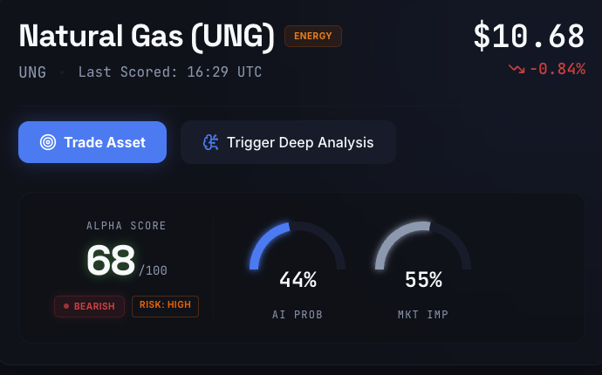 |  | Not fixed
2 | P3 | Incorrect Edge Badge Color | Charlize Mendoza | 2026-04-09 | Macbook + Chrome | 1. Visit Homepage 2. Check the edge color of each asset | Green badge for + edge, red for negative, gray for near-zero edge | Incorrect color badge for edge. For example, edge with +4.0% has no color. | 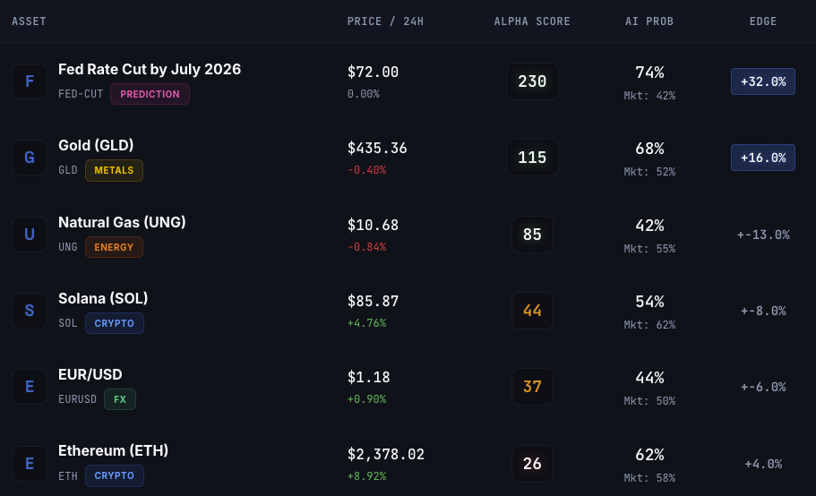 |  | Not fixed
3 | P4 | Horizontal Scroll on Mobile | Charlize Mendoza | 2026-04-09 | Macbook + Chrome | 1. Access Alpha Lens on Mobile | No horizontal scroll on mobile | Pages have horizontal scroll |  |  | Not fixed
4 | Enhancement | Evidence Card is Not Gray on Neutral | Charlize Mendoza | 2026-04-09 | Macbook + Chrome | 1. Visit Homepage 2. Check the evidence card color of each asset | Neutral evidence card should be gray | Neutral evidence card is yellow |  |  | Not fixed
5 | P3 | Signals in Indivdiual Asset/Market Page Not Clickable or Expandable | Charlize Mendoza | 2026-04-09 | Macbook + Chrome | 1. Visit Homepage 2. Click on an asset 3.Scroll to see signals | Signal card should expand or link to another page | Signal descriptions are truncated with an ellipsis but provide no mechanism (expansion or link) to access the full text. | 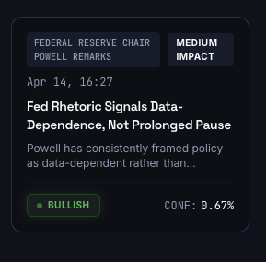 |  | Not fixed
6 | P2 | CoinGecko API Error (429) | Charlize Mendoza | 2026-04-10 | Macbook + Chrome | 1. Run project 2. Refresh market data more than 3 times within a minute 3. Check logs and search for "CoinGecko API Error" | System should successfully fetch the currentPrice. If rate limited, it should wait and retry. | API returns 429 error causing the CoinGecko prices to not refresh or update |  | Prices that are not updated because of rate-limiting error should have a warning indicated that it is just fallback. | Monitoring
7 | P1 | BTC/ETH/SOL Prices Are Not Fresh | Charlize Mendoza | 2026-04-10 | Macbook + Chrome | 1. Visit Homepage 2. Check markets on Homepage (crypto) 3. Refresh market 4. Compare prices with fresh crypto price from CoinGecko | System should fetch latest prices same as CoinGecko | Crypto price does not match with price in CoinGecko |  |  | Not fixed
8 | P1 | 404 Error on Closing Trade on Frontend | Charlize Mendoza | 2026-04-12 | Macbook + Chrome | 1. Visit Homepage 2. Click on an asset 3. Click trade 4. Go to portfolio 5. Scroll to active trades then close | Trades should close when "close" button is clicked | Page displays a 404 popup error upon clicking close | 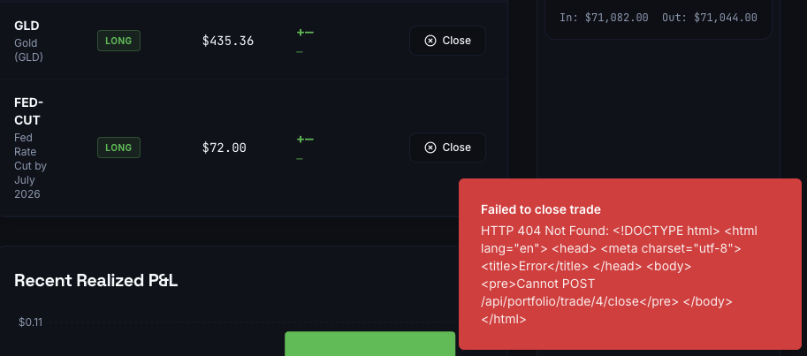 |  | Not fixed
9 | P3 | Recommendations And Risk Assessment Is Empty With AI Coach | Charlize Mendoza | 2026-04-12 | Macbook + Chrome | 1. Test POST /api/coach/analyze 2. Check recommendations and riskAssessment | Recommendations is []. Risk Assessment is null. | Recommendations array should return items. Risk assessment should not be null. | 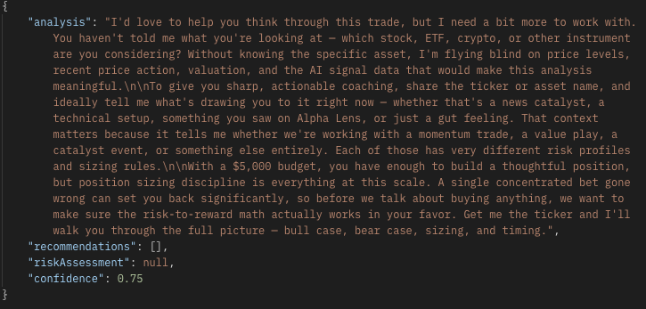 |  | Not fixed
10 | P4 | Format AI Response Markdown | Charlize Mendoza | 2026-04-12 | Macbook + Chrome | 1. Navigate to /coach 2. Ask AI a question requiring bullets/bold | AI Response markdown should be formatted without asterisks and etc. | AI Response markdown is not properly formatted | 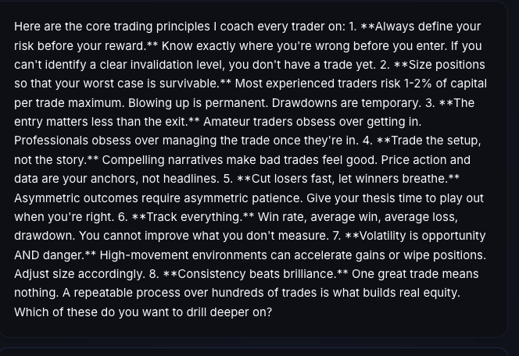 |  | Not fixed
11 | P1 | Missing Data Mapping (Edge, AI Probability, Market Price) When Generatiing Recommendations (Null in Database) | Charlize Mendoza | 2026-04-13 | Macbook + Chrome | 1. Navigate to /coach 2. Ask AI a question requiring bullets/bold | Edge, AI Probablity, Market Price are missing from recommendation generation from AI. They are NULL | Database data should be complete and should include Edge, AI Probabiliity, and Market Price. | 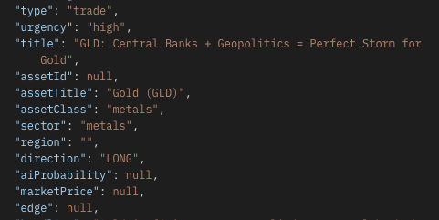 | 4.9 and 4.10 Testings are blocked by this because edge in recommendations is null, preventing trades to be executed | Not fixed
12 | P4 | Radar Scan JSON Not Returning "Scan already running" on Second Request | Charlize Mendoza | 2026-04-13 | Macbook + Chrome | 1. Run POST /api/radar/scan twice rapidly 2. Check status in JSON | Status should say "Scan already running" | Status stays at "Scan started" |  | There should be lock when a radar scan was ran while another scan was already happening. | Not fixed
13 | P3 | ByType in Radar Alert History Does Not Contain Volume Anomaly Field | Charlize Mendoza | 2026-04-13 | Macbook + Chrome | 1. Run GET /api/radar/history 2. Check "byType" in JSON | "byType" field should include Volume Anomaly | "byType" field does not include Volume Anomaly |  |  | Not fixed
14 | P1 | pctChange Field in Radar Prices is Null | Charlize Mendoza | 2026-04-13 | Macbook + Chrome | 1. Run GET /api/radar/prices 2. Check "pctChange" in JSON | "pctChange" should not be null | "pctChange" is null |  |  | Not fixed
15 | Enhancement | Kalshi Auth Security Improvements | Charlize Mendoza | 2026-04-13 | Macbook + Chrome | 1. Check platform-router.ts to see credentials | Using API key and Private Key is more secure than Email and Password | Email and Password are expected credentials for Kalshi configuration |  |  | Not fixed
16 | P3 | Market Refresh Lock Missing | Charlize Mendoza | 2026-04-13 | Macbook + Chrome | 1. Test POST /api/markets/refresh on auto-refresh | There is no alert that stating market refresh has started (a lock) when another one was triggered via postman | Market refresh always has a status of "started" even if done simultaneously with another market refresh. There is no lock. |  |  | Not fixed
17 | P3 | Radar Scan Lock Missing | Charlize Mendoza | 2026-04-14 | Macbook + Chrome | 1. Test POST /api/radar/scan on auto-scan | There is no alert that stating radar scan has started (a lock) when another one was triggered via postman | Radar scan always has a status of "started" even if done simultaneously with another radar scan. There is no lock. |  |  | Not fixed
18 | P3 | Generate Recommendation Lock Missing | Charlize Mendoza | 2026-04-14 | Macbook + Chrome | 1. Test POST /api/recomendations/scan on auto-scan | There is no alert that stating recommendations scan has started (a lock) when another one was triggered via postman | Market scan has a status of "started" even if done simultaneously with another radar scan. There is no lock. |  |  | Not fixed
19 | P3 | No Manual Add/Remove Functionality in Recommendation Watchlist | Charlize Mendoza | 2026-04-14 | Macbook + Chrome | 1. Navigate to /briefing | Users can also manually add/remove recommendations | Only the AI can add recommendations to Watchlist | 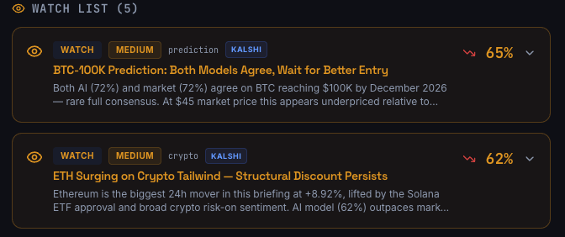 |  | Not fixed
20 | Enhancement | Adding a Modal/Popup Indicating a Scan is Completed | Charlize Mendoza | 2026-04-14 | Macbook + Chrome | 1. Go to /briefing and scan 2. Go to /radar and scan | A popup indiicating that a scan has been completed | After scanning, page just simply updates |  |  | Not fixed
21 | P3 | Missing Chain Map Visualization | Charlize Mendoza | 2026-04-14 | Macbook + Chrome | 1. Go to /radar | There should be a chain map visualization on a chain reaction asset | There is no chain map view | 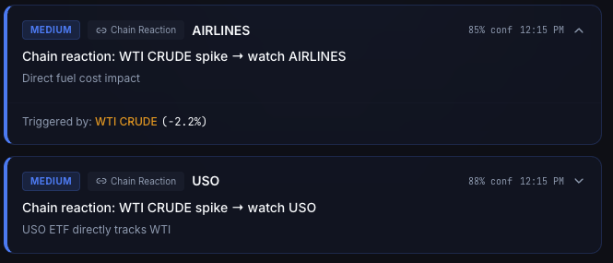 |  | Not fixed
22 | Enhancement | White Screen On Refresh | Charlize Mendoza | 2026-04-14 | Macbook + Chrome | 1. Refresh the page | It should instantly show the page loading then the data | It shows white screen instead of loading |  |  | Not fixed
23 | P2 | Most Fields in Alerts Are Null | Charlize Mendoza | 2026-04-14 | Macbook + Chrome | 1. Run GET /api/radar/alerts | Field data should be complete | Some fields have a value of null | 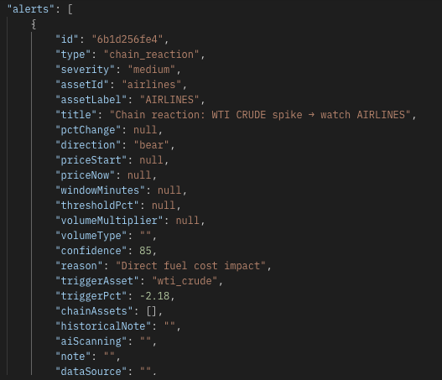 |  | Not fixed

PHASE 1 BUG REPORT
ID | SEVERITY | TITLE | REPORTER | DATE/TIME | DEVICE | STEPS TO REPRODUCE | EXPECTED RESULT | ACTUAL RESULT | RECORDING/SCREENSHOT | PROPOSED SOLUTION | NOTES | STATUS
1 | P2 | Failed to scan evennts and generate recommendations because Claude-sonnet-4-20250514 is not supported | Charlize Mendoza | 2026-04-01 | Macbook + Chrome | 1. Run project 2. Test POST /api/recommendations scan endpoint 3. Open console in tools tab 4. Search for "UNSUPPPORTED_MODEL" | Events scanned and recommendations generated are shown upon testing POST /api/recomendations/scan | 400 error stating that Claude model is not supported |  | 1. Access recommendation.ts file 2. Download via shell the latest anthropic version 3. Change version of anthropic claude model to the latest one |  | Resolved
2 | P3 | Incorrect Price Change 24h calculations | Charlize Mendoza | 2026-04-03 | Macbook + Chrome | 1. Hit GET api/markets endpoint 2. Choose to test a market with "Equities" or "FX" sectors 3. Get the current price field 4. Get the priceChange24h field 5. Test accuracy of price change with formula: priceChange24h = ((current - previousClose) / previousClose) * 100, rounded to 2 decimal places. Get the previous close from Yahoo https://finance.yahoo.com/ | Price change 24h from market fields should be the same when calculated with formula from test document. | Price change 24h field from market data is not same as the actual price change based on formulla and live yahoo data. |  | 1. Access services/market-data.ts file 2. Ensure that previousClose fetches live data 3. Access indicators instead of meta | This error is because stale and outdated data is being fetched from yahoo. With the formula used vs when checking priceChange24h, the results are not compatible | Resolved
3 | P3 | Export ambiguity conflict in api-zod | Charlize Mendoza | 2026-04-04 | Macbook + Chrome | 1. Access lib/api-zod/index.ts 2. Run "pnpm run typecheck" in Shell 3. Search for "GetSignalsParams" | All export * statements resolve uniquely without naming collisions. | Ambiguity with exports cause collision between exports of GetSignalsParams |  | 1. Access lib/api-zod/src/index.ts 2. Explicitly export GetSignalsParams | Duplicate GetSignalsParamms in api-zod/src/index.ts | Resolved
4 | P2 | AI scoring encountered an issue | Charlize Mendoza | 2026-04-04 | Macbook + Chrome | 1. Run POST api/markets/{market-id}/score | AI summary should be clearly provided | AI summary encountered a scoring issue, only fallback probability is provided. |  | 1. Access recommendation.ts file 2. Download via shell the latest anthropic version 3. Change version of anthropic claude model to the latest one | This can only work once error ID 1 is fixed | Resolved
5 | P2 | Only 9 assets are updated instead of 12 on market refresh | Charlize Mendoza | 2026-04-05 | Macbook + Chrome | 1. Run project 3. Open console in tools tab 4. Search for "Market data refresh completed" | Updated assets should be 12 out of 12 | There are 9 out of 12 updated assets only |  | 1. Access services/market-data.ts 2. Define predictions mapping 3. Create a function that fetches these prediction sector assets using kalshi | There is no integration with Kalshi/Polymarket in refreshAllMarketData in servies/market-data.ts that provides for prediction sector. The assets not being updated are FED-CUT, US-REC, and BTC-100K, which are from prediction sector (polymarket provides this). | Resolved
6 | P1 | Missing @types/node Definition File | Charlize Mendoza | 2026-04-06 | Macbook + Chrome | 1. Open Shell in Tools 2. Run "pnpm -r --no-bail exec tsc --noEmit --skipLibCheck" to see all project errors 3. Search for "Cannot find type definition" | The compiler recognizes standard Node.js globals (like process or Buffer). | The compiler cannot find "node" type library |  | 1. Install types/node by running "pnpm add -D @types/node" 2. Add "typeRoots": ["./node_modules/@types"] under compilerOptions in ts.config json |  | Resolved
7 | P2 | Type Mismatch in tradiing and platform router (null vs string) | Charlize Mendoza | 2026-04-06 | Macbook + Chrome | 1. Open Shell in Tools 2. Run "pnpm -r --no-bail exec tsc --noEmit --skipLibCheck" to see all project errors 3. Search for "getBestPlatform" | All inputs, including null or undefined, are safely handled by GetBestPlatform | The function only accepts a string, causing a crash once an input is null or undefined | 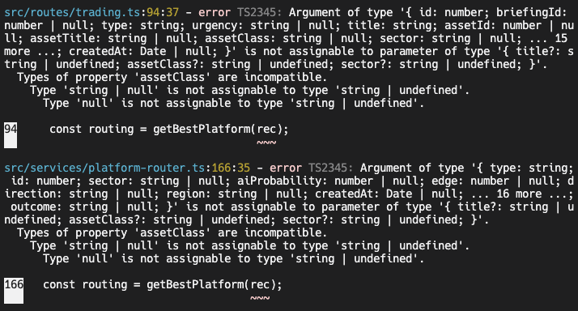 | 1. Access src/routes/trading.ts and src/services/platform-router.ts 2. Update the function to accept string | null | Function getBestPlatform fails once assetClass or sector is null | Resolved
8 | P2 | Missing AbortError property on pRetry | Charlize Mendoza | 2026-04-06 | Macbook + Chrome | 1. Open Shell in Tools 2. Run "pnpm -r --no-bail exec tsc --noEmit --skipLibCheck" to see all project errors 3. Search for "AbortError" | The p-retry library should have an AbortError class which will stop retrying once it hits a fatal error. | The compiler claims p-retry is just a function and has no AbortError property. The code declares it as a undefined object |  | 1. Access ../../lib/integrations-anthropic-ai/src/batch/utils.ts 2. Change the import statement of p-retry to include AbortError 3. Change pRetry.AbortError to AbortError only |  | Resolved
9 | P3 | Mandatory queryKey Missing in TanStack Query v5 Hooks | Charlize Mendoza | 2026-04-06 | Macbook + Chrome | 1. Open Shell in Tools 2. Run "pnpm -r --no-bail exec tsc --noEmit --skipLibCheck" to see all project errors 3. Search for "queryKey" | Frontend data hooks (TanStack Query) initialize correctly with all required configuration. | Code is missing "queryKey" which breaks it |  | 1. Access src/pages/briefing.tsx and src/pages/market-details.tsx 2. Add a queryKey in the query function that fetches the data | This error is on every "query" of briefing and market detail pages | Resolved

