bugs
ID | SEVERITY | TITLE | REPORTER | DATE/TIME | DEVICE | STEPS TO REPRODUCE | EXPECTED RESULT | ACTUAL RESULT | RECORDING/SCREENSHOT | PROPOSED SOLUTION | NOTES | STATUS
1 | P2 | Failed to scan evennts and generate recommendations because Claude-sonnet-4-20250514 is not supported | Charlize Mendoza | 2026-04-01 | Macbook + Chrome | 1. Run project 2. Test POST /api/recommendations scan endpoint 3. Open console in tools tab 4. Search for "UNSUPPPORTED_MODEL" | Events scanned and recommendations generated are shown upon testing POST /api/recomendations/scan | 400 error stating that Claude model is not supported |  | 1. Access recommendation.ts file 2. Download via shell the latest anthropic version 3. Change version of anthropic claude model to the latest one |  | Not fixed
2 | P3 | Incorrect Price Change 24h calculations | Charlize Mendoza | 2026-04-03 | Macbook + Chrome | 1. Hit GET api/markets endpoint 2. Choose to test a market with "Equities" or "FX" sectors 3. Get the current price field 4. Get the priceChange24h field 5. Test accuracy of price change with formula: priceChange24h = ((current - previousClose) / previousClose) * 100, rounded to 2 decimal places. Get the previous close from Yahoo https://finance.yahoo.com/ | Price change 24h from market fields should be the same when calculated with formula from test document. | Price change 24h field from market data is not same as the actual price change based on formulla and live yahoo data. |  | 1. Access services/market-data.ts file 2. Ensure that previousClose fetches live data 3. Access indicators instead of meta | This error is because stale and outdated data is being fetched from yahoo. With the formula used vs when checking priceChange24h, the results are not compatible | Not fixed
3 | P3 | Export ambiguity conflict in api-zod | Charlize Mendoza | 2026-04-04 | Macbook + Chrome | 1. Access lib/api-zod/index.ts 2. Run "pnpm run typecheck" in Shell 3. Search for "GetSignalsParams" | All export * statements resolve uniquely without naming collisions. | Ambiguity with exports cause collision between exports of GetSignalsParams |  | 1. Access lib/api-zod/src/index.ts 2. Explicitly export GetSignalsParams | Duplicate GetSignalsParamms in api-zod/src/index.ts | Not fixed
4 | P2 | AI scoring encountered an issue | Charlize Mendoza | 2026-04-04 | Macbook + Chrome | 1. Run POST api/markets/{market-id}/score | AI summary should be clearly provided | AI summary encountered a scoring issue, only fallback probability is provided. |  | 1. Access recommendation.ts file 2. Download via shell the latest anthropic version 3. Change version of anthropic claude model to the latest one | This can only work once error ID 1 is fixed | Not fixed
5 | P2 | Only 9 assets are updated instead of 12 on market refresh | Charlize Mendoza | 2026-04-05 | Macbook + Chrome | 1. Run project 3. Open console in tools tab 4. Search for "Market data refresh completed" | Updated assets should be 12 out of 12 | There are 9 out of 12 updated assets only |  | 1. Access services/market-data.ts 2. Define predictions mapping 3. Create a function that fetches these prediction sector assets using polymarket | There is no integration with Kalshi/Polymarket in refreshAllMarketData in servies/market-data.ts that provides for prediction sector. The assets not being updated are FED-CUT, US-REC, and BTC-100K, which are from prediction sector (polymarket provides this). | Not fixed
6 | P1 | Missing @types/node Definition File | Charlize Mendoza | 2026-04-06 | Macbook + Chrome | 1. Open Shell in Tools 2. Run "pnpm -r --no-bail exec tsc --noEmit --skipLibCheck" to see all project errors 3. Search for "Cannot find type definition" | The compiler recognizes standard Node.js globals (like process or Buffer). | The compiler cannot find "node" type library |  | 1. Install types/node by running "pnpm add -D @types/node" 2. Add "typeRoots": ["./node_modules/@types"] under compilerOptions in ts.config json |  | Not fixed
7 | P2 | Type Mismatch in tradiing and platform router (null vs string) | Charlize Mendoza | 2026-04-06 | Macbook + Chrome | 1. Open Shell in Tools 2. Run "pnpm -r --no-bail exec tsc --noEmit --skipLibCheck" to see all project errors 3. Search for "getBestPlatform" | All inputs, including null or undefined, are safely handled by GetBestPlatform | The function only accepts a string, causing a crash once an input is null or undefined | 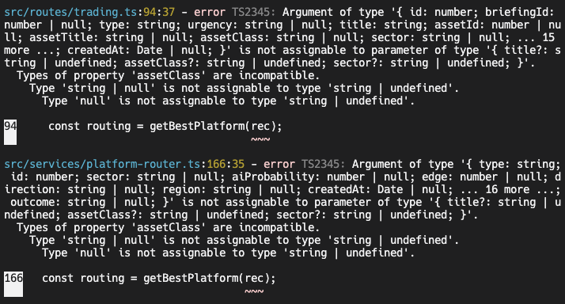 | 1. Access src/routes/trading.ts and src/services/platform-router.ts 2. Update the function to accept string | null | Function getBestPlatform fails once assetClass or sector is null | Not fixed
8 | P2 | Missing AbortError property on pRetry | Charlize Mendoza | 2026-04-06 | Macbook + Chrome | 1. Open Shell in Tools 2. Run "pnpm -r --no-bail exec tsc --noEmit --skipLibCheck" to see all project errors 3. Search for "AbortError" | The p-retry library should have an AbortError class which will stop retrying once it hits a fatal error. | The compiler claims p-retry is just a function and has no AbortError property. The code declares it as a undefined object |  | 1. Access ../../lib/integrations-anthropic-ai/src/batch/utils.ts 2. Change the import statement of p-retry to include AbortError 3. Change pRetry.AbortError to AbortError only |  | Not fixed
9 | P3 | Mandatory queryKey Missing in TanStack Query v5 Hooks | Charlize Mendoza | 2026-04-06 | Macbook + Chrome | 1. Open Shell in Tools 2. Run "pnpm -r --no-bail exec tsc --noEmit --skipLibCheck" to see all project errors 3. Search for "queryKey" | Frontend data hooks (TanStack Query) initialize correctly with all required configuration. | Code is missing "queryKey" which breaks it |  | 1. Access src/pages/briefing.tsx and src/pages/market-details.tsx 2. Add a queryKey in the query function that fetches the data | This error is on every "query" of briefing and market detail pages | Not fixed

