Sheet1
CURED HAM
Lacón Gallego

GALICIA, SPAIN
n/a(10)
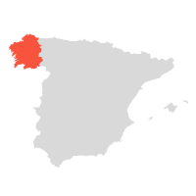

SHUTTERSTOCK
Ate it? Rate it
Wanna try?
Add to list
Lacón Gallego is a cured and dried ham produced in the region of Galicia. This type of ham, unlike the jamon, is produced solely from pigs' shoulders. The breeds used in the production of this ham are Celt, Large White, Landrace or Duroc.

There are two types of Lacón Gallego, depending on how the pigs are fed. Traditional Lacón Gallego is made from pigs that have been fed with acorns, grains, and vegetables for at least three months before the slaughter. The other type of ham does not contain 'traditional' in its title and is made of meat from pigs fed on the feed authorised by the regulatory board up until the slaughter.

This ham has a bright pink to purple color and shiny appearance when cut. Lacón Gallego is made in four separate steps that include salting, washing, post-salting, and drying or maturation. The taste is intense and complex, as it is the case with most cured meats, with dominating woody and nutty notes.
MORE ABOUT LACÓN GALLEGO
SIMILAR CURED HAMS
Carmarthen Ham Ammerländer Schinken Dehesa de Extremadura Los Pedroches Jamón de Serón Jambon Sec des Ardennes Prosciutto di Modena Prosciutto di Parma Prosciutto Amatricano Prosciutto di Norcia Kraški pršut Prosciutto Toscano Prosciutto Veneto Berico-Euganeo Prekmurska Šunka Prosciutto di Carpegna Prosciutto di San Daniele Prosciutto di Sauris Presunto de Barrancos Presunto de Campo Maior e Elvas Presunto de Barroso
99
CURED HAM
Westfälischer Knochenschinken

WESTPHALIA, GERMANY
n/a(3)
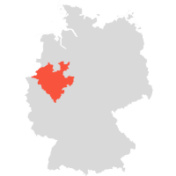

SHUTTERSTOCK
Ate it? Rate it
Wanna try?
Add to list
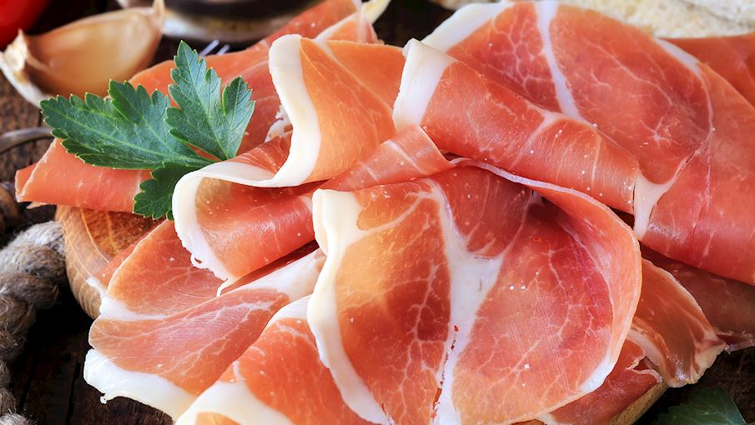 The pork used to make this ham originates from the region of Westphalia, which is known for its traditional pig farming. The recipe is guarded as a trade secret, and every step in the production process is carried out entirely by hand. The process begins by rubbing salt of a special consistency with added herbs or spices into the ham and bone, which is then left to cure and dry in aging rooms for an extended period of time.

To produce the smoked version, the hams are left in a smoking chamber over a beech and juniper wood fire. This process may take time, but it results in a characteristic dark red meat, golden-yellow rind, and a particularly mild and nutty flavor. To enjoy this delicacy, slice it thinly and serve it as an appetizer with pretzels and cheese.
MORE ABOUT WESTFÄLISCHER KNOCHENSCHINKEN
SIMILAR CURED HAMS
Holsteiner Katenschinken Salaisons Fumées - Marque Nationale Grand-Duché de Luxembourg Jambon de Vendée Presunto do Alentejo Presunto de Vinhais Prekmurska Šunka Presunto de Melgaço Presunto de Barrancos Presunto de Campo Maior e Elvas Presunto de Santana da Serra Presunto de Barroso Ammerländer Dielenrauchschinken Schwarzwälder Schinken Ammerländer Schinken Lacón Gallego Carmarthen Ham Istarski pršut Dalmatinski pršut Krčki pršut Drniški pršut
98
CURED MEAT
Lapin Poron Kylmäsavuliha

LAPLAND, FINLAND
n/a(4)
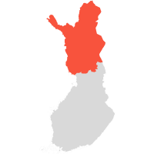

SHUTTERSTOCK
Ate it? Rate it
Wanna try?
Add to list
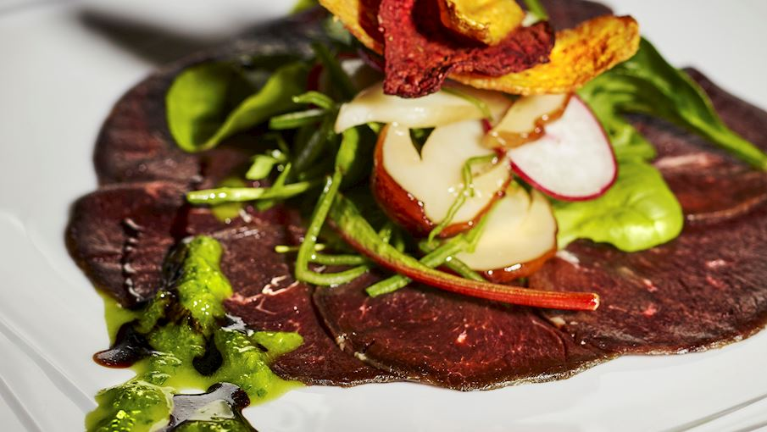 Lapin Poron kylmäsavuliha is cold-smoked reindeer meat that is produced from reindeer that freely graze on natural pastures. It is produced, processed and packed in the areas that include the Province of Lapland, the municipalities of Hyrynsalmi, Kuivaniemi, Kuusamo, Pudasjärvi, Suomussalmi, Taivalkoski and Yli-Ii in the Province of Oulu, and the areas north of the River Kiiminkijoki and the Puolanka-Hyrynsalmi road in the municipalities of Puolanka, Utajärvi and Ylikiiminki.

The meat, typically rounds, chucks, and fillets, are primarily salted and are matured for approximately one week in cold-smoking rooms. When sliced, the meat is finely-grained and dense, with a surface that ranges from smooth to shiny, depending on the level of dryness. READ MORE
MORE ABOUT LAPIN PORON KYLMÄSAVULIHA
SIMILAR CURED MEATS
Lapin Poron kuivaliha Šebreljski želodec Zgornjesavinjski želodec Jambon de Vendée Presunto do Alentejo Presunto de Vinhais Prekmurska Šunka Presunto de Melgaço Presunto de Barrancos Presunto de Campo Maior e Elvas Presunto de Santana da Serra Presunto de Barroso Speck Alto Adige Fenalår fra Norge Prleška Tünka Botillo del Bierzo Pancetta Piacentina Kraški Zašínk Afyon Pastırması Cecina de León
97
CURED MEAT
Capocollo di Calabria

CALABRIA, ITALY
n/a(9)
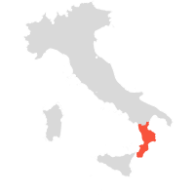

DREAMSTIME
Ate it? Rate it
Wanna try?
Add to list
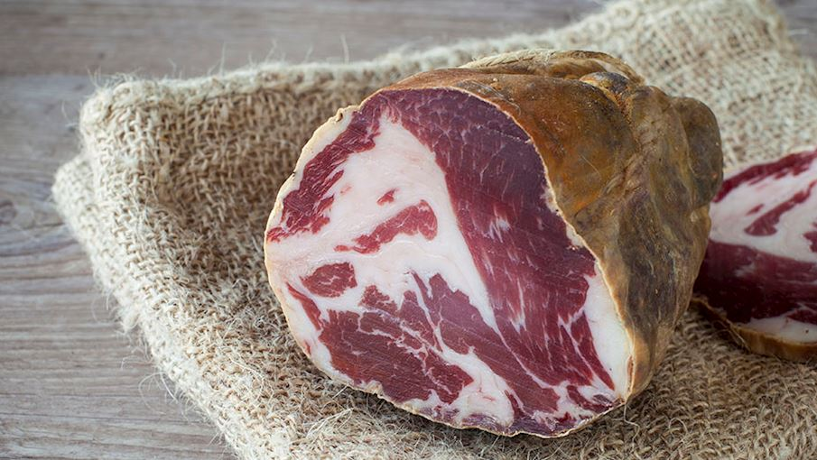 Known as the jewel of the region, Capocollo di Calabria is a dry-cured pork neck. This delicacy was first introduced to southern Italy by the colonies of ancient Magna Graecia. The meat is boned and salted for about 4 to 8 days, then rinsed in vinegar, rubbed with peppercorns and coated in pepperoncino Calabrese chili powder.

Cased in 'pelle di sugna', the inner lining of a pig stomach, the pork neck is tied and left to mature for at least 100 days. Traditionally eaten as an appetizer, Capocollo di Calabria is best enjoyed with a big slice of warm and crusty sourdough bread baked in a wood-fired oven, and a glass of hearty red wine.
MORE ABOUT CAPOCOLLO DI CALABRIA
SIMILAR CURED MEATS
Coppa Piacentina Coppa di Parma Pancetta Piacentina Prleška Tünka Pancetta di Calabria Role Trapezitsa Šebreljski želodec Kraški Zašínk Lonzo de Corse Zgornjesavinjski želodec Bresaola della Valtellina Culatello di Zibello Prosciutto di Parma Prosciutto di Carpegna Prosciutto di Sauris Lacón Gallego Carmarthen Ham Ammerländer Schinken Kraški pršut Prekmurska Šunka
96
BACON
Pancetta di Calabria

CALABRIA, ITALY
n/a(8)

SHUTTERSTOCK
Ate it? Rate it
Wanna try?
Add to list
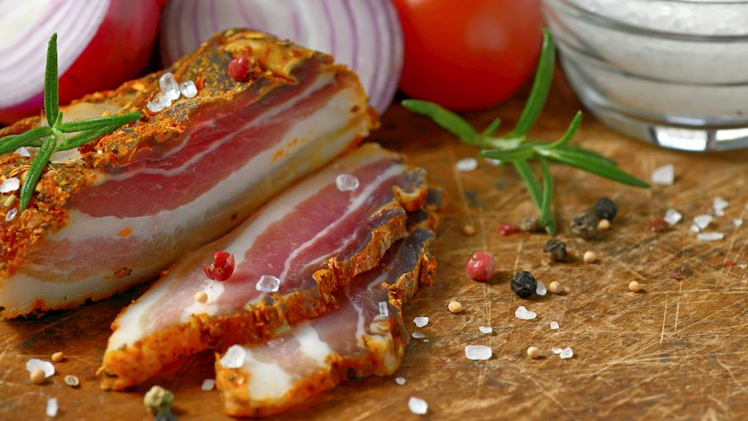 The Italian word pancetta or pancia literally translates to 'belly' which means Pancetta di Calabria is actually a dry cured pork belly, a variety of unsmoked bacon. Fresh meat cuts come from pigs born and raised exclusively in this Italian region, and pancetta is made by processing 3 to 5 centimeters thick rectangular slabs of bacon with skin, weighing between 3 to 6 kilos.

After being salted for about 4 to 14 days, it is washed and soaked in red wine vinegar, coated with pepperoncino Calabrese chili powder and lastly left to mature for at least 30 days. Pancetta di Calabria is traditionally eaten with warm sourdough breads, accompanied by full-bodied red wines.
MORE ABOUT PANCETTA DI CALABRIA
SIMILAR BACON
Kraška Panceta Speck Alto Adige Gailtaler Speck Tiroler Speck Boczek Słonina Zeeuws Spek Ayrshire Bacon Peameal Bacon
95
CURED MEAT
Lapin Poron kuivaliha

LAPLAND, FINLAND
n/a(1)

SHUTTERSTOCK
Ate it? Rate it
Wanna try?
Add to list
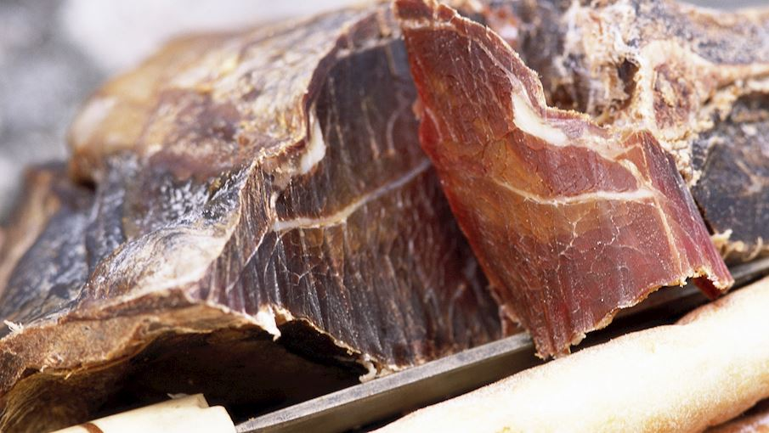 Lapin Poron kuivaliha is dried reindeer meat made from whole muscle and pieces of muscle from the animals born, raised and slaughtered in the Finnish reindeer husbandry area where they graze freely on natural pastures. The fillet, topside, shoulder, back, side and belly cuts of the reindeer are salted and partly matured before being traditionally hung to air-dry outside from February to April for around three to six weeks.

In order to preserve the meat's organoleptic characteristics, it is crucial to determine the right moment for removing the meat from air-drying, for which the specific knowledge and skills are required. If left for too long, the meat becomes gray and tasteless. READ MORE
MORE ABOUT LAPIN PORON KUIVALIHA
SIMILAR CURED MEATS
Lapin Poron Kylmäsavuliha Lapin Poron Liha Jerky Fenalår fra Norge Role Trapezitsa Pancetta Piacentina Bresaola della Valtellina Šebreljski želodec Kraški Zašínk Afyon Pastırması Pancetta (Basilicata) Pancetta (Liguria) Lonzo de Corse Skerpikjøt Pastarma Govezhda Cecina de León Zgornjesavinjski želodec Carmarthen Ham Ammerländer Schinken Ammerländer Dielenrauchschinken
94
CURED MEAT
Mutton Ham

SCOTLAND, EUROPE
n/a(1)

Ate it? Rate it
Wanna try?
Add to list
 Mutton ham is a cured meat product made by dry-curing a leg of mutton. Sheep have been grazing the hills of Scotland from time immemorial; hence mutton was more common than pork in this region. The need to preserve the meat gave rise to various preserving methods, including the preparation of mutton hams.

Traditionally, a leg of mutton is thoroughly rubbed with salt, sugar, saltpeter, and spices such as cloves, nutmeg, pepper, and allspice. It is then left to cure for about two weeks before being hung to dry. The ham can be smoked or unsmoked (green), and it is typically boiled before consumption.

Interestingly, mutton ham is easier to digest and is much leaner than pork ham.
MORE ABOUT MUTTON HAM
SIMILAR CURED MEATS
Ayrshire Bacon Guanciale Paletta Biellese Pancetta (Basilicata) Coppiette Pancetta (Liguria) Tasso Ham Elenski But Pancetta Piacentina Coppa Piacentina Bresaola della Valtellina Šebreljski želodec Kraški Zašínk Capocollo di Calabria Coppa di Parma Coppa de Corse Lonzo de Corse Cecina de León Prleška Tünka Botillo del Bierzo
93
CURED MEAT
Skerpikjøt

FAROE ISLANDS, NORTHERN EUROPE
n/a(3)


ERIK CHRISTENSEN BY CC
Ate it? Rate it
Wanna try?
Add to list
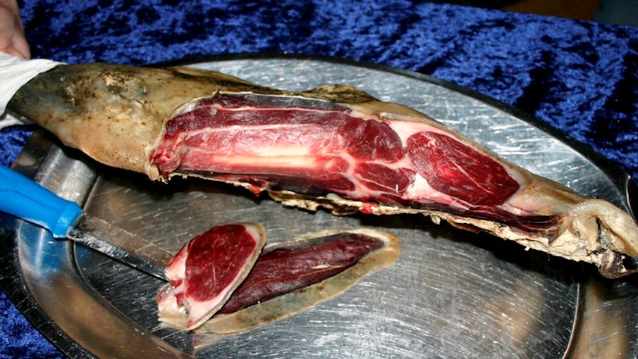 This specialty of the Faroe Islands emerged as a meat preserving technique. Skerpikjøt, or semi-fermented mutton meat, is prepared by wind-drying sheep's legs in the so-called hjallur, a typical Faroese outdoor shed with half-open, slatted sides.

The cold island climate and salty air impart a particularly tangy flavor to the meat, making it incomparable to similar cured meats. As a popular breakfast choice among locals, skerpikjøt is typically enjoyed with toasted sourdough bread, sprinkled with coarse salt.
MORE ABOUT SKERPIKJØT
SIMILAR CURED MEATS
Fenalår fra Norge Thịt trâu gác bếp Visočka pečenica Jerky Role Trapezitsa Brési Lapin Poron Kylmäsavuliha Lapin Poron kuivaliha Pancetta Piacentina Bresaola della Valtellina Šebreljski želodec Kraški Zašínk Afyon Pastırması Pancetta (Basilicata) Coppiette Pancetta (Liguria) Lonzo de Corse Pastarma Govezhda Cecina de León Zgornjesavinjski želodec
92
CURED MEAT
Slinzega

VALTELLINA, ITALY
n/a(2)
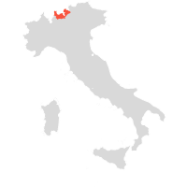

UCDS
Ate it? Rate it
Wanna try?
Add to list
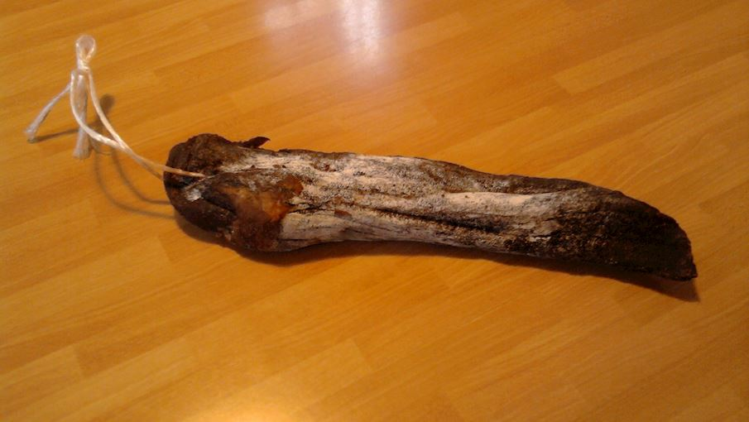 Slinzega is a variety of dark red, air-dried salted beef charcuterie produced in the Italian province of Sondrio. Flavored with cinnamon, salt, cloves, pepper, garlic, bay leaves, and red wine, it is similar to another local product, the slightly more famous bresaola, but made with smaller, finer cuts of meat (leg and the topside or rump, covering the tenderloin), which results in a much stronger flavor.

The origins can be traced back to the 1400s - some sources claim that it was originally prepared with horse meat rather than beef. Nowadays, many varieties exist, the most common being those made with beef, deer, or pork. Slinzega can be used as a flavor enhancer in cooking, or eaten on its own, thinly sliced or cut into little cubes and served with bread.

For a slightly more sophisticated version, thin slices can be flavored with extra-virgin olive oil, salt, pepper, and lemon juice, a combination that additionally highlights the decisive flavor of this aged delicacy.
MORE ABOUT SLINZEGA
PAIR WITH
Silter
SIMILAR CURED MEATS
Bresaola della Valtellina Jerky Fenalår fra Norge Role Trapezitsa Lapin Poron Kylmäsavuliha Lapin Poron kuivaliha Pancetta Piacentina Coppa Piacentina Šebreljski želodec Kraški Zašínk Afyon Pastırması Pancetta (Basilicata) Capocollo di Calabria Coppa di Parma Lonzo de Corse Skerpikjøt Pastarma Govezhda Cecina de León Prleška Tünka Zgornjesavinjski želodec
91
PROSCIUTTO, JAMON, JAMBON
Posedarski pršut

ZADAR COUNTY, CROATIA
n/a(9)
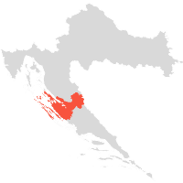

SHUTTERSTOCK
Ate it? Rate it
Wanna try?
Add to list
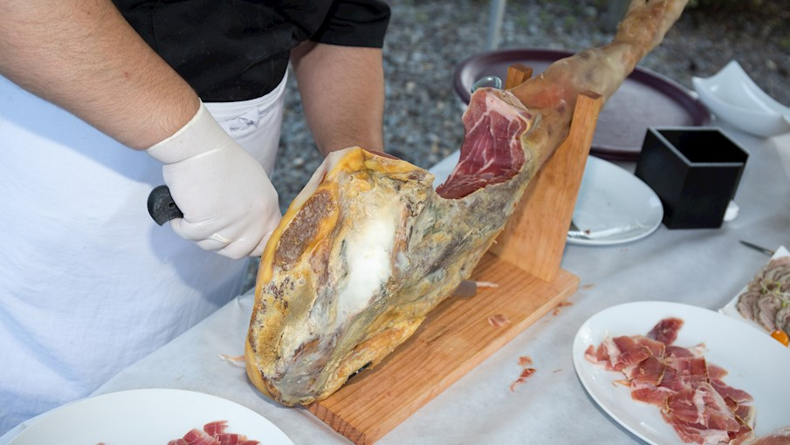 Posedarski pršut is a variety of Dalmatian prosciutto that has been traditionally prepared in Posedarje. This Croatian gourmet delicacy is typically made from the hind legs of a high-quality pig. The meat is entirely free from any additives or preservatives, and it is seasoned only with sea salt before it is pressed, dried, and allowed to mature for at least 12 months.

The drying process of the prosciutto usually involves smoking with juniper wood and drying naturally in the fierce Dalmatian bora wind, which is said to infuse the meat with droplets of pure sea salt directly from the sea as well as with the scent of fresh mountain air coming from the nearby Velebit Mountain.

With a flavor and quality said to be unrivaled, the prosciutto is typically sliced paper-thin and paired with cheese and a glass of fine wine, or drizzled with olive oil and eaten with slices of fresh bread.
MORE ABOUT POSEDARSKI PRŠUT
SIMILAR PROSCIUTTI, JAMONES, JAMBONS
Krčki pršut Drniški pršut Dalmatinski pršut Jamón ibérico de cebo Jamón 100% ibérico de bellota Jamón ibérico de bellota Jamón ibérico de cebo de campo Prosciutto di Modena Prosciutto di Parma Prosciutto Amatricano Prosciutto di Norcia Crudo di Cuneo Njeguška pršuta Kraški pršut Prosciutto Toscano Prosciutto Veneto Berico-Euganeo Istarski pršut Prosciutto di Carpegna Prosciutto di San Daniele Prosciutto di Sauris
90
PROSCIUTTO, JAMON, JAMBON
Prosciutto crudo Saint Marcel

AOSTA VALLEY, ITALY
n/a(2)
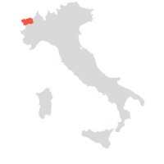

SHUTTERSTOCK
Ate it? Rate it
Wanna try?
Add to list
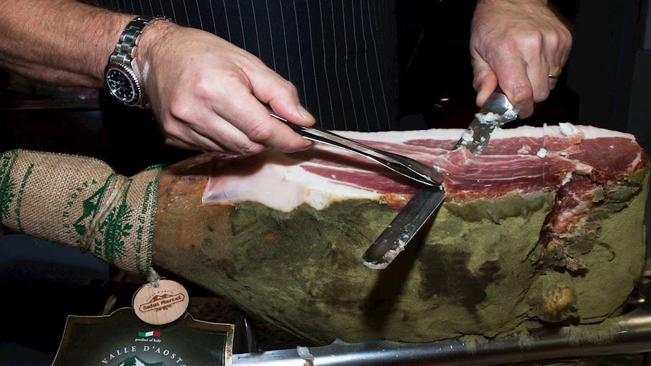 Prosciutto crudo Saint Marcel is a type of raw Italian ham that is infused with mountain herbs. It originates from the small village of Saint Marcel, where the local population has been traditionally preparing it following an age-old method of production.

Carefully selected high-quality pork thighs (obtained exclusively from pigs that are born and raised in Italy) are first dry-cured with salt and various aromatic mountain herbs before they are air-dried in the pure mountain air and allowed to mature for about 18 to 24 months. READ MORE
MORE ABOUT PROSCIUTTO CRUDO SAINT MARCEL
PAIR WITH
Petite Arvine
SIMILAR PROSCIUTTI, JAMONES, JAMBONS
Prosciutto di Parma Prosciutto di Carpegna Prosciutto di Sauris Vallée d’Aoste Jambon de Bosses Jamón ibérico de cebo Jamón 100% ibérico de bellota Jamón ibérico de bellota Jamón ibérico de cebo de campo Posedarski pršut Zlatiborska pršuta Elenski But Užička pršuta Dehesa de Extremadura Prosciutto di Modena Prosciutto di Norcia Kraški pršut Prosciutto Toscano Prekmurska Šunka Prosciutto di San Daniele Presunto de Barrancos
89
PROSCIUTTO, JAMON, JAMBON
Jambon de Lacaune

TARN, FRANCE
n/a(1)
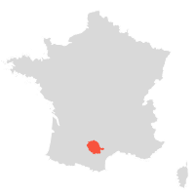

SHUTTERSTOCK
Ate it? Rate it
Wanna try?
Add to list
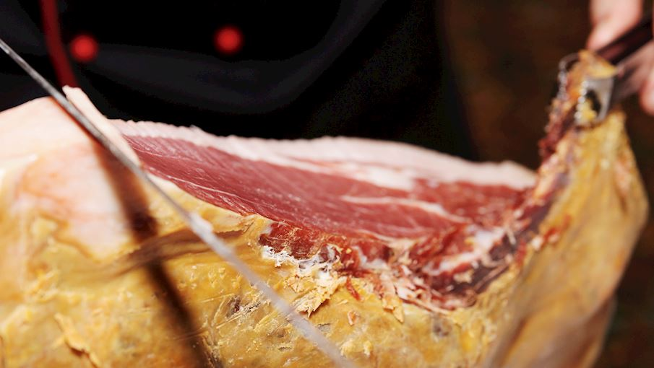 Jambon de Lacaune is a dry-cured ham made from pig's meat in the French region of Tarn, in an alpine and Mediterranean climate. Fresh hams with a minimum weight of 9 kilograms and at least 10 mm of fat coverage are selected for the lengthy process of dry curing.

The hams are rubbed with sea salt and pepper and left to mature, dry and ripen until the product is finished. When sliced, it is intensely red to dark red, lightly marbled and has a soft, delicate and supple texture. The mild aromas are well balanced, typical of dried, matured meats while the salty flavor is present, but not overpowering, a pointe de sel (a hint of salt), as the locals say.

Serve the thin slices with melons, cheese, figs or in a salad and pair it with red wines.
MORE ABOUT JAMBON DE LACAUNE
SIMILAR PROSCIUTTI, JAMONES, JAMBONS
Jambon de l'Ardéche Jambon Sec des Ardennes Jambon de Vendée Jambon sec de Corse Dehesa de Extremadura Prosciutto di Modena Prosciutto di Parma Prosciutto Amatricano Prosciutto di Norcia Kraški pršut Prosciutto Toscano Prosciutto Veneto Berico-Euganeo Prekmurska Šunka Prosciutto di Carpegna Prosciutto di San Daniele Prosciutto di Sauris Presunto de Melgaço Presunto de Barrancos Presunto de Campo Maior e Elvas Presunto de Barroso
88
BACON
Ayrshire Bacon

SOUTH AYRSHIRE, SCOTLAND
n/a(2)
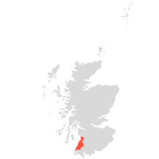

SHUTTERSTOCK
Ate it? Rate it
Wanna try?
Add to list
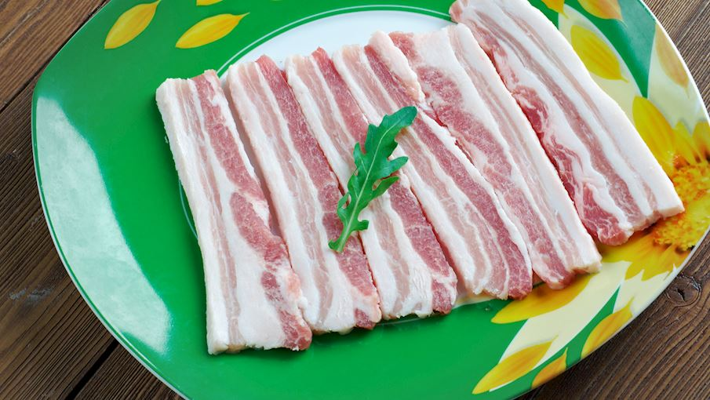 Consisting of a specific cut that contains both pork belly and pork loin, Ayrshire bacon is cured back bacon that is available in both smoked and unsmoked (green) versions. The bacon is typically made by curing the skinned and deboned cut obtained from free-range Scottish Large White-Landrace pigs in a unique brine called the Ayrshire cure.

After soaking for a day or two, the bacon is drained well before it is allowed to mature for two or three weeks. This bacon is recognized for its dark pink color and creamy fat, its slightly cured flavor, and its ability to fry to crispy perfection as Ayrshire bacon contains no water.

Traditionally, the cured bacon is used for making what is known as the Ayrshire middle bacon, which involves rolling the bacon with its fatty streaky cut on the outside and the lean back bacon inside. Highly appreciated by chefs and butchers in Scotland and beyond, Ayrshire bacon is a traditional breakfast staple in the country, and it is also commonly used in a wide range of sandwiches, salads, stews, and quiches.
MORE ABOUT AYRSHIRE BACON
SIMILAR BACON
Peameal Bacon Boczek Słonina Gailtaler Speck Tiroler Speck Speck Alto Adige Kraška Panceta Pancetta di Calabria Zeeuws Spek
87
BACON
Gailtaler Speck

CARINTHIA, AUSTRIA
n/a(2)
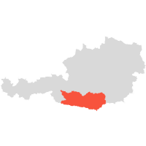

GAILTALERSPECK.AT
Ate it? Rate it
Wanna try?
Add to list
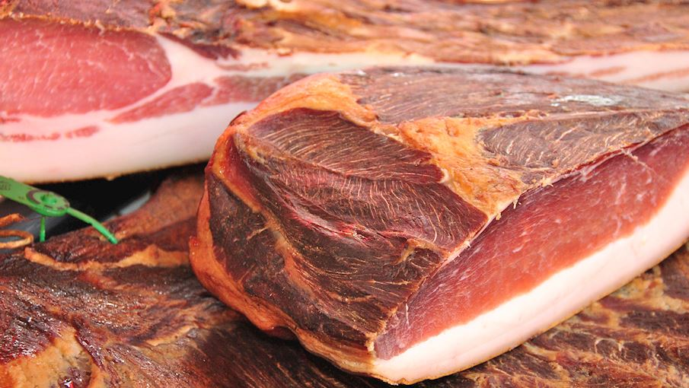 Traditionally produced in the Alpine Gailtal region since the 15th century, the delicious Gailtaler Speck is an Austrian variety of bacon. The meat used for its production must come from pigs reared either in the Gailtal Valley or the wider Carinthian area.

It is first dry-salted, pressed, and marinated in brine; then seasoned with pepper, garlic, and juniper; and lastly air-cured and cold-smoked over beech and elder wood. Characterized by a rich, salty flavor and a well-pronounced aroma of smoked meat, this Carinthian delicacy is typically enjoyed as an appetizer but it can also be used in cooking, as it imparts a smoky flavor to various dishes.

Gailtaler Speck is marketed with two different types of tags: the green ones indicate an artisan product, handmade by farmers, while the red ones are reserved for the Gailtaler Speck made by commercial producers.
MORE ABOUT GAILTALER SPECK
SIMILAR BACON
Speck Alto Adige Tiroler Speck Kraška Panceta Pancetta di Calabria Zeeuws Spek Boczek Słonina Ayrshire Bacon Peameal Bacon
86
CURED MEAT
Pancetta Piacentina

PROVINCE OF PIACENZA, ITALY
n/a(7)
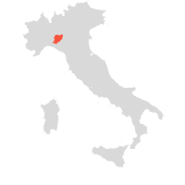

SHUTTERSTOCK
Ate it? Rate it
Wanna try?
Add to list
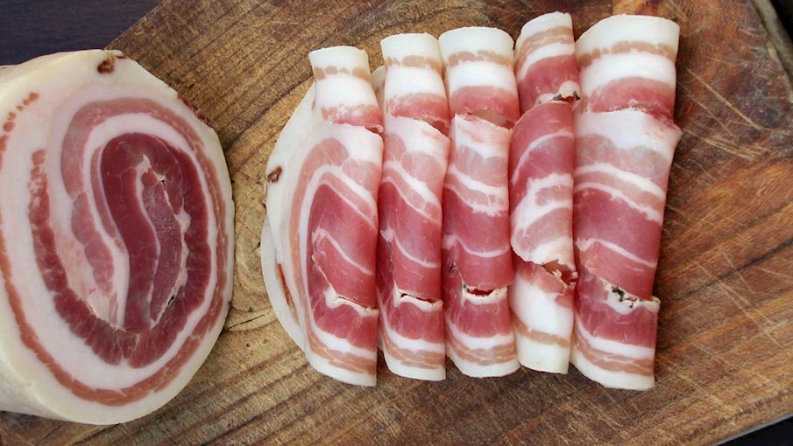 Made from the pork cut of the so-called pancettone (belly), Pancetta Piacentina is an unsmoked and rolled variety of bacon and an authentic product of the Piacenza province, located in the Emilia-Romagna region. The processing of meat begins with dry-salting and seasoning, after which the Pancetta is refrigerated and left to rest for about 10 days.

Next, the bacon is scrapped to remove any excess salt and spices, rolled up and sewn by hand at the side. Finally, Pancetta Piacentina is left to dry out and mature for at least 3 months at a temperature of 10-14°C and a relative humidity of about 70-90%, until the bacon attains its characteristic appearance and flavor.

Pancetta Piacentina has a pleasant aroma, and a sweet, rich, meaty taste; it is firm in texture, with dark red lean meat and succulent white fat. Great as an appetizer, in the region of Emilia-Romagna pancetta is typically served with slices of toasted polenta.
MORE ABOUT PANCETTA PIACENTINA
SIMILAR CURED MEATS
Pancetta di Calabria Kraška Panceta Pancetta (Basilicata) Pancetta (Liguria) Speck Alto Adige Role Trapezitsa Coppa Piacentina Šebreljski želodec Kraški Zašínk Lonzo de Corse Zgornjesavinjski želodec Prosciutto di Parma Prosciutto di Carpegna Prosciutto di Sauris Capocollo di Calabria Lacón Gallego Carmarthen Ham Ammerländer Schinken Kraški pršut Prekmurska Šunka
85
CURED MEAT
Cecina de León

PROVINCE OF LEÓN, SPAIN
n/a(8)
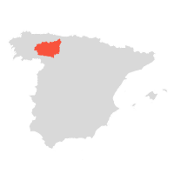

SHUTTERSTOCK
Ate it? Rate it
Wanna try?
Add to list
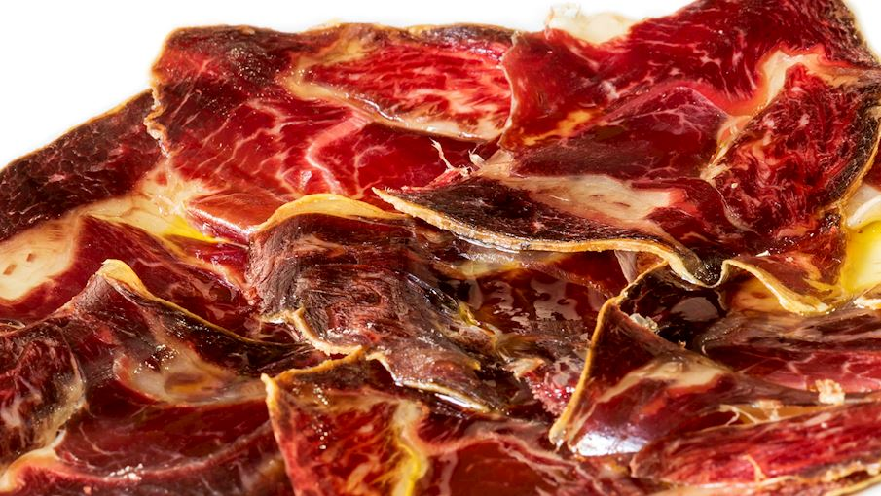 Cecina de León is a cured meat product made from beef sirloin, centre leg, round and stifle. It is traditionally produced in the province of León. The production, which includes salting, curing and drying, can last for more than seven months.

It is smoked using oak found in local forests which gives it a characteristic taste and aroma. This cured meat is a dark brown on the outside and deep dark red on the inside. Cecina de León has a characteristic beef flavor with smoky undertones and is very succulent and smooth in texture.
MORE ABOUT CECINA DE LEÓN
SIMILAR CURED MEATS
Bresaola della Valtellina Afyon Pastırması Jerky Role Trapezitsa Lapin Poron Kylmäsavuliha Pancetta Piacentina Šebreljski želodec Kraški Zašínk Pancetta (Basilicata) Pancetta (Liguria) Lonzo de Corse Pastarma Govezhda Zgornjesavinjski želodec Lacón Gallego Dehesa de Extremadura Los Pedroches Jamón de Serón Botillo del Bierzo Carmarthen Ham Ammerländer Schinken
84
CURED MEAT
Visočka pečenica

VISOKO, BOSNIA AND HERZEGOVINA
n/a(1)

Ate it? Rate it
Wanna try?
Add to list
 Visočka pečenica is a dried beef product which has been produced for a few decades in the town of Visoko in Bosnia and Herzegovina. The meat product is made from high quality parts of beef which are seasoned with salt, cold-smoked, and dried.

The parts of beef used for this product include haunch, back with the lumbar part, flank, and shoulder. Visočka pečenica is traditionally served thinly sliced, and it’s usually paired with local cheese and freshly baked bread.
MORE ABOUT VISOČKA PEČENICA
SIMILAR CURED MEATS
Coppiette Thịt trâu gác bếp Brési Skerpikjøt Tasso Ham Ganda Ham Zlatiborska pršuta Bresaola della Valtellina Afyon Pastırması Pastarma Govezhda Cecina de León Paletta Biellese Mutton Ham Role Trapezitsa Pancetta Piacentina Šebreljski želodec Kraški Zašínk Prleška Tünka Zgornjesavinjski želodec Botillo del Bierzo
83
BACON
Zeeuws Spek

ZEELAND, NETHERLANDS
n/a(3)
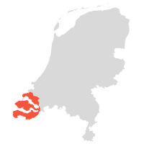

SHUTTERSTOCK
Ate it? Rate it
Wanna try?
Add to list
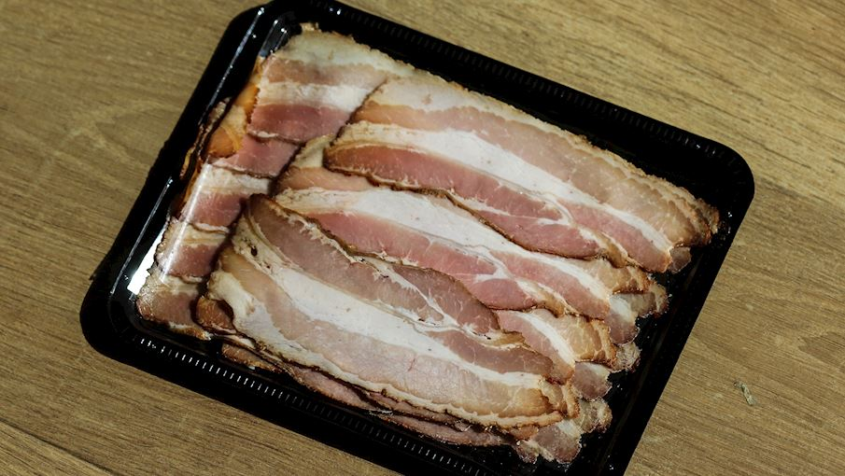 Originating from Zeeland, Zeeuws spek is a traditional bacon seasoned with salt, pepper, and bay leaves. It is usually marinated in a combination of spices, oil, and mustard, and is then either broiled, grilled, or smoked, developing an intense barbecue-like flavor in the process.

If consumed in the most traditional way, the bacon is paired with bread and mustard, although it can also be consumed with baked potatoes or used in various salads.
MORE ABOUT ZEEUWS SPEK
SIMILAR BACON
Speck Alto Adige Kraška Panceta Pancetta di Calabria Gailtaler Speck Boczek Słonina Tiroler Speck Ayrshire Bacon Peameal Bacon
82
CURED MEAT
Fenalår fra Norge

NORWAY, EUROPE
n/a(3)

Ate it? Rate it
Wanna try?
Add to list
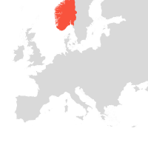 Fenalår fra Norge is a smoked leg of mutton traditionally produced in Norway and believed to have been around since the Viking era. The meat comes from lambs living in the mountains of Norway that are slaughtered in autumn. The meat is salted and left to dry for 3-6 months (traditional variety) or 5-9 months (matured variety) in a controlled environment.

There are two types of Fenalar fra Norge found on the market, the traditional one with bone, and the riper, less salted and boneless one. The production method used today is based on Norway’s long history of hanging mutton legs to dry in the fresh mountain air to preserve the meat to use during the cold winter.

In 2015 Norwegian producers signed their first contracts for the export of this delicacy and Fenalar already became an exclusive dish in French and Swiss restaurants. Fenalår fra Norge is traditionally eaten during the Christmas holidays in Western Norway and is often served with thin crisp bread or rømmegrøt – a sour cream porridge.
MORE ABOUT FENALÅR FRA NORGE
SIMILAR CURED MEATS
Skerpikjøt Lapin Poron Kylmäsavuliha Šebreljski želodec Zgornjesavinjski želodec Ammerländer Dielenrauchschinken Jambon de Vendée Presunto do Alentejo Presunto de Vinhais Istarski pršut Dalmatinski pršut Prekmurska Šunka Krčki pršut Drniški pršut Presunto de Melgaço Presunto de Barrancos Presunto de Campo Maior e Elvas Presunto de Santana da Serra Presunto de Barroso Speck Alto Adige Lapin Poron kuivaliha
81
CURED MEAT
Violino di Capra

CHIAVENNA, ITALY
n/a(4)
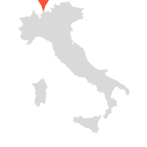

SHUTTERSTOCK
Ate it? Rate it
Wanna try?
Add to list
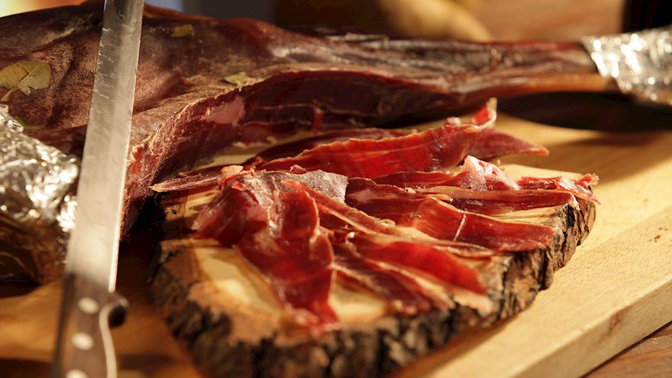 Violino di capra, literally meaning goat violin, is an Italian goat prosciutto produced in the area surrounding the Northern Italian town of Chiavenna. The name comes from its shape, reminiscent of the violin, and the fact that the traditional method of slicing suggests placing it on a napkin under the chin with one hand while cutting it using a knife with the other - an action that truly resembles that of a violinist using his bow.

Made with goat’s shoulder or thigh preserved in brine and flavored with garlic, spices, and red wine, violino di capra is shortly smoked, then aged in natural alpine cavities known as crotti. This Italian delicacy is best enjoyed thinly sliced, accompanied by homemade bread and a glass of red wine.
MORE ABOUT VIOLINO DI CAPRA
SIMILAR CURED MEATS
Culatello di Zibello Prosciutto di Modena Prosciutto di Parma Prosciutto Amatricano Prosciutto di Norcia Crudo di Cuneo Kraški pršut Prosciutto Toscano Prosciutto Veneto Berico-Euganeo Prosciutto di Carpegna Prosciutto di San Daniele Prosciutto di Sauris Suho meso Paletta Biellese Pancetta (Basilicata) Coppa Piacentina Bresaola della Valtellina Coppa di Parma Coppa de Corse Lonzo de Corse
80
CURED HAM
Ganda Ham

GHENT, BELGIUM
n/a(5)


GANDA HAM
Ate it? Rate it
Wanna try?
Add to list
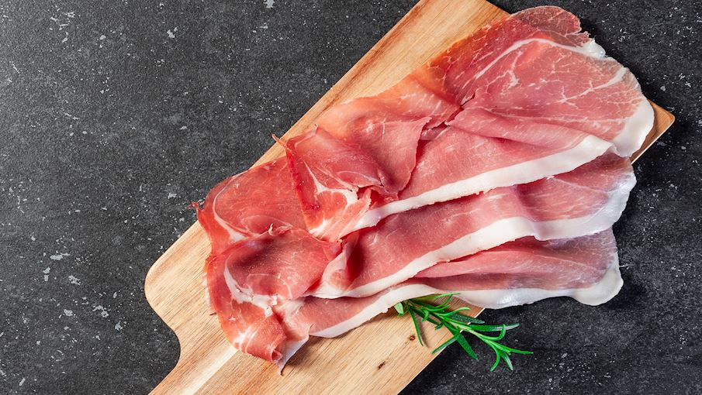 Traditionally produced using an age-old Flemish method, ganda ham is a dry-salted meat specialty hailing from Belgium. The meat product consists only of high-quality Belgian pork and dry sea salt (La Baleine) from Montpellier.

Entirely natural and free of any additives, the ham is typically dry-salted twice over a period of several weeks, then allowed to age for 8 weeks, and it is finally left to dry in special drying lockers for 10 or 16 months, a period during which it acquires its outstanding flavor, color, and aroma.

To retain their tenderness and avoid crust on their surface, the hams are typically thinly covered with lard, which is rinsed off after the natural drying process. Ganda ham is sold in a variety of forms, including whole hams, half hams, de-boned hams, or bone-in hams. READ MORE
MORE ABOUT GANDA HAM
SIMILAR CURED HAMS
Jambon d'Ardenne Smithfield Ham Holsteiner Katenschinken Culatello di Zibello Country Ham Lacón Gallego Carmarthen Ham Ammerländer Schinken Ammerländer Dielenrauchschinken Westfälischer Knochenschinken Schwarzwälder Schinken Éisleker Ham Prosciutto di Modena Prosciutto di Parma Prosciutto di Norcia Kraški pršut Prosciutto Toscano Prekmurska Šunka Prosciutto di San Daniele Prosciutto di Sauris
79
BACON
Speck Alto Adige

AUTONOMOUS PROVINCE BOZEN - SOUTH TYROL, ITALY
n/a(11)
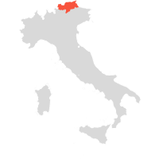

SHUTTERSTOCK
Ate it? Rate it
Wanna try?
Add to list
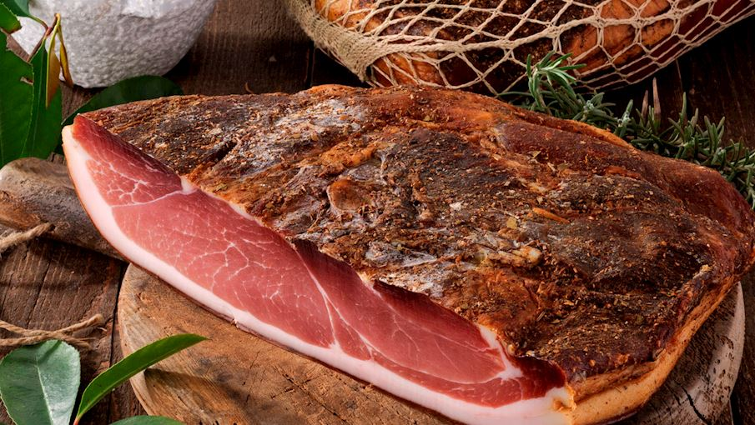 Lighter in flavor than its heavily smoked Alpine counterparts, but more robust than the delicate Mediterranean prosciuttos, Speck is the most prized food product of the autonomous Trentino-Alto Adige, Italy's northernmost region also known as Südtirol or South Tyrol.

With the region sharing not only a border but also strong cultural connections with the neighboring Austria, this distinctly flavored, smoked and cured ham represents the character of Alto Adige’s cuisine, which is an interesting blend of Northern European and Mediterranean traditions.

Produced in the province of Bolzano, gently smoked over low-resin wood and finally cured in the crisp Alpine air, Speck Alto Adige takes on a mildly smoky flavor yet remains sweet, which brings its tender saltiness to the fore. Even though Speck is featured in countless traditional recipes of Alto Adige, it is most often sliced as thinly as possible and enjoyed in the most simple way: eaten by hand together with some bread, cheese, and washed down with a glass of hearty red wine.
MORE ABOUT SPECK ALTO ADIGE
PAIR WITH
Conegliano Valdobbiadene Prosecco
SIMILAR BACON
Kraška Panceta Pancetta di Calabria Gailtaler Speck Tiroler Speck Boczek Słonina Zeeuws Spek Ayrshire Bacon Peameal Bacon
78
CURED MEAT
Pancetta (Liguria)

LIGURIA, ITALY
n/a(3)

Ate it? Rate it
Wanna try?
Add to list
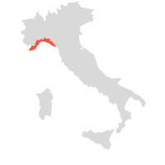 Produced exclusively from locally bred pigs and made by following ancient traditions, the Ligurian variety of pancetta is made with salt-cured pork belly flavored with lemon, pepper, cinnamon, nutmeg, and cloves. Covered with spices, pancetta is bound in asiunca, a special sort of skin found in pig’s intestines, and it is then left to mature for at least three months.

Thinly sliced, it can be enjoyed raw or served as a cold cut alongside other types of cured meat and cheese, but it is also great when fried until crispy or wrapped around various grilled or baked vegetables, giving them a tasty, crunchy coating.
MORE ABOUT PANCETTA (LIGURIA)
SIMILAR CURED MEATS
Pancetta (Basilicata) Pancetta Piacentina Kraška Panceta Pancetta di Calabria Presunto Guanciale Role Trapezitsa Šebreljski želodec Kraški Zašínk Lonzo de Corse Zgornjesavinjski želodec Jerky Lapin Poron Kylmäsavuliha Bresaola della Valtellina Afyon Pastırması Cecina de León Lacón Gallego Carmarthen Ham Ammerländer Schinken Prekmurska Šunka
77
PROSCIUTTO, JAMON, JAMBON
Guijuelo

PROVINCE OF SALAMANCA, SPAIN
n/a(11)
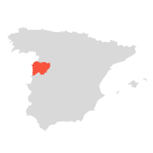

DREAMSTIME
Ate it? Rate it
Wanna try?
Add to list
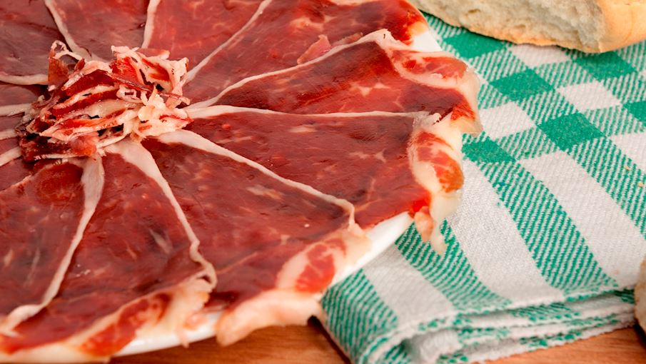 Guijuelo is a ham or a shoulder from pure-bred pigs of Ibérico breed made in the autonomous community of Extremadura. This ham has an exceptional ratio of sweet and savory flavors that are complemented by nutty and woody notes. It is a high-quality ham that melts in the mouth when thinly sliced.

When cut, this ham is bright pink to red with evenly distributed white to light yellow fat stripes. These hams are cured and dried for a minimum of 18 months and must weigh more than four kilos. Guijuelo shoulders are produced in the same way except they are dried and cured for 12 months and must weigh more than 3,5 kilos.
MORE ABOUT GUIJUELO
SIMILAR PROSCIUTTI, JAMONES, JAMBONS
Dehesa de Extremadura Jambon Sec des Ardennes Prosciutto di Modena Prosciutto di Parma Prosciutto Amatricano Prosciutto di Norcia Presunto do Alentejo Presunto de Vinhais Kraški pršut Prosciutto Toscano Prosciutto Veneto Berico-Euganeo Prekmurska Šunka Prosciutto di Carpegna Prosciutto di San Daniele Prosciutto di Sauris Presunto de Melgaço Presunto de Barrancos Presunto de Campo Maior e Elvas Presunto de Santana da Serra Presunto de Barroso
76
PROSCIUTTO, JAMON, JAMBON
Zlatiborska pršuta

ZLATIBOR DISTRICT, SERBIA
n/a(16)
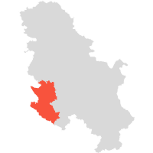

SHUTTERSTOCK
Ate it? Rate it
Wanna try?
Add to list
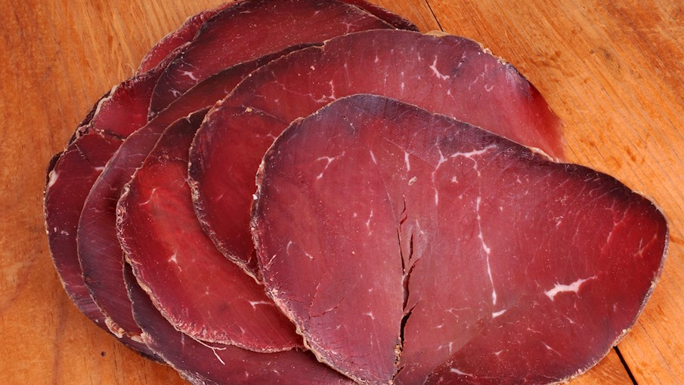 Zlatiborska pršuta is a traditional Serbian smoked ham hailing from the mountainous region of Zlatibor, and it is usually associated with the village of Mačkat. Following a century-old method of preparation, this meat specialty is typically made with the highest-quality beef or pork that is salted, then cold-smoked and air-dried.

The whole process usually lasts for about a month, and during this time, the unique climate and terrain of the Zlatibor Mountains, as well as the beech wood used for smoking, infuse the meat with a distinctive, rich flavor and a pleasant aroma. This smoked meat is dark brown to red on the outside and dark red on the inside.

A signature meat product of the country, zlatiborska pršuta is typically thinly sliced before serving.
MORE ABOUT ZLATIBORSKA PRŠUTA
SIMILAR PROSCIUTTI, JAMONES, JAMBONS
Užička pršuta Jambon de la Borne Jamón ibérico de cebo Jamón 100% ibérico de bellota Jamón ibérico de bellota Jamón ibérico de cebo de campo Posedarski pršut Prosciutto crudo Saint Marcel Dehesa de Extremadura Jambon Sec des Ardennes Prosciutto Amatricano Crudo di Cuneo Prosciutto Veneto Berico-Euganeo Istarski pršut Dalmatinski pršut Jambon d'Ardenne Krčki pršut Drniški pršut Presunto de Barrancos Jambon de Bayonne
75
PROSCIUTTO, JAMON, JAMBON
Užička pršuta

UŽICE, SERBIA
n/a(8)

Ate it? Rate it
Wanna try?
Add to list
 Užička pršuta is a variety of smoked ham that has been traditionally prepared in the mountainous district of Zlatibor, namely in Čajetina, Užice, and Nova Varoš municipalities. This meat specialty came to be known as užička pršuta because it used to be sold in Užice along many other regional products at the time.

Beef, pork, and mutton can be used for the preparation of this meat product, although the most traditional is smoked beef meat, which is known as užička goveđa pršuta in Serbia. The finest beef pieces from parts of the legs, tenderloins, sirloins, and the low end of the back of 4 to 6-year-old oxen are salted, then smoked with dry beech wood, and dried in the cool mountain air.

The final product is distinguished by a dark brownish-red exterior, a dark red interior with a nice marbling, and a strong beef flavor. This Serbian delicacy is typically thinly sliced and served with cheese, pickled vegetables, bread, and a glass of local brandy or fine wine on the side.
MORE ABOUT UŽIČKA PRŠUTA
SIMILAR PROSCIUTTI, JAMONES, JAMBONS
Zlatiborska pršuta Jamón ibérico de cebo Jamón 100% ibérico de bellota Jamón ibérico de bellota Jamón ibérico de cebo de campo Jambon de la Borne Posedarski pršut Prosciutto crudo Saint Marcel Dehesa de Extremadura Jambon Sec des Ardennes Prosciutto Amatricano Crudo di Cuneo Prosciutto Veneto Berico-Euganeo Istarski pršut Dalmatinski pršut Jambon d'Ardenne Krčki pršut Drniški pršut Presunto de Barrancos Jambon de Bayonne
74
PROSCIUTTO, JAMON, JAMBON
Presunto de Campo Maior e Elvas

CAMPO MAIOR, PORTUGAL
n/a(9)


SHUTTERSTOCK
Ate it? Rate it
Wanna try?
Add to list
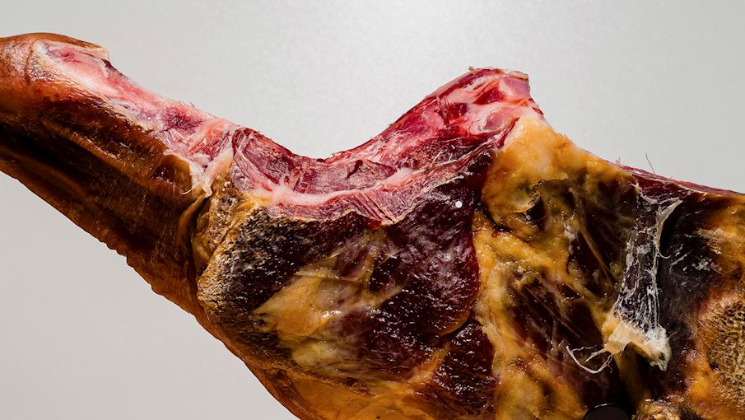 The Campo Maior and Elvas ham and paleta are made using pork taken from Alentejo breed pigs raised in the municipalities of Campo Maior and Elvas in Portalegre. These pigs are raised outdoors, feeding on grasses, cereals, and legumes.

The ham is made from the hind leg of the pig, while the paleta is made from the foreleg. In both cases, the hoof and the outer skin is left on. The production process is based on local methods, and is divided into several stages: cutting, salting, the post-brining (drying), and curing or aging, which lasts up to a year under natural conditions. READ MORE
MORE ABOUT PRESUNTO DE CAMPO MAIOR E ELVAS
SIMILAR PROSCIUTTI, JAMONES, JAMBONS
Jambon de Vendée Presunto do Alentejo Presunto de Vinhais Prekmurska Šunka Presunto de Melgaço Presunto de Barrancos Presunto de Santana da Serra Presunto de Barroso Salaisons Fumées - Marque Nationale Grand-Duché de Luxembourg Istarski pršut Dalmatinski pršut Krčki pršut Drniški pršut Prosciutto di Modena Prosciutto Amatricano Prosciutto di Norcia Prosciutto Toscano Prosciutto di Carpegna Prosciutto di San Daniele Prosciutto di Sauris
73
PROSCIUTTO, JAMON, JAMBON
Presunto de Vinhais

BRAGANÇA DISTRICT, PORTUGAL
n/a(8)
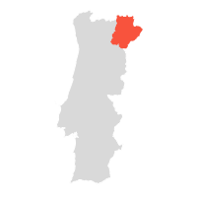

SHUTTERSTOCK
Ate it? Rate it
Wanna try?
Add to list
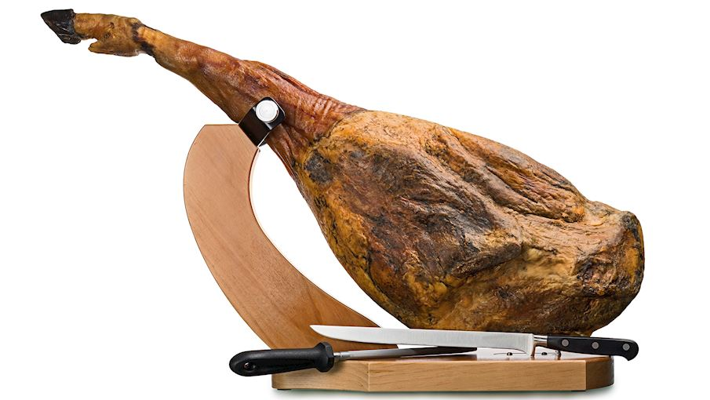 Vinhais ham is a smoked pork meat specialty made from the hind legs of Bisaro pigs raised in the municipality of Bragança in Portugal. Vinhais presunto is made by first massaging raw cuts of pork to eliminate the internal fluids.

These pieces are then covered with salt and sprinkled with a mixture of paprika, oil, and pork lard, and smoked over a low heat using dry oak or chestnut wood. The ham has a color ranging from pink to dark red, and it has a predominantly salty, smoky flavor.

The texture is fibrous, tender, and succulent. This presunto is most commonly served sliced thin with bread bread and a glass of good wine. It is also an essential ingredient in various local dishes.
MORE ABOUT PRESUNTO DE VINHAIS
SIMILAR PROSCIUTTI, JAMONES, JAMBONS
Jambon de Vendée Presunto do Alentejo Prekmurska Šunka Presunto de Melgaço Presunto de Barrancos Presunto de Campo Maior e Elvas Presunto de Santana da Serra Presunto de Barroso Salaisons Fumées - Marque Nationale Grand-Duché de Luxembourg Istarski pršut Dalmatinski pršut Krčki pršut Drniški pršut Prosciutto di Modena Prosciutto Amatricano Prosciutto di Norcia Prosciutto Toscano Prosciutto di Carpegna Prosciutto di San Daniele Prosciutto di Sauris
72
PROSCIUTTO, JAMON, JAMBON
Prosciutto Amatricano

PROVINCE OF RIETI, ITALY
n/a(3)
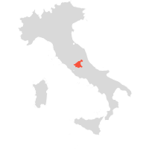

SHUTTERSTOCK
Ate it? Rate it
Wanna try?
Add to list
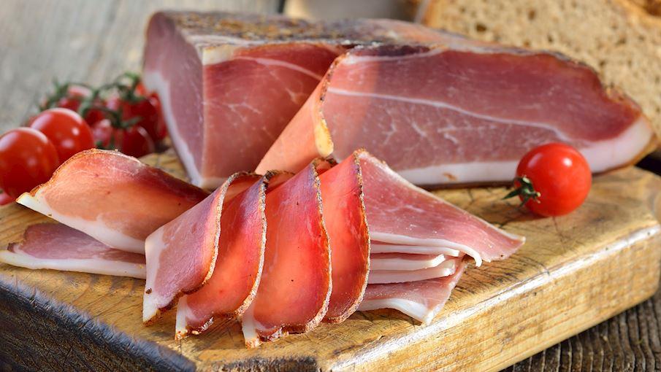 The origins of this typical product of the Lazio region date back to medieval times when preserved meats were used as a tribute for feudatories or means of payment. This Italian ham was named after the town of Amatrice in the province of Rieti.

The area of production comprises not only Amatrice but all other municipalities settled up to 1200m above sea level. Amatriciano's most distinctive feature comes from the traditional trimming technique, performed particularly high on the fresh leg.

After two saltings, the prosciutto is covered in sugna - a mixture of lard, salt, spices, black or white pepper, garlic and cereal or rice flour - and finally left to mature for at least 12 months until it looses 30% of its raw weight. READ MORE
MORE ABOUT PROSCIUTTO AMATRICANO
SIMILAR PROSCIUTTI, JAMONES, JAMBONS
Prosciutto di Modena Prosciutto di Parma Prosciutto di Norcia Kraški pršut Prosciutto Toscano Prosciutto Veneto Berico-Euganeo Prosciutto di Carpegna Prosciutto di San Daniele Prosciutto di Sauris Crudo di Cuneo Istarski pršut Dalmatinski pršut Krčki pršut Drniški pršut Dehesa de Extremadura Jambon Sec des Ardennes Prekmurska Šunka Presunto de Barrancos Presunto de Campo Maior e Elvas Presunto de Barroso
71
PROSCIUTTO, JAMON, JAMBON
Presunto de Melgaço

MELGAÇO, PORTUGAL
n/a(6)
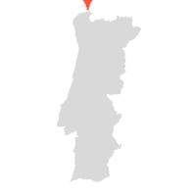

SHUTTERSTOCK
Ate it? Rate it
Wanna try?
Add to list
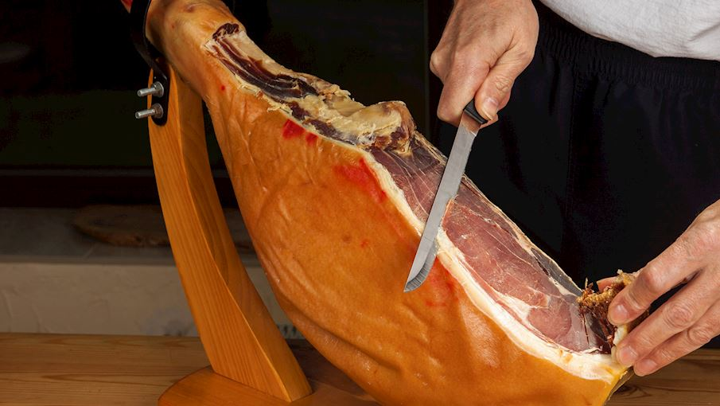 The municipality of Melgaço, strongly influenced by the Minho river, is a must for all lovers of great food. The region's cuisine, while simple, is exceptionally delicious. In addition to the region's excellent wines, one of its most famous products is Melgaço ham.

Produced for over 500 years, the unique shape of this smoked ham is achieved by making a long cut along the leg and extending the leg until straight. It is sold whole, sliced, or cubed. The interior of this presunto is an intense red and the meat is smooth and shiny with moderate marbling.

The smoked ham has an intense aroma, while the fat has a flavor reminiscent of balsamic vinegar. The ham is moderately juicy, firm, tender, slightly fibrous, and sweet with pronounced salty and smoky notes.
MORE ABOUT PRESUNTO DE MELGAÇO
SIMILAR PROSCIUTTI, JAMONES, JAMBONS
Presunto de Barrancos Presunto de Barroso Jambon de Vendée Presunto do Alentejo Presunto de Vinhais Prekmurska Šunka Presunto de Campo Maior e Elvas Presunto de Santana da Serra Salaisons Fumées - Marque Nationale Grand-Duché de Luxembourg Istarski pršut Dalmatinski pršut Krčki pršut Drniški pršut Prosciutto di Modena Prosciutto Amatricano Prosciutto di Norcia Prosciutto Toscano Prosciutto di Carpegna Prosciutto di San Daniele Prosciutto di Sauris
70
PROSCIUTTO, JAMON, JAMBON
Prekmurska Šunka

PREKMURJE, SLOVENIA
n/a(4)
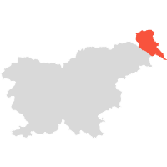

KODILA.SI
Ate it? Rate it
Wanna try?
Add to list
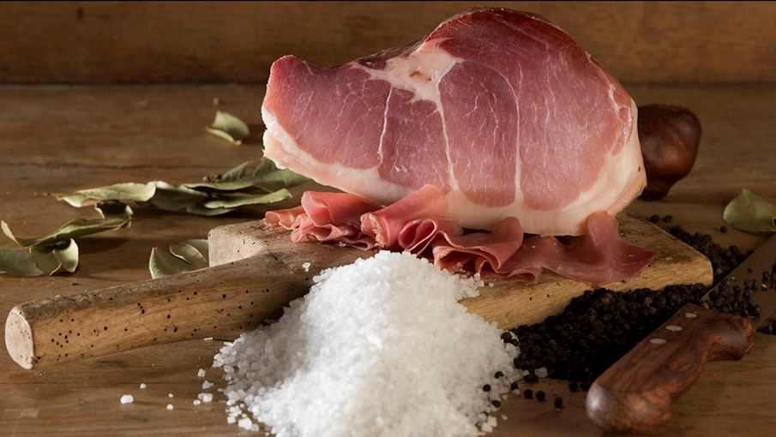 With its recognizable pear-shaped appearance, Prekmurska šunka easily differs from other Slovenian cured meats. Made by choosing only the finest of pork legs, together with the skin and bacon, Prekmurje hams are traditionally dry-cured in salt and spices, smoked and then gradually coated with a mixture of buckwheat flour, red peppers and spices.

Lastly, they are left to mature for a period of at least 6 months. During that time, relatively dry but harsh winters, with brisk air coming from Goričko hills, and other conditions typical for the continental climate together contribute to the making of the final product. READ MORE
MORE ABOUT PREKMURSKA ŠUNKA
PAIR WITH
Cviček
SIMILAR PROSCIUTTI, JAMONES, JAMBONS
Jambon de Vendée Presunto do Alentejo Presunto de Vinhais Presunto de Melgaço Presunto de Barrancos Presunto de Campo Maior e Elvas Presunto de Santana da Serra Presunto de Barroso Salaisons Fumées - Marque Nationale Grand-Duché de Luxembourg Istarski pršut Dalmatinski pršut Krčki pršut Drniški pršut Prosciutto di Modena Prosciutto Amatricano Prosciutto di Norcia Prosciutto Toscano Prosciutto di Carpegna Prosciutto di San Daniele Prosciutto di Sauris
69
PROSCIUTTO, JAMON, JAMBON
Crudo di Cuneo

PROVINCE OF CUNEO, ITALY
n/a(2)
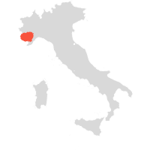

SHUTTERSTOCK
Ate it? Rate it
Wanna try?
Add to list
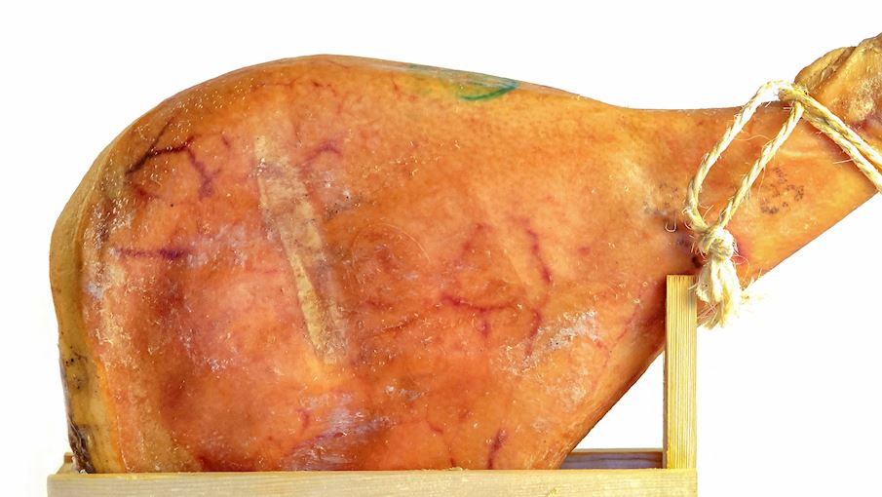 Italy has a long tradition of producing hams of exceptional quality, particularly in the north, which is where this prosciutto comes from. Crudo di Cuneo is produced in the provinces of Cuneo, Asti and Turin, located in Piedmont, a region of Italy settled at the foot of the Alps, bordering France and Switzerland.

The regulations impose that only fresh pork legs are used, from Large White, Landrace and Duroc breed of pigs born, raised and slaughtered in the designated region, and fed largely with locally produced cereals. A very meticulous method of curing and drying this variety of prosciutto takes at least 10 months, and the aging doesn't affect the vitamin content of the meat.

When sliced, this prosciutto has a uniformly red lean meat and white fat. Crudo di Cuneo is prized for its high protein content of about 25 to 27% and has a fragrant aroma and a slightly sweet taste. To enhance its unique flavor, Crudo di Cuneo if often served with chestnut and acacia honey.
MORE ABOUT CRUDO DI CUNEO
SIMILAR PROSCIUTTI, JAMONES, JAMBONS
Prosciutto di Modena Prosciutto di Parma Prosciutto Amatricano Prosciutto di Norcia Kraški pršut Prosciutto Toscano Prosciutto Veneto Berico-Euganeo Prosciutto di Carpegna Prosciutto di San Daniele Prosciutto di Sauris Istarski pršut Dalmatinski pršut Krčki pršut Drniški pršut Dehesa de Extremadura Jambon Sec des Ardennes Prekmurska Šunka Presunto de Barrancos Presunto de Campo Maior e Elvas Presunto de Barroso
68
CURED MEAT
Porcaloca

FRIULI-VENEZIA GIULIA, ITALY
n/a(3)

Ate it? Rate it
Wanna try?
Add to list
 Porcaloca is a variety of cured meat from the Italian region of Friuli Venezia Giulia, produced around the cities of Chiopris Viscone, Aiello del Friuli, and Palmanova. Made with a whole de-boned goose filled with salted lean pork, porcaloca is first slowly baked in the oven, then lightly smoked, which results in a delicate, savory-sweet flavor similar to prosciutto cotto.

Once opened, the sliced porcaloca shows compact texture, brightly red in color, with visible separation between goose meat and pork. It is best enjoyed thinly sliced, served with hearty, high-quality bread.
MORE ABOUT PORCALOCA
SIMILAR CURED MEATS
Jerky Kayserovan vrat Trakiya Guanciale Role Trapezitsa Lapin Poron Kylmäsavuliha Pancetta Piacentina Coppa Piacentina Bresaola della Valtellina Šebreljski želodec Kraški Zašínk Afyon Pastırması Capocollo di Calabria Coppa di Parma Coppa de Corse Lonzo de Corse Violino di Capra Cecina de León Prleška Tünka Zgornjesavinjski želodec Botillo del Bierzo
67
CURED MEAT
Lapin Poron Liha

LAPLAND, FINLAND
n/a(1)

SHUTTERSTOCK
Ate it? Rate it
Wanna try?
Add to list
 Lapin Poron liha is a meat coming from the reindeer calves which are less than one year old and adult reindeer that graze freely in Finland's reindeer husbandry area. The harsh climate and diverse seasons combined with highly nutritious summer feed make the reindeer meat a unique product.

This meat is tender, dark and very rich in vitamins and minerals. It has a very low amount of fats, but those are as healthy as fish fats due to a very high content of fatty acids. The difference between calf meat and adult reindeer meat is in fat and energy content that is greater in the latter group.

Lapin Poron liha is a delicious meat, mostly served smoked, in fillets, prepared in the oven or grilled.
MORE ABOUT LAPIN PORON LIHA
SIMILAR CURED MEATS
Lapin Poron Kylmäsavuliha Lapin Poron kuivaliha Jerky Kayserovan vrat Trakiya Fenalår fra Norge Rullepølse Guanciale Role Trapezitsa Pancetta Piacentina Bresaola della Valtellina Šebreljski želodec Kraški Zašínk Afyon Pastırması Coppa de Corse Lonzo de Corse Pastarma Govezhda Cecina de León Prleška Tünka Zgornjesavinjski želodec Botillo del Bierzo
66
CURED MEAT
Brési

CANTON OF JURA, SWITZERLAND
n/a(0)

Ate it? Rate it
Wanna try?
Add to list
 Brési is salted, dried, and smoked lean cut of beef produced in Jura in Switzerland and Doubs in France. The meat is cured in salt, onions, thyme, and bay leaves before it's smoked over juniper, pine, and spruce bark. Because of the slow process of drying the meat, it stays tender.

This cured meat product is served thinly sliced as a part of the charcuterie platter, an appetizer, or a side dish accompanying fondues. The name brési is derived from the meat's vibrant red color that's reminiscent of brazilwood, an exotic Asian timber.

Brési was first made around the 15th century.
MORE ABOUT BRÉSI
SERVE WITH
Fondue
SIMILAR CURED MEATS
Visočka pečenica Zlatiborska pršuta Coppa de Corse Lonzo de Corse Walliser rohschinken Suho meso Bresaola della Valtellina Afyon Pastırması Coppiette Skerpikjøt Pastarma Govezhda Cecina de León Thịt trâu gác bếp Smithfield Ham Jambon de l'Ardéche Jambon Sec des Ardennes Jambon de Lacaune Jambon de Vendée Jambon d'Auvergne Jambon de Bayonne
65
CURED MEAT
Afyon Pastırması

AFYONKARAHISAR PROVINCE, TURKEY
4.2(32)


SHUTTERSTOCK
Ate it? Rate it
Wanna try?
Add to list
 Traditionally produced in the Aegean province of Afyonkarahisar, Pastırması is a Halāl certified cured meat product of Anatolian origin. Also known as pastirma, pastourma, bastirma, basterma or basturma (Turkish for 'pressed meat'), the heavily seasoned, spice-coated beef is one of the essential ingredients of Ottoman cuisine.

In fact, in Turkey alone there are more than twenty different varieties of pastırma. Afyon Pastırması is prepared by salting the beef, then washing it with water and letting it dry. After about two weeks, the blood and excess salt are pressed out of the meat which is, prior to thorough air-drying, thickly coated with çemen, a red spice paste made with garlic, fenugreek, cumin and hot paprika.

Afyon Pastırması is usually served with eggs for breakfast or enjoyed as mezze, thinly sliced and washed down with rakı, an unsweetened, anise-flavored Turkish liqueur.
MORE ABOUT AFYON PASTIRMASI
SIMILAR CURED MEATS
Bresaola della Valtellina Cecina de León Pastarma Govezhda Jerky Role Trapezitsa Lapin Poron Kylmäsavuliha Pancetta Piacentina Šebreljski želodec Kraški Zašínk Pancetta (Basilicata) Pancetta (Liguria) Lonzo de Corse Zgornjesavinjski želodec Lacón Gallego Carmarthen Ham Ammerländer Schinken Prosciutto di Parma Prosciutto di Norcia Kraški pršut Prekmurska Šunka
64
PROSCIUTTO, JAMON, JAMBON
Salaisons Fumées - Marque Nationale Grand-Duché de Luxembourg

LUXEMBOURG, EUROPE
n/a(2)


SHUTTERSTOCK
Ate it? Rate it
Wanna try?
Add to list
 Salaisons Fumées - Marque Nationale Grand-Duché de Luxembourg are hams made with legs of pork which must carry the national protected Luxembourg brand name for pork or the equivalent foreign designation. The ham has a distinctive flavor owed to the long curing time of at least 10 months and the smoking process, which is typical for Luxembourg hams.

The hams are thoroughly examined before being placed on the market and branded with a special stamp. Although this product is made throughout the whole year, the production usually takes place during the autumn and winter months. These hams are made in a traditional way by approximately 20 butchers or sausage makers.

Salaisons Fumées are sold as whole and usually enjoyed as a tasty snack, eaten with bread or used as an ingredient in many recipes.
MORE ABOUT SALAISONS FUMÉES - MARQUE NATIONALE GRAND-DUCHÉ DE LUXEMBOURG
SIMILAR PROSCIUTTI, JAMONES, JAMBONS
Jambon de Vendée Presunto do Alentejo Presunto de Vinhais Prekmurska Šunka Presunto de Melgaço Presunto de Barrancos Presunto de Campo Maior e Elvas Presunto de Santana da Serra Presunto de Barroso Istarski pršut Dalmatinski pršut Krčki pršut Drniški pršut Prosciutto di Modena Prosciutto Amatricano Prosciutto di Norcia Prosciutto Toscano Prosciutto di Carpegna Prosciutto di San Daniele Prosciutto di Sauris
63
PROSCIUTTO, JAMON, JAMBON
Elenski But

ELENA, BULGARIA
n/a(25)

Ate it? Rate it
Wanna try?
Add to list
 Elenski but is a traditional Bulgarian dry-cured meat product hailing from the Bulgarian town of Elena and nearby villages. This specialty is made with fresh pork leg that is cut, salted, and then cured over a bed of salt and bacon in a wooden cask that is typically made of oak.

Once the curing process is finished, the pork leg is first rinsed with boiling water and sauerkraut juice, and it is then air-dried for at least 6 months. The finished meat product is usually consumed raw or lightly baked, and it makes for a perfect meze when served with a glass of Bulgarian red wine or beer on the side.

Elenski but is still traditionally prepared in numerous households in Elena, although the practice is less common these days. This cured pork specialty is available in almost every restaurant in Elena. In the past, when no refrigerators existed, people used to bury elenski but in bran, wheat, or corn flour to keep it from spoiling.
MORE ABOUT ELENSKI BUT
SIMILAR PROSCIUTTI, JAMONES, JAMBONS
Presunto Dehesa de Extremadura Jambon Sec des Ardennes Prosciutto di Modena Prosciutto di Parma Prosciutto Amatricano Prosciutto di Norcia Presunto de Vinhais Kraški pršut Prosciutto Toscano Prosciutto Veneto Berico-Euganeo Prekmurska Šunka Prosciutto di Carpegna Prosciutto di San Daniele Prosciutto di Sauris Presunto de Melgaço Presunto de Barrancos Presunto de Campo Maior e Elvas Presunto de Santana da Serra Presunto de Barroso
62
CURED HAM
Holsteiner Katenschinken

SCHLESWIG-HOLSTEIN, GERMANY
4.1(7)


SHUTTERSTOCK
Ate it? Rate it
Wanna try?
Add to list
 This North German ham is a specialty of the Schleswig-Holstein region. To produce this cured ham, pork meat is smoked for up to eight weeks over an open fire. With the introduction of closed fireplaces, the smoking process shifted to special smoking chambers or barns.

The aroma of Katenschinken is strong and intense, however its consistency is very delicate and its flavor is mild. The ham has a mahogany-colored appearance, and it should not be black, sooty, or brown. The original, mildly flavored Holstein ham is suitable for making sandwiches, bread rolls, and other various appetizers.

In addition, it is popular as an addition to boiled potatoes and many vegetable dishes, especially asparagus. The ham is often seasoned with freshly ground white pepper and fresh parsley to enhance its flavor. Holsteiner Katenschinken is typically paired with draft beer or a dry white wine, preferably from the same region.
MORE ABOUT HOLSTEINER KATENSCHINKEN
SIMILAR CURED HAMS
Westfälischer Knochenschinken Salaisons Fumées - Marque Nationale Grand-Duché de Luxembourg Jambon de Vendée Presunto do Alentejo Presunto de Vinhais Prekmurska Šunka Presunto de Melgaço Presunto de Barrancos Presunto de Campo Maior e Elvas Presunto de Santana da Serra Presunto de Barroso Ammerländer Dielenrauchschinken Schwarzwälder Schinken Ammerländer Schinken Lacón Gallego Carmarthen Ham Istarski pršut Dalmatinski pršut Krčki pršut Drniški pršut
61
PROSCIUTTO, JAMON, JAMBON
Prosciutto Veneto Berico-Euganeo

VENETO, ITALY
n/a(7)


SHUTTERSTOCK
Ate it? Rate it
Wanna try?
Add to list
 This prosciutto originates from the provinces of Padova, Vicenza and Verona in the Veneto region, where techniques for preserving and processing pork were known and widespread as far back as Pre-Roman times. It is mainly produced in the Po valley and at the foothills of the Berici and Euganean Hills.

As a result of a refined and strict processing technique, Prosciutto Veneto Berico-Euganeo attains its elegant, lively and rich, full-bodied taste. Its delicate aroma and tenderness make it perfect for cookery, but it is more typically served as an appetizer, especially with Pan Biscotto, a type of crisp bread from the Veneto region.
MORE ABOUT PROSCIUTTO VENETO BERICO-EUGANEO
PAIR WITH
Lison
SIMILAR PROSCIUTTI, JAMONES, JAMBONS
Prosciutto di Modena Prosciutto di Parma Prosciutto Amatricano Prosciutto di Norcia Kraški pršut Prosciutto Toscano Prosciutto di Carpegna Prosciutto di San Daniele Prosciutto di Sauris Crudo di Cuneo Istarski pršut Dalmatinski pršut Krčki pršut Drniški pršut Dehesa de Extremadura Jambon Sec des Ardennes Prekmurska Šunka Presunto de Barrancos Presunto de Campo Maior e Elvas Presunto de Barroso
60
PROSCIUTTO, JAMON, JAMBON
Jambon sec de Corse

CORSICA, FRANCE
n/a(1)


SHUTTERSTOCK
Ate it? Rate it
Wanna try?
Add to list
 Jambon sec de Corse is a salted, dry-cured and matured ham made from the meat of the local Nustrale breed of pork, coming from the French island of Corsica, where the soil and climate favorably influence the taste of the meat.

The animals feed mostly on local chestnuts and acorns for at least the first 30 days, after which the diet is supplemented with barley. Jambon sec de Corse is matured for at least 12 months, acquiring its unique texture and flavors. When sliced, the ham is lean and red to deep red, well marbled with intramuscular fat.

The flavors range from rich and fruity to woody and nutty with hints of mushroom. Due to its high fat content, it is almost sweet, but also salty and peppery. Pair it with green olives, melon or figs.
MORE ABOUT JAMBON SEC DE CORSE
SIMILAR PROSCIUTTI, JAMONES, JAMBONS
Jambon de l'Ardéche Jambon Sec des Ardennes Jambon de Lacaune Jambon de Vendée Dehesa de Extremadura Prosciutto di Modena Prosciutto di Parma Prosciutto Amatricano Prosciutto di Norcia Kraški pršut Prosciutto Toscano Prosciutto Veneto Berico-Euganeo Prekmurska Šunka Prosciutto di Carpegna Prosciutto di San Daniele Prosciutto di Sauris Presunto de Melgaço Presunto de Barrancos Presunto de Campo Maior e Elvas Presunto de Barroso
59
PROSCIUTTO, JAMON, JAMBON
Kraški pršut

SEŽANA, SLOVENIA
n/a(15)


SHUTTERSTOCK
Ate it? Rate it
Wanna try?
Add to list
 The gold standard of Slovenian cured meats - Kraški pršut, also known as Karst prosciutto or simply Karst ham, is a non-smoked, dry-cured ham with more than a hundred years old tradition. Its truly authentic flavor is the result of favorable climate conditions in the Karst region, which have a direct influence on the dynamic of drying and aging.

Regardless of today's technological innovations, the manufacturers of this prized ham have retained the traditional methods of production. Rich in vitamins and minerals, this extremely nutritional dry-cured ham also has an even higher protein content than the one found in cooked meat. READ MORE
MORE ABOUT KRAŠKI PRŠUT
PAIR WITH
Cviček
SIMILAR PROSCIUTTI, JAMONES, JAMBONS
Prosciutto di Modena Prosciutto di Parma Prosciutto Amatricano Prosciutto di Norcia Prosciutto Toscano Prosciutto Veneto Berico-Euganeo Prosciutto di Carpegna Prosciutto di San Daniele Prosciutto di Sauris Istarski pršut Dalmatinski pršut Krčki pršut Drniški pršut Dehesa de Extremadura Jambon Sec des Ardennes Prekmurska Šunka Presunto de Melgaço Presunto de Barrancos Presunto de Campo Maior e Elvas Presunto de Barroso
58
PROSCIUTTO, JAMON, JAMBON
Prosciutto di Sauris

SAURIS DI SOPRA, ITALY
n/a(6)


SHUTTERSTOCK
Ate it? Rate it
Wanna try?
Add to list
 This variety of prosciutto comes from the small northern Italian village of Sauris di Sotto, settled in the region of Friuli-Venezia Giulia. All Sauris hams must come from the Large White, Landrace and Duroc pig breeds. Unlike other Italian hams, Prosciutto Toscano is cured by both salt and smoke, which is a common practice in sub-Alpine Italy due to the influence of Germanic traditions.

The hams are smoked for about five days over a combination of woods including birchwood, silver fir, chestnut, beech, and maple, and also herbs like rosemary, sage, thyme, and juniper. This gives their rind a kind of a golden to orange color. After the smoking, Tuscan hams are salted and left to mature.

When cut, the color is bright red, with the fat varying from white to pinkish-white. The scent is delicate and the taste is sweet, less salty, with a pleasant hint of smoke. Traditionally, Sauris ham is served as an appetizer and paired with light, white wines.
MORE ABOUT PROSCIUTTO DI SAURIS
SIMILAR PROSCIUTTI, JAMONES, JAMBONS
Prosciutto di Parma Prosciutto di Carpegna Prosciutto di Modena Prosciutto Amatricano Prosciutto di Norcia Kraški pršut Prosciutto Toscano Prosciutto Veneto Berico-Euganeo Prosciutto di San Daniele Crudo di Cuneo Istarski pršut Dalmatinski pršut Krčki pršut Drniški pršut Dehesa de Extremadura Jambon Sec des Ardennes Prekmurska Šunka Presunto de Barrancos Presunto de Campo Maior e Elvas Presunto de Barroso
57
PROSCIUTTO, JAMON, JAMBON
Jambon d'Ardenne

WALLONIA, BELGIUM
n/a(5)


MATIJA BABIĆ
Ate it? Rate it
Wanna try?
Add to list
 Ardennes ham is a cured meat product made in the Wallonian provinces of Luxembourg, Liege and Namur. For the perfect Jambon d'Ardenne each ham is first dry-salted and then immersed into brine to soak in the flavors of a traditional mix of spices such as thyme, laurel, juniper berries and cloves.

After the salting, the hams are slow smoked over beech or oak sawdust, which gives this Belgian delicacy its characteristic bouquet. Enjoyed throughout Belgium, this ham is marketed in a variety of cuts: Jambon d'Ardenne refers to a whole bone-in ham; a highly prized boneless center cut is called Fleur or Coeur d'Ardenne, and there's also Noix de Jambon d'Ardenne, which is actually the smallest muscle of the ham and its leanest cut.

Ardennes ham is usually served alongside raw vegetables and fruits but it is also an essential ingredient in the preparation of traditional Belgian omelettes and pancakes.
MORE ABOUT JAMBON D'ARDENNE
PAIR WITH
Fronsac Juliénas Rosé des Riceys
SIMILAR PROSCIUTTI, JAMONES, JAMBONS
Dehesa de Extremadura Jambon Sec des Ardennes Prosciutto di Modena Prosciutto di Parma Prosciutto Amatricano Prosciutto di Norcia Presunto do Alentejo Presunto de Vinhais Kraški pršut Prosciutto Toscano Prosciutto Veneto Berico-Euganeo Prekmurska Šunka Prosciutto di Carpegna Prosciutto di San Daniele Prosciutto di Sauris Presunto de Melgaço Presunto de Barrancos Presunto de Campo Maior e Elvas Presunto de Santana da Serra Presunto de Barroso
56
PROSCIUTTO, JAMON, JAMBON
Jamón de Teruel

PROVINCE OF TERUEL, SPAIN
n/a(7)


SHUTTERSTOCK
Ate it? Rate it
Wanna try?
Add to list
 Jamón de Teruel and Paleta de Teruel are the cured hams and shoulders made of pigs meat from the Duroc, Landrace and the Large White breeds, in the province of Teruel. These hams are usually covered in mold on the outside when the process of aging and curing is finished.

They are then cleaned and lightly coated with oil. When cut, these hams and shoulders are red and shiny due to the high fat content, which also gives it juiciness and a smooth texture. The taste is very aromatic with complex nutty and woody aromas and sweet undertones that complement the savory flavors.

These hams and shoulders are not very salty which brings out their subtle, delicate flavors. The whole process of preparation and production of these hams and shoulders takes more than sixty weeks to complete.
MORE ABOUT JAMÓN DE TERUEL
SIMILAR PROSCIUTTI, JAMONES, JAMBONS
Jamón Serrano Dehesa de Extremadura Los Pedroches Jabugo Jamón de Serón Jamón de Trevélez Prosciutto di Modena Prosciutto di Parma Prosciutto Amatricano Prosciutto di Norcia Kraški pršut Prosciutto Toscano Istarski pršut Prekmurska Šunka Krčki pršut Drniški pršut Prosciutto di Carpegna Prosciutto di San Daniele Prosciutto di Sauris Presunto de Barrancos
55
PROSCIUTTO, JAMON, JAMBON
Jambon Sec des Ardennes

ARDENNES, FRANCE
n/a(2)


SHUTTERSTOCK
Ate it? Rate it
Wanna try?
Add to list
 Jambon sec des Ardennes and Noix de Jambon sec des Ardennes are pig's meat hams that are dried and rubbed with salt containing special flavorings, spices (including juniper berries) and sugar, produced in the French region of Ardennes.

The fat in the hams is white and its texture is firm, with a nice, pleasant smell. The hams are dry at the end of the production process, but not hard to the touch or bloated. They are usually sold whole, halved or sliced, with their fruity aroma and dried meat, melon fruit and salty flavor developed fully.

As they are springy, yet firm in texture, the hams are easily sliceable, juicy and tender, with a melt-in-the-mouth quality. Slice it thinly and put it in sandwiches or pair it with a nice cheese platter.
MORE ABOUT JAMBON SEC DES ARDENNES
SIMILAR PROSCIUTTI, JAMONES, JAMBONS
Jambon de l'Ardéche Jambon de Lacaune Jambon de Vendée Jambon sec de Corse Dehesa de Extremadura Prosciutto di Modena Prosciutto di Parma Prosciutto Amatricano Prosciutto di Norcia Kraški pršut Prosciutto Toscano Prosciutto Veneto Berico-Euganeo Prekmurska Šunka Prosciutto di Carpegna Prosciutto di San Daniele Prosciutto di Sauris Presunto de Melgaço Presunto de Barrancos Presunto de Campo Maior e Elvas Presunto de Barroso
54
PROSCIUTTO, JAMON, JAMBON
Jambon d'Auvergne

AUVERGNE, FRANCE
n/a(5)


SHUTTERSTOCK
Ate it? Rate it
Wanna try?
Add to list
 Jambon d'Auvergne is a dried pork ham made from the hind leg, produced in the French region of Auvergne (departments of Cantal, Haute-Loire, Lot, Corréze and Puy-de-Dôme). The ham is dried, salted and matured for at least eight months and it is never smoked.

The weight of the ham with the bone still in must be at least six kilograms. The pigs feed on cereals and oilseed, giving the ham a soft, dry texture and an intense, unique flavor of dried pork, hazelnuts and hints of garlic that linger in the mouth.

Garlic is mixed in the salt and makes the preservation of the ham better while helping the specific flavors develop on the inside of the ham. Once sliced, the ham is lean and red to dark red, with very little yellow or pink fat coverage. Consume the tasty, thin slices with hard cheeses or olives.
MORE ABOUT JAMBON D'AUVERGNE
SIMILAR PROSCIUTTI, JAMONES, JAMBONS
Jambon de l'Ardéche Jambon Sec des Ardennes Jambon de Lacaune Jambon de Vendée Jambon sec de Corse Jambon de Bayonne Prosciutto di Modena Prosciutto di Parma Prosciutto Amatricano Prosciutto di Norcia Kraški pršut Prosciutto Toscano Istarski pršut Dalmatinski pršut Prekmurska Šunka Krčki pršut Drniški pršut Prosciutto di Carpegna Prosciutto di San Daniele Prosciutto di Sauris
53
PROSCIUTTO, JAMON, JAMBON
Jamón ibérico de cebo de campo

SPAIN, EUROPE
n/a(6)


SHUTTERSTOCK
Ate it? Rate it
Wanna try?
Add to list
 Jamón ibérico de cebo de campo is a variety of Iberian dry-cured and aged ham. It is made with the meat of free-range, black Iberian pigs that are either 75% or 50% pure Iberian breed. What distinguishes this variety of ham from the Iberian bellota variety is the pigs’ diet, which (apart from acorns) includes commercial feed.

The ham has a green label to distinguish it from the other Iberian ham varieties. This Iberian ham variety, along with the other grain-fed variety known as cebo, is generally sold for half the price of the acorn-fed or bellota ham variety.
MORE ABOUT JAMÓN IBÉRICO DE CEBO DE CAMPO
SIMILAR PROSCIUTTI, JAMONES, JAMBONS
Jamón ibérico de cebo Jamón ibérico de bellota Jamón 100% ibérico de bellota Jamón Serrano Dehesa de Extremadura Los Pedroches Jamón de Teruel Jabugo Jamón de Serón Jamón de Trevélez Presunto de Melgaço Presunto de Barrancos Presunto de Barroso Posedarski pršut Zlatiborska pršuta Prosciutto crudo Saint Marcel Užička pršuta Jambon Sec des Ardennes Crudo di Cuneo Jambon de Bayonne
52
PROSCIUTTO, JAMON, JAMBON
Jambon de Vendée

VENDÉE, FRANCE
n/a(1)


SHUTTERSTOCK
Ate it? Rate it
Wanna try?
Add to list
 Jambon de Vendée is a smoked, cured and boneless ham made from pig's meat in the French region of Vendée. The pigs used to get the final product are reared in the open air where they roam freely. The ham is hand rubbed with natural sea salt, a specific blend of herbs and spices (cinnamon, pepper, thyme and bay leaves) and brandy.

It is left to mature slowly, over the course of three months, wrapped in cloths and pressed between two wooden boards, when it develops its characteristic brown rind and rich, sweet, meaty flavors. After the drying, the smoking the ham is optional.

It can be eaten thinly sliced and paired with melons or figs, or grilled in thicker slices. On French menus, it appears in a salad with pears and accompanying puff-pastry with figs and a melon sorbet. When cooked, it is traditionally served with local white haricot beans known as mogettes.
MORE ABOUT JAMBON DE VENDÉE
SIMILAR PROSCIUTTI, JAMONES, JAMBONS
Presunto do Alentejo Presunto de Vinhais Prekmurska Šunka Presunto de Melgaço Presunto de Barrancos Presunto de Campo Maior e Elvas Presunto de Santana da Serra Presunto de Barroso Jambon de l'Ardéche Jambon Sec des Ardennes Jambon de Lacaune Jambon sec de Corse Dehesa de Extremadura Prosciutto di Modena Prosciutto Amatricano Prosciutto di Norcia Prosciutto Toscano Prosciutto di Carpegna Prosciutto di San Daniele Prosciutto di Sauris
51
PROSCIUTTO, JAMON, JAMBON
Jamón de Trevélez

TREVÉLEZ, SPAIN
n/a(7)


SHUTTERSTOCK
Ate it? Rate it
Wanna try?
Add to list
 Jamón de Trevélez is a cured ham produced in the southeast of the province of Granada. This famous ham has been manufactured in the region of Granada for more than two hundred years and has been recognized for its exceptional quality and characteristics.

The meat that is used for this ham comes from pigs of the Landrace, Large White and Duroc–Jersey breeds. The climate and environment in which this ham is produced make it different from hams produced elsewhere. Because this region has very cold winters and cool summers, it is possible to cure and dry the meat for extended periods of time without using any preservatives and additives. READ MORE
MORE ABOUT JAMÓN DE TREVÉLEZ
SIMILAR PROSCIUTTI, JAMONES, JAMBONS
Jamón Serrano Dehesa de Extremadura Los Pedroches Jamón de Teruel Jabugo Jamón de Serón Prosciutto di Modena Pros

