Converter_Specifications
Converter specifications
Description | Value |  | Warning !!
Nominal input voltage | 48 V |  | There is no soft charging feature for the input capacitors
Nominal output voltage | 12 V
Nominal output current | 40 A
Absolute maximum input voltage | 55 V
Absolute maximum output voltage | 25 V
Switching frequency | 100 kHz
Output voltage ripple | < 250 mV (@ the nominal operating point)
Absolute minimum input voltage | 20 V

Converter operation and description of main functionalities at nominal conditions. |  |  |  | The converter operating and protection limits can be configured with the following parameters
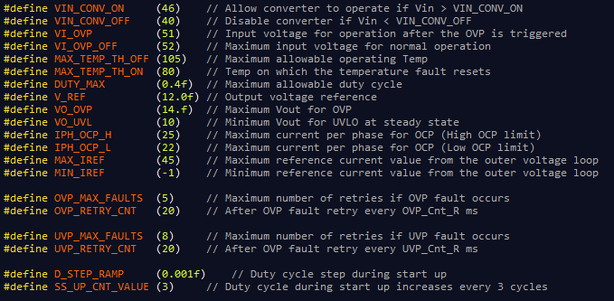
The converter will start the normal operation when the input voltage during power up is > 46 V. The start up procedure will finish in 20 ms.
The converter will shutdown when the input voltage is < 40 V. The converter will start operating again if the input voltage is > 46 V.
The converter will shutdown if the input voltage is > 52 V. The converter will start operating again if the input voltage is < 51 V.
The converter will shutdown if the maximum voltage measured on the power stage is > 105 °C. The converter will start operating again if the maximum temperature is < 80 °C
The nominal output voltage of the converter is 12 V and the closed loop ensures the regulation of the output voltage +- 1%.
If the output voltage is > 14 V the converter shuts down. Then after 20 ms retries to start up. If there are 5 overvoltage protection events then the fault latches.
If the output voltage is < 10 V during steady state the converter shuts down. Then after 20 ms retries to start up. If there are 8 undervoltage protection events then the fault latches.
For the overcurrent protection two limits are used. The low or soft limit and the high or hard limit.
For the low limit, if the current measurement of any phase is greater than 22 A for 15 consecutive sampling cycles (fs = 50 kHz, every second switching cycle) then the converter shuts down.
For the high limit, if the current measurement of any phase is greater than 25 A for 2 consecutive sampling cycles (fs = 50 kHz, every second switching cycle) then the converter shuts down.
If a fault condition is triggered then the converter will enter into a latch fault condition.
In order to restart the converter and clear the fault the input voltage should be < 40 V.

The above operating and protection limits can be configured by adjusting accordingly the definitions as shown on the figure.
Consider any hardware limitations applied before any change.

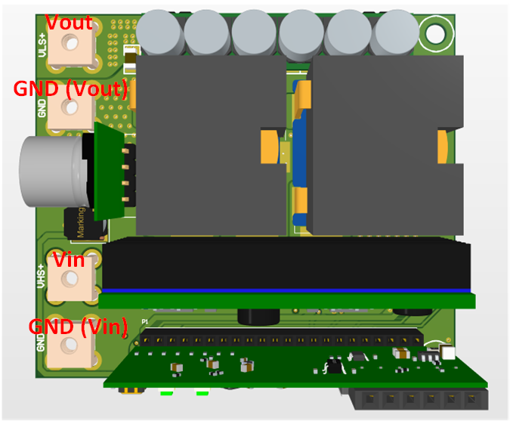
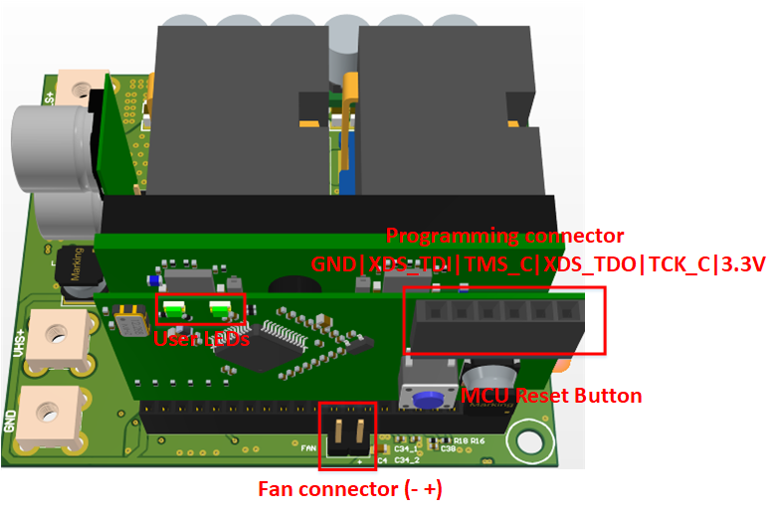

 |  |  |  |  | Converter Physical Dimensions
 |  |  |  |  | Length | 68 | mm
 |  |  |  |  | Width | 60 | mm
 |  |  |  |  | Height | 27 | mm
 |  |  |  |  | Volume | 6.722375639 | in^3
 |  |  |  |  | Power density | 71.403329087 | W/in^3

User LEDs operation
Converter State | LED operation
 | Green LED | Red LED
Normal operation | ON | OFF
Vin Overvoltage protection | Blink: 0.5 sec ON, 0.5 sec OFF, 0.5 sec ON.. | OFF
Vin Undervoltage protection | Blink: 1 sec ON, 1 sec OFF, 1 sec ON.. | OFF
Vout Undervoltage protection | OFF | Blink: 1 sec ON, 1 sec OFF, 1 sec ON..
Vout Overvoltage protection | OFF | Blink: 0.5 sec ON, 0.5 sec OFF, 0.5 sec ON..
Overcurrent protection | Blink: 0.5 sec ON, 0.5 sec OFF, 0.5 sec ON.. | Blink: 0.5 sec ON, 0.5 sec OFF, 0.5 sec ON..
Over temperature protection | OFF | ON

PowerSupplies
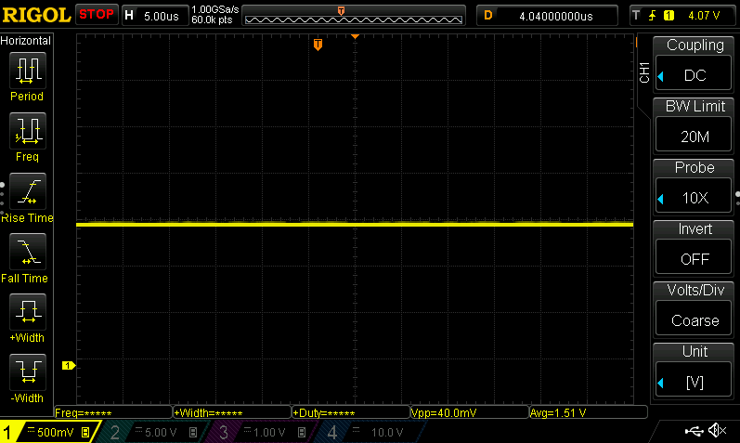
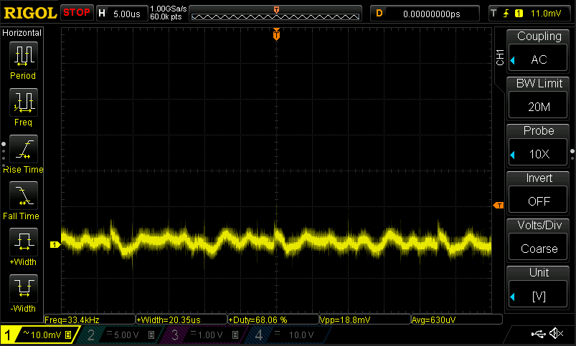
For all the tests the nominal voltage of 48 V is applied at the the input of the converter.

Auxiliary 48 V to 5 V rail
DC coupled | AC coupled
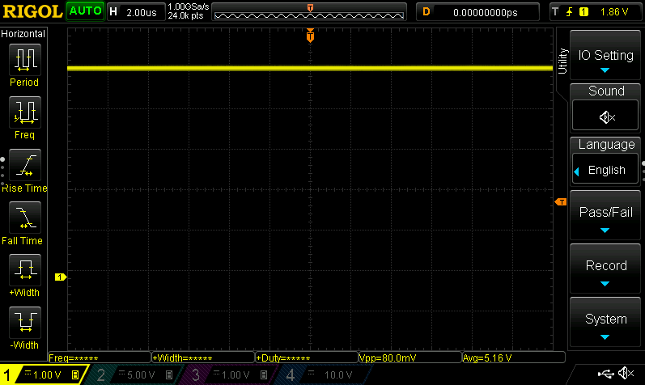
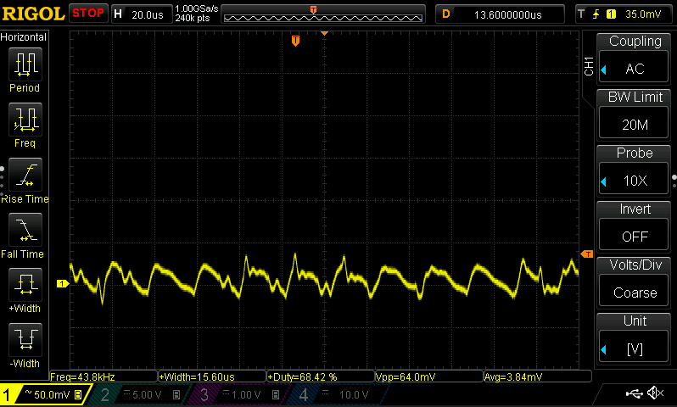

3.3 V rail
DC coupled | AC coupled
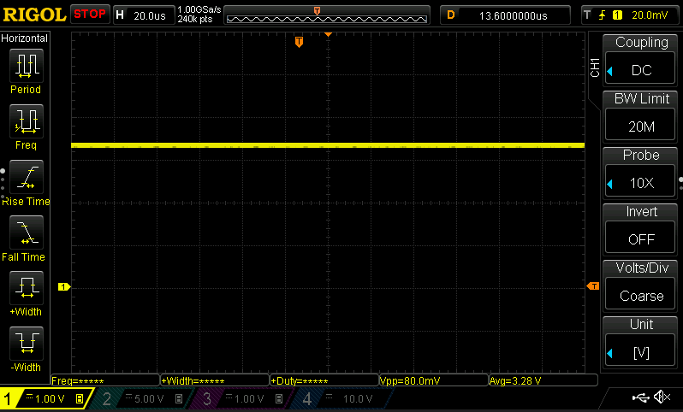
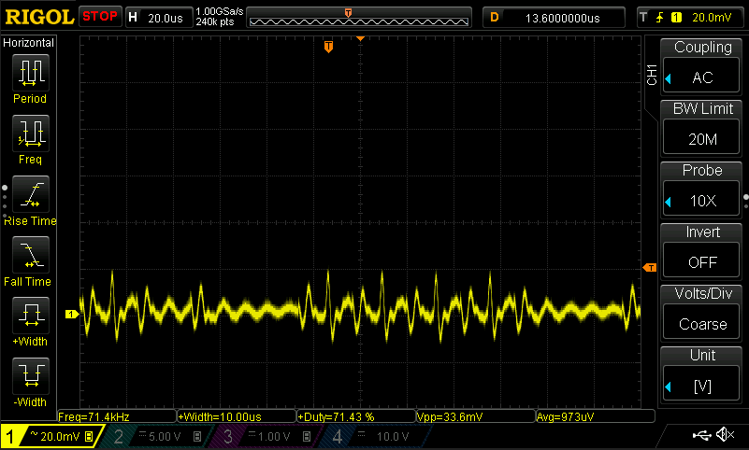

3 V ADC reference
DC coupling | AC coupling
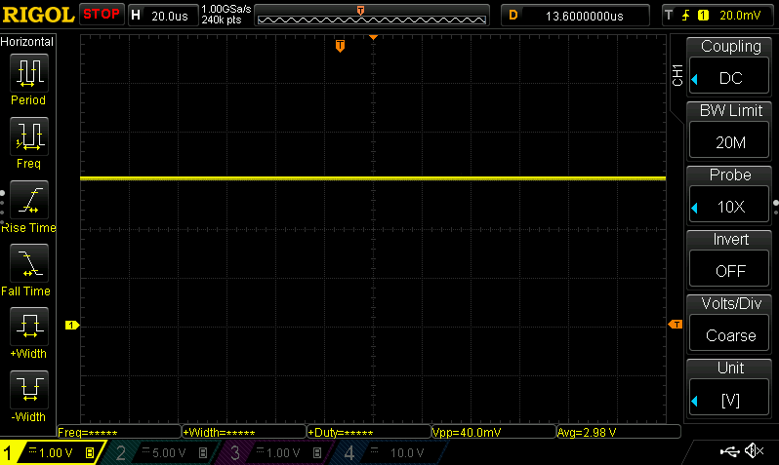
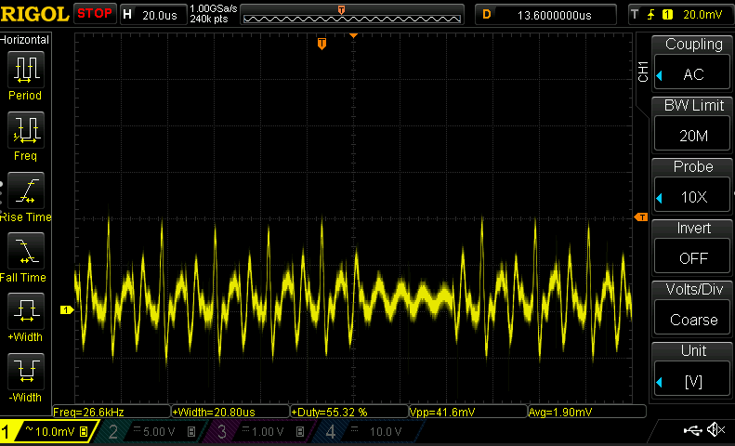

12 V rail (measured at the input of the gate driver)
DC coupling | AC coupling
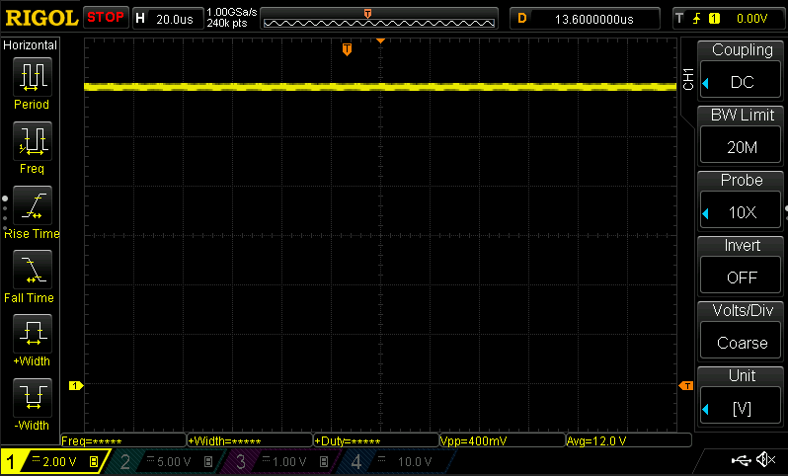
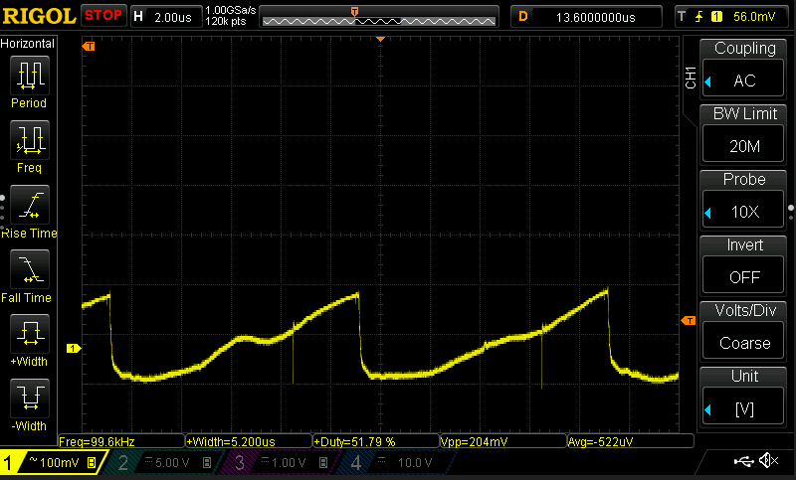

Bootstrap capacitor voltage 1
DC coupling | AC coupling
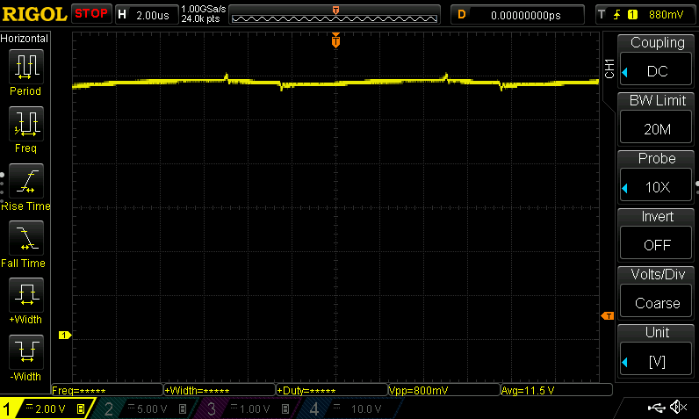
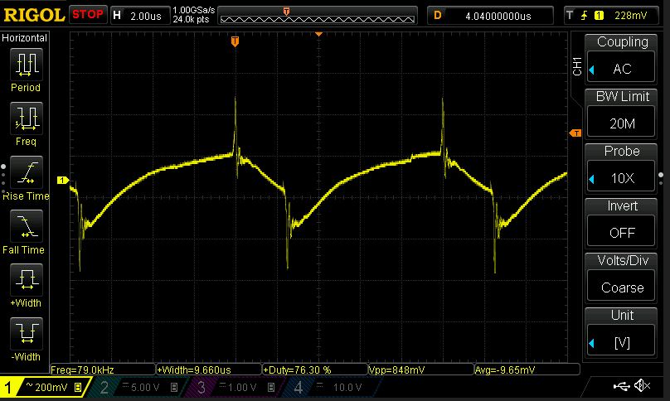

Bootstrap capacitor voltage 2
DC coupling | AC coupling
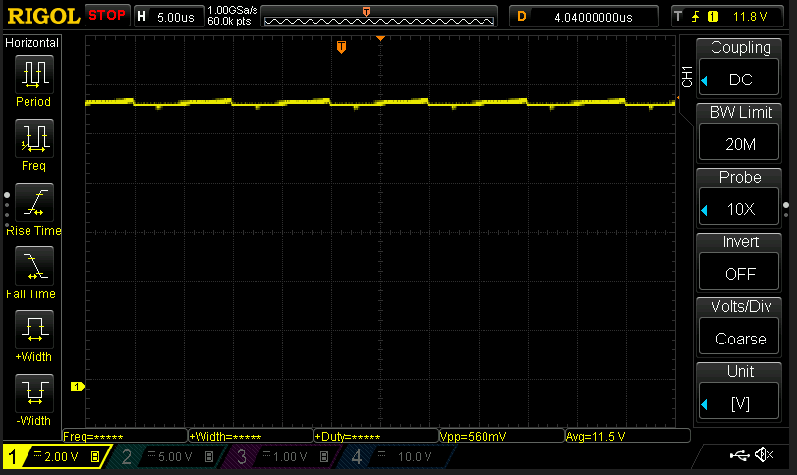
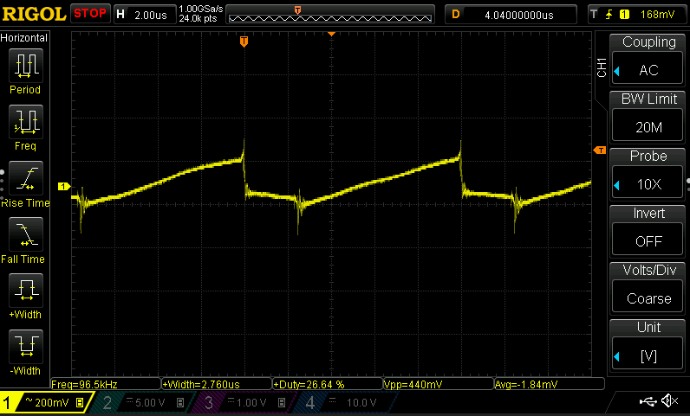

1,5 V voltage reference
DC coupling | AC coupling

Converter_SteadyState
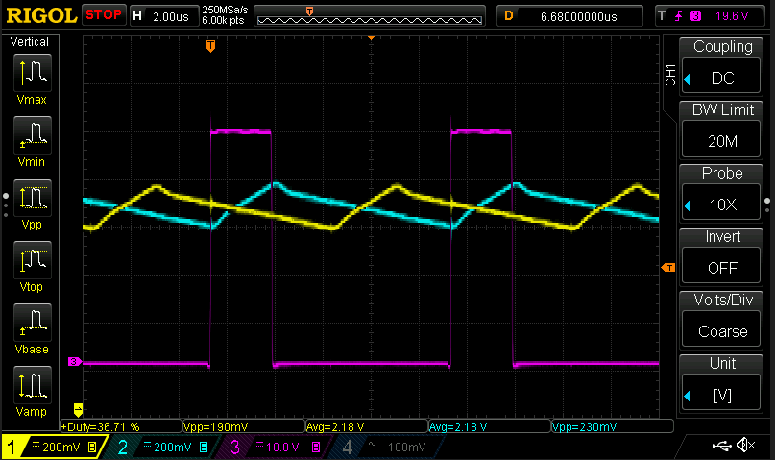
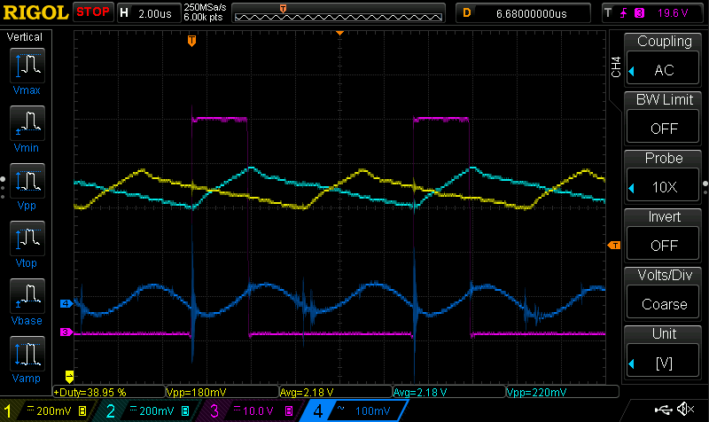
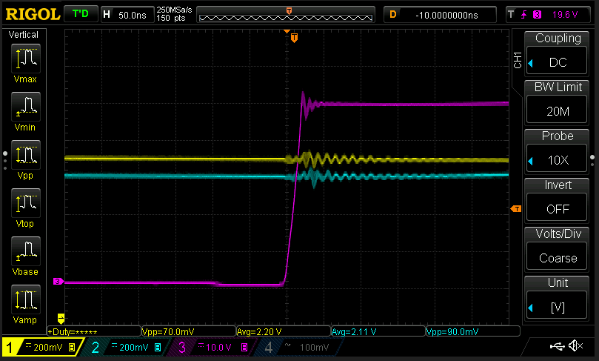
Wavefroms
Current phase 1 | Yellow
Current phase 2 | Cyan
Switching Node 2 | Magenta
Output voltage | Blue

Load 0 A
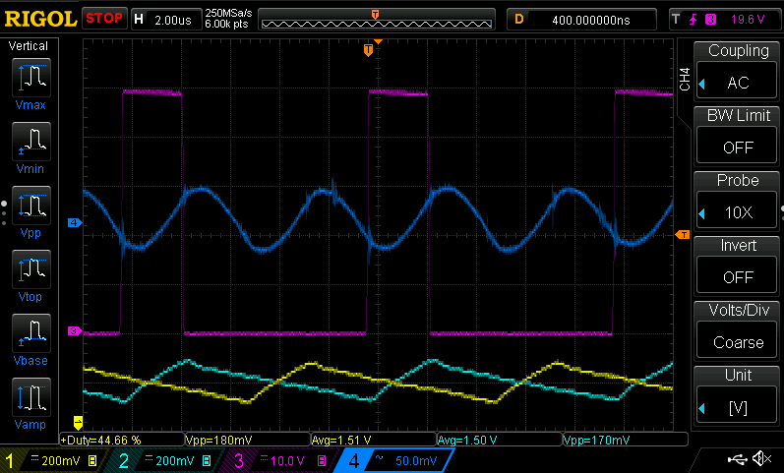

Load 10 A
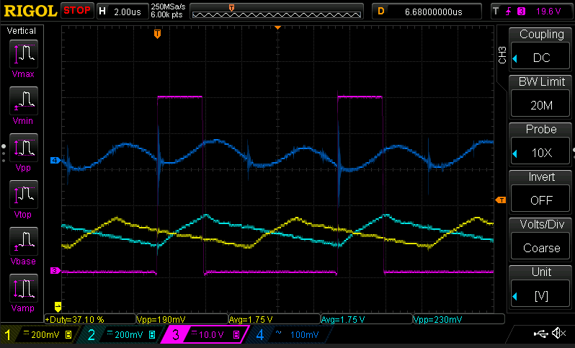

Load 20 A
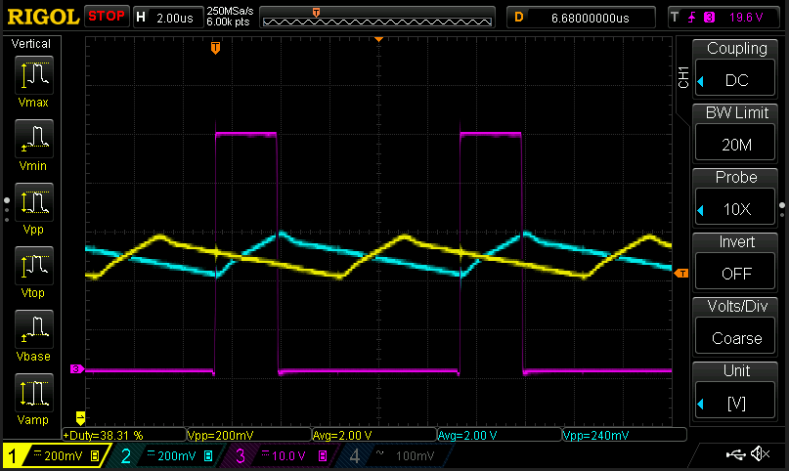

Load 28 A

Converter_StartUp
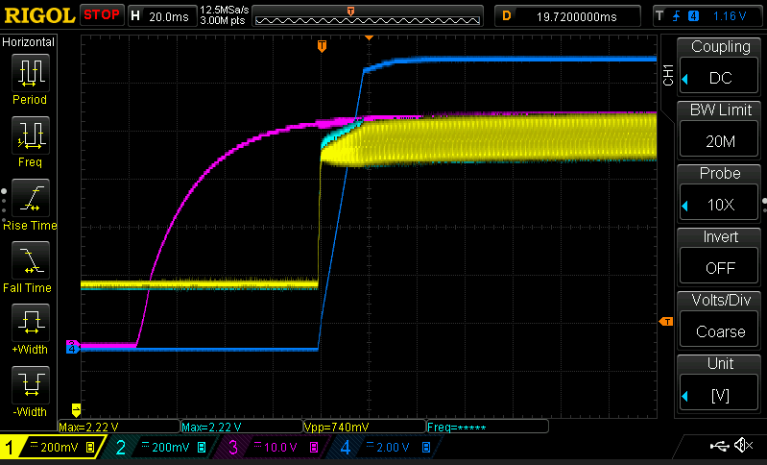
Wavefroms
Current phase 1 | Yellow | Converter is enabled if the input voltage is greater than 46 V.
Current phase 2 | Cyan
Input voltage | Magenta
Output voltage | Blue

Start Up @ 0 A load
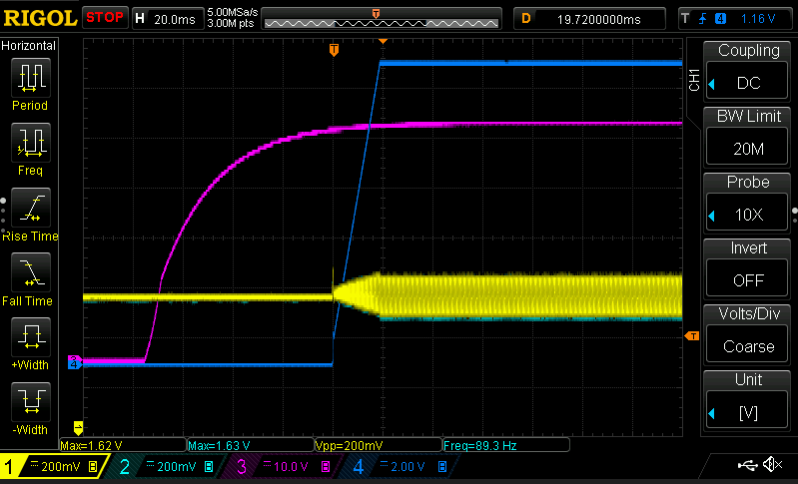

Start Up @ 10 A load

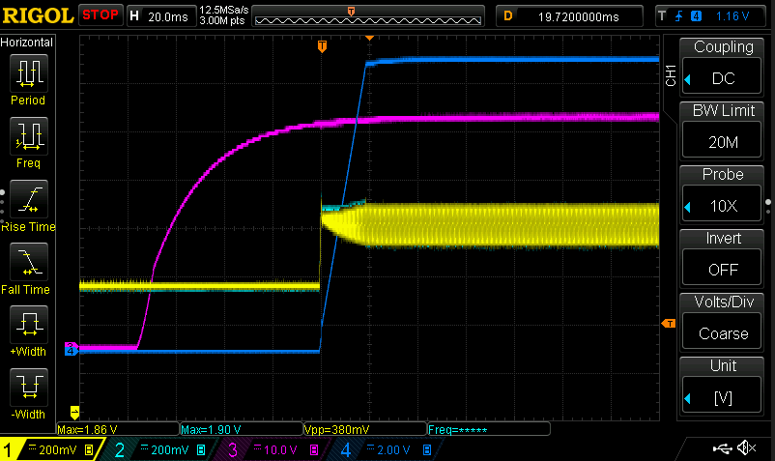

Start Up @ 28 A Load

ProtectionsAndOpLimits
Wavefroms
Current phase 1 | Yellow
Current phase 2 | Cyan
Input voltage | Magenta
Output voltage | Blue

Undervoltage protection and restart (10 A load)
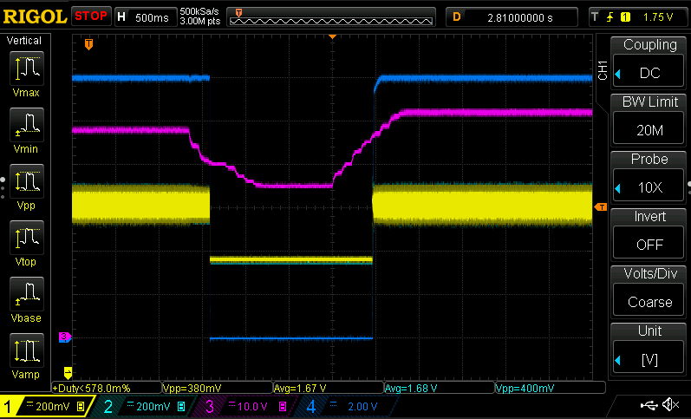

 |  | Converter is enabled if the input voltage is greater than 46 V.
 |  | Converter is disabled if the input voltage is below 40 V

Overvoltage protection and restart (10 A load)
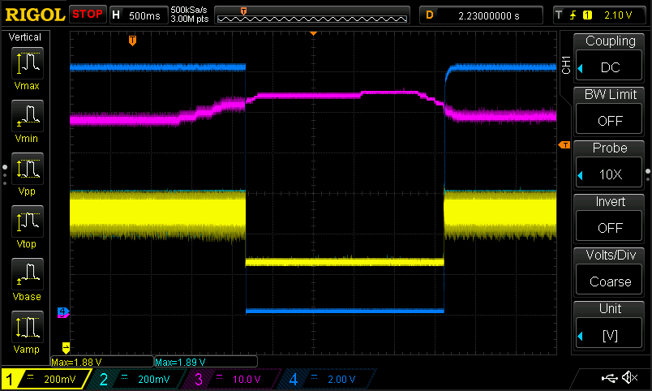

 |  | Converter is disabled if the input voltage is greater than 52 V
 |  | Converter is enabled if the input voltage is lower than 51 V

Output overvoltage protection (10 A load)
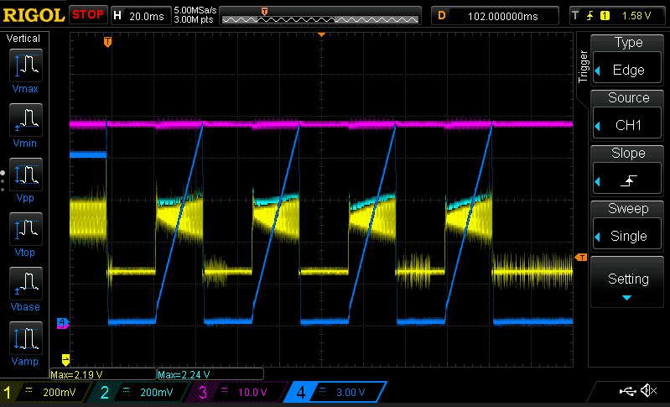

 |  | Overvoltage is intruduced manually by changing the reference of the voltage loop to 15 V (from 12 V).
 |  | If an overvoltage event (Vout > 14 V) is detected then the converter shuts down and tries to restart after 20 ms.
 |  | If 5 overvoltage events are detected in total the converter shuts down and the fault latches.

Output undervoltage protection (10 A load)
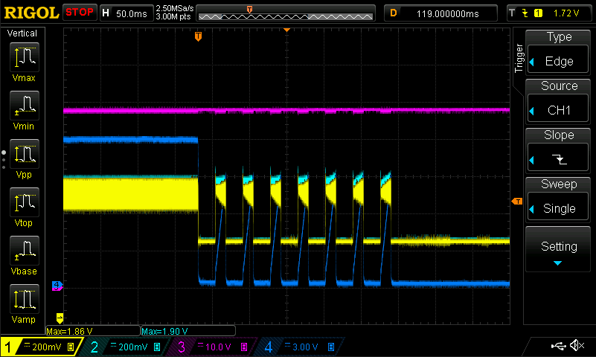

 |  | Undervoltage is intruduced manually by changing the reference of the voltage loop to 9 V (from 12 V).
 |  | If an undervoltage event (Vout <10 V) is detected then the converter shuts down and tries to restart after 20 ms.
 |  | If 8 undervoltage events are detected in total the converter shuts down and the fault latches.

Shortcircuit protection output (short circuit applied before the start up of the converter)

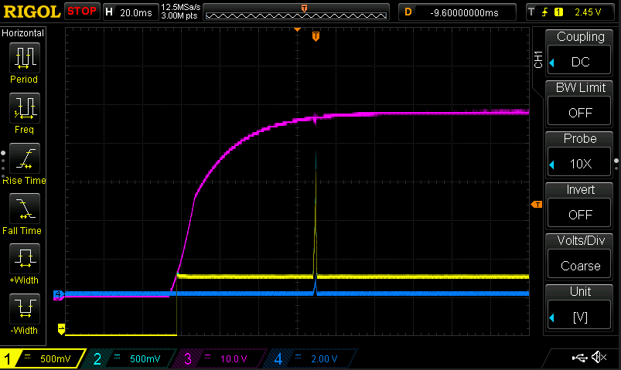
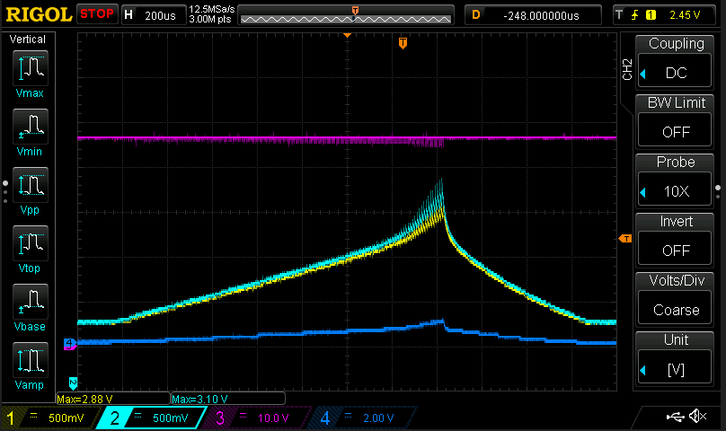

 |  |  | If the sampled current of any phase is greater than 25 A for two consecutive sampling cycles (fs = 50 kHz) converter is off

TransientResponse
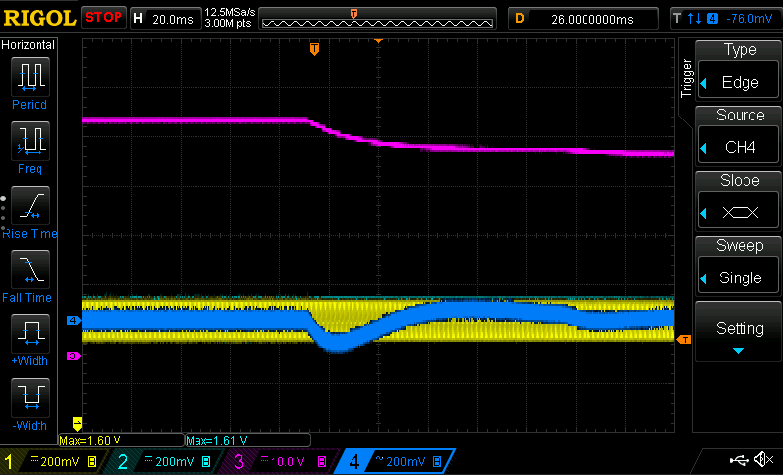
Wavefroms
Current phase 1 | Yellow | Control Loop Structure
Current phase 2 | Cyan
Input voltage | Magenta
Output voltage | Blue

Load current 2 A - 20 A
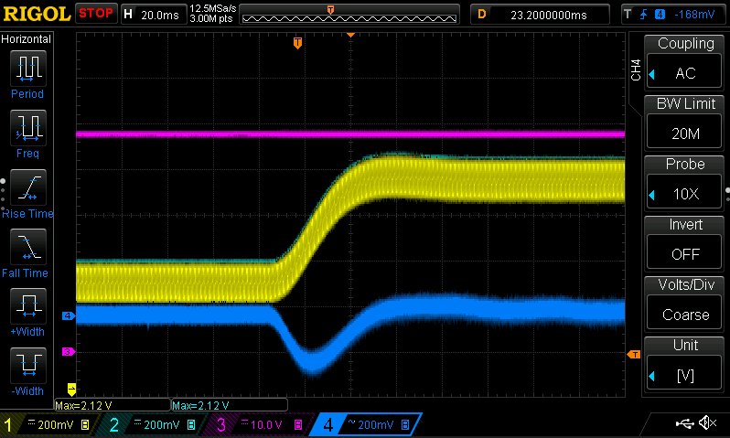

Load current 20 A - 2 A
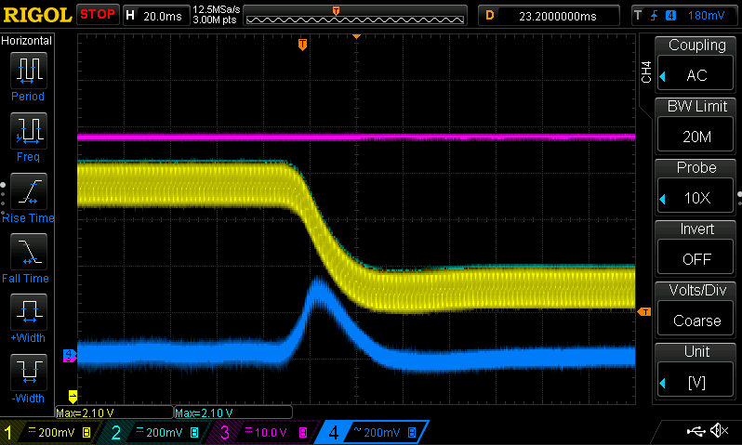

Load current 0 A - 25 A
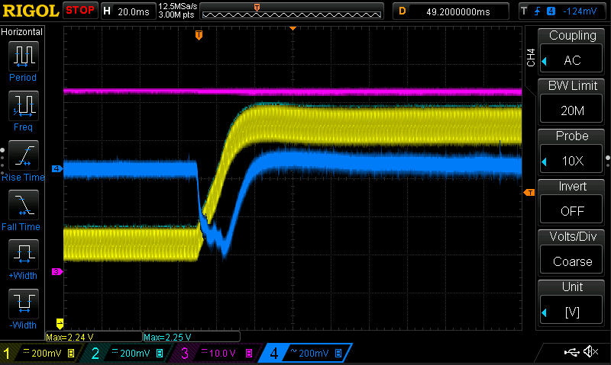

Load current 25 A - 0 A
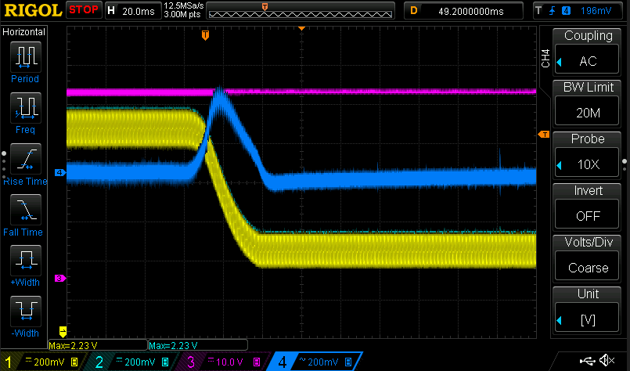

10 A constant load current Vin drops from 48 V to 43 V
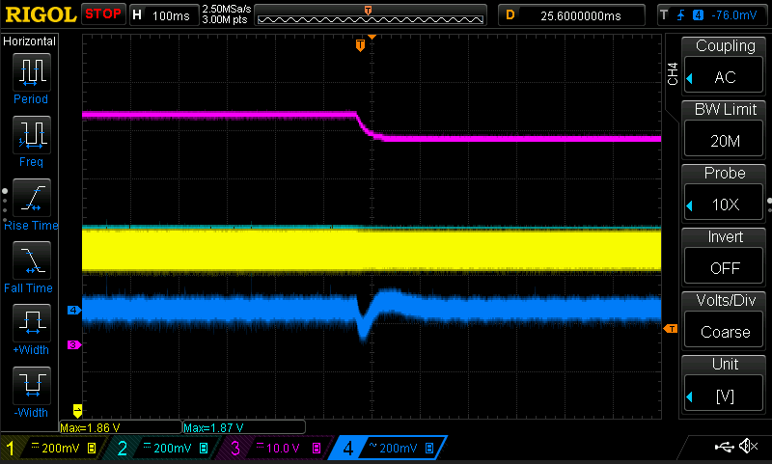

10 A constant load current Vin raises from 41 V to 46 V
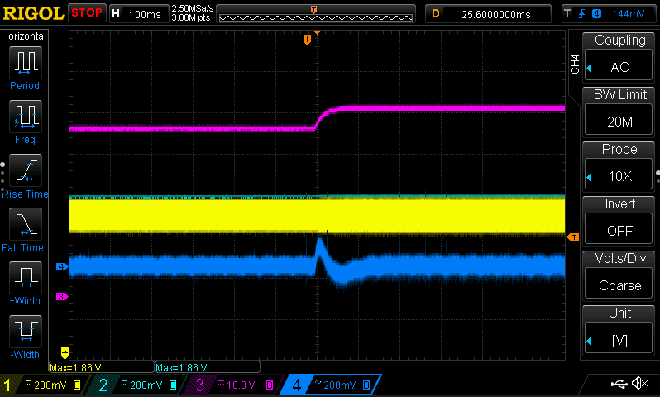

No load current Vin raises from 41 V to 47 V
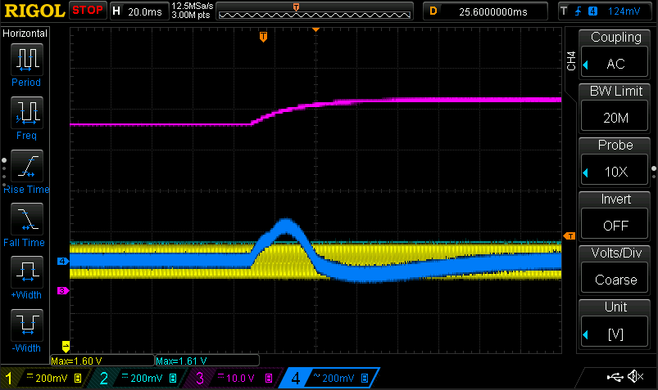

No load current Vin dops from 48 V to 41 V

Thermal Consideration
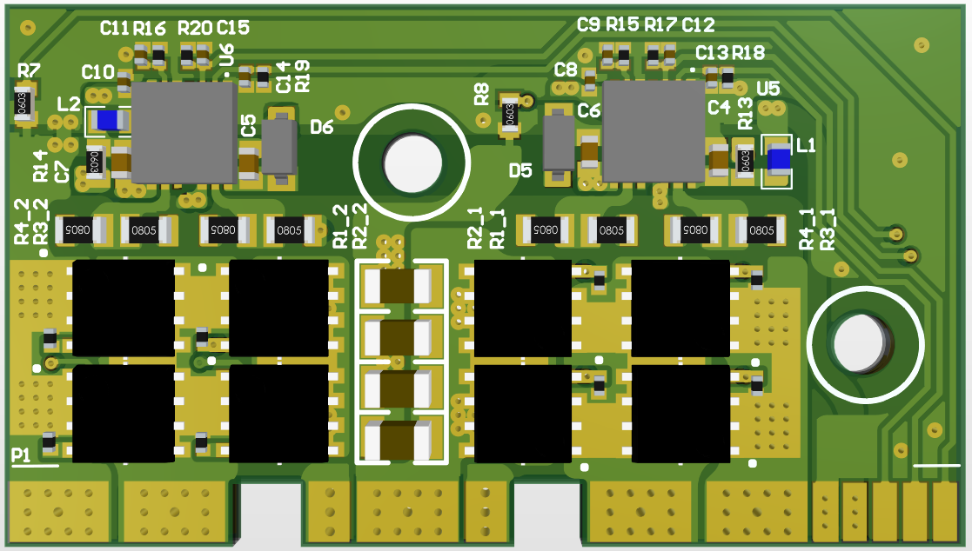
Two SMD NTC thermistors are populated on the power stage board tied to GND to measure the temperature of the board (Noted with the red circle)
 |  |  |  |  |  |  |  |  |  |  |  | For the cooling of the power stage a heatsink is attached on the backside secured with two M3 screws.
 |  |  |  |  |  |  |  |  |  |  |  | Between the PCB and the heatsink the thermal pad Arctic TP-3 is used with 1 mm thickness.
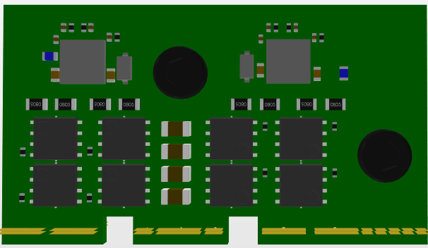
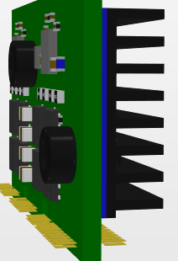

 |  |  |  |  |  |  |  |  |  |  |  |  | Thermal measurement
 |  |  |  |  |  |  |  |  |  |  |  |  | Steady state operation with the fan blowing from the side
 |  |  |  |  |  |  |  |  |  |  |  |  | Vin = 48 V, I_load = 28 A, Tamb = 25 °C
 |  |  |  |  |  |  |  |  |  |  |  |  | Maximum temperature recorded: 53 °C
 |  |  |  |  |  |  |  |  |  |  |  |  | Fan duty cycle: 0.4
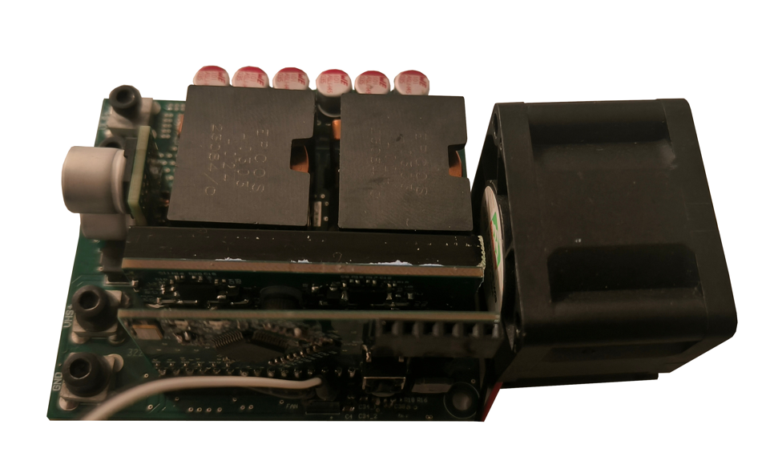

 |  |  |  |  |  |  |  |  |  |  |  | Converter 3D
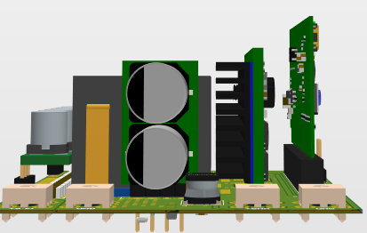
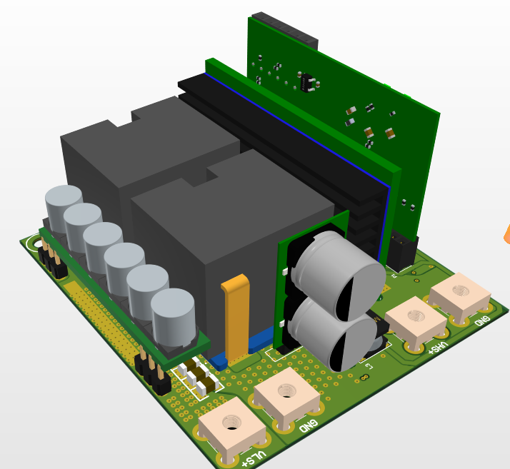

Thermistor with parallel voltage divider transfer function

Temperature | Resistance Coef | Resistance (kOhms) | RpEq(kOhms) | Vdiv_Out(V) | P_NTC (mW) | Power OK | ADC Value | Calc temp | Dif | Vin (V) | 3.3
-40 | 20.52 | 205.2 | 67.23 | 1.3267 | 85.78 | check | 1810.98 | -40.92 | -0.92 | R1 (kOhms) | 100.00
-35 | 15.48 | 154.8 | 60.75 | 1.2472 | 10.05 | check | 1702.38 | -36.27 | -1.27 | Rp (kOhms) | 100.00
-30 | 11.79 | 117.9 | 54.11 | 1.1586 | 11.39 | check | 1581.54 | -31.08 | -1.08 | Dissipation factor NTC (mW/C) | 3
-25 | 9.069 | 90.69 | 47.56 | 1.0636 | 12.47 | check | 1451.82 | -25.52 | -0.52 | NTC Nominal Res @ 25 °C | 1.00E+01
ADC=f(Temp)
1810.9784483 | -40
1702.3842773 | -35
1581.5382668 | -30
1451.8199765 | -25
1316.6971214 | -20
1180.4645237 | -15
1047.0648545 | -10
920.03066958 | -5
801.80564142 | 0
694.03082192 | 5
597.6437702 | 10
512.79216867 | 15
439.1361697 | 20
375.375 | 25
320.94436965 | 30
274.54500711 | 35
235.11702013 | 40
201.61812586 | 45
173.1860288 | 50
149.03389332 | 55
128.56772493 | 60
111.12441772 | 65
96.285379932 | 70
83.664046101 | 75
72.878193219 | 80
63.517030767 | 85
55.4044449 | 90
48.353489442 | 95
42.26811356 | 100
37.025266201 | 105
32.484054841 | 110
28.556669747 | 115
25.16604865 | 120
22.237682827 | 125
Resistance = f(Temp)
-40 | 205.2
-35 | 154.8
-30 | 117.9
-25 | 90.69
-20 | 70.37
-15 | 55.07
-10 | 43.44
-5 | 34.53
0 | 27.64
5 | 22.27
10 | 18.06
15 | 14.74
20 | 12.11
25 | 10
30 | 8.309
35 | 6.941
40 | 5.828
45 | 4.916
50 | 4.165
55 | 3.543
60 | 3.027
65 | 2.595
70 | 2.233
75 | 1.929
80 | 1.672
85 | 1.451
90 | 1.261
95 | 1.097
100 | 0.9563
105 | 0.8357
110 | 0.7317
115 | 0.6421
120 | 0.565
125 | 0.4986
-20 | 7.037 | 70.37 | 41.30 | 0.9646 | 13.22 | check | 1316.70 | -19.72 | 0.28
-15 | 5.507 | 55.07 | 35.51 | 0.8648 | 13.58 | check | 1180.46 | -13.88 | 1.12
-10 | 4.344 | 43.44 | 30.28 | 0.7671 | 13.55 | check | 1047.06 | -8.15 | 1.85 |  |  |  |  | Fan control (Temperature vs applied duty cycle)
-5 | 3.453 | 34.53 | 25.67 | 0.6740 | 13.16 | check | 920.03 | -2.70 | 2.30 |  |  |  |  | For the cooling one 12 V, 0,2 A fan is used (PN: MGT3612HB-W28)
0 | 2.764 | 27.64 | 21.65 | 0.5874 | 12.48 | check | 801.81 | 2.37 | 2.37 |  |  |  |  | Temperature | Fan Duty
5 | 2.227 | 22.27 | 18.21 | 0.5084 | 11.61 | check | 694.03 | 6.99 | 1.99 |  |  |  |  | 45 | 25%
10 | 1.806 | 18.06 | 15.30 | 0.4378 | 10.61 | check | 597.64 | 11.13 | 1.13 |  |  |  |  | 80 | 100%
Fan vs Temp
45 | 0.25
80 | 1
15 | 1.474 | 14.74 | 12.85 | 0.3757 | 9.57 | check | 512.79 | 14.77 | -0.23
20 | 1.211 | 12.11 | 10.80 | 0.3217 | 8.55 | ok | 439.14 | 17.93 | -2.07
25 | 1 | 10 | 9.09 | 0.2750 | 7.56 | ok | 375.37 | 27.56 | 2.56
30 | 0.8309 | 8.309 | 7.67 | 0.2351 | 6.65 | ok | 320.94 | 28.89 | -1.11
35 | 0.6941 | 6.941 | 6.49 | 0.2011 | 5.83 | ok | 274.55 | 32.83 | -2.17
40 | 0.5828 | 5.828 | 5.51 | 0.1722 | 5.09 | ok | 235.12 | 38.21 | -1.79
45 | 0.4916 | 4.916 | 4.69 | 0.1477 | 4.44 | ok | 201.62 | 44.24 | -0.76
50 | 0.4165 | 4.165 | 4.00 | 0.1269 | 3.86 | ok | 173.19 | 50.42 | 0.42
55 | 0.3543 | 3.543 | 3.42 | 0.1092 | 3.36 | ok | 149.03 | 56.43 | 1.43
60 | 0.3027 | 3.027 | 2.94 | 0.0942 | 2.93 | ok | 128.57 | 62.08 | 2.08
Vdiv = f(Temp)
-40 | 1.3267241379
-35 | 1.2471679688
-30 | 1.1586360929
-25 | 1.0636043784
-20 | 0.96461327573
-15 | 0.86480917484
-10 | 0.76708047945
-5 | 0.67401514255
0 | 0.58740340031
5 | 0.50844748858
10 | 0.43783426388
15 | 0.37567191844
20 | 0.32171147963
25 | 0.275
30 | 0.23512408033
35 | 0.20113187334
40 | 0.1722469012
45 | 0.14770558671
50 | 0.12687621158
55 | 0.10918233943
60 | 0.094188809474
65 | 0.081409829832
70 | 0.070538739877
75 | 0.061292341466
80 | 0.053390617743
85 | 0.046532623273
90 | 0.040589336923
95 | 0.035423801789
100 | 0.03096565096
105 | 0.027124737143
110 | 0.023797842375
115 | 0.020920637177
120 | 0.018436665678
125 | 0.01629134273
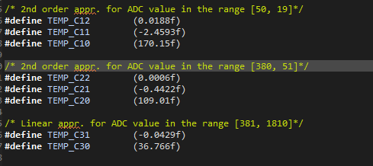
65 | 0.2595 | 2.595 | 2.53 | 0.0814 | 2.55 | ok | 111.12 | 67.28 | 2.28
70 | 0.2233 | 2.233 | 2.18 | 0.0705 | 2.23 | ok | 96.29 | 72.00 | 2.00
75 | 0.1929 | 1.929 | 1.89 | 0.0613 | 1.95 | ok | 83.66 | 76.21 | 1.21
80 | 0.1672 | 1.672 | 1.64 | 0.0534 | 1.70 | ok | 72.88 | 79.97 | -0.03
85 | 0.1451 | 1.451 | 1.43 | 0.0465 | 1.49 | ok | 63.52 | 83.34 | -1.66
90 | 0.1261 | 1.261 | 1.25 | 0.0406 | 1.31 | ok | 55.40 | 86.35 | -3.65
95 | 0.1097 | 1.097 | 1.09 | 0.0354 | 1.14 | ok | 48.35 | 95.19 | 0.19
100 | 0.09563 | 0.9563 | 0.95 | 0.0310 | 1.00 | ok | 42.27 | 99.79 | -0.21
105 | 0.08357 | 0.8357 | 0.83 | 0.0271 | 0.88 | ok | 37.03 | 104.87 | -0.13
110 | 0.07317 | 0.7317 | 0.73 | 0.0238 | 0.77 | ok | 32.48 | 110.10 | 0.10
115 | 0.06421 | 0.6421 | 0.64 | 0.0209 | 0.68 | ok | 28.56 | 115.25 | 0.25
120 | 0.0565 | 0.565 | 0.56 | 0.0184 | 0.60 | ok | 25.17 | 120.17 | 0.17
125 | 0.04986 | 0.4986 | 0.50 | 0.0163 | 0.53 | ok | 22.24 | 124.76 | -0.24
130 | 0.04413 | 0.4413 | 0.44 | 0.0144 | 0.47 | ok | 19.70 | 128.99 | -1.01

