Load Operation Description
UART Command | Description | Load Response
&ModeI; | Configure the electronic load to constant current mode (defaul mode) | Constant Current mode is active. | Load Maximum and minimum allowed electrical values.
&ModeR; | Configure the electronic load to constant resistance mode | Constant Resistance mode is active. | Variable | Minimum Value | Maximum Value
&ModeP; | Configure the electronic load to constant power mode | Constant Power mode is active. | Load Current | 0 | 30 A
&current xx.xx; | Set the reference value (xx.xx) for the constant current mode | No response | Load Resistance | 0,1 Ohms | 10000 Ohms
&resistor xx.xx; | Set the reference value (xx.xx) for the constant resistance mode | No response | Load Power | 0 W | 320 W
&power xx.xx; | Set the reference value (xx.xx) for the constant power mode | No response | Load Voltage | 0 V | 50 V
&FanEN; | The cooling fan of the load is enabled | Fan is enabled. | Note: in case of a user fault everything is also limited in the firmware
&FanDIS; | The operation of the fan is controlled by the reading values of the thermocouples. | Fan is automatically controlled.
&GenFault; | Generate fault condition. All circuits are off and the cooling fan is ON | Fault in manually generated.
&CLRFault; | Clear fault condition | Fault is cleared. | Electronic Load Curve
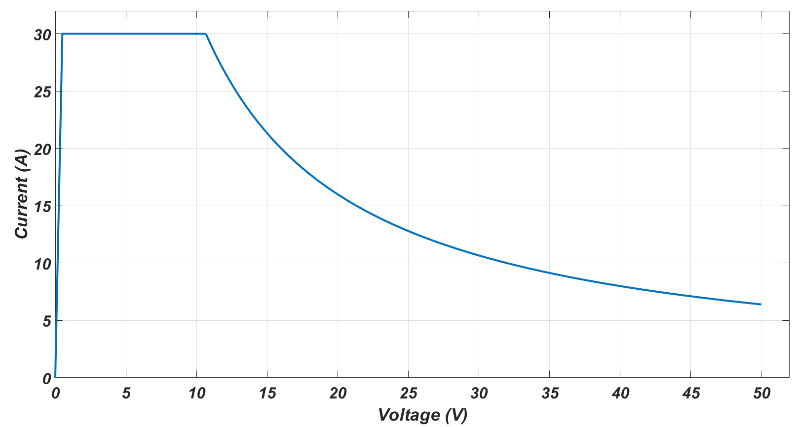
User LED function | Description
Blinking period 2 seconds | Normal operation, while all the temperature readings are below 45 °C. The cooling fan is off.
Blinking period 0.5 seconds | Normal operation, while at least one of the temperature readings is over 70 °C. The cooling fan is ON.
Constanly ON | The load is deactivated because of the overtemperature protection at 110 °C. The condition is latched and the fan is constantly ON until a CLRFault command is received.

Every 1 second the electronic load sends via the UART bus a monitoring message. The format of the message is shown below

V_Load = xx.xx, I_Load = xx.xx, P_Load = xx.xx, Max_Temp = xx.xx, Mode_XX, Ref_xx.xx

V_Load | The voltage reading across the electronic load terminals
I_Load | The total current consuption of the electronic load
P_Load | The power consumption of the load
Max_Temp | The maximum temperature reading of the load
Mode_XX | The mode of operation of the load (CR for constant resistance, CP for constant power, CC for constant current)
Ref | The reference command value for the coresponding mode of operation

Power_Supplies
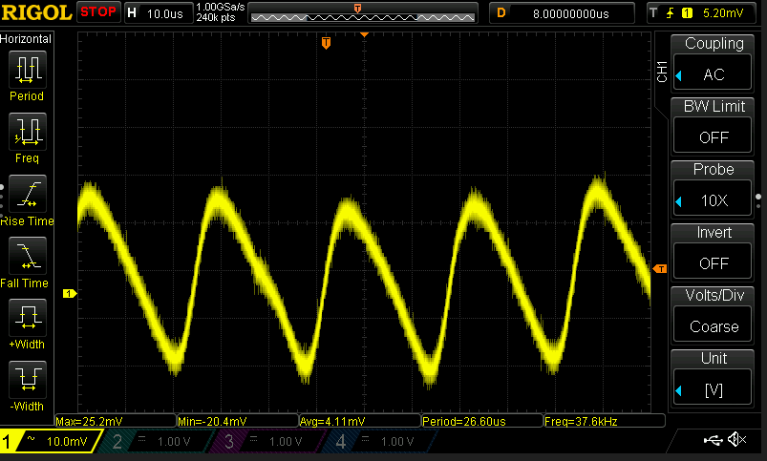
Main 5V power supply
DC coupling | V = 5.13V
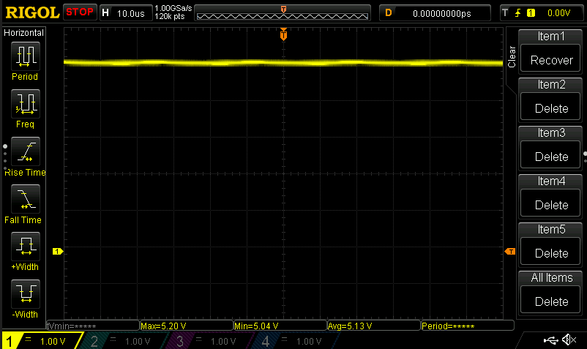

 |  |  |  | The BUCK converter operates under ligh load, and thus DCM is the mode of operation or diode emulation mode with reduced frequency.
AC Coupling | 64 mV ptp
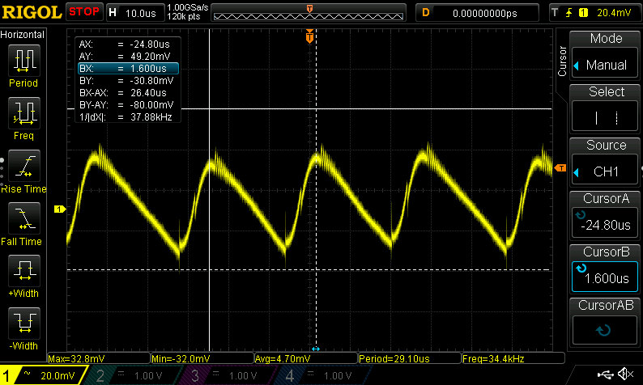
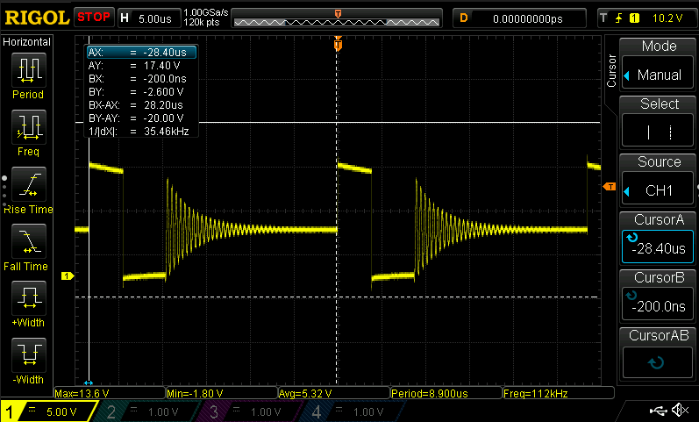

3.3 V rail |  |  | 3 V rail
DC coupling | 3.26 V |  | DC coupling |  | 3 V
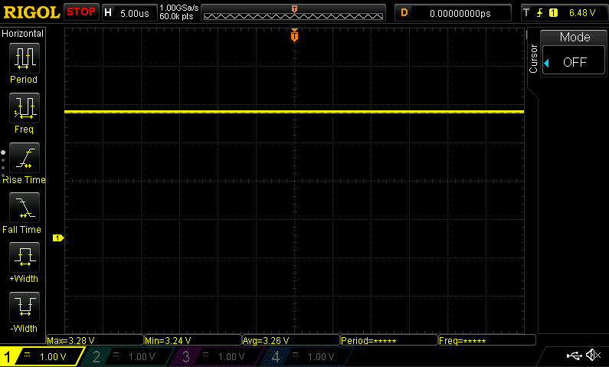
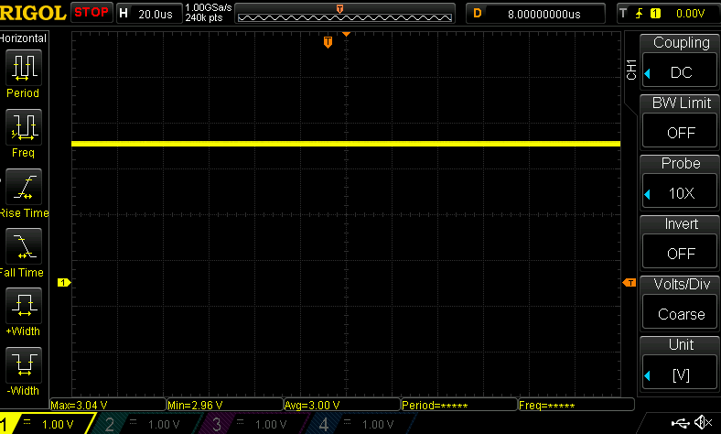

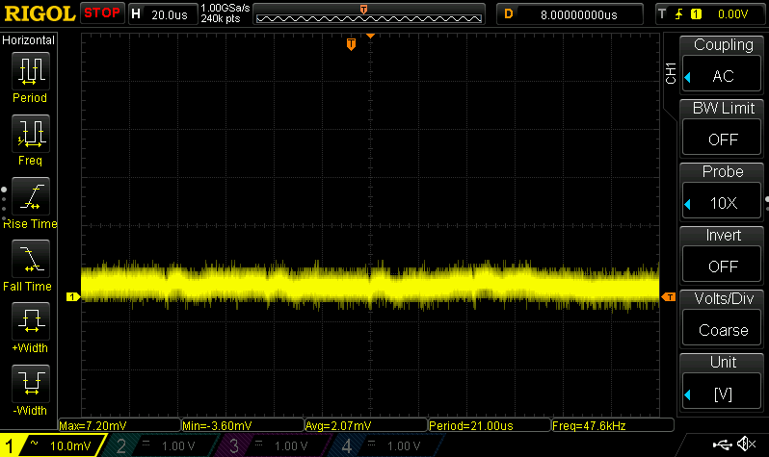
AC coupling |  |  | AC coupling
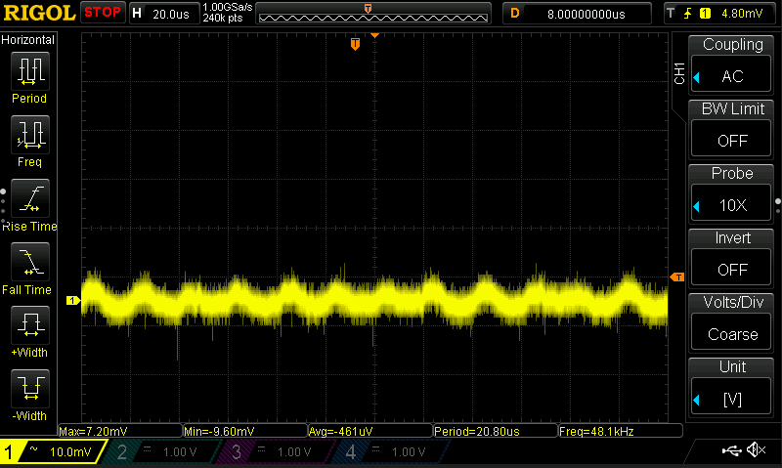

Control op amp for current source Vcc |  | RC filter for Vcc filtering with Fc = 72 kHz
AC coupling | 45mV ptp

PowerCircuit Steady State
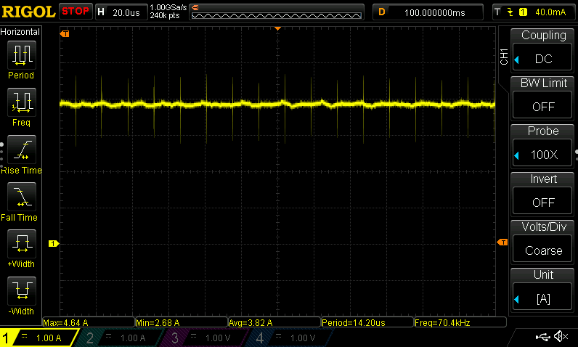
Load reference 6 A (1 A per circuit)
Current measured with the shunt resistor (circuit 4)
DC coupling | AC coupling
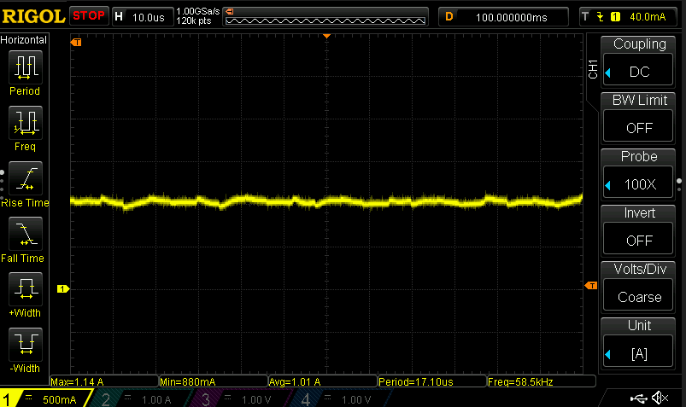
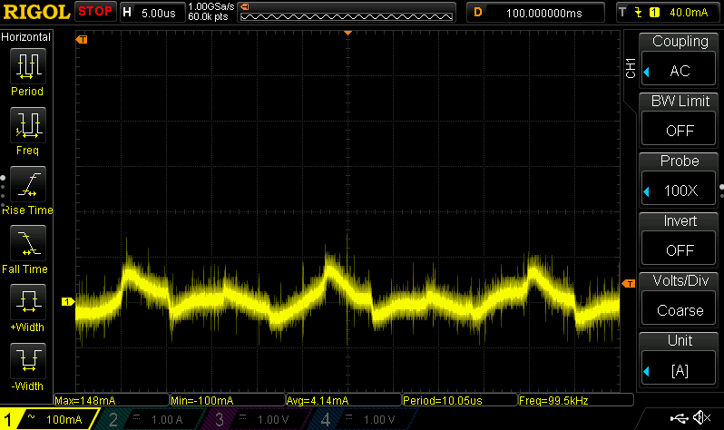

Load reference 12 A (2 A per circuit)
Current measured with the shunt resistor (circuit 4)
DC coupling | AC coupling
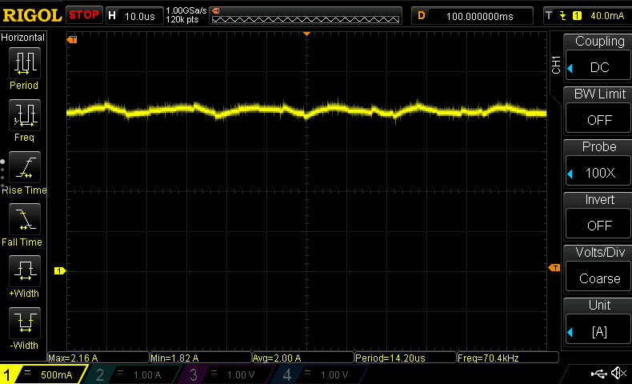
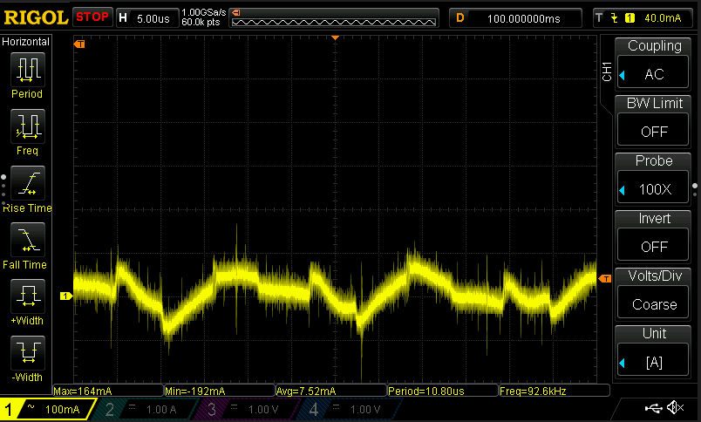

Load reference 18 A (3 A per circuit)
Current measured with the shunt resistor (circuit 4)
DC coupling | AC coupling

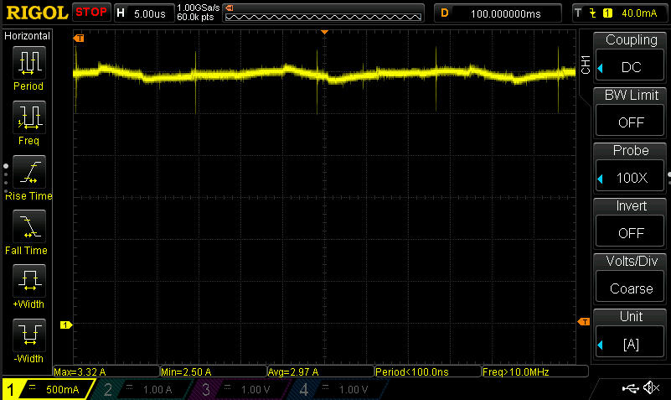
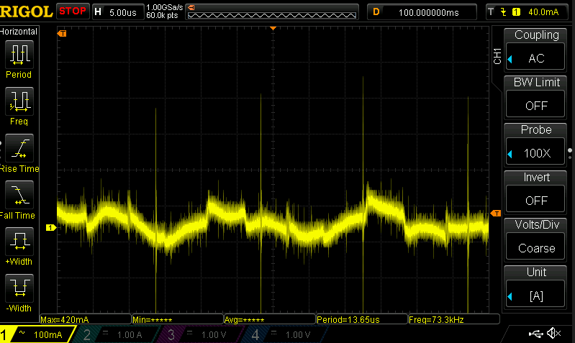

Load reference 23 A (3,83 A per circuit)
Current measured with the shunt resistor (circuit 4)
DC coupling | AC coupling

PowerCircuit Transients
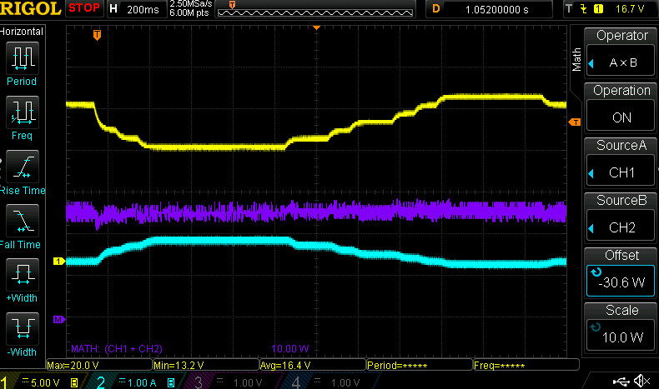
Dynamic response
Load current is controlled by utilizing both analog and digital closed loop control.
CC Mode | CR Mode | CP Mode
Reference command from 6A to 23 A (load voltage constant at 12 V) | Reference command from 2 Ohms to 1.5 Ohms | Reference command from 100 W to 200 W
yellow circuit current | yellow load voltage | yellow load voltage
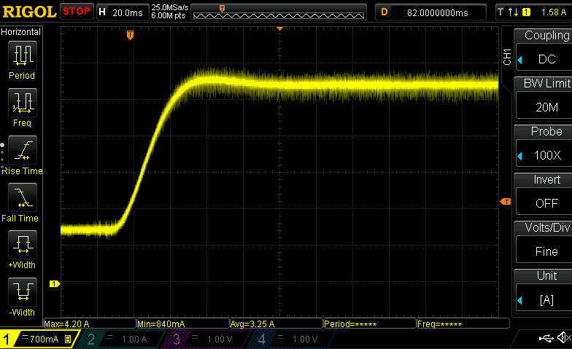
 | cyan circuit current | cyan circuit current
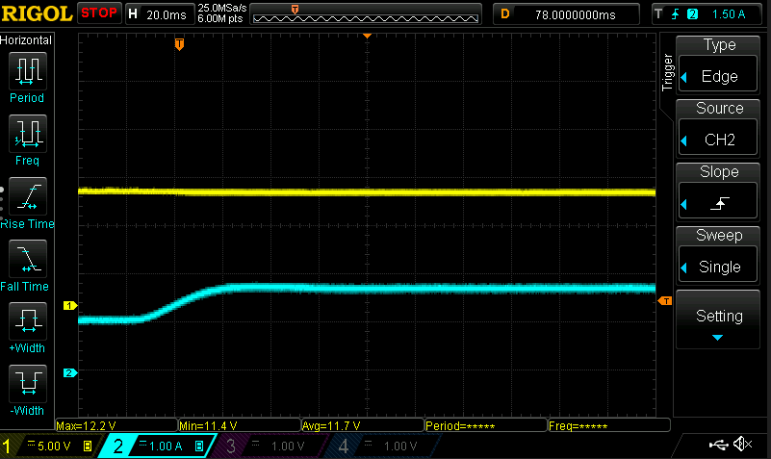
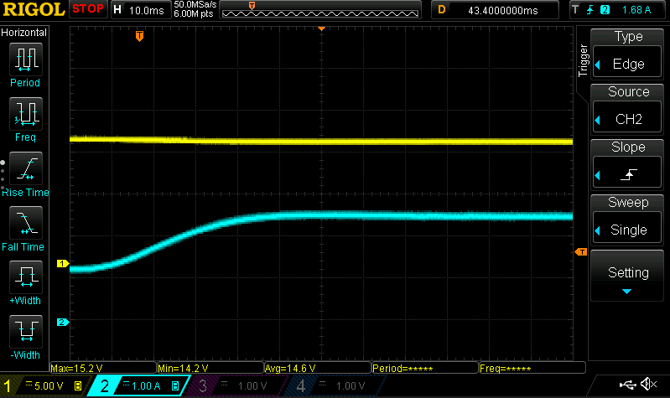

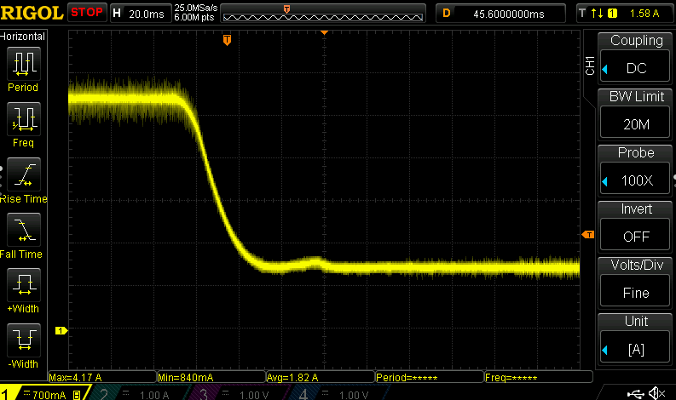
Reference command from 23 A to 6 A (load voltage constant at 12 V) | Reference command from 1.5 Ohms to 2 Ohms | Reference command from 200 W to 100 W
yellow circuit current | yellow load voltage | yellow load voltage
 | cyan circuit current | cyan circuit current
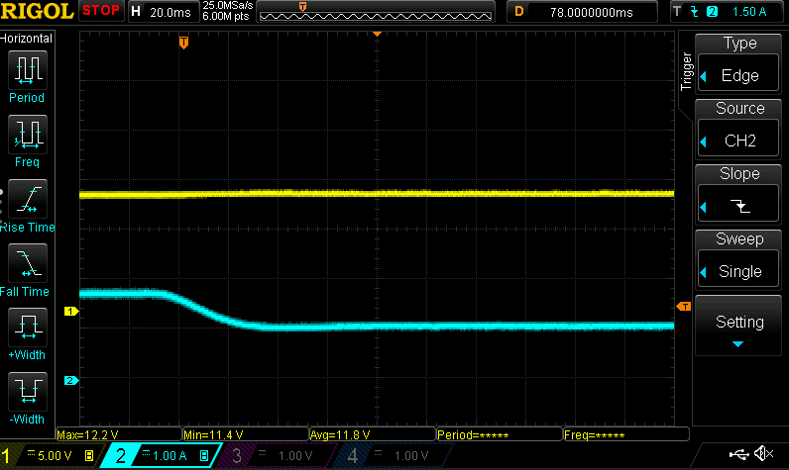
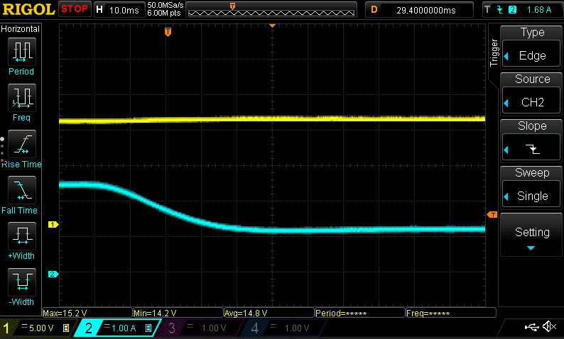

Constant 18 A reference with step changes to the load voltage | Constant 1.8 Ohm reference with step changes to the load voltage | Constant 140 W reference with step changes to the load voltage
yellow load voltage | yellow load voltage | yellow load voltage
cyan circuit current | cyan circuit current | cyan circuit current
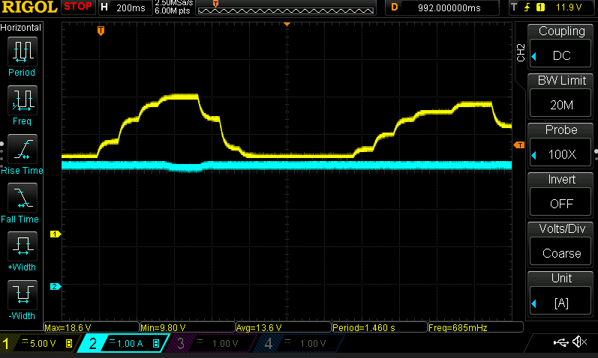
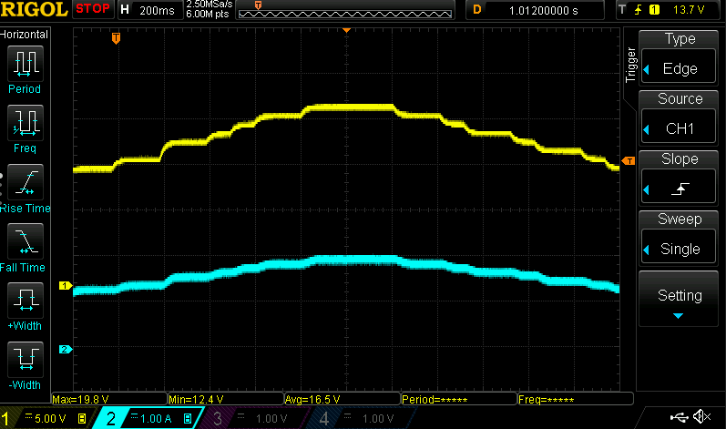
 |  | purple circuit power

FanControl
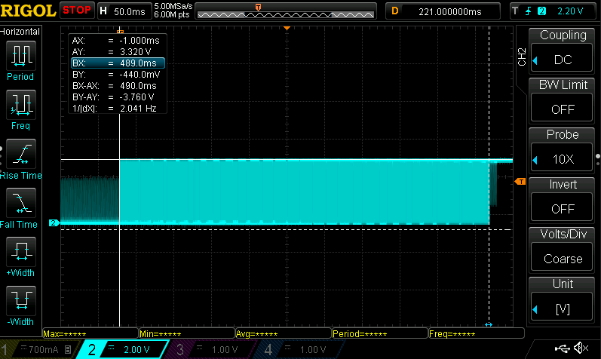
If the temperature is below 45 °C then the cooling fan is OFF. | Fans Used
If the temperature is above 70 °C the colling fan is ON. | 2x MGT3612HB-W28 (12 V/ 0.2 A)
The cooling fan can also be enabled by sending the &FanEN; command via UART.
The cooling fan operated automatically according to the temperature, as described above, by sending the &FanDIS; command.
In the case of the overtemperature fault, the fan is enabled and remains at the ON state until the CLR fault command. After the CLRFault command, the fan is automatically controlled according to the temperature readings.

Every time that the fan is enabled the duty cycle ramps up from 0 to 100 % in 1 second as shown below.

Fan ramp up time

Temperature measurement
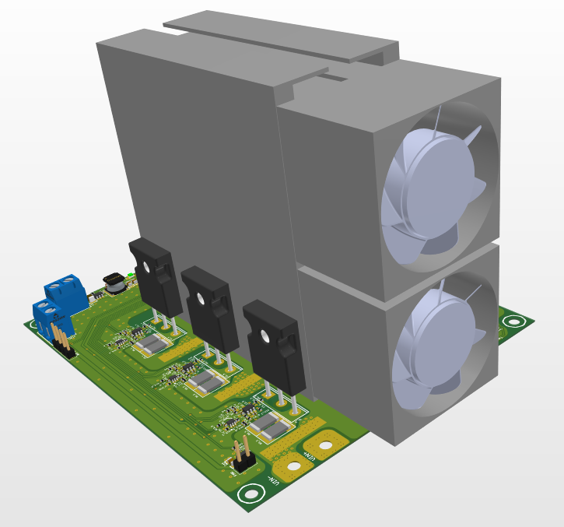
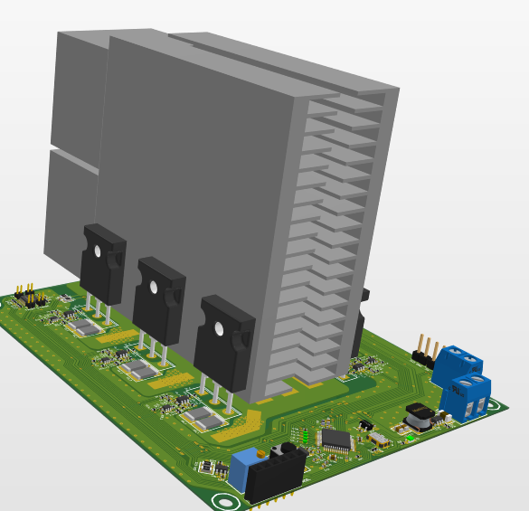
Temperature | Resistance (kOhms) | RpEq(kOhms) | Vdiv_Out(V) | P_NTC (mW) | Power OK | ADC Value | Calc temp | Dif | Vin (V) | 3.3 | NTC part number | NRL1104J3435B2F
-40 | 200.79 | 66.75 | 1.1923 | 7.08 | check | 1627.54 | -24.73 | 15.27 | R1 (kOhms) | 118.00 |  | crimped on 3 mm round terminal and potted with Arctic MX-4 tthermal paste
-35 | 152.40 | 60.38 | 1.1170 | 8.19 | check | 1524.74 | -24.23 | 10.77 | Rp (kOhms) | 100.00
-30 | 116.74 | 53.86 | 1.0342 | 9.16 | check | 1411.72 | -22.95 | 7.05 | Dissipation factor NTC (mW/C) | 1.8
-25 | 90.07 | 47.39 | 0.9455 | 9.93 | check | 1290.65 | -20.73 | 4.27
ADC=f(Temp)
1627.54 | -40
1524.74 | -35
1411.72 | -30
1290.65 | -25
1165.90 | -20
1041.58 | -15
920.67 | -10
806.18 | -5
700.13 | 0
603.28 | 5
517.58 | 10
442.72 | 15
377.77 | 20
322.21 | 25
274.43 | 30
234.22 | 35
200.29 | 40
171.46 | 45
147.28 | 50
126.61 | 55
109.10 | 60
94.25 | 65
81.62 | 70
70.87 | 75
61.70 | 80
53.85 | 85
47.19 | 90
41.47 | 95
36.54 | 100
32.27 | 105
28.59 | 110
25.39 | 115
22.61 | 120
20.18 | 125
Resistance = f(Temp)
-40 | 200.79
-35 | 152.40
-30 | 116.74
-25 | 90.07
-20 | 70.09
-15 | 55.02
-10 | 43.50
-5 | 34.63
0 | 27.74
5 | 22.32
10 | 18.09
15 | 14.76
20 | 12.11
25 | 10.00
30 | 8.29
35 | 6.92
40 | 5.81
45 | 4.90
50 | 4.15
55 | 3.53
60 | 3.02
65 | 2.59
70 | 2.23
75 | 1.92
80 | 1.67
85 | 1.45
90 | 1.27
95 | 1.11
100 | 0.97
105 | 0.86
110 | 0.76
115 | 0.67
120 | 0.60
125 | 0.53
-20 | 70.09 | 41.21 | 0.8541 | 10.41 | check | 1165.90 | -17.53 | 2.47
-15 | 55.02 | 35.49 | 0.7631 | 10.58 | check | 1041.58 | -13.40 | 1.60
-10 | 43.50 | 30.31 | 0.6745 | 10.46 | check | 920.67 | -8.50 | 1.50
-5 | 34.63 | 25.72 | 0.5906 | 10.07 | check | 806.18 | -3.05 | 1.95
0 | 27.74 | 21.72 | 0.5129 | 9.48 | check | 700.13 | 2.70 | 2.70
5 | 22.32 | 18.25 | 0.4420 | 8.75 | check | 603.28 | 8.54 | 3.54
10 | 18.09 | 15.32 | 0.3792 | 7.95 | check | 517.58 | 14.17 | 4.17
15 | 14.76 | 12.86 | 0.3243 | 7.13 | check | 442.72 | 19.46 | 4.46
20 | 12.11 | 10.80 | 0.2768 | 6.32 | check | 377.77 | 24.31 | 4.31
25 | 10.00 | 9.09 | 0.2361 | 5.57 | check | 322.21 | 28.67 | 3.67
30 | 8.29 | 7.66 | 0.2010 | 4.88 | ok | 274.43 | 32.56 | 2.56
35 | 6.92 | 6.47 | 0.1716 | 4.25 | ok | 234.22 | 35.95 | 0.95
40 | 5.81 | 5.49 | 0.1467 | 3.71 | ok | 200.29 | 38.88 | -1.12
45 | 4.90 | 4.67 | 0.1256 | 3.22 | ok | 171.46 | 41.42 | -3.58
50 | 4.15 | 3.99 | 0.1079 | 2.80 | ok | 147.28 | 43.59 | -6.41
55 | 3.53 | 3.41 | 0.0928 | 2.44 | ok | 126.61 | 57.41 | 2.41
60 | 3.02 | 2.93 | 0.0799 | 2.12 | ok | 109.10 | 58.52 | -1.48
Vdiv = f(Temp)
-40 | 1.1923
-35 | 1.1170
-30 | 1.0342
-25 | 0.9455
-20 | 0.8541
-15 | 0.7631
-10 | 0.6745
-5 | 0.5906
0 | 0.5129
5 | 0.4420
10 | 0.3792
15 | 0.3243
20 | 0.2768
25 | 0.2361
30 | 0.2010
35 | 0.1716
40 | 0.1467
45 | 0.1256
50 | 0.1079
55 | 0.0928
60 | 0.0799
65 | 0.0690
70 | 0.0598
75 | 0.0519
80 | 0.0452
85 | 0.0395
90 | 0.0346
95 | 0.0304
100 | 0.0268
105 | 0.0236
110 | 0.0209
115 | 0.0186
120 | 0.0166
125 | 0.0148
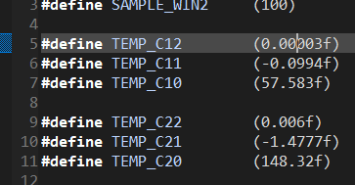
65 | 2.59 | 2.52 | 0.0690 | 1.84 | ok | 94.25 | 62.35 | -2.65
70 | 2.23 | 2.18 | 0.0598 | 1.61 | ok | 81.62 | 67.68 | -2.32
75 | 1.92 | 1.89 | 0.0519 | 1.40 | ok | 70.87 | 73.73 | -1.27
80 | 1.67 | 1.64 | 0.0452 | 1.23 | ok | 61.70 | 79.99 | -0.01
85 | 1.45 | 1.43 | 0.0395 | 1.07 | ok | 53.85 | 86.14 | 1.14
90 | 1.27 | 1.25 | 0.0346 | 0.94 | ok | 47.19 | 91.95 | 1.95
95 | 1.11 | 1.10 | 0.0304 | 0.83 | ok | 41.47 | 97.36 | 2.36
100 | 0.97 | 0.96 | 0.0268 | 0.74 | ok | 36.54 | 102.34 | 2.34
105 | 0.86 | 0.85 | 0.0236 | 0.65 | ok | 32.27 | 106.88 | 1.88
110 | 0.76 | 0.75 | 0.0209 | 0.58 | ok | 28.59 | 110.98 | 0.98
115 | 0.67 | 0.67 | 0.0186 | 0.51 | ok | 25.39 | 114.66 | -0.34
120 | 0.60 | 0.60 | 0.0166 | 0.46 | ok | 22.61 | 117.98 | -2.02
125 | 0.53 | 0.53 | 0.0148 | 0.41 | ok | 20.18 | 120.95 | -4.05

Points of temperature probing

Load operation Data logging
OVT Fault
 | Voltage | Current
1 | 11.99 | 0.03
2 | 11.99 | 0.03
3 | 11.99 | 0.03
4 | 11.99 | 0.03
5 | 11.99 | 0.02
6 | 11.99 | 0.03
7 | 11.99 | 0.03
8 | 11.99 | 0.02
9 | 11.99 | 0.03
10 | 11.99 | 0.03
11 | 11.99 | 0.03
12 | 11.99 | 0.03
13 | 11.99 | 0.03
14 | 11.99 | 0.03
15 | 11.99 | 0.02
16 | 11.52 | 10.12
17 | 11.52 | 10.12
18 | 11.51 | 10.12
19 | 11.52 | 10.12
20 | 11.51 | 10.12
21 | 11.51 | 10.12
22 | 11.52 | 10.12
23 | 11.52 | 10.12
24 | 11.52 | 10.12
25 | 11.52 | 10.12
26 | 11.51 | 10.12
27 | 11.52 | 10.12
28 | 11.52 | 10.12
29 | 11.52 | 10.12
30 | 11.53 | 10.12
31 | 11.52 | 10.12
32 | 11.52 | 10.12
33 | 11.52 | 10.12
34 | 11.52 | 10.12
35 | 11.52 | 10.12
36 | 11.52 | 10.12
37 | 11.51 | 10.12
38 | 11.52 | 10.12
39 | 11.52 | 10.12
40 | 11.52 | 10.11
41 | 11.52 | 10.12
42 | 11.51 | 10.12
43 | 11.52 | 10.13
44 | 11.51 | 10.12
45 | 11.51 | 10.12
46 | 11.51 | 10.13
47 | 11.51 | 10.13
48 | 11.51 | 10.11
49 | 11.51 | 10.11
50 | 11.51 | 10.12
...
Time (s) | Vload (V) | I_Load(A) | PLoad(W) | Max_Temperature (°C) | Resistance
1 | 11.99 | 0.03 | 0.42 | 36.9 | 399.66666667
2 | 11.99 | 0.03 | 0.41 | 36.95 | 399.66666667
3 | 11.99 | 0.03 | 0.43 | 36.86 | 399.66666667
4 | 11.99 | 0.03 | 0.39 | 36.83 | 399.66666667
CC mode
CR mode
CP mode
CC mode
5 | 11.99 | 0.02 | 0.32 | 36.95 | 599.5
6 | 11.99 | 0.03 | 0.39 | 36.9 | 399.66666667
7 | 11.99 | 0.03 | 0.39 | 36.87 | 399.66666667
8 | 11.99 | 0.02 | 0.35 | 36.87 | 599.5 | A/A | Modes and references
9 | 11.99 | 0.03 | 0.4 | 36.71 | 399.66666667 | 1 | Constant current mode
10 | 11.99 | 0.03 | 0.41 | 36.83 | 399.66666667 | 2 | Constant current mode with 10 A reference
11 | 11.99 | 0.03 | 0.37 | 36.8 | 399.66666667 | 3 | Constant current mode with 15 A reference
12 | 11.99 | 0.03 | 0.38 | 36.79 | 399.66666667 | 4 | Constant resistance mode
13 | 11.99 | 0.03 | 0.42 | 36.76 | 399.66666667 | 5 | Resistor is 2 Ohms
14 | 11.99 | 0.03 | 0.38 | 36.73 | 399.66666667 | 6 | Resistor is 1.5 Ohms
15 | 11.99 | 0.02 | 0.34 | 36.71 | 599.5 | 7 | Constant power mode
16 | 11.52 | 10.12 | 116.68 | 36.58 | 1.1383399209 | 8 | Power is 50 W
17 | 11.52 | 10.12 | 116.68 | 36.55 | 1.1383399209 | 9 | Power is 100 W
18 | 11.51 | 10.12 | 116.67 | 36.57 | 1.1373517787 | 10 | Constant current mode
19 | 11.52 | 10.12 | 116.67 | 36.54 | 1.1383399209 | 11 | Constant current mode with 15 A reference
20 | 11.51 | 10.12 | 116.64 | 36.58 | 1.1373517787 | 12 | OVT fault
21 | 11.51 | 10.12 | 116.63 | 36.63 | 1.1373517787 | 13 | Fault cleared
22 | 11.52 | 10.12 | 116.65 | 36.75 | 1.1383399209
23 | 11.52 | 10.12 | 116.73 | 36.85 | 1.1383399209
24 | 11.52 | 10.12 | 116.68 | 37.01 | 1.1383399209
25 | 11.52 | 10.12 | 116.7 | 37.15 | 1.1383399209
26 | 11.51 | 10.12 | 116.66 | 37.33 | 1.1373517787
27 | 11.52 | 10.12 | 116.67 | 37.52 | 1.1383399209
28 | 11.52 | 10.12 | 116.72 | 37.71 | 1.1383399209
29 | 11.52 | 10.12 | 116.69 | 37.92 | 1.1383399209
30 | 11.53 | 10.12 | 116.76 | 38.15 | 1.1393280632
31 | 11.52 | 10.12 | 116.74 | 38.36 | 1.1383399209
32 | 11.52 | 10.12 | 116.67 | 38.59 | 1.1383399209
OVT Fault
33 | 11.52 | 10.12 | 116.73 | 38.81 | 1.1383399209
 | Voltage | Resistance
1 | 11.99 | 399.66666667
2 | 11.99 | 399.66666667
3 | 11.99 | 399.66666667
4 | 11.99 | 399.66666667
5 | 11.99 | 599.5
6 | 11.99 | 399.66666667
7 | 11.99 | 399.66666667
8 | 11.99 | 599.5
9 | 11.99 | 399.66666667
10 | 11.99 | 399.66666667
11 | 11.99 | 399.66666667
12 | 11.99 | 399.66666667
13 | 11.99 | 399.66666667
14 | 11.99 | 399.66666667
15 | 11.99 | 599.5
16 | 11.52 | 1.1383399209
17 | 11.52 | 1.1383399209
18 | 11.51 | 1.1373517787
19 | 11.52 | 1.1383399209
20 | 11.51 | 1.1373517787
21 | 11.51 | 1.1373517787
22 | 11.52 | 1.1383399209
23 | 11.52 | 1.1383399209
24 | 11.52 | 1.1383399209
25 | 11.52 | 1.1383399209
26 | 11.51 | 1.1373517787
27 | 11.52 | 1.1383399209
28 | 11.52 | 1.1383399209
29 | 11.52 | 1.1383399209
30 | 11.53 | 1.1393280632
31 | 11.52 | 1.1383399209
32 | 11.52 | 1.1383399209
33 | 11.52 | 1.1383399209
34 | 11.52 | 1.1383399209
35 | 11.52 | 1.1383399209
36 | 11.52 | 1.1383399209
37 | 11.51 | 1.1373517787
38 | 11.52 | 1.1383399209
39 | 11.52 | 1.1383399209
40 | 11.52 | 1.1394658754
41 | 11.52 | 1.1383399209
42 | 11.51 | 1.1373517787
43 | 11.52 | 1.1372161895
44 | 11.51 | 1.1373517787
45 | 11.51 | 1.1373517787
46 | 11.51 | 1.1362290227
47 | 11.51 | 1.1362290227
48 | 11.51 | 1.1384767557
49 | 11.51 | 1.1384767557
50 | 11.51 | 1.1373517787
...
34 | 11.52 | 10.12 | 116.71 | 39.05 | 1.1383399209
35 | 11.52 | 10.12 | 116.67 | 39.3 | 1.1383399209
36 | 11.52 | 10.12 | 116.73 | 39.51 | 1.1383399209
CC mode
CR mode
CP mode
CC mode
37 | 11.51 | 10.12 | 116.6 | 39.78 | 1.1373517787
38 | 11.52 | 10.12 | 116.7 | 40.03 | 1.1383399209
39 | 11.52 | 10.12 | 116.71 | 40.22 | 1.1383399209
40 | 11.52 | 10.11 | 116.63 | 40.49 | 1.1394658754
41 | 11.52 | 10.12 | 116.71 | 40.71 | 1.1383399209
42 | 11.51 | 10.12 | 116.6 | 40.94 | 1.1373517787
43 | 11.52 | 10.13 | 116.75 | 41.16 | 1.1372161895
44 | 11.51 | 10.12 | 116.61 | 41.35 | 1.1373517787 | A/A | Modes and references
45 | 11.51 | 10.12 | 116.57 | 41.57 | 1.1373517787 | 1 | Constant current mode
46 | 11.51 | 10.13 | 116.7 | 41.79 | 1.1362290227 | 2 | Constant current mode with 10 A reference
47 | 11.51 | 10.13 | 116.74 | 42.01 | 1.1362290227 | 3 | Constant current mode with 15 A reference
48 | 11.51 | 10.11 | 116.49 | 42.22 | 1.1384767557 | 4 | Constant resistance mode
49 | 11.51 | 10.11 | 116.49 | 42.47 | 1.1384767557 | 5 | Resistor is 2 Ohms
50 | 11.51 | 10.12 | 116.64 | 42.64 | 1.1373517787 | 6 | Resistor is 1.5 Ohms
51 | 11.51 | 10.12 | 116.62 | 42.82 | 1.1373517787 | 7 | Constant power mode
52 | 11.51 | 10.12 | 116.58 | 42.99 | 1.1373517787 | 8 | Power is 50 W
53 | 13.5 | 10.12 | 136.8 | 43.17 | 1.3339920949 | 9 | Power is 100 W
54 | 17.51 | 10.12 | 177.41 | 43.35 | 1.7302371542 | 10 | Constant current mode
55 | 17.51 | 10.12 | 177.35 | 43.53 | 1.7302371542 | 11 | Constant current mode with 15 A reference
56 | 17.51 | 10.12 | 177.33 | 43.7 | 1.7302371542 | 12 | OVT fault
57 | 17.5 | 10.12 | 177.29 | 43.89 | 1.7292490119 | 13 | Fault cleared
58 | 17.51 | 10.12 | 177.3 | 44.09 | 1.7302371542
59 | 18.5 | 10.12 | 187.46 | 44.28 | 1.8280632411
60 | 19.5 | 10.12 | 197.52 | 44.45 | 1.9268774704
61 | 19.51 | 10.12 | 197.56 | 44.68 | 1.9278656126
62 | 19.5 | 10.12 | 197.55 | 44.86 | 1.9268774704
63 | 19.5 | 10.12 | 197.48 | 45.06 | 1.9268774704
OVT Fault
64 | 19.5 | 10.12 | 197.55 | 45.26 | 1.9268774704
 | Voltage | Power
1 | 11.99 | 0.42
2 | 11.99 | 0.41
3 | 11.99 | 0.43
4 | 11.99 | 0.39
5 | 11.99 | 0.32
6 | 11.99 | 0.39
7 | 11.99 | 0.39
8 | 11.99 | 0.35
9 | 11.99 | 0.4
10 | 11.99 | 0.41
11 | 11.99 | 0.37
12 | 11.99 | 0.38
13 | 11.99 | 0.42
14 | 11.99 | 0.38
15 | 11.99 | 0.34
16 | 11.52 | 116.68
17 | 11.52 | 116.68
18 | 11.51 | 116.67
19 | 11.52 | 116.67
20 | 11.51 | 116.64
21 | 11.51 | 116.63
22 | 11.52 | 116.65
23 | 11.52 | 116.73
24 | 11.52 | 116.68
25 | 11.52 | 116.7
26 | 11.51 | 116.66
27 | 11.52 | 116.67
28 | 11.52 | 116.72
29 | 11.52 | 116.69
30 | 11.53 | 116.76
31 | 11.52 | 116.74
32 | 11.52 | 116.67
33 | 11.52 | 116.73
34 | 11.52 | 116.71
35 | 11.52 | 116.67
36 | 11.52 | 116.73
37 | 11.51 | 116.6
38 | 11.52 | 116.7
39 | 11.52 | 116.71
40 | 11.52 | 116.63
41 | 11.52 | 116.71
42 | 11.51 | 116.6
43 | 11.52 | 116.75
44 | 11.51 | 116.61
45 | 11.51 | 116.57
46 | 11.51 | 116.7
47 | 11.51 | 116.74
48 | 11.51 | 116.49
49 | 11.51 | 116.49
50 | 11.51 | 116.64
...
65 | 19.51 | 10.12 | 197.59 | 45.49 | 1.9278656126
66 | 19.5 | 10.12 | 197.49 | 45.69 | 1.9268774704
67 | 19.5 | 10.12 | 197.57 | 45.9 | 1.9268774704
CR mode
CP mode
CC mode
68 | 19.51 | 10.12 | 197.54 | 46.13 | 1.9278656126
CC mode
69 | 19.5 | 10.12 | 197.55 | 46.34 | 1.9268774704
70 | 18.51 | 10.12 | 187.49 | 46.52 | 1.8290513834
71 | 17.51 | 10.12 | 177.31 | 46.73 | 1.7302371542
72 | 16.51 | 10.12 | 167.23 | 46.93 | 1.6314229249
73 | 15.51 | 10.12 | 157.05 | 47.16 | 1.5326086957
74 | 14.51 | 10.12 | 146.94 | 47.33 | 1.4337944664
75 | 13.51 | 10.12 | 136.86 | 47.54 | 1.3349802372 | A/A | Modes and references
76 | 13.5 | 10.12 | 136.71 | 47.71 | 1.3339920949 | 1 | Constant current mode
77 | 11.59 | 10.12 | 117.38 | 47.89 | 1.145256917 | 2 | Constant current mode with 10 A reference
78 | 10.26 | 10.12 | 103.91 | 48.07 | 1.0138339921 | 3 | Constant current mode with 15 A reference
79 | 5.59 | 10.12 | 56.65 | 58.54 | 0.5523715415 | 4 | Constant resistance mode
80 | 3.5 | 10.12 | 35.53 | 61.33 | 0.34584980237 | 5 | Resistor is 2 Ohms
81 | 2.51 | 10.12 | 25.45 | 61.83 | 0.24802371542 | 6 | Resistor is 1.5 Ohms
82 | 2.51 | 10.12 | 25.46 | 62.24 | 0.24802371542 | 7 | Constant power mode
83 | 2.51 | 10.12 | 25.46 | 62.65 | 0.24802371542 | 8 | Power is 50 W
84 | 3.4 | 10.12 | 34.43 | 63.07 | 0.33596837945 | 9 | Power is 100 W
85 | 5.5 | 10.12 | 55.71 | 63.34 | 0.54347826087 | 10 | Constant current mode
86 | 7.42 | 10.12 | 75.18 | 63.64 | 0.73320158103 | 11 | Constant current mode with 15 A reference
87 | 10.51 | 10.12 | 106.41 | 63.93 | 1.0385375494 | 12 | OVT fault
88 | 11.5 | 10.12 | 116.51 | 64.06 | 1.1363636364 | 13 | Fault cleared
89 | 11.51 | 10.12 | 116.57 | 64.35 | 1.1373517787
90 | 11.51 | 10.12 | 116.54 | 64.4 | 1.1373517787
91 | 11.51 | 10.12 | 116.6 | 64.65 | 1.1373517787
92 | 11.5 | 10.12 | 116.48 | 64.86 | 1.1363636364
93 | 11.51 | 10.12 | 116.57 | 64.88 | 1.1373517787
94 | 11.51 | 10.12 | 116.56 | 65.28 | 1.1373517787
95 | 11.28 | 15.18 | 171.37 | 65.22 | 0.74308300395
96 | 11.29 | 15.19 | 171.64 | 65.41 | 0.74325213957
 | Temperature | Power
1 | 36.9 | 0.42
2 | 36.95 | 0.41
3 | 36.86 | 0.43
4 | 36.83 | 0.39
5 | 36.95 | 0.32
6 | 36.9 | 0.39
7 | 36.87 | 0.39
8 | 36.87 | 0.35
9 | 36.71 | 0.4
10 | 36.83 | 0.41
11 | 36.8 | 0.37
12 | 36.79 | 0.38
13 | 36.76 | 0.42
14 | 36.73 | 0.38
15 | 36.71 | 0.34
16 | 36.58 | 116.68
17 | 36.55 | 116.68
18 | 36.57 | 116.67
19 | 36.54 | 116.67
20 | 36.58 | 116.64
21 | 36.63 | 116.63
22 | 36.75 | 116.65
23 | 36.85 | 116.73
24 | 37.01 | 116.68
25 | 37.15 | 116.7
26 | 37.33 | 116.66
27 | 37.52 | 116.67
28 | 37.71 | 116.72
29 | 37.92 | 116.69
30 | 38.15 | 116.76
31 | 38.36 | 116.74
32 | 38.59 | 116.67
33 | 38.81 | 116.73
34 | 39.05 | 116.71
35 | 39.3 | 116.67
36 | 39.51 | 116.73
37 | 39.78 | 116.6
38 | 40.03 | 116.7
39 | 40.22 | 116.71
40 | 40.49 | 116.63
41 | 40.71 | 116.71
42 | 40.94 | 116.6
43 | 41.16 | 116.75
44 | 41.35 | 116.61
45 | 41.57 | 116.57
46 | 41.79 | 116.7
47 | 42.01 | 116.74
48 | 42.22 | 116.49
49 | 42.47 | 116.49
50 | 42.64 | 116.64
...
OVT Fault
97 | 11.29 | 15.18 | 171.57 | 65.69 | 0.74374176548
98 | 11.29 | 15.18 | 171.61 | 65.81 | 0.74374176548
99 | 11.3 | 15.18 | 171.72 | 66.03 | 0.74440052701
100 | 11.3 | 15.18 | 171.65 | 66.42 | 0.74440052701
101 | 11.3 | 15.19 | 171.74 | 66.88 | 0.74391046741
CR mode
CP mode
102 | 11.3 | 15.18 | 171.68 | 67.1 | 0.74440052701
CC mode
CC mode
103 | 11.3 | 15.18 | 171.69 | 67.43 | 0.74440052701
104 | 11.3 | 15.19 | 171.74 | 68 | 0.74391046741
105 | 11.3 | 15.18 | 171.65 | 68.46 | 0.74440052701
106 | 11.3 | 15.19 | 171.73 | 68.91 | 0.74391046741
107 | 11.3 | 15.18 | 171.7 | 69.56 | 0.74440052701 | A/A | Modes and references
108 | 11.3 | 15.18 | 171.67 | 69.93 | 0.74440052701 | 1 | Constant current mode
109 | 11.3 | 15.19 | 171.74 | 70.17 | 0.74391046741 | 2 | Constant current mode with 10 A reference
110 | 11.3 | 15.18 | 171.67 | 69.45 | 0.74440052701 | 3 | Constant current mode with 15 A reference
111 | 11.31 | 15.18 | 171.82 | 69.64 | 0.74505928854 | 4 | Constant resistance mode
112 | 11.31 | 15.18 | 171.82 | 70.23 | 0.74505928854 | 5 | Resistor is 2 Ohms
113 | 11.31 | 15.18 | 171.87 | 70.67 | 0.74505928854 | 6 | Resistor is 1.5 Ohms
114 | 11.31 | 15.19 | 171.95 | 71.28 | 0.74456879526 | 7 | Constant power mode
115 | 11.31 | 15.18 | 171.77 | 71.81 | 0.74505928854 | 8 | Power is 50 W
116 | 11.31 | 15.18 | 171.9 | 72.68 | 0.74505928854 | 9 | Power is 100 W
117 | 11.31 | 15.18 | 171.82 | 73.07 | 0.74505928854 | 10 | Constant current mode
118 | 11.31 | 15.18 | 171.77 | 73.54 | 0.74505928854 | 11 | Constant current mode with 15 A reference
119 | 11.31 | 15.19 | 171.94 | 74.02 | 0.74456879526 | 12 | OVT fault
120 | 11.31 | 15.18 | 171.89 | 74.36 | 0.74505928854 | 13 | Fault cleared
121 | 11.31 | 15.18 | 171.89 | 75.08 | 0.74505928854
122 | 11.31 | 15.19 | 171.94 | 75.29 | 0.74456879526
123 | 11.31 | 15.18 | 171.87 | 75.73 | 0.74505928854
124 | 11.32 | 15.18 | 172.03 | 75.92 | 0.74571805007
125 | 11.32 | 15.18 | 172.01 | 76.37 | 0.74571805007
126 | 11.31 | 15.18 | 171.88 | 76.51 | 0.74505928854
127 | 11.32 | 15.19 | 172.05 | 76.9 | 0.74522712311
128 | 11.32 | 15.18 | 171.98 | 77 | 0.74571805007
129 | 11.32 | 15.18 | 172.03 | 77.22 | 0.74571805007
130 | 11.33 | 15.18 | 172.13 | 77.3 | 0.74637681159
131 | 11.31 | 15.18 | 171.88 | 77.4 | 0.74505928854
132 | 11.32 | 15.19 | 172.05 | 77.95 | 0.74522712311
133 | 11.31 | 15.18 | 171.89 | 78.11 | 0.74505928854
134 | 11.31 | 15.18 | 171.91 | 78.15 | 0.74505928854
135 | 11.32 | 15.19 | 172.04 | 78.23 | 0.74522712311
136 | 11.32 | 15.18 | 171.96 | 78.55 | 0.74571805007
137 | 11.31 | 15.19 | 171.94 | 78.54 | 0.74456879526
138 | 11.32 | 15.18 | 172 | 78.83 | 0.74571805007
139 | 11.32 | 15.18 | 171.99 | 79 | 0.74571805007
140 | 11.32 | 15.19 | 172.05 | 78.85 | 0.74522712311
141 | 11.32 | 15.18 | 171.96 | 78.93 | 0.74571805007
142 | 11.32 | 15.18 | 172.03 | 78.64 | 0.74571805007
143 | 11.32 | 15.18 | 172.01 | 78.63 | 0.74571805007
144 | 11.32 | 15.18 | 171.97 | 78.44 | 0.74571805007
145 | 11.32 | 15.19 | 172.04 | 78.35 | 0.74522712311
146 | 11.32 | 15.18 | 171.97 | 78.29 | 0.74571805007
147 | 11.32 | 15.18 | 172.01 | 78.13 | 0.74571805007
148 | 11.32 | 15.18 | 172.03 | 78.11 | 0.74571805007
149 | 11.32 | 15.18 | 171.96 | 77.79 | 0.74571805007
150 | 11.32 | 15.19 | 172.05 | 77.82 | 0.74522712311
151 | 11.31 | 15.18 | 171.89 | 77.59 | 0.74505928854
152 | 11.32 | 15.18 | 171.99 | 77.62 | 0.74571805007
153 | 11.32 | 15.19 | 172.05 | 77.34 | 0.74522712311
154 | 11.32 | 15.18 | 171.96 | 77.1 | 0.74571805007
155 | 11.32 | 15.19 | 172.03 | 77.26 | 0.74522712311
156 | 11.33 | 15.18 | 172.11 | 76.84 | 0.74637681159
157 | 11.33 | 15.18 | 172.08 | 76.93 | 0.74637681159
158 | 11.32 | 15.19 | 172.04 | 76.77 | 0.74522712311
159 | 11.73 | 5.93 | 69.68 | 77.53 | 1.9780775717
160 | 11.73 | 5.93 | 69.68 | 77.2 | 1.9780775717
161 | 11.73 | 5.93 | 69.68 | 77.11 | 1.9780775717
162 | 11.73 | 5.93 | 69.68 | 77.04 | 1.9780775717
163 | 11.73 | 5.93 | 69.67 | 76.94 | 1.9780775717
164 | 11.73 | 5.94 | 69.71 | 76.73 | 1.9747474747
165 | 11.73 | 5.94 | 69.69 | 76.5 | 1.9747474747
166 | 11.73 | 5.94 | 69.69 | 76.32 | 1.9747474747
167 | 11.73 | 5.94 | 69.69 | 75.87 | 1.9747474747
168 | 11.73 | 5.94 | 69.73 | 75.43 | 1.9747474747
169 | 11.73 | 5.94 | 69.69 | 75.22 | 1.9747474747
170 | 11.73 | 5.94 | 69.74 | 74.74 | 1.9747474747
171 | 11.73 | 5.94 | 69.74 | 74.36 | 1.9747474747
172 | 11.73 | 5.93 | 69.68 | 73.69 | 1.9780775717
173 | 11.73 | 5.94 | 69.72 | 73.13 | 1.9747474747
174 | 11.73 | 5.94 | 69.7 | 72.6 | 1.9747474747
175 | 11.73 | 5.94 | 69.69 | 72.04 | 1.9747474747
176 | 11.73 | 5.94 | 69.71 | 71.71 | 1.9747474747
177 | 11.73 | 5.93 | 69.68 | 71.36 | 1.9780775717
178 | 11.73 | 5.94 | 69.74 | 70.75 | 1.9747474747
179 | 11.73 | 5.94 | 69.74 | 70.25 | 1.9747474747
180 | 11.73 | 5.94 | 69.74 | 69.72 | 1.9747474747
181 | 11.73 | 5.93 | 69.68 | 69.31 | 1.9780775717
182 | 11.73 | 5.93 | 69.68 | 68.74 | 1.9780775717
183 | 11.73 | 5.93 | 69.7 | 68.34 | 1.9780775717
184 | 11.73 | 5.93 | 69.71 | 67.85 | 1.9780775717
185 | 11.73 | 5.93 | 69.72 | 67.34 | 1.9780775717
186 | 11.73 | 5.94 | 69.77 | 66.93 | 1.9747474747
187 | 11.73 | 5.94 | 69.77 | 66.54 | 1.9747474747
188 | 11.73 | 5.93 | 69.68 | 65.95 | 1.9780775717
189 | 11.73 | 5.93 | 69.69 | 65.65 | 1.9780775717
190 | 11.73 | 5.94 | 69.78 | 65.18 | 1.9747474747
191 | 11.73 | 5.94 | 69.77 | 64.85 | 1.9747474747
192 | 11.74 | 5.94 | 69.81 | 64.45 | 1.9764309764
193 | 11.73 | 5.94 | 69.79 | 63.9 | 1.9747474747
194 | 11.73 | 5.94 | 69.74 | 63.71 | 1.9747474747
195 | 11.73 | 5.94 | 69.72 | 63.32 | 1.9747474747
196 | 11.73 | 5.94 | 69.76 | 63.03 | 1.9747474747
197 | 11.73 | 5.94 | 69.73 | 62.68 | 1.9747474747
198 | 11.73 | 5.94 | 69.72 | 62.34 | 1.9747474747
199 | 11.73 | 5.94 | 69.76 | 62.05 | 1.9747474747
200 | 11.73 | 5.94 | 69.7 | 61.73 | 1.9747474747
201 | 11.73 | 5.94 | 69.72 | 61.36 | 1.9747474747
202 | 11.73 | 5.94 | 69.77 | 60.21 | 1.9747474747
203 | 11.73 | 5.94 | 69.76 | 56.07 | 1.9747474747
204 | 11.73 | 5.94 | 69.76 | 48.97 | 1.9747474747
205 | 11.73 | 5.94 | 69.76 | 48.03 | 1.9747474747
206 | 11.73 | 5.94 | 69.76 | 47.92 | 1.9747474747
207 | 11.73 | 5.94 | 69.75 | 47.83 | 1.9747474747
208 | 11.73 | 5.94 | 69.77 | 47.72 | 1.9747474747
209 | 9.85 | 5.22 | 51.42 | 47.63 | 1.8869731801
210 | 7.82 | 3.96 | 30.98 | 47.55 | 1.9747474747
211 | 5.92 | 3.19 | 18.96 | 47.53 | 1.855799373
212 | 5.86 | 2.96 | 17.41 | 47.46 | 1.9797297297
213 | 5.86 | 2.96 | 17.42 | 47.39 | 1.9797297297
214 | 5.86 | 2.97 | 17.41 | 47.32 | 1.9730639731
215 | 5.86 | 2.96 | 17.41 | 47.25 | 1.9797297297
216 | 5.86 | 2.97 | 17.43 | 47.17 | 1.9730639731
217 | 5.86 | 2.97 | 17.41 | 47.07 | 1.9730639731
218 | 5.86 | 2.96 | 17.41 | 46.96 | 1.9797297297
219 | 5.86 | 2.96 | 17.4 | 46.84 | 1.9797297297
220 | 5.86 | 2.97 | 17.43 | 46.72 | 1.9730639731
221 | 5.86 | 2.96 | 17.42 | 46.63 | 1.9797297297
222 | 6.84 | 3.46 | 23.71 | 46.5 | 1.9768786127
223 | 7.82 | 3.95 | 30.96 | 46.35 | 1.9797468354
224 | 8.79 | 4.45 | 39.18 | 46.24 | 1.9752808989
225 | 10.73 | 5.37 | 57.73 | 46.1 | 1.9981378026
226 | 12.71 | 6.43 | 81.75 | 45.95 | 1.9766718507
227 | 14.66 | 7.42 | 108.85 | 45.83 | 1.9757412399
228 | 18.33 | 8.94 | 164 | 45.7 | 2.0503355705
229 | 18.58 | 9.4 | 174.85 | 45.59 | 1.9765957447
230 | 19.46 | 9.59 | 186.76 | 45.48 | 2.0291970803
231 | 19.56 | 9.9 | 193.68 | 45.39 | 1.9757575758
232 | 19.55 | 9.9 | 193.66 | 45.29 | 1.9747474747
233 | 19.55 | 9.9 | 193.62 | 45.22 | 1.9747474747
234 | 19.56 | 9.9 | 193.79 | 45.2 | 1.9757575758
235 | 19.55 | 9.89 | 193.6 | 45.14 | 1.976744186
236 | 19.56 | 9.9 | 193.68 | 45.14 | 1.9757575758
237 | 15.69 | 8.06 | 126.63 | 45.15 | 1.9466501241
238 | 12.26 | 6.43 | 78.94 | 45.19 | 1.9066874028
239 | 11.73 | 5.94 | 69.76 | 45.25 | 1.9747474747
240 | 11.73 | 5.94 | 69.75 | 45.26 | 1.9747474747
241 | 11.73 | 5.94 | 69.71 | 45.34 | 1.9747474747
242 | 11.73 | 5.94 | 69.75 | 45.37 | 1.9747474747
243 | 11.73 | 5.94 | 69.72 | 45.39 | 1.9747474747
244 | 11.73 | 5.94 | 69.74 | 45.45 | 1.9747474747
245 | 11.73 | 5.94 | 69.74 | 45.5 | 1.9747474747
246 | 11.73 | 5.94 | 69.74 | 45.5 | 1.9747474747
247 | 11.65 | 7.86 | 91.68 | 45.47 | 1.4821882952
248 | 11.65 | 7.86 | 91.74 | 45.47 | 1.4821882952
249 | 11.65 | 7.86 | 91.67 | 45.48 | 1.4821882952
250 | 11.65 | 7.86 | 91.72 | 45.44 | 1.4821882952
251 | 11.65 | 7.86 | 91.75 | 45.42 | 1.4821882952
252 | 11.65 | 7.86 | 91.67 | 45.4 | 1.4821882952
253 | 11.65 | 7.86 | 91.72 | 45.38 | 1.4821882952
254 | 11.64 | 7.86 | 91.59 | 45.36 | 1.4809160305
255 | 12.61 | 8.51 | 107.51 | 45.32 | 1.481786134
256 | 13.6 | 9.17 | 124.78 | 45.3 | 1.4830970556
257 | 13.59 | 9.17 | 124.74 | 45.31 | 1.4820065431
258 | 14.56 | 9.82 | 143.15 | 45.29 | 1.482688391
259 | 15.54 | 10.48 | 163 | 45.31 | 1.4828244275
260 | 17.46 | 11.78 | 205.92 | 45.25 | 1.4821731749
261 | 17.48 | 11.79 | 206.21 | 45.24 | 1.4826123834
262 | 17.47 | 11.8 | 206.21 | 45.25 | 1.4805084746
263 | 17.47 | 11.79 | 206.14 | 45.25 | 1.481764207
264 | 17.48 | 11.8 | 206.3 | 45.31 | 1.4813559322
265 | 17.47 | 11.79 | 206.18 | 45.33 | 1.481764207
266 | 17.48 | 11.79 | 206.21 | 45.39 | 1.4826123834
267 | 17.47 | 11.8 | 206.22 | 45.43 | 1.4805084746
268 | 12.63 | 8.53 | 107.87 | 45.47 | 1.4806565064
269 | 11.65 | 7.86 | 91.73 | 45.6 | 1.4821882952
270 | 11.65 | 7.86 | 91.72 | 45.68 | 1.4821882952
271 | 11.65 | 7.86 | 91.65 | 45.77 | 1.4821882952
272 | 11.65 | 7.86 | 91.66 | 45.87 | 1.4821882952
273 | 11.65 | 7.86 | 91.67 | 45.91 | 1.4821882952
274 | 11.65 | 7.86 | 91.66 | 45.97 | 1.4821882952
275 | 11.65 | 7.86 | 91.72 | 46.05 | 1.4821882952
276 | 11.65 | 7.86 | 91.68 | 46.12 | 1.4821882952
277 | 11.65 | 7.86 | 91.64 | 46.15 | 1.4821882952
278 | 11.65 | 7.86 | 91.68 | 46.15 | 1.4821882952
279 | 11.65 | 7.86 | 91.74 | 46.24 | 1.4821882952
280 | 11.65 | 7.86 | 91.72 | 46.27 | 1.4821882952
281 | 11.65 | 7.86 | 91.74 | 46.31 | 1.4821882952
282 | 11.65 | 7.86 | 91.74 | 46.32 | 1.4821882952
283 | 11.65 | 7.86 | 91.66 | 46.32 | 1.4821882952
284 | 11.65 | 7.86 | 91.74 | 46.31 | 1.4821882952
285 | 11.65 | 7.86 | 91.74 | 46.3 | 1.4821882952
286 | 11.65 | 7.86 | 91.67 | 46.29 | 1.4821882952
287 | 11.65 | 7.86 | 91.75 | 46.27 | 1.4821882952
288 | 11.65 | 7.86 | 91.73 | 46.27 | 1.4821882952
289 | 11.65 | 7.86 | 91.72 | 46.26 | 1.4821882952
290 | 11.65 | 7.87 | 91.7 | 46.22 | 1.4803049555
291 | 11.65 | 7.86 | 91.69 | 46.2 | 1.4821882952
292 | 11.65 | 7.86 | 91.72 | 46.19 | 1.4821882952
293 | 11.65 | 7.86 | 91.7 | 46.16 | 1.4821882952
294 | 11.65 | 7.86 | 91.67 | 46.16 | 1.4821882952
295 | 11.65 | 7.86 | 91.74 | 46.13 | 1.4821882952
296 | 11.65 | 7.86 | 91.7 | 46.09 | 1.4821882952
297 | 11.66 | 7.86 | 91.77 | 46.08 | 1.4834605598
298 | 11.65 | 7.86 | 91.74 | 46.04 | 1.4821882952
299 | 11.65 | 7.86 | 91.68 | 46.04 | 1.4821882952
300 | 11.65 | 7.86 | 91.67 | 45.99 | 1.4821882952
301 | 11.65 | 7.87 | 91.75 | 45.99 | 1.4803049555
302 | 11.65 | 7.86 | 91.69 | 45.94 | 1.4821882952
303 | 11.65 | 7.86 | 91.72 | 45.95 | 1.4821882952
304 | 11.65 | 7.86 | 91.75 | 45.9 | 1.4821882952
305 | 11.66 | 7.87 | 91.81 | 45.88 | 1.4815756036
306 | 11.65 | 7.86 | 91.68 | 45.85 | 1.4821882952
307 | 11.65 | 7.86 | 91.75 | 45.83 | 1.4821882952
308 | 11.65 | 7.87 | 91.76 | 45.79 | 1.4803049555
309 | 11.65 | 7.86 | 91.74 | 45.78 | 1.4821882952
310 | 11.65 | 7.87 | 91.76 | 45.77 | 1.4803049555
311 | 11.65 | 7.87 | 91.76 | 45.73 | 1.4803049555
312 | 11.66 | 7.86 | 91.78 | 45.72 | 1.4834605598
313 | 11.65 | 7.87 | 91.77 | 45.66 | 1.4803049555
314 | 11.65 | 7.86 | 91.75 | 45.67 | 1.4821882952
315 | 11.66 | 7.86 | 91.79 | 45.62 | 1.4834605598
316 | 11.65 | 7.87 | 91.78 | 45.61 | 1.4803049555
317 | 11.65 | 7.86 | 91.7 | 45.57 | 1.4821882952
318 | 11.65 | 7.86 | 91.73 | 45.54 | 1.4821882952
319 | 11.65 | 7.87 | 91.76 | 45.52 | 1.4803049555
320 | 11.81 | 4.29 | 50.7 | 45.57 | 2.7529137529
321 | 11.81 | 4.28 | 50.63 | 45.54 | 2.7593457944
322 | 11.81 | 4.27 | 50.55 | 45.5 | 2.7658079625
323 | 11.8 | 4.28 | 50.6 | 45.47 | 2.7570093458
324 | 11.81 | 4.27 | 50.51 | 45.45 | 2.7658079625
325 | 11.81 | 4.28 | 50.61 | 45.42 | 2.7593457944
326 | 11.81 | 4.29 | 50.69 | 45.36 | 2.7529137529
327 | 11.81 | 4.28 | 50.6 | 45.34 | 2.7593457944
328 | 11.81 | 4.28 | 50.56 | 45.3 | 2.7593457944
329 | 11.8 | 4.28 | 50.54 | 45.23 | 2.7570093458
330 | 9.76 | 5.18 | 50.59 | 45.16 | 1.8841698842
331 | 6.67 | 7.59 | 50.7 | 45.06 | 0.87878787879
332 | 4.51 | 11.2 | 50.6 | 44.99 | 0.40267857143
333 | 4.51 | 11.21 | 50.65 | 44.96 | 0.40231935772
334 | 4.5 | 11.22 | 50.61 | 44.91 | 0.40106951872
335 | 4.5 | 11.22 | 50.62 | 44.86 | 0.40106951872
336 | 3.34 | 15.1 | 50.58 | 44.77 | 0.22119205298
337 | 3.34 | 15.11 | 50.62 | 44.72 | 0.22104566512
338 | 3.34 | 15.13 | 50.56 | 44.65 | 0.22075346993
339 | 3.34 | 15.12 | 50.65 | 44.58 | 0.2208994709
340 | 3.35 | 15.11 | 50.72 | 44.57 | 0.22170747849
341 | 3.34 | 15.1 | 50.59 | 44.5 | 0.22119205298
342 | 3.35 | 15.09 | 50.63 | 44.47 | 0.22200132538
343 | 3.34 | 15.1 | 50.57 | 44.43 | 0.22119205298
344 | 3.33 | 15.16 | 50.57 | 44.39 | 0.21965699208
345 | 3.34 | 15.15 | 50.75 | 44.37 | 0.2204620462
346 | 3.34 | 15.18 | 50.73 | 44.35 | 0.22002635046
347 | 3.32 | 15.19 | 50.57 | 44.32 | 0.21856484529
348 | 4.5 | 11.26 | 50.71 | 44.32 | 0.39964476021
349 | 8.71 | 5.84 | 50.92 | 44.35 | 1.4914383562
350 | 11.8 | 4.29 | 50.71 | 44.36 | 2.7505827506
351 | 12.81 | 3.94 | 50.59 | 44.37 | 3.2512690355
352 | 13.83 | 3.66 | 50.65 | 44.33 | 3.7786885246
353 | 13.82 | 3.66 | 50.63 | 44.32 | 3.7759562842
354 | 13.82 | 3.66 | 50.61 | 44.31 | 3.7759562842
355 | 13.83 | 3.66 | 50.65 | 44.31 | 3.7786885246
356 | 13.82 | 3.66 | 50.64 | 44.31 | 3.7759562842
357 | 13.83 | 3.65 | 50.57 | 44.34 | 3.7890410959
358 | 13.83 | 3.66 | 50.63 | 44.36 | 3.7786885246
359 | 13.82 | 3.65 | 50.58 | 44.39 | 3.7863013699
360 | 13.82 | 3.66 | 50.61 | 44.42 | 3.7759562842
361 | 13.83 | 3.66 | 50.68 | 44.44 | 3.7786885246
362 | 13.82 | 3.65 | 50.59 | 44.5 | 3.7863013699
363 | 13.83 | 3.66 | 50.66 | 44.51 | 3.7786885246
364 | 13.83 | 3.65 | 50.57 | 44.56 | 3.7890410959
365 | 13.83 | 3.65 | 50.61 | 44.57 | 3.7890410959
366 | 13.8 | 3.66 | 50.56 | 44.63 | 3.7704918033
367 | 13.83 | 3.66 | 50.66 | 44.67 | 3.7786885246
368 | 13.83 | 3.65 | 50.49 | 44.7 | 3.7890410959
369 | 13.83 | 3.66 | 50.74 | 44.78 | 3.7786885246
370 | 13.83 | 3.65 | 50.53 | 44.85 | 3.7890410959
371 | 13.83 | 3.65 | 50.59 | 44.94 | 3.7890410959
372 | 13.83 | 3.66 | 50.68 | 44.97 | 3.7786885246
373 | 13.83 | 3.65 | 50.58 | 45 | 3.7890410959
374 | 13.83 | 3.65 | 50.56 | 45.05 | 3.7890410959
375 | 13.82 | 3.66 | 50.73 | 45.13 | 3.7759562842
376 | 13.83 | 3.66 | 50.65 | 45.19 | 3.7786885246
377 | 13.66 | 7.36 | 100.59 | 45.2 | 1.8559782609
378 | 13.67 | 7.43 | 101.6 | 45.22 | 1.8398384926
379 | 13.67 | 7.32 | 100.22 | 45.23 | 1.8674863388
380 | 13.67 | 7.45 | 101.89 | 45.27 | 1.8348993289
381 | 13.67 | 7.4 | 101.28 | 45.3 | 1.8472972973
382 | 13.66 | 7.36 | 100.63 | 45.4 | 1.8559782609
383 | 13.68 | 7.46 | 102.13 | 45.44 | 1.8337801609
384 | 13.67 | 7.47 | 102.27 | 45.51 | 1.8299866131
385 | 13.67 | 7.33 | 100.29 | 45.58 | 1.8649386085
386 | 13.66 | 7.48 | 102.29 | 45.68 | 1.8262032086
387 | 13.66 | 7.33 | 100.19 | 45.75 | 1.863574352
388 | 13.67 | 7.34 | 100.44 | 45.83 | 1.8623978202
389 | 13.66 | 7.38 | 100.91 | 45.92 | 1.8509485095
390 | 13.66 | 7.48 | 102.26 | 45.96 | 1.8262032086
391 | 13.67 | 7.34 | 100.41 | 46.03 | 1.8623978202
392 | 13.66 | 7.43 | 101.64 | 46.16 | 1.8384925976
393 | 13.66 | 7.41 | 101.33 | 46.25 | 1.8434547908
394 | 13.67 | 7.48 | 102.32 | 46.38 | 1.827540107
395 | 13.67 | 7.46 | 102.06 | 46.5 | 1.8324396783
396 | 13.67 | 7.46 | 102.05 | 46.6 | 1.8324396783
397 | 13.66 | 7.32 | 100.15 | 46.69 | 1.8661202186
398 | 13.66 | 7.44 | 101.68 | 46.8 | 1.8360215054
399 | 13.66 | 7.47 | 102.11 | 46.89 | 1.828647925
400 | 13.66 | 7.33 | 100.19 | 46.96 | 1.863574352
401 | 13.67 | 7.39 | 101.06 | 47.07 | 1.849797023
402 | 13.67 | 7.48 | 102.32 | 47.18 | 1.827540107
403 | 13.66 | 7.32 | 100.12 | 47.28 | 1.8661202186
404 | 13.66 | 7.37 | 100.73 | 47.36 | 1.8534599729
405 | 13.66 | 7.45 | 101.82 | 47.46 | 1.833557047
406 | 13.66 | 7.41 | 101.34 | 47.53 | 1.8434547908
407 | 13.66 | 7.45 | 101.84 | 47.66 | 1.833557047
408 | 13.66 | 7.41 | 101.37 | 47.73 | 1.8434547908
409 | 13.67 | 7.33 | 100.27 | 47.8 | 1.8649386085
410 | 13.66 | 7.46 | 102.04 | 47.91 | 1.8310991957
411 | 13.67 | 7.38 | 100.99 | 48.02 | 1.852303523
412 | 13.67 | 7.46 | 102.08 | 48.75 | 1.8324396783
413 | 13.67 | 7.35 | 100.6 | 56.36 | 1.8598639456
414 | 13.66 | 7.34 | 100.35 | 57.59 | 1.8610354223
415 | 13.67 | 7.47 | 102.14 | 61.25 | 1.8299866131
416 | 13.67 | 7.38 | 100.97 | 61.5 | 1.852303523
417 | 13.66 | 7.44 | 101.75 | 61.74 | 1.8360215054
418 | 13.66 | 7.36 | 100.68 | 62.02 | 1.8559782609
419 | 13.67 | 7.4 | 101.18 | 62.26 | 1.8472972973
420 | 13.67 | 7.44 | 101.83 | 62.58 | 1.8373655914
421 | 13.67 | 7.43 | 101.68 | 62.86 | 1.8398384926
422 | 13.66 | 7.37 | 100.83 | 63.07 | 1.8534599729
423 | 13.66 | 7.39 | 101.09 | 63.33 | 1.848443843
424 | 13.66 | 7.44 | 101.74 | 63.76 | 1.8360215054
425 | 13.66 | 7.42 | 101.45 | 63.99 | 1.8409703504
426 | 13.66 | 7.44 | 101.69 | 64.19 | 1.8360215054
427 | 13.67 | 7.39 | 101.07 | 64.54 | 1.849797023
428 | 13.67 | 7.41 | 101.36 | 64.89 | 1.8448043185
429 | 13.67 | 7.42 | 101.49 | 65.22 | 1.8423180593
430 | 13.66 | 7.39 | 101.02 | 65.68 | 1.848443843
431 | 13.66 | 7.4 | 101.25 | 65.82 | 1.8459459459
432 | 13.66 | 7.42 | 101.47 | 66.12 | 1.8409703504
433 | 13.66 | 7.41 | 101.3 | 66.64 | 1.8434547908
434 | 13.66 | 7.42 | 101.41 | 67.04 | 1.8409703504
435 | 15.71 | 6.46 | 101.64 | 67.18 | 2.4318885449
436 | 16.72 | 6.06 | 101.43 | 67.54 | 2.7590759076
437 | 17.74 | 5.7 | 101.14 | 68.04 | 3.1122807018
438 | 18.74 | 5.39 | 101.2 | 68.47 | 3.4768089054
439 | 19.68 | 5.25 | 103.38 | 68.8 | 3.7485714286
440 | 21.78 | 4.65 | 101.31 | 69.09 | 4.6838709677
441 | 21.78 | 4.64 | 101.26 | 69.38 | 4.6939655172
442 | 21.78 | 4.64 | 101.21 | 69.72 | 4.6939655172
443 | 21.78 | 4.64 | 101.15 | 69.83 | 4.6939655172
444 | 21.78 | 4.64 | 101.18 | 69.97 | 4.6939655172
445 | 21.78 | 4.64 | 101.27 | 69.47 | 4.6939655172
446 | 21.78 | 4.64 | 101.22 | 69.7 | 4.6939655172
447 | 21.78 | 4.64 | 101.19 | 69.78 | 4.6939655172
448 | 21.78 | 4.65 | 101.31 | 70.03 | 4.6838709677
449 | 21.77 | 4.64 | 101.19 | 70.31 | 4.6918103448
450 | 18.76 | 5.4 | 101.42 | 70.61 | 3.4740740741
451 | 14.69 | 6.88 | 101.22 | 70.69 | 2.1351744186
452 | 12.64 | 8.02 | 101.43 | 70.75 | 1.5760598504
453 | 12.64 | 8.02 | 101.5 | 70.82 | 1.5760598504
454 | 11.61 | 8.72 | 101.26 | 71.12 | 1.3314220183
455 | 11.6 | 8.71 | 101.14 | 71.21 | 1.3318025258
456 | 11.61 | 8.71 | 101.23 | 71.15 | 1.3329506315
457 | 11.61 | 8.71 | 101.24 | 71.42 | 1.3329506315
458 | 11.61 | 8.71 | 101.21 | 71.56 | 1.3329506315
459 | 11.61 | 8.72 | 101.33 | 71.66 | 1.3314220183
460 | 11.61 | 8.71 | 101.23 | 71.69 | 1.3329506315
461 | 11.61 | 8.71 | 101.3 | 71.84 | 1.3329506315
462 | 11.61 | 8.72 | 101.34 | 71.71 | 1.3314220183
463 | 11.61 | 8.71 | 101.2 | 71.63 | 1.3329506315
464 | 11.61 | 8.71 | 101.23 | 71.62 | 1.3329506315
465 | 11.61 | 8.71 | 101.23 | 71.38 | 1.3329506315
466 | 11.61 | 8.71 | 101.21 | 71.49 | 1.3329506315
467 | 11.61 | 8.71 | 101.24 | 71.46 | 1.3329506315
468 | 11.33 | 15.19 | 172.15 | 70.67 | 0.74588545095
469 | 11.33 | 15.18 | 172.07 | 70.72 | 0.74637681159
470 | 11.33 | 15.18 | 172.13 | 70.47 | 0.74637681159
471 | 11.33 | 15.18 | 172.12 | 70.48 | 0.74637681159
472 | 11.33 | 15.18 | 172.08 | 70.5 | 0.74637681159
473 | 11.33 | 15.19 | 172.14 | 70.16 | 0.74588545095
474 | 11.31 | 15.18 | 171.78 | 69.95 | 0.74505928854
475 | 14.26 | 15.18 | 216.68 | 69.84 | 0.93939393939
476 | 16.31 | 15.18 | 247.82 | 69.72 | 1.0744400527
477 | 16.32 | 15.18 | 247.82 | 69.67 | 1.0750988142
478 | 18.31 | 15.19 | 278.22 | 69.72 | 1.2053982883
479 | 19.31 | 15.18 | 293.34 | 69.63 | 1.2720685112
480 | 19.31 | 15.18 | 293.34 | 69.75 | 1.2720685112
481 | 19.31 | 15.19 | 293.42 | 69.77 | 1.2712310731
482 | 19.31 | 15.18 | 293.3 | 69.82 | 1.2720685112
483 | 19.3 | 15.19 | 293.31 | 69.88 | 1.2705727452
484 | 19.3 | 15.18 | 293.27 | 70.11 | 1.2714097497
485 | 20.31 | 15.18 | 308.51 | 70.18 | 1.337944664
486 | 20.31 | 15.19 | 308.64 | 70.39 | 1.3370638578
487 | 21.31 | 15.19 | 323.97 | 70.75 | 1.4028966425
488 | 21.31 | 15.19 | 324.02 | 71.16 | 1.4028966425
489 | 21.32 | 15.2 | 324.12 | 71.63 | 1.4026315789
490 | 21.31 | 15.19 | 323.91 | 72.08 | 1.4028966425
491 | 21.31 | 15.2 | 324.05 | 72.58 | 1.4019736842
492 | 21.32 | 15.19 | 324.02 | 73.17 | 1.4035549704
493 | 21.31 | 15.19 | 323.94 | 73.61 | 1.4028966425
494 | 21.31 | 15.2 | 324.07 | 73.96 | 1.4019736842
495 | 21.31 | 15.19 | 323.93 | 74.46 | 1.4028966425
496 | 21.32 | 15.19 | 324.12 | 75.04 | 1.4035549704
497 | 21.31 | 15.19 | 323.92 | 75.64 | 1.4028966425
498 | 21.31 | 15.19 | 323.88 | 76.25 | 1.4028966425
499 | 21.32 | 15.2 | 324.16 | 76.75 | 1.4026315789
500 | 21.31 | 15.19 | 323.87 | 77.36 | 1.4028966425
501 | 21.31 | 15.19 | 324 | 77.91 | 1.4028966425
502 | 21.32 | 15.19 | 324.09 | 78.61 | 1.4035549704
503 | 21.31 | 15.19 | 323.89 | 78.99 | 1.4028966425
504 | 21.32 | 15.2 | 324.14 | 79.67 | 1.4026315789
505 | 21.31 | 15.19 | 323.8 | 80.51 | 1.4028966425
506 | 21.32 | 15.19 | 324.08 | 80.89 | 1.4035549704
507 | 21.31 | 15.19 | 324.01 | 81.58 | 1.4028966425
508 | 21.31 | 15.19 | 323.89 | 82.03 | 1.4028966425
509 | 21.31 | 15.2 | 324.03 | 82.73 | 1.4019736842
510 | 21.31 | 15.19 | 323.96 | 83.56 | 1.4028966425
511 | 21.32 | 15.19 | 324.05 | 83.88 | 1.4035549704
512 | 21.31 | 15.2 | 324.04 | 84.23 | 1.4019736842
513 | 21.32 | 15.19 | 323.99 | 84.73 | 1.4035549704
514 | 21.32 | 15.19 | 324.11 | 85.34 | 1.4035549704
515 | 21.31 | 15.19 | 323.96 | 85.64 | 1.4028966425
516 | 21.32 | 15.19 | 324.02 | 86.34 | 1.4035549704
517 | 21.31 | 15.2 | 324.04 | 86.62 | 1.4019736842
518 | 21.32 | 15.19 | 323.99 | 87.34 | 1.4035549704
519 | 21.31 | 15.19 | 323.99 | 87.64 | 1.4028966425
520 | 21.31 | 15.19 | 323.98 | 88.18 | 1.4028966425
521 | 21.31 | 15.19 | 323.91 | 88.88 | 1.4028966425
522 | 21.31 | 15.2 | 324.04 | 89.28 | 1.4019736842
523 | 21.32 | 15.19 | 324.03 | 89.79 | 1.4035549704
524 | 21.31 | 15.19 | 323.95 | 90.27 | 1.4028966425
525 | 21.31 | 15.21 | 324.15 | 90.89 | 1.4010519395
526 | 21.31 | 15.2 | 323.93 | 91.4 | 1.4019736842
527 | 21.31 | 15.2 | 324.05 | 91.53 | 1.4019736842
528 | 21.31 | 15.2 | 323.99 | 91.85 | 1.4019736842
529 | 21.31 | 15.2 | 323.93 | 92.6 | 1.4019736842
530 | 21.31 | 15.2 | 324.04 | 92.86 | 1.4019736842
531 | 21.31 | 15.19 | 324.01 | 93.26 | 1.4028966425
532 | 21.31 | 15.2 | 324.03 | 93.47 | 1.4019736842
533 | 21.31 | 15.2 | 323.99 | 93.74 | 1.4019736842
534 | 21.31 | 15.2 | 323.92 | 94.22 | 1.4019736842
535 | 21.31 | 15.2 | 324.02 | 94.7 | 1.4019736842
536 | 21.31 | 15.2 | 324.02 | 94.68 | 1.4019736842
537 | 21.31 | 15.2 | 323.98 | 95.21 | 1.4019736842
538 | 21.31 | 15.2 | 324.12 | 95.65 | 1.4019736842
539 | 21.31 | 15.19 | 323.87 | 95.98 | 1.4028966425
540 | 21.31 | 15.2 | 324.12 | 96.23 | 1.4019736842
541 | 21.31 | 15.19 | 324.02 | 96.58 | 1.4028966425
542 | 21.31 | 15.2 | 324.04 | 96.85 | 1.4019736842
543 | 21.31 | 15.2 | 324.01 | 96.86 | 1.4019736842
544 | 21.31 | 15.19 | 323.97 | 96.94 | 1.4028966425
545 | 21.31 | 15.2 | 324.11 | 97.31 | 1.4019736842
546 | 21.31 | 15.2 | 323.96 | 97.67 | 1.4019736842
547 | 21.31 | 15.19 | 324.01 | 97.6 | 1.4028966425
548 | 21.31 | 15.2 | 324.04 | 97.85 | 1.4019736842
549 | 21.31 | 15.19 | 323.87 | 98.05 | 1.4028966425
550 | 21.31 | 15.2 | 323.98 | 98.24 | 1.4019736842
551 | 21.31 | 15.2 | 323.98 | 98.23 | 1.4019736842
552 | 21.31 | 15.19 | 323.88 | 98.87 | 1.4028966425
553 | 21.31 | 15.2 | 324.05 | 99.01 | 1.4019736842
554 | 21.31 | 15.19 | 323.9 | 98.85 | 1.4028966425
555 | 21.31 | 15.2 | 324.06 | 99.27 | 1.4019736842
556 | 21.31 | 15.2 | 324.09 | 99.39 | 1.4019736842
557 | 21.31 | 15.19 | 323.9 | 99.57 | 1.4028966425
558 | 21.31 | 15.2 | 324.02 | 100 | 1.4019736842
559 | 21.32 | 15.2 | 324.13 | 100.23 | 1.4026315789
560 | 21.31 | 15.2 | 323.92 | 100.41 | 1.4019736842
561 | 21.31 | 15.2 | 323.96 | 100.53 | 1.4019736842
562 | 21.31 | 15.19 | 323.93 | 100.52 | 1.4028966425
563 | 21.31 | 15.2 | 324 | 100.73 | 1.4019736842
564 | 21.31 | 15.19 | 323.98 | 100.98 | 1.4028966425
565 | 21.31 | 15.19 | 324.01 | 101.07 | 1.4028966425
566 | 21.31 | 15.2 | 323.96 | 101.09 | 1.4019736842
567 | 21.31 | 15.19 | 323.96 | 101.13 | 1.4028966425
568 | 21.31 | 15.2 | 324.02 | 101.37 | 1.4019736842
569 | 21.31 | 15.19 | 323.98 | 101.45 | 1.4028966425
570 | 21.31 | 15.2 | 323.93 | 102.21 | 1.4019736842
571 | 21.31 | 15.2 | 324.04 | 102.18 | 1.4019736842
572 | 21.31 | 15.19 | 323.88 | 102.45 | 1.4028966425
573 | 21.31 | 15.2 | 323.99 | 102.27 | 1.4019736842
574 | 21.31 | 15.19 | 323.86 | 102.41 | 1.4028966425
575 | 21.31 | 15.2 | 323.96 | 102.49 | 1.4019736842
576 | 21.31 | 15.2 | 324.05 | 102.4 | 1.4019736842
577 | 21.31 | 15.2 | 324.03 | 102.91 | 1.4019736842
578 | 21.31 | 15.2 | 324.04 | 102.77 | 1.4019736842
579 | 21.31 | 15.19 | 323.87 | 103.15 | 1.4028966425
580 | 21.31 | 15.2 | 324.03 | 103.02 | 1.4019736842
581 | 21.31 | 15.2 | 324.06 | 103.46 | 1.4019736842
582 | 21.31 | 15.19 | 324.01 | 103.3 | 1.4028966425
583 | 21.3 | 15.2 | 323.94 | 103.56 | 1.4013157895
584 | 21.31 | 15.19 | 323.88 | 104.09 | 1.4028966425
585 | 21.31 | 15.2 | 324.03 | 104.32 | 1.4019736842
586 | 21.31 | 15.2 | 323.93 | 104.53 | 1.4019736842
587 | 21.31 | 15.2 | 323.94 | 104.76 | 1.4019736842
588 | 21.31 | 15.2 | 324 | 104.58 | 1.4019736842
589 | 21.31 | 15.19 | 323.87 | 105.11 | 1.4028966425
590 | 21.31 | 15.2 | 324.04 | 105.1 | 1.4019736842
591 | 21.31 | 15.2 | 324.03 | 105.01 | 1.4019736842
592 | 21.31 | 15.2 | 324.04 | 105.11 | 1.4019736842
593 | 21.31 | 15.2 | 324.07 | 105.42 | 1.4019736842
594 | 21.3 | 15.2 | 323.84 | 105.67 | 1.4013157895
595 | 21.31 | 15.2 | 324.08 | 105.65 | 1.4019736842
596 | 21.31 | 15.2 | 323.95 | 105.61 | 1.4019736842
597 | 21.31 | 15.2 | 324.12 | 105.93 | 1.4019736842
598 | 21.31 | 15.2 | 324.01 | 105.88 | 1.4019736842
599 | 21.31 | 15.2 | 324.05 | 105.91 | 1.4019736842
600 | 21.31 | 15.2 | 324.07 | 105.82 | 1.4019736842
601 | 21.31 | 15.2 | 323.92 | 105.81 | 1.4019736842
602 | 21.31 | 15.2 | 324.02 | 105.89 | 1.4019736842
603 | 21.31 | 15.2 | 323.99 | 105.92 | 1.4019736842
604 | 21.31 | 15.2 | 323.94 | 106.27 | 1.4019736842
605 | 21.31 | 15.2 | 324.04 | 106.04 | 1.4019736842
606 | 21.31 | 15.19 | 323.91 | 106.11 | 1.4028966425
607 | 21.31 | 15.2 | 324.01 | 106.05 | 1.4019736842
608 | 21.31 | 15.2 | 324.05 | 106.31 | 1.4019736842
609 | 21.31 | 15.2 | 323.93 | 105.95 | 1.4019736842
610 | 21.31 | 15.2 | 324.11 | 105.75 | 1.4019736842
611 | 21.31 | 15.19 | 323.9 | 105.91 | 1.4028966425
612 | 21.31 | 15.2 | 324.1 | 106.09 | 1.4019736842
613 | 21.31 | 15.19 | 324.01 | 105.99 | 1.4028966425
614 | 21.31 | 15.19 | 324.01 | 106.24 | 1.4028966425
615 | 21.32 | 15.2 | 324.18 | 106.15 | 1.4026315789
616 | 21.31 | 15.19 | 323.89 | 106.4 | 1.4028966425
617 | 21.31 | 15.2 | 324.01 | 106.28 | 1.4019736842
618 | 21.31 | 15.19 | 323.89 | 106.23 | 1.4028966425
619 | 21.31 | 15.2 | 323.96 | 106.47 | 1.4019736842
620 | 21.31 | 15.2 | 324.07 | 106.31 | 1.4019736842
621 | 21.31 | 15.19 | 324.01 | 106.44 | 1.4028966425
622 | 21.31 | 15.2 | 323.98 | 106.79 | 1.4019736842
623 | 21.31 | 15.19 | 323.95 | 106.62 | 1.4028966425
624 | 21.31 | 15.2 | 324.06 | 106.78 | 1.4019736842
625 | 21.31 | 15.2 | 324.05 | 106.47 | 1.4019736842
626 | 21.31 | 15.19 | 323.98 | 106.57 | 1.4028966425
627 | 21.31 | 15.2 | 323.98 | 106.65 | 1.4019736842
628 | 21.31 | 15.19 | 323.94 | 106.71 | 1.4028966425
629 | 21.31 | 15.2 | 324.06 | 106.58 | 1.4019736842
630 | 21.31 | 15.19 | 324.01 | 106.88 | 1.4028966425
631 | 21.31 | 15.19 | 323.96 | 106.89 | 1.4028966425
632 | 21.32 | 15.2 | 324.16 | 107.14 | 1.4026315789
633 | 21.32 | 15.19 | 324.02 | 107.11 | 1.4035549704
634 | 21.31 | 15.2 | 324.06 | 107.29 | 1.4019736842
635 | 21.31 | 15.19 | 323.99 | 107.11 | 1.4028966425
636 | 21.31 | 15.19 | 323.96 | 107.16 | 1.4028966425
637 | 21.31 | 15.2 | 323.94 | 106.98 | 1.4019736842
638 | 21.31 | 15.19 | 323.78 | 106.94 | 1.4028966425
639 | 21.31 | 15.2 | 324.04 | 107 | 1.4019736842
640 | 21.31 | 15.19 | 323.96 | 107.12 | 1.4028966425
641 | 21.31 | 15.19 | 323.96 | 107.18 | 1.4028966425
642 | 21.31 | 15.2 | 324.04 | 107.14 | 1.4019736842
643 | 21.31 | 15.19 | 323.9 | 107.14 | 1.4028966425
644 | 21.31 | 15.2 | 324.04 | 106.99 | 1.4019736842
645 | 21.31 | 15.19 | 323.92 | 107.21 | 1.4028966425
646 | 21.31 | 15.19 | 323.98 | 107.13 | 1.4028966425
647 | 21.32 | 15.19 | 324.1 | 107.17 | 1.4035549704
648 | 21.32 | 15.19 | 324 | 106.72 | 1.4035549704
649 | 21.32 | 15.2 | 324.15 | 106.74 | 1.4026315789
650 | 21.32 | 15.19 | 324 | 107.25 | 1.4035549704
651 | 21.31 | 15.19 | 323.99 | 106.83 | 1.4028966425
652 | 21.32 | 15.19 | 324.08 | 106.87 | 1.4035549704
653 | 21.32 | 15.19 | 323.98 | 106.66 | 1.4035549704
654 | 21.32 | 15.2 | 324.14 | 106.63 | 1.4026315789
655 | 21.31 | 15.19 | 323.89 | 106.83 | 1.4028966425
656 | 21.31 | 15.19 | 323.99 | 106.54 | 1.4028966425
657 | 21.32 | 15.19 | 324.06 | 106.56 | 1.4035549704
658 | 21.32 | 15.19 | 324.01 | 106.62 | 1.4035549704
659 | 21.31 | 15.19 | 324.01 | 106.29 | 1.4028966425
660 | 21.32 | 15.19 | 323.97 | 106.03 | 1.4035549704
661 | 21.32 | 15.19 | 324.1 | 106.47 | 1.4035549704
662 | 21.32 | 15.19 | 324.04 | 106.48 | 1.4035549704
663 | 21.32 | 15.19 | 324.01 | 106.58 | 1.4035549704
664 | 21.32 | 15.19 | 324.06 | 106.64 | 1.4035549704
665 | 21.32 | 15.19 | 323.96 | 106.56 | 1.4035549704
666 | 22.35 | 14.5 | 324.09 | 106.44 | 1.5413793103
667 | 24.39 | 13.27 | 323.97 | 106.74 | 1.8379804069
668 | 25.41 | 12.74 | 323.93 | 106.87 | 1.9945054945
669 | 25.42 | 12.74 | 324.15 | 106.9 | 1.9952904239
670 | 25.41 | 12.74 | 323.92 | 106.46 | 1.9945054945
671 | 25.41 | 12.74 | 324.05 | 106.58 | 1.9945054945
672 | 25.41 | 12.74 | 323.95 | 106.6 | 1.9945054945
673 | 25.41 | 12.74 | 323.98 | 106.61 | 1.9945054945
674 | 25.41 | 12.74 | 324.01 | 106.65 | 1.9945054945
675 | 25.41 | 12.74 | 323.88 | 106.56 | 1.9945054945
676 | 25.41 | 12.74 | 324.03 | 106.51 | 1.9945054945
677 | 25.42 | 12.74 | 324 | 106.75 | 1.9952904239
678 | 25.41 | 12.74 | 323.97 | 106.66 | 1.9945054945
679 | 25.41 | 12.74 | 324.04 | 106.7 | 1.9945054945
680 | 26.43 | 12.25 | 323.9 | 106.65 | 2.1575510204
681 | 26.43 | 12.25 | 324.03 | 106.62 | 2.1575510204
682 | 27.31 | 11.86 | 323.95 | 106.77 | 2.302698145
683 | 27.31 | 11.86 | 324.01 | 106.66 | 2.302698145
684 | 27.31 | 11.86 | 324.02 | 106.83 | 2.302698145
685 | 27.31 | 11.86 | 323.95 | 106.65 | 2.302698145
686 | 27.31 | 11.86 | 324.06 | 106.99 | 2.302698145
687 | 27.31 | 11.85 | 323.93 | 106.89 | 2.3046413502
688 | 27.31 | 11.86 | 324.02 | 107.11 | 2.302698145
689 | 27.31 | 11.86 | 324.01 | 106.77 | 2.302698145
690 | 27.31 | 11.86 | 323.94 | 107.17 | 2.302698145
691 | 27.31 | 11.86 | 324.08 | 107.11 | 2.302698145
692 | 27.31 | 11.86 | 323.94 | 107.1 | 2.302698145
693 | 27.31 | 11.86 | 324.04 | 107.05 | 2.302698145
694 | 27.31 | 11.86 | 324 | 107.43 | 2.302698145
695 | 27.31 | 11.86 | 323.98 | 107.42 | 2.302698145
696 | 27.31 | 11.86 | 324.06 | 106.97 | 2.302698145
697 | 27.31 | 11.85 | 323.92 | 107.33 | 2.3046413502
698 | 27.31 | 11.86 | 324.06 | 107.4 | 2.302698145
699 | 27.31 | 11.86 | 323.98 | 107.7 | 2.302698145
700 | 27.31 | 11.86 | 323.97 | 107.75 | 2.302698145
701 | 27.31 | 11.86 | 324.06 | 107.64 | 2.302698145
702 | 27.31 | 11.85 | 323.93 | 107.76 | 2.3046413502
703 | 27.31 | 11.86 | 324.08 | 107.9 | 2.302698145
704 | 27.31 | 11.86 | 323.97 | 108.13 | 2.302698145
705 | 27.31 | 11.86 | 323.98 | 107.79 | 2.302698145
706 | 27.31 | 11.86 | 324.05 | 108.3 | 2.302698145
707 | 27.31 | 11.85 | 323.93 | 108.58 | 2.3046413502
708 | 27.31 | 11.86 | 324.08 | 108.61 | 2.302698145
709 | 27.31 | 11.86 | 323.95 | 108.58 | 2.302698145
710 | 27.31 | 11.86 | 324.02 | 108.64 | 2.302698145
711 | 27.31 | 11.86 | 324.04 | 108.82 | 2.302698145
712 | 27.31 | 11.85 | 323.92 | 108.74 | 2.3046413502
713 | 27.31 | 11.86 | 324.07 | 108.76 | 2.302698145
714 | 27.31 | 11.85 | 323.93 | 108.94 | 2.3046413502
715 | 27.31 | 11.86 | 324.03 | 108.95 | 2.302698145
716 | 27.31 | 11.86 | 324.02 | 109.5 | 2.302698145
717 | 27.31 | 11.86 | 323.96 | 109.4 | 2.302698145
718 | 27.31 | 11.86 | 324.08 | 109.44 | 2.302698145
719 | 27.31 | 11.85 | 323.93 | 109.29 | 2.3046413502
720 | 27.31 | 11.86 | 324.05 | 109.48 | 2.302698145
721 | 27.31 | 11.86 | 323.99 | 109.56 | 2.302698145
722 | 27.31 | 11.86 | 323.96 | 109.61 | 2.302698145
723 | 27.31 | 11.86 | 324.06 | 109.41 | 2.302698145
724 | 27.31 | 11.85 | 323.92 | 109.7 | 2.3046413502
725 | 27.31 | 11.86 | 324.08 | 109.52 | 2.302698145
726 | 27.31 | 11.86 | 323.99 | 109.65 | 2.302698145
727 | 27.31 | 11.86 | 323.99 | 109.77 | 2.302698145
728 | 27.31 | 0.01 | 0.43 | 111.81 | 2731
729 | 27.31 | 0.01 | 0.46 | 111.58 | 2731
730 | 27.31 | 0.01 | 0.5 | 111.51 | 2731
731 | 27.31 | 0.01 | 0.51 | 111.6 | 2731
732 | 27.31 | 0.01 | 0.44 | 111.42 | 2731
733 | 17.98 | 0.01 | 0.27 | 111.45 | 1798
734 | 13.99 | 0.01 | 0.26 | 111.24 | 1399
735 | 11.98 | 0.01 | 0.22 | 110.77 | 1198
736 | 11.98 | 0.01 | 0.22 | 110.54 | 1198
737 | 11.97 | 0.02 | 0.3 | 110.34 | 598.5
738 | 11.98 | 0.02 | 0.28 | 109.62 | 599
739 | 11.98 | 0.01 | 0.22 | 109.17 | 1198
740 | 11.98 | 0.02 | 0.29 | 108.39 | 599
741 | 11.98 | 0.02 | 0.28 | 107.68 | 599
742 | 11.98 | 0.01 | 0.16 | 107.11 | 1198
743 | 11.98 | 0.02 | 0.26 | 106.16 | 599
744 | 11.99 | 0.01 | 0.23 | 105.28 | 1199
745 | 11.98 | 0.02 | 0.25 | 104.26 | 599
746 | 11.97 | 0.02 | 0.29 | 103.24 | 598.5
747 | 11.97 | 0.02 | 0.25 | 102.1 | 598.5
748 | 11.98 | 0.02 | 0.28 | 101.16 | 599
749 | 11.97 | 0.01 | 0.2 | 99.95 | 1197
750 | 11.99 | 0.02 | 0.29 | 98.76 | 599.5
751 | 11.98 | 0.02 | 0.28 | 97.49 | 599
752 | 11.98 | 0.02 | 0.31 | 96.32 | 599
753 | 11.97 | 0.01 | 0.19 | 95.15 | 1197
754 | 11.99 | 0.01 | 0.22 | 93.91 | 1199
755 | 11.98 | 0.02 | 0.28 | 92.66 | 599
756 | 11.97 | 0.01 | 0.22 | 91.3 | 1197
757 | 11.98 | 0.02 | 0.29 | 90.01 | 599
758 | 11.98 | 0.01 | 0.22 | 88.8 | 1198
759 | 11.99 | 0.02 | 0.25 | 87.49 | 599.5
760 | 11.98 | 0.03 | 0.37 | 86.37 | 399.33333333
761 | 11.98 | 0.01 | 0.22 | 84.91 | 1198
762 | 11.98 | 0.02 | 0.26 | 83.66 | 599
763 | 11.99 | 0.01 | 0.17 | 82.44 | 1199
764 | 11.98 | 0.01 | 0.15 | 81.1 | 1198
765 | 11.98 | 0.03 | 0.36 | 79.78 | 399.33333333
766 | 11.98 | 0.03 | 0.36 | 78.5 | 399.33333333
767 | 11.98 | 0.01 | 0.2 | 77.31 | 1198
768 | 11.98 | 0.02 | 0.29 | 76.08 | 599
769 | 11.98 | 0.04 | 0.51 | 74.68 | 299.5
770 | 11.98 | 0.03 | 0.41 | 73.43 | 399.33333333
771 | 11.98 | 0.02 | 0.33 | 72.23 | 599
772 | 11.98 | 0.03 | 0.37 | 71.14 | 399.33333333
773 | 11.98 | 0.03 | 0.42 | 70.07 | 399.33333333
774 | 11.98 | 0.04 | 0.5 | 69.07 | 299.5
775 | 11.98 | 0.03 | 0.43 | 68 | 399.33333333
776 | 11.98 | 0.03 | 0.43 | 67.05 | 399.33333333
777 | 11.98 | 0.02 | 0.31 | 66.1 | 599
778 | 11.31 | 15.19 | 171.83 | 64.62 | 0.74456879526
779 | 11.31 | 15.18 | 171.77 | 63.7 | 0.74505928854
780 | 11.31 | 15.18 | 171.92 | 62.9 | 0.74505928854
781 | 11.31 | 15.18 | 171.8 | 62.24 | 0.74505928854
782 | 11.31 | 15.18 | 171.78 | 61.64 | 0.74505928854

