Converter_Specifications
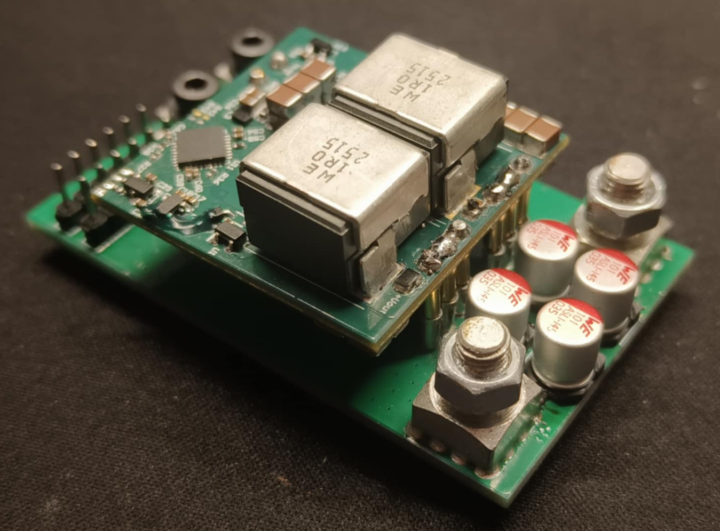
Converter specifications
Description | Value |  | Warning !!
Nominal input voltage | 48 V |  | There is no soft charging feature for the input capacitors
Nominal output voltage | 6 V
Maximum output current | 50 A
Absolute maximum input voltage | 55 V
Absolute maximum output voltage | 8 V
Switching frequency | 400 kHz
Output voltage ripple | < 100 mV (@ the nominal operating point)
Absolute minimum input voltage | 20 V

Converter operation and description of main functionalities at nominal conditions. |  |  |  | The converter operating and protection limits can be configured with the following parameters
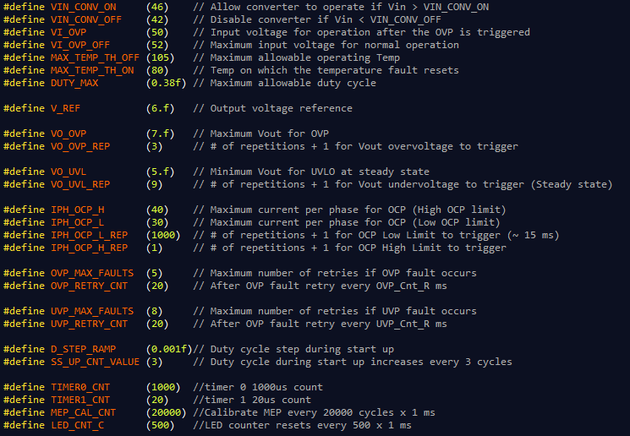
The converter will start the normal operation when the input voltage during power up is > 46 V. The start up procedure will finish in 20 ms.
The converter will shutdown when the input voltage is < 42 V. The converter will start operating again if the input voltage is > 46 V.
The converter will shutdown if the input voltage is > 52 V. The converter will start operating again if the input voltage is < 50 V.
The converter will shutdown if the maximum voltage measured on the power stage is > 105 °C. The converter will start operating again if the maximum temperature is < 80 °C
The nominal output voltage of the converter is 6 V and the closed loop ensures the regulation of the output voltage +- 1%.
If the output voltage is > 7 V the converter shuts down. Then after 20 ms retries to start up. If there are 5 overvoltage protection events then the fault latches.
If the output voltage is < 5 V during steady state the converter shuts down. Then after 20 ms retries to start up. If there are 8 undervoltage protection events then the fault latches.
For the overcurrent protection two limits are used. The low or soft limit and the high or hard limit.
For the low limit, if the current measurement of any phase is greater than 30 A for 1000 consecutive sampling cycles (fs = 67 kHz) then the converter shuts down. (~15ms overload)
For the high limit, if the current measurement of any phase is greater than 40 A for 2 consecutive sampling cycles (fs = 67 kHz) then the converter shuts down.
If a fault condition is triggered then the converter will enter into a latch fault condition.
In order to restart the converter and clear the fault the input voltage should be < 42 V.

The above operating and protection limits can be configured by adjusting accordingly the definitions as shown on the figure.
Consider any hardware limitations applied before any change.
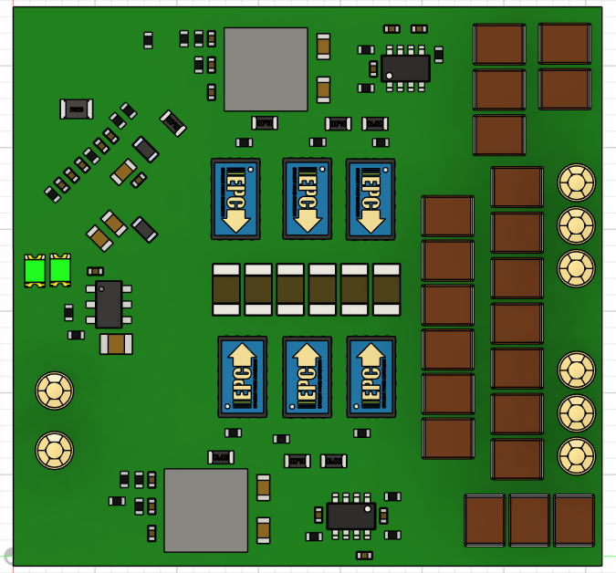

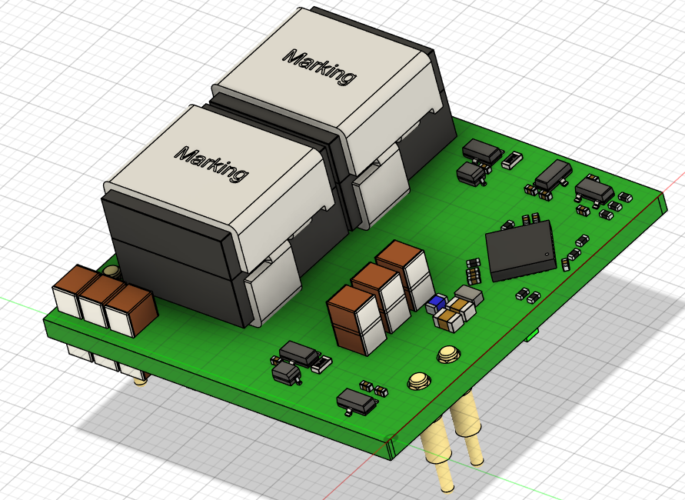

 |  |  |  |  | Converter Physical Dimensions
 |  |  |  |  | Length | 30 | mm
 |  |  |  |  | Width | 20 | mm
 |  |  |  |  | Height | 15.6 | mm
 |  |  |  |  | Volume | 0.57118224384 | in^3
 |  |  |  |  | Power density | 1050.4528221 | W/in^3

User LEDs operation
Converter State | LED operation
 | Green LED | Red LED
Normal operation | ON | OFF
Vin Overvoltage protection | Blink: 0.5 sec ON, 0.5 sec OFF, 0.5 sec ON.. | OFF
Vin Undervoltage protection | Blink: 1 sec ON, 1 sec OFF, 1 sec ON.. | OFF
Vout Undervoltage protection | OFF | Blink: 1 sec ON, 1 sec OFF, 1 sec ON..
Vout Overvoltage protection | OFF | Blink: 0.5 sec ON, 0.5 sec OFF, 0.5 sec ON..
Overcurrent protection | Blink: 0.5 sec ON, 0.5 sec OFF, 0.5 sec ON.. | Blink: 0.5 sec ON, 0.5 sec OFF, 0.5 sec ON..
Over temperature protection | OFF | ON

Converter_SteadyState
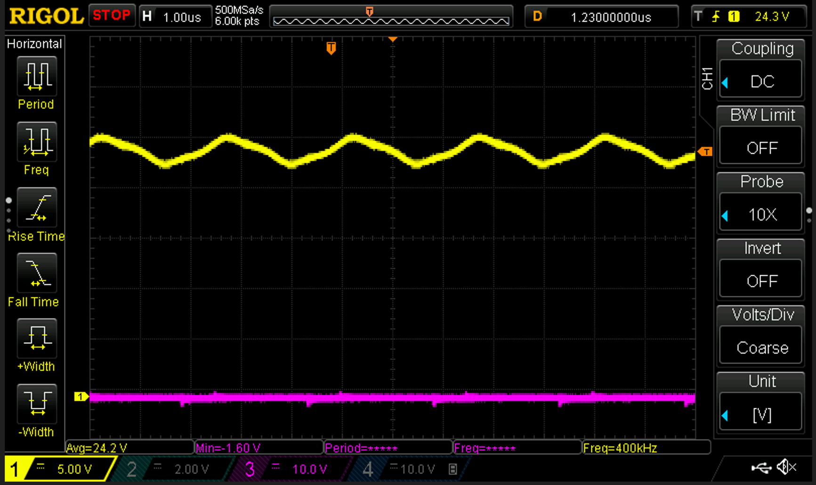
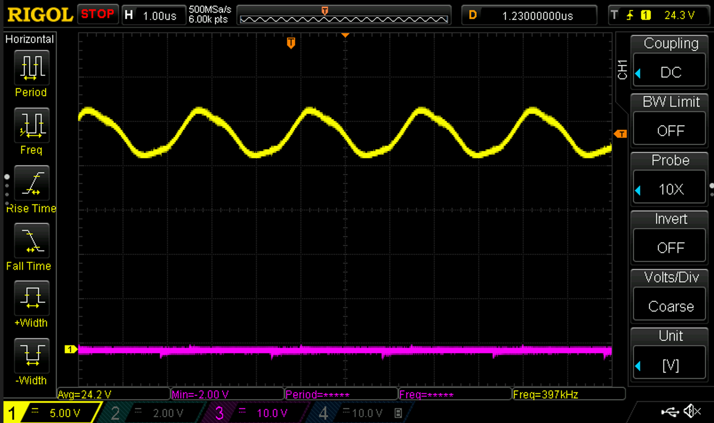
Switching Node Waveforms

Load 25 A
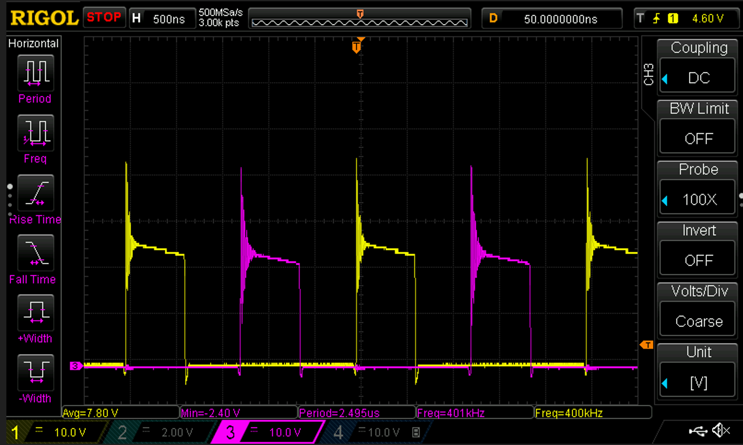
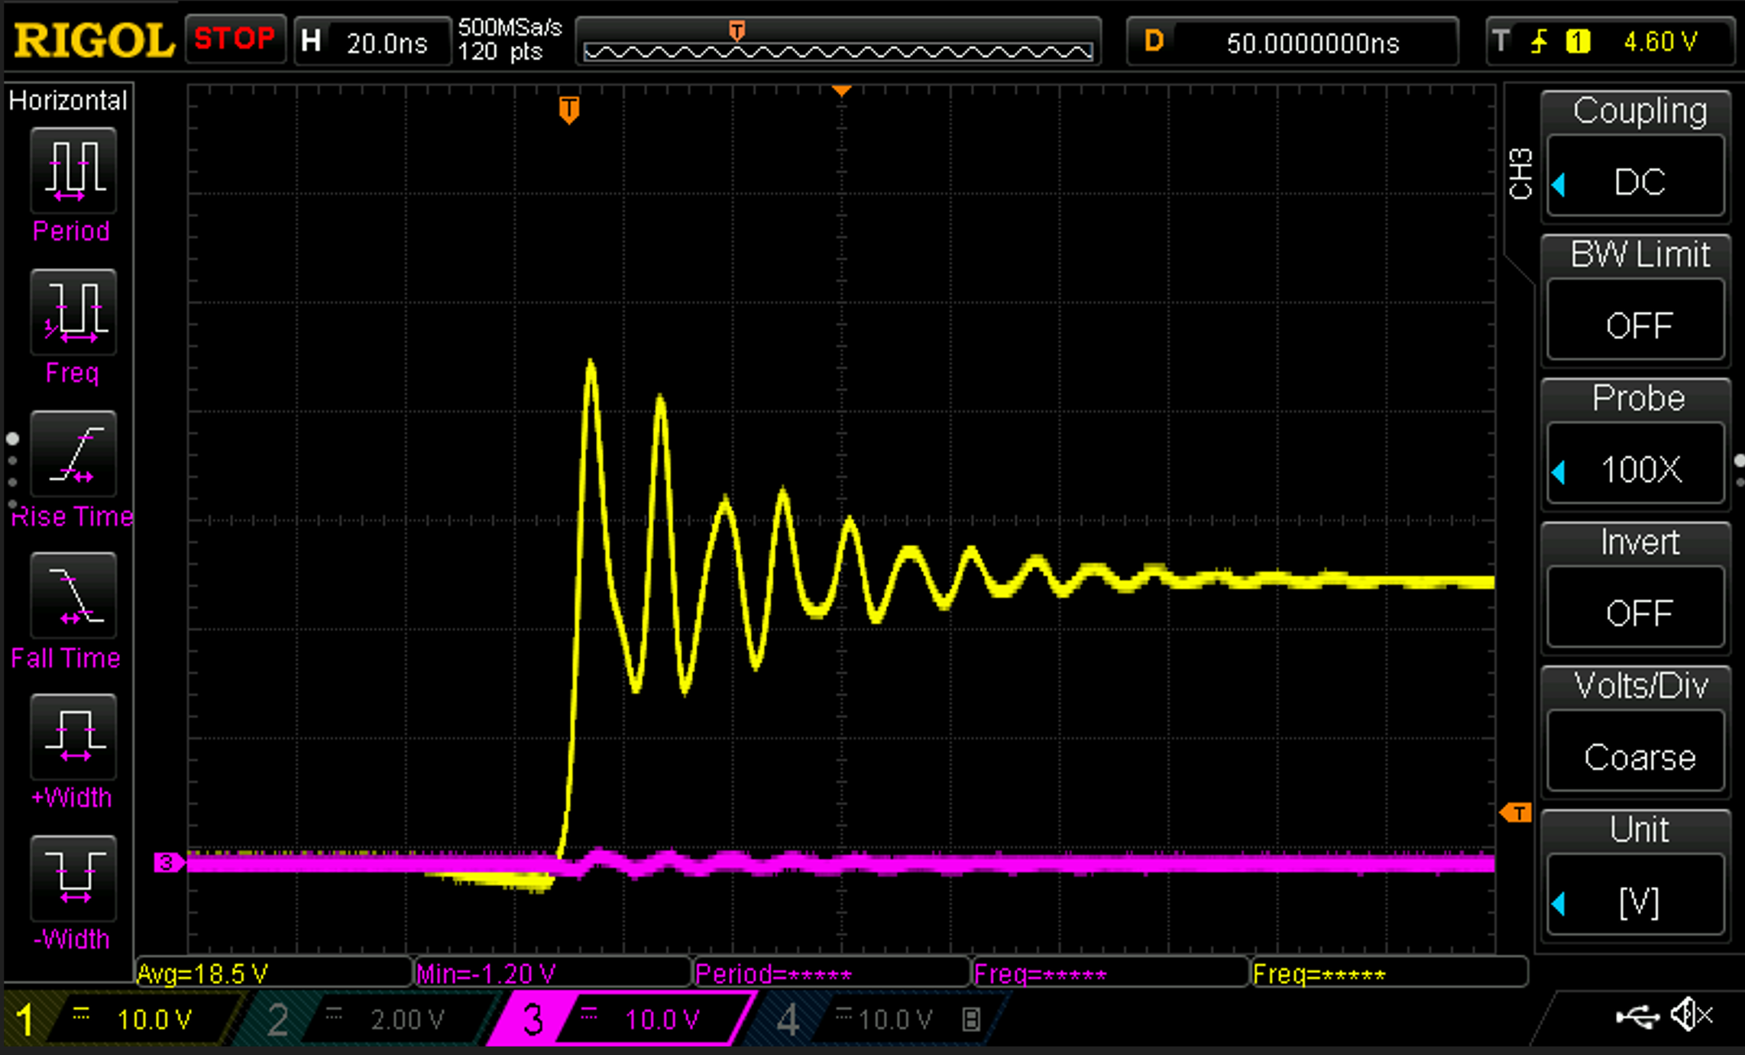
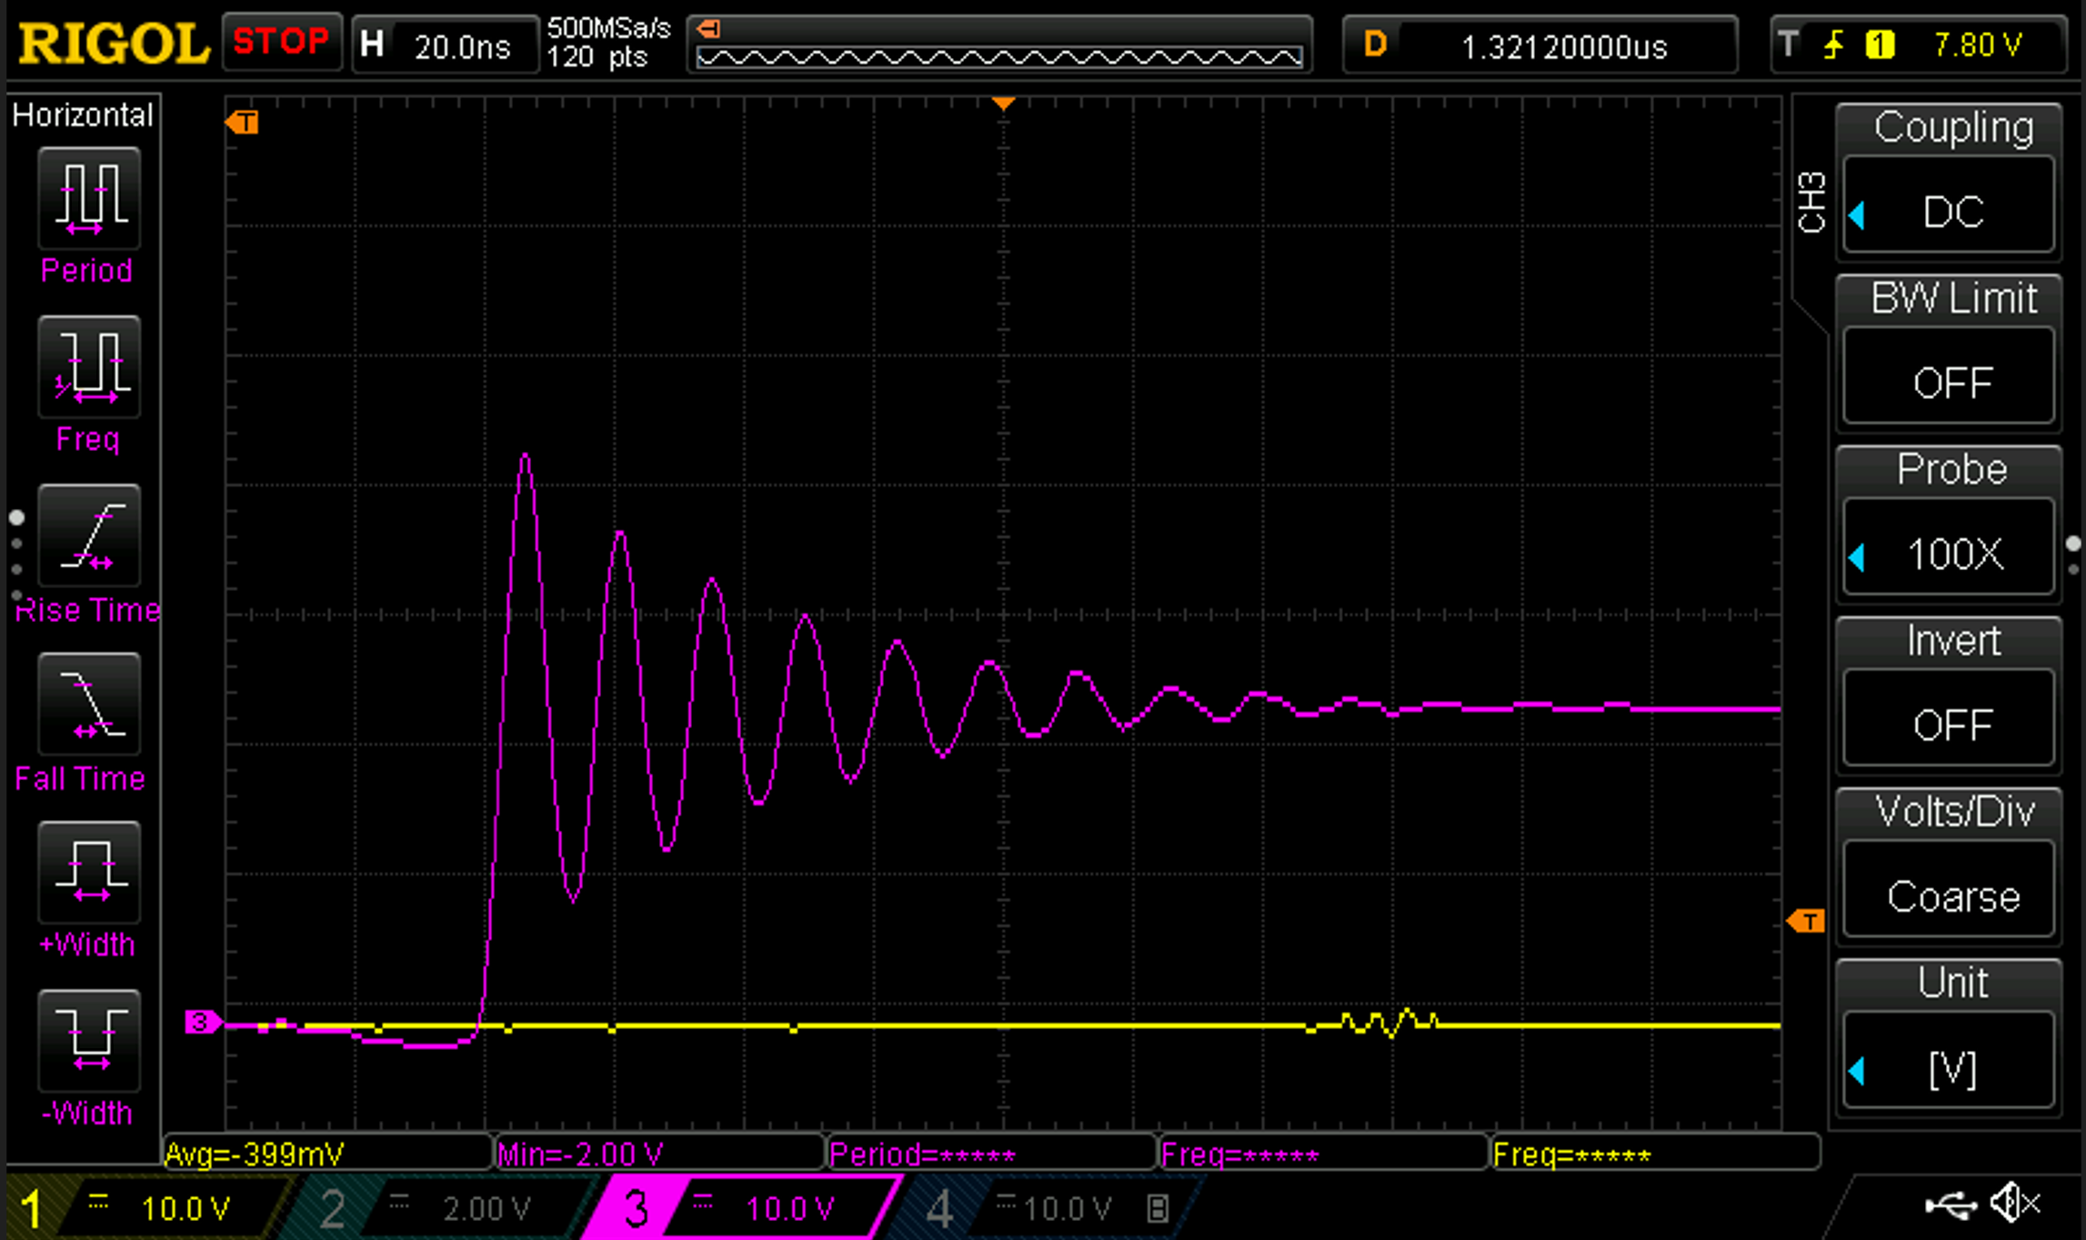

Load 50 A
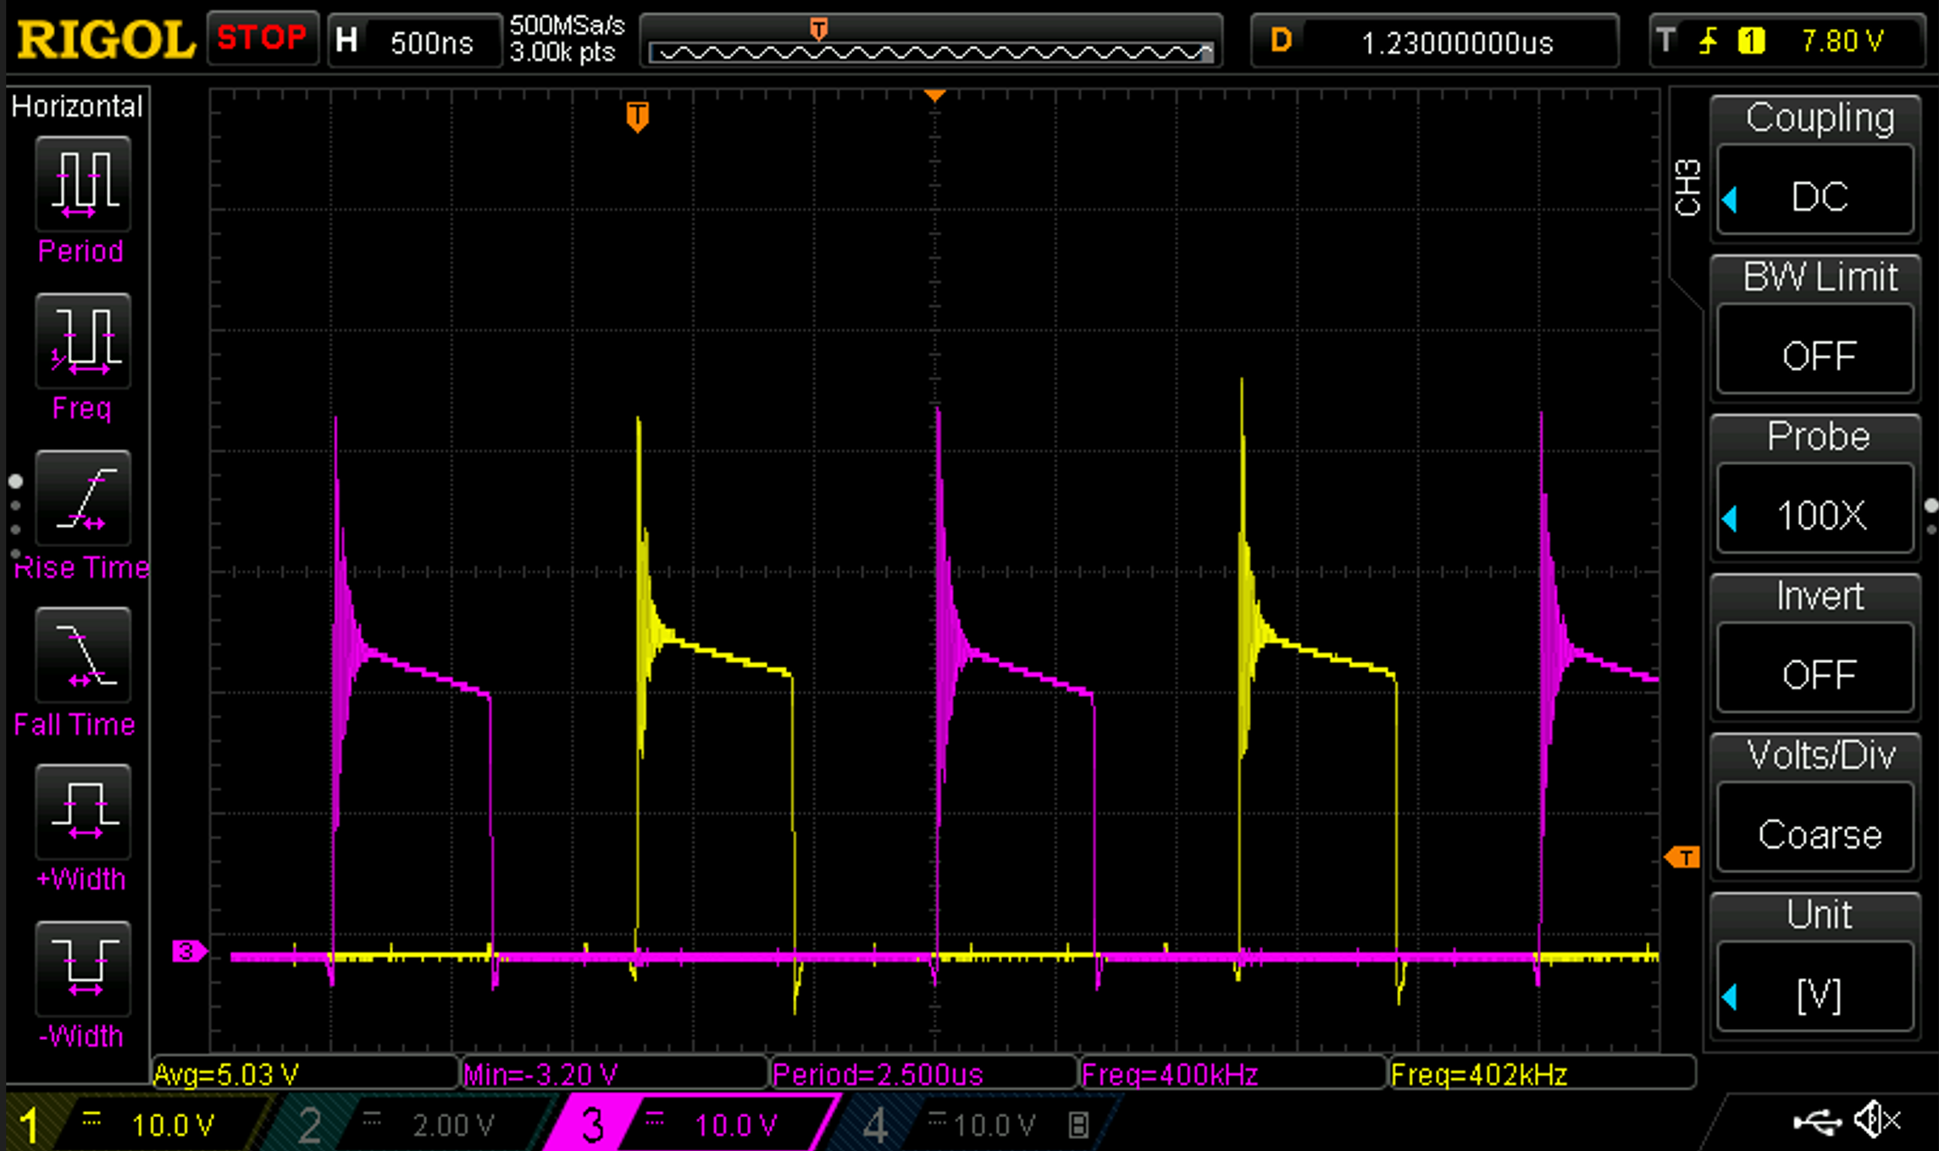

Vout ripple 50 A load

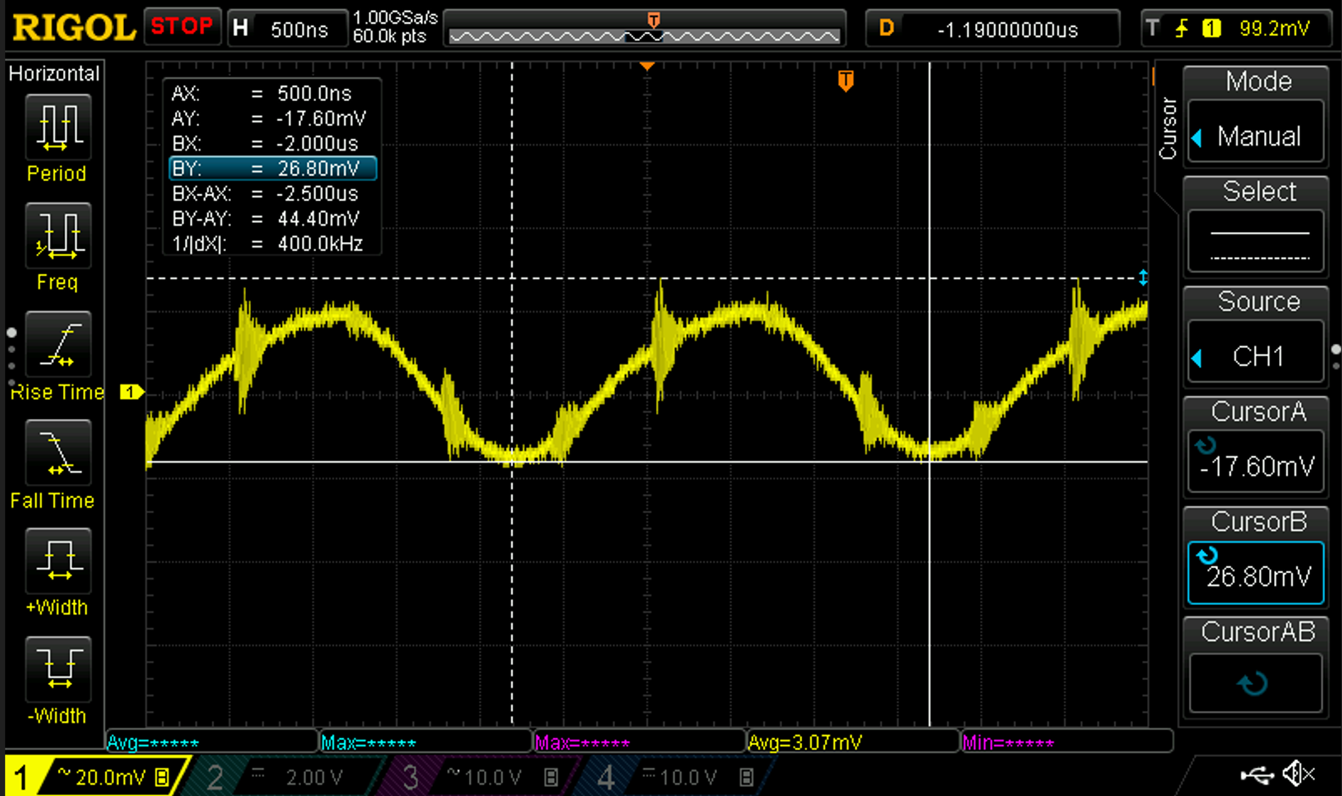

Series capacitor Ripple

25 A load | 50A load

Converter_StartUp
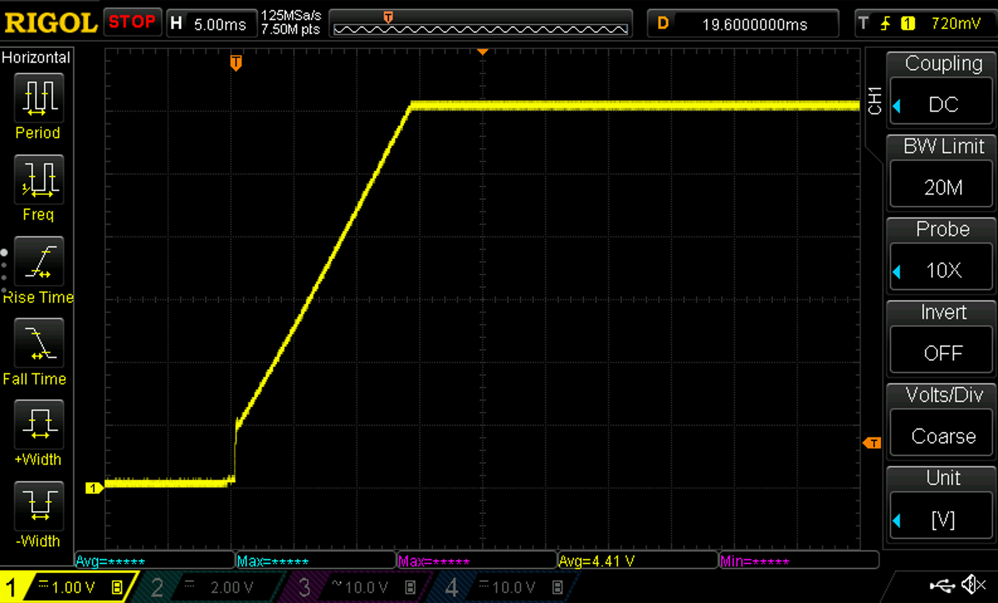
Output voltage waveforms

Start Up @ 0 A load
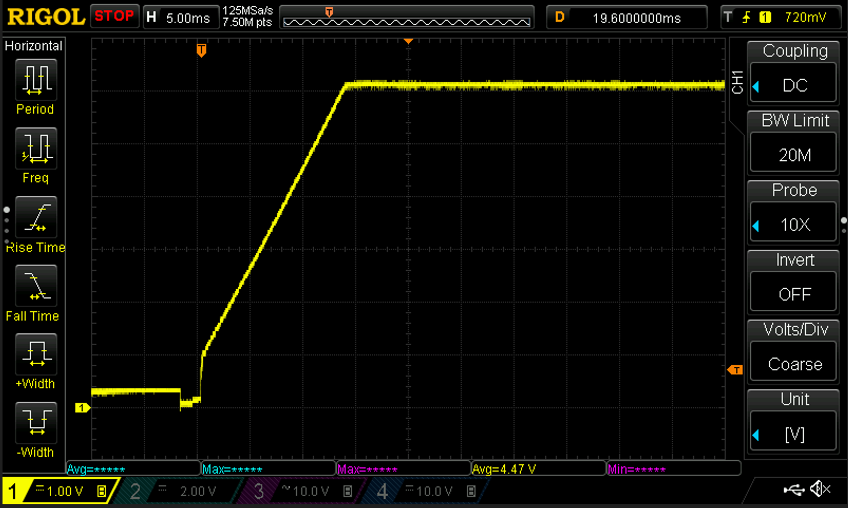

Start Up @ 25 A Load
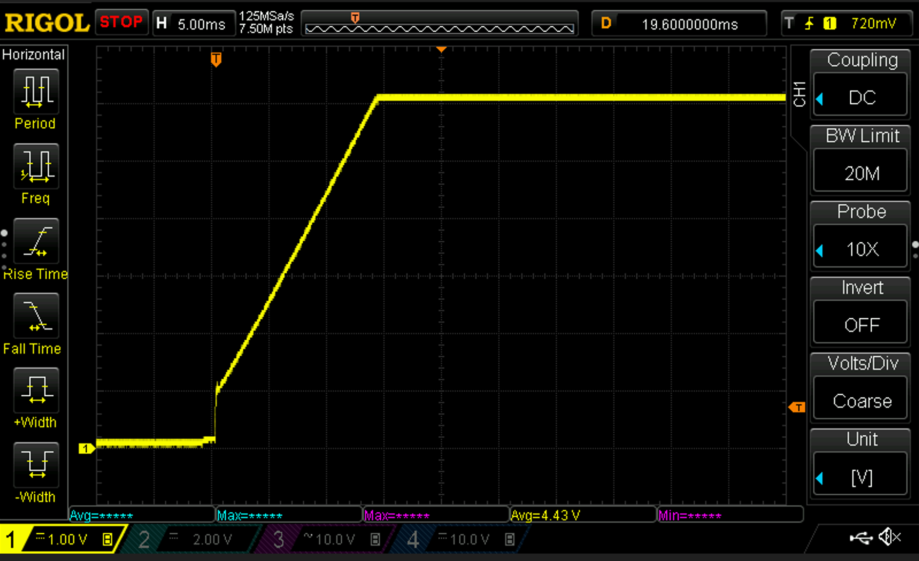

Start Up @ 50 A Load

ProtectionsAndOpLimits
Wavefroms
Output voltage | Yellow
Input voltage | Magenta

Undervoltage protection and restart (10 A load)
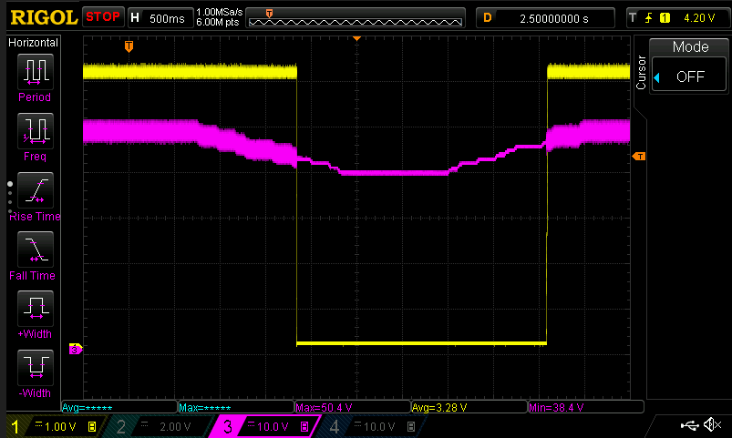

 |  |  | Converter is enabled if the input voltage is greater than 46 V.
 |  |  | Converter is disabled if the input voltage is below 40 V

Overvoltage protection and restart (22 A load)
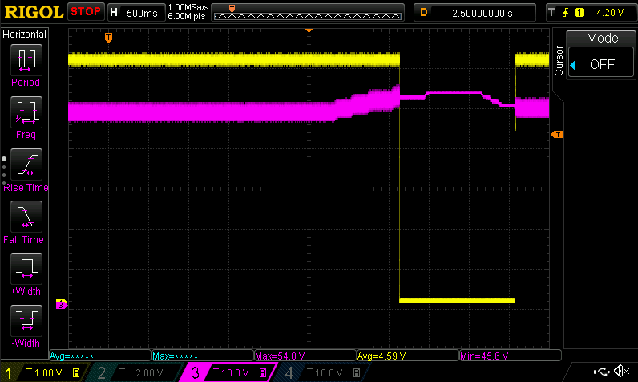

 |  |  | Converter is disabled if the input voltage is greater than 52 V
 |  |  | Converter is enabled if the input voltage is lower than 50 V

Output overvoltage protection (22 A load)

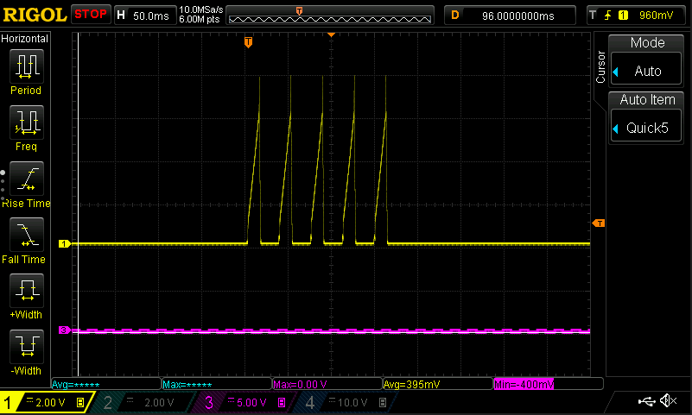

 |  |  | Overvoltage is intruduced manually by changing the reference of the voltage loop to 8 V (from 6 V).
 |  |  | If an overvoltage event (Vout > 7 V) is detected then the converter shuts down and tries to restart after 20 ms.
 |  |  | If 5 overvoltage events are detected in total the converter shuts down and the fault latches.

Output undervoltage protection (22 A load)
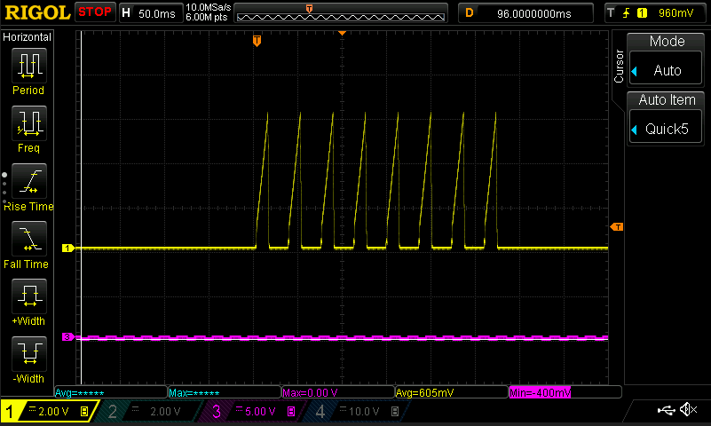

 |  |  | Undervoltage is intruduced manually by changing the reference of the voltage loop to 4,5 V (from 6 V).
 |  |  | If an undervoltage event (Vout <5 V) is detected then the converter shuts down and tries to restart after 20 ms.
 |  |  | If 8 undervoltage events are detected in total the converter shuts down and the fault latches.

Shortcircuit protection output (short circuit applied before the start up of the converter)
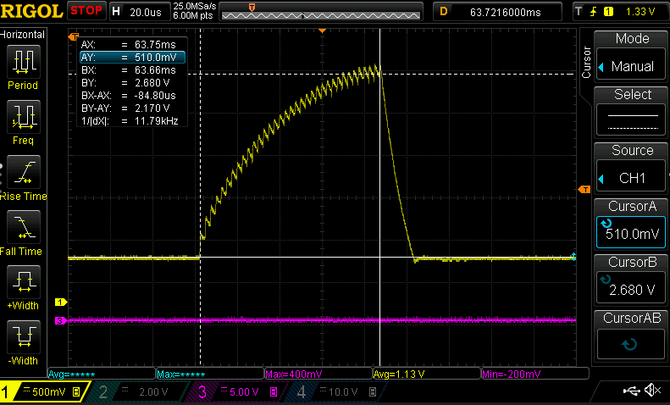

 |  | If the sampled current of any phase is greater than 40 A for two consecutive sampling cycles (fs = 67 kHz) converter is off

TransientResponse
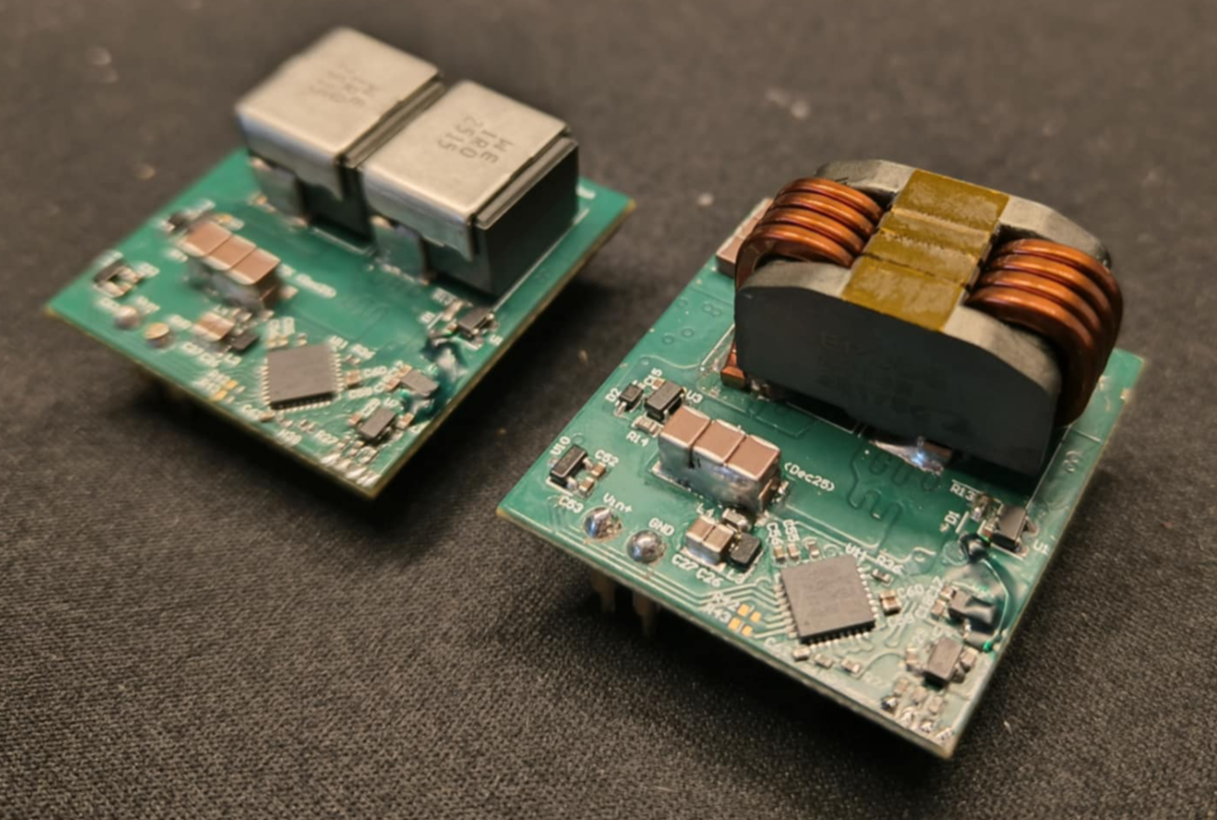
Output waveform AC coupled
Load jumps 25 A - 38 A and 38 A - 25 A (~ 1A/us)
Controller structure: Lag controller + integrator
Controll loop execution period: 15 us

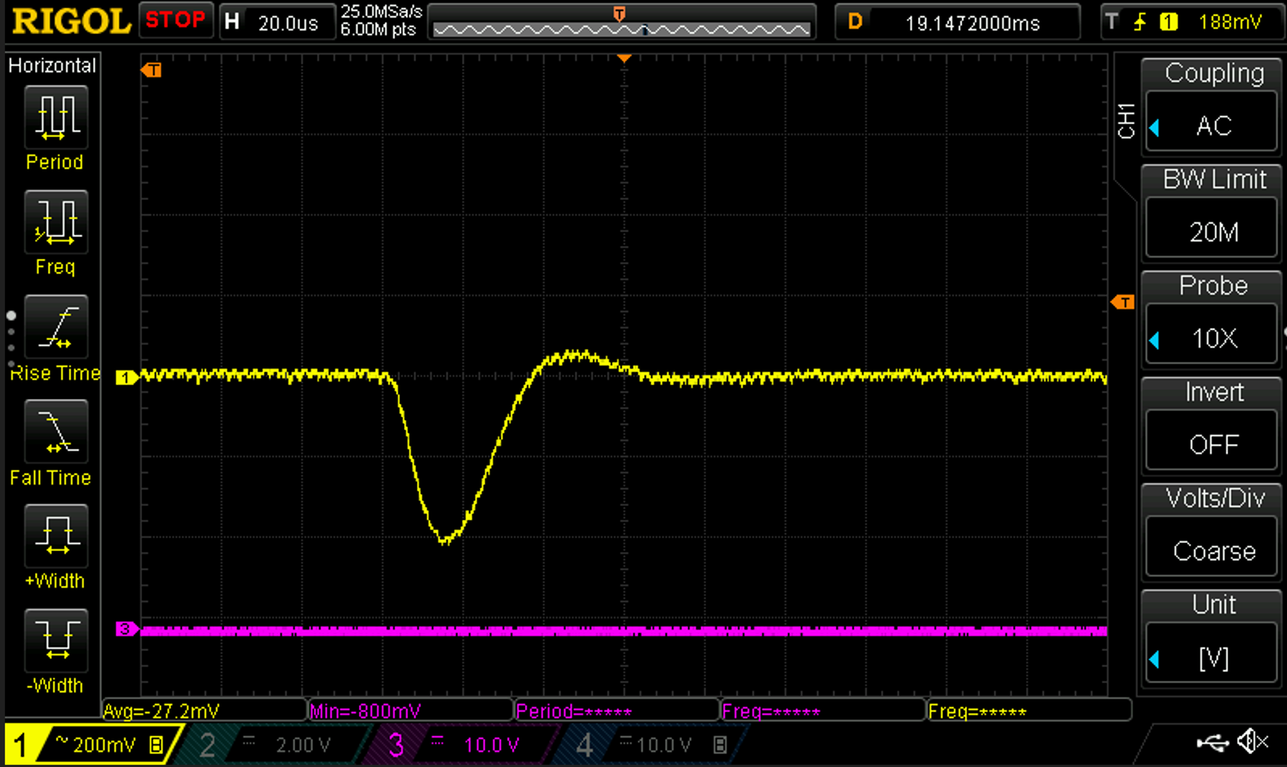
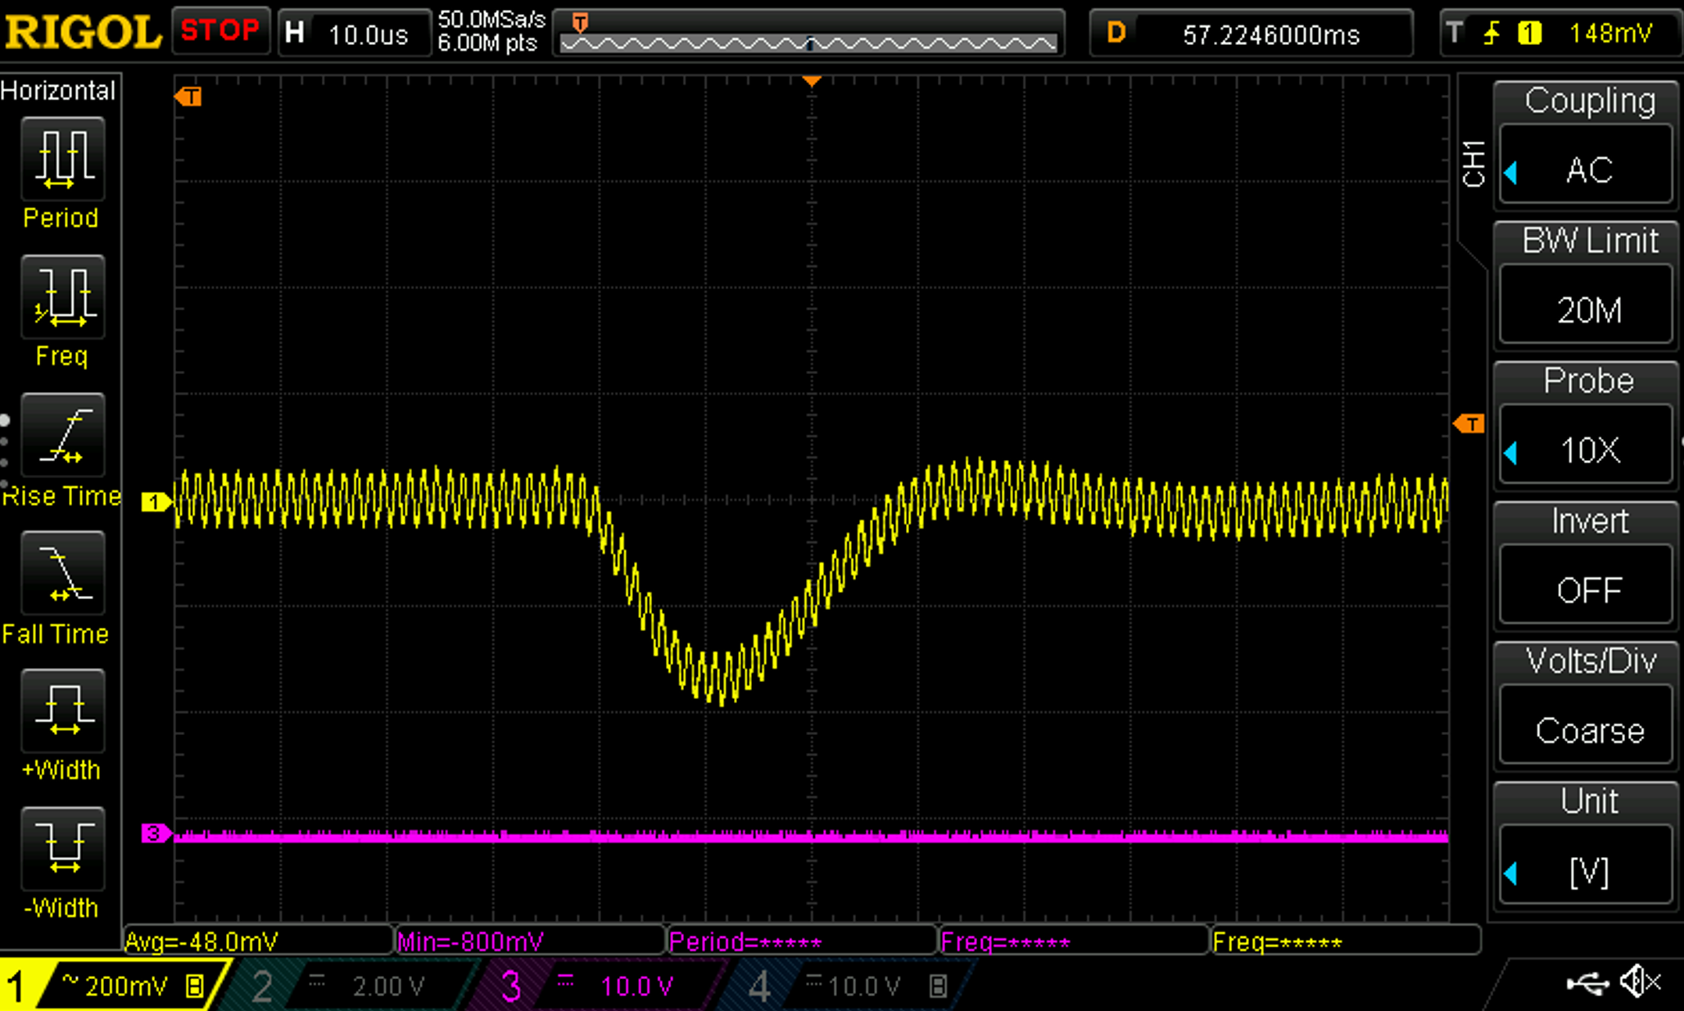

Individual 1 uH inductor per phase | Coupled inductor (700 nH leakage per phase and 1.9 uH magnetizing inductance)

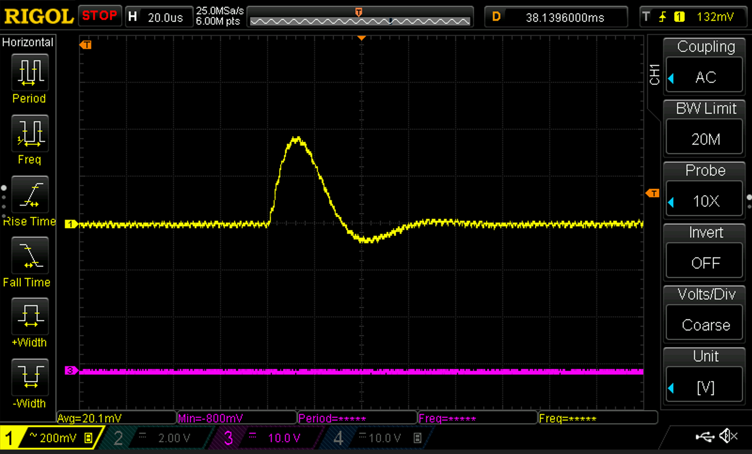
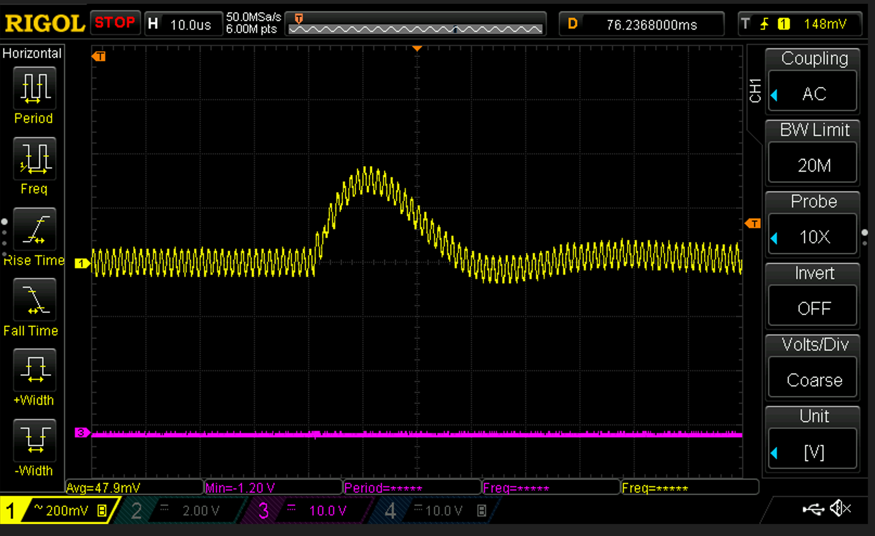

Individual 1 uH inductor per phase | Coupled inductor (700 nH leakage per phase and 1.9 uH magnetizing inductance)

FEM
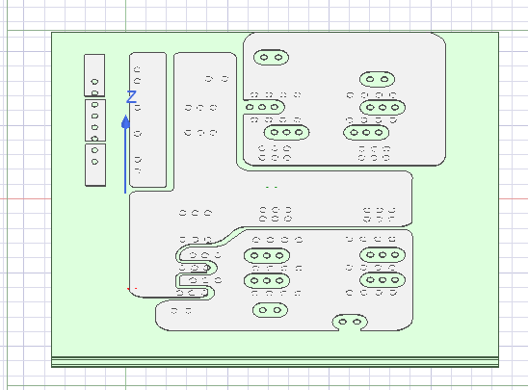
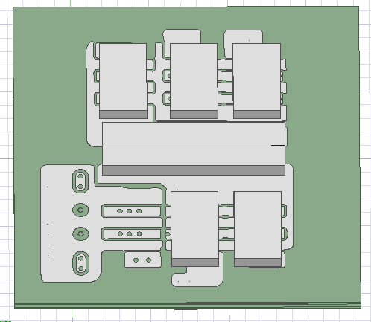
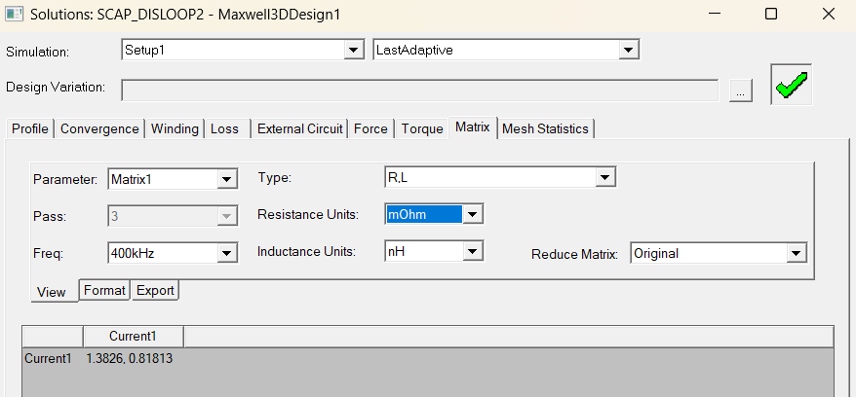
Main/charging loop (inductance and resistance) [Red loop]
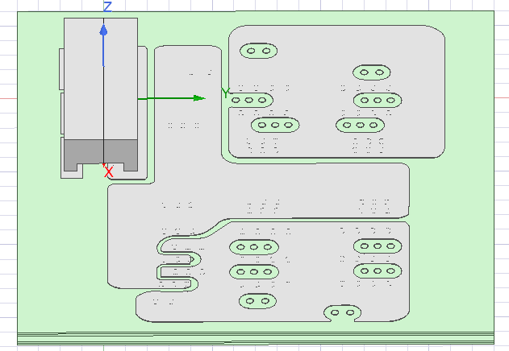
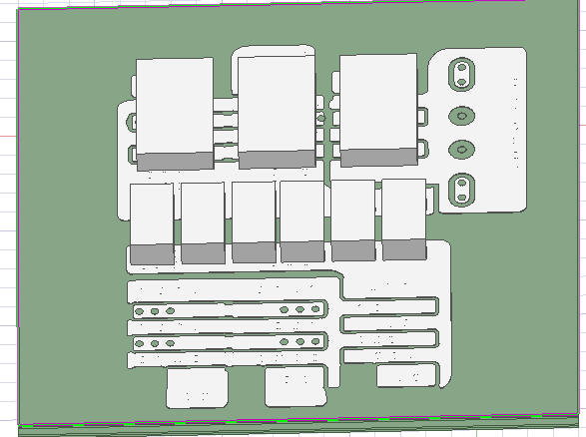
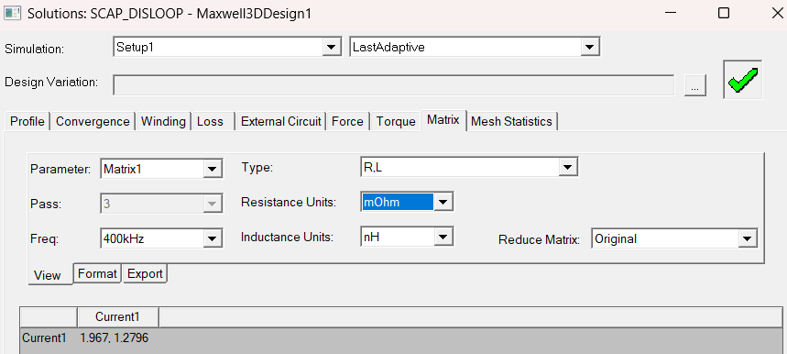

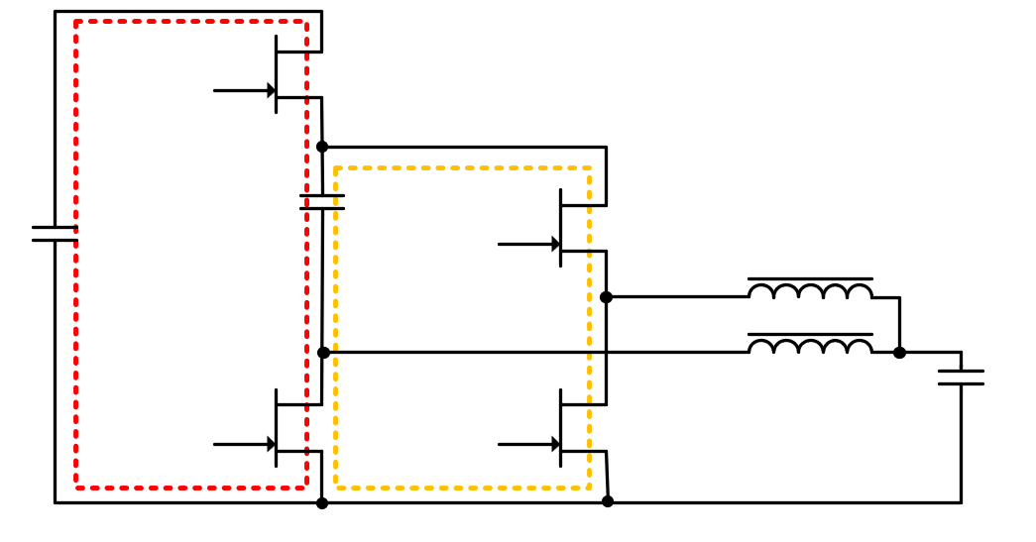

Secondary/Discharging loop (inductance and resistance) [Orange loop]

