PowerInfo
PinName | PowerUpSequence | Ifold:CP1 | Ifold:FT1 | PowerDownSequence
VDD_AON | 2 | 0.1 | 0.1 | 5
VDD_DIG | 4 | 1.8 | 1.8 | 3
U_VDD_RAD | 5 | 0.1 | 0.1 | 2
VDD_PCIE | 5 | 0.1 | 0.1 | 2
VDD_PCIE_CMN_AVDD | 5 | 0.1 | 0.1 | 2
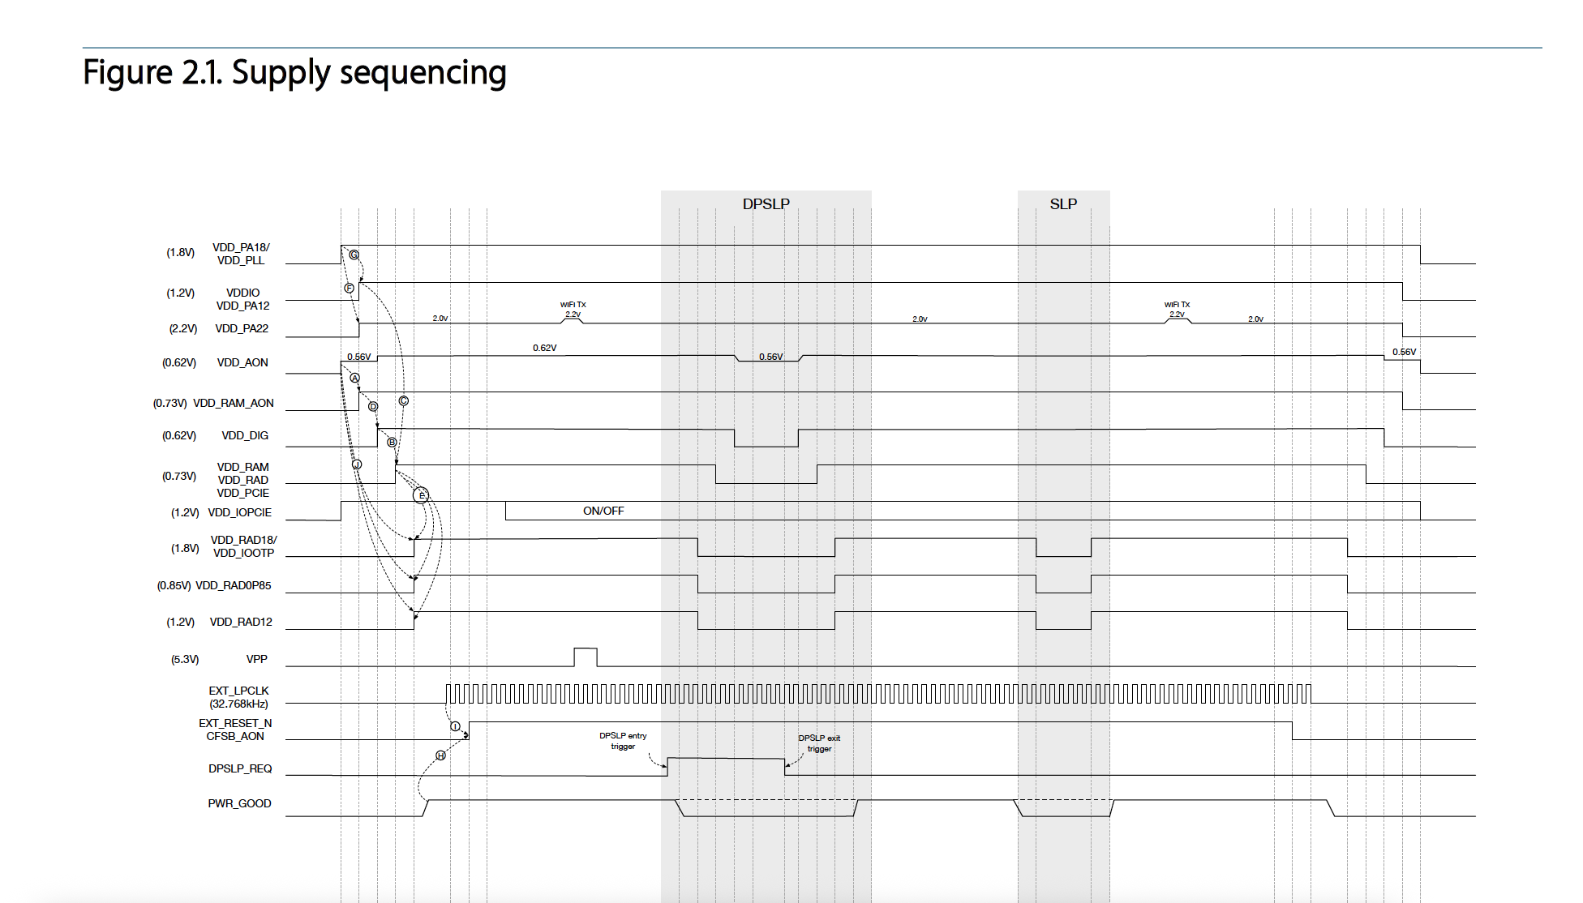
VDD_PCIE_XCVR_AVDD | 5 | 0.1 | 0.1 | 2
VDD_RAD_2G | 5 | 0.1 | 0.1 | 2
VDD_RAD_5G | 5 | 0.1 | 0.1 | 2
VDD_RAM | 5 | 1.8 | 1.8 | 2
VDD_RAM_AON | 3 | 1.4 | 1.4 | 4
VDD_RAM_AON_ULPPLL | 3 | 0.1 | 0.1 | 4
U_VDD_RAD0P85 | 6 | 0.2 | 0.2 | 1
VDD_RAD0P85_2G | 6 | 0.2 | 0.2 | 1
VDD_RAD0P85_5G | 6 | 0.2 | 0.2 | 1
U_VDD_PA12 | 3 | 0.3 | 0.3 | 4
VDD_PA12 | 3 | 0.1 | 0.1 | 4
VDD_RAD12 | 6 | 0.6 | 0.6 | 1
VDDIO | 3 | 0.1 | 0.1 | 4
VDD_IOPCIE | 2 | 0.1 | 0.1 | 5
VDDIO12_GRP | 3 | 1 | 1 | 4
U_VDD_PA18 | 2 | 0.4 | 0.4 | 5
VDD_PA18 | 2 | 0.15 | 0.15 | 5
VDD_RAD18 | 6 | 0.1 | 0.1 | 1
VDD_IOOTP | 6 | 0.1 | 0.1 | 1
VDD_PLL | 2 | 0.1 | 0.1 | 5
VDD_PA22 | 3 | 0.9 | 0.9 | 4
VPP_OTP | NC | 0.02 | 0.02 | NC
RT_CLK | T1:InitLO;T9:InitHi | 0 | 0 | T1:InitLO
U_PADIN_EXT_RESET_N | T1:InitLO;T9:InitHi | 0 | 0 | T1:InitLO
PADIO_EXT_RESETN | T1:InitLO;T9:InitHi | 0 | 0 | T1:InitLO
CFSB_AON | T1:InitLO;T9:InitHi | 0 | 0 | T1:InitLO
DPSLP_REQ | T1:InitLO | 0 | 0 | T1:InitLO
PWR_GOOD | T1:InitLO;T8:InitHi | 0 | 0 | T1:InitLO
PCIE_IC_VCC | 7 | 0.2 | 0.2 | 0
QSPI_PWR | 7 | 0.2 | 0.2 | 0
TCXO_PWR | 7 | 0.2 | 0.2 | 0
SPIROM_VCC | 7 | 0.2 | 0.2 | 0
JTAG_PWR | 7 | 0.2 | 0.2 | 0
S11_PW_1V2 | 7 | 0.2 | 0.2 | 0
BUFFER_PWR1 | 7 | 0.2 | 0.2 | 0
BUFFER_PWR2 | 7 | 0.2 | 0.2 | 0

 |  |  |  |  | Note: EXT_LPCLK = RT_CLK; EXT_RESET_N= PADIO_EXT_RESETN+U_PADIN_EXT_RESET_N

Flow_EVS
ProximaW TC CAVS/EVS (N7RF)

CAVS - Proposed voltage:
Power Rail (CP) | Power Rail (FT) | NV (V) | EVS proposal (V)
VDD_AON | VDD_AON | 0.62 | 1.5 x NV | 0.93 | Voltage 0.564 - 0.62
VDD_DIG | VDD_DIG | 0.62 | 1.5 x NV | 0.93
U_VDD_RAD | U_VDD_RAD | 0.73 | 1.5 x NV | 1.095
 | U_VDD_RAD_XO | 0.73 | 1.5 x NV | 1.095
VDD_PCIE | VDD_PCIE | 0.73 | 1.5 x NV | 1.095
VDD_PCIE_CMN_AVDD |  | 0.73 | 1.5 x NV | 1.095
VDD_PCIE_XCVR_AVDD |  | 0.73 | 1.5 x NV | 1.095
VDD_RAD_2G | VDD_RAD_2G | 0.73 | 1.5 x NV | 1.095
VDD_RAD_5G | VDD_RAD_5G | 0.73 | 1.5 x NV | 1.095
VDD_RAM | VDD_RAM | 0.73 | 1.5 x NV | 1.095
VDD_RAM_AON | VDD_RAM_AON | 0.73 | 1.5 x NV | 1.095
VDD_RAM_AON_ULPPLL |  | 0.73 | 1.5 x NV | 1.095
U_VDD_RAD0P85 | U_VDD_RAD0P85 | 0.85 | 1.5 x NV | 1.275
VDD_RAD0P85_2G | VDD_RAD0P85_2G | 0.85 | 1.5 x NV | 1.275
VDD_RAD0P85_5G | VDD_RAD0P85_5G | 0.85 | 1.5 x NV | 1.275
U_VDD_PA12 | U_VDD_PA12 | 1.2 | 1.5 x NV | 1.80
VDD_PA12 | PP1V2_VDD_PA_2G | 1.2 | 1.5 x NV | 1.80
 | PP1V2_VDD_PA_5G | 1.2 | 1.5 x NV | 1.80
VDD_RAD12 | VDD_RAD12 | 1.2 | 1.5 x NV | 1.80
VDDIO | VDDIO | 1.2 | 1.5 x NV | 1.80
VDDIO12_GRP |  | 1.2 | 1.5 x NV | 1.80
VDD_IOPCIE | VDD_IOPCIE | 1.2 | 1.5 x NV | 1.8
U_VDD_PA18 | U_VDD_PA18 | 1.8 | - | 2.4
VDD_PA18 | PP1V8_VDD_PA_2G | 1.8 | - | 2.4
 | PP1V8_VDD_PA_5G | 1.8 | - | 2.4
VDD_RAD18 | VDD_RAD18 | 1.8 | - | 2.4
VDD_IOOTP | VDD_IOOTP | 1.8 | - | 2.4
VDD_PLL | VDD_PLL | 1.8 | - | 2.4
VDD_PA22 | VDD_PA22 | 2.2 | 1.1 x NV | 2.42
VPP_OTP | VPP_OTP | 5.3 | n/a | - | VPP_OTP power off during EVS to avoid accidental OTP programming.

CAVS - Implementation
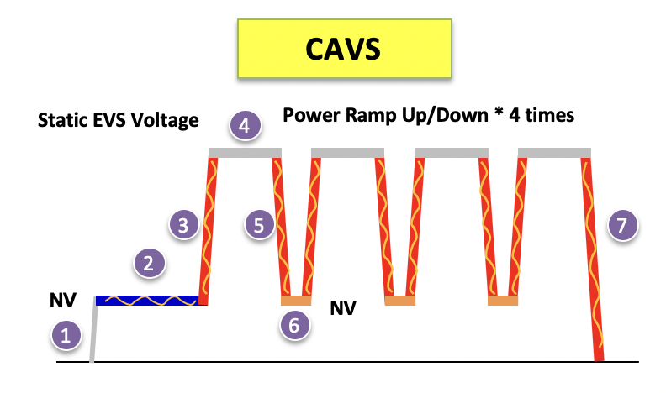

Step | Description | Voltage | Stress Time | Note
1 | Power up sequence | Power to NV | - | 10 ms
2 | Pattern setup (Init + Payload) | NV | - | depends on setup
3 | Power ramp up | see above voltage table | - | 0.1~0.3 V/ms
4 | Static Stress Time | see above voltage table | see below proposal | 1/4 static Stress Time
5 | Power ramp down | Back to NV | - | 0.1V/ms
6 | Tester setup time | NV | - | 6ms (wait 2ms + check alarm 4ms)
7 | Power down sequence | - | - | 0.1~0.3 V/ms

CAVS - Stress Time:
 | 1) ATPG_EVS, 2 SA PL patterns, apply each PL pattern total CAVS duration =~ 500ms
 | For each ATPG SA PL:
 | Run thru pattern and stop at the last vector
 | Above Step-4, apply Static Stress Time = 120ms

 | 2) MBIST_EVS, 2 MBIST-ALLGRP patterns, apply each PL pattern total CAVS duration =~ 500ms
 | For each MBIST ALLGRP PL:
 | Run thru pattern and stop at the last vector
 | Above Step-4, apply Static Stress Time = 120ms

CAVS - ATE Binning request:
 | Assign a dedicated Fail Bin to indicate the CAVS/EVS failure
 | Propose to run NV at pre CAVS/EVS, then NV at post CAVS/EVS. HV/LV can be added at post CAVS/EVS

Prxoima CAVS/EVS PL patterns:
EVS | SAA_INIT_EVS | EVS |  |  |  |  |  | PP_PXWA0_S_IN01_SC_FULL_SAA_COM_AUT_ALLFRV_DM_SCAN_EVS
EVS | EVS_0011 | EVS | IN00_CHIP_INIT_DM | IN01_PMGR_POWERUP_DM | IN02_LAPLL_ENABLE_320M_DM | IN03_CLKSETUP_DM | SAA_INIT_EVS | PP_PXWA0_S_PLLP_CH_FULL_SAA_COM_AUT_ALLFRV_DM_CHAIN_0011
EVS | EVS_1100 | EVS | IN00_CHIP_INIT_DM | IN01_PMGR_POWERUP_DM | IN02_LAPLL_ENABLE_320M_DM | IN03_CLKSETUP_DM | SAA_INIT_EVS | PP_PXWA0_S_PLLP_CH_FULL_SAA_COM_AUT_ALLFRV_DM_CHAIN_1100
CHECKER_BOARD | ALL_GRPS_CHKBD | Production | IN00_CHIP_INIT | IN01_PMGR_POWER_UP_MBIST | IN02_LAPLL_ENABLE_320MHz | IN03_CLKMESH_SETUP | IN04_MBIST_SETUP_VMARGIN | IN05_SERVER_SETUP | PP_PXWA0_S_PL00_BI_BIST_PFF_JTG_UNS_ALLFRV_SI_ALLGRPS_CHKBD
 | ALL_GRPS_INVCHKBD | Production | IN00_CHIP_INIT | IN01_PMGR_POWER_UP_MBIST | IN02_LAPLL_ENABLE_320MHz | IN03_CLKMESH_SETUP | IN04_MBIST_SETUP_VMARGIN | IN05_SERVER_SETUP | PP_PXWA0_S_PL00_BI_BIST_PFF_JTG_UNS_ALLFRV_SI_ALLGRPS_INVCHKBD

FRC
 | RT_CLK | XI0_CLK_48 | RFSW_CTRL_6 | RFSW_CTRL_7 | PCIE_REFCLK_P/PCIE_REFCLK_N | PADIO_STXIN | U_PADIO_XIN/U_PADIO_XOUT(XTAL) always connected
Frequency | 32.768KHZ | 19.2MHZ POR (ULPLL bypass debug mode 48MHZ) | 250MHZ | 156MHZ/200MHz | 100MHz Diff | 26MHz/76.8MHz | 76.8MHz
SCAN | ON | ON | ON | ON | OFF | OFF | ON
MBIST | ON | ON | ON | ON | OFF | OFF | ON
PCIE | ON | ON | OFF | OFF | ON | OFF | ON
LAPLL | ON | ON | OFF | OFF | OFF | OFF | ON
ULPLL | ON | OFF | OFF | OFF | OFF | OFF | ON
Radio | ON | OFF | OFF | OFF | OFF | ON | ON

use UP1600 for FRC REFCLK if 2nd stage is needed

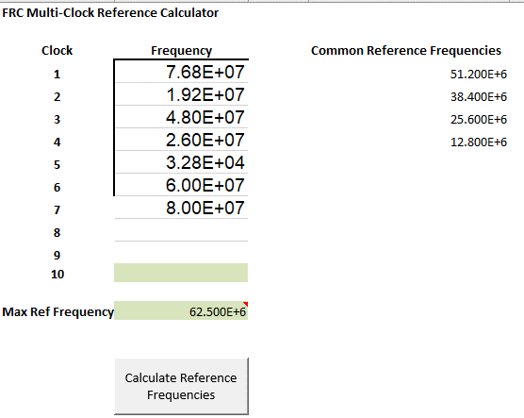
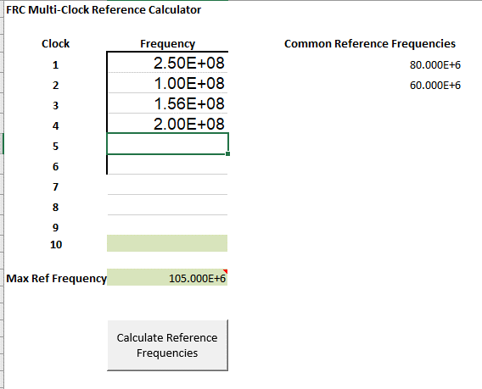
 |  |  |  |  |  | RT_CLK | 32.768KHZ
 |  |  |  |  |  | XI0_CLK_48 | 19.2MHZ POR (ULPLL bypass debug mode 48MHZ)
 |  |  |  |  |  | RFSW_CTRL_6 | 250MHZ
 |  |  |  |  |  | RFSW_CTRL_7 | 156MHZ/200MHz
 |  |  |  |  |  | PCIE_REFCLK_P/PCIE_REFCLK_N | 100MHz Diff
 |  |  |  |  |  | PADIO_STXIN | 26MHz/76.8MHz

 |  |  |  |  |  |  |  | UP1600 | FRC | Clock Channels | Data Channels | Frequency | Pin Name | CLK CH | site0 | site1 | site2 | site3 | site4 | site5 | site6 | site7 | site8 | site9 | site10 | site11
 |  |  |  |  |  |  |  | slot#1 | NwirePLL1 | 12-19 | 0-31 | 32.768KHZ | RRT_CLK | 12 | 0 | 1 | 2 | 3 | 4 | 5 | 6 | 7 | 8 | 9 | 10 | 11
 |  |  |  |  |  |  |  |  | NwirePLL2 | 44-51 | 32-63 | 19.2MHz/48MHz | XI0_CLK_48 | 44 | 32 | 52 | 34 | 54 | 36 | 56 | 38 | 58 | 40 | 60 | 42 | 62
 |  |  |  |  |  |  |  |  | NwirePLL3 | 76-83 | 64-95 | 250MHZ | RFSW_CTRL_6 | 76 | 64 | 84 | 66 | 86 | 68 | 88 | 70 | 90 | 72 | 92 | 74 | 94
 |  |  |  |  |  |  |  |  | NwirePLL4 | 108-115 | 96-127 | 156MHZ/200MHz | RFSW_CTRL_7 (FRC+SCAN+DigCap)_Sites 0-1-2-3 | 108 | 96 | 104 | 112 | 120
 |  |  |  |  |  |  |  |  | NwirePLL5 | 140-147 | 128-159 | 26MHz | 76.8MHz | PADIO_STXIN | 140 | 128 | 129 | 130 | 131 | 132 | 133 | 134 | 135 | 136 | 137 | 138 | 139
 |  |  |  |  |  |  |  |  | NwirePLL6 | 172-179 | 160-191 | 100MHZ Diff clock | PCIE_REFCLK_P/N | 172 | 160,161 | 162,163 | 164,165 | 166,167 | 168,169 | 170,171 | 180,181 | 182,183 | 184,185 | 186,187 | 188,189 | 190,191
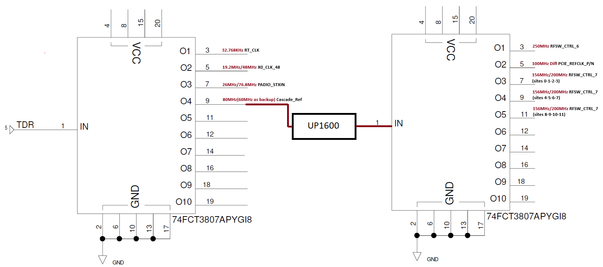
 |  |  |  |  |  |  |  |  | NwirePLL7 | 204-211 | 192-223 | 80MHz or 60MHz | nWire ref clock | 204 | 200 | 200 | 200 | 200 | 200 | 200 | 200 | 200 | 200 | 200 | 200 | 200
 |  |  |  |  |  |  |  |  | NwirePLL8 | 236-243 | 224-255

 |  |  |  |  |  |  |  | UP1600 | FRC | Clock Channels | Data Channels | Frequency | Pin Name | CLK CH | site0 | site1 | site2 | site3 | site4 | site5 | site6 | site7 | site8 | site9 | site10 | site11
 |  |  |  |  |  |  |  | slot#2 | NwirePLL1 | 12-19 | 0-31 | 156MHZ/200MHz | RFSW_CTRL_7 (FRC+SCAN+DigCap)_Sites 4-5-6-7 | 13 |  |  |  |  | 4 | 12 | 20 | 28
 |  |  |  |  |  |  |  |  | NwirePLL2 | 44-51 | 32-63 | 156MHZ/200MHz | RFSW_CTRL_7 (FRC+SCAN+DigCap)_Sites 8-9-10-11 | 45 |  |  |  |  |  |  |  |  | 32 | 40 | 48 | 56
 |  |  |  |  |  |  |  |  | NwirePLL3 | 76-83 | 64-95
 |  |  |  |  |  |  |  |  | NwirePLL4 | 108-115 | 96-127
 |  |  |  |  |  |  |  |  | NwirePLL5 | 140-147 | 128-159
 |  |  |  |  |  |  |  |  | NwirePLL6 | 172-179 | 160-191
 |  |  |  |  |  |  |  |  | NwirePLL7 | 204-211 | 192-223
 |  |  |  |  |  |  |  |  | NwirePLL8 | 236-243 | 224-255

