User Guide
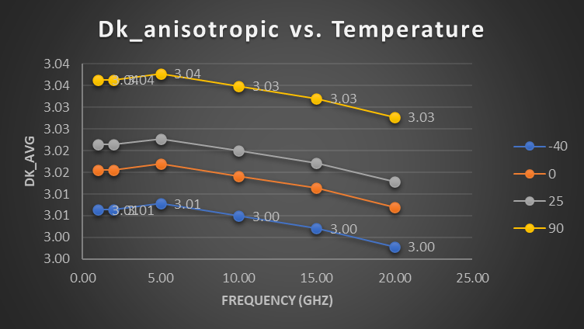
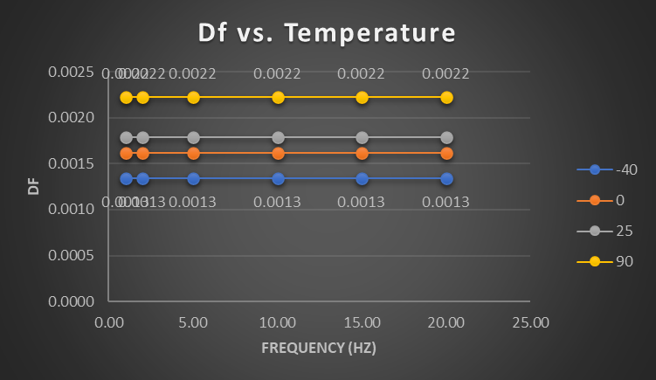
About this tool…

USER GUIDE

NOTES: | Do enter user input ONLY in the yellow-highlighted cells

1- Input the stripline dimensions, PCB process constants, and temperature coefficients in the Material Database tab, then select the material and desired copper foil process, and observe the values being read in the Material Modeler tab. |  |  |  |  |  |  | 7- Input stripline geometric parameters in the Transmission Line Design tab, along with their manufacturing tolerances. Transmission line impedance, attenuation, and RLGC parameters are calculated for the odd and even modes, with statistical variances (from manufacturing tolerances). Numerical accuracy can be improved by utilizing 2D field solver results for the grey-highlighted cells. The user can also change the temperature at which the parameters are being calculated.
Stripline dimensions |  | PCB process constants | Temperature coefficients |  | Dielectric Material | Copper Foil

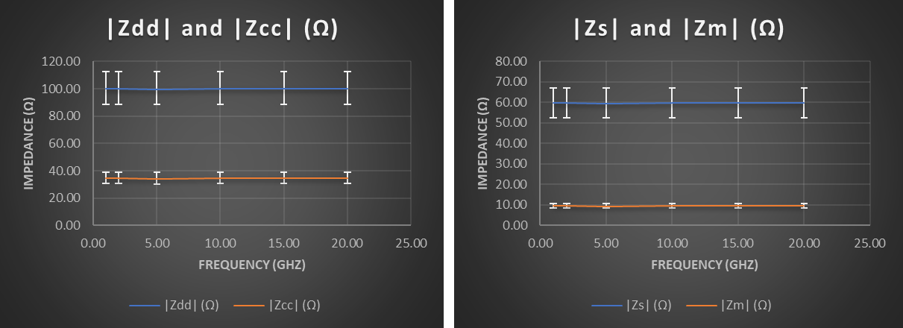
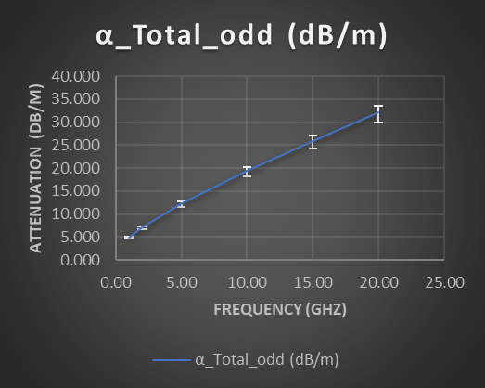
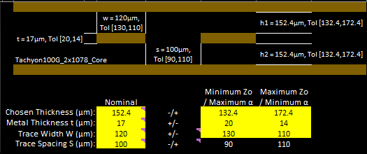

 |  |  |  | 5- The tool calculate the stripline loss components (Dielectric loss, smooth metal, and loss due to roughness). Calculation steps are briefly shown as comments on each cell.
2- The dielectric constant (DK) in-plane values versus frequency (GHz) for different thicknesses/resin contents. In-plane values are those that were characterized by SPC or Cylindrical resonator. When Dk is measured by an in-plane method (SPC or Cylindrical Resonator), effective Dk is linear to resin content for a given glass style. Then enter DF value as well, the DF value should be almost independent from the dielectric thickness.
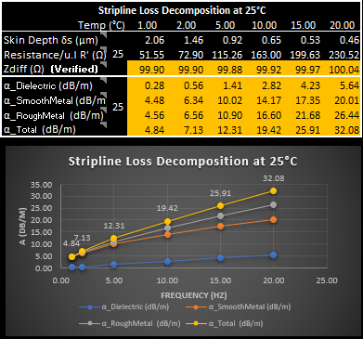

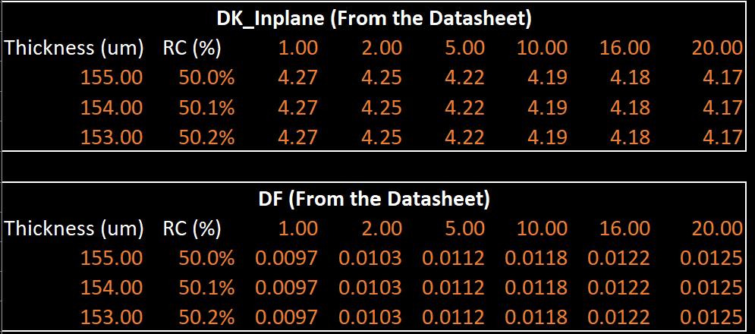

3- The tool will calculate the DK/DF of the resin and the glass separately, then it will use them to calculate the in-plane effective dielectric constant, the out-of-plane value, and the loss tangent for the chosen dielectric thickness. These are the values that should be fed into field simulators. Calculation steps are detailed in the linked reference (PCB Laminate Material Out-of-plane Dielectric Constant Extraction Methodology) https://ieeexplore.ieee.org/document/9874947

 |  |  |  | 6- Input up to 4 values of temperature to calculate the stripline loss vs temperature. The tool takes into consideration the effect of temperature on DK, DF, and Copper conductivity. These are the 4 temperature points at which DK and Df were plotted in the charts in section 4.

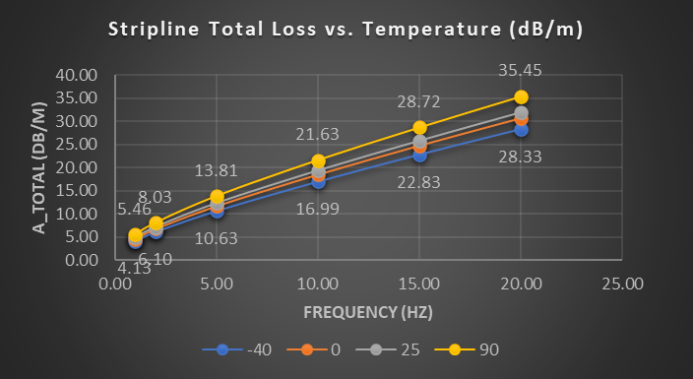
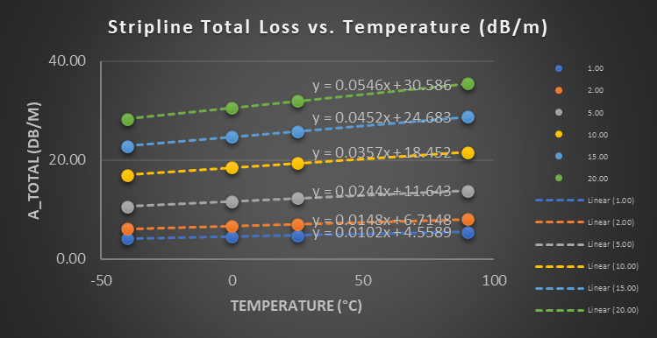

4- The tool also assumes a linear dependence of DK and DF values over temperature as per the Tc_DK (1/°C) and Tc_DF (1/°C) values entered in the Material Database.

Material Modeler
Dk_anisotropic vs. Temperature
Chosen Thickness (µm): |  | 120 |  | Conductivity σo (S/m): |  |  | 5.96E+07 | DK Coeffcient Tc_DK (1/°C): |  |  | -3.4E-04 |  | A | User Input |  | TU863+_1x2116_Preg |  |  |  |  |  | VLP (1x2.75µm) |  |  |  |  |  |  |  |  |  | Stripline Parameters and Loss Decomposition vs Temperature
Metal Thickness t (µm): |  | 17 |  | Temperature To (°C): |  |  | 25 | DF Coeffcient Tc_DF (1/°C): |  |  | 7.2E-03 |  | B | Output |  |  |  |  |  |  |  |  |  |  |  | w = 100µm |  |  | h1 = 120µm |  |  | Temp (°C) |  | 1.00 | 3.00 | 5.00 | 10.00 | 15.00 | 20.00
Trace Width W (µm): |  | 100 | Roughness_RMS Δ (µm): |  |  |  | 0.3980 | Metal Coeffcient α_M (1/°C): |  |  | 4.0E-03 |  | C | Database |  |  |  |  |  |  |  |  |  |  |  |  |  |  |  |  |  | Dk_avg | -40 | 3.84 | 3.83 | 3.80 | 3.78 | 3.75 | 3.71
Final DK Values at Base Temperature
Final DF Values at Base Temperature
Trace Spacing S (µm): |  | 120 |  |  |  |  |  |  |  |  |  |  |  |  |  |  |  |  |  |  |  |  |  | t = 17µm |  |  |  |  |  |  |  | Df |  | 0.0029 | 0.0030 | 0.0032 | 0.0037 | 0.0040 | 0.0043
 |  |  |  |  |  |  |  |  |  |  |  |  |  |  |  |  |  |  |  |  |  |  |  |  |  |  | s = 120µm |  | h2 = 120µm |  |  | δs (µm) |  | 1.77 | 1.02 | 0.79 | 0.56 | 0.46 | 0.40
Note: When Dk is measured by an in-plane method (SPC or Cylindrical Resonator), effective Dk is linear to RC for a given glass style. |  |  |  |  |  |  |  |  |  |  |  |  |  |  |  |  |  |  |  |  |  |  |  |  |  |  |  |  |  |  |  | R' (Ω) |  | 53.12 | 92.00 | 118.77 | 167.97 | 205.71 | 237.54
 |  |  |  |  |  |  |  |  |  |  |  |  |  |  |  |  |  |  |  |  |  |  |  |  |  |  |  |  |  |  |  | Zdiff (Ω) |  | 90.10 | 90.22 | 90.61 | 90.83 | 91.23 | 91.63
DK_Inplane (From the Datasheet) |  |  |  |  |  |  |  |  |  |  |  |  |  |  |  |  |  |  |  |  |  |  |  |  |  |  |  |  |  |  |  | Dk_avg | 0 | 3.79 | 3.78 | 3.75 | 3.73 | 3.70 | 3.66
Thickness (um) | RC (%) | 1.00 | 3.00 | 5.00 | 10.00 | 15.00 | 20.00 |  |  |  |  |  |  |  |  |  |  |  |  |  |  |  |  | Stripline Loss Decomposition at 25°C |  |  |  |  |  |  |  | Df |  | 0.0044 | 0.0046 | 0.0050 | 0.0056 | 0.0061 | 0.0066
122.00 | 53.0% | 4.05 | 4.04 | 4.01 | 3.96 | 3.93 | 3.90 |  |  |  |  |  |  |  |  |  |  |  |  |  |  |  |  | Temp (°C) |  | 1.00 | 3.00 | 5.00 | 10.00 | 15.00 | 20.00 | δs (µm) |  | 1.95 | 1.13 | 0.87 | 0.62 | 0.50 | 0.44
127.00 | 55.0% | 3.98 | 3.97 | 3.94 | 3.90 | 3.87 | 3.84 |  |  |  |  |  |  |  |  |  |  |  |  |  |  |  |  | Skin Depth δs (µm) | 25 | 2.06 | 1.19 | 0.92 | 0.65 | 0.53 | 0.46 | R' (Ω) |  | 58.65 | 101.58 | 131.14 | 185.46 | 227.14 | 262.28
140.00 | 58.0% | 3.89 | 3.88 | 3.85 | 3.81 | 3.78 | 3.75 |  |  |  |  |  |  |  |  |  |  |  |  |  |  |  |  | Resistance/u.l R' (Ω) |  | 61.85 | 107.13 | 138.31 | 195.60 | 239.56 | 276.62 | Zdiff (Ω) |  | 90.71 | 90.84 | 91.23 | 91.45 | 91.85 | 92.25
 |  |  |  |  |  |  |  |  |  |  |  |  |  |  |  |  |  |  |  |  |  |  |  | Zdiff (Ω) (Verified) |  | 92.79 | 92.92 | 93.32 | 93.55 | 93.96 | 94.37 | Dk_avg | 25 | 3.76 | 3.75 | 3.71 | 3.70 | 3.66 | 3.63
DF (From the Datasheet) |  |  |  |  |  |  |  |  |  |  |  |  |  |  |  |  |  |  |  |  |  |  |  | α_Dielectric (dB/m) | 25 | 0.95 | 2.96 | 5.35 | 12.04 | 19.55 | 28.10 | Df |  | 0.0054 | 0.0056 | 0.0061 | 0.0069 | 0.0075 | 0.0081
Df vs. Temperature
Thickness (um) | RC (%) | 1.00 | 3.00 | 5.00 | 10.00 | 15.00 | 20.00 |  |  |  |  |  |  |  |  |  |  |  |  |  |  |  |  | α_SmoothMetal (dB/m) |  | 5.79 | 10.01 | 12.87 | 18.16 | 22.15 | 25.46 | δs (µm) |  | 2.06 | 1.19 | 0.92 | 0.65 | 0.53 | 0.46
122.00 | 53.0% | 0.0054 | 0.0056 | 0.0061 | 0.0069 | 0.0075 | 0.0081 |  |  |  |  |  |  |  |  |  |  |  |  |  |  |  |  | α_RoughMetal (dB/m) |  | 5.98 | 11.00 | 14.96 | 23.72 | 31.51 | 38.54 | R' (Ω) |  | 61.85 | 107.13 | 138.31 | 195.60 | 239.56 | 276.62
127.00 | 55.0% | 0.0054 | 0.0056 | 0.0061 | 0.0069 | 0.0075 | 0.0081 |  |  |  |  |  |  |  |  |  |  |  |  |  |  |  |  | α_Total (dB/m) |  | 6.93 | 13.96 | 20.31 | 35.76 | 51.06 | 66.64 | Zdiff (Ω) |  | 91.09 | 91.22 | 91.62 | 91.84 | 92.24 | 92.65
Stripline Loss Decomposition at 25°C
140.00 | 58.0% | 0.0054 | 0.0056 | 0.0061 | 0.0070 | 0.0076 | 0.0081 |  |  |  |  |  |  |  |  |  |  |  |  |  |  |  |  |  |  |  |  |  |  |  |  | Dk_avg | 90 | 3.67 | 3.66 | 3.63 | 3.61 | 3.58 | 3.55
 |  |  |  |  |  |  |  |  |  |  |  |  |  |  |  |  |  |  |  |  |  |  |  |  |  |  |  |  |  |  |  | Df |  | 0.0079 | 0.0082 | 0.0090 | 0.0101 | 0.0110 | 0.0119
Intercept (DK_glass) |  | 5.74 | 5.73 | 5.70 | 5.55 | 5.52 | 5.49 |  |  |  |  |  |  |  |  | Intercept (DF_glass) |  | 0.0054 | 0.0056 | 0.0061 | 0.0058 | 0.0064 | 0.0081 |  |  |  |  |  |  |  |  | δs (µm) |  | 2.32 | 1.34 | 1.04 | 0.73 | 0.60 | 0.52
DK_Resin |  | 2.55 | 2.54 | 2.51 | 2.55 | 2.52 | 2.49 |  |  |  |  |  |  |  |  | DF_Resin |  | 0.0054 | 0.0056 | 0.0061 | 0.0079 | 0.0085 | 0.0081 |  |  |  |  |  |  |  |  | R' (Ω) |  | 69.50 | 120.38 | 155.41 | 219.79 | 269.18 | 310.83
 |  |  |  |  |  |  |  |  |  |  |  |  |  |  |  |  |  |  |  |  |  |  |  |  |  |  |  |  |  |  |  | Zdiff (Ω) |  | 92.12 | 92.26 | 92.65 | 92.88 | 93.28 | 93.69
DK_InPlane (From Dk_Glass, DK_Resin, and RC) |  |  |  |  |  |  |  | DK_OutofPlane (From Dk_Glass, DK_Resin, and RC) |  |  |  |  |  |  |  | DF (From DF_Glass, DF_Resin, and RC)
Thickness (um) | RC (%) | 1.00 | 3.00 | 5.00 | 10.00 | 15.00 | 20.00 | Thickness (um) | RC (%) | 1.00 | 3.00 | 5.00 | 10.00 | 15.00 | 20.00 | Thickness (um) | RC (%) | 1.00 | 3.00 | 5.00 | 10.00 | 15.00 | 20.00 |  |  |  |  |  |  |  |  | Stripline Total Loss vs. Temperature (dB/m)
122.00 | 53.0% | 4.05 | 4.04 | 4.01 | 3.96 | 3.93 | 3.90 | 122.00 | 53.0% | 3.45 | 3.44 | 3.41 | 3.42 | 3.38 | 3.35 | 122.00 | 53.0% | 0.0054 | 0.0056 | 0.0061 | 0.0069 | 0.0075 | 0.0081 |  |  |  |  |  |  |  |  | Temp (°C) |  | 1.00 | 3.00 | 5.00 | 10.00 | 15.00 | 20.00
127.00 | 55.0% | 3.98 | 3.97 | 3.94 | 3.90 | 3.87 | 3.84 | 127.00 | 55.0% | 3.40 | 3.39 | 3.36 | 3.37 | 3.34 | 3.30 | 127.00 | 55.0% | 0.0054 | 0.0056 | 0.0061 | 0.0069 | 0.0075 | 0.0081 |  |  |  |  |  |  |  |  |  | -40 | 5.86 | 11.63 | 16.73 | 28.84 | 40.27 | 51.34
140.00 | 58.0% | 3.89 | 3.88 | 3.85 | 3.81 | 3.78 | 3.75 | 140.00 | 58.0% | 3.33 | 3.32 | 3.28 | 3.30 | 3.27 | 3.23 | 140.00 | 58.0% | 0.0054 | 0.0056 | 0.0061 | 0.0070 | 0.0076 | 0.0081 |  |  |  |  |  |  |  |  |  | 0 | 6.61 | 13.22 | 19.14 | 33.43 | 47.38 | 61.36
120.00 | 52.7% | 4.06 | 4.05 | 4.02 | 3.97 | 3.94 | 3.91 | 120.00 | 52.7% | 3.46 | 3.45 | 3.41 | 3.42 | 3.39 | 3.36 | 120.00 | 52.7% | 0.0054 | 0.0056 | 0.0061 | 0.0069 | 0.0075 | 0.0081 |  |  |  |  |  |  |  |  |  | 25 | 7.05 | 14.17 | 20.59 | 36.20 | 51.64 | 67.36
 |  |  |  |  |  |  |  |  |  |  |  |  |  |  |  |  |  |  |  |  |  |  |  |  |  |  |  |  |  |  |  |  | 90 | 8.11 | 16.52 | 24.22 | 43.15 | 62.29 | 82.27
DK_InPlane (From Dk_Glass, DK_Resin, and RC)
DK_OutofPlane (From Dk_Glass, DK_Resin, and RC)
DF (From DF_Glass, DF_Resin, and RC)
Stripline Total Loss vs. Temperature (dB/m)
Stripline Total Loss vs. Temperature (dB/m)

Transmission Line Design
α_Total_odd (dB/m)
|Zdd| and |Zcc| (Ω)
|Zs| and |Zm| (Ω)
Dielectric Constant
Loss Tangent
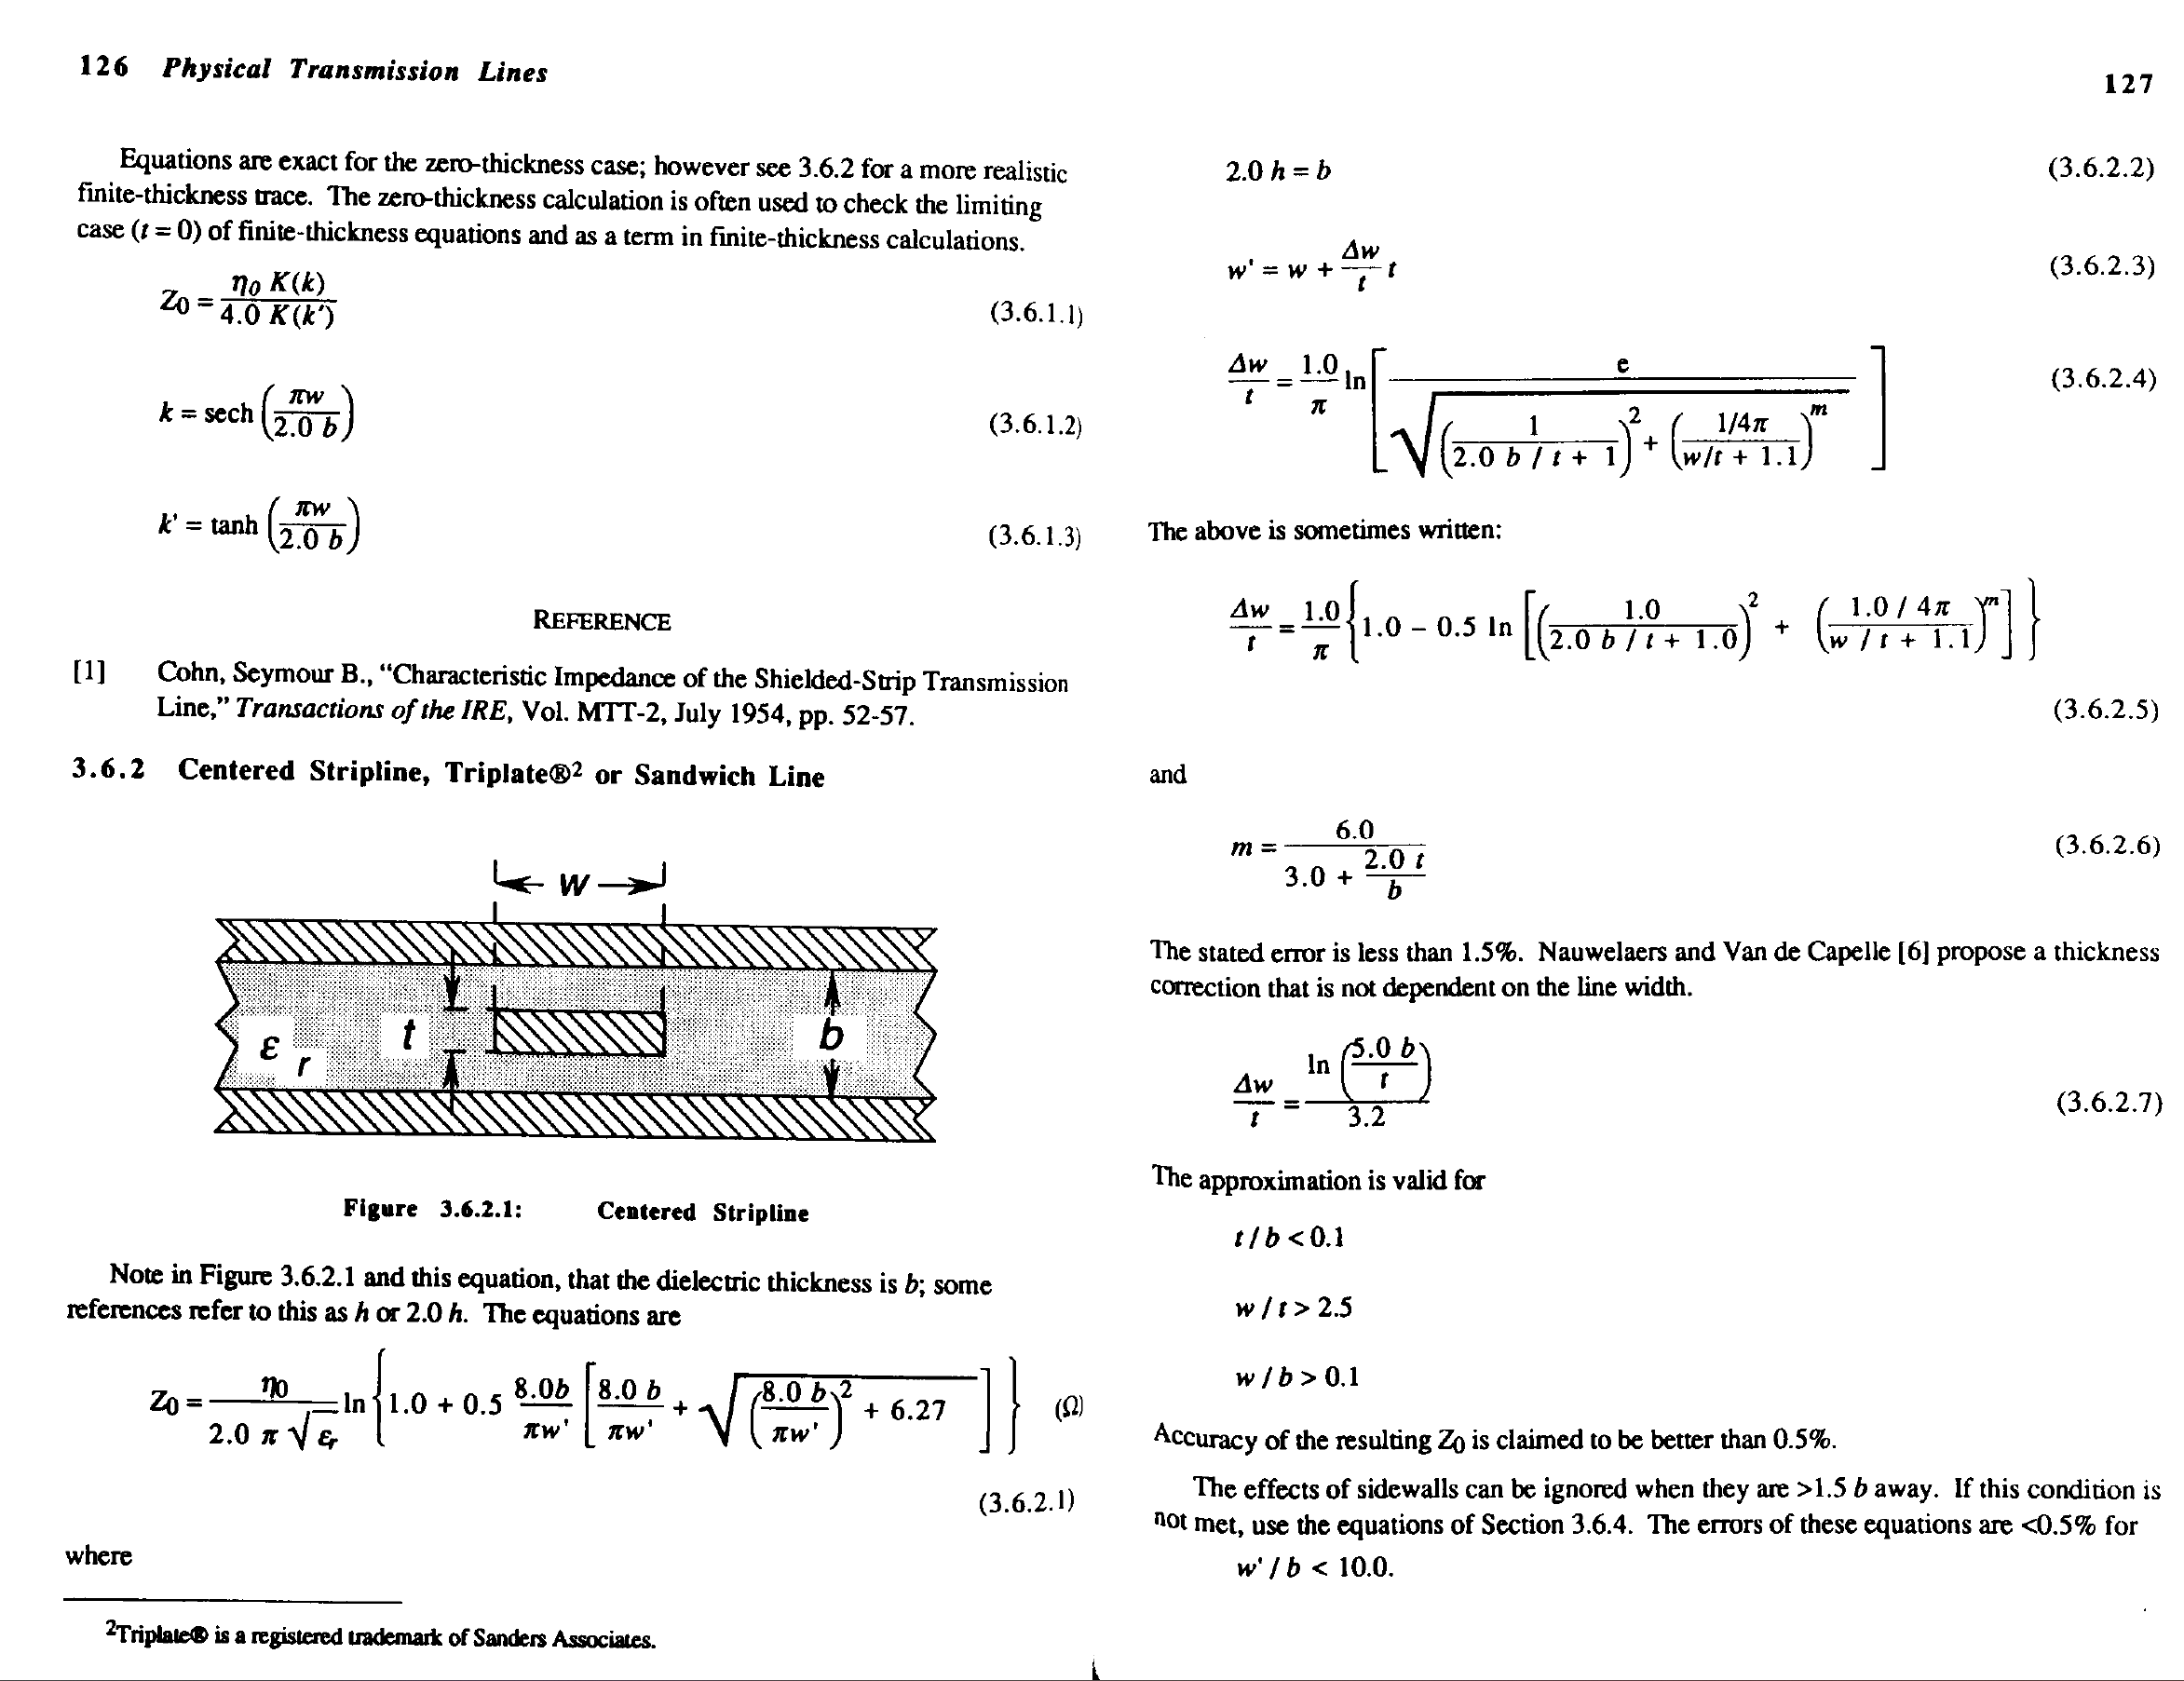
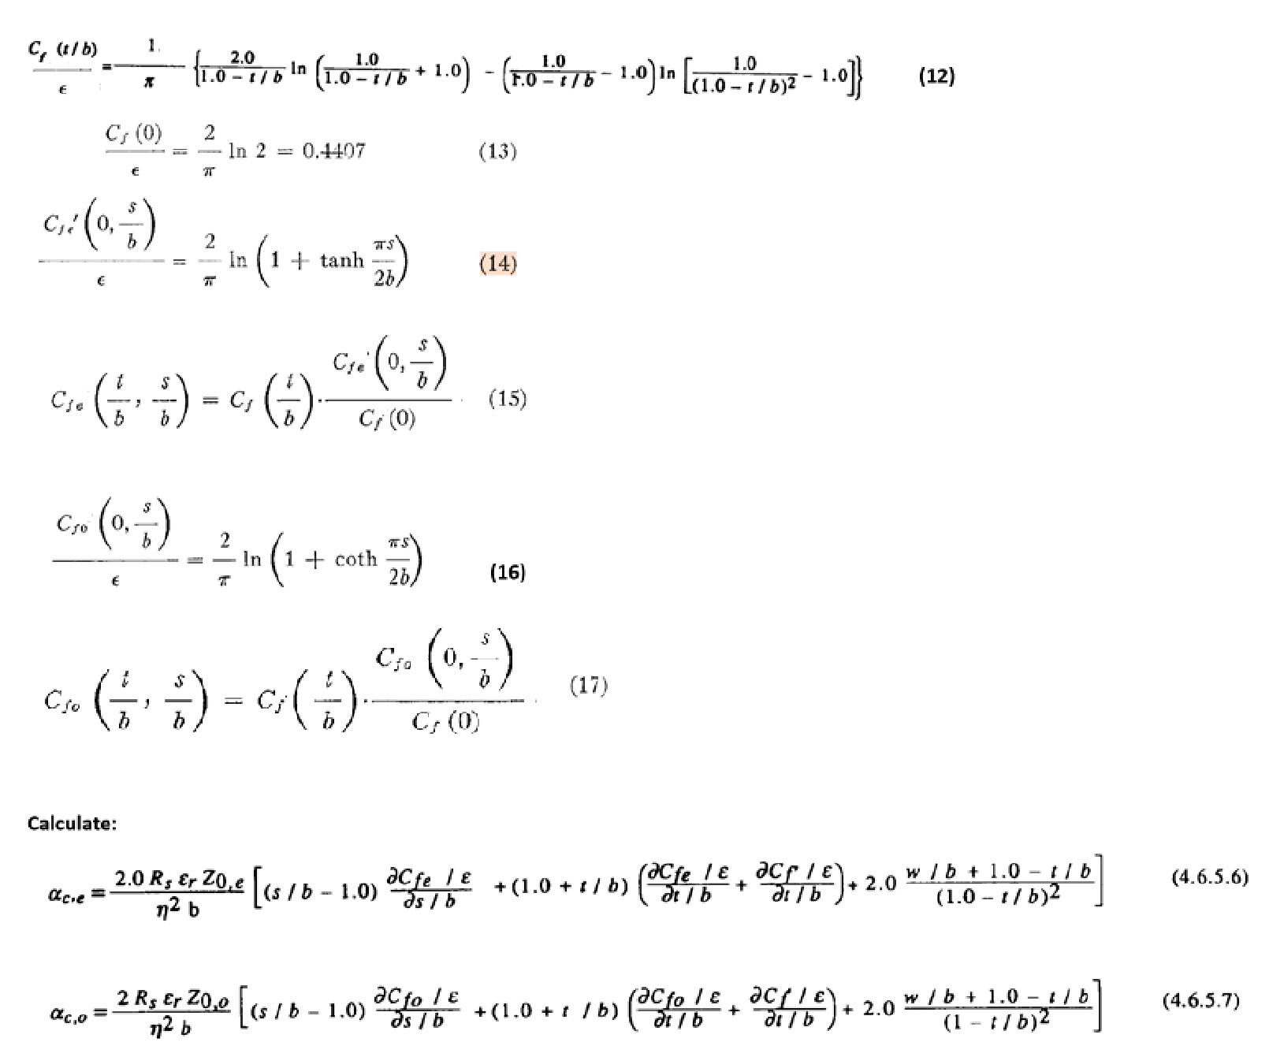
 |  |  | w = 120µm, Tol [130,110] |  |  | h1 = 152.4µm, Tol [132.4,172.4]

 | t = 17µm, Tol [20,14]
 |  |  |  | s = 100µm, Tol [90,110] |  | h2 = 152.4µm, Tol [132.4,172.4]
 | TU863+_1x2116_Preg

 |  |  | Nominal |  | Minimum Zo / Maximum α | Maximum Zo / Minimum α
Chosen Thickness (µm): |  |  | 152.4 | -/+ | 132.4 | 172.4
Metal Thickness t (µm): |  |  | 17 | +/- | 20 | 14
 | Trace Width W (µm): |  | 120 | +/- | 130 | 110
 | Trace Spacing S (µm): |  | 100 | -/+ | 90 | 110

Resistance (Ω/u.l)
Conductance (Ʊ/u.l)
Inductance (nH/u.l)
Capacitance (pF/u.l)
 | Minimum Zo / Maximum Loss |  |  |  |  |  |  |  |  | Nominal |  |  |  |  |  |  |  |  | Maximum Zo / Minimum Loss |  |  |  |  |  |  |  |  | Error (negative) |  |  |  |  |  |  |  | Error (Positive)
 | Detailed Stripline Parameters (dB/m) at Temp = 25°C (dB/m) |  |  |  |  |  |  |  |  | Detailed Stripline Parameters (dB/m) at Temp = 25°C (dB/m) |  |  |  |  |  |  |  |  | Detailed Stripline Parameters (dB/m) at Temp = 25°C (dB/m) |  |  |  |  |  |  |  |  | Detailed Stripline Parameters (dB/m) at Temp = 25°C (dB/m) |  |  |  |  |  |  |  | Detailed Stripline Parameters (dB/m) at Temp = 25°C (dB/m)
 | Temp (°C) |  | 1.00 | 3.00 | 5.00 | 10.00 | 15.00 | 20.00 |  | Temp (°C) |  | 1.00 | 3.00 | 5.00 | 10.00 | 15.00 | 20.00 |  | Temp (°C) |  | 1.00 | 3.00 | 5.00 | 10.00 | 15.00 | 20.00 |  | Temp (°C) |  | 1.00 | 3.00 | 5.00 | 10.00 | 15.00 | 20.00 | Temp (°C) |  | 1.00 | 3.00 | 5.00 | 10.00 | 15.00 | 20.00
 | Dk_avg | 25 | 3.66 | 3.65 | 3.62 | 3.61 | 3.57 | 3.54 |  | Dk_avg | 25 | 3.51 | 3.50 | 3.47 | 3.46 | 3.43 | 3.40 |  | Dk_avg | 25 | 3.37 | 3.36 | 3.33 | 3.33 | 3.30 | 3.26 |  | Dk_avg | 25 | 0.14941 | 0.14933 | 0.14911 | 0.14178 | 0.14158 | 0.14138 | Dk_avg | 25 | 0.14473 | 0.14466 | 0.14442 | 0.13745 | 0.13723 | 0.13702
 | Df |  | 0.0054 | 0.0056 | 0.0061 | 0.0069 | 0.0075 | 0.0081 |  | Df |  | 0.0054 | 0.0056 | 0.0061 | 0.0071 | 0.0077 | 0.0081 |  | Df |  | 0.0054 | 0.0056 | 0.0061 | 0.0072 | 0.0078 | 0.0081 |  | Df |  | 0.00000 | 0.00000 | 0.00000 | 0.00011 | 0.00011 | 0.00000 | Df |  | 0.00000 | 0.00000 | 0.00000 | 0.00011 | 0.00011 | 0.00000
 | δs (µm) |  | 2.062 | 1.190 | 0.922 | 0.652 | 0.532 | 0.461 |  | δs (µm) |  | 2.062 | 1.190 | 0.922 | 0.652 | 0.532 | 0.461 |  | δs (µm) |  | 2.062 | 1.190 | 0.922 | 0.652 | 0.532 | 0.461 |  | δs (µm) |  | 0.00000 | 0.00000 | 0.00000 | 0.00000 | 0.00000 | 0.00000 | δs (µm) |  | 0.00000 | 0.00000 | 0.00000 | 0.00000 | 0.00000 | 0.00000
 | R_even/u.l R' (Ω) |  | 55.39 | 95.94 | 123.86 | 175.16 | 214.53 | 247.71 | <- Use a 2D field solver for these 4 values to improve accuracy | R_even/u.l R' (Ω) |  | 59.33 | 102.76 | 132.67 | 187.62 | 229.78 | 265.33 | <- Use a 2D field solver for these 4 values to improve accuracy | R_even/u.l R' (Ω) |  | 63.48 | 109.96 | 141.95 | 200.75 | 245.86 | 283.90 | <- Use a 2D field solver for these 4 values to improve accuracy | R_even/u.l R' (Ω) |  | 3.93839 | 6.82296 | 8.80737 | 12.45505 | 15.25192 | 17.61877 | R_even/u.l R' (Ω) |  | 4.15418 | 7.19299 | 9.28677 | 13.13237 | 16.08552 | 18.57649
 | R_odd/u.l R' (Ω) |  | 48.12 | 83.35 | 107.57 | 152.12 | 186.25 | 215.02 |  | R_odd/u.l R' (Ω) |  | 51.52 | 89.24 | 115.21 | 162.92 | 199.54 | 230.41 |  | R_odd/u.l R' (Ω) |  | 56.54 | 97.93 | 126.43 | 178.80 | 218.98 | 252.86 |  | R_odd/u.l R' (Ω) |  | 3.39925 | 5.89338 | 7.63370 | 10.80595 | 13.28630 | 15.39528 | R_odd/u.l R' (Ω) |  | 5.02172 | 8.69623 | 11.22798 | 15.88027 | 19.44317 | 22.44733
 | Zo_even (Ω) |  | 55.844-0.151i | 55.925-0.157i | 56.172-0.171i | 56.275-0.196i | 56.525-0.213i | 56.778-0.23i |  | Zo_even (Ω) |  | 64.239-0.173i | 64.336-0.18i | 64.63-0.197i | 64.685-0.228i | 64.982-0.249i | 65.284-0.264i |  | Zo_even (Ω) |  | 72.751-0.196i | 72.864-0.204i | 73.209-0.223i | 73.197-0.263i | 73.545-0.286i | 73.899-0.299i |  | Zo_even (Ω) |  | 8.395-0.022i | 8.411-0.023i | 8.458-0.026i | 8.41-0.032i | 8.457-0.036i | 8.50600000000001-0.034i | Zo_even (Ω) |  | 8.512-0.023i | 8.52800000000001-0.024i | 8.57900000000001-0.026i | 8.512-0.035i | 8.563-0.037i | 8.61499999999999-0.035i
 | Zo_odd (Ω) |  | 40.7-0.107i | 40.758-0.111i | 40.933-0.121i | 41.006-0.139i | 41.183-0.151i | 41.363-0.163i |  | Zo_odd (Ω) |  | 46.325-0.125i | 46.395-0.13i | 46.607-0.142i | 46.646-0.165i | 46.861-0.18i | 47.079-0.191i |  | Zo_odd (Ω) |  | 52.695-0.142i | 52.777-0.148i | 53.027-0.162i | 53.018-0.19i | 53.27-0.207i | 53.526-0.217i |  | Zo_odd (Ω) |  | 5.625-0.018i | 5.637-0.019i | 5.674-0.021i | 5.64-0.026i | 5.678-0.029i | 5.716-0.028i | Zo_odd (Ω) |  | 6.37-0.017i | 6.382-0.018i | 6.42-0.02i | 6.372-0.025i | 6.40900000000001-0.027i | 6.447-0.026i
 | |Zdd| (Ω) |  | 81.40 | 81.52 | 81.87 | 82.01 | 82.37 | 82.73 |  | |Zdd| (Ω) |  | 92.65 | 92.79 | 93.21 | 93.29 | 93.72 | 94.16 |  | |Zdd| (Ω) |  | 105.39 | 105.55 | 106.05 | 106.04 | 106.54 | 107.05 |  | |Zdd| (Ω) |  | 11.25006 | 11.27406 | 11.34807 | 11.28011 | 11.35614 | 11.43213 | |Zdd| (Ω) |  | 12.74005 | 12.76405 | 12.84006 | 12.74410 | 12.81811 | 12.89410
 | |Zcc| (Ω) |  | 27.92 | 27.96 | 28.09 | 28.14 | 28.26 | 28.39 |  | |Zcc| (Ω) |  | 32.12 | 32.17 | 32.32 | 32.34 | 32.49 | 32.64 |  | |Zcc| (Ω) |  | 36.38 | 36.43 | 36.60 | 36.60 | 36.77 | 36.95 |  | |Zcc| (Ω) |  | 4.19751 | 4.20552 | 4.22902 | 4.20503 | 4.22854 | 4.25303 | |Zcc| (Ω) |  | 4.25602 | 4.26402 | 4.28952 | 4.25604 | 4.28154 | 4.30754
 | |Zs| (Ω) |  | 48.27 | 48.34 | 48.55 | 48.64 | 48.85 | 49.07 |  | |Zs| (Ω) |  | 55.28 | 55.37 | 55.62 | 55.67 | 55.92 | 56.18 |  | |Zs| (Ω) |  | 62.72 | 62.82 | 63.12 | 63.11 | 63.41 | 63.71 |  | |Zs| (Ω) |  | 7.01003 | 7.02403 | 7.06604 | 7.02506 | 7.06757 | 7.11107 | |Zs| (Ω) |  | 7.44103 | 7.45503 | 7.49954 | 7.44206 | 7.48607 | 7.53106
 | |Zm| (Ω) |  | 7.57 | 7.58 | 7.62 | 7.63 | 7.67 | 7.71 |  | |Zm| (Ω) |  | 8.96 | 8.97 | 9.01 | 9.02 | 9.06 | 9.10 |  | |Zm| (Ω) |  | 10.03 | 10.04 | 10.09 | 10.09 | 10.14 | 10.19 |  | |Zm| (Ω) |  | 1.38500 | 1.38700 | 1.39200 | 1.38500 | 1.38950 | 1.39500 | |Zm| (Ω) |  | 1.07100 | 1.07300 | 1.07950 | 1.07001 | 1.07701 | 1.08401
 | K |  | 15.69% | 15.69% | 15.69% | 15.70% | 15.70% | 15.71% |  | K |  | 16.20% | 16.20% | 16.20% | 16.20% | 16.20% | 16.20% |  | K |  | 15.99% | 15.99% | 15.99% | 15.99% | 15.99% | 15.99% |  | K |  | 0.00516 | 0.00515 | 0.00509 | 0.00507 | 0.00500 | 0.00495 | K |  | 0.00215 | 0.00215 | 0.00215 | 0.00215 | 0.00214 | 0.00214
 | NEXT |  | 0.078 | 0.078 | 0.078 | 0.078 | 0.079 | 0.079 |  | NEXT |  | 0.081 | 0.081 | 0.081 | 0.081 | 0.081 | 0.081 |  | NEXT |  | 0.080 | 0.080 | 0.080 | 0.080 | 0.080 | 0.080 |  | NEXT |  | 0.00258 | 0.00257 | 0.00255 | 0.00254 | 0.00250 | 0.00247 | NEXT |  | 0.00107 | 0.00107 | 0.00107 | 0.00108 | 0.00107 | 0.00107
 | Vp (CITS) |  | 0.523 | 0.523 | 0.526 | 0.527 | 0.529 | 0.531 |  | Vp (CITS) |  | 0.534 | 0.534 | 0.537 | 0.537 | 0.540 | 0.542 |  | Vp (CITS) |  | 0.545 | 0.546 | 0.548 | 0.548 | 0.551 | 0.554 |  | Vp (CITS) |  | 0.01100 | 0.01104 | 0.01117 | 0.01067 | 0.01080 | 0.01093 | Vp (CITS) |  | 0.01134 | 0.01139 | 0.01153 | 0.01099 | 0.01112 | 0.01126
 | Attenuation and Propagation Constants at Temp = 25°C (dB/m) |  |  |  |  |  |  |  |  | Attenuation and Propagation Constants at Temp = 25°C (dB/m) |  |  |  |  |  |  |  |  | Attenuation and Propagation Constants at Temp = 25°C (dB/m) |  |  |  |  |  |  |  |  | Attenuation and Propagation Constants at Temp = 25°C (dB/m) |  |  |  |  |  |  |  | Attenuation and Propagation Constants at Temp = 25°C (dB/m)
 | α_Dielectric | 25 | 0.941 | 2.922 | 5.281 | 12.011 | 19.485 | 27.752 |  | α_Dielectric | 25 | 0.921 | 2.862 | 5.172 | 11.964 | 19.381 | 27.193 |  | α_Dielectric | 25 | 0.902 | 2.802 | 5.063 | 11.911 | 19.269 | 26.639 |  | α_Dielectric | 25 | 0.01939 | 0.060 | 0.110 | 0.047 | 0.104 | 0.559 | α_Dielectric | 25 | 0.01918 | 0.060 | 0.109 | 0.052 | 0.111 | 0.553
 | α_SmoothMetal_even |  | 4.308 | 7.450 | 9.576 | 13.518 | 16.482 | 18.947 |  | α_SmoothMetal_even |  | 4.011 | 6.937 | 8.915 | 12.597 | 15.357 | 17.650 |  | α_SmoothMetal_even |  | 3.790 | 6.554 | 8.421 | 11.911 | 14.519 | 16.684 |  | α_SmoothMetal_even |  | 0.297 | 0.513 | 0.661 | 0.921 | 1.126 | 1.297 | α_SmoothMetal_even |  | 0.221 | 0.383 | 0.494 | 0.686 | 0.838 | 0.966
 | α_SmoothMetal_odd |  | 5.135 | 8.881 | 11.413 | 16.110 | 19.641 | 22.576 |  | α_SmoothMetal_odd |  | 4.830 | 8.353 | 10.735 | 15.169 | 18.493 | 21.255 |  | α_SmoothMetal_odd |  | 4.660 | 8.059 | 10.355 | 14.646 | 17.853 | 20.516 |  | α_SmoothMetal_odd |  | 0.305 | 0.527 | 0.678 | 0.942 | 1.149 | 1.321 | α_SmoothMetal_odd |  | 0.170 | 0.295 | 0.380 | 0.522 | 0.640 | 0.739
 | α_RoughMetal_even |  | 4.451 | 8.187 | 11.132 | 17.657 | 23.452 | 28.678 |  | α_RoughMetal_even |  | 4.144 | 7.623 | 10.363 | 16.454 | 21.850 | 26.716 |  | α_RoughMetal_even |  | 3.916 | 7.202 | 9.789 | 15.558 | 20.657 | 25.254 |  | α_RoughMetal_even |  | 0.307 | 0.564 | 0.769 | 1.203 | 1.602 | 1.963 | α_RoughMetal_even |  | 0.229 | 0.421 | 0.574 | 0.896 | 1.193 | 1.462
 | α_RoughMetal_odd |  | 5.305 | 9.759 | 13.268 | 21.044 | 27.946 | 34.171 |  | α_RoughMetal_odd |  | 4.990 | 9.179 | 12.479 | 19.813 | 26.312 | 32.172 |  | α_RoughMetal_odd |  | 4.815 | 8.856 | 12.038 | 19.131 | 25.401 | 31.053 |  | α_RoughMetal_odd |  | 0.315 | 0.579 | 0.788 | 1.230 | 1.634 | 1.999 | α_RoughMetal_odd |  | 0.176 | 0.324 | 0.442 | 0.682 | 0.910 | 1.118
 | α_Total_even (dB/m) |  | 5.391 | 11.109 | 16.414 | 29.668 | 42.936 | 56.431 |  | α_Total_even (dB/m) |  | 5.065 | 10.484 | 15.535 | 28.417 | 41.231 | 53.909 |  | α_Total_even (dB/m) |  | 4.818 | 10.003 | 14.852 | 27.469 | 39.927 | 51.893 |  | α_Total_even (dB/m) |  | 0.326 | 0.625 | 0.879 | 1.250 | 1.706 | 2.522 | α_Total_even (dB/m) |  | 0.248 | 0.481 | 0.683 | 0.948 | 1.304 | 2.015
 | α_Total_odd (dB/m) |  | 6.246 | 12.681 | 18.549 | 33.054 | 47.431 | 61.923 |  | α_Total_odd (dB/m) |  | 5.912 | 12.041 | 17.651 | 31.777 | 45.693 | 59.364 |  | α_Total_odd (dB/m) |  | 5.717 | 11.657 | 17.100 | 31.042 | 44.671 | 57.693 |  | α_Total_odd (dB/m) |  | 0.334 | 0.640 | 0.898 | 1.277 | 1.738 | 2.559 | α_Total_odd (dB/m) |  | 0.195 | 0.383 | 0.551 | 0.734 | 1.022 | 1.672
 | β_even/odd (rad/m) |  | 40.107 | 120.145 | 199.362 | 397.994 | 594.347 | 788.919 |  | β_even/odd (rad/m) |  | 39.280 | 117.663 | 195.212 | 390.092 | 582.457 | 773.016 |  | β_even/odd (rad/m) |  | 38.462 | 115.207 | 191.107 | 382.275 | 570.695 | 757.284 |  | β_even/odd (rad/m) |  | 0.827 | 2.483 | 4.150 | 7.903 | 11.891 | 15.904 | β_even/odd (rad/m) |  | 0.818 | 2.456 | 4.105 | 7.817 | 11.762 | 15.732
 | γ_even |  | 0.621+40.107i | 1.279+120.145i | 1.89+199.362i | 3.416+397.994i | 4.943+594.347i | 6.497+788.919i |  | γ_even |  | 0.583+39.28i | 1.207+117.663i | 1.789+195.212i | 3.272+390.092i | 4.747+582.457i | 6.206+773.016i |  | γ_even |  | 0.555+38.462i | 1.152+115.207i | 1.71+191.107i | 3.163+382.275i | 4.597+570.695i | 5.974+757.284i |  | γ_even |  | 0.828 | 2.48 | 4.15 | 7.90 | 11.89 | 15.91 | γ_even |  | 0.82 | 2.46 | 4.11 | 7.82 | 11.76 | 15.73
 | γ_odd |  | 0.719+40.107i | 1.46+120.145i | 2.136+199.362i | 3.805+397.994i | 5.461+594.347i | 7.129+788.919i |  | γ_odd |  | 0.681+39.28i | 1.386+117.663i | 2.032+195.212i | 3.658+390.092i | 5.261+582.457i | 6.835+773.016i |  | γ_odd |  | 0.658+38.462i | 1.342+115.207i | 1.969+191.107i | 3.574+382.275i | 5.143+570.695i | 6.642+757.284i |  | γ_odd |  | 0.828 | 2.48 | 4.15 | 7.90 | 11.89 | 15.91 | γ_odd |  | 0.82 | 2.46 | 4.11 | 7.82 | 11.76 | 15.73
 | RLGC Parameters at Temp = 25°C (dB/m) |  |  |  |  |  |  |  |  | RLGC Parameters at Temp = 25°C (dB/m) |  |  |  |  |  |  |  |  | RLGC Parameters at Temp = 25°C (dB/m) |  |  |  |  |  |  |  |  | RLGC Parameters at Temp = 25°C (dB/m) |  |  |  |  |  |  |  | RLGC Parameters at Temp = 25°C (dB/m)
 | Reven (Ω/u.l) | 25 | 40.735 | 90.391 | 140.256 | 270.242 | 405.999 | 550.338 |  | Reven (Ω/u.l) | 25 | 44.247 | 98.833 | 154.080 | 300.590 | 453.501 | 609.229 |  | Reven (Ω/u.l) | 25 | 47.915 | 107.442 | 167.804 | 332.060 | 501.305 | 667.901 |  | Reven (Ω/u.l) | 25 | 3.51150 | 8.442 | 13.824 | 30.348 | 47.502 | 58.891 | Reven (Ω/u.l) | 25 | 3.66858 | 8.60866 | 13.72442 | 31.47014 | 47.80379 | 58.672
 | Rodd (Ω/u.l) |  | 33.555 | 72.843 | 111.556 | 211.349 | 314.647 | 423.471 |  | Rodd (Ω/u.l) |  | 36.457 | 79.600 | 122.426 | 234.996 | 351.378 | 469.431 |  | Rodd (Ω/u.l) |  | 40.135 | 87.877 | 135.369 | 262.119 | 392.101 | 519.850 |  | Rodd (Ω/u.l) |  | 2.903 | 6.757 | 10.870 | 23.647 | 36.731 | 45.960 | Rodd (Ω/u.l) |  | 3.678 | 8.278 | 12.944 | 27.122 | 40.723 | 50.419
 | Leven (nH/u.l) |  | 356.450 | 356.449 | 356.451 | 356.450 | 356.448 | 356.441 |  | Leven (nH/u.l) |  | 401.581 | 401.588 | 401.586 | 401.585 | 401.580 | 401.579 |  | Leven (nH/u.l) |  | 445.322 | 445.327 | 445.327 | 445.324 | 445.320 | 445.321 |  | Leven (nH/u.l) |  | 45.131 | 45.139 | 45.135 | 45.135 | 45.132 | 45.138 | Leven (nH/u.l) |  | 43.741 | 43.739 | 43.741 | 43.739 | 43.740 | 43.742
 | Lodd (nH/u.l) |  | 259.785 | 259.778 | 259.748 | 259.735 | 259.700 | 259.668 |  | Lodd (nH/u.l) |  | 289.592 | 289.598 | 289.597 | 289.592 | 289.594 | 289.594 |  | Lodd (nH/u.l) |  | 322.553 | 322.558 | 322.560 | 322.556 | 322.553 | 322.551 |  | Lodd (nH/u.l) |  | 29.807 | 29.820 | 29.849 | 29.858 | 29.894 | 29.926 | Lodd (nH/u.l) |  | 32.961 | 32.960 | 32.963 | 32.963 | 32.959 | 32.956
 | Geven (Ʊ/u.l) |  | 0.00918 | 0.01684 | 0.02284 | 0.03607 | 0.04783 | 0.05814 |  | Geven (Ʊ/u.l) |  | 0.00743 | 0.01364 | 0.01847 | 0.02933 | 0.03870 | 0.04718 |  | Geven (Ʊ/u.l) |  | 0.00620 | 0.01138 | 0.01541 | 0.02445 | 0.03233 | 0.03938 |  | Geven (Ʊ/u.l) |  | 0.00175 | 0.00319 | 0.00437 | 0.00674 | 0.00912 | 0.01096 | Geven (Ʊ/u.l) |  | 0.00122 | 0.00226 | 0.00307 | 0.00488 | 0.00638 | 0.00780
 | Godd (Ʊ/u.l) |  | 0.01508 | 0.02779 | 0.03779 | 0.05989 | 0.07969 | 0.09719 |  | Godd (Ʊ/u.l) |  | 0.01241 | 0.02277 | 0.03084 | 0.04884 | 0.06452 | 0.07857 |  | Godd (Ʊ/u.l) |  | 0.01052 | 0.01931 | 0.02612 | 0.04157 | 0.05491 | 0.06673 |  | Godd (Ʊ/u.l) |  | 0.00266 | 0.00503 | 0.00695 | 0.01105 | 0.01516 | 0.01862 | Godd (Ʊ/u.l) |  | 0.00189 | 0.00346 | 0.00472 | 0.00727 | 0.00961 | 0.01184
 | Ceven (pF/u.l) |  | 114.309 | 113.975 | 112.975 | 112.561 | 111.567 | 110.573 |  | Ceven (pF/u.l) |  | 97.321 | 97.027 | 96.146 | 95.982 | 95.106 | 94.228 |  | Ceven (pF/u.l) |  | 84.145 | 83.883 | 83.094 | 83.121 | 82.335 | 81.549 |  | Ceven (pF/u.l) |  | 16.987 | 16.947 | 16.829 | 16.579 | 16.461 | 16.345 | Ceven (pF/u.l) |  | 13.176 | 13.144 | 13.052 | 12.861 | 12.770 | 12.679
 | Codd (pF/u.l) |  | 156.842 | 156.388 | 155.035 | 154.475 | 153.130 | 151.782 |  | Codd (pF/u.l) |  | 134.956 | 134.548 | 133.326 | 133.101 | 131.883 | 130.665 |  | Codd (pF/u.l) |  | 116.171 | 115.809 | 114.720 | 114.758 | 113.673 | 112.588 |  | Codd (pF/u.l) |  | 21.886 | 21.839 | 21.709 | 21.374 | 21.247 | 21.116 | Codd (pF/u.l) |  | 18.785 | 18.739 | 18.606 | 18.343 | 18.210 | 18.077
 | R11=R22 (Ω/u.l) |  | 37.145 | 81.617 | 125.906 | 240.796 | 360.323 | 486.904 |  | R11=R22 (Ω/u.l) |  | 40.352 | 89.216 | 138.253 | 267.793 | 402.440 | 539.330 |  | R11=R22 (Ω/u.l) |  | 44.025 | 97.659 | 151.587 | 297.090 | 446.703 | 593.875 |  | R11=R22 (Ω/u.l) |  | 3.207 | 7.599 | 12.347 | 26.998 | 42.117 | 52.426 | R11=R22 (Ω/u.l) |  | 3.673 | 8.443 | 13.334 | 29.296 | 44.264 | 54.546
 | R12=R21 (Ω/u.l) |  | 3.590 | 8.774 | 14.350 | 29.447 | 45.676 | 63.434 |  | R12=R21 (Ω/u.l) |  | 3.895 | 9.617 | 15.827 | 32.797 | 51.062 | 69.899 |  | R12=R21 (Ω/u.l) |  | 3.890 | 9.782 | 16.217 | 34.971 | 54.602 | 74.025 |  | R12=R21 (Ω/u.l) |  | 0.304 | 0.843 | 1.477 | 3.350 | 5.386 | 6.465 | R12=R21 (Ω/u.l) |  | 0.005 | 0.165 | 0.390 | 2.174 | 3.540 | 4.126
 | L11=L22 (nH/u.l) |  | 308.118 | 308.114 | 308.100 | 308.093 | 308.074 | 308.055 |  | L11=L22 (nH/u.l) |  | 345.586 | 345.593 | 345.592 | 345.589 | 345.587 | 345.587 |  | L11=L22 (nH/u.l) |  | 383.938 | 383.942 | 383.944 | 383.940 | 383.936 | 383.936 |  | L11=L22 (nH/u.l) |  | 37.469 | 37.479 | 37.492 | 37.496 | 37.513 | 37.532 | L11=L22 (nH/u.l) |  | 38.351 | 38.350 | 38.352 | 38.351 | 38.349 | 38.349
 | L12=L21 (nH/u.l) |  | 48.332 | 48.335 | 48.351 | 48.358 | 48.374 | 48.387 |  | L12=L21 (nH/u.l) |  | 55.994 | 55.995 | 55.995 | 55.996 | 55.993 | 55.992 |  | L12=L21 (nH/u.l) |  | 61.384 | 61.384 | 61.384 | 61.384 | 61.384 | 61.385 |  | L12=L21 (nH/u.l) |  | 7.662 | 7.659 | 7.643 | 7.639 | 7.619 | 7.606 | L12=L21 (nH/u.l) |  | 5.390 | 5.389 | 5.389 | 5.388 | 5.391 | 5.393
 | G11=G22 (Ʊ/u.l) |  | 0.00918 | 0.01684 | 0.02284 | 0.03607 | 0.04783 | 0.05814 |  | G11=G22 (Ʊ/u.l) |  | 0.00743 | 0.01364 | 0.01847 | 0.02933 | 0.03870 | 0.04718 |  | G11=G22 (Ʊ/u.l) |  | 0.00620 | 0.01138 | 0.01541 | 0.02445 | 0.03233 | 0.03938 |  | G11=G22 (Ʊ/u.l) |  | 0.00175 | 0.00319 | 0.00437 | 0.00674 | 0.00912 | 0.01096 | G11=G22 (Ʊ/u.l) |  | 0.00122 | 0.00226 | 0.00307 | 0.00488 | 0.00638 | 0.00780
 | G12=G21 (Ʊ/u.l) |  | 0.00295 | 0.00548 | 0.00747 | 0.01191 | 0.01593 | 0.01952 |  | G12=G21 (Ʊ/u.l) |  | 0.00249 | 0.00456 | 0.00618 | 0.00976 | 0.01291 | 0.01569 |  | G12=G21 (Ʊ/u.l) |  | 0.00216 | 0.00396 | 0.00536 | 0.00856 | 0.01129 | 0.01368 |  | G12=G21 (Ʊ/u.l) |  | 0.00046 | 0.00092 | 0.00129 | 0.00215 | 0.00302 | 0.00383 | G12=G21 (Ʊ/u.l) |  | 0.00033 | 0.00060 | 0.00082 | 0.00119 | 0.00162 | 0.00202
 | C11=C22 (pF/u.l) |  | 114.309 | 113.975 | 112.975 | 112.561 | 111.567 | 110.573 |  | C11=C22 (pF/u.l) |  | 97.321 | 97.027 | 96.146 | 95.982 | 95.106 | 94.228 |  | C11=C22 (pF/u.l) |  | 84.145 | 83.883 | 83.094 | 83.121 | 82.335 | 81.549 |  | C11=C22 (pF/u.l) |  | 16.987 | 16.947 | 16.829 | 16.579 | 16.461 | 16.345 | C11=C22 (pF/u.l) |  | 13.176 | 13.144 | 13.052 | 12.861 | 12.770 | 12.679
 | C12=C21 (pF/u.l) |  | 21.267 | 21.207 | 21.030 | 20.957 | 20.781 | 20.604 |  | C12=C21 (pF/u.l) |  | 18.818 | 18.761 | 18.590 | 18.559 | 18.389 | 18.219 |  | C12=C21 (pF/u.l) |  | 16.013 | 15.963 | 15.813 | 15.818 | 15.669 | 15.520 |  | C12=C21 (pF/u.l) |  | 2.449 | 2.446 | 2.440 | 2.397 | 2.393 | 2.386 | C12=C21 (pF/u.l) |  | 2.804 | 2.797 | 2.777 | 2.741 | 2.720 | 2.699
 | Rs (Ω/u.l) |  | 37.145 | 81.617 | 125.906 | 240.796 | 360.323 | 486.904 |  | Rs (Ω/u.l) |  | 40.352 | 89.216 | 138.253 | 267.793 | 402.440 | 539.330 |  | Rs (Ω/u.l) |  | 44.025 | 97.659 | 151.587 | 297.090 | 446.703 | 593.875 |  | Rs (Ω/u.l) |  | 3.207 | 7.599 | 12.347 | 26.998 | 42.117 | 52.426 | Rs (Ω/u.l) |  | 3.673 | 8.443 | 13.334 | 29.296 | 44.264 | 54.546
 | Rm (Ω/u.l) |  | 3.590 | 8.774 | 14.350 | 29.447 | 45.676 | 63.434 |  | Rm (Ω/u.l) |  | 3.895 | 9.617 | 15.827 | 32.797 | 51.062 | 69.899 |  | Rm (Ω/u.l) |  | 3.890 | 9.782 | 16.217 | 34.971 | 54.602 | 74.025 |  | Rm (Ω/u.l) |  | 0.304 | 0.843 | 1.477 | 3.350 | 5.386 | 6.465 | Rm (Ω/u.l) |  | 0.005 | 0.165 | 0.390 | 2.174 | 3.540 | 4.126
 | Ls (nH/u.l) |  | 308.118 | 308.114 | 308.100 | 308.093 | 308.074 | 308.055 |  | Ls (nH/u.l) |  | 345.586 | 345.593 | 345.592 | 345.589 | 345.587 | 345.587 |  | Ls (nH/u.l) |  | 383.938 | 383.942 | 383.944 | 383.940 | 383.936 | 383.936 |  | Ls (nH/u.l) |  | 37.469 | 37.479 | 37.492 | 37.496 | 37.513 | 37.532 | Ls (nH/u.l) |  | 38.351 | 38.350 | 38.352 | 38.351 | 38.349 | 38.349
 | Lm (nH/u.l) |  | 48.332 | 48.335 | 48.351 | 48.358 | 48.374 | 48.387 |  | Lm (nH/u.l) |  | 55.994 | 55.995 | 55.995 | 55.996 | 55.993 | 55.992 |  | Lm (nH/u.l) |  | 61.384 | 61.384 | 61.384 | 61.384 | 61.384 | 61.385 |  | Lm (nH/u.l) |  | 7.662 | 7.659 | 7.643 | 7.639 | 7.619 | 7.606 | Lm (nH/u.l) |  | 5.390 | 5.389 | 5.389 | 5.388 | 5.391 | 5.393
 | Gs (Ʊ/u.l) |  | 0.01213 | 0.02232 | 0.03031 | 0.04798 | 0.06376 | 0.07767 |  | Gs (Ʊ/u.l) |  | 0.00992 | 0.01821 | 0.02466 | 0.03908 | 0.05161 | 0.06287 |  | Gs (Ʊ/u.l) |  | 0.00836 | 0.01534 | 0.02076 | 0.03301 | 0.04362 | 0.05305 |  | Gs (Ʊ/u.l) |  | 0.00221 | 0.00411 | 0.00566 | 0.00890 | 0.01214 | 0.01479 | Gs (Ʊ/u.l) |  | 0.00156 | 0.00286 | 0.00389 | 0.00607 | 0.00799 | 0.00982
 | Gm (Ʊ/u.l)) |  | -0.00295 | -0.00548 | -0.00747 | -0.01191 | -0.01593 | -0.01952 |  | Gm (Ʊ/u.l)) |  | -0.00249 | -0.00456 | -0.00618 | -0.00976 | -0.01291 | -0.01569 |  | Gm (Ʊ/u.l)) |  | -0.00216 | -0.00396 | -0.00536 | -0.00856 | -0.01129 | -0.01368 |  | Gm (Ʊ/u.l)) |  | 0.00046 | 0.00092 | 0.00129 | 0.00215 | 0.00302 | 0.00383 | Gm (Ʊ/u.l)) |  | 0.00033 | 0.00060 | 0.00082 | 0.00119 | 0.00162 | 0.00202
 | Cs (pF/u.l) |  | 135.575 | 135.181 | 134.005 | 133.518 | 132.348 | 131.177 |  | Cs (pF/u.l) |  | 116.139 | 115.788 | 114.736 | 114.542 | 113.495 | 112.446 |  | Cs (pF/u.l) |  | 100.158 | 99.846 | 98.907 | 98.939 | 98.004 | 97.068 |  | Cs (pF/u.l) |  | 19.437 | 19.393 | 19.269 | 18.976 | 18.854 | 18.731 | Cs (pF/u.l) |  | 15.981 | 15.942 | 15.829 | 15.602 | 15.490 | 15.378
 | Cm (pF/u.l) |  | -21.267 | -21.207 | -21.030 | -20.957 | -20.781 | -20.604 |  | Cm (pF/u.l) |  | -18.818 | -18.761 | -18.590 | -18.559 | -18.389 | -18.219 |  | Cm (pF/u.l) |  | -16.013 | -15.963 | -15.813 | -15.818 | -15.669 | -15.520 |  | Cm (pF/u.l) |  | 2.449 | 2.446 | 2.440 | 2.397 | 2.393 | 2.386 | Cm (pF/u.l) |  | 2.804 | 2.797 | 2.777 | 2.741 | 2.720 | 2.699

