Ongoing
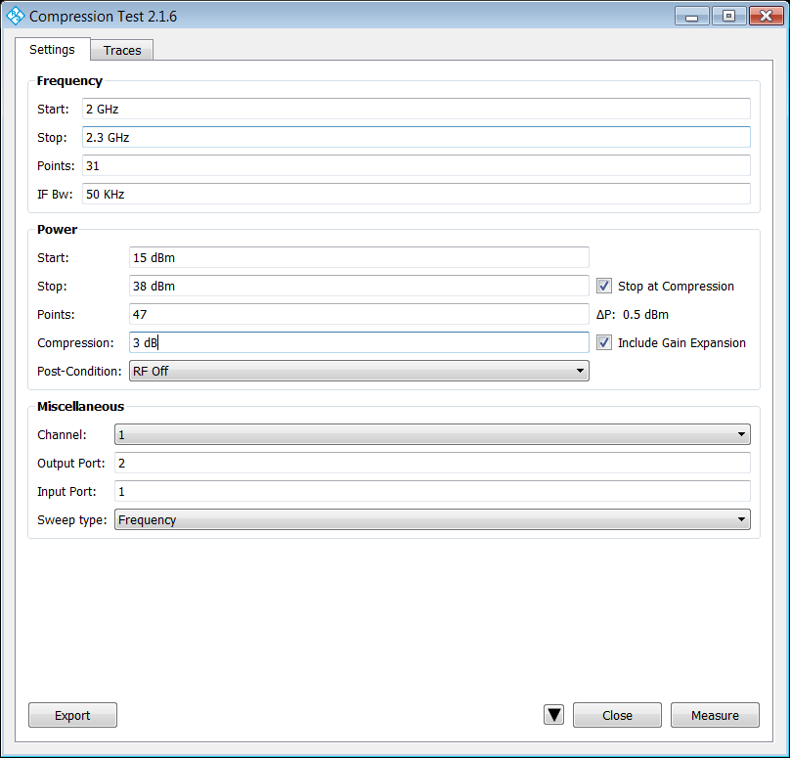
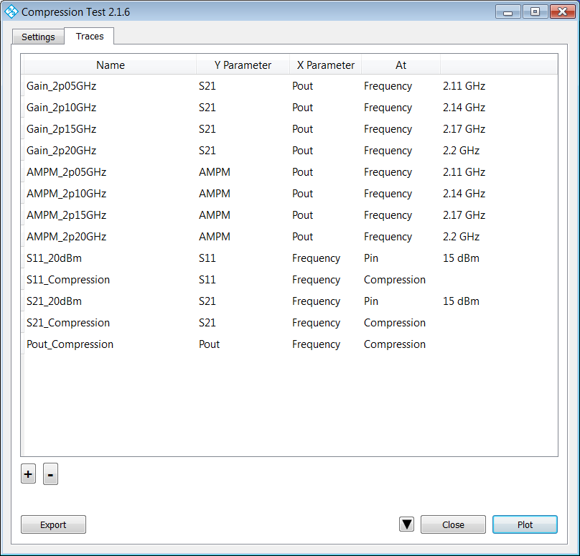
# | Task | Category | Status | SW Version | Date | Additional Comments | Jerome's Comment
1 | Write a user manual for the application. | Deliverable | Ongoing |  |  | I think this should be the first priority right now.
2 | Fix automatic frequency round-up when changing the number of point in the frequency sweep. | Bug | Not started |  |  | See attached example below. Let's say, for example, I change Frequency Points from 31 to 14. Software will have to change the frequency of Gain_... and AMPM… curves to reflect the current frequency values available. Well, it looks like it will only modify two lines per sweep (Gain_2p05GHz and Gain_2p10GHz). In order to modify all of them, I have to rerun the sweep and hit plot (it will modify two more lines each time, moving toward the bottom of the list).
3 | Fix automatic power value round-up when changing the Pstart and Pstop in the power range. | Bug | Not started |  |  | See attached example below. Let's say, for example, I change Pstart from 15 to 20dBm. Software will change S11_20dBm Pin value to 20dBm, but it will not do it for S21_20dBm. Same issue as on previous line, it will require another sweep to update the power value to 20dBm for line S21_20dBm.
4 | Add S11, S21, S12, S22 data at_Max_Gain and at_Compression to compression.csv output file. | Improvement | Not started
5 | Define an arbitrary compression point for plot purpose. | Improvement | Not started
 | "Autoscale All" functionality | Improvement | Not started |  | ??? | Could still discuss making a separate app for this. Maybe put it on hold for now? | Jerome : Proposal is to address this item in a small separate application.
 | Speed optimization | Improvement | In progress |  |  | On hold for critical bug fixes. | Jerome : One proposed fix was to wipe the screen and memory between sweeps to accelerate application. It would be nice to not have to do that. If we can find a way to speed up even more, it would be a nice to have.
 | Create memory traces to keep track of previous plots | Feasibility
 | Capture DC voltage from the back of the analyzer to calculate drain efficiency. | Feasibility

Completed
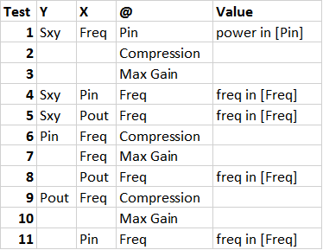
# | Task | Category | Status | Proposed Date for Resolution / SW Version | Additional Comments | Jerome's Comment
 | Thorough testing of permutations in table below* | Validation / Bug | Done* | 1.5.5* | Finished testing the various trace combinations, but I couldn't reproduce the intermittent error when plotting vs Pout. I did fix an issue you saw when moving from one X-axis type to another (say Pin to Frequency, and vice versa). Unfortunately the fix for now is for me to delete then recreate the trace entirely. I expect these trace changes will only need to be done during the initial configuration, so hopefully this isn't a big issue. | I couldn't reproduce it as well. We will have to keep an eye on this. Deleting and re-creating the trace isn't really an issue here as the change in trace format is significant and potentially requires rescaling.
 | Move plots to a different figure | Bug | Done | 1.5.5 | Unfortunately, I had to reenable the data traces for the firmware to allow you to move the memory trace correctly | Works indeed
 | Allow plot of gain and power values on the same figure | Bug | Done | 1.5.5 | You may have run into either the problem above, or the limitation of at most 20 traces per diagram (which includes data traces). I was able to do this. | Works indeed. We won't try to stack 20 plots on top of each others.
 | Change plot nomenclature to something clearer (ie S11, S21, S12, S22) | Improvement | Done | 1.5.5 |  | Looks good
 | CSV file add phase of Pout (same as phase of S21) | Improvement | Done | 1.5.5 | FWIW, also added phase of Pin (0 deg) | Looks good
 | CSV file comma-delimeter | Improvement | In Progress | 1.6
 | CSV file add settings as header (combine previous files into CSV) | Improvement | In Progress | 1.6
 | CSV file add pulse definition info | Improvement | In Progress | 1.6
 | Results repeatability issue when running two consecutive power sweeps. | Bug | Not started |  |  |  | Only occurs when running in CW with no power calibration. Nick: Since the raw measurement data (uninterpolated) in the CSV file matches the plot, it seems to be an issue with the measurement and/or the PA. Let's talk about this on the phone to get more information from each other and set up some sort of plan to address this.
 | Increase the number of points in power interpolation plots | Bug | Done | 1.5.5 |  | vs Pin, Pout plots have 10x points | It works, but, just for you to know : It does require to delete and plot again if you change the number of points in the power sweep. I have the feeling this issue is related to issue number 6. Can you confirm? Nick: Yes, It is related to item #6. This has been fixed as well. Jerome : Works, but now it created issue 1 above
 | Resolve the x-axis scaling issue caused by a change in measurement conditions | Bug | Done | 1.5.6 |  | Discussed this with Mike Leffel. Was given advice on how to force the rescale via SCPI commands. Both the number of points and x-axis limits are updated correctly now (see Jerome's comment for item 2 | Let us know about Munich response to this. Jerome : Works, but now it created issue 1 above
 | End of sweep conditions (RF Off with power displayed at the bottom of plots) | Bug | Done | 1.6 | 2016-02-05 | This depends on the development team in Munich. I can make the request, but I don't know if/when it would get implemented. A work-around Greg recommended is to display the power range in the diagram title. Not sure if that would work since in general the ranges in the diagram may not all be the same. Another idea is to use markers at the trace endpoints. | I think it would be good to feed Munich with this idea. One thing I managed to achieve here is to switch RF Off and then switch it back on. The RF power doesn't seem to come back on unless to trigger another sweep, but the power is displayed properly below each plots. Nick: As long as you use the RF off between sweeps option that I relayed to you before, then yes, this should be a useful work-around. Jerome : Works well. Is this the final version? If so, we can say this item is closed.
 | Normalize Phase of Pout to lowest power measurement level and call this quantity AMPM. Make this available for plot in the GUI just like Pin, Pout, Sxy (on the Y-axis only, there is no point in making it available on the X-axis). | Improvement | Additional Testing Required | 1.7 | 2016-02-10 | I tested this with a low power mini-circuits amplifier and got AMPM values in the range of +/- 0.4 degrees up to compression. Is this normal? I have to admit I am unfamiliar with AMPM calculations. | Plot is not working on my side. It makes me wonder if I am doing everything the proper way as it seems it worked for you. Power axis is wrong (from 0 to 0dBm), and AMPM is not right. It is possible to get only 0.4 degrees, it truly depend on the type of amplifier you are working with.
 | Report AMPM in the CSV File | Improvement | Done | 1.7 |  |  | It looks good and is reported the proper way.
 | Message when plot of value exceeding the measurement boundaries | Improvement | Additional Testing Required | 1.7 |  | The GUI will not let you input incorrect values: any at value that is not possible is rounded to the nearest possible value. Now, when this occurs, a warning message is placed on the screen. | I didn’t see any warning message popping up.
 | Minimized GUI ** | Improvement | Done | 2 | 2016-02-17 | On hold for critical bug fixes. | See example figure below. We've been thinking of what it should look like. All the functionnalities should be accessible from there. For instance, the Plot window should remain accessible at all time and not only after a new measurement is captured. - Measure : Triggers the measurement - Meas. Config. - Plot - Export : Grant access to each of the specified windows. Jerome : Works great overall, but when using the "Measure and Plot" from the GUI, it measures but software crashes before getting to the Plot part.
 | Control the values entered in the GCA setup, mainly for the frequency sweep, but possibly for the power sweep also. If the frequencies we enter don't exist, or if the sweep falls on values that don't exist, the software crashes (the software doesn't interpolate between frequencies). | Bug | Not started | 2.1 | 2016-02-24 | Need clarification | Jerome : Typical crash case : VNA cal from 2 to 3 GHz, 11 frequency points. If I request GCA sweep from 2 to 3 GHz, 8 frequency points, it crashes (but 3-6 or 11 points will work).
 | In the CSV File output, fix the wrong display for pulse CW (Always says "NO"), and add two lines underneath showing pulse width and pulse period. | Bug | Not started |  |  |  | This functionality exists, but is currently not working. I no longer have a pulsed hardware setup to test this on, so I made my best guess of what the SCPI commands should be. I sent you an email about scheduling a follow-up visit where I can iron out issues such as this, and also make sure that everything is working correctly. Perhaps we can hold off on this until then, at which point I can use your setup to perfect it? Jerome : Just need to fix trigger delay value.

