Zadanie_1
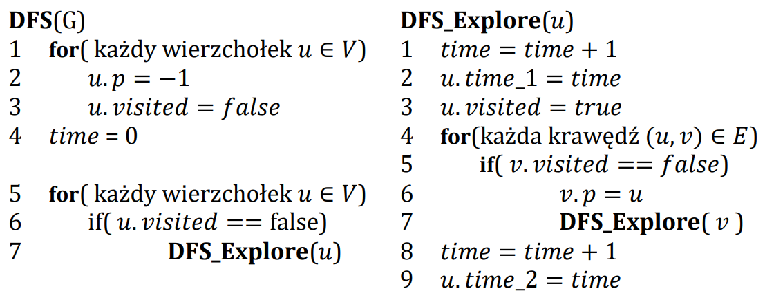
 |  |  |  |  |  |  |  |  |  |  |  |  |  |  |  |  |  | Ścieżki
 |  |  |  |  |  |  |  |  |  |  |  |  |  |  |  |  | A | A
 |  |  |  |  |  |  |  |  |  |  |  |  |  |  |  |  | B | A | B
 |  |  |  |  |  |  |  |  |  |  |  |  |  |  |  |  | C | A | B | C
 |  |  |  |  |  |  |  |  |  |  |  |  |  |  |  |  | D | A | B | C | D
 |  |  |  |  |  |  |  |  |  |  |  |  |  |  |  |  | E | A | B | E
 |  |  |  |  |  |  |  |  |  |  |  |  |  |  |  |  | F | A | F
 |  |  |  |  |  |  |  |  |  |  |  |  |  |  |  |  | G | A | B | E | G
 |  |  |  |  |  |  |  |  |  |  |  |  |  |  |  |  | H | A | B | C | D | H

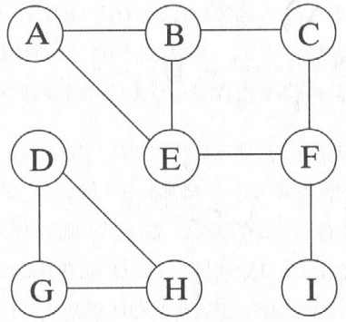
 |  |  |  |  |  |  | A | B | C | D | E | F | G | H | I |  | A | B | C | D | E | F | G | H
 |  |  |  |  |  | visited | false | false | false | false | false | false | false | false | false | visited | false | false | false | false | false | false | false | false
 |  |  |  |  |  | p | -1 | -1 | -1 | -1 | -1 | -1 | -1 | -1 | -1 | p | -1 | -1 | -1 | -1 | -1 | -1 | -1 | -1
 |  |  |  |  |  | time_1 | -1 | -1 | -1 | -1 | -1 | -1 | -1 | -1 | -1 | time_1 | -1 | -1 | -1 | -1 | -1 | -1 | -1 | -1
 |  |  |  |  |  | time_2 | -1 | -1 | -1 | -1 | -1 | -1 | -1 | -1 | -1 | time_2 | -1 | -1 | -1 | -1 | -1 | -1 | -1 | -1

 |  |  |  |  |  |  | A | B | C | D | E | F | G | H | I |  | A | B | C | D | E | F | G | H
 |  |  |  |  |  | visited | true | false | false | false | false | false | false | false | false | visited | true | false | false | false | false | false | false | false
 | Ścieżki |  |  |  |  | p | -1 | -1 | -1 | -1 | -1 | -1 | -1 | -1 | -1 | p | -1 | -1 | -1 | -1 | -1 | -1 | -1 | -1
A | A |  |  |  |  | time_1 | 1 | -1 | -1 | -1 | -1 | -1 | -1 | -1 | -1 | time_1 | 1 | -1 | -1 | -1 | -1 | -1 | -1 | -1
B | A | B |  |  |  | time_2 | -1 | -1 | -1 | -1 | -1 | -1 | -1 | -1 | -1 | time_2 | -1 | -1 | -1 | -1 | -1 | -1 | -1 | -1
C | A | B | C
D | - | - | - | - | - |  | A | B | C | D | E | F | G | H | I |  | A | B | C | D | E | F | G | H
E | A | E |  |  |  | visited | true | true | true | false | false | false | false | false | false | visited | true | true | false | false | false | false | false | false
F | A | E | F |  |  | p | -1 | A | B | -1 | -1 | -1 | -1 | -1 | -1 | p | -1 | A | -1 | -1 | -1 | -1 | -1 | -1
G | - | - | - | - | - | time_1 | 1 | 2 | 3 | -1 | -1 | -1 | -1 | -1 | -1 | time_1 | 1 | 2 | -1 | -1 | -1 | -1 | -1 | -1
H | - | - | - | - | - | time_2 | -1 | -1 | -1 | -1 | -1 | -1 | -1 | -1 | -1 | time_2 | -1 | -1 | -1 | -1 | -1 | -1 | -1 | -1
I | A | B | C | F | I
 |  |  |  |  |  |  | A | B | C | D | E | F | G | H | I |  | A | B | C | D | E | F | G | H
 |  |  |  |  |  | visited | true | true | true | false | false | true | false | false | false | visited | true | true | true | false | false | false | false | false
 |  |  |  |  |  | p | -1 | A | B | -1 | -1 | C | -1 | -1 | -1 | p | -1 | A | B | -1 | -1 | -1 | -1 | -1
 |  |  |  |  |  | time_1 | 1 | 2 | 3 | -1 | -1 | 4 | -1 | -1 | -1 | time_1 | 1 | 2 | 3 | -1 | -1 | -1 | -1 | -1
 |  |  |  |  |  | time_2 | -1 | -1 | -1 | -1 | -1 | -1 | -1 | -1 | -1 | time_2 | -1 | -1 | -1 | -1 | -1 | -1 | -1 | -1

 |  |  |  |  |  |  | A | B | C | D | E | F | G | H | I |  | A | B | C | D | E | F | G | H
 |  |  |  |  |  | visited | true | true | true | false | true | true | false | false | false | visited | true | true | true | true | false | false | false | true
 |  |  |  |  |  | p | -1 | A | B | -1 | F | C | -1 | -1 | -1 | p | -1 | A | B | C | -1 | -1 | -1 | D
 |  |  |  |  |  | time_1 | 1 | 2 | 3 | -1 | 5 | 4 | -1 | -1 | -1 | time_1 | 1 | 2 | 3 | 4 | -1 | -1 | -1 | 5
 |  |  |  |  |  | time_2 | -1 | -1 | -1 | -1 | 6 | -1 | -1 | -1 | -1 | time_2 | -1 | -1 | -1 | -1 | -1 | -1 | -1 | -1

 |  |  |  |  |  |  | A | B | C | D | E | F | G | H | I |  | A | B | C | D | E | F | G | H
 |  |  |  |  |  | visited | true | true | true | false | true | true | false | false | true | visited | true | true | true | true | false | false | false | true
 |  |  |  |  |  | p | -1 | A | B | -1 | F | C | -1 | -1 | -1 | p | -1 | A | B | C | -1 | -1 | -1 | D
 |  |  |  |  |  | time_1 | 1 | 2 | 3 | -1 | 5 | 4 | -1 | -1 | 7 | time_1 | 1 | 2 | 3 | 4 | -1 | -1 | -1 | 5
 |  |  |  |  |  | time_2 | -1 | -1 | -1 | -1 | 6 | -1 | -1 | -1 | 8 | time_2 | -1 | -1 | -1 | -1 | -1 | -1 | -1 | -1

 |  |  |  |  |  |  | A | B | C | D | E | F | G | H | I |  | A | B | C | D | E | F | G | H
 |  |  |  |  |  | visited | true | true | true | false | true | true | false | false | true | visited | true | true | true | true | false | false | true | true
 |  |  |  |  |  | p | -1 | A | B | -1 | F | C | -1 | -1 | -1 | p | -1 | A | B | C | -1 | -1 | H | D
 |  |  |  |  |  | time_1 | 1 | 2 | 3 | -1 | 5 | 4 | -1 | -1 | 7 | time_1 | 1 | 2 | 3 | 4 | -1 | -1 | 6 | 5
 |  |  |  |  |  | time_2 | -1 | -1 | -1 | -1 | 6 | 9 | -1 | -1 | 8 | time_2 | -1 | -1 | -1 | -1 | -1 | -1 | -1 | -1

 |  |  |  |  |  |  | A | B | C | D | E | F | G | H | I |  | A | B | C | D | E | F | G | H
 |  |  |  |  |  | visited | true | true | true | false | true | true | false | false | true | visited | true | true | true | true | false | true | true | true
 |  |  |  |  |  | p | -1 | A | B | -1 | F | C | -1 | -1 | -1 | p | -1 | A | B | C | -1 | G | H | D
 |  |  |  |  |  | time_1 | 1 | 2 | 3 | -1 | 5 | 4 | -1 | -1 | 7 | time_1 | 1 | 2 | 3 | 4 | -1 | 7 | 6 | 5
 |  |  |  |  |  | time_2 | -1 | -1 | 10 | -1 | 6 | 9 | -1 | -1 | 8 | time_2 | -1 | -1 | -1 | -1 | -1 | -1 | -1 | -1

 |  |  |  |  |  |  | A | B | C | D | E | F | G | H | I |  | A | B | C | D | E | F | G | H
 |  |  |  |  |  | visited | true | true | true | false | true | true | false | false | true | visited | true | true | true | true | true | true | true | true
 |  |  |  |  |  | p | -1 | A | B | -1 | F | C | -1 | -1 | -1 | p | -1 | A | B | C | F | G | H | D
 |  |  |  |  |  | time_1 | 1 | 2 | 3 | -1 | 5 | 4 | -1 | -1 | 7 | time_1 | 1 | 2 | 3 | 4 | 8 | 7 | 6 | 5
 |  |  |  |  |  | time_2 | -1 | 11 | 10 | -1 | 6 | 9 | -1 | -1 | 8 | time_2 | -1 | -1 | -1 | -1 | 9 | -1 | -1 | -1

 |  |  |  |  |  |  | A | B | C | D | E | F | G | H | I |  | A | B | C | D | E | F | G | H
 |  |  |  |  |  | visited | true | true | true | false | true | true | false | false | true | visited | true | true | true | true | true | true | true | true
 |  |  |  |  |  | p | -1 | A | B | -1 | F | C | -1 | -1 | -1 | p | -1 | A | B | C | F | G | H | D
 |  |  |  |  |  | time_1 | 1 | 2 | 3 | -1 | 5 | 4 | -1 | -1 | 7 | time_1 | 1 | 2 | 3 | 4 | 8 | 7 | 6 | 5
 |  |  |  |  |  | time_2 | 12 | 11 | 10 | -1 | 6 | 9 | -1 | -1 | 8 | time_2 | -1 | -1 | -1 | -1 | 9 | 10 | -1 | -1

 |  |  |  |  |  |  |  |  |  |  |  |  |  |  |  |  | A | B | C | D | E | F | G | H
 |  |  |  |  |  |  |  |  |  |  |  |  |  |  |  | visited | true | true | true | true | true | true | true | true
 |  |  |  |  |  |  |  |  |  |  |  |  |  |  |  | p | -1 | A | B | C | F | G | H | D
 |  |  |  |  |  |  |  |  |  |  |  |  |  |  |  | time_1 | 1 | 2 | 3 | 4 | 8 | 7 | 6 | 5
 |  |  |  |  |  |  |  |  |  |  |  |  |  |  |  | time_2 | -1 | -1 | -1 | -1 | 9 | 10 | 11 | -1

 |  |  |  |  |  |  |  |  |  |  |  |  |  |  |  |  | A | B | C | D | E | F | G | H
 |  |  |  |  |  |  |  |  |  |  |  |  |  |  |  | visited | true | true | true | true | true | true | true | true
 |  |  |  |  |  |  |  |  |  |  |  |  |  |  |  | p | -1 | A | B | C | F | G | H | D
 |  |  |  |  |  |  |  |  |  |  |  |  |  |  |  | time_1 | 1 | 2 | 3 | 4 | 8 | 7 | 6 | 5
 |  |  |  |  |  |  |  |  |  |  |  |  |  |  |  | time_2 | -1 | -1 | -1 | -1 | 9 | 10 | 11 | 12

 |  |  |  |  |  |  |  |  |  |  |  |  |  |  |  |  | A | B | C | D | E | F | G | H
 |  |  |  |  |  |  |  |  |  |  |  |  |  |  |  | visited | true | true | true | true | true | true | true | true
 |  |  |  |  |  |  |  |  |  |  |  |  |  |  |  | p | -1 | A | B | C | F | G | H | D
 |  |  |  |  |  |  |  |  |  |  |  |  |  |  |  | time_1 | 1 | 2 | 3 | 4 | 8 | 7 | 6 | 5
 |  |  |  |  |  |  |  |  |  |  |  |  |  |  |  | time_2 | -1 | -1 | -1 | 13 | 9 | 10 | 11 | 12

 |  |  |  |  |  |  |  |  |  |  |  |  |  |  |  |  | A | B | C | D | E | F | G | H
 |  |  |  |  |  |  |  |  |  |  |  |  |  |  |  | visited | true | true | true | true | true | true | true | true
 |  |  |  |  |  |  |  |  |  |  |  |  |  |  |  | p | -1 | A | B | C | F | G | H | D
 |  |  |  |  |  |  |  |  |  |  |  |  |  |  |  | time_1 | 1 | 2 | 3 | 4 | 8 | 7 | 6 | 5
 |  |  |  |  |  |  |  |  |  |  |  |  |  |  |  | time_2 | -1 | -1 | 14 | 13 | 9 | 10 | 11 | 12

 |  |  |  |  |  |  |  |  |  |  |  |  |  |  |  |  | A | B | C | D | E | F | G | H
 |  |  |  |  |  |  |  |  |  |  |  |  |  |  |  | visited | true | true | true | true | true | true | true | true
 |  |  |  |  |  |  |  |  |  |  |  |  |  |  |  | p | -1 | A | B | C | F | G | H | D
 |  |  |  |  |  |  |  |  |  |  |  |  |  |  |  | time_1 | 1 | 2 | 3 | 4 | 8 | 7 | 6 | 5
 |  |  |  |  |  |  |  |  |  |  |  |  |  |  |  | time_2 | -1 | 15 | 14 | 13 | 9 | 10 | 11 | 12

 |  |  |  |  |  |  |  |  |  |  |  |  |  |  |  |  | A | B | C | D | E | F | G | H
 |  |  |  |  |  |  |  |  |  |  |  |  |  |  |  | visited | true | true | true | true | true | true | true | true
 |  |  |  |  |  |  |  |  |  |  |  |  |  |  |  | p | -1 | A | B | C | F | G | H | D
 |  |  |  |  |  |  |  |  |  |  |  |  |  |  |  | time_1 | 1 | 2 | 3 | 4 | 8 | 7 | 6 | 5
 |  |  |  |  |  |  |  |  |  |  |  |  |  |  |  | time_2 | 16 | 15 | 14 | 13 | 9 | 10 | 11 | 12

