Directions
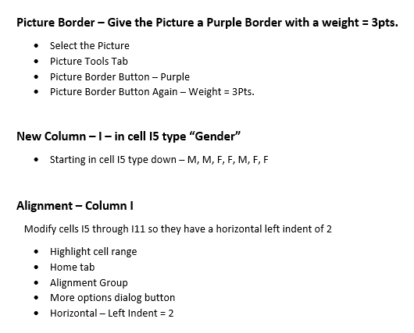
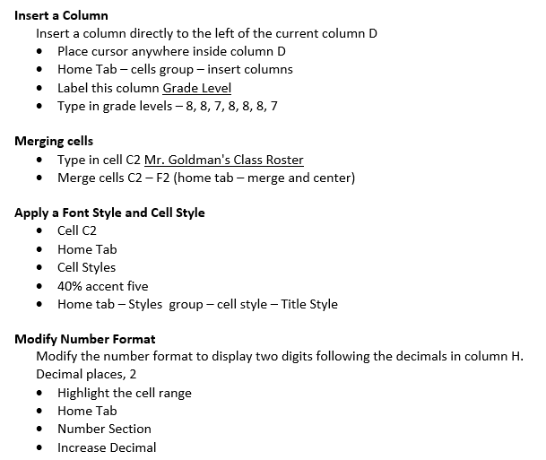 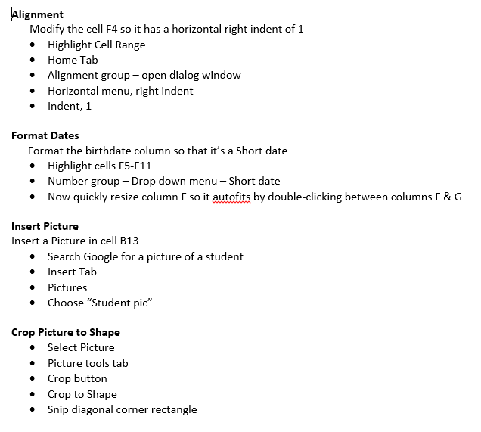

Column D

Rectangle: Diagonal Corners Snipped

START HERE

 | Mr.Goldman's Class Roster

Last Name | First Name | Grade Level | Birthplace | Birthdate | Percent Grade | Library Fines | Gender
Jones | Marquis | 8 | Florida | 2000-06-05 | 58 | 14.75 | M
Moot | Jim | 8 | Alabama | 2000-06-18 | 55 | 5.75 | M
Sheek | Liver | 7 | Florida | 2000-02-04 | 14 | 0.00 | F
Kempers | Belle | 8 | Florida | 2000-04-03 | 35 | 0.00 | F
Way | Madoo | 8 | Montana | 2000-03-05 | 55 | 3.50 | M
Telly | Shelly | 8 | Florida | 2000-04-05 | 5 | 10.50 | F
Moy | Mary | 7 | Florida | 2000-05-03 | 44 | 0.00 | F

Finished

 | Mr. Goldman's Class Roster

Last Name | First Name | Grade Level | Birthplace | Birthdate | Percent Grade | Library Fines | Gender
Jones | Marquis | 8 | Florida | 2000-06-05 | 58 | 14.75 | M
Moot | Jim | 8 | Alabama | 2000-06-18 | 55 | 5.75 | M
Sheek | Liver | 7 | Florida | 2000-02-04 | 14 | 0.00 | F
Kempers | Belle | 8 | Florida | 2000-04-03 | 35 | 0.00 | F
Way | Madoo | 8 | Montana | 2000-03-05 | 55 | 3.50 | M
Telly | Shelly | 8 | Florida | 2000-04-05 | 5 | 10.50 | F
Moy | Mary | 7 | Florida | 2000-05-03 | 44 | 0.00 | F

