Directions
Microsoft Excel Basic Function & Formulas Lesson

You will use the Insert Function tool to find the missing answers in the light blue cells on the Goldman Sales Inc. Worksheet. This lesson will teach you how to insert and edit charts and also teach you the following functions:
SUM
AVERAGE
MAX
MIN
COUNTIF

1) In cell D7 insert the SUM function for the cell range B5 through M5 (B5…M5). This function finds the sum of all values in a range of values. [Formulas Tab - Insert Function]

2) In cell D9 insert the AVERAGE function for the cell range B5 through M5 (B5…M5). This function finds the average value of a range of values.

3) In cell D11 insert the MAX function for the cell range B5 through M5 (B5…M5). This function finds the highest value in a range of values.

4) In cell D13 insert the MIN function for the cell range B5 through M5 (B5…M5). This function finds the lowest value in a range of values.

5) In cell D15 insert the COUNTIF function for the cell range B5 through M5 (B5…M5). This function counts how many values meet a certain criteria in a range of values. In this case, the criteria is greater than 400 (>400).

To insert the chart:

1) Select the cell range A4…M5
2) In the Insert tab – Charts group – insert a 2D Clustered Column Chart
3) With the chart selected, go to Chart Tools – Design and choose Chart Style 9
4) Click in the chart title and change it so it reads Goldman Inc. Sales
5) With the chart selected, go to Chart Tools – Design – Click on the Add Chart Elements button and choose to show Data Labels on the Outside End. Also Show the Legend at the Bottom

Save the file as "Last Name + First Name + Basic Functions" and send it to me for grading please

Goldman Sales Inc.
 | Goldman Inc. Sales - 2016 |  |  |  |  |  |  | **We sell cured meats and dreams…

 | January | February | March | April | May | June | July | August | Sept | Oct | Nov | Dec
Sales | 545 | 122 | 150 | 233 | 322 | 399 | 255 | 323 | 445 | 688 | 925 | 1353

Total Sales = |  |  | 5760

Average Sales Per Month = |  |  | 480
Goldman Inc. Sales
Highest Monthly Sales = |  |  | 1353

Lowest Monthly Sales = |  |  | 122

How many months had sales above 400? |  |  | 5

Insert Chart:

Answer Sheet 1
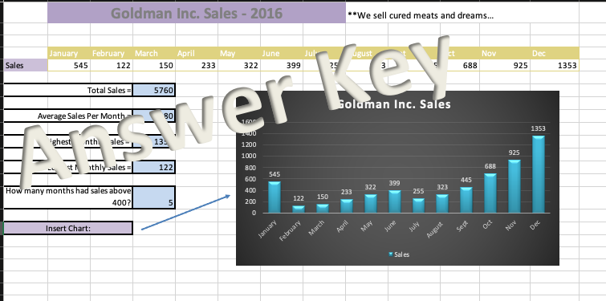

Richest Zip Codes
 | 2004 Top 25 Wealthiest Zip Codes in America

Complete Column Q
Rank | ZIP | State | Area | Region | 2004 avg. household income | 2004 avg. household net worth | 2004 population
1 | 94027 | CA | S.F./Sil. Valley | W | $404,976 | $1,374,966 | 7,598
2 | 92067 | CA | San Diego | W | $355,898 | $1,436,513 | 4,126 | Highest Population? | 19698
3 | 19035 | PA | Philadelphia | NE | $346,395 | $1,339,944 | 3,959
4 | 94028 | CA | S.F./Sil. Valley | W | $347,860 | $1,324,929 | 6,699 | Average Household Income for all 25 zip codes? | 321071.8
5 | 10577 | NY | New York | NE | $379,905 | $1,276,203 | 3,860
6 | 06883 | CT | New York | NE | $320,717 | $1,354,242 | 10,422 | How many Zips from NY make the list? | 6
7 | 07620 | NJ | New York | NE | $315,695 | $1,362,785 | 2,270
8 | 22066 | VA | Washington | NE | $308,530 | $1,373,383 | 18,055 | How many zips from the NE are there? | 16
9 | 02493 | MA | Boston | NE | $331,516 | $1,297,476 | 11,874
10 | 11568 | NY | New York | NE | $326,511 | $1,319,573 | 4,241 | Smallest population is? | 463
11 | 60043 | IL | Chicago | MW | $352,357 | $1,267,145 | 2,511
12 | 07078 | NJ | New York | NE | $342,649 | $1,272,488 | 12,771 | Average Household Net Worth for all 25 zip codes? | 1301042
13 | 10514 | NY | New York | NE | $305,704 | $1,292,925 | 12,500
14 | 94920 | CA | S.F./Sil. Valley | W | $282,836 | $1,338,694 | 12,344 | Total Population of all 25 zips? | 219828
15 | 06840 | CT | New York | NE | $316,801 | $1,263,398 | 19,698
16 | 11765 | NY | New York | NE | $323,031 | $1,238,025 | 463
17 | 92091 | CA | San Diego | W | $273,683 | $1,343,427 | 1,505
18 | 10506 | NY | New York | NE | $319,328 | $1,210,363 | 5,805
19 | 94022 | CA | S.F./Sil. Valley | W | $280,068 | $1,286,810 | 18,596
20 | 06831 | CT | New York | NE | $342,602 | $1,197,101 | 15,060
21 | 90077 | CA | Los Angeles | W | $332,009 | $1,193,116 | 9,371
22 | 60022 | IL | Chicago | MW | $283,261 | $1,257,546 | 8,440
23 | 10504 | NY | New York | NE | $278,668 | $1,265,468 | 7,671
24 | 06820 | CT | New York | NE | $306,873 | $1,202,270 | 19,440
25 | 07976 | NJ | New York | NE | $248,923 | $1,437,249 | 549

Answer Sheet 2
