Colors
INSTRUCTIONS
 |  |  |  |  |  | 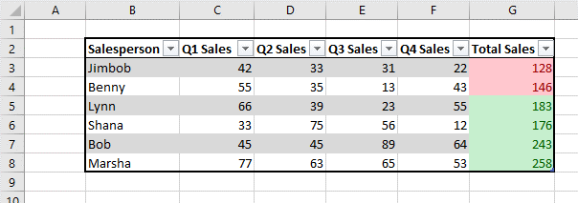
Salesperson | Q1 Sales | Q2 Sales | Q3 Sales | Q4 Sales | Total Sales
Jimbob | 42 | 33 | 31 | 22 | 128
Benny | 55 | 35 | 13 | 43 | 146
Lynn | 66 | 39 | 23 | 55 | 183
Fill the Total Sales Column G in the table with the SUM function.
In the colors worksheet – Set Conditional Formatting for the values in Column G (Total Sale) to Highlight the cells to have a Red Fill if the total sales are below 175 and a Green Fill if Total Sales are 175 and above.
Shana | 33 | 75 | 56 | 12 | 176
Bob | 45 | 45 | 89 | 64 | 243
Marsha | 77 | 63 | 65 | 53 | 258

Flags
INSTRUCTIONS
 |  |  |  |  |  | 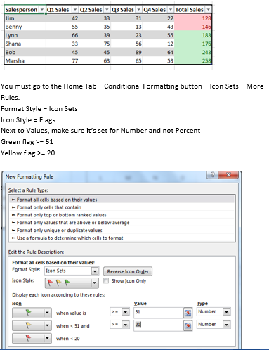
Salesperson | Q1 Sales | Q2 Sales | Q3 Sales | Q4 Sales | Total Sales
Jimbob | 42 | 33 | 31 | 22 | 128
Benny | 55 | 35 | 13 | 43 | 146
Lynn | 66 | 39 | 23 | 55 | 183
Shana | 33 | 75 | 56 | 12 | 176
Bob | 45 | 45 | 89 | 64 | 243
Marsha | 77 | 63 | 65 | 53 | 258

Data Bars
INSTRUCTIONS
Salesperson | Q1 Sales | Q2 Sales | Q3 Sales | Q4 Sales | Total Sales
Jimbob | 42 | 33 | 31 | 22 | 128
Benny | 55 | 35 | 13 | 43 | 146
Lynn | 66 | 39 | 23 | 55 | 183
Shana | 33 | 75 | 56 | 12 | 176
Bob | 45 | 45 | 89 | 64 | 243
Marsha | 77 | 63 | 65 | 53 | 258

Text Highlight
INSTRUCTIONS
Salesperson | Q1 Sales | Q2 Sales | Q3 Sales | Q4 Sales | Total Sales
Jimbob | 42 | 33 | 31 | 22 | 128
Benny | 55 | 35 | 13 | 43 | 146
Lynn | 66 | 39 | 23 | 55 | 183
Shana | 33 | 75 | 56 | 12 | 176
Bob | 45 | 45 | 89 | 64 | 243
Marsha | 77 | 63 | 65 | 53 | 258

