Sheet1
isuue name | isuue details | isuue feedback
Searchbox | 1.in searchbox there is a keyword, a. click searchbox,keyboard will open b. click cross button keyword as well as key board will be gone. | 1. key board must remian after delete keyword or click cross button
vedio play limitation not applied in player screen | 1. user can keep watiching vr vedio in player screen unlimited by clicking next/previous button
vedio add button | 1. vedio add button need to be more smooth.
play/pause loading view | 1. if user enhance player screen slider and takes time to load vedio, play/pause button is not loading itself.- Dev says its not possible right now , ley it be | 1. make play/pause button loading while enhancing vedio silder and loading the vedio.
scrol touch | 1. scrol to down and try to stop scroling but not stopping smoothly. | 1. make stop scroling smooth
subscription | 1. subscription message of free trial is showing against "start now" button instead of "Free trial" button. 2. restore button in settings is noe working . 3. while playing vedio if subscription page arise according to extra column 7, vedio is keep playing | 3. if subs page arise,vedio should be paused .
sound of vedio is playing after closing vedio | 1. play a vedio>back from player screen in the middle of the vedio>vedio sound will still be played. | 1. pause the vedio when user back from player screen in the middle of the vedio
headphone plugout and vedio stopped | 1. if headphone plugout of device while playing vedio, vedio is paused but play button sign is playing mood | 1. play button make stop if if vedio is stop when headphone is plugout.
play button loading view in landscape | 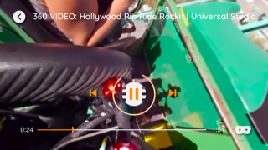 1. play a vedio in landscape mood and play button loading view is as like in picture
crash issue | 1. when add any vedio in playlist ,app crash 2. play a vedio>make it landscape/potrait mood several times>back from vedio and open the same vedio again> app crash
playslist add limitation not working | 1. click + button of vedio>now user can add unlimited playlist without subscription. But this issue doesnot generate if user add playlist from playlist button
no sound without headphone | 1. no sound is playing without headphone in ipad

