2019年10月11日问题截图留痕
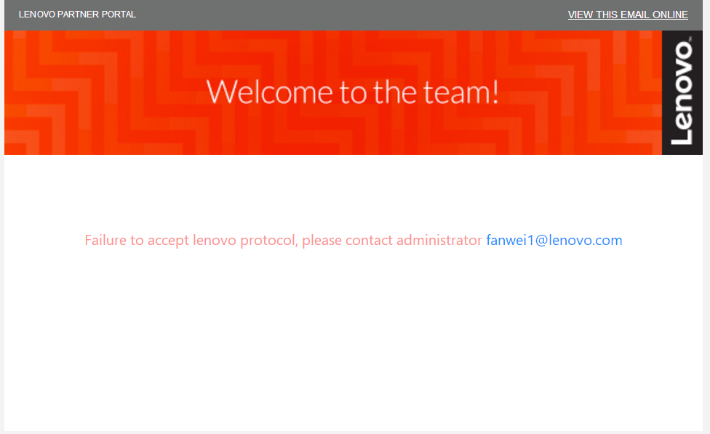
问题1.Country未显示
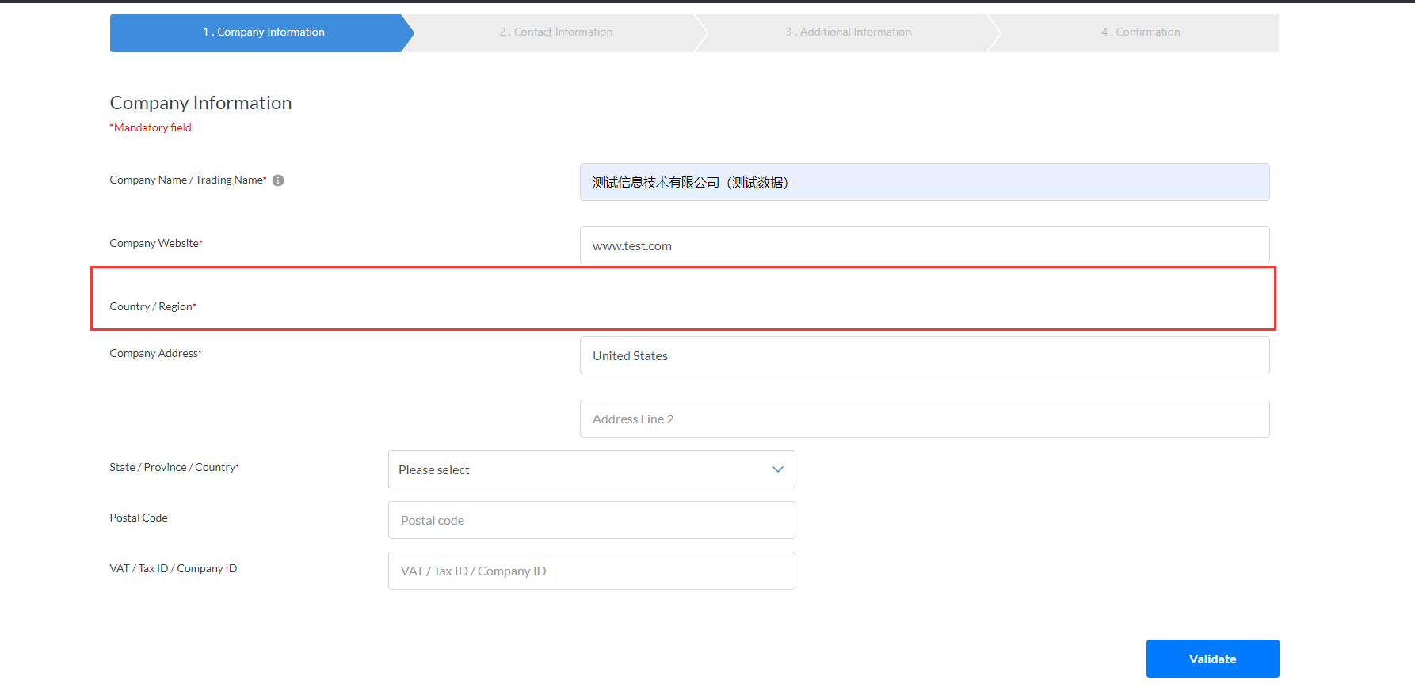

问题2.Country未带出
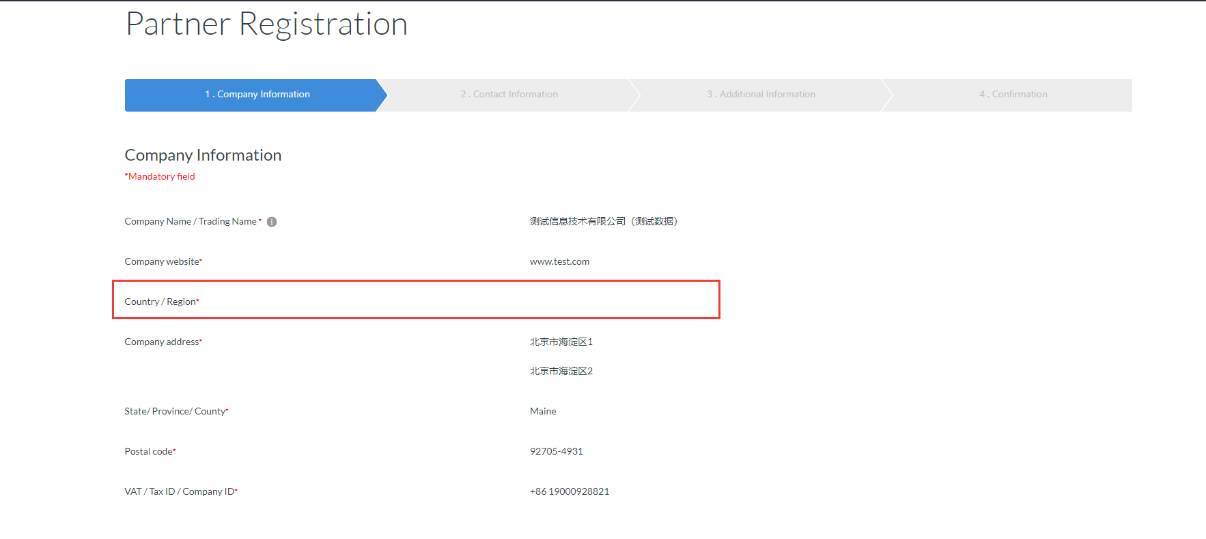

问题3.邮件附件未显示

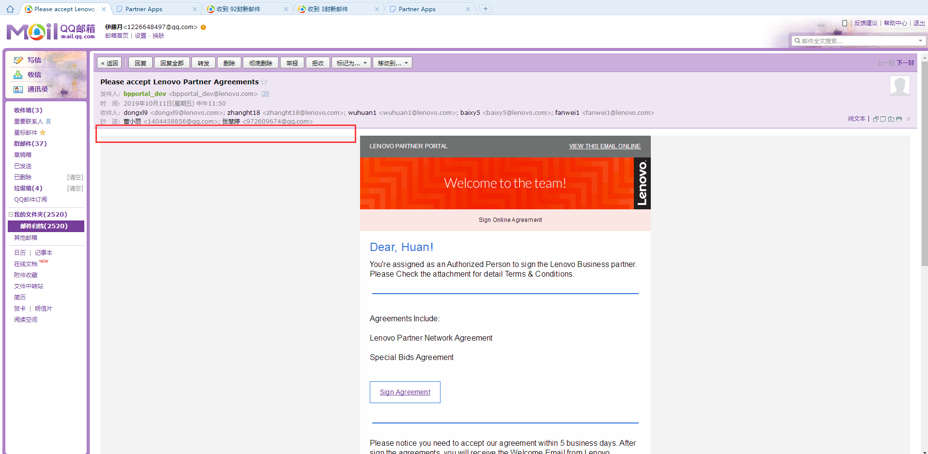

问题4.签署协议激活失败

