test scenario for FACEBOOK
NAME OF THE APPLICATION:FACEBOOK

Scenario ID | SCENARIO OBJECTIVES | PRE-CONDITIONS | TEST CONDITIONS | REFERENCE PICTURE

SC01 | To test the funtionality of SIGNUP button | 1.signup page must be ready for testing 2.system must be connected with internet 3.valid credentials must be present 4.signup page must be open. | 1.with all the valid datas 2. with all the datas invalid 3.with invalid password and others are valid 4. with invalid number or mail address and valid other datas 5. with invalid date of birth and others valid 6. with all the fields blank 7. with blank username field and others filled 8.with blank mobilenumber or mail address and others filled 9.with blank password field and others are filled 10.with blank date of birth field and others filled 11.with blank gender field and others valid | 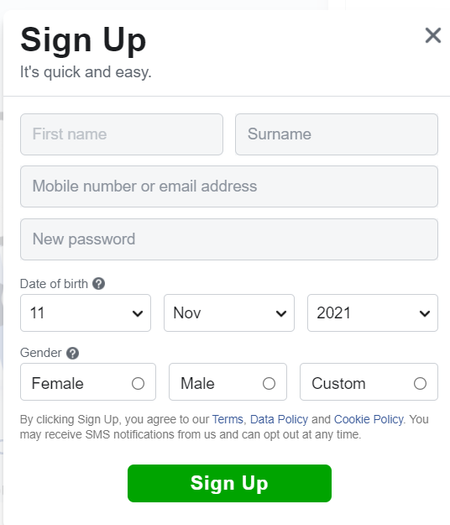
SC02 | To test the functionality of LOGIN button | 1.login page must be ready 2.system must be connected with internet 3.valid credentials must be present 4.login page must be open. | 1.with valid username and password 2. with valid user name and invalid password 3. with invalid username and valid password 4. with both invalid 5. with both blank 6. with filled username field and blank password 7.with filled password field and blank username | 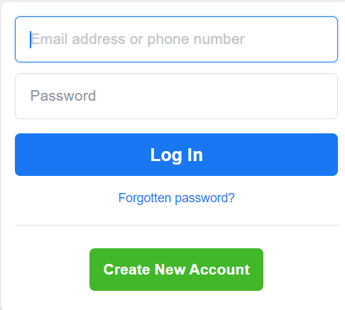
SC03 | To test the functionality of SEARCHBAR | 1.search bar must be ready for testing. 2.system must be connected with internet. 3.valid credentials must be present. 4.searchbar must be open. | 1.search friend with mobile number 2.search friend with email address 3.search friend with username or profile name 4.search the event with name or tag 5.searching friend with filter 6.search the place or location 7.with blank field | 
SC04 | To test the functionality of ADD PROFILE PICTURE | 1.add profile picture function must be ready for testing. 2.system must be connected with internet. 3.valid credentials must be present. 4.page must be open. | 1. add profile picture in suggested category 2. add profile picture in upload photos 3. add frame for profile picture 4. add thumbnail for profile picture 5. add profile picture with diffrent valid image format(.jpeg, .png, .mpeg, etc...) 6. add profile picture with diffrent invalid formats(.gif, .eps, .raw, .cr2, .nef, etc...) 7. add profile picture with invalid resolutions of image. 8. add filters for profile picture 9. without any images 10. remove profile picture 11. add profile picture in only me option 12. add profile picture in public option 13. add profile picture in for friends only option 14.add profile picture with valid resolutions of image.
SC05 | To test the functionality of ADD COVER PICTURE | 1.add cover picture function must be ready for testing. 2.system must be connected with internet. 3.valid credentials must be present. 4.page must be open. | 1. with select photo 2. with upload photo 3.without selecting images 4. add thumbnail for cover picture 5. add cover picture with diffrent valid image format(.jpeg, .png, .mpeg, etc...) 6. add cover picture with diffrent invalid formats(.gif, .eps, .raw, .cr2, .nef, etc...) 7. add profile cover with invalid resolutions of image. 8. add filters for cover picture 9.remove cover picture 10.repositioning the cover picture 11.with select photo from recents | 