CheckoutFlow
Project Name | Petstore-API
Tester Name | Ahmed Raafat Zidan
Project version | Latest version 2025
Feature | Bug_ID | Test Case ID | Title | Description | Preconditions | Steps to reproduce | Test Data | Expected Result | Actual Result | Attachement | Status | Priorty | Severity
 | BUG_001 | TC_001 | When the cart is empty, "Checkout" button still redirects the user to "Checkout: Your Information" page |  | 1. Navigate to "https://www.saucedemo.com/" 2. Login using "standard_user" and "secret_sauce" 3. Click on the cart icon in the right top of the page. | 1. Click on the "Checkout" Button. | NA | Nothing should happen. | Redirected to "Checkout: Your Information" page | 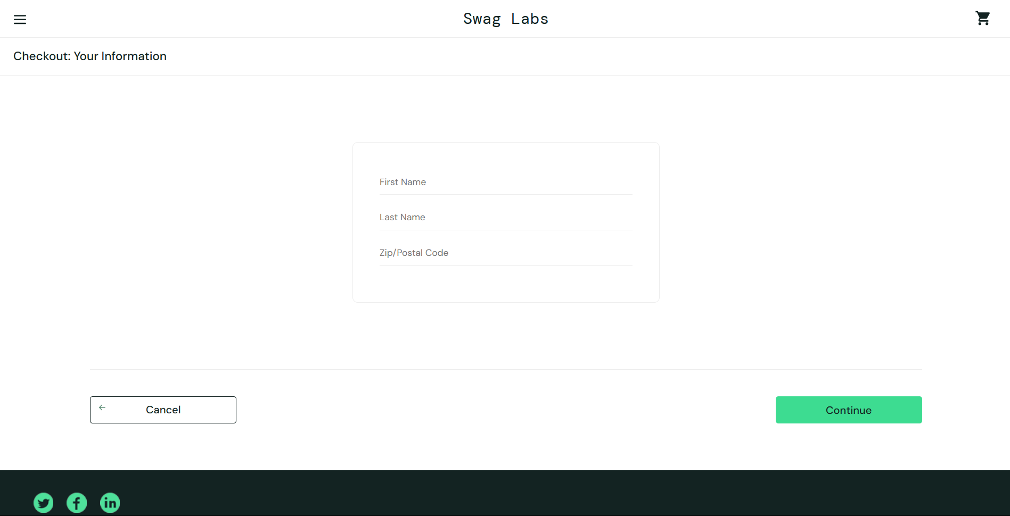 | NEW | HIGH | HIGH
 | BUG_002 | TC_003 | Phone Number Field is missed in the Information Page |  | 1. Navigate to "https://www.saucedemo.com/" 2. Login using "standard_user" and "secret_sauce" 3. Add some product to the cart using the "Add to cart" button 4. Click on the cart icon in the right top of the page. 5. Click on the "Checkout" Button. | 1. Scroll through the page to discover if all the text field and buttons exist or not | NA | All the text field and buttons exist | Phone Number field is not visible. |  | NEW | HIGH | HIGH
 | BUG_003 | TC_004 | If one of the text fields is empty, pressing "Continue" Button will result in an error message and the empy field has a "x" icon. But also other fields have "x" icon. |  | 1. Navigate to "https://www.saucedemo.com/" 2. Login using "standard_user" and "secret_sauce" 3. Add some product to the cart using the "Add to cart" button 4. Click on the cart icon in the right top of the page. 5. Click on the "Checkout" Button. | 1. Enter a valid first name 2. Enter a valid second name 3. Enter an empty Zip code 4. Press "Continue" Button | First Name: "Ahmed" Last Name: "Raafat" Zip Code: "" | An error message should appear "Error: Postal Code is required" "x" icon appear only in the Zip Code Field | The error message is found successfully "x" Symbol in First Name field is visible. | 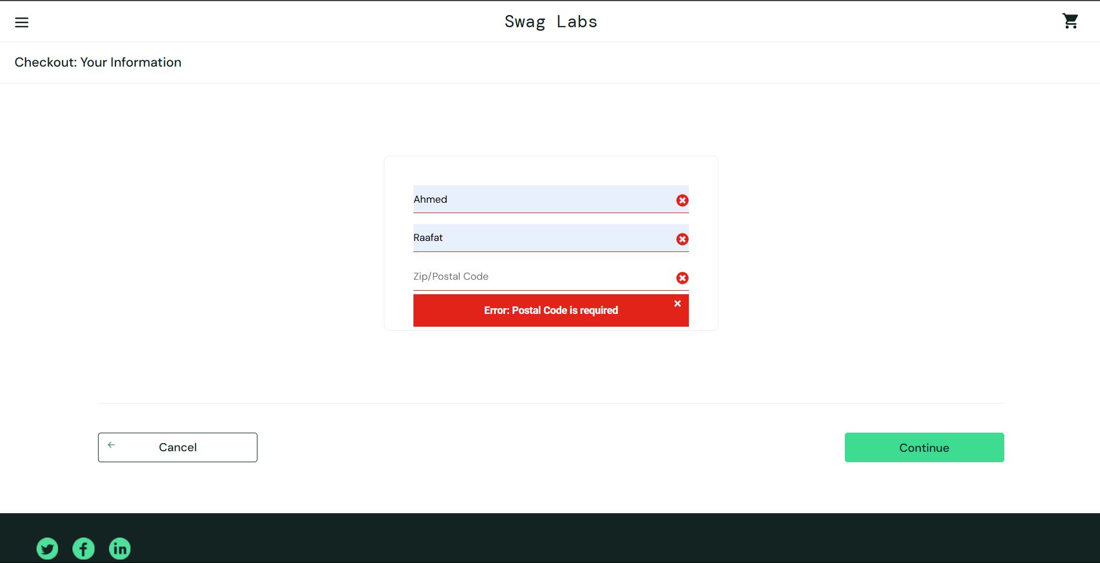 | NEW | HIGH | HIGH
 | BUG_004 | TC_006 | If one of the text fields contain invalid data, no error message is displayed and the user is redirected to the Overview Page |  | 1. Navigate to "https://www.saucedemo.com/" 2. Login using "standard_user" and "secret_sauce" 3. Add some product to the cart using the "Add to cart" button 4. Click on the cart icon in the right top of the page. 5. Click on the "Checkout" Button. | 1. Enter a invalid first name 2. Enter a invalid last name 3. Enter a valid Zip code 4. Press "Continue" Button | First Name: "A7m@d" Last Name: "R2fat" Zip Code: "33716" | An error message should appear "Error: Invalid User Information" "x" icon appear only in the First Name and Last Name Fields | User is redirected to the next page |  | NEW | HIGH | Moderate
 |  | TC_007
 | BUG_005 | TC_008 | Calculation of the total price of products in the cart is not rounded to two decimal places. |  | 1. Navigate to "https://www.saucedemo.com/" 2. Login using "standard_user" and "secret_sauce" 3. Add some product to the cart using the "Add to cart" button 4. Click on the cart icon in the right top of the page. 5. Click on the "Checkout" Button. 6. Enter valid user information. 7. Press "Continue" Button. | 1. Scroll down to the "Price Total" section. 2. Verify that the Item Total is the algebraic sum of all product prices. 3. Confirm that Tax is correctly calculated as 8% of the Item Total. 4. Ensure that the Total = Item Total + Tax | First Name: "Ahmed" Last Name: "Raafat" Zip Code: "33716" | Item Total is the algebraic sum of all product prices. Tax is 8% of the Item Total. Total = Item Total + Tax. All numbers are rounded to two decimal places | All the calculation are true but not rounded to two decimal places. Expected :113.95 Actual :113.94999999999999 |  | NEW | LOW | LOW

