TransferFunds and BalanceEnquir
BUG ID | Test Case ID | Title | Description | Preconditions | Steps to reproduce | Test Data | Expected Result | Actual Result | Attachement | Status | Priorty | Severity
Trans_Funds_01 |  | Feature not Found | The feature of transfter funds isn't existed in Guru banking website |  |  |  |  |  | 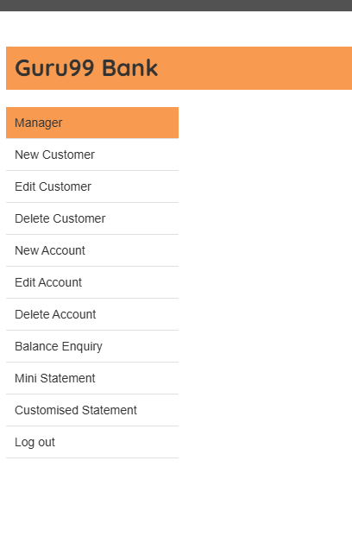
TC_Blanace_001 |  | The main function of balance Enquiry doesn't work |  |  |  |  |  |  | 

