Bug Report
Bug Report
ID | IS_003
Bug Report Summary | User cannot proceed “Adults Gift insurance” ordering since error/endless loading appears when clicking on “Formalize an agreement”
Type | Functional
Priority | High
Severity | High
Description | Browsers: Chrome, Safari. Safari Internet speed in time of testing: 46Mbps Device: macOS Catalina 10.15.7. Reproducibility: 7/7
Steps to Reproduce | 1. Open the website https://universalna.com 2. Click on “Insurance Calculators” > “Adults Insurance” in the Header Menu 3. Click on “Gift” option radio button > “Continue” button 4. Click on Insurance amount field and select 5 000 uah 5. Click on “Confirm” > “Formalize an agreement” 6. Click on “Cancel” button (for Safari browser)
Actual Result | Chrome browser: When user is slicking on “Formalize an agreement”, “error in time of loading” message appears. Safari browser: When user is clicking on “Formalize an agreement”, button does not reply and after clicking on “cancel”, the page is loading “endlessly”.
Expected Result | User can proceed with “Adults Gift insurance” when clicking on “Formalize an agreement”
Attachments (screenshots & screencasts) | https://drive.google.com/drive/folders/1ia2MUc62NJUM5zCOZzP00qwJZSsrRhso?usp=sharing
Attachment_1 (screenshots) | 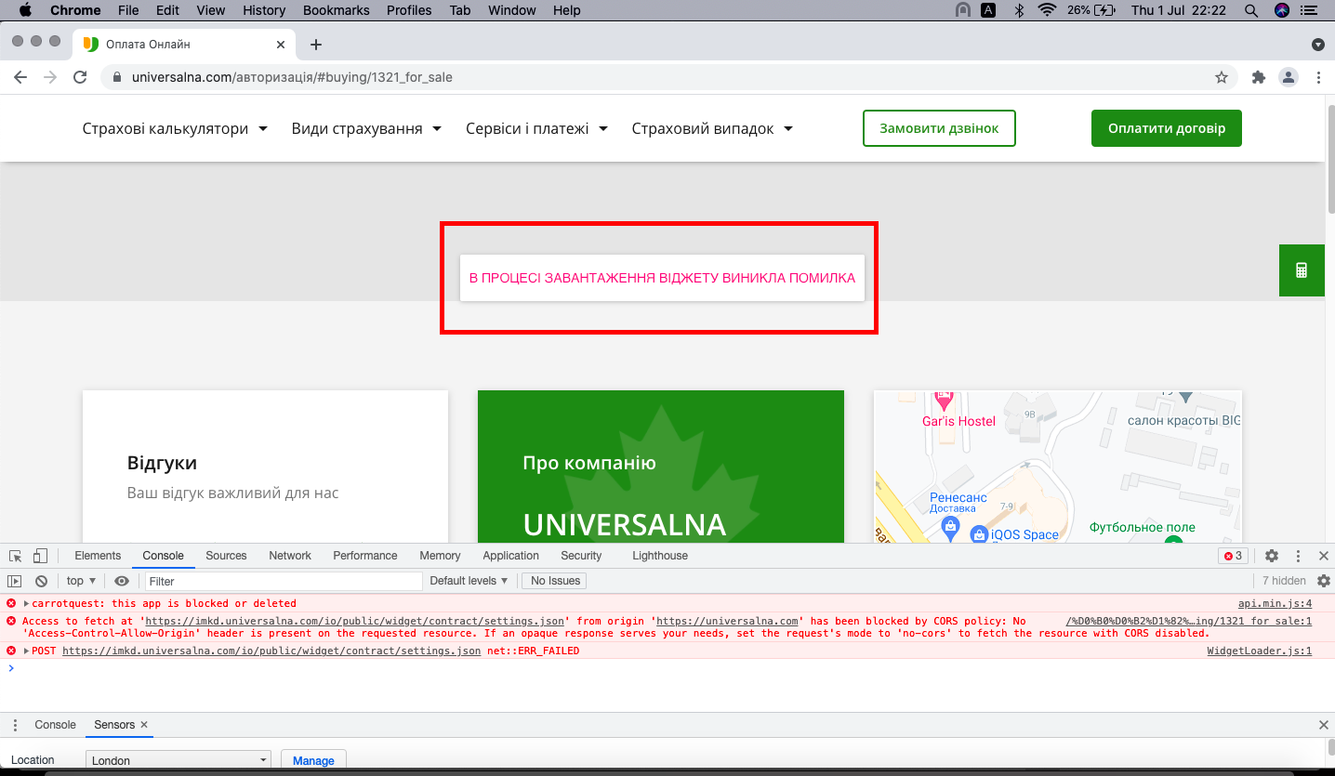

Attachment_2 (screenshots) | 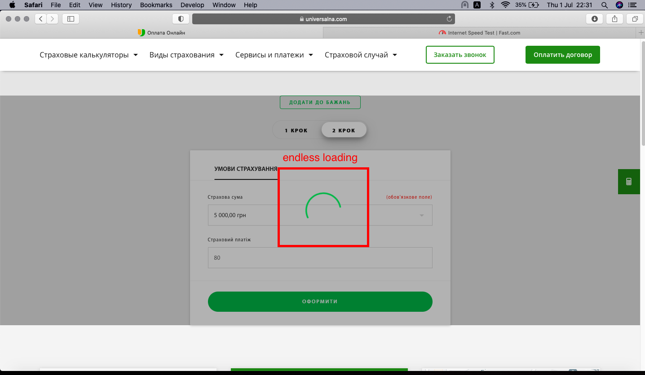
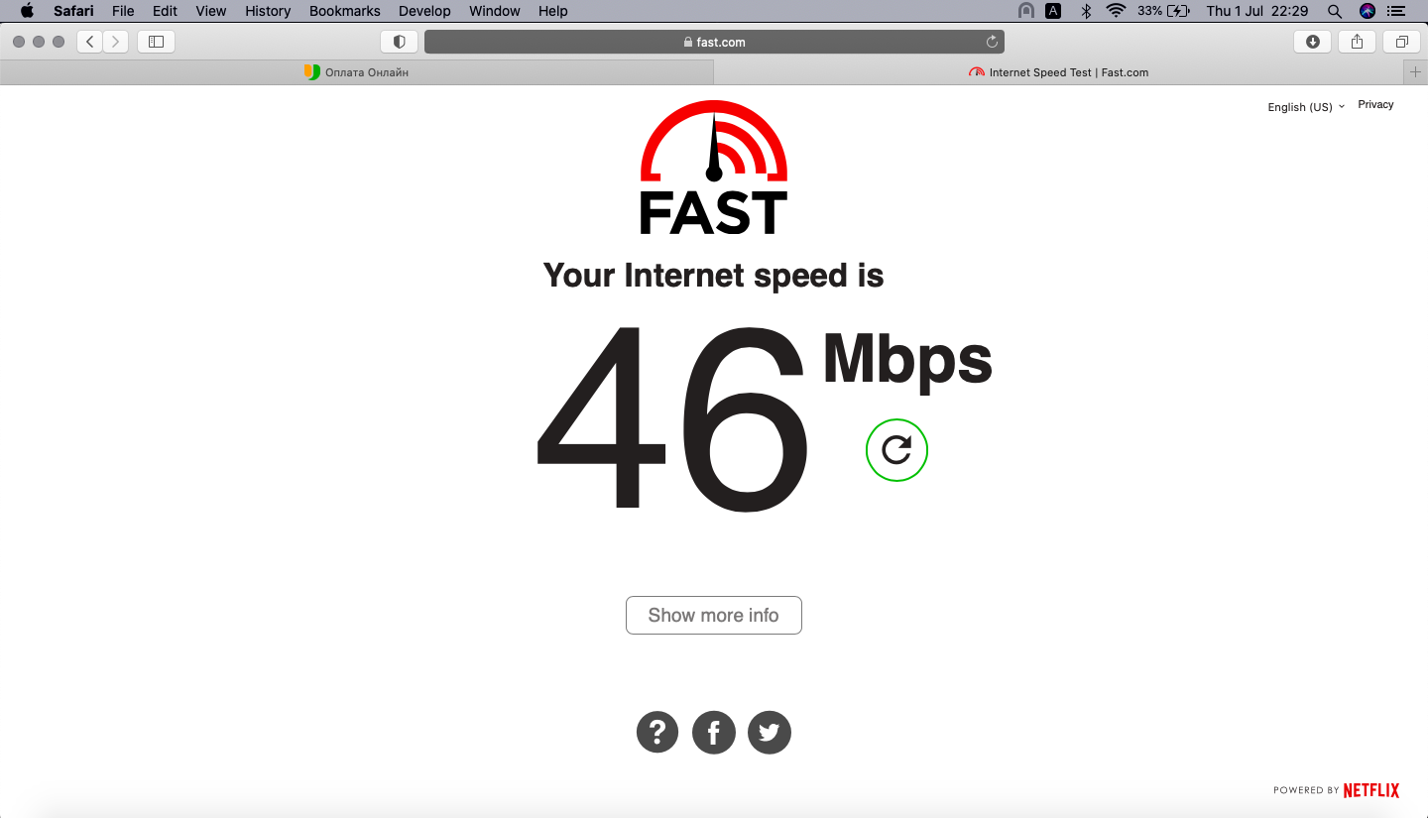 Attachment_3 (screenshots)

