Test Case TC_001
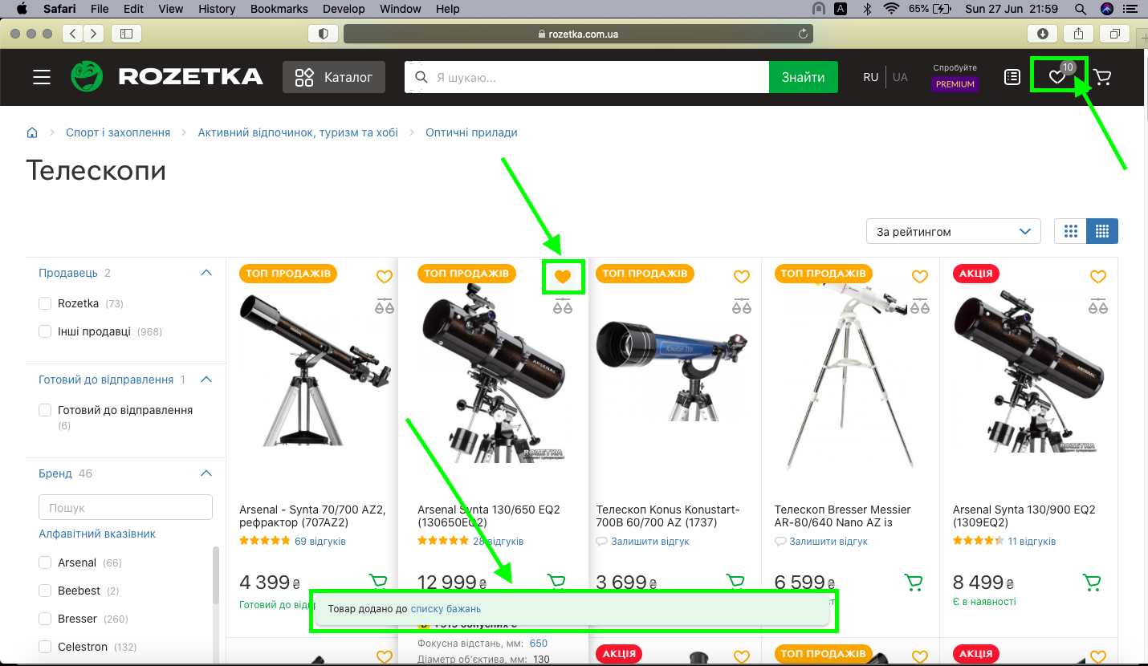
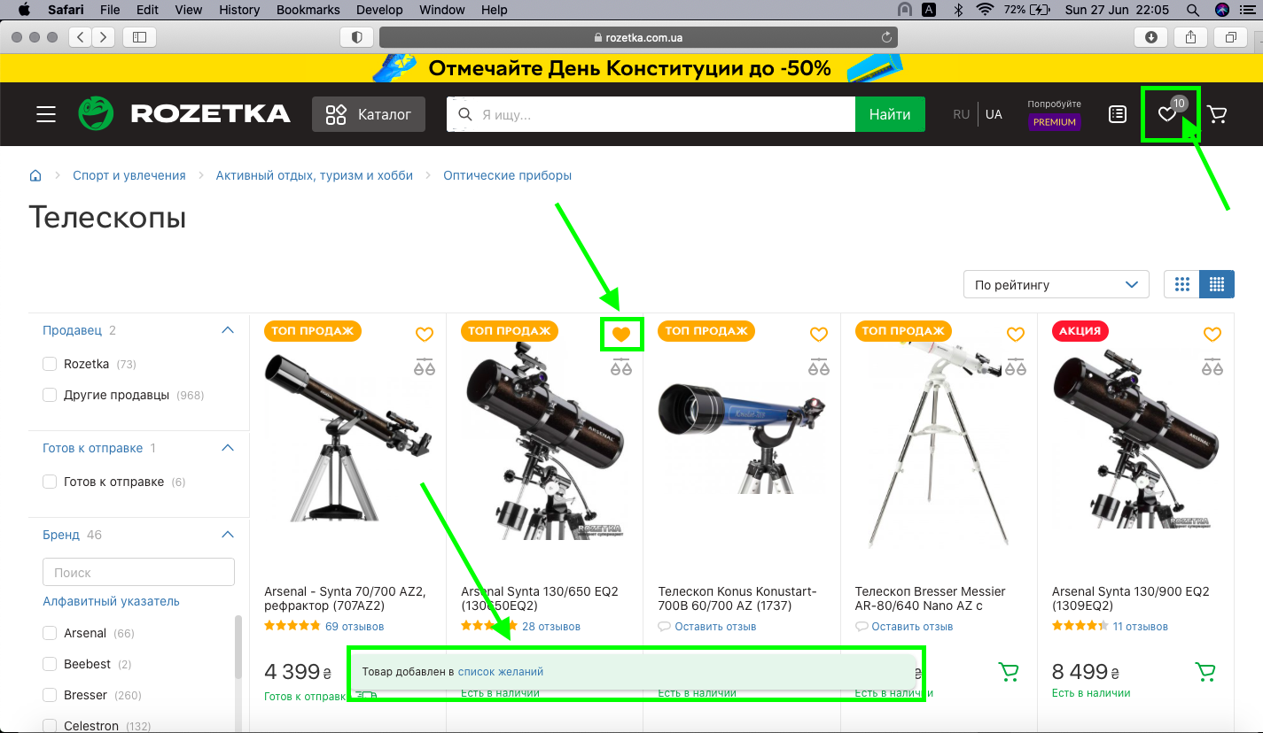
ID | Test Case Summary | Priority | Requirement | Description | Preconditions | Test Steps | Expected result | Attachment_1 (UA) | Attachment_2 (RU)
TC_001 | Verify that logged in user can save the product to Wishlist when he clicks on a wishlist (heart) icon next to product | B | R37 | When logged in user clicks on a wishlist (heart) icon next to product, it becomes highligted in orange color and informing pop - up message with embedded link to wishlist appears. Logged in user can add product to Wishlist. | User is logged in. | 0. Precondition: Logged in with given valid credentials
 |  |  |  |  |  | 1. Open https://rozetka.com.ua | 1. The Home page is opened
 |  |  |  | Browsers: Safari, Chrome, Edge. |  | 2. Open any in - stock product (e.g. "Telescope Synta EQ2") | 2. The product page is opened
 |  |  |  | Site languages: UA, RU. |  | 3. Click on the save to wishlist icon (heart icon) next to the product | 3. Heart icon is highlighted in orange colour and pop-up message appears (check attachments). Product is added to Wishlist.
 |  |  |  | Log in credentials: email - 123test@gmail.com, password - 1!@23test |  | 4. Click on the embedded link in pop - up message | 4. The link "списку бажань"/ "список желаний" leads to Wishlist page.
 |  |  |  | Pop - up message UA: Товар додано до списку бажань |  | 5. Click on back arrow and click on wishlist (heart) icon in the top-right corner | 5. Wishlist (heart) icon leads to Wishlist page
 |  |  |  | Pop - up message RU: Товар добавлен в список желаний

