Sheet2
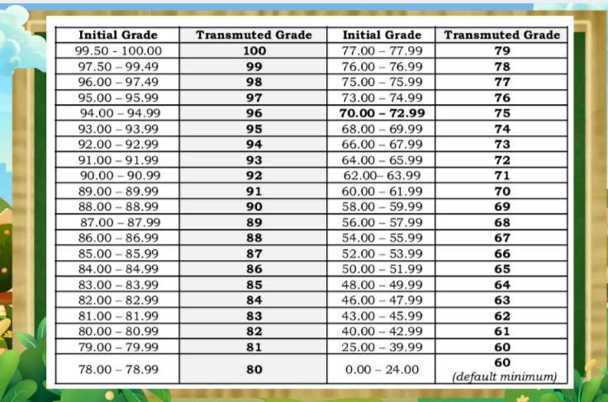
Initial Grade | Transmuted Grade
99.50 - 100.00 | 100
97.50 - 99.49 | 99
96.00 - 97.49 | 98
95.00 - 95.99 | 97
94.00 - 94.99 | 96
93.00 - 93.99 | 95
92.00 - 92.99 | 94
91.00 - 91.99 | 93
90.00 - 90.99 | 92
89.00 - 89.99 | 91
88.00 - 88.99 | 90
87.00 - 87.99 | 89
86.00 - 86.99 | 88
85.00 - 85.99 | 87
84.00 - 84.99 | 86
83.00 - 83.99 | 85
82.00 - 82.99 | 84
81.00 - 81.99 | 83
80.00 - 80.99 | 82
79.00 - 79.99 | 81
78.00 - 78.99 | 80
77.00 - 77.99 | 79
76.00 - 76.99 | 78
75.00 - 75.99 | 77
73.00 - 74.99 | 76
70.00 - 72.99 | 75
68.00 - 69.99 | 74
66.00 - 67.99 | 73
64.00 - 65.99 | 72
62.00 - 63.99 | 71
60.00 - 61.99 | 70
58.00 - 59.99 | 69
56.00 - 57.99 | 68
54.00 - 55.99 | 67
52.00 - 53.99 | 66
50.00 - 51.99 | 65
48.00 - 49.99 | 64
46.00 - 47.99 | 63
43.00 - 45.99 | 62
40.00 - 42.99 | 61
25.00 - 39.99 | 60
0.00 - 24.00 | 60 (default minimum)

