BlockDiagram
TI Confidential - NDA Restrictions

Block Diagrams also available here:
 | https://confluence.itg.ti.com/pages/viewpage.action?pageId=62147242#SYS/BIOSFMEA-HalPackage

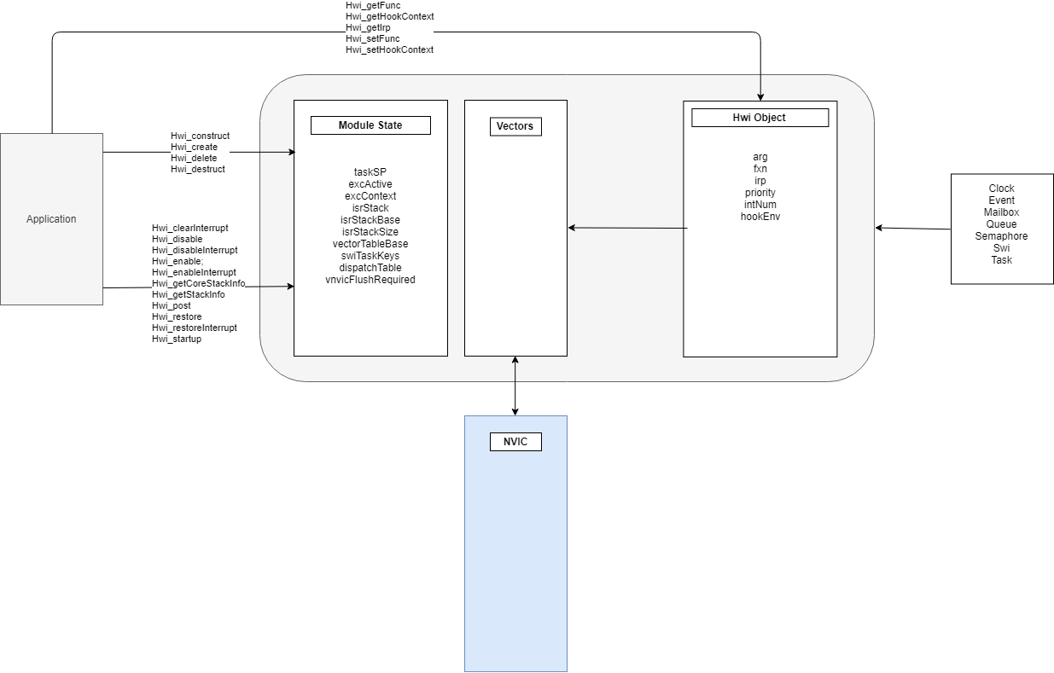

 |  | SYSBIOS Cortex-M Hwi Module

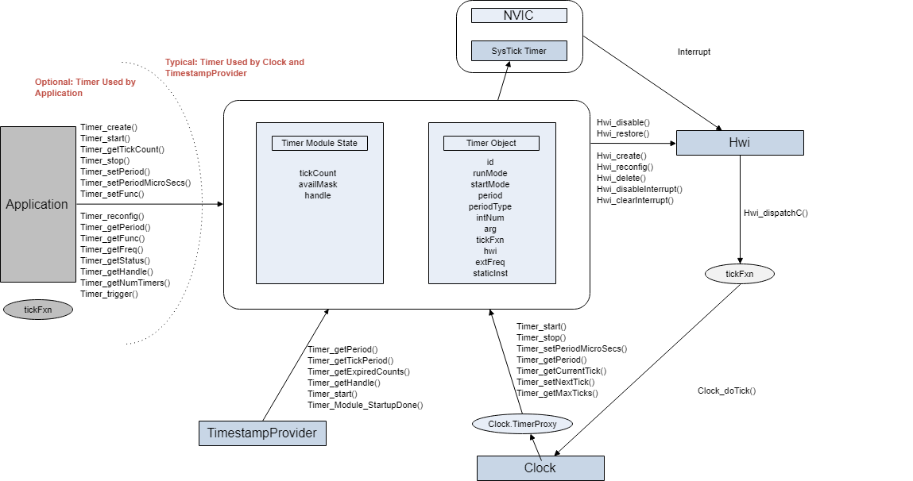

 |  | SYSBIOS Cortex-M SysTick Timer Modules

