SW-Ranking& Rules
TI Confidential - NDA Restrictions

TI Severity Criteria |  |  | TI Occurrence Criteria |  |  | TI Detection Criteria
Ranking | Severity - Criteria | Severity Description | Ranking | Occurrence - Criteria | Occurrence Description | Ranking | Detection – Criteria | Detection Description | RPN & High Risk CRITERIA
10 | Dangerously High Hazardous-without warning | Dangerously high severity ranking when a potential failure mode affects system safety without warning (catastrophic failure). Failure without warning which damages surrounding components or causes unsafe operating conditions in the field and/or involves noncompliance with government regulations. | 10 | Extremely high: persistent failures | Failure is almost inevitable. | 10 | Absolute Uncertainty | No controls in place either internally or externally (customers) to detect potential failure. Absolute certainty that planned tests will not detect potential failure. Enormous effort required for detection of failure. | • RPN (Risk Priority Number) = SEV x OCC X DET • Greatest SEVERITY and RPN values are used to identify when action is required.
9 | Extremely High Hazardous-with warning | Extremely high severity ranking when a potential failure mode affects system safety with warning (hazardous failure). Failure with warning which damages surrounding components or causes unsafe operating conditions in the field and/or involves noncompliance with government regulations. | 9 | Very high: persistent failures | Multiple failures will occur in normal operation of software. High failure rates will occur in multiple software components and features. | 9 | Very Remote | Very remote chance that the failure mode will be detected. No internal controls in place to prevent potential failure. Effort needed to detect the failure mode is greater than 1 month. Verification will not or cannot detect the existence of a deficiency or defect. | Risks to address in priority: • SEV = 8, 9 or 10 • SEV>=7 & OCC>1 & DET>5 • Largest RPN's
8 | Very High | Very high severity ranking caused by tremendous design issue. Technical objective can not be met (inability to meet requirement). Greater than 2 month delay in schedule. | 8 | High: frequent failures | Failure will always occur in normal operation. | 8 | Remote | Remote chance that the failure mode will be detected. No internal controls in place to prevent potential failure. Effort needed to detect the failure mode is 1 to 3 weeks. Verification not likely to detect the existence of a deficiency or failure. Control occurs late in the development process. | • SEV = 8, 9 or 10 | Action is required in all cases. Action(s) shall be recorded in the FMEA.
7 | High | High severity ranking failure. Software is inoperable and/or cause non-software operation or non-compliance. Quality objective of software can not be met. Results in major customer dissatisfaction or a 1 to 2 month delay in schedule. (Postponement to subsequent release required.) | 7 | High: frequent failures | Similar components have been used for similar functions in previous releases and failures occurred with high frequency. Failure will not always occur in normal operation of software. | 7 | Very low | Failure would be normally detected by System test. Very low chance that the failure will be detected early in the project. Control occurs late in the development process. | • SEV>=7 & OCC>1 & DET>5 | Action required until OCC =1 or DET =< 5. Action(s) shall be recorded in the FMEA.
6 | Moderate | Software inoperable with ripple effect on other components. Delay of program, quality target can not be met (final delivery). Customer is dissatisfied. Will cause less than 1 month delay of project. | 6 | Moderate: occasional failures | Occasional failures will occur in software components. Failures will always occur in special features. | 6 | Low | Failure would be normally detected by Product test or Modem Verification. Low chance the failure will be detected early in the project. Control occurs midway in the development process. | • Largest RPN's | Action is required unless all efforts have been exhausted to further reduce RPN value.
5 | Low | Software inoperable (loss of one or more functions). Delay of single feature. Failure will result in customer dissatisfaction and annoyance and/or deterioration of software performance. Quality target can not be met. Some delay of project. | 5 | Moderate: occasional failures | Similar components have been used for similar functions in previous releases and failures occurred with moderate frequency. Failures will not always occur in special features. | 5 | Moderate | Failure would be normally detected by Integration or other follow up checks. Verification has a moderate probability of detecting the existence of a deficiency or failure. Control occurs midway in the development process. | • AIAG 4th edition guidelines recommend against using threshold values : - RPN thresholds should ONLY be used for continual improvement purposes. - RPN values outside above rules shall continue to be evaluated for improvement action opportunities.
4 | Very Low | Software operable with significant degradation of performance. Most customers will notice performance issues. Will cause some delay of schedule. | 4 | Low: relative few failures | Failures will always occur in very special features. | 4 | Moderately high | Potential failure mode detected by Component test. Verification has a moderately high probability of detecting the existence of a deficiency or failure. Control occurs early in the development process.
3 | Minor | Software operable with some degradation of performance. Failure will result in slight customer annoyance and/or slight deterioration of software performance. May cause minor schedule slippage. | 3 | Low: relative few failures | Similar components have been used for similar functions in previous releases and low failure rate was observed. Failures will not always occur in very special features. | 3 | High | Potential failure mode detected by module test. Verification has a high probability of detecting the existence of a deficiency or failure. Control occurs early in the development process.
2 | Very Minor | Software operable at reduced performance. Does not affect customer requirements, and customer is aware and accepts impact. Does not have any impact on schedule. | 2 | Very Low: very few failures | Failures probably will not occur. | 2 | Very High | Potential failure mode detected by code review. Very high chance that verification will detect potential defects or risks. Control occurs early in the development process.
1 | None | No effect, failure is of such minor nature that the customer (either internal or external) will probably not detect the failure. Does not have any impact on schedule. | 1 | Remote: failure is very unlikely | Failure probability is almost non-existent. Similar components or modules have been used for similar functions in previous releases and failures have not occurred. | 1 | Almost Certain | Certain that the failure would be detected by design documents review or verification. Reuse of modules or functions with no chance of failure. Development processes used prevent the failure mode.

SEVERITY RULES |  |  | OCCURENCE RULES |  |  | DETECTION RULES
• SEV of "9" or "10" means an unsafe condition and/or regulatory violation with impact on customer. This must be addressed and eliminated before final design review with a root cause analysis and corrective Action recorded into the DFMEA |  |  | • OCC=1 means design is "error-proofed" such that the failure is eliminated. |  |  | • DET =1 means that the risk will be detected under all cisrcumstances.
• SEV of "8" means a non-functional or non-manufacturable design. It must be eliminated before final design review with a root cause analysis and corrective action recorded into the DFMEA |  |  | • OCC=10 is required for new technologies or failure modes without prior history. |  |  | • DET = 10 means that the risk will be UNDETECTED, i.e. no prevention or detection methods
• SEV=7 & OCC>1 & DET>5 must be addressed with identified root cause and corrective action recorded into the DFMEA |  |  | • Reduction in OCC is done though robust "Prevention Controls", such as range check, assertions, null checks, dynamic analysis , etc. |  |  | • DET equals Test Coverage
• A reduction in EXPECTED SEV is ONLY POSSIBLE with a "re-design" type of actions. |  |  | • For a same risk, there can be multiple causes. There will be as many OCC values as causes identified. |  |  | • Reduction in DET can be done only if the testability has been improved. Examples of "Detection Controls" include prototype testing,unit testing, integration testing, validation testing, etc.
• For a same risk, there can be multiple effects of failure. In such case, the highest SEV value applies. |  |  | • SEV=7 & OCC>1 & DET>5 must be addressed with identified root cause and corrective action recorded into the DFMEA |  |  | • For same detection means or methods, there can be different DET values as they may control failures in different ways.
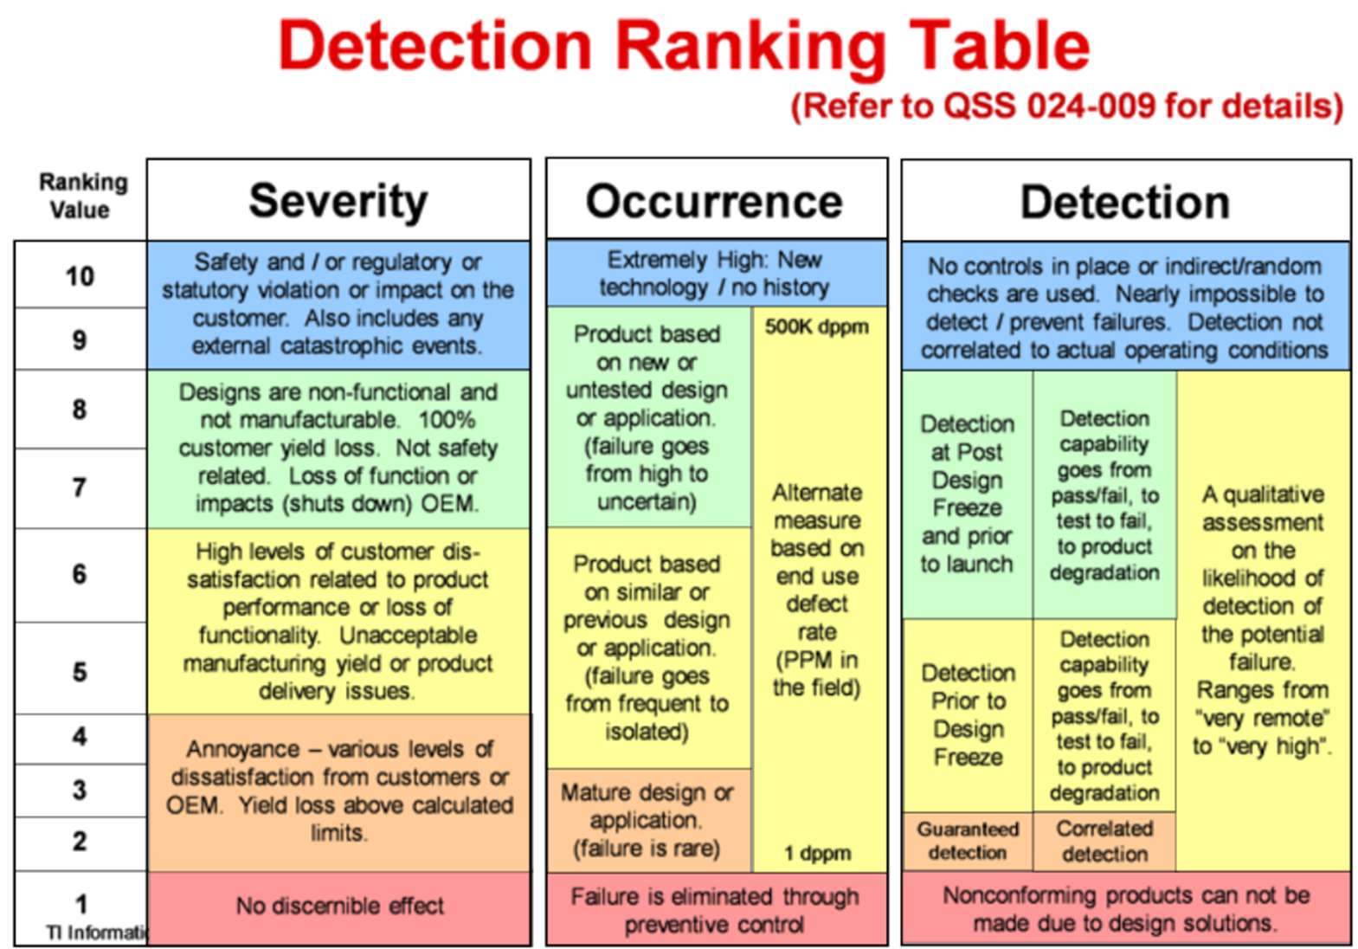

Ranking | Detection – Criteria | Detection Description
10 | Absolute Uncertainty | No controls in place either internally or externally (customers) to detect potential failure. Absolute certainty that planned tests will not detect potential failure. Enormous effort required for detection of failure.
9 | Very Remote | Very remote chance that the failure mode will be detected. No internal controls in place to prevent potential failure. Effort needed to detect the failure mode is greater than 1 month. Verification will not or cannot detect the existence of a deficiency or defect.
8 | Remote | Remote chance that the failure mode will be detected. No internal controls in place to prevent potential failure. Effort needed to detect the failure mode is 1 to 3 weeks. Verification not likely to detect the existence of a deficiency or failure. Control occurs late in the development process.
7 | Very low | Failure would be normally detected by System test. Very low chance that the failure will be detected early in the project. Control occurs late in the development process.
6 | Low | Failure would be normally detected by Product test or Modem Verification. Low chance the failure will be detected early in the project. Control occurs midway in the development process.
5 | Moderate | Failure would be normally detected by Integration or other follow up checks. Verification has a moderate probability of detecting the existence of a deficiency or failure. Control occurs midway in the development process.
4 | Moderately high | Potential failure mode detected by Component test. Verification has a moderately high probability of detecting the existence of a deficiency or failure. Control occurs early in the development process.
3 | High | Potential failure mode detected by module test. Verification has a high probability of detecting the existence of a deficiency or failure. Control occurs early in the development process.
2 | Very High | Potential failure mode detected by code review. Very high chance that verification will detect potential defects or risks. Control occurs early in the development process.
1 | Almost Certain | Certain that the failure would be detected by design documents review or verification. Reuse of modules or functions with no chance of failure. Development processes used prevent the failure mode.

BlockDiagram
TI Confidential - NDA Restrictions

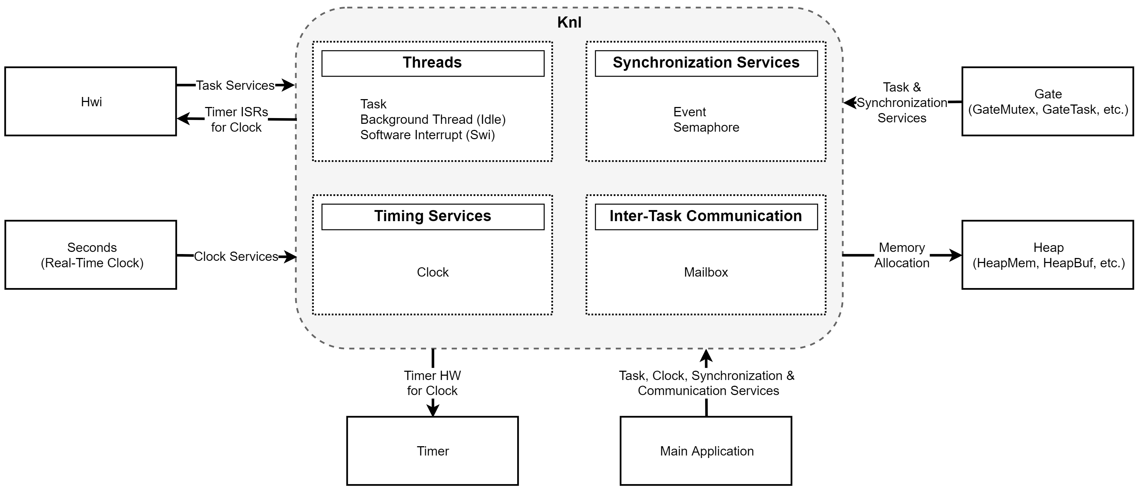

 | SYS/BIOS Knl FMEA Block Diagram

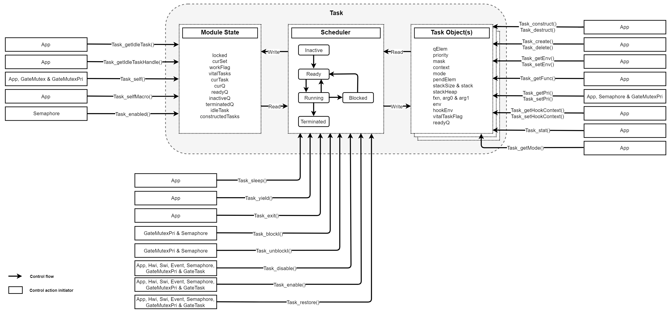

 |  | SYS/BIOS Task FMEA Block Diagram

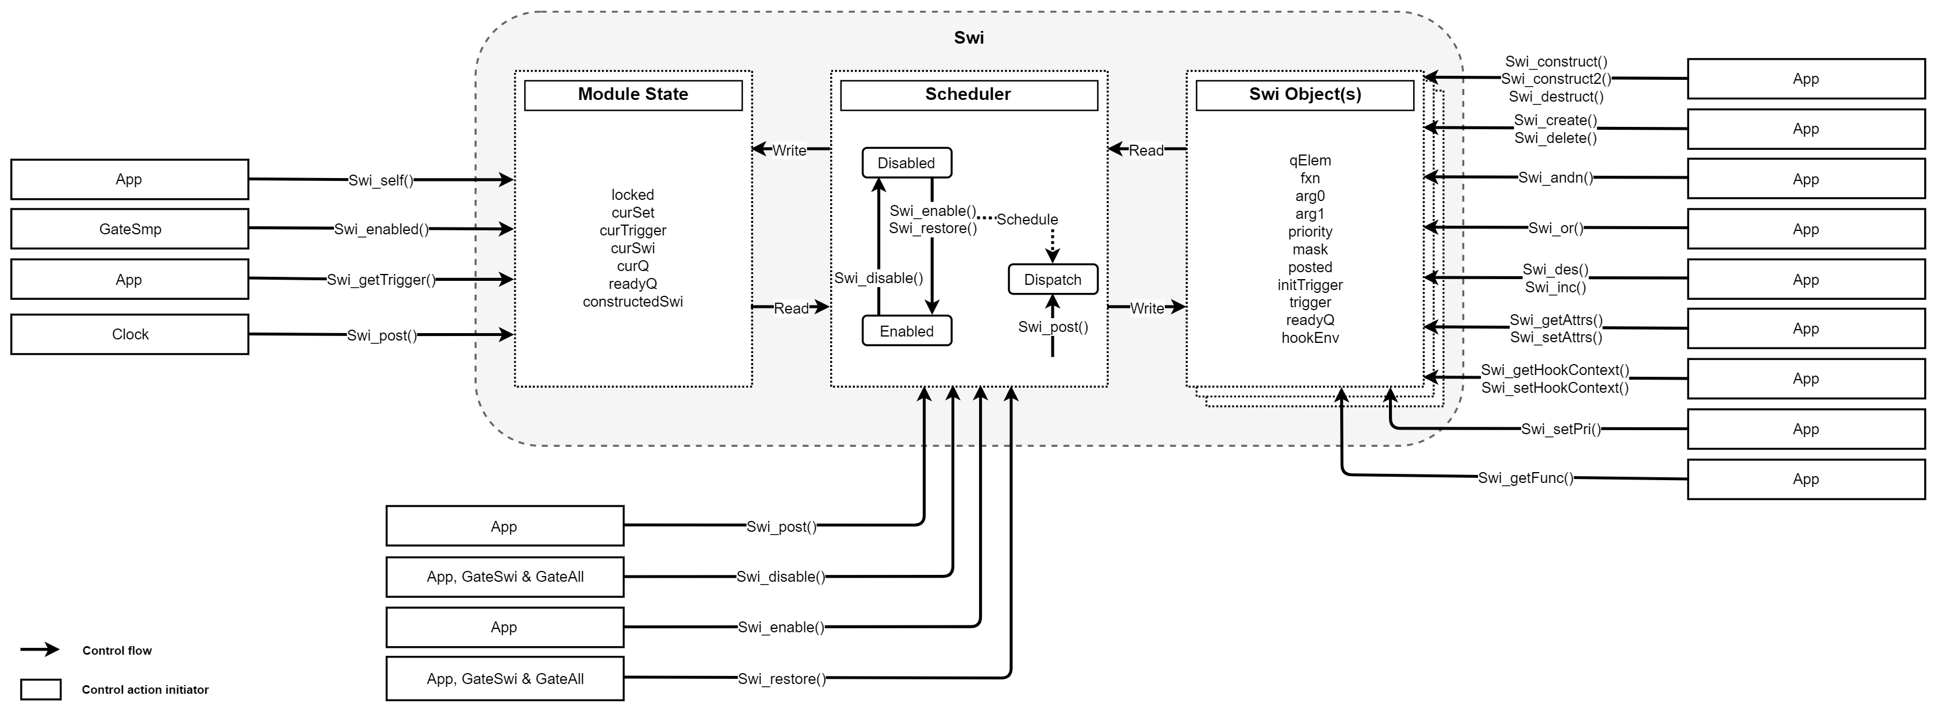

 |  |  |  | SYS/BIOS Swi FMEA Block Diagram

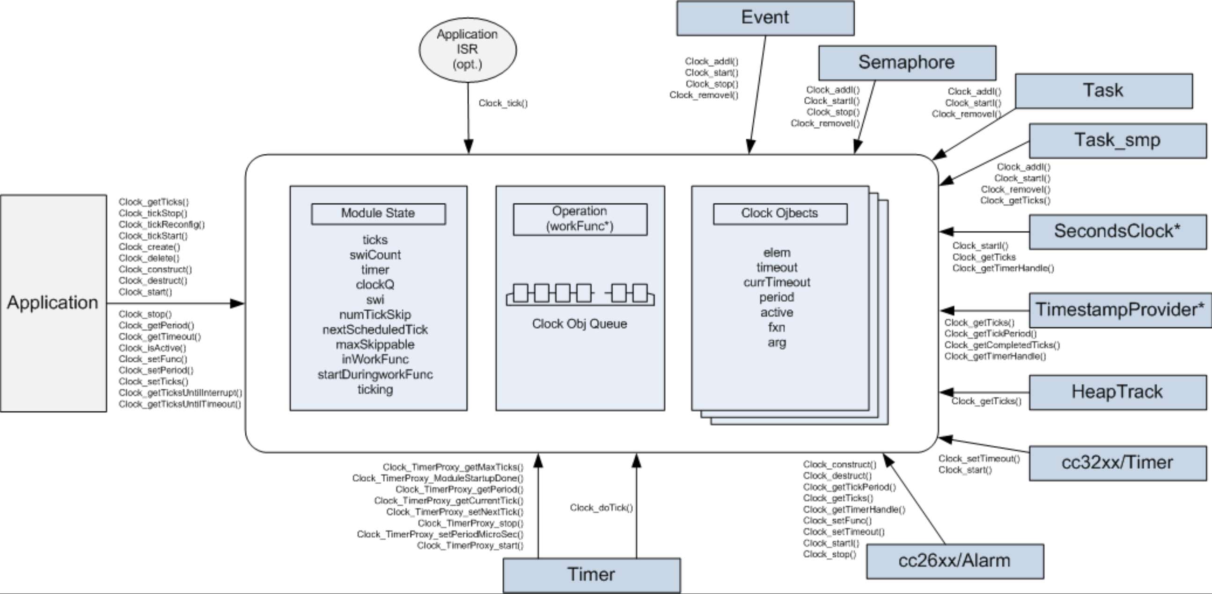

 |  | SYS/BIOS Clock FMEA Block Diagram

 |  |  | SYS/BIOS Event FMEA Block Diagram

 |  |  | SYS/BIOS Semaphore FMEA Block Diagram

 |  |  | SYS/BIOS Mailbox FMEA Block Diagram

