P loss in annulus TJ correction
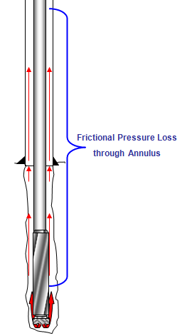
Pressure loss in annulus with corrected coefficient |  |  | Input Cells
 |  |  | Calculated Cell
Length of drill pipe | 2500 | ft | Back to the first page
OD of drill pipe | 5 | inch
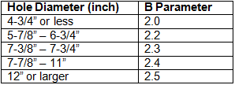
OD of drill pipe tool joint | 6 | inch
Length of drill collar | 500 | ft
OD of drill collar | 5 | inch
Hole size | 9 | inch
Mud Weight | 9.5 | ppg
Plastic Viscosity | 12 | centipoise
Flow rate | 600 | gpm
B parameter (see the table) | 2.4 |  | Do you want to have a good oilfield resume? Click Here !!!
Coefficient for annulus around drillpipe and tool joint | 0.0017330142983
Coefficient for annulus around drill collar | 0.0016454081633
Pressure loss in the annulus around drill pipe | 63 | psi
Pressure loss in the annulus around drill collar | 12 | psi
Total Pressure loss in the annulus | 74 | psi

