Adapter V1.01(Grün)
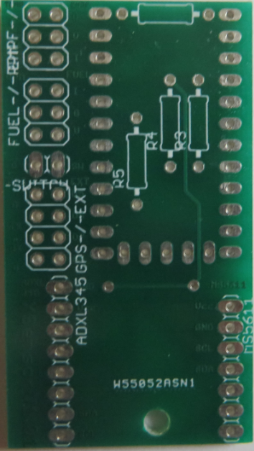
Temp | EXT
GND |  | Minus
NTC-1 |  | Plus
NTC-2 |  | Impuls

RPM | Fuel
Impuls |  | Impuls
GND |  | GND
VCC |  | VCC

Resetswitch

GPS | Erw
GND |  | D5
Tx |  | D6
Rx |  | D7
VCC |  | A6

 | ADXL345
 |  | GND
 |  | VCC | MS5611
 |  | N/C |  | VCC
 |  | N/C |  | GND
 |  | N/C |  | SCL
 |  | N/C |  | SDA
 |  | SDA |  | N/C
 |  | SCL |  | N/C
 |  |  |  | N/C

Adapter V2.00(Rot)
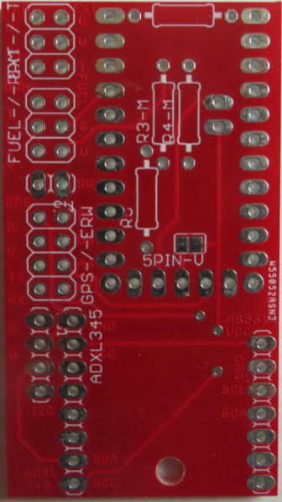
Temp | EXT
GND |  | Minus
NTC-1 |  | Plus
NTC-2 |  | Impuls

RPM | Fuel
Impuls |  | Impuls
GND |  | GND
VCC |  | VCC

Resetswitch

GPS | Erw
GND |  | D5
VCC |  | D6
Tx |  | A6
Rx |  | A7

I2C-Bus | ADXL345
VCC |  | GND
GND |  | VCC | MS5611
SDA |  | N/C |  | VCC
SCL |  | N/C |  | GND
 |  | N/C |  | SCL
 |  | N/C |  | SDA
 |  | SDA |  | N/C
 |  | SCL |  | N/C
 |  |  |  | N/C

Adapter V2.03(Blau)
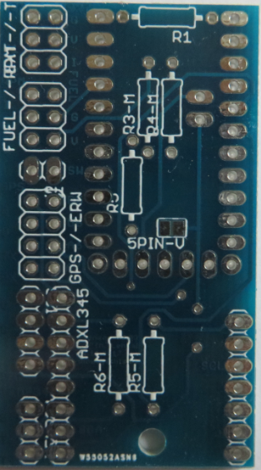
Temp | EXT
GND |  | Minus
NTC-1 |  | Plus
NTC-2 |  | Impuls

RPM | Fuel
Impuls |  | Impuls
GND |  | GND
VCC |  | VCC

Resetswitch

GPS | Erw
GND |  | D5
VCC |  | D6
Tx |  | A6
Rx |  | A7

I2C-Bus | ADXL345
VCC |  | GND
GND |  | VCC | MS5611
SDA |  | N/C |  | VCC
SCL |  | N/C |  | GND
Temp-2 |  | N/C |  | SCL
GND |  | N/C |  | SDA
NTC-3 |  | SDA |  | N/C
NTC-4 |  | SCL |  | N/C
 |  |  |  | N/C

Adapter V3.01(Grün)
 | Temp NTC |  |  |  |  | 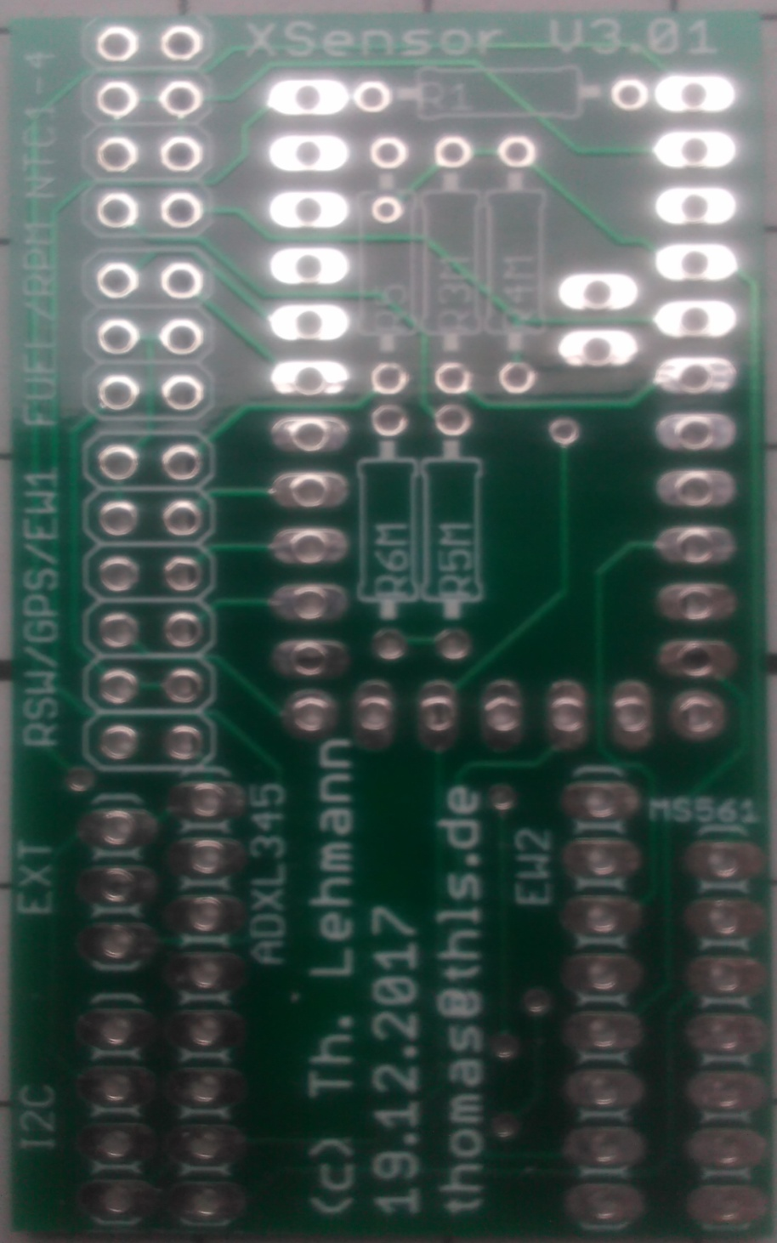 Bild folgt wenn Platine zur Hand!!
 | NTC-1 |  |  | NTC-3
 | GND |  |  | GND
 | GND |  |  | GND
 | NTC-2 |  |  | NTC-4

 | RPM |  | Fuel
 | Impuls |  |  | Impuls
 | GND |  |  | GND
 | VCC |  |  | VCC

 |  | RSW
 | GND |  |  | D5
GPS | GND |  |  | D6 | ERW1
 | Tx |  |  | A6
 | Rx |  |  | A7
 | VCC |  |  | VCC
 | N/C |  |  | GND

 |  |  | ADXL345 |  |  |  | ERW2
 |  |  |  | GND |  |  | VCC | MS5611
EXT | GND (-)
 |  |  |  | VCC |  |  | GND |  | VCC
 | RAW (+)
 |  |  |  | N/C |  |  | D13 |  | GND
 | Impuls
 |  |  |  | N/C |  |  | D12 |  | SCL

I2C-Bus | VCC |  |  | N/C |  |  | D11 |  | SDA

 | GND |  |  | N/C |  |  | D10 |  | N/C

 | SCL |  |  | SDA |  |  | A6 |  | N/C

 | SDA |  |  | SCL |  |  | A7 |  | N/C

Adapter V3.02(Gelb)
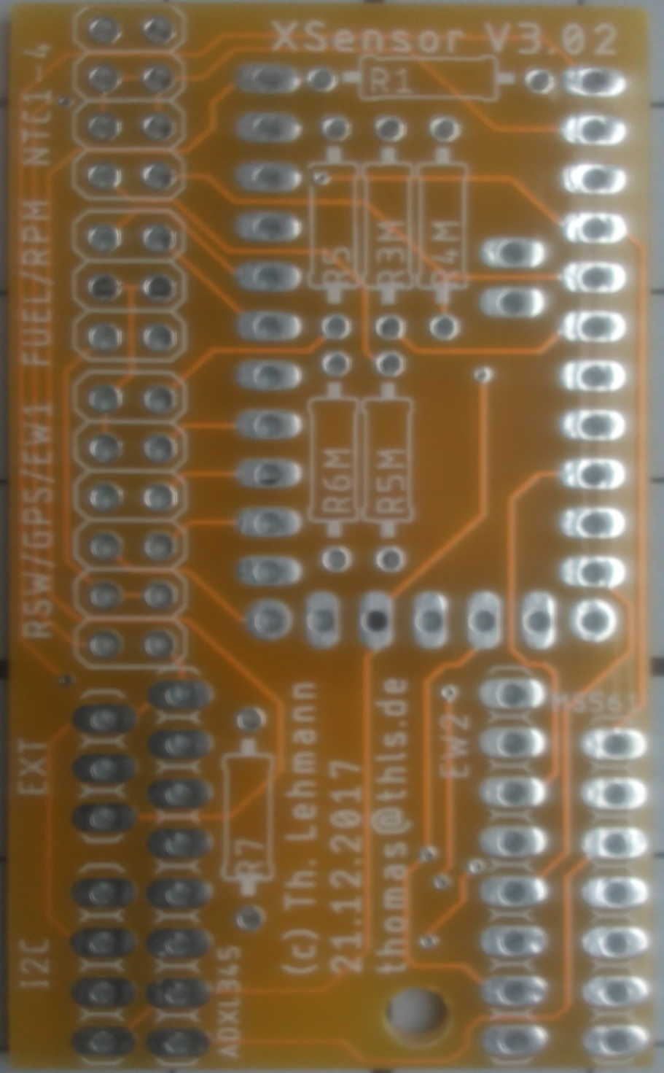
 | Temp NTC |  |  |  |  | Bild folgt wenn Platine zur Hand!!
 | NTC-1 |  |  | NTC-3
 | GND |  |  | GND
 | GND |  |  | GND
 | NTC-2 |  |  | NTC-4

 | RPM |  | Fuel
 | Impuls |  |  | Impuls
 | GND |  |  | GND
 | VCC |  |  | VCC

 |  | RSW
 | GND |  |  | D5
GPS | GND |  |  | D6 | ERW1
 | Tx |  |  | A6
 | Rx |  |  | A7
 | VCC |  |  | VCC
 | N/C |  |  | GND

 |  |  | ADXL345 |  |  |  | ERW2
 |  |  |  | GND |  |  | VCC | MS5611
EXT | Minus
 |  |  |  | VCC |  |  | GND |  | VCC
 | Plus
 |  |  |  | N/C |  |  | D13 |  | GND
 | Impuls
 |  |  |  | N/C |  |  | D12 |  | SCL

I2C-Bus | VCC |  |  | N/C |  |  | D11 |  | SDA

 | GND |  |  | N/C |  |  | D10 |  | N/C

 | SCL |  |  | SDA |  |  | A6 |  | N/C

 | SDA |  |  | SCL |  |  | A7 |  | N/C

JB-Menue
XSensor by Th. Lehmann
Save/Exit

Änderung?

nein
ja

0.1 Sens Cfg.
F.1 Service
E.1 Setup

Fuel volume reset
Res Revolution
Sensor Number
Factory defaults

Res Speed max
Res Fuel tot
Watch Dog
Info

Res Runtime
Res Dist tot
ADC ref voltage
Debug

0.2 Sensor RPM
1.2 Sensor Fuel
2.2 Sensor Temp
3.2 Sensor Alt
4.2 Sensor GPS
5.2 Sens VoltRX
6.2 Sensor Accel

0.3 Release Cnt
1.3 Fuel volume
2.3 Sens Temp1 active
3.3 Sens Alt total
4.3 Sens Pos active
6.3 Sens GForce

1.4 Volume Reset
2.4 Sens Temp2 active
3.4 Sens Vario
4.4 Sens Alt active
6.4 calib GForc
0.4 Accuracy

1.5 Impulse/L
2.5 Sens Temp3 active
4.5 Sens Speed active
6.5 Sens Pitch

1.6 calibrier
2.6 Sens Temp4 active
4.6 Sens DistTo active
6.6 Sens Roll

2.7 Sens Temp5 active
4.7 Sens Trip active

2.8 Sens Temp6 active
4.8 Sens Sats active

2.9 Sens Temp7 active

