Design Thinking
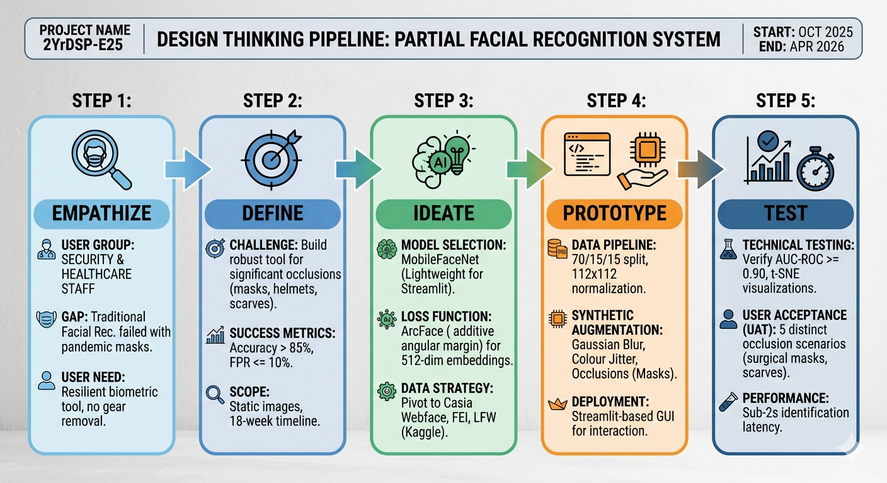
DESIGN THINKING FLOW CHART - PFR

Design Architecture
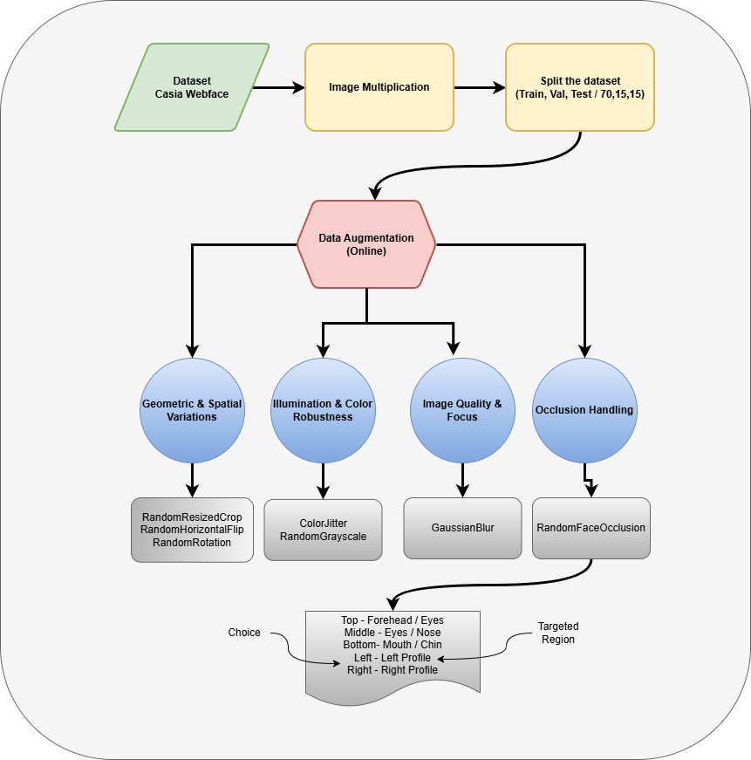
DESIGN ARCHITECTURE - PFR - Preprocessing

Sheet1
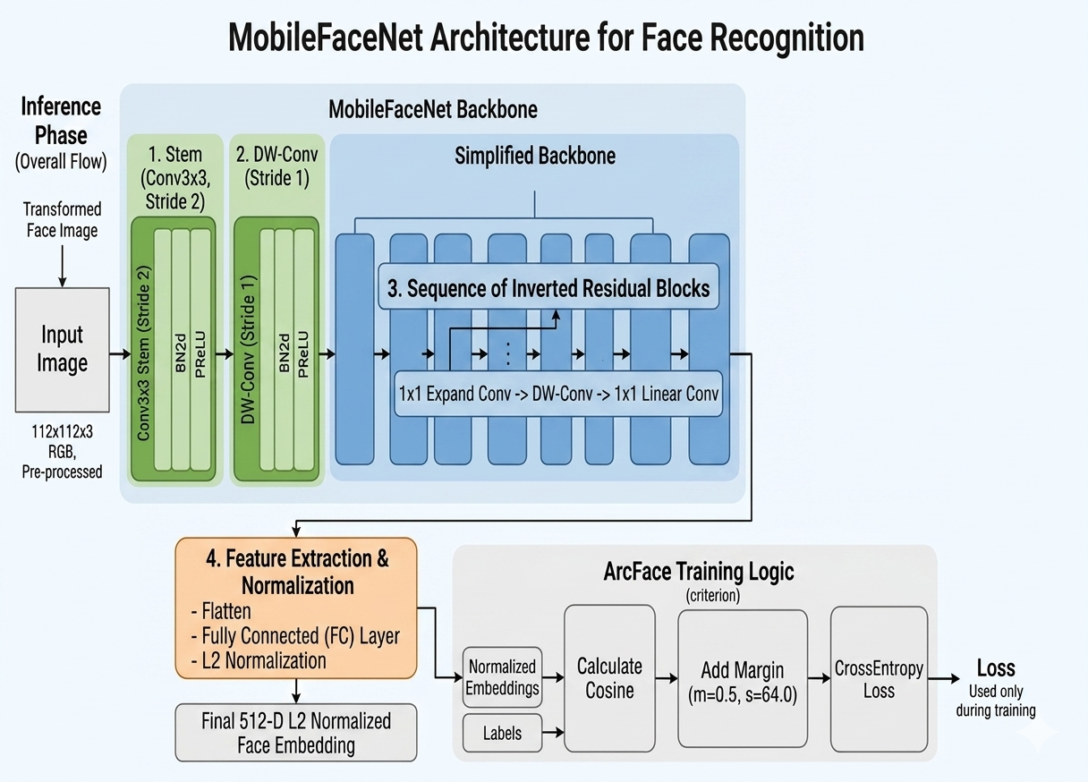
Model Design

