Sheet1
CMS-6416 02 2017 |  |  |  |  |  | Interplex Metalforming(Shanghai)Ltd.
Customer : Inventec
Project : (Brahma Bracket)(IMS-FY17-193) |  |  |  |  |  |  | Tooling Quotation Sheet
1． Technical discussion & DFM to be carry out upon confirmation of order. |  |  |  |  |  |  |  | 5． Burr at carrier & matching points will be higher.
确认定单前先进行技术讨论. |  |  |  |  |  |  |  | 联料点和刀口接刀处毛刺比较高.
2． All tooling construetion follow Amtek standard unless with specification. |  |  |  |  |  |  |  | 6． Order only accept upon both side agree on all terms & condition including DFM.
所有加工方式和模具结构按照Amtek标准,除非特别注明. |  |  |  |  |  |  |  | 确认定单前双方要同意所有的条件和设计建议.
3． Allowed slight scratch or dented mark’s at minimum normal cosmetic checking standard. |  |  |  |  |  |  |  | 7． Normal checking gauges was include in quotation but detail fixture to be re-quote after discussion.
外观检测标准下允许轻微的划伤和凹痕. |  |  |  |  |  |  |  | 常用测量块,圆棒包括在报价里面,特殊的检具报价是在讨论之后.
4． Allowed normal burr height 10% material thickness. |  |  |  |  |  |  |  | 8． Quotation reserve to change if final drawing with deviation.
毛刺高度为材料厚度的10%. |  |  |  |  |  |  |  | 如果图纸变更,报价也会改变.
 |  |  |  |  |  |  |  | 9. Major restructure of tool needed upon 2M strokes,New tooling required ofr every 4M strokes. Quotation exclude spare part cost.
 |  |  |  |  |  |  |  | 每二百万更换一次备件,每四百万开一套新模.不包括备件费用.
SET TIME: include (1)set tooling;(2)debug;(3)sampling QC.
P60T~P110T≈1.5H; P160~250≈2.5H; P300T~P450T≈3.0H; P500T~P600T≈4.0H; M110T~M300T≈1.0H |  |  |  |  |  |  |  |  |  |  |  |  |  |  |  |  |  |  |  |  | 0.273
S/N | PART NAME | Tooling Life |  | PROCESS | M / C | SETUP (Hour) | Material |  |  |  |  | SPM | EFF% | Cav | OUTPUT/HR | Stage | TOOL COST | Material (tool steel+Std Idem) | Labor | MSU | REMARK | Tool Grade
 | NEW |  |  |  |  |  | Spec | Type | T | W | P
1 | 1B3365700-600-G |  | 10 k/m;36m | 1.progressive | 1110 | 1.5 | SGCC | COIL | 0.86 | 146 | 36 | 40 | 75% | 1 | 1800 | 15 |  | ￥55 | ￥233 | ￥444 | 4-5 wks | Grade 3 | 286*590
 |  |  | tool life=500 k
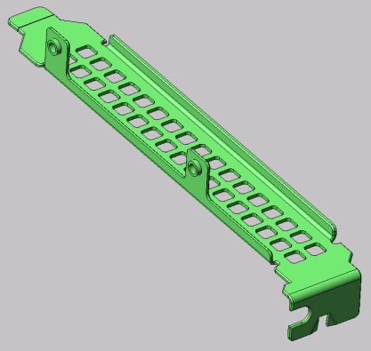

2 | 1B3365900-600-G |  | 10 k/m;36m | 1.progressive | 1110 | 1.5 | SGCC | COIL | 0.86 | 106 | 43 | 40 | 75% | 1 | 1800 | 15 |  | ￥55 | ￥233 | ￥444 | 4-5 wks | Grade 3 | 246*695
 |  |  | tool life=500 k
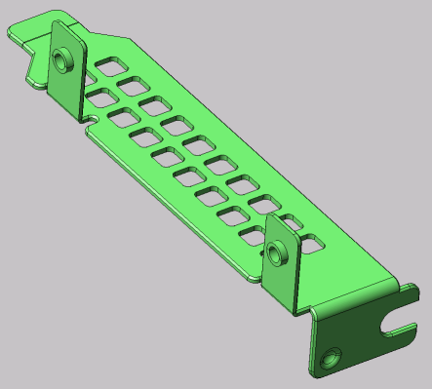

END |  | PREPARED BY |  | Jiang Peng |  |  | 2017-02-20 |  |  |  |  |  |  |  | Total Price |  | ￥0 | ￥110 | ￥466 | ￥888
 |  | CHECKED BY |  | Kevin Chew |  |  | 2017-02-20 |  |  |  |  |  |  |  | VAT17% |  | ￥0
 |  | REVIEWED BY |  | Wu Jing Yi |  |  | 2017-02-20
 |  | APPROVED |  | Koh TC |  |  | 2017-02-20
*Further discount has to be decided by Sales & Marketing based on the Marketing Strategy from the MSU component.
*Tool Grade: Grade 1- Automotive part, Grade 2- Stainless steel part ,Grade 3- Normal steel, high volume part (10,000pcs>Month) cGrade 4- Normal steel, low volume part (10,000pcs <Month) .
*IMS要求报价时预先增加去毛刺工序，毛刺工序只考虑外形去毛刺，内孔不包括.连续模允许带料点有毛刺.

