Sheet1
Normalization |  |  | Question
3 - NF Form
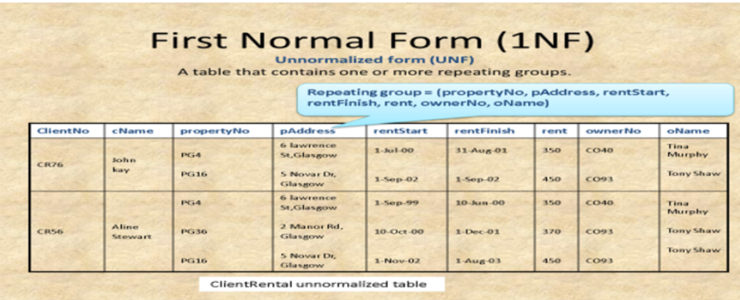

Client Table

ClientNo | cName
CR76 | John Kay
CR56 | Aline Stewart

Owner Table

OwnerNo | oName
CO40 | Tina Murphy
CO93 | Tony Shaw

Property Table

PropertyNo | pAddress | OwnerNo
PG4 | 6 Lawrence St, Glasgow | CO40
PG16 | 5 Novar Dr, Glasgow | CO93
PG36 | 2 Manor Rd, Glasgow | CO93

Rental Table

ClientNo | PropertyNo | RentStart | RentFinish | Rent
CR76 | PG4 | 1-Jul-00 | 31-Aug-01 | 350
CR76 | PG16 | 1-Sep-02 | 1-Sep-02 | 450
CR56 | PG4 | 1-Sep-99 | 10-Jun-00 | 350
CR56 | PG36 | 10-Oct-00 | 1-Dec-01 | 370
CR56 | PG16 | 1-Nov-02 | 1-Aug-03 | 450

