AWS
General Questions | Define and explain the three basic types of cloud services and the AWS products that are built based on them? | The three basic types of cloud services are: Computing, Storage, Networking. Here are some of the AWS products that are built based on the three cloud service types: *Computing - These include EC2, Elastic Beanstalk, Lambda, Auto-Scaling, and Lightsat. *Storage - These include S3, Glacier, Elastic Block Storage, Elastic File System. *Networking - These include VPC, Amazon CloudFront, Route53
 | What is the relation between the Availability Zone and Region? | AWS regions are separate geographical areas, like the US-West 1 (North California) and Asia South (Mumbai). On the other hand, availability zones are the areas that are present inside the regions. These are generally isolated zones that can replicate themselves whenever required
 | What is auto-scaling? | Auto-scaling is a function that allows you to provision and launch new instances whenever there is a demand. It allows you to automatically increase or decrease resource capacity in relation to the demand.
 | What is geo-targeting in CloudFront? | Geo-Targeting is a concept where businesses can show personalized content to their audience based on their geographic location without changing the URL. This helps you create customized content for the audience of a specific geographical area, keeping their needs in the forefront.
 | How do you upgrade or downgrade a system with near zero downtime? | You can upgrade or downgrade a system with near zero downtime using the following steps of migration: *Open EC2 console * Choose Operating System * AMI Launch an instance with the new instance type * Install all the updates Install applications * Test the instance to see if it’s working. * If working, deploy the new instance and replace the older instance * Once it’s deployed, you can upgrade or downgrade the system with near zero downtime
 | What are the tools and techniques that you can use in AWS to identify if you are paying more than you should be, and how to correct it? | You can know that you are paying the correct amount for the resources that you are using by employing the following resources: *Check the top services table - It is a dashboard in the cost management console that shows you the top five most used services. This will let you know how much money you are spending on the resources in question. * Cost explorer - There are cost explorer services available which will help you to view and analyze your usage costs for the last 13 months. You can also get a cost forecast for the upcoming three months. * AWS Budgets - This allows you to plan a budget for the services. Also, it allows you to check if the current plan meets your budget and the details of how you use the services. * Cost allocation tags - This helps in identifying the resource that has cost more in a particular month. It lets you organize your resources and cost allocation tags to keep track of your AWS costs.
 | Is there any other alternative tool to log into the cloud environment other than console? | The that can help you log into the AWS resources are: *Putty *AWS CLI for Linux *AWS CLI for Windows *AWS CLI for Windows CMD * AWS SDK * Eclipse
 | What services can be used to create a centralized logging solution? | The basic services that you can use are Amazon CloudWatch Logs, store them in Amazon S3, and then use Amazon Elastic Search to visualize them. You can use Amazon Kinesis Firehose to move the data from Amazon S3 to Amazon ElasticSearch.
 | What are the native AWS Security logging capabilities? | Most of the AWS services have their own logging options. Also, some of them have an account level logging, like in AWS CloudTrail, AWS Config, and others. Let’s take a look at two services in specific: *AWS CloudTrail - This is a service that provides a history of the AWS API calls for every account. It lets you perform security analysis, resource change tracking, and compliance auditing of your AWS environment as well. The best part about this service is that it lets you configure it to send notifications via AWS SNS when new logs are delivered. *AWS Config - This helps you understand the configuration changes that happen in your environment. This service provides an AWS inventory that includes configuration history, configuration change notification, and relationships between AWS resources. It can also be configured to send notification via AWS SNS when new logs are delivered
 | How does AWS config work with AWS CloudTrail? | *AWS CloudTrail records user API activity on your account and allows you to access information about the activity. Using CloudTrail, you can get full details about API actions such as the identity of the caller, time of the call, request parameters, and response elements. On the other hand, AWS Config records point-in-time configuration details for your AWS resources as Configuration Items (CIs). *You can use a CI to ascertain what your AWS resource looks like at any given point in time. Whereas, by using CloudTrail, you can easily answer who made an API call to modify the resource. You can also use Cloud Trail to detect if a security group was incorrectly configured.
 | What is a DDoS attack and what services can minimize them? | DDoS is a cyber-attack in which the perpetrator accesses a website and creates multiple sessions so that the other legitimate users cannot access the service. The native tools that can help you deny the DDoS attacks on your AWS services are: *AWS Shield *AWS WAF *Amazon Route53 *Amazon CloudFront *ELB *VPC
 | You are trying to provide a service in a particular region but you are not seeing the service in that region. Why is this happening and how do you fix it? | Not all Amazon AWS services are available in all regions. When Amazon initially launches a new service, it doesn’t get immediately published in all the regions. They start small and then slowly expand to other regions. So, if you don’t see a specific service in your region, chances are the service hasn’t been published in your region yet. However, if you want to get the service that is not available, you can switch to the nearest region that provides the services.
 | How do you set up a system to monitor website metrics in real-time in AWS? | Amazon CloudWatch helps you to monitor application status of various AWS services and custom events. It helps you to monitor: *State changes in Amazon EC2 *Auto-scaling lifecycle events *Scheduled events *AWS API calls *Console sign-in events
 | What are the different types of virtualization in AWS and what are the differences between them? | The three major types of virtualization in AWS are: *Hardware Virtual Machine (HVM) - It is a fully virtualized hardware, where all the virtual machines act separate from each other. These virtual machines boot by executing a master boot record in the root block device of your image. *Paravirtualization (PV) - Paravirtualization-GRUB is the bootloader which boots the PV AMIs. The PV-GRUB chain loads the kernel specified in the menu. *Paravirtualization on HVM - PV on HVM actually helps operating systems take advantage in storage and network I/O available through the host.
 | Name some of the AWS services that are not region specific | AWS services that are not region specific are: *IAM *Route 53 *Web Application Firewall *CloudFront
 | What are the differences between NAT Gateways and NAT Instances? | 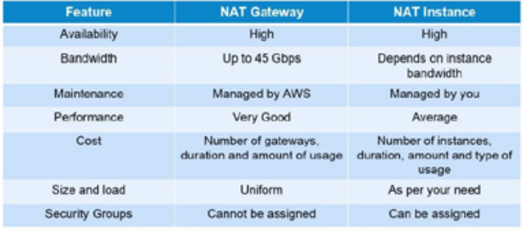
 | What are the factors to consider while migrating to Amazon Web Services? | Here are the factors to consider during AWS migration: *Operational Costs - These include the cost of infrastructure, ability to match demand and supply, transparency, and others. *Workforce Productivity *Cost avoidance *Operational resilience *Business agility
 | What is RTO and RPO in AWS? | RTO or Recovery Time Objective is the maximum time your business or organization is willing to wait for a recovery to complete in the wake of an outage. On the other hand, RPO or Recovery Point Objective is the maximum amount of data loss your company is willing to accept as measured in time.
 | If you would like to transfer huge amounts of data, which is the best option among Snowball, Snowball Edge, and Snowmobile? | AWS Snowball is basically a data transport solution for moving high volumes of data into and out of a specified AWS region. On the other hand, AWS Snowball Edge adds additional computing functions apart from providing a data transport solution. Snowmobile is an exabyte-scale migration service that allows you to transfer data up to 100 PB.
Amazon S3 | What are some key differences between AWS S3 and EBS?
 | How do you allow a user to gain access to a certain bucket? | You need to follow the four steps provided below to allow access. They are: 1. Categorize your instances 2. Define how authorized users can manage specific servers. 3. Lock down your tags 4. Attach your policies to IAM users
 | How can you monitor S3 cross region replication to ensure consistency without actually checking the bucket? | 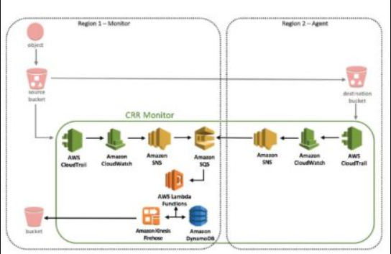
EBS | How can you automate EC2 backup using EBS? | Use the following steps in order to automate EC2 backup using EBS: 1. Get the list of instances and connect to AWS through API to list the Amazon EBS volumes that are attached locally to the instance. 2. List the snapshots of each volume, and assign a retention period of the snapshot. Later on, create a snapshot of each volume. 3. Make sure to remove the snapshot if it is older than the retention period
 | What is the difference between EBS and Instance Store? | *EBS is a kind of permanent storage in which the data can be restored at a later point. When you save data in the EBS, it stays even after the lifetime of the EC2 instance. *On the other hand, Instance Store is temporary storage that is physically attached to a host machine. With an Instance Store, you cannot detach one instance and attach it to another. Unlike in EBS, data in an Instance Store is lost if any instance is stopped or terminated.
 | Can you take a backup of EFS like EBS, and if yes, how? | Yes, you can use EFS-to-EFS backup solution to recover from unintended changes or deletion in Amazon EFS. Follow these steps: 1. Sign in to the AWS Management Console 2. Click the launch EFS-to-EFSrestore button 3. Use the region selector in the console navigation bar to select region 4. Verify if you have selected the right template on the Select Template page 5. Assign a name to your solution stack 6. Review the parameters for the template and modify them if necessary
 | How do you auto delete old snapshots? | Here’s the procedure for auto deleting old snapshots: *As per procedure and best practices, take snapshots of the EBS volumes on Amazon S3. *Use AWS Ops Automator to automatically handle all the snapshots. *This allows you to create, copy, and delete Amazon EBS snapshots.
Load Balancers | Different Type of Load balancers | Application Load Balancers, Network Load Balancers, Gateway Load Balancers, Classic Load Balancers
 | What do you mean by Application load balancer? | https://data-flair.training/blogs/aws-elb/
 | Difference b/w ALB & NLB | ALB: * Operates at the Application Layer * inspects the incoming http/https request * Latency is 400ms * Use HTTP header X-Forwarded-For * 1000-5000 targets maximum * Security group of ALB controls inbound traffic, targets reachable from ALB only * Used if you need flexible application management and TLS termination | NLB: * Operates at the 4th Layer * inspects the incoming TCP/UDP connection to a target * Latency is 100ms * 500-1000 targets maximum * Security group of targets control inbound traffic, targets reachable from clients * Used if you require extreme performance and static IPs for your applications.
EC2 Instances | Types of Ec2 Instances | On-Demand- Better for short term, Like for Testing environments, Reserved- Long term, post-paid, Production system and Spot Instance- Not recommended as it is based on bidding
 | Difference b/w On-demand & Spot instance | On-demand is like we decide when to start, use & stop instances. Suggested for High reliability for application. It is pay for use model. Spot instances are not reliable, the server may go down at any point in time. Price for hourly basis. If Amazon gets a better opportunity with another user, it will move to that customer.
NAT | What do you mean by NAT gateway? | A NAT(Network Address Translation) Gateway is an AWS service that allows a private subnet to have access to the Internet, but prevents the Internet from initiating a connection directly to the instances. While the NAT Gateway is needed for private subnets to have Internet access, it is created in a public subnet.
 | Diff b/w NAT gateway & NAT instance | NAT gateway: is the proper Virtual network device to provide NAT solution. Both have high availability. Performance: But performance wise, bandwidth wise, NAT gateway can provide upto 45 gbps but NAT instance is based on the instance type we choose. Management: NAT gateway is managed by AWS. NAT instance has to be maintained by us. Cost: it depends on our consumption. NAT gateway uniform size and NAT instance size depends on our choice. Security: NAT gateway cannot be assigned a Security group whereas NAT instance is assigned a new security group
IAM | What is IAM? | *Identity Access Management. Permission systems that regulates access to AWS resources. *Allows you to assign permissions to group of users. *Access auditing using AWS Cloud Trail. *Integrates with other Identity Tech(MS ActiveDirectory) | AWSCodeCommitFullAccess AWSCodePipelineFullAccess AmazonS3ReadOnlyAccess for Ec2 Service AmazonEc2RoleForSSM- Ec2 service
 | Concepts | Users: Specific individuals, will have credentials for login Groups:Collection of users with common theme Roles: Collections of permissions, like Db read or Db write to AWS Dynamo Db Policies: Low level permissions to resources | Use Privileged Model Exercise while modifying policies
Security | How can you use AWS WAF in monitoring your AWS applications? | AWS WAF, or AWS Web Application Firewall protects your web applications from web exploitations. It helps you control the traffic flow to your applications. With WAF, you can also create custom rules that block common attack patterns. It can be used for three cases: allow all requests, block all requests, and count all requests for a new policy.
 | What are the different AWS IAM categories that you can control? | Using AWS IAM, you can do the following: *Create and manage IAM users. *Create and manage IAM groups. * Manage the security credentials of the users. *Create and manage policies to grant access to AWS services and resources
 | What are the policies that you can set for your users’ passwords? | Here are some of the policies that you can set: *You can set a minimum length of the password or you can ask the users to add at least one number or special characters in it. *You can assign requirements of special character types including uppercase letters, lowercase letters, numbers, and non-alphanumeric characters. *You can enforce automatic password expiration, prevent reuse of old passwords, and request for a password reset upon their next AWS sign in. *You can have the AWS users contact an account administrator when the user has allowed the password to expire.
 | What is the difference between an IAM role and an IAM user? | The two key differences between IAM role and IAM user are: * An IAM role is an IAM entity that defines a set of permissions for making AWS service requests, while an IAM user has permanent long-term credentials and is used to directly interact with the AWS services. *In the IAM role, trusted entities, like IAM users, applications, or an AWS service assume roles. Whereas the IAM user has full access to all the AWS IAM functionalities.
 | What are the managed policies in AWS IAM? | There are two types of managed policies; one that is managed by you and one that is managed by AWS. *They are IAM resources that express permissions using IAM policy language. * You can create, edit, and manage them separately from the IAM users, groups, and roles to which they are attached.
 | How does AWS IAM help your business? | IAM enables to: * Manage IAM users and their access - AWS IAM provides secure resource access to multiple users * Manage access for federated users – AWS allows you to provide secure access to resources in your AWS account to your employees and applications without creating IAM roles
VPC | VPC | VPC is a virtual private cloud, It simply means to have an Isolated Data Center in Cloud where we can Configure our own set of Network with CIDR blocks and place our resources in particular subnet range and make them more secure
 | VPC Architecture | It has components like Gateways, Route Tables, Network Access Control lists, Subnets and Security Groups
 | VPC Peering | A VPC peering connection is a networking connection between two VPCs that enables you to route traffic between them using private IP addresses
 | VPC is not resolving the server through DNS. What might be the issue and how can you fix it? | To fix this problem, you need to enable the DNS hostname resolution, so that the problem resolves itself.
 | How do you connect multiple sites to a VPC? | If you have multiple VPN connections, you can provide secure communication between sites using the AWS VPN CloudHub. Here’s a diagram that will show you how to connect multiple sites to a VPC: | 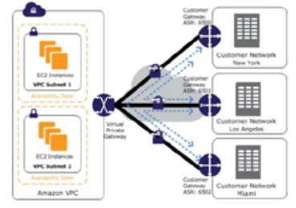
 | Name and explain some security products and features available in VPC? | Here is a selection of security products and features: *Security groups - This acts as a firewall for the EC2 instances, controlling inbound and outbound traffic at the instance level. *Network access control lists - It acts as a firewall for the subnets, controlling inbound and outbound traffic at the subnet level. *Flow logs - These capture the inbound and outbound traffic from the network interfaces in your VPC.
 | How do you monitor Amazon VPC? | You can monitor VPC by using: *CloudWatch and CloudWatch logs * VPC Flow Logs
Route 53 | Different DNS records | Few among them were TTL(Time to Live), CNAME, MX Record, NS Record, A Record, AAAA, SOA | https://kumargaurav1247.medium.com/aws-route53-records-routing-policies-f3657b01ffa2
 | What is the difference between Latency Based Routing and Geo DNS? | The Geo Based DNS routing takes decisions based on the geographic location of the request. Whereas, the Latency Based Routing utilizes latency measurements between networks and AWS data centers. Latency Based Routing is used when you want to give your customers the lowest latency possible. On the other hand, Geo Based routing is used when you want to direct the customer to different websites based on the country or region they are browsing from.
 | What is the difference between a Domain and a Hosted Zone? | Domain - A domain is basically a collection of data describing a self-contained administrative and technical unit. For example, www. simplilearn.com is a domain and a general DNS concept. Hosted zone - A hosted zone is a container that holds information about how you want to route traffic on the internet for a specific domain. For example, lms.simplilearn.com is a hosted zone.
 | How does Amazon Route 53 provide high availability and low latency? | Globally distributed servers - Amazon is a global service and consequently has DNS services globally. Any customer creating a query from any part of the world gets to reach a DNS server local to them that provides low latency. Dependency - Route 53 provides a high level of dependability required by important applications Optimal locations - Route 53 uses a global anycast network to automatically answer queries from the optimal location.
AWS Cloud Formation | Diff b/w AWS Cloud Formation & Bean Stalk | AWS CloudFormation helps you provision and describe all of the infrastructure resources that are present in your cloud environment. On the other hand, AWS Elastic Beanstalk provides an environment that makes it easy to deploy and run applications in the cloud. AWS CloudFormation supports the infrastructure needs of various types of applications, like legacy applications and existing enterprise applications. On the other hand, AWS Elastic Beanstalk is combined with developer tools to help you manage the lifecycle of your applications.
 | What are the elements of an AWS CloudFormation template? | AWS CloudFormation templates are YAML or JSON formatted text files that are comprised of five basic elements, they are: *Template parameters *Output values *Data tables *Resources *File format version
 | Q: What happens when one of the resources in a stack cannot be created successfully? | If the resource in the stack cannot be created, then the CloudFormation automatically rolls back and terminates all the resources that were created in the CloudFormation template. This is a very useful feature when you accidentally exceed your limit of Elastic IP addresses or don’t have access to an EC2 AMI.
 | Steps involved in Cloud Formation solution? | *Create or use an existing CloudFormation template using JSON or YAML format. *Save the code in an S3 bucket, which serves as a repository for the code. *Use AWS CloudFormation to call the bucket and create a stack on your template. *CloudFormation reads the file and understands the services that are called, their order, the relationship between the services, and provisions the services one after the other.
AWS Config | How does AWS config work with AWS CloudTrail? | *AWS CloudTrail records user API activity on your account and allows you to access information about the activity. Using CloudTrail, you can get full details about API actions such as the identity of the caller, time of the call, request parameters, and response elements. On the other hand, AWS Config records point-in-time configuration details for your AWS resources as Configuration Items (CIs). *You can use a CI to ascertain what your AWS resource looks like at any given point in time. Whereas, by using CloudTrail, you can easily answer who made an API call to modify the resource. You can also use Cloud Trail to detect if a security group was incorrectly configured.
 | Can AWS Config aggregate data across different AWS accounts? | Yes, you can set up AWS Config to deliver configuration updates from different accounts to one S3 bucket, once the appropriate IAM policies are applied to the S3 bucket.
Database | How are reserved instances different from on-demand DB instances? | *Reserved instances and on-demand instances are exactly the same when it comes to function. They only differ in how they are billed. *Reserved instances are purchased as one-year or three-year reservations, and in return you get very low hourly based pricing when compared to the ondemand instances that are billed on an hourly basis
 | RDS | Amazon Relational Database Service (RDS) is a managed SQL database service provided by Amazon Web Services (AWS). Amazon RDS supports an array of database engines to store and organize data. It also helps with relational database management tasks, such as data migration, backup, recovery and patching.
 | Which type of scaling would you recommend for RDS and why? | There are two types of scaling - vertical scaling and horizontal scaling. Vertical scaling lets you vertically scale up your master database with the press of a button. A database can only be scaled vertically and there are 18 different instances in which you can resize the RDS. on the other hand, horizontal scaling are good for replicas. These are read-only replicas that can only be done through Amazon Aurora.
 | What is a maintenance window in Amazon RDS? Will your DB instance be available during maintenance events? | RDS maintenance window lets you decide when DB instance modifications, database engine version upgrades, and software patching have to occur. The automatic scheduling is done only for patches that are related to security and durability. By default, there is a 30-minute value assigned as the maintenance window and the DB instance will still be available during these events though you might observe a minimal effect on performance.
 | What are the consistency models in DynamoDB? | There are two consistency models In DynamoDB. First, there is the Eventual Consistency Model, which actually maximizes your read throughput. However, it might not reflect the results of a recently completed write. Fortunately, all the copies of data usually reach consistency within a second. The second model is called the Strong Consistency Model. This model has a delay in writing the data, but it guarantees that you will always see the updated data every time you read it.
 | What type of query functionality does DynamoDB support? | DynamoDB supports GET/PUT operations by using a user-defined primary key. It provides flexible querying by letting you query on non-primary key attributes using global secondary indexes and local secondary indexes. | * A global secondary index contains a selection of attributes from the base table, but they are organized by a primary key that is different from that of the table. The index key does not need to have any of the key attributes from the table. It doesn't even need to have the same key schema as a table. *A local secondary index maintains an alternate sort key for a given partition key value. A local secondary index also contains a copy of some or all of the attributes from its base table. You specify which attributes are projected into the local secondary index when you create the table.
Others | How to upgrade or downgrade your system with mere Zero downtime? | The best option is to go Ec2 console tab, we have option called MY AMI, if you capture my AMI, with that my AMI we can multiply the same Ec2 instance at any more time. By the way, if you want to upgrade or make changes to any working applications or update to Ec2 instance, we can do it in the new Ec2 instance. If it is working fine, then we can retire our older instance.
 | Define SNS | Amazon Simple Notification Service (Amazon SNS) is a managed service that provides message delivery from publishers to subscribers (also known as producers and consumers). Publishers communicate asynchronously with subscribers by sending messages to a topic, which is a logical access point and communication channel. Amazon Simple Notification Service (Amazon SNS) is a web service that makes it easy to set up, operate, and send notifications from the cloud.
 | What is Private Subnet? | If a subnet is in a route table that does not have route to an Internet Gateway
 | How do we setup SSH agent forwarding so that we don't have to copy the ssh keys all the time? | We have an putty configuration, we have an option for SSH auth, in this you can enable agent forwarding option.
 | How do you configure Cloud watch to recover an Ec2 instance? | We can set alarm basically, in that alarm, we have some actions page, we have an option called recover the instance. We can use that option to recover our ec2 instance.
 | How do you login into your Ec2 instance if you lose the key? | BY detaching the root volume from old ec2 instance and attach it to temporary new instance, we will have to modify the config file in /etc/ssh/sshd_config, enable password based authentication and reattach the root volume to the old ec2 instance. Instead of using key, now we can use the Password for user.
 | What are parameters you consider while creating an EC2 Instance | The Region in which it to be created, AMI , Image type, Configure Intance using User Data , Storage, tag Instance, Security Groups, RSA key
 | What are the factors should be considered before migrating to AWS services? | Cost optimization, High availability, Similar productivity, Same Operational functionalities. Similar Hardware configurations.
 | Consider an org is coming up with requirements with complex table joints, what do you suggest? | I would suggest going with Dynamodb( No SQL database service), as they require multiple complex queries and table need to be added. Because it is highly scalable compared with other database services like Amazon RDS, MariaDb.

Ansible
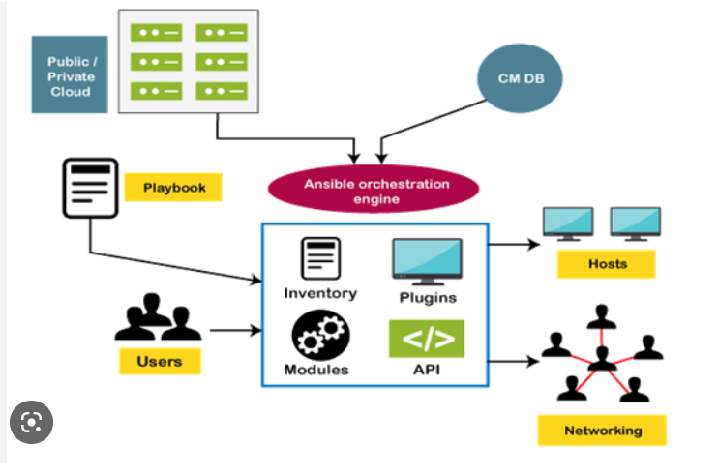 |  |  | https://www.tutorialandexample.com/ansible-architecture
Topics | Operations | Commands | Examples
Terminology |  | Inventory, Playbooks, Tasks, Modules, Control Node, Worker Nodes
Ad-hoc commands |  | ansible all -m ping; ansible all -m command -a "ls-l"; ansible all -m user -a "name=Rajesh" -b; ansible all -m stat -a "path=/home/ansadmin/testfile"; ansible all -m setup;
Hosts location |  | /home/ansadmin/hosts /etc/ansible/hosts
Defaults file priority |  | Environment Variable ansible.cfg(current directory) /home/ansadmin/ansible.cfg /etc/ansible/ansible.cfg
Install S/w |  | ansible all -m yum -a "name=tree" -b
Ansible-vault | Create Edit View Execute | ansible-vault create vault.yml; ansible-vault edit vault.yml; ansible-vault view vault.yml; ansible-playbook -i hosts git-clone.yml --ask-vault-pass; | *ansible-vault create vault1.yml * store the password of repo in vault1.yml * mention the vault1.yml in vars_file section of actual playbook. * While executing, to give the vault's password: cmd: ansible-playbook -i hosts git_clone.yml --ask-vault-pass
Ansible Role | Roles | Tasks, Handlers, Files, templates, vars, defaults, tests
 | Create | ansible-galaxy init <role_name>
 | Execute | ansible- playbook -I hosts <role_name>.yml | *** * hosts: webservers become: true gather_facts: no roles: * <role_name>

Docker
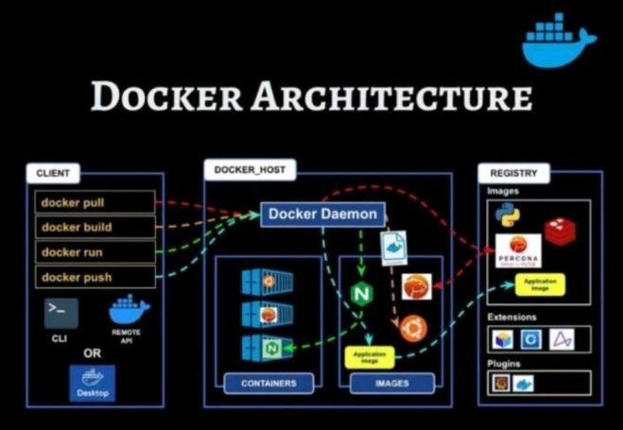
 | What is Hypervisor? | A hypervisor is a software that makes virtualization possible. It is also called Virtual Machine Monitor. It divides the host system and allocates the resources to each divided virtual environment. You can basically have multiple OS on a single host system. There are two types of Hypervisors: Type 1: It’s also called Native Hypervisor or Bare metal Hypervisor. It runs directly on the underlying host system. It has direct access to your host’s system hardware and hence does not require a base server operating system. Type 2: This kind of hypervisor makes use of the underlying host operating system. It’s also called Hosted Hypervisor.
 | What is virtualization? | Virtualization is the process of creating a software-based, virtual version of something(compute storage, servers, application, etc.). These virtual versions or environments are created from a single physical hardware system. Virtualization lets you split one system into many different sections which act like separate, distinct individual systems. A software called Hypervisor makes this kind of splitting possible. The virtual environment created by the hypervisor is called Virtual Machine.
 | What is containerization? | Let me explain this is with an example. Usually, in the software development process, code developed on one machine might not work perfectly fine on any other machine because of the dependencies. This problem was solved by the containerization concept. So basically, an application that is being developed and deployed is bundled and wrapped together with all its configuration files and dependencies. This bundle is called a container. Now when you wish to run the application on another system, the container is deployed which will give a bug-free environment as all the dependencies and libraries are wrapped together. Most famous containerization environments are Docker and Kubernetes.
 | Virtualization vs Containerization | Containers provide an isolated environment for running the application. The entire user space is explicitly dedicated to the application. Any changes made inside the container is never reflected on the host or even other containers running on the same host. Containers are an abstraction of the application layer. Each container is a different application. Whereas in Virtualization, hypervisors provide an entire virtual machine to the guest(including Kernal). Virtual machines are an abstraction of the hardware layer. Each VM is a physical machine.
 | Docker | Docker is a containerization platform which packages your application and all its dependencies together in the form of containers so as to ensure that your application works seamlessly in any environment, be it development, test or production. Docker containers, wrap a piece of software in a complete filesystem that contains everything needed to run: code, runtime, system tools, system libraries, etc. It wraps basically anything that can be installed on a server. This guarantees that the software will always run the same, regardless of its environment.
 | Docker container | Docker containers include the application and all of its dependencies. It shares the kernel with other containers, running as isolated processes in user space on the host operating system. Docker containers are not tied to any specific infrastructure: they run on any computer, on any infrastructure, and in any cloud. Docker containers are basically runtime instances of Docker images.
 | Docker Images | When you mention Docker images, your very next question will be “what are Docker images”. Docker image is the source of Docker container. In other words, Docker images are used to create containers. When a user runs a Docker image, an instance of a container is created. These docker images can be deployed to any Docker environment.
 | Architecture | Docker Architecture consists of a Docker Engine which is a client-server application with three major components: A server which is a type of long-running program called a daemon process (the docker command). A REST API which specifies interfaces that programs can use to talk to the daemon and instruct it what to do. A command line interface (CLI) client (the docker command). The CLI uses the Docker REST API to control or interact with the Docker daemon through scripting or direct CLI commands. Many other Docker applications use the underlying API and CLI.
 | Docker compose | Docker Compose is a YAML file which contains details about the services, networks, and volumes for setting up the Docker application. So, you can use Docker Compose to create separate containers, host them and get them to communicate with each other. Each container will expose a port for communicating with other containers.
 | Docker Swarm | Docker Swarm is native clustering for Docker. It turns a pool of Docker hosts into a single, virtual Docker host. Docker Swarm serves the standard Docker API, any tool that already communicates with a Docker daemon can use Swarm to transparently scale to multiple hosts.
 | Namespace | Namespace adds a layer of isolation in containers. Docker provides various namespaces in order to stay portable and not affect the underlying host system. Few namespace types supported by Docker – PID, Mount, IPC, User, Network
 | Lifecycle | Docker containers have the following lifecycle: Create a container Run the container Pause the container(optional) Un-pause the container(optional) Start the container Stop the container Restart the container Kill the container Destroy the container
Topics | Operations | Commands | Notes
Images | Create from Dockerfile | docker build -t <image_name> . | Docker file should be present in the directory
 | Deletion | docker image rm -f <image_id> | Container should be stopped before deletion
 | Location | /var/lib/docker/images
Containers | To display running containers | docker ps
 | To display all containers | docker ps -a
 | Creation | docker run -d --name <container_name> -p 8080: 80 --image <image_name>:<tag>
 | Creation with hostname | docker run -d --name <container_name> --hostname <hostname> -p 8080: 80 --image <image_name>:<tag>
 | Start | docker start <container_id>
 | To get into container | docker exec -it <container_name> /bin/bash
 | Stop | docker stop <container_id>
 | Inspect | docker inspect <container_id>
 | Deletion | docker rm -f <container_id>
Within Container | To show running Processes | ps -ef | press ctrl+PQ to come out of container w/o stopping
 | To show processes count | ps -ef | wc -1
 | To start nginx | /etc/init.d/nginx start
 | To check nginx status | /etc/init.d/nginx status
 | Restart container | /etc/init.d/nginx restart
 | To display all installed rpm packages | rpm -qa | grep -I nginx
 |  | rpm -qa | grep -I vsfttpd
 | To check logs | docker logs <container-name>
DockerHub | Login | docker login | Enter username & Password when prompted
 | Commit | docker commit <container_ID> <username/imagename>:<tag/version>
 | Add tag | docker tag <image_name> <username/imagename>:<tag/version>
 | Push image | docker push <username/imagename>:<version/tag>
Network | Creation | docker network create --driver=bridge --subnet=172.28.0.0/16 --iprange=172.28.5.0/24 --gateway=172.28.5.254 <id_name> | *Bridge: for DH to communicate to containers within docker *Overlay: Cluster model, connects multiple docker daemons together & enable swarm to comm. With each other; used to facilitate comm. b/w swarm service & standalone containers. *Macvlan: Allows you to assign a MAC address to a container, making it appear as physical device on your n/w
 | Assign container with N/w | docker run -d --name <container_name> --network <n/w_name> -p 8085:80 --image <image_name> bash
 | Allocate IP dynamically | docker run -it --name <container_name> -p 8085:80 --ip 172.28.5.100 --network <n/w_name> --image <image_name> bash
 | Display | docker network ls
Volumes | Creation | docker volume create <volume_name>
 | Inspect | docker inspect <volume ID>
 | Create container with Volume | docker run -it --name <container_name> -v /data --image <image_name> bash | The volume created will be encrypted, so that no one can access it.
 | Create volume with size | docker run -it --name <container_name> -v <1st_volume>:/data1 -v <2nd_volume>:/data2 --image <image_name> bash | System will consider only the 1st volume in cmd
 | To replace files in the path | docker run -it --name <nginx_bound> -p 8080:80 -v /root/nginx_home/: /usr/share/nginx/html --image <image_name> bash
 | Location | /var/lib/docker/volumes/<volume_name>/_data
Docker Swarm | Creation | docker swarm init
 | Display nodes | docker nodes ls
 | Service creation | docker service create --replicas 1 --name helloworld --image <nginx>
Metrics | Display | docker stats
 |  | docker load, docker import, docker save, docker export
Docker Compose |  | docker-compose -f docker-compose.json up
Docker File | Commands | #FROM – FROM in Dockerfile Instruction used to specify Docker Image name and start the build process #MAINTAINER – MAINTAINER in Dockerfile Instruction is used to about the person who creates the Docker Image #CMD – CMD in Dockerfile Instruction is used to execute a command in a running container, There should be one CMD in a Dockerfile. CMD executes the commands when your Docker Image is deployed. RUN – RUN in Dockerfile Instruction is used to execute any commands on top of the current Docker Image RUN executes the command when you are building Image. #LABEL – LABEL in Dockerfile Instruction is used to specify metadata information of Docker Image. #EXPOSE – EXPOSE in Dockerfile Instruction is used to specify the Network port for the Docker container #ENV – ENV in Dockerfile Instruction is used to set Environment Variables with key and value. #ADD – ADD copies a file and directory from your host to Docker image, however can also fetch remote URLs, extract TAR/ZIP files, etc. It is used to download remote resources, extracting TAR/ZIP files. Syntax: ADD ... #COPY – COPY in Dockerfile Instruction is used to copy a file or directory from your host to a Docker image, It is used to simply copy files or directories into the build context. Syntax: COPY ... #ENTRYPOINT – ENTRYPOINT in Dockerfile Instruction is used to configure a container that you can run as an executable. ENTRYPOINT specifies a command that will execute when the Docker container starts
 | Creation | vi Dockerfile | D should be capital
 | Execute | $docker build -t <imagename:tag> .

