EDI
General
Status | 50- Idoc added 64- Idoc ready to pass to application 62- Idoc passed to application 53- Application posted 51- Application failed to post with error message 56- EDI partner profile does not exist |  | Output type | Message Type(EDIFACT) | Basic type | Process code | 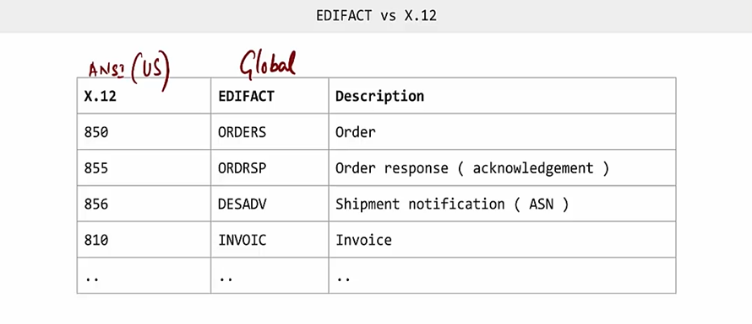 | 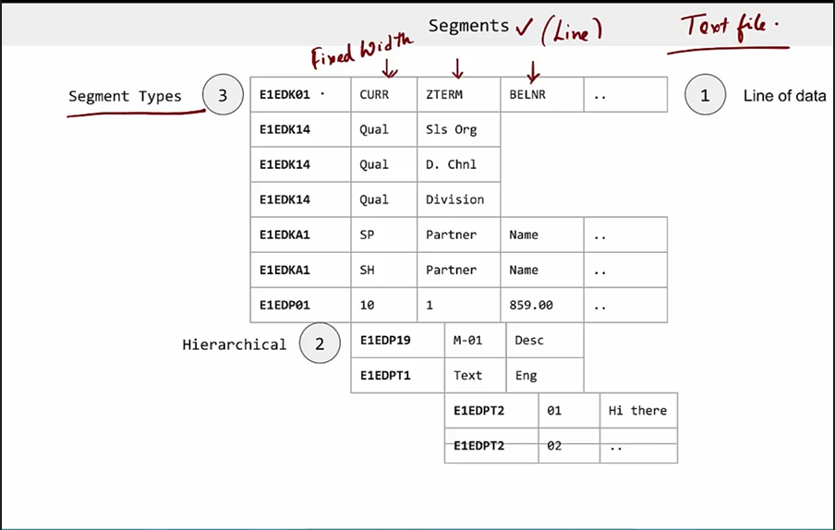
 |  |  | BA00 | ORDRSP | ORDERS05 | SD10
Outbound Idoc configuration | Steps |  | ZOA0 | DESADV | DELVRY07 | DELV
WE31 | Create segement |  | RD00 | INVOIC | INVOIC02 | SD09
WE30 | Create new idoc type/extension |  | RD04 | CREHDR | INVOIC02 | SD09
WE81 | Create message type/logical message( can associate 1 MT with many idoc types) |  | RD01 | DELHDR | INVOIC02 | SD09
WE82 | Mapping message type with Idoc types |  |  | ORDERS | ORDERS05 | ORDE
SM59 | Establish RFC connections |  |  | SHPORD | DELVRY03
WE21 | Create Ports |  |  | SHPMNT | SHPMNT06
WE41 | Process codes
WE20 | Partner profile creation

ORDERS | E1EDK01- Order header details |  | ORDRSP | E1EDK01- Order header details like Order number
 | E1EDK02- PO number(001) |  |  | E1EDK14- details like DC(007), Order type(012), Sales org(008), Division(006)
 | E1EDK14- details like DC(007), Order type(019/012), Sales org(008), Division(006) |  |  | E1EDK03- Dates like order date, customer ref date
 | E1EDK03- Dates like order date, customer ref date(012), Shipping date(106) |  |  | E1EDKA1- Partner details AG- Sold-to party; RE- Bill-to; RG- Payer; WE- Ship-to
 | E1EDKA1- Partner details AG- Sold-to party; RE- Bill-to; RG- Payer; WE- Ship-to |  |  | E1EDK17 001/002- Inco terms
 | E1EDK17 001/002- Inco terms |  |  | E1EDK18 001/002- Payment terms
 | E1EDK18 001/002- Payment terms |  |  | E1EDP01- Line item data E1EDP19- Material data
 | E1EDP01- Line item data E1EDP19- Material data
 | E1EDP05- Line item price

DESADV | E1EDL20- Has header delivery details like Sp, sales org, Inco terms, route, weight, number of packages, date |  | INVOIC | E1EDK01--> Has invoice header details like invoice number, currency, payment terms, Billing category,
 | E1EDL22- Description of Shipping point, Sales org, Incoterm, Route, Shipping conditions |  |  | E1EDKA1--> Has partner details AG- Sold-to party; RE- Bill-to; RG- Payer; WE- Ship-to; RS- Invoicing party; BK- Company code details
 | E1EDL21- Delivery type, priority, Transportation group |  |  | E1EDK02--> Has document details with date 001- Customer PO; 002- Sales order; 009- Invoice; 012- Delivery; 017 & 087 - Invoice
 | E1EDL18/ORI--> Mentions Original idoc |  |  | E1EDK03--> Date 001- Delivery date; 011- Idoc creation date; 012- Invoice date; 028- Due date; 026- Billing date for printout; 048- Exchange rate date
 | E1ADRM1 AG--> Has partner address and details AG- Sold-to party; RE- Bill-to; RG- Payer; WE- Ship-to |  |  | E1EDK04- VAT Indicator ZOTC_1EDK04- condition type & condition base value
 | E1ADRM1 OSP--> Shipping point details |  |  | E1EDK17- Inco terms data 001- Inco terms1; 002- Incoterms2
 | E1ADRM1 OSO--> Sales organization address |  |  | E1EDK18- Payment terms 001- Payment terms; 005- Payment terms description
 | E1EDT13 001--> has details like start date & time and end date & time for Transportation planning |  |  | E1EDK28- Has Details like Bank key, Bank name, Account number
 | E1EDT13 003--> has details like start date & time and end date & time for Loading |  |  | E1EDK14- details like Delivering company code (003); DC(007); Order type(015); Sales org(008); Division(006); Sales doc category(021)
 | E1EDT13 006--> has details like start date & time and end date & time for Goods Issue |  |  | E1EDP01- Contains Item details like Gross price, discounts, net price, tax etc..
 | E1EDT13 007--> has details like start date & time and end date & time for Delivery |  |  | E1EDP02- Data 001- Cust PO; 002- Sale order; 016- Preceding doc(delivery);
 | E1EDT13 010--> has details like start date & time and end date & time for Picking |  |  | E1EDP03- Dates 001- Delivery date; 011- Idoc creation, 022- PO date; 023- Pricing date; 025- Invoice date;
 | E1EDT13 015--> has details like start date & time and end date & time for Document date |  |  | E1EDP19- Material 002 & 003- Material number
 | E1EDL33- Destination country |  |  | E1EDP26- Price 001- Gross price; 002- Gross value; 003- Net value; 010- Subtotal 1; 011- subtotal 2
 | E1EDL28- Has route, shipping type, route id, distance |  |  | E1EDP05- Gross price
 | E1EDL24- Line item details like qty, plant, sto. Location, weight, loading & trans group, material |  |  | E1EDS01- Summation 001- Item count; 012- discount qualified amount; 005- sales tax total; 011- Biilled value; 010- Net invoice value.
 | E1EDL37- Has details like handling unit header details, carton id, tracking Id
 | E1EDL44 – Has handling unit Item details within a carton/pallet like material, qty, storage location, plant etc..,
 | ZE1EDL44 – This segment has item details including material, customer po(header), customer po(item), qty, UOM

 |  |  | Ernst & Young | 25-Sep-23

 |  | 1. Assign Sales org & DC to Plant i.e F-org+ F-DC to G-plant (t-code: SPRO) 2. Add condition type(PI01) in the standard pricing procedure(RVAA01) with check-in for Statistical and Requirement: 22(activate only if order is cross-company- if plant belongs to other company code). This is done to view the profit margin, use as reference for actual I/C. 3. Maintain the condition record for PI01 for all Sales org and plant combination. 4. Define Intercompany customer using SPRO--> SD --> Billing--> Intercompany billing --> Define Internal number by Sales-org( Germany-vendor; France- customer) Also, we can use different sales org/spl. dc/spl. division that are very much internal instead of going for actual sales org/dc(optional) 5. Doc. pricing procedure of B.type(IV) can be 'N' (This is the key) also, should maintain Pricing procedure determination for ICAA01 using OVKK 6. Maintain condition type IV01 with: * Access sequence as PI01 * Condition cat-I (price for intercompany billing) * Ref. condition type: PI01 7. Maintain output type for Intercompany invoice
How will you map some random BP values from EDI orders with the Bp values in S4 System | No
What are the cut-over activities? | Yes | Cut-over planning, System setup, Config move, Workbench requests move, Master data migration, Transactional Data migration, Switch over to SAP
How will you migrate S4 HANA values as same as ECC values? | No

3rd drop-ship
 | Item category | TAS
 | Schedule line category | CS | Triggers PR(which is a pre-cursor for PO)
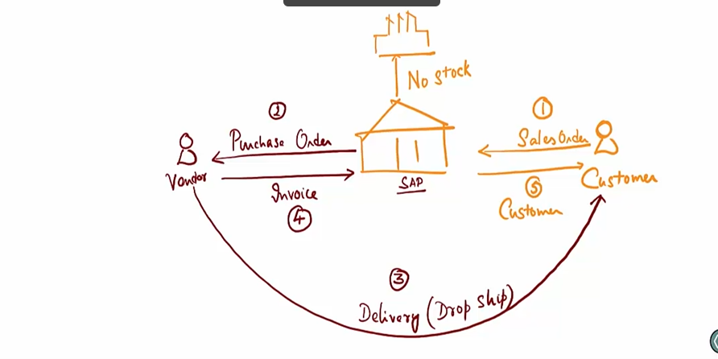 | A/c assignment | Third-party in ME53N | T-code: ME53N Acc. Assignment controls GL accounts Item category controls logistics
 | PR to PO conversion |  | T-code: ME21N

3rd pary drop-ship: Consider a customer is placing a order for items which we don't own or produce along with the ones which we produce, instead of avoiding that order we will place an PO to vendor for those materials with customer address. The Vendor will deliver the product and share the invoice to us. Then we can invoice the customer for the same. 1. Sales order will be placed. 2. Item will be added with Item category TAS & Schedule line CS, to trigger PR(viewed in ME53N) 3. Purchasing officer will approve the PR to convert it into PO 4. PR to PO conversion will be done through (T-code: ME21N--> Document overview on--> My Purchase requistions --> Drag & drop our PR to Cart--> Save) or use Tcode: ME59N for the automatic PO processing. 5. We could see the address of the customer there, which is pulled from Sales order via PR to PO 6. Goods receipt is not possible for 3rd-party drop-ship as we do not store the goods in our warehouse(No MIGO) 7. Invoice receipt(MIRO) is done based on the purchase order/receipt. Purchase order history should update the invoice received from the vendor. (MIRO--> Enter the PO number--> enter the amount in header --> Save) 8. After this, go to VF03 for billing or VA02-->sales document--> Billing for Sales order invoice to customer

Configurations
1. Item category(TAS): Billing relevance should be 'F'( order related billing-status according to invoice(po invoice)) 2. Item category group should be BANS 3. VOV4: Sales document(OR)+ Item category group(BANS): Item category(TAS) 4. Schedule line category(CS): Order type: NB(purchase requistion std) Item category: 5(3rd-party) Acct Assgt category: 1(3rd-party)

 |  |  | Ernst & Young | 25-Sep-23

 |  | 1. Assign Sales org & DC to Plant i.e F-org+ F-DC to G-plant (t-code: SPRO) 2. Add condition type(PI01) in the standard pricing procedure(RVAA01) with check-in for Statistical and Requirement: 22(activate only if order is cross-company- if plant belongs to other company code). This is done to view the profit margin, use as reference for actual I/C. 3. Maintain the condition record for PI01 for all Sales org and plant combination. 4. Define Intercompany customer using SPRO--> SD --> Billing--> Intercompany billing --> Define Internal number by Sales-org( Germany-vendor; France- customer) Also, we can use different sales org/spl. dc/spl. division that are very much internal instead of going for actual sales org/dc(optional) 5. Doc. pricing procedure of B.type(IV) can be 'N' (This is the key) also, should maintain Pricing procedure determination for ICAA01 using OVKK 6. Maintain condition type IV01 with: * Access sequence as PI01 * Condition cat-I (price for intercompany billing) * Ref. condition type: PI01 7. Maintain output type for Intercompany invoice
How will you map some random BP values from EDI orders with the Bp values in S4 System | No
What are the cut-over activities? | Yes | Cut-over planning, System setup, Config move, Workbench requests move, Master data migration, Transactional Data migration, Switch over to SAP
How will you migrate S4 HANA values as same as ECC values? | No

Idoc structure
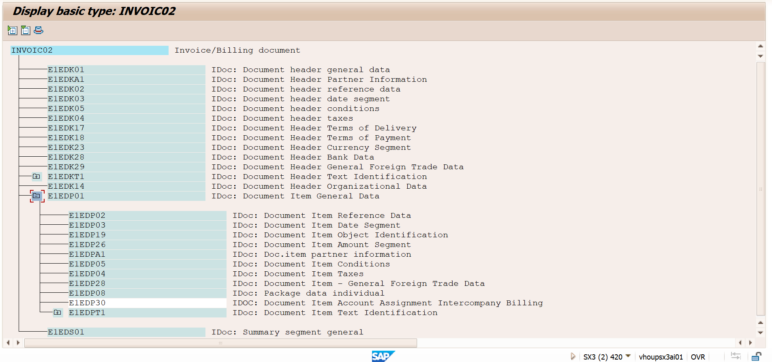
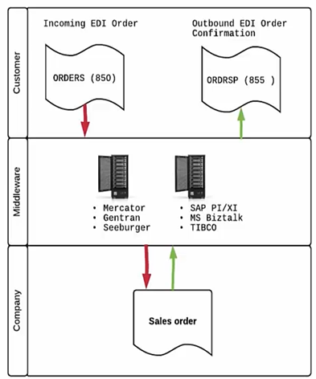
 |  | Control Record | ORDERS | Control Record | ORDRSP | Control Record | To Logical system
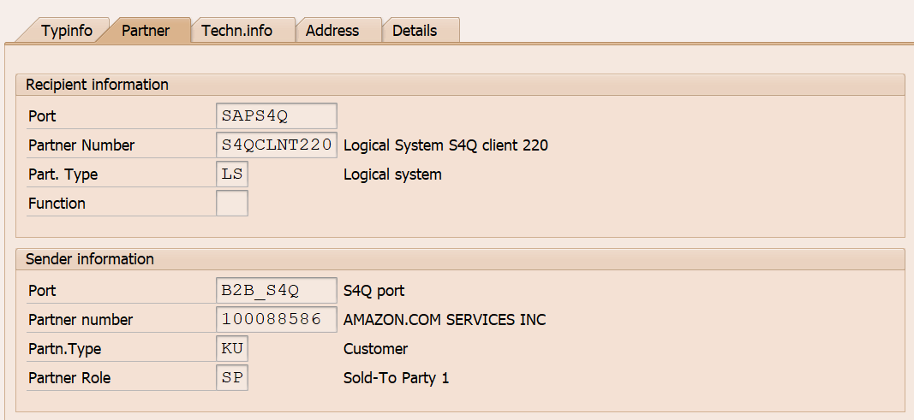
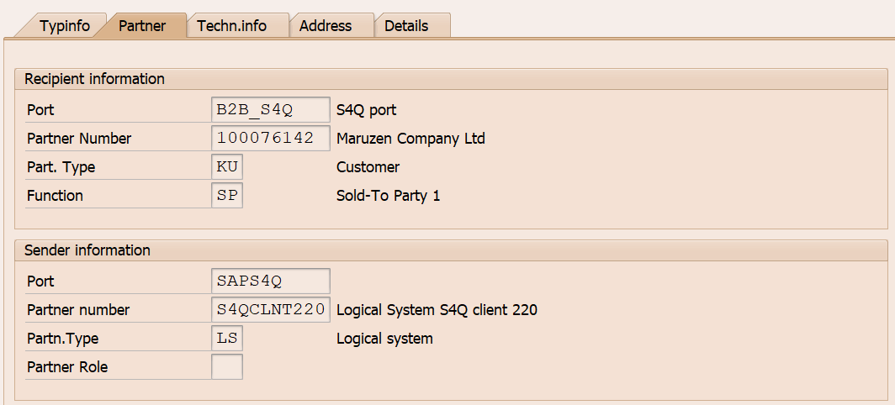
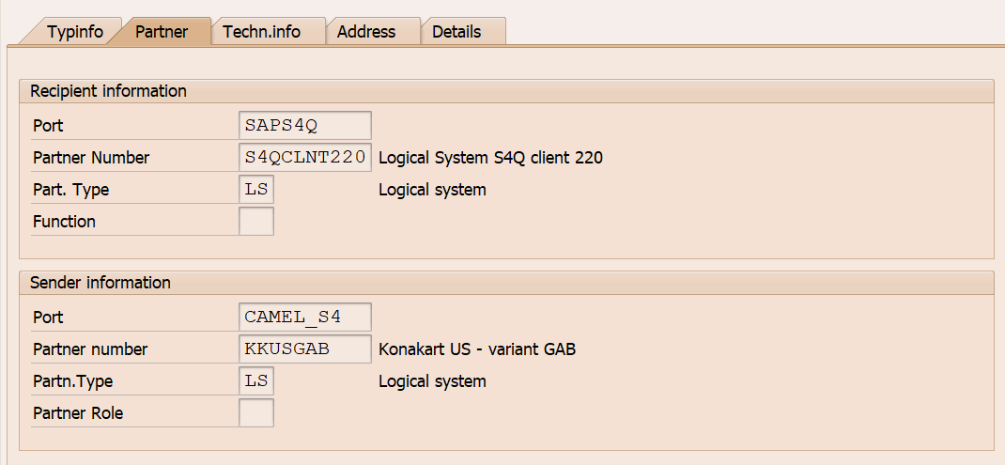

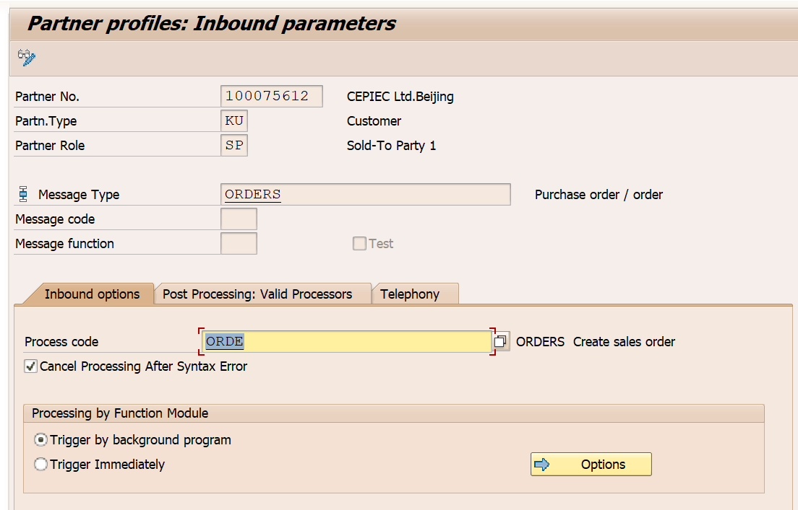
Partner profile
ORDERS | ORDRSP
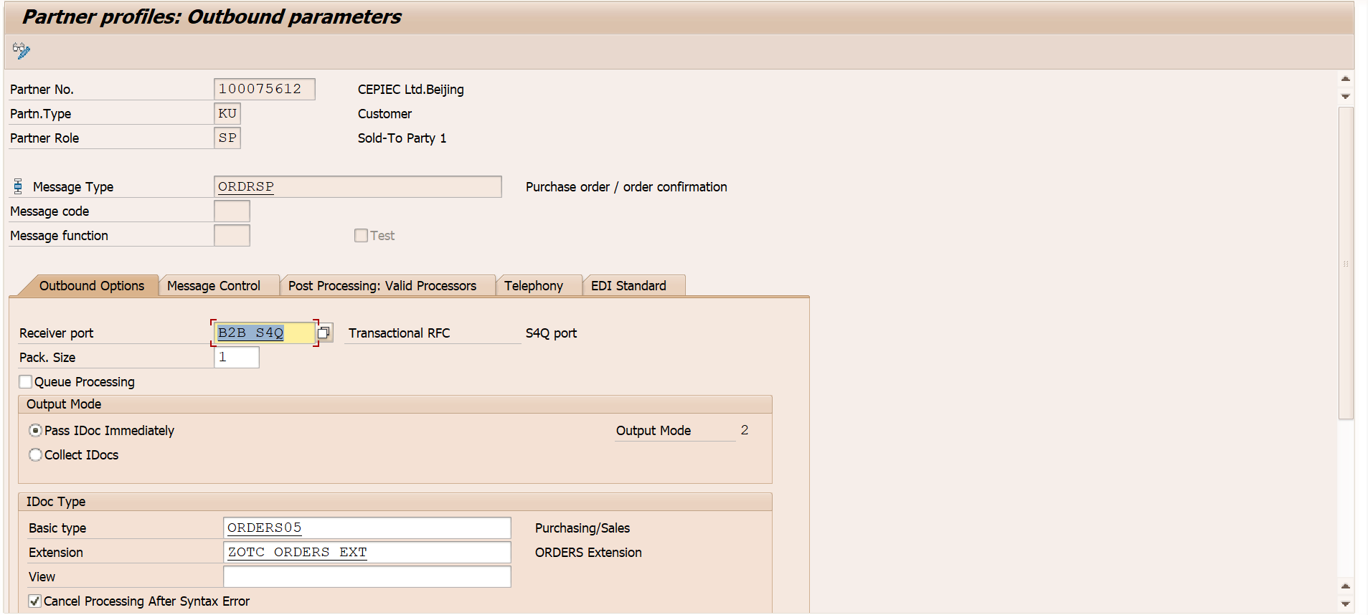
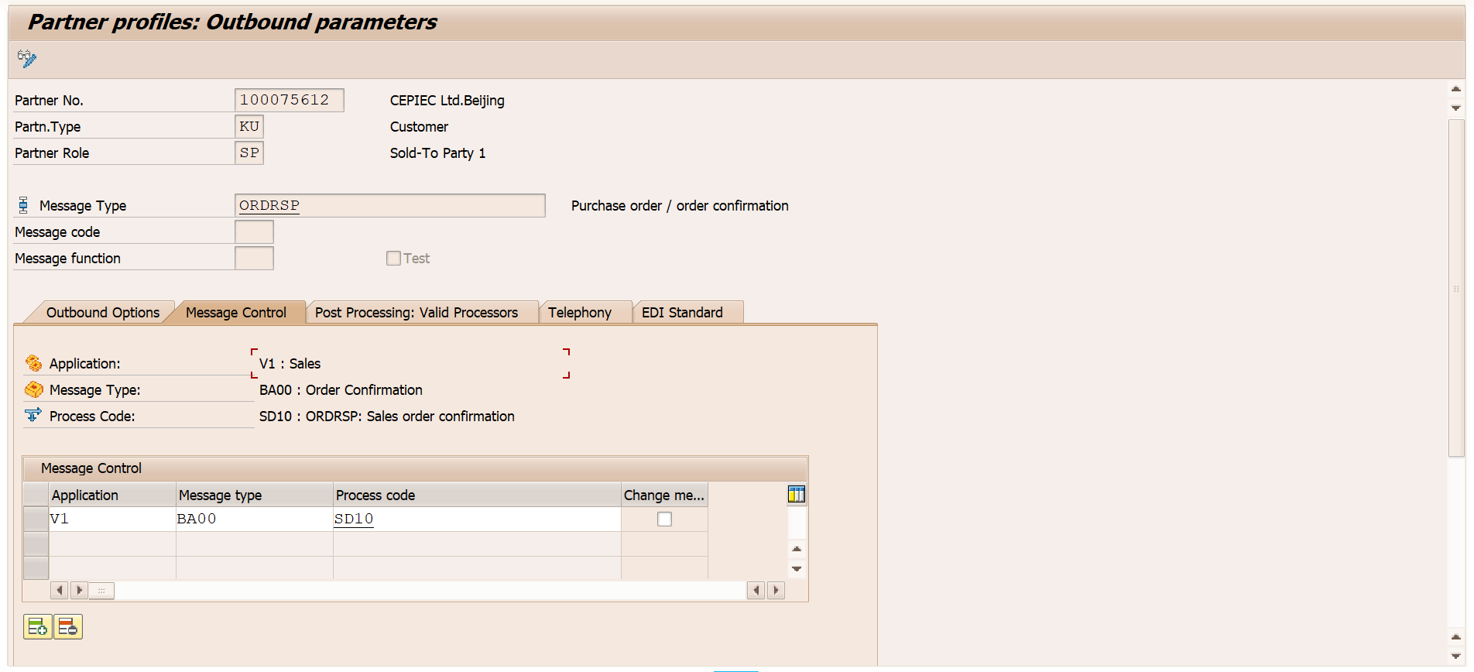

DESADV
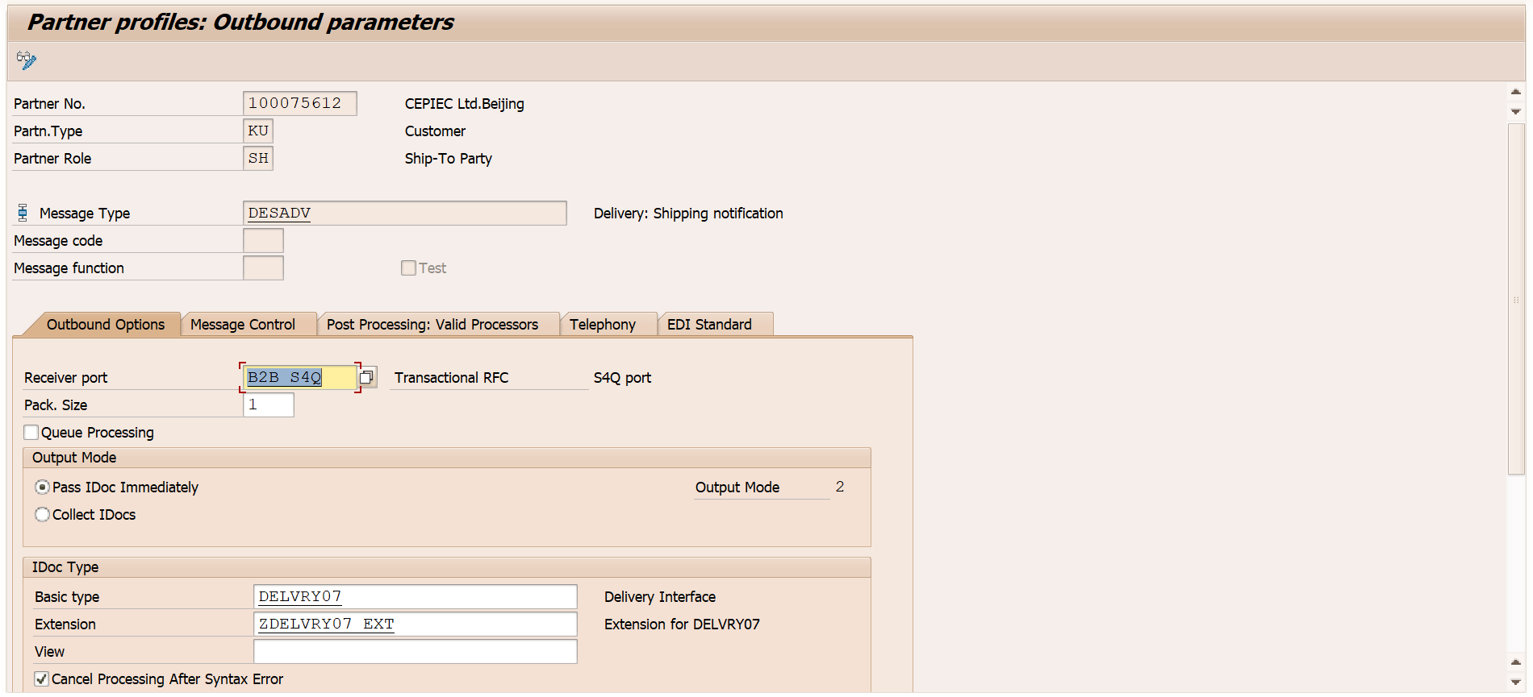
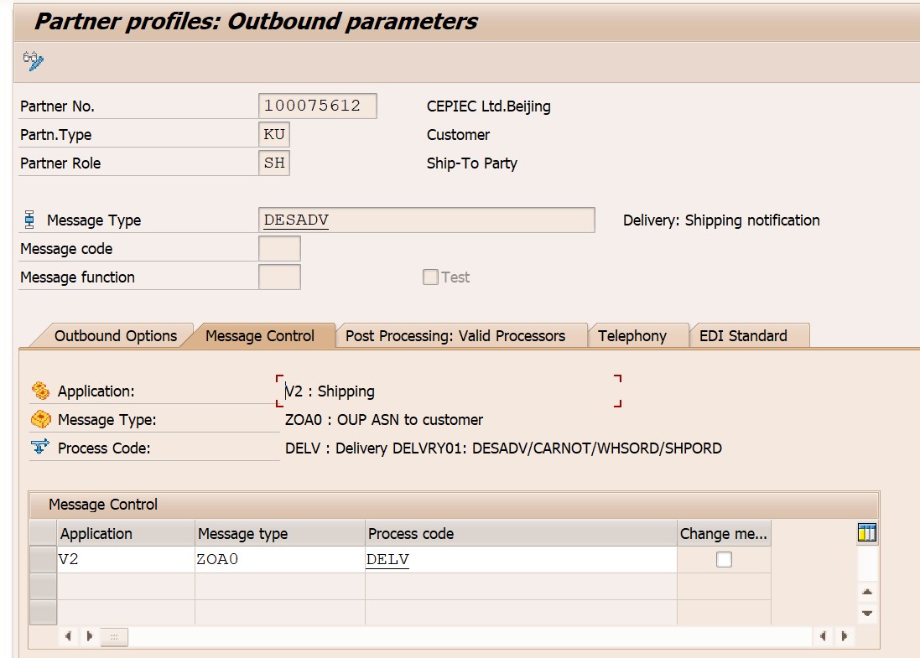

INVOIC
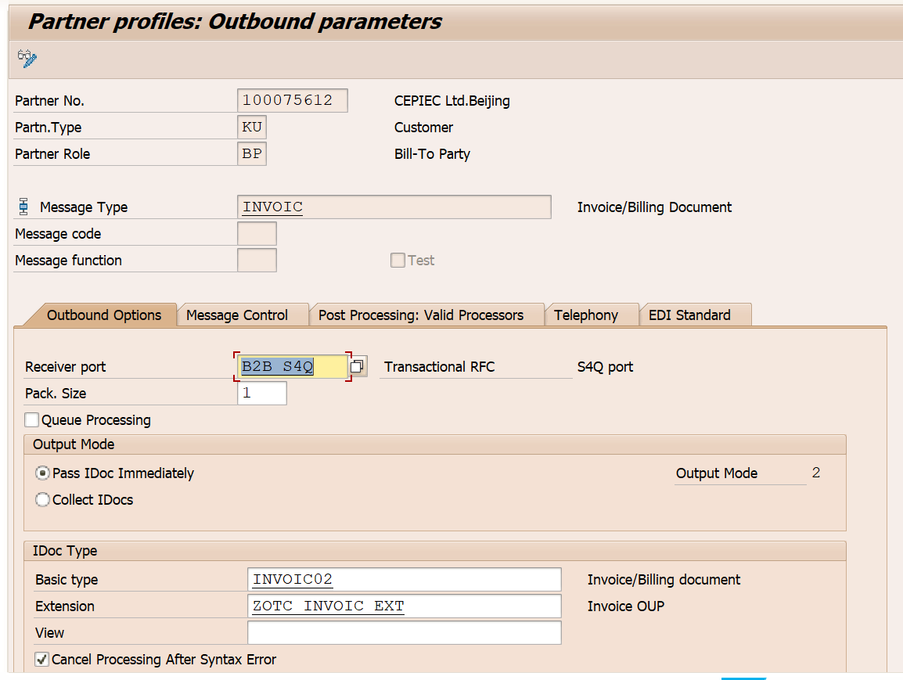
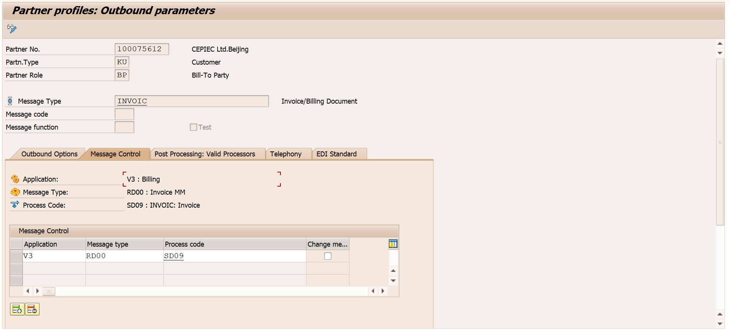

ORDERS
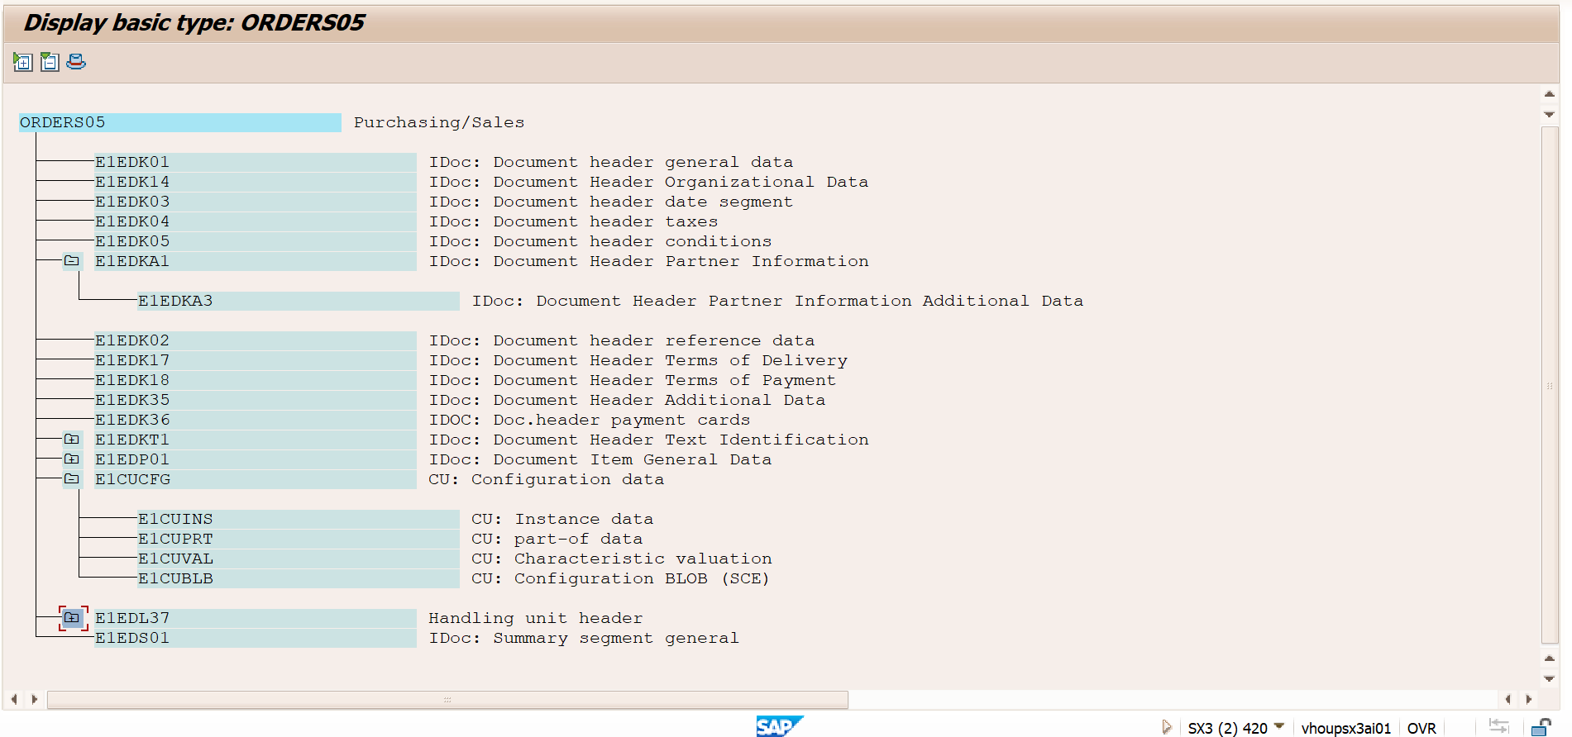

DESADV
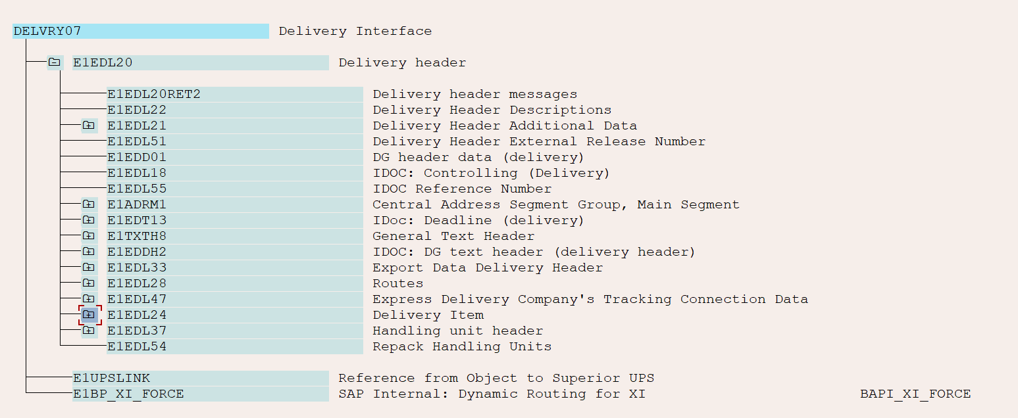


INVOIC |  |  | ORDRSP

