Sheet1
name | level | content | answer | answer | answer | answer | image | audio | video
Tiếng anh | 1 | Vietnamese people are very .................................. and hospitable. | [0]reserved | [1]friendly | [0]official | [0]quiet
Tiếng anh | 1 | We can learn how ............ banh chung at Tet. | [1]To make | [0]Made | [0]Making | [0]Make
Tiếng anh | 1 | Ho Chi Minh City has been divided into twenty-four ...................... divisions since December 2003. | [1]Administrative | [0]Administration | [0]Administrator | [0]Administer
Tiếng anh | 1 | Public suggest that the factories.......................... with waste treatment system. | [1]Should equip | [0]Would be equiped | [0]Equiped | [0]Would equip
Tiếng anh | 1 | Nam didn’t know…………….to find more information the course. | [0]What | [1]Where | [0]why | [0]while
Tiếng anh | 1 | The farmers in my home village ............ rice home on trucks. They used buffalo-driven carts. | [0]didn’t used to transport | [0]Didn’t used transport | [1]didn’t use to transport | [0]used to transport
Tiếng anh | 1 | The Imperial Citadel of Thang Long is a .............. that consists of royal palaces and monuments. | [0]Structure | [0]Fortress | [1]Complex | [0]limestone
Tiếng anh | 1 | At night they used to entertain ............ by telling and acting out stories. | [1]Themselves | [0]Them | [0]Their | [0]Themselves
Tiếng anh | 1 | It ………………….that They are quieter and cheaper than taxi. | [0]said | [0]Are said | [1]Is said | [0]Say
Tiếng anh | 1 | The children in my home village used to go …..............., even in winter. Now they all have shoes. | [1]Bare-footed | [0]Played around | [0]Playing around | [0]On foot
Tiếng anh | 2 | Write the complete sentences, using the the words/ phrases given. I / suggest/ that/the government/ limit/ the number / daily visitors.
Tiếng anh | 2 | Write the complete sentences, using the the words/ phrases given. She/ wish/she/ can/communicate/ her pet.
Tiếng anh | 2 | Arrange the following words/phrases in the correct order to make a meaningful sentence. didn’t/young people/ use to/ in / computer games / the past/ play /
Tiếng anh | 2 | Arrange the following words/phrases in the correct order to make a meaningful sentence. Viet Nam/reported/ the /Thien Duong/ it is/ longest cave/ in /that/is/
Tiếng anh | 0 | Describe paintings | [0]Two men are racing their bicycles through the park. | [0]Some people are seated on the benches. | [0]A man is feeding the birds by hand. | [1]There’s a grassy area beside the path. | 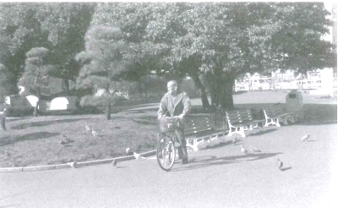
Tiếng anh | 0 | Describe paintings | [0]The woman is hanging a painting on the wall | [0]The woman is preparing a party | [0]The woman is planting a tree | [1]The woman is decoring a tree | 