Sheet1
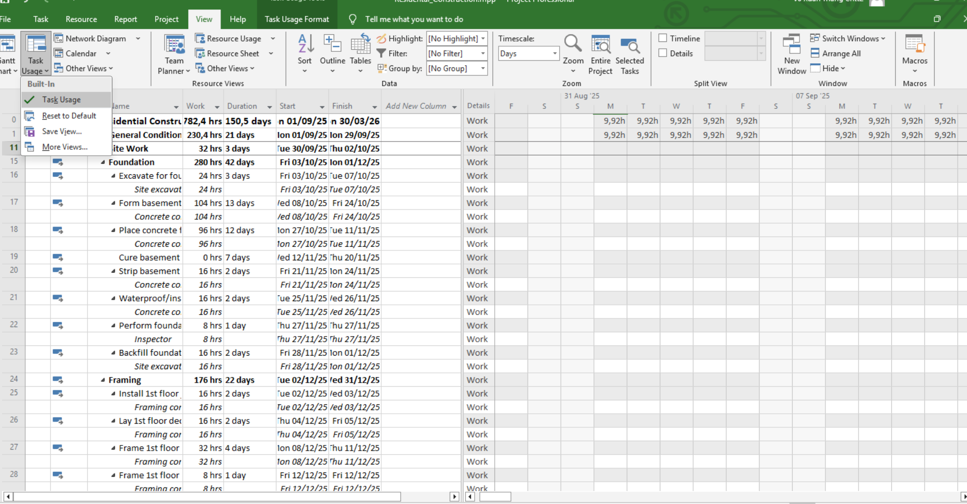
 | RESIDENTAL CONSTRUCTION

Assign Resource.

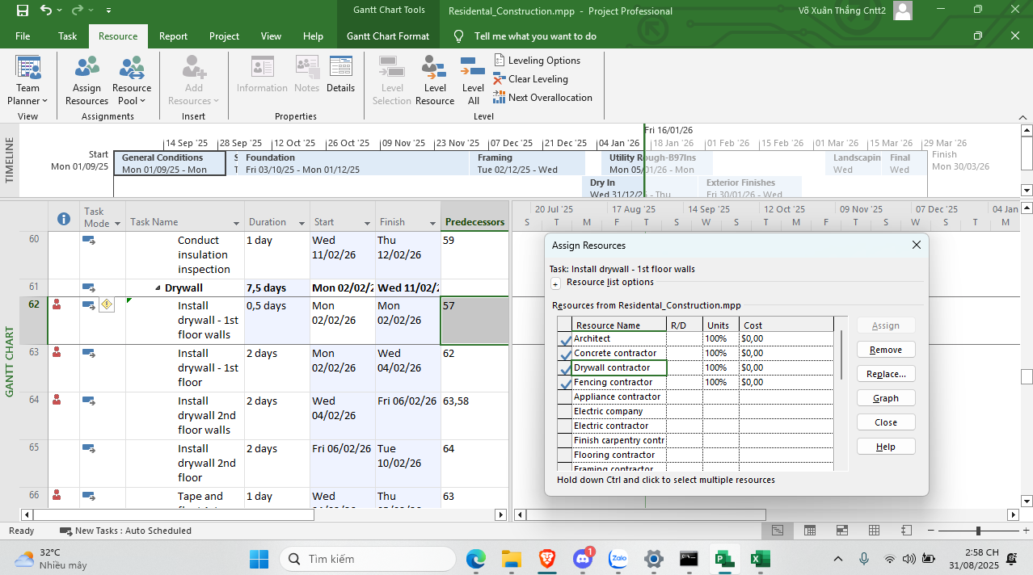

Gantt > Calender

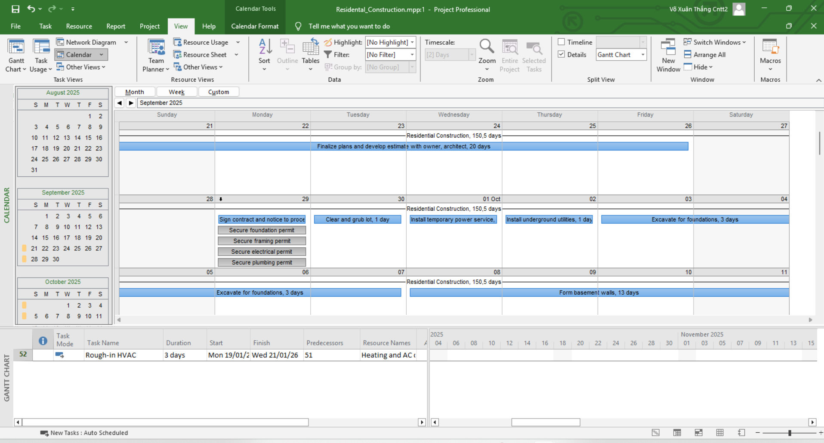

Gantt chart format > Gantt chart style

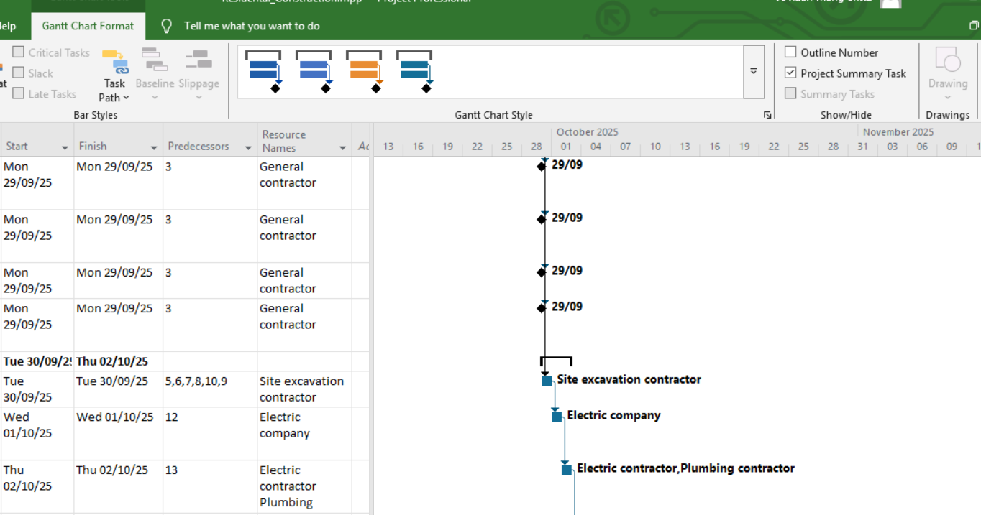

Task Usage View

