IMG
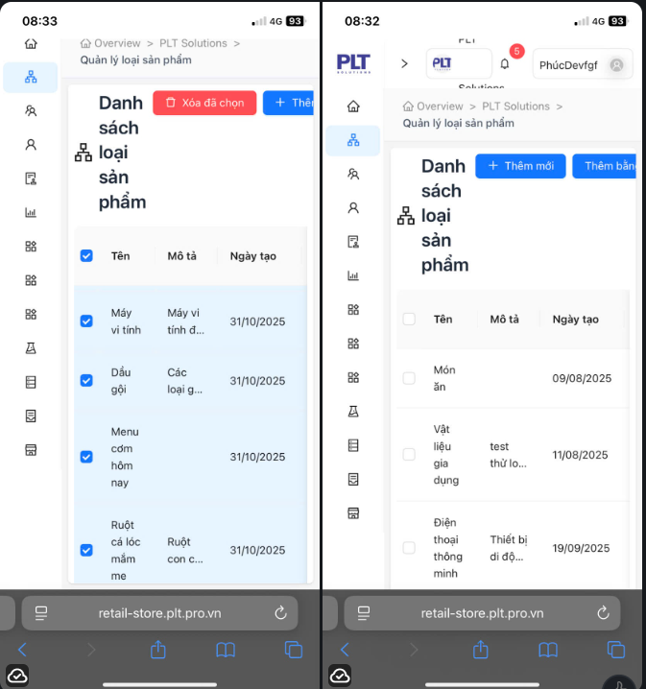


DF_1

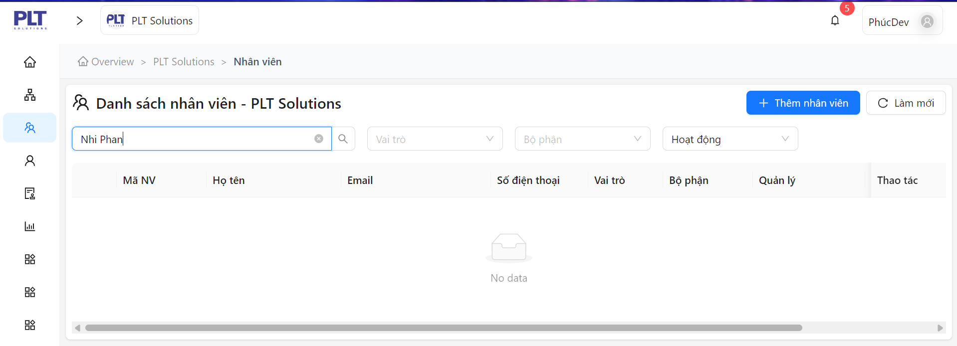
DF_2

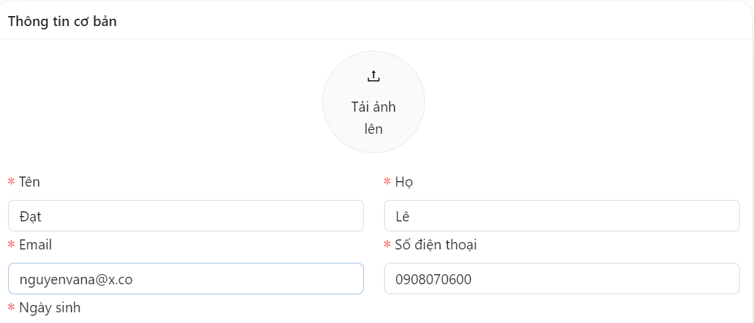
DF_3

DF_4


DF_5

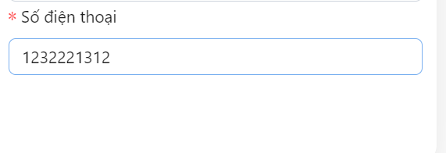
DF_6

DF_7

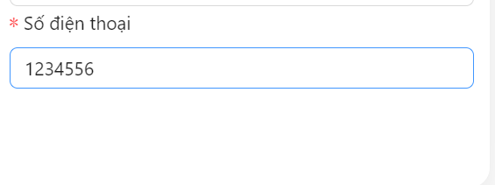
DF_8

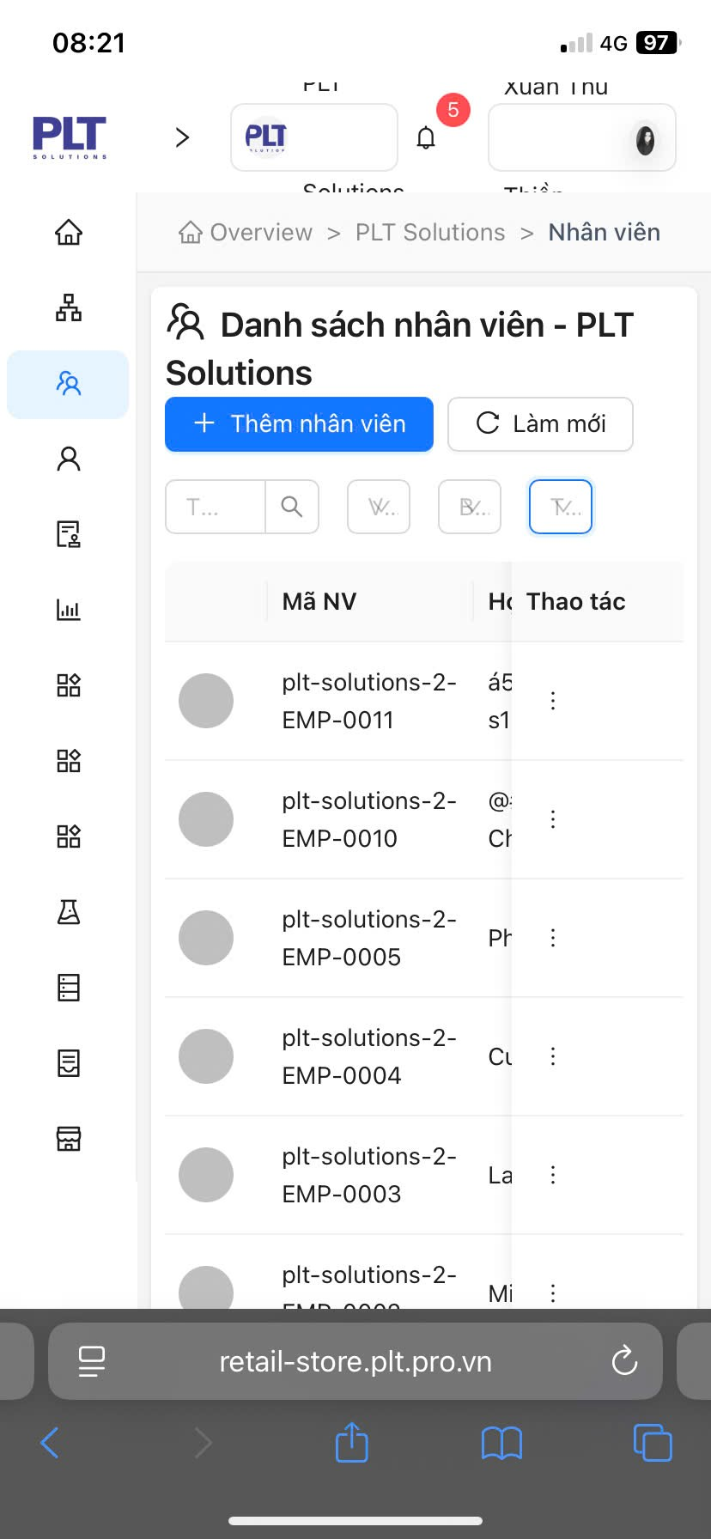

DF_9 và DF_11

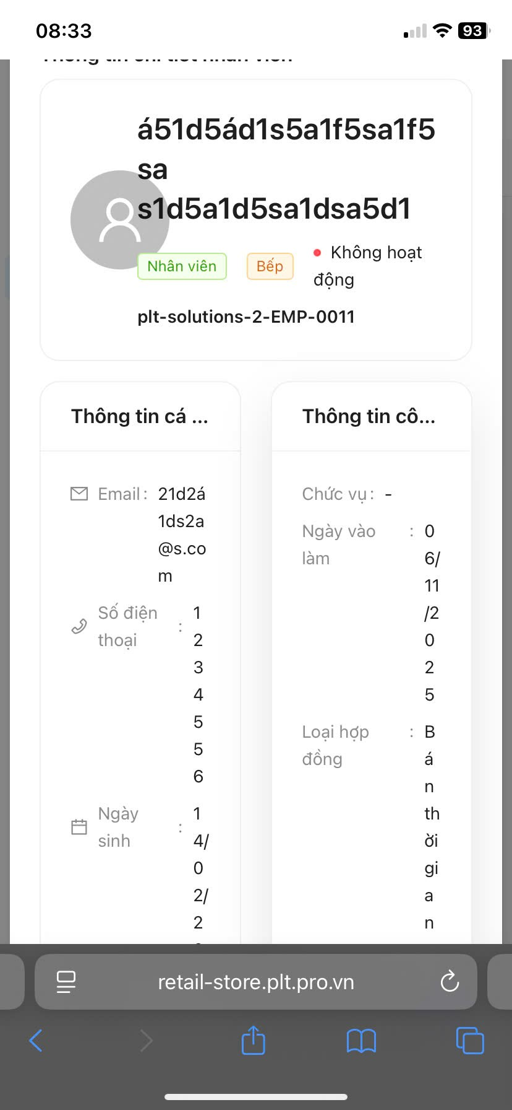
DF_10

DF_12

DF_13

DF_14

DF_15

DF_16

DF_17

DF_18

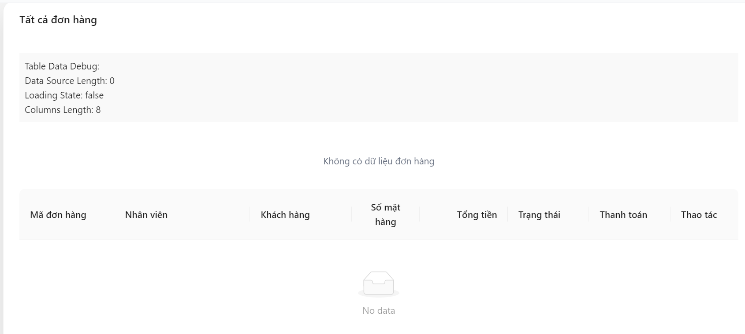
DF_19



DF_20

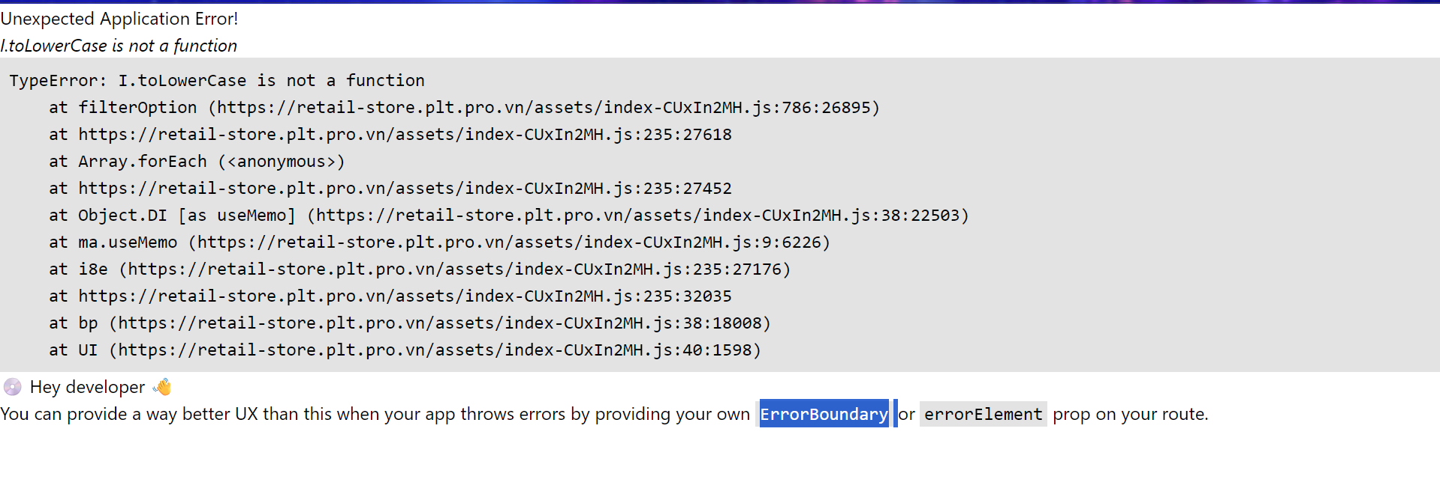
DF_21

Image
ID | Mô tả
DF_22
DF_23 | 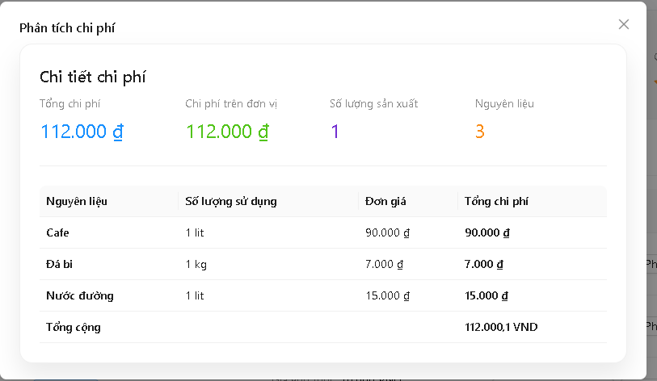
DF_24 | 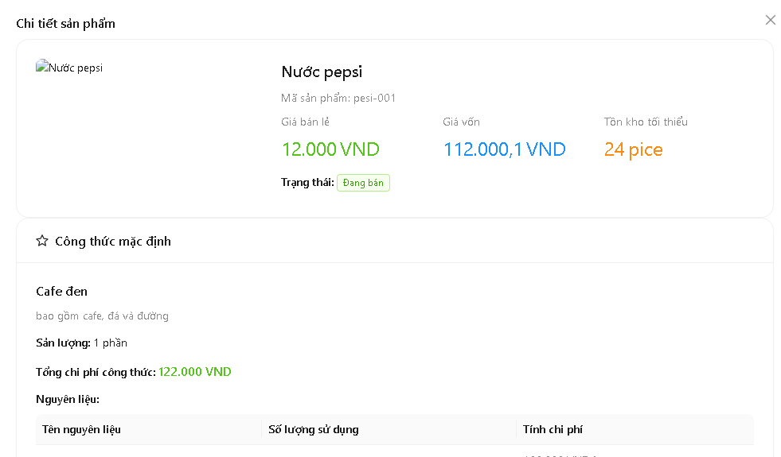
DF_25
DF_26 | 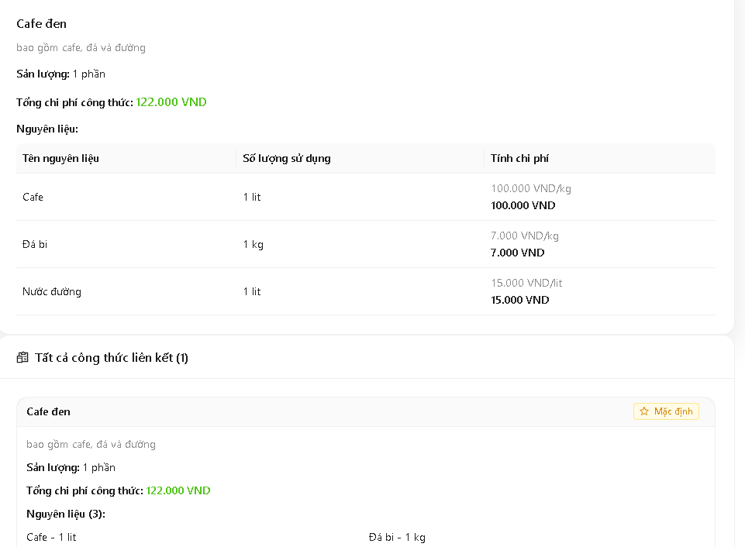
DF_27 | 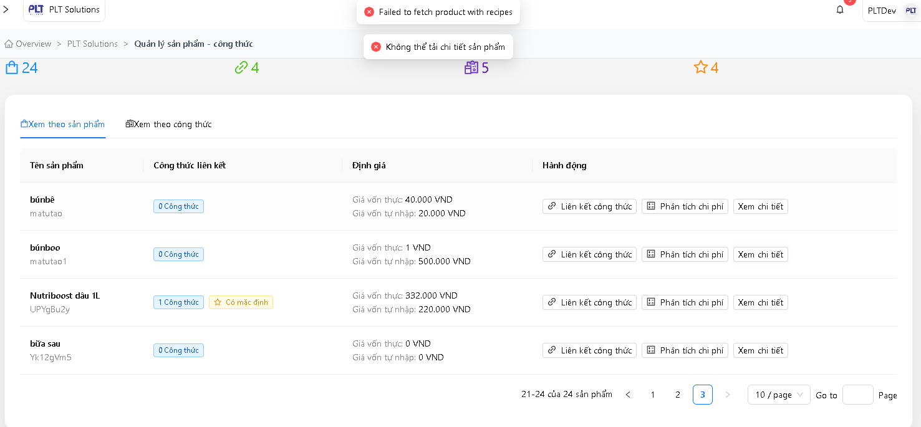
DF_28
DF_29 | 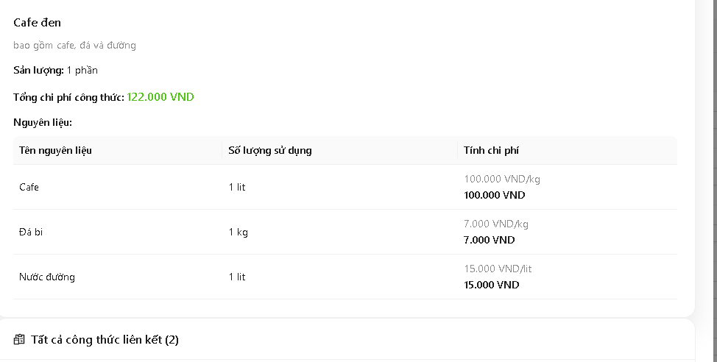 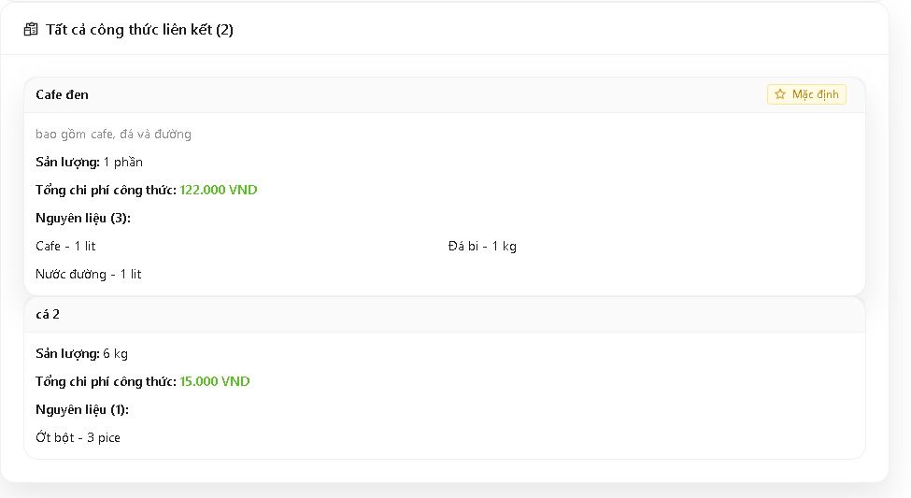
DF_30 | 
DF_31 | 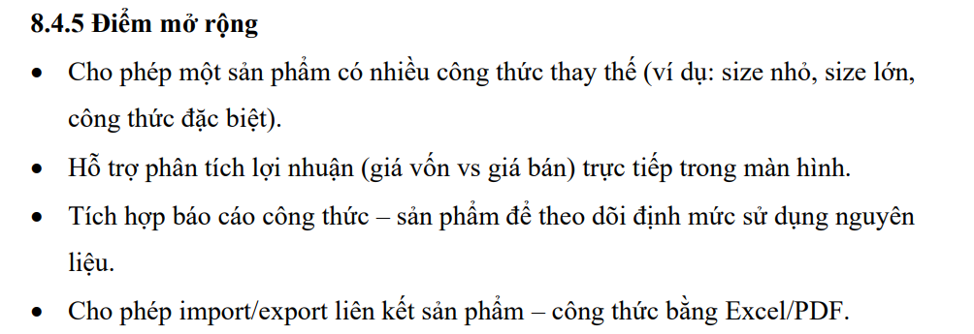 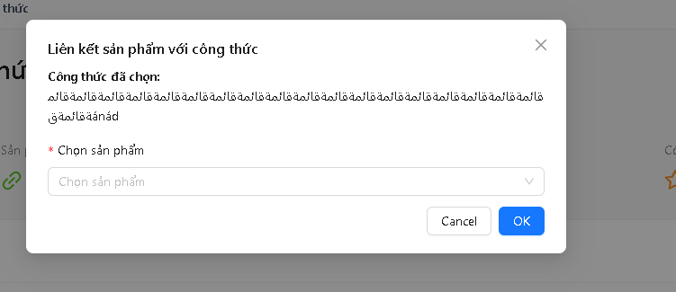
DF_32
DF_33 | 
DF_34 | 
DF_35
DF_36
DF_37 | 
DF_38
DF_39
DF_40 | 
DF_41 | 
DF_42 | 
DF_43 | 
DF_44
DF_45
DF_46 | 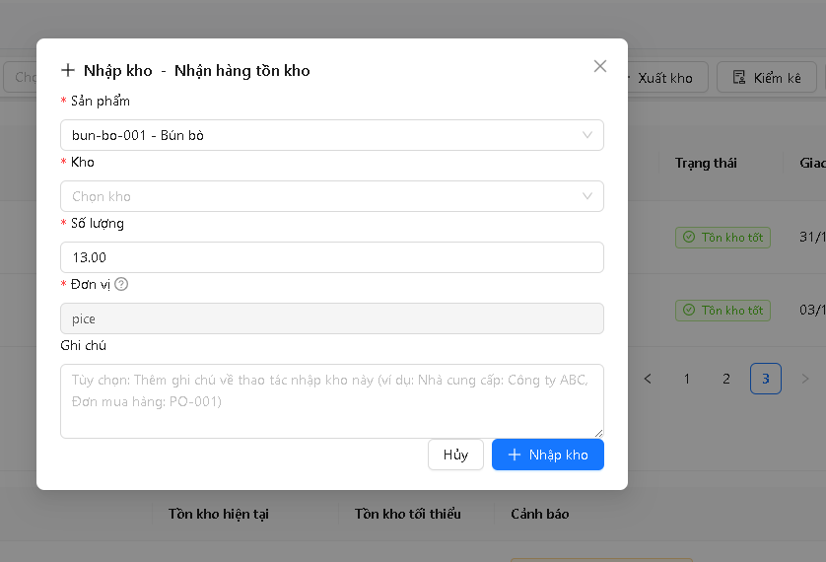
DF_47 | 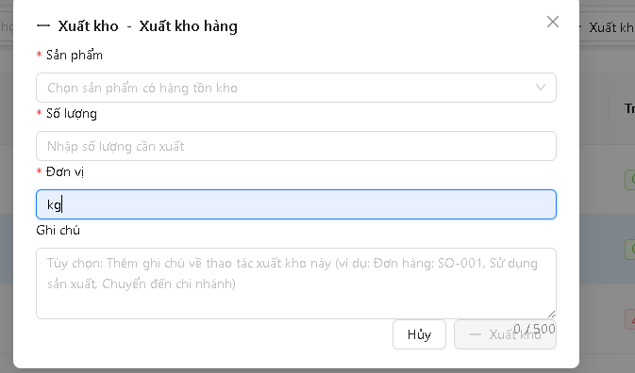
DF_48
DF_49 | 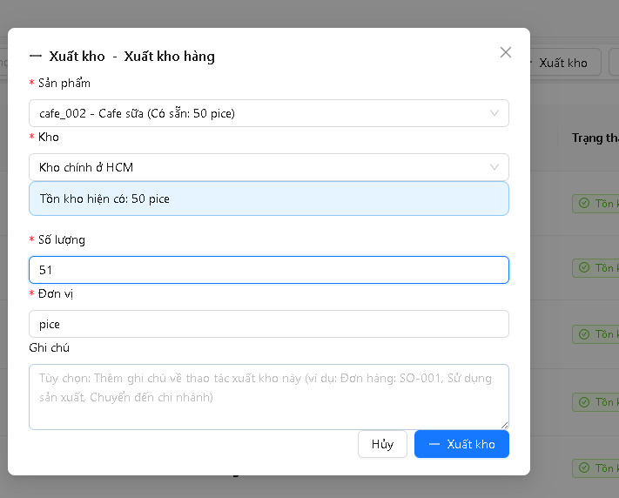
DF_50 | 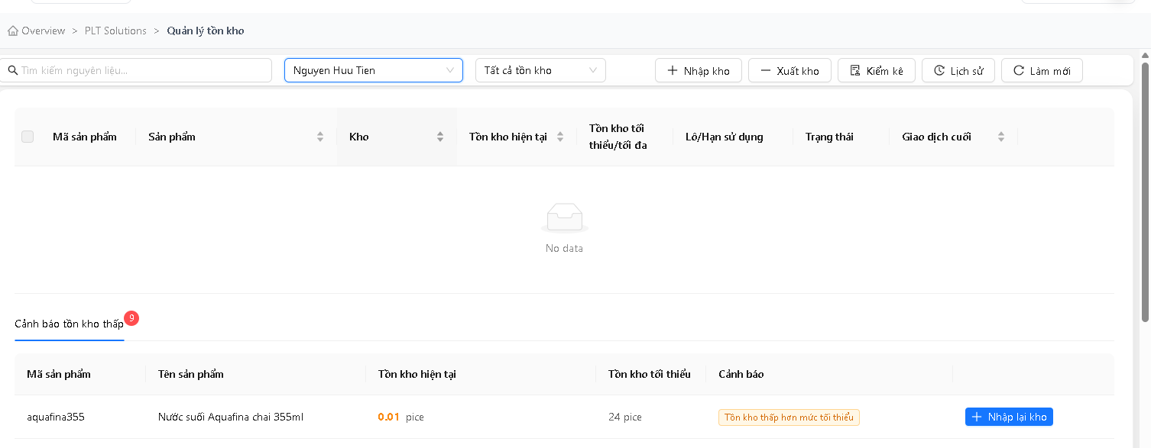
DF_51

