Sheet1
Chưc năng Quản lý loại sản phẩm
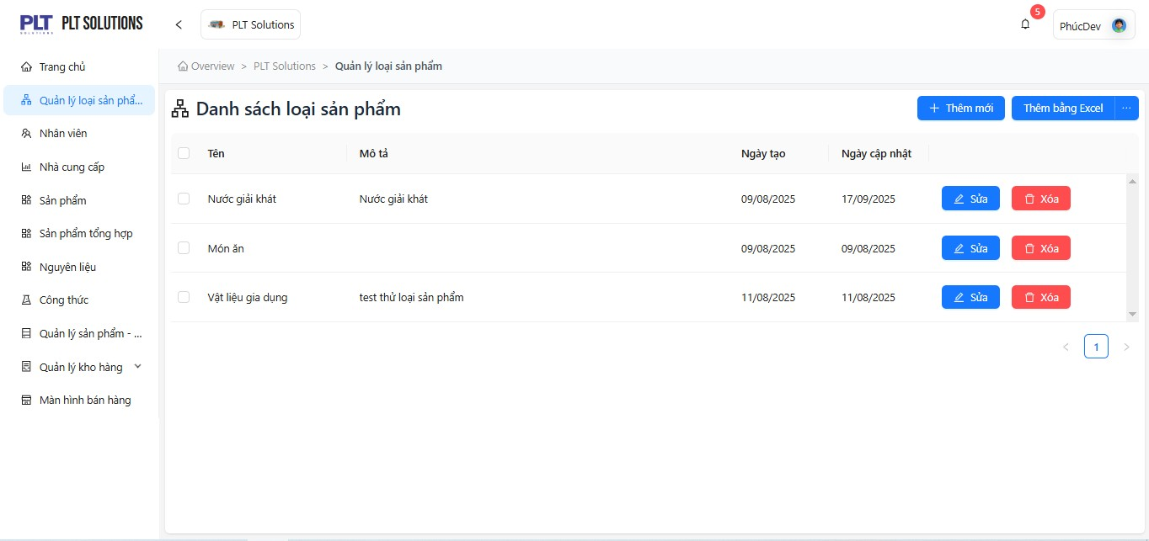
Issues Identified:
-Preconditions and Special Requirements are duplicated.
-The validation for category name length and allowed characters is missing.
-The definition of the Product Category Code is unclear (whether it is auto-generated or manually entered).
Suggestions for Improvement:
-Add validation constraints, e.g., Category Name ≤ 100 characters, no special characters allowed.
-Include a merge category feature when duplicate categories are detected.
-Add an “Import Excel” feature with clearly defined column format specifications.

Chức năng quản lý nhân viên
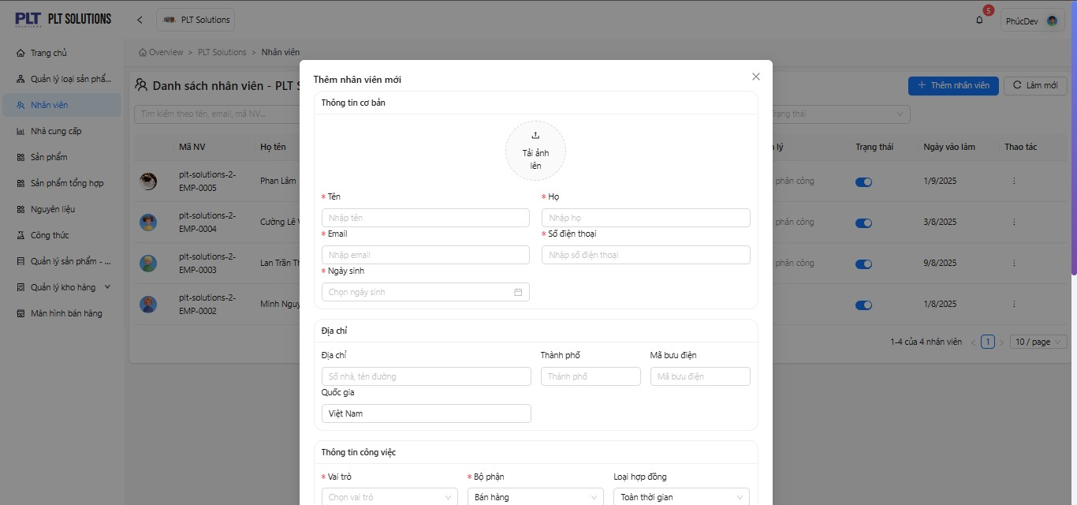
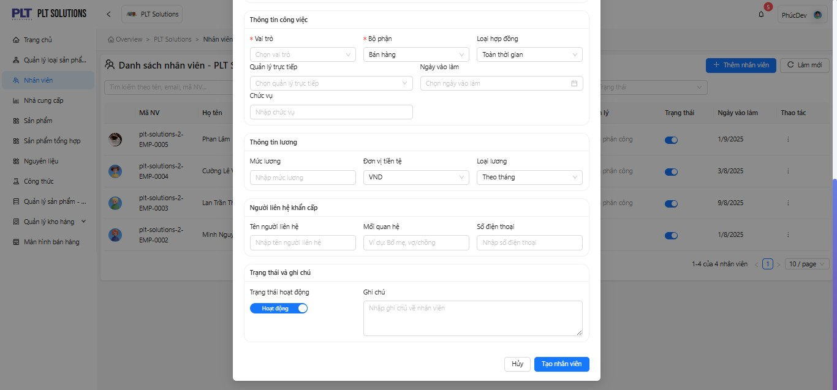
Suggestions for Improvement:
-Add a feature to upload employee documents (e.g., ID card, employment contract).
-Enable advanced search functionality, allowing filtering by role, contract type, and start date.

Chức năng nhà cung cấp
Limitations:
Missing data conflict handling when editing or deleting records (e.g., supplier already linked to purchase orders).
The fields “Mobile” and “Phone Number” may cause confusion due to unclear distinction.
Lacking a section to display actual transaction history with suppliers.
Suggestions for Improvement:
Add a sub-module “Transaction / Payable History” for supplier records.
Support uploading supplier documents such as logos, contracts, and business licenses.
Include a Supplier Classification Code (e.g., VIP, Regular, Suspended).
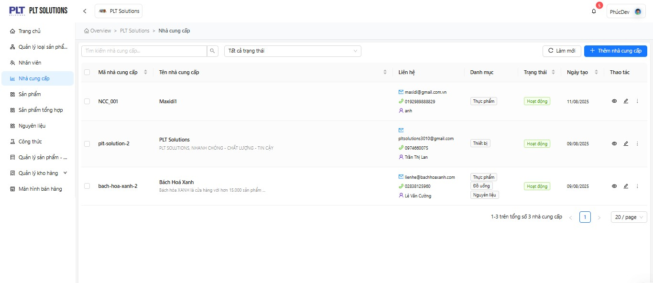

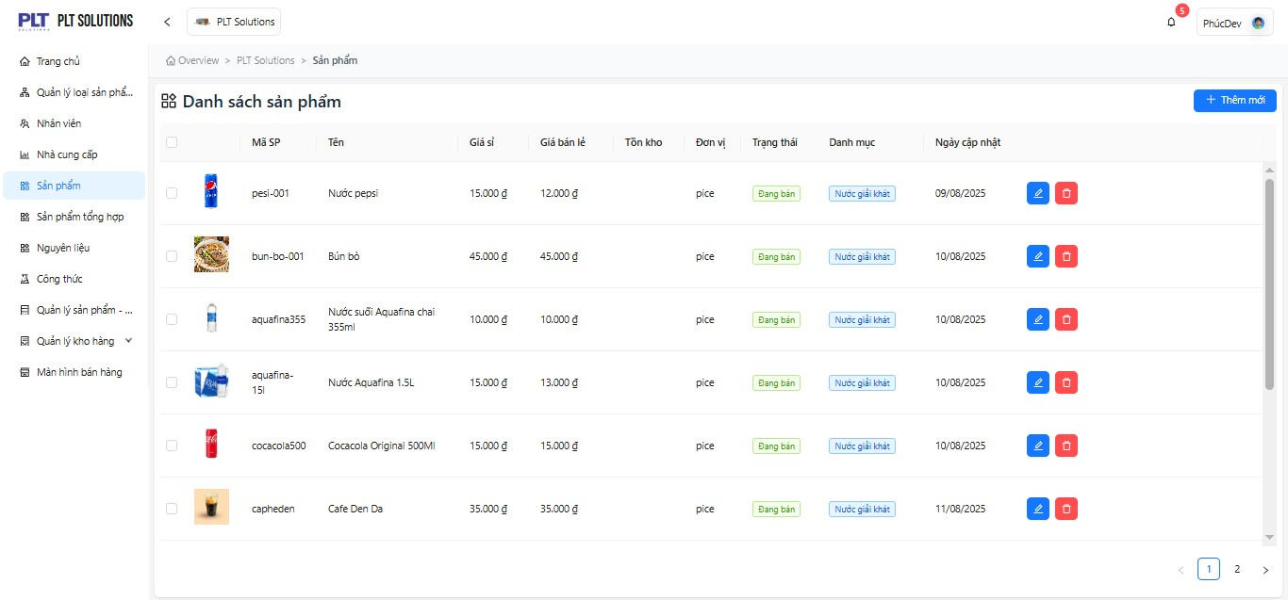
.
Chức năng Sản phẩm
Limitations:
-The Use Case section is mislabeled as “Use Case Defects”.
-Missing descriptions for automatic logic handling, such as inventory level alerts or duplicate product code validation.
-No defined process for image handling, including resolution requirements and maximum file size limits.
Suggestions for Improvement:
-Enable advanced search functionality
-Add automatic status update when stock is low (<= minimum stock)

Chức năng Sản phẩm tổng hợp
Suggestions for Improvement:
-Add “Composite product formula” module to define ingredient ratio.
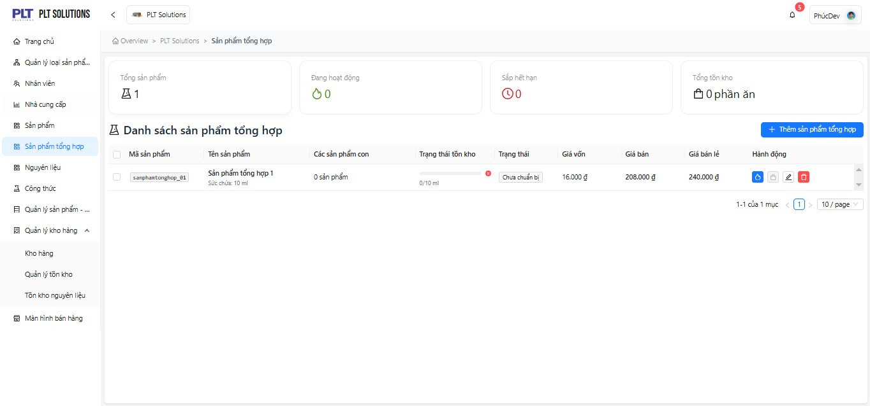

Chức năng Nguyên liệu
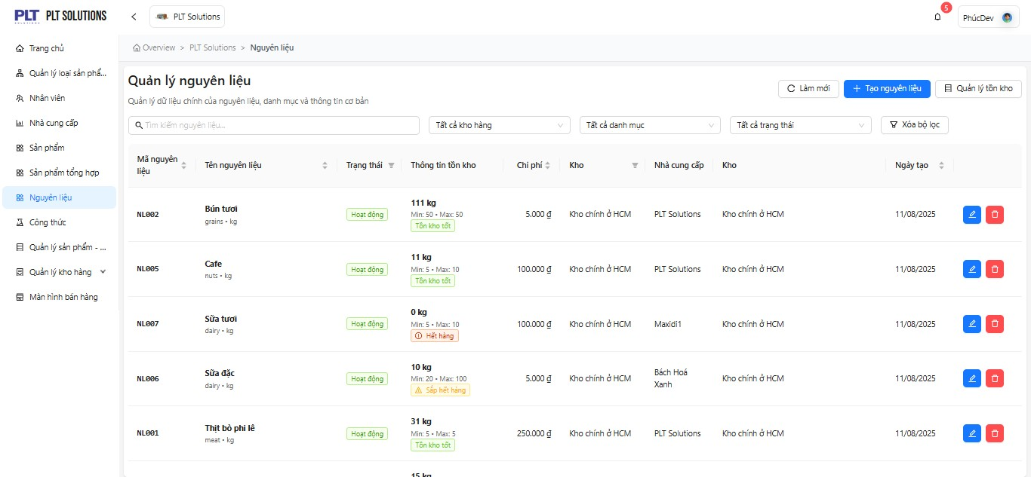
Limitations:
-The use case title is incorrectly labeled as “Defects.”
-Missing validation for expiration date or near-expiry warnings.
-Missing unit of measurement (e.g., kg, liter, ml, etc.).
Suggestions for Improvement:
-Automatically alert when items are expired.
-Allow unit conversion (e.g., gram → kilogram).
-Add a report for “Ingredients Nearly Out of Stock.”

Chức năng Công thức

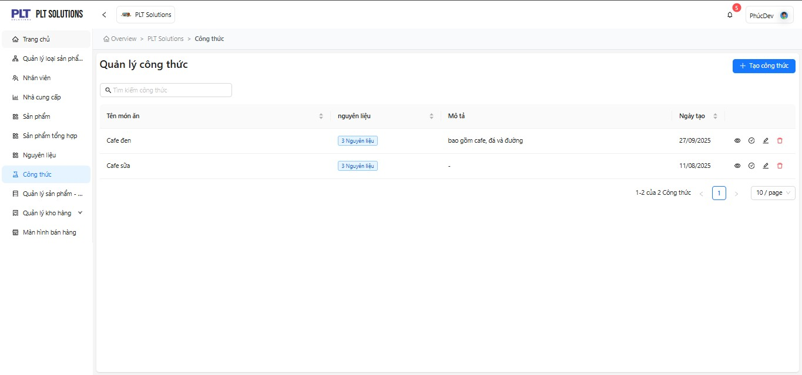
Limitations:
-Missing description of the calculation logic for ingredient ratios.
-Lacking information on “quantity / unit of measurement” for each ingredient.
-No explanation of how the system handles insufficient ingredient quantities.
Suggestions for Improvement:
-Add fields for “Loss Ratio” and “Actual Quantity.”
-Integrate with the Cost Report.

 | Chức năng Sản phẩm – Công thức

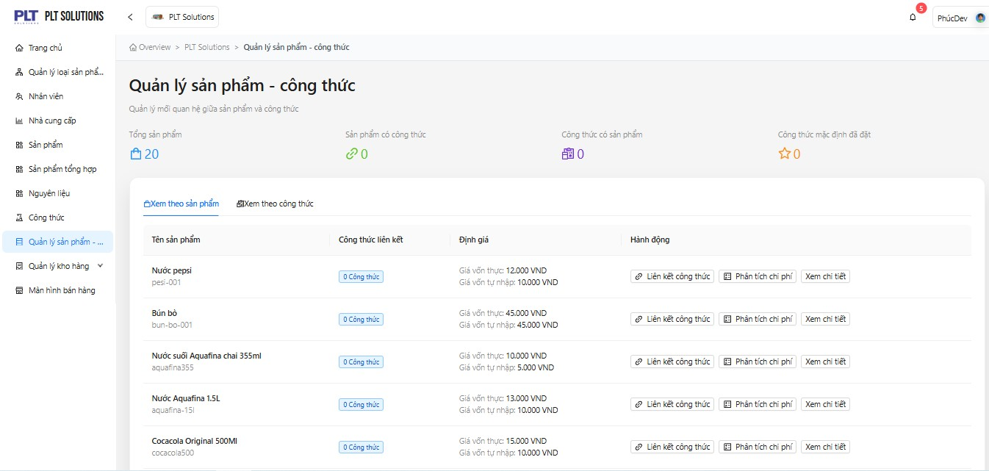
Limitations:
The “relationships” section is unclear — it does not describe the synchronization process when a recipe is modified.
Missing constraint validation for cases where the recipe is already used in sales.
Suggestions for Improvement:
Automatically update cost price when the recipe changes.
Add a feature to compare old and new recipe versions.
Allow copying recipes between products.

Chức năng Quản lý tồn kho
Limitations:
-Missing filter by product type.
Suggestions for Improvement:
-Add inventory statistics by time, product, and product category.
-Allow exporting inventory reports to Excel or PDF files.
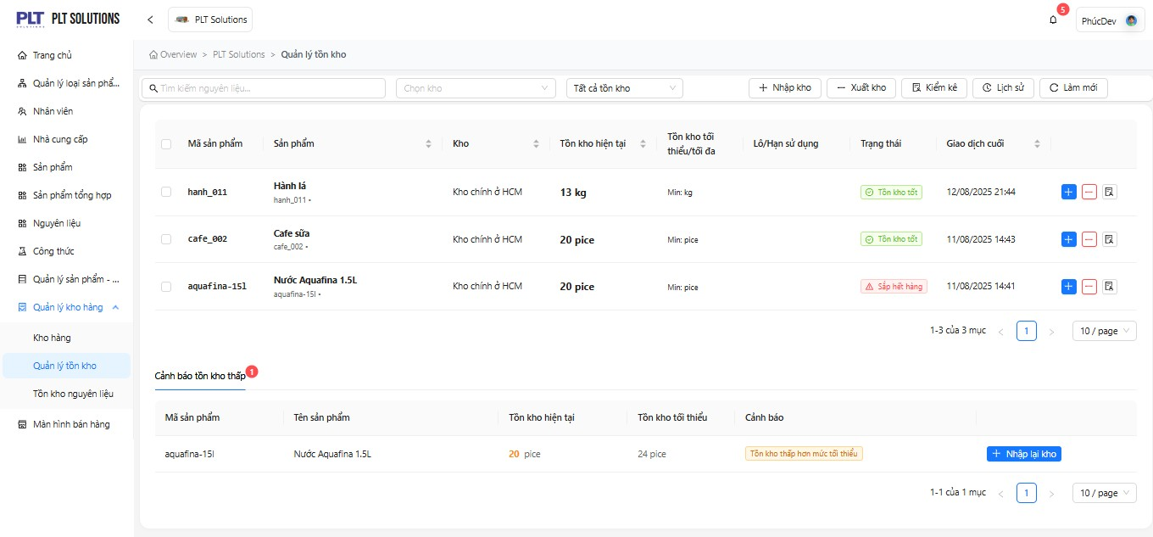

Chức năng Tồn kho nguyên liệu
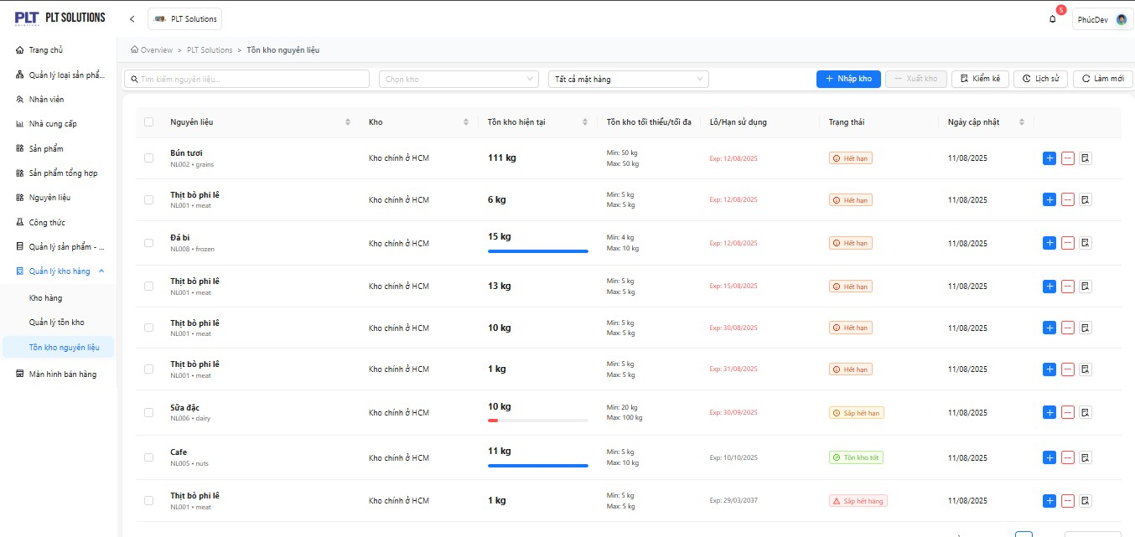
Improvement:
-Allow filtering inventory by supplier.

