Chức năng Quản lý loại sản pẩm
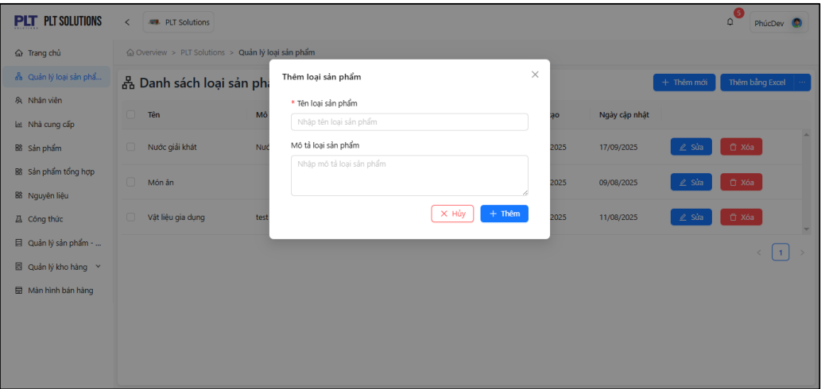
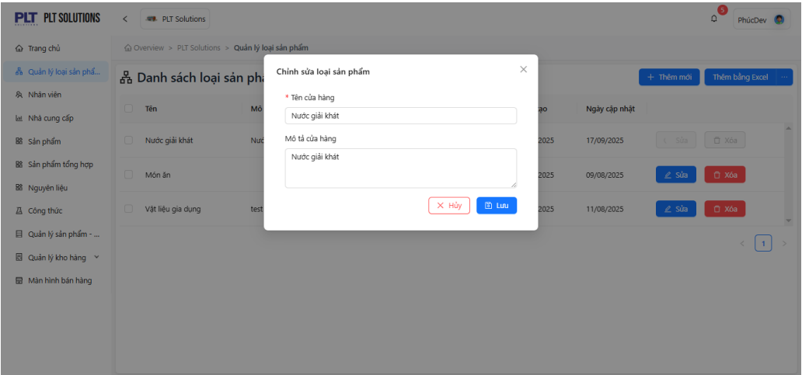
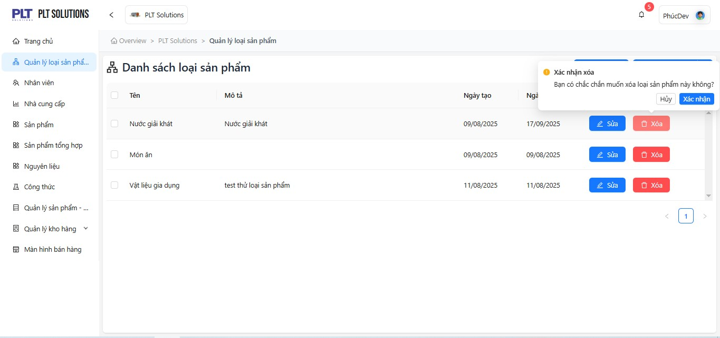
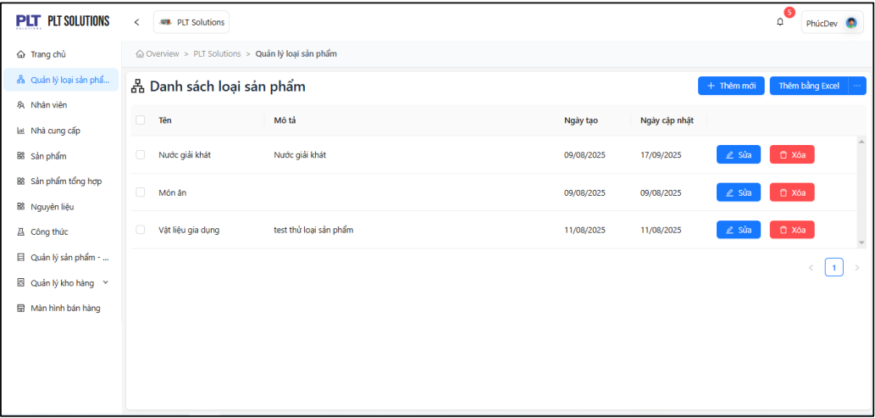
-Purpose: This function allows store management to monitor, update, and manage product categories.
Warehouse management staff can create and modify product categories.
Sales staff can search for product categories or generate invoices based on them.
-User Groups:
+Warehouse Manager: Create, edit, and delete product categories.
+Store Manager: Monitor, update, and manage product category listings.
+Sales Staff: Quickly search for product categories when consulting customers or creating sales invoices.
-Relationships with Other Functions:
+Product Management: Each product must be linked to a specific product category.
+Inventory Management: Inventory reports can be filtered by product category.
+Sales Management: Products can be searched by category to quickly add them to an order.
-Functional Workflow:
+The user (Warehouse Manager or Store Manager) selects the “Product Category Management” menu.
+The system displays the list of existing product categories.
+The user can perform the following actions:
Add a new category: Enter the category name, description, and category code.
Edit an existing product category.
Delete a category (only if it is not linked to any existing product).
The system saves all changes and updates the database.
The system displays a success notification after a valid operation.
+Validation Rules:
If the entered category name already exists → the system displays a warning and requests a new input.
If a category is linked to existing products → deletion is not allowed, and a notification message is shown.
-Constraints:
+Add New "Button": When clicked, the system displays the form to add a new product.
+Add via Excel "Button": When clicked, the system opens a file selection window. The file must be an Excel file with the .xlsx extension.
+Options … "Button": When clicked, two options appear: Export Data (currently unavailable) or Download Template → click to download the Excel template file.
+Product Category List "Table/Grid": Displays information of all existing product categories.
+Edit "Button": Click to open the edit form for the selected product category.
+Delete "Button": Click to open the delete confirmation form for the selected product category.
+Pagination "Pagination": Allows the user to navigate between pages using page number buttons.
+Checkbox field "Checkbox": Used when selecting one or multiple product categories for deletion.
+Product Category Name "Textbox": Enter the product category name. This field is required and accepts uppercase, lowercase, special characters, numbers, and any length.
+Product Category Description "Textarea": Enter the product category description. Accepts uppercase, lowercase, special characters, numbers, and any length.
+Cancel "Button": Click to exit the delete confirmation form.
+Add "Button": When the user enters all required product category information such as category name, click Add to insert it into the list.
+Icon x (close) "Button": Click this icon to close the add/edit product category form.
Confirm "Button": Click Delete to remove the selected product category from the list.

Chức năng Nhân viên
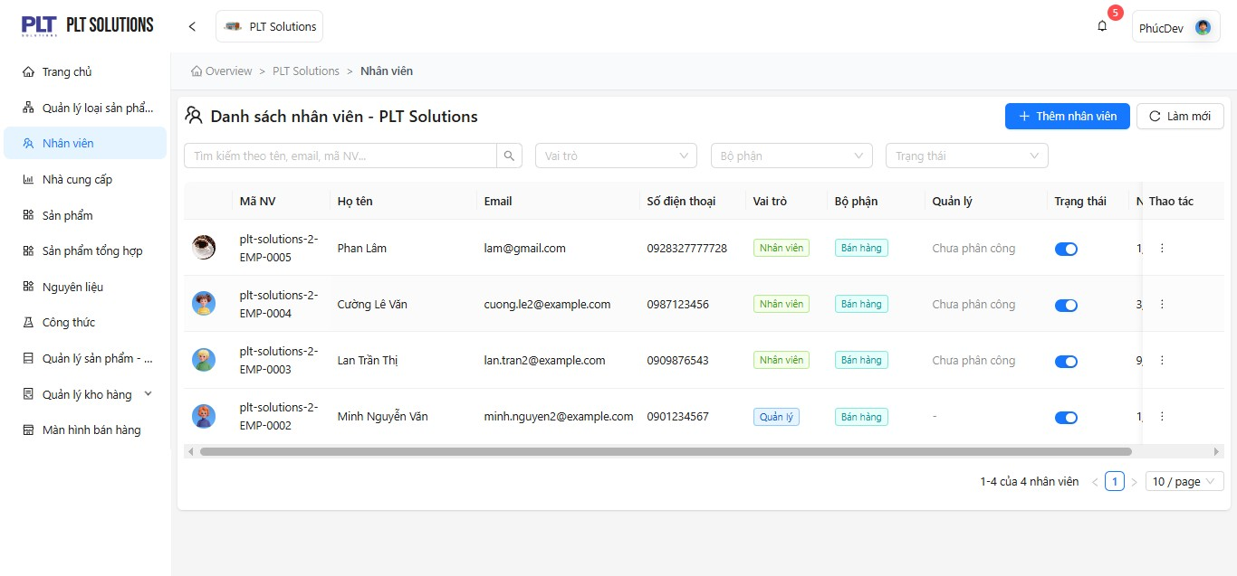
-Purpose: +This function allows the Store Manager to manage all employee information and work shifts, providing a foundation for analyzing employee performance and productivity.
-User Groups:
+Store Manager: Has full administrative privileges to create, assign roles, edit, deactivate, or delete employee accounts.
+Employee: Uses the assigned account to log in and perform operations according to their role permissions (e.g., sales, warehouse management, data entry, etc.).
-Relationships with Other Functions:
+Sales Management: Sales staff use their accounts to create invoices and serve customers.
+Inventory Management: Warehouse staff use their accounts to import, export, and check inventory.
+Reporting and Analytics: Revenue and productivity reports are linked to individual employee accounts.
+Role and Permission Management: Each employee has distinct permissions that determine their allowed operations within the system.
-Functional Workflow:
+The user (Store Manager) selects the “Employee Management” menu.
+The system displays the current list of employees.
+The user can perform the following actions:
-Add a new employee: Enter details such as employee ID, full name, email, phone number, role, position, and employment status.
-Edit employee information: Update employee details when necessary.
-Delete employee: Remove an employee from the system if they no longer work at the store (only if not associated with critical data).
-Search/Filter employees: Search by employee ID, name, status, or role.
+The system saves the data to the database.
+The system displays a success notification upon completion.
+Validation Rules:
-If the entered employee ID already exists → the system displays a warning and requests re-entry.
-If the entered email or phone number is invalid → the system displays an error message and prevents saving.
-If an attempt is made to delete an employee linked to critical data (e.g., sales invoices, warehouse entries) → the system denies the request and displays a warning message.
-Constraints:
+Search by Name, Email, Employee ID… "Textbox": Enter a name, email, or employee ID from the list to search for an employee.
+Role "Dropdown": Select the employee’s role to display the list of employees with the chosen role.
+Department "Dropdown": Select the employee’s department to display the list of employees within that department.
+Status "Dropdown": Select the employee’s status to display the list of employees with the chosen status.
+Actions "Action/Menu": Contains action buttons such as View Details, Edit, and Delete.
+Add Employee "Button": Click to open the form for adding a new employee.
+Refresh "Button": Click to reload and refresh the full employee list.
+Pagination "Pagination": Allows the user to navigate between pages using page number buttons.
+Employee List "Table/Grid": Displays the list of existing employees.
+Upload Image "File Upload": Click to upload the profile image of the employee being added.
+First Name "Textbox": Enter the employee’s first name (2–50 characters, required).
+Last Name "Textbox": Enter the employee’s last name (2–50 characters, required).
+Email "Textbox": Enter a valid email address in the correct format (required).
+Phone Number "Textbox": Enter a valid phone number (10–11 digits, must start with 0).
+Date of Birth "Datepicker": Enter a valid date of birth that cannot be later than the current date.
+Address "Textarea": Enter the address details such as house number, street name, etc.
+Role "Dropdown": Mandatory field — select the employee’s role (Manager, Staff).
+Department "Dropdown": Mandatory field — select the department (Kitchen, Sales, Cashier, Warehouse, Manager).
+Active Status "Toggle/Switch": Toggle to set the employee’s working status as Active / Inactive.
+Create Employee "Button": Click to create a new employee after filling in all required information such as First Name, Last Name, Email, Phone +Number, Date of Birth, and Role.

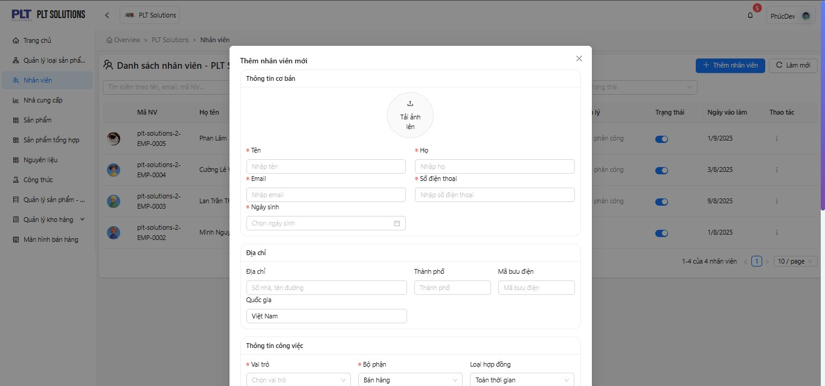
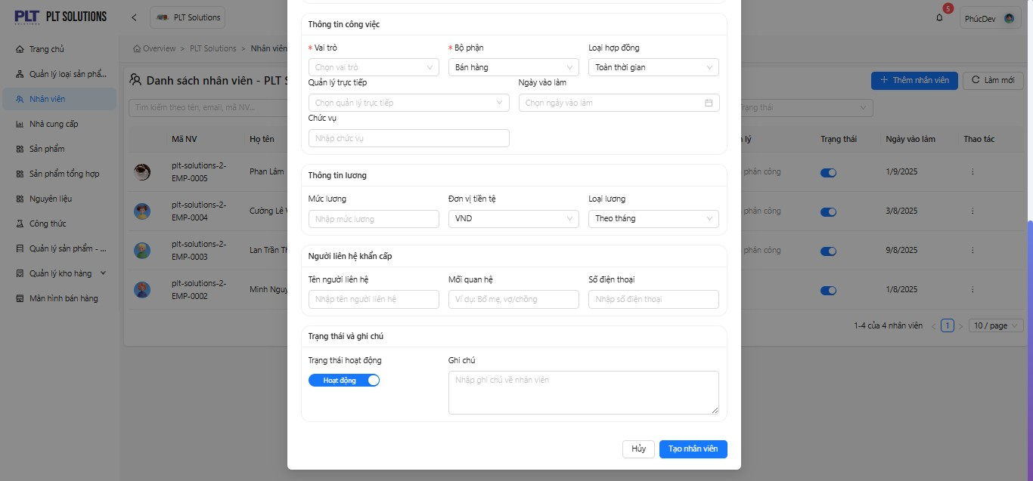

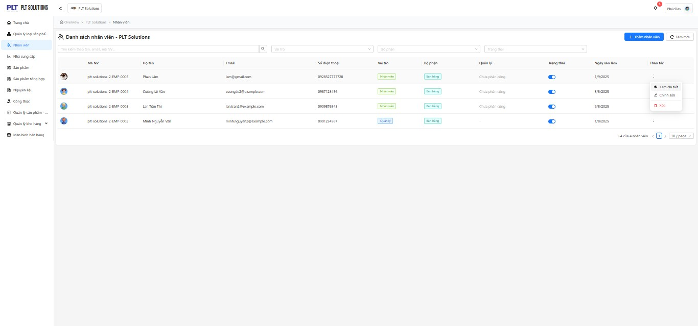
Hình 2.2 Màn h
ình
thêm nhân viên

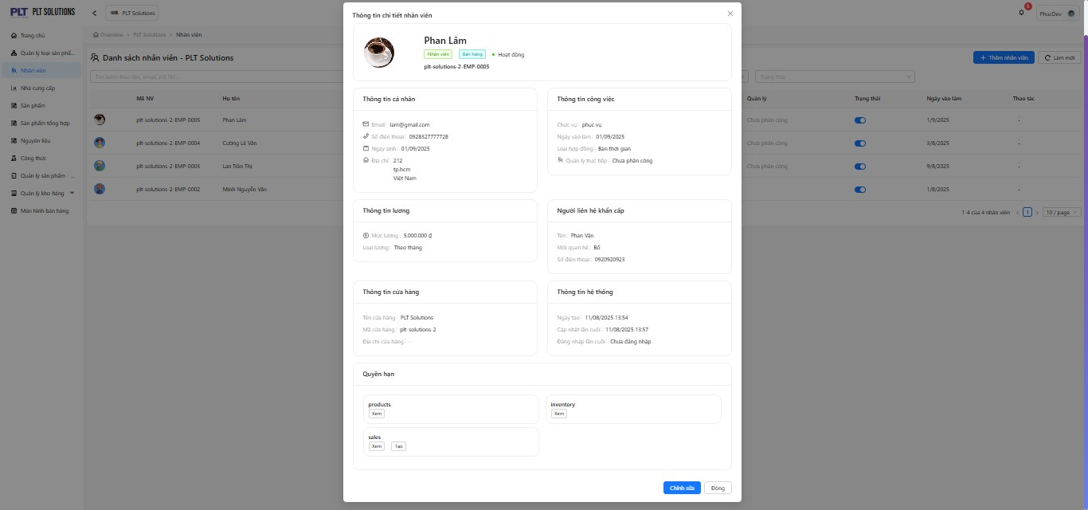

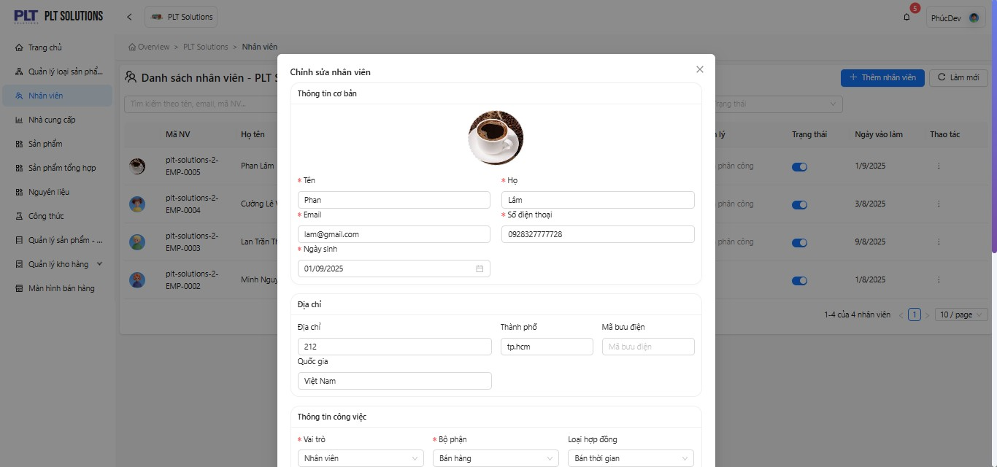
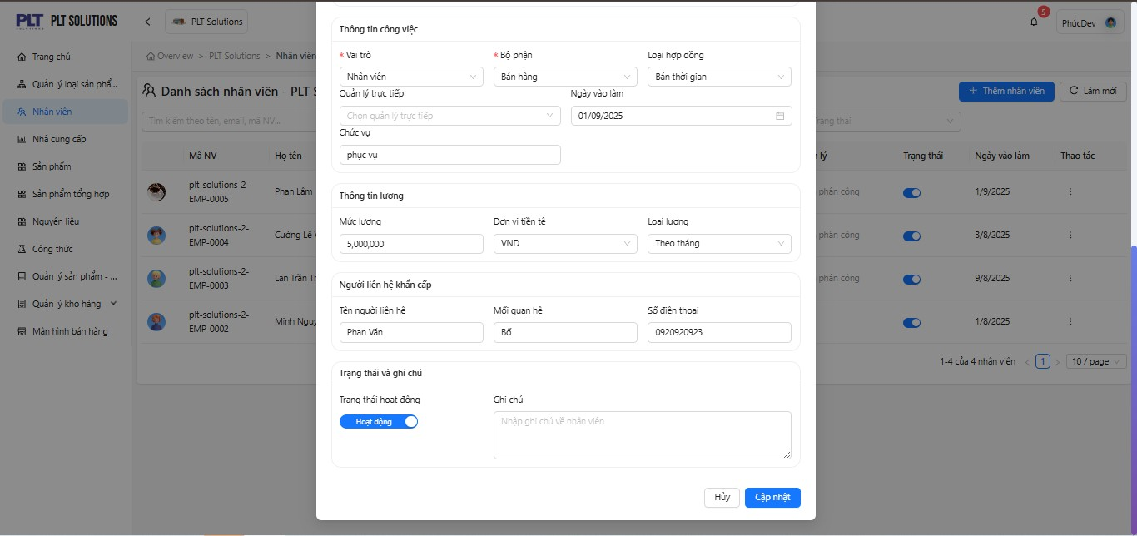

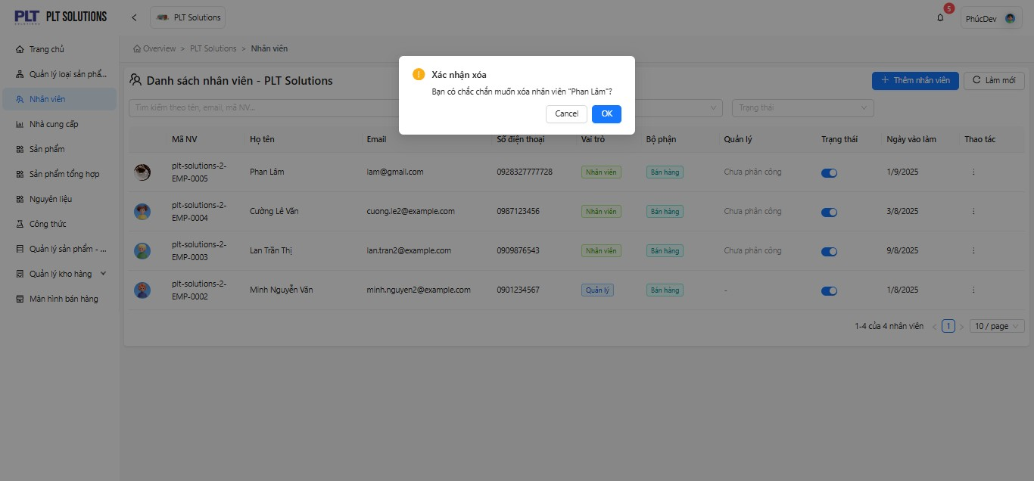
Hình 2.4 Màn hình xoá nhân viên

Chức năng Nhà cung cấp
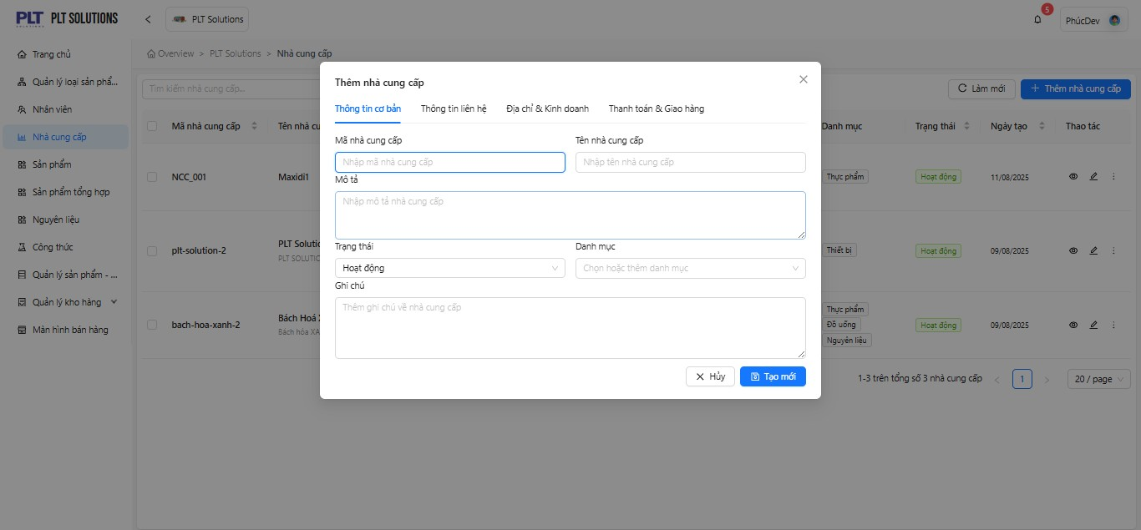
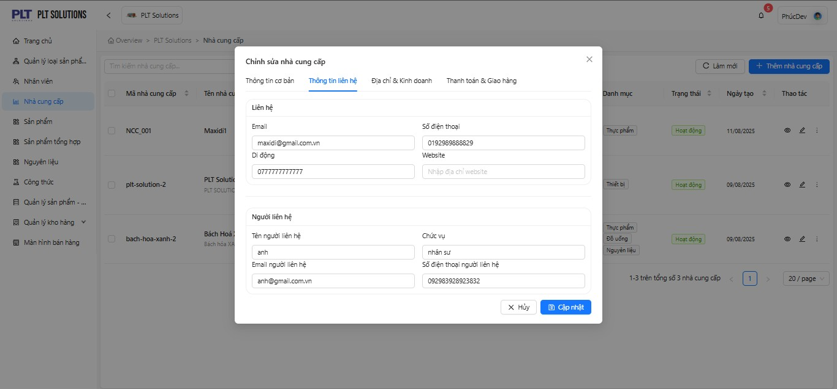
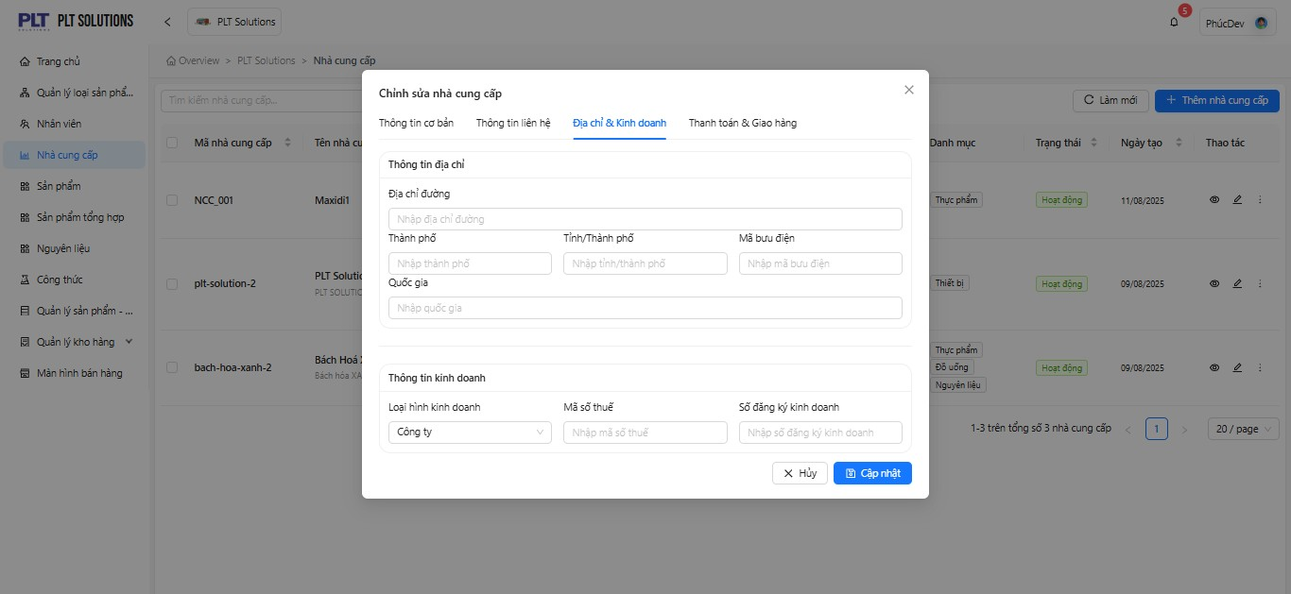
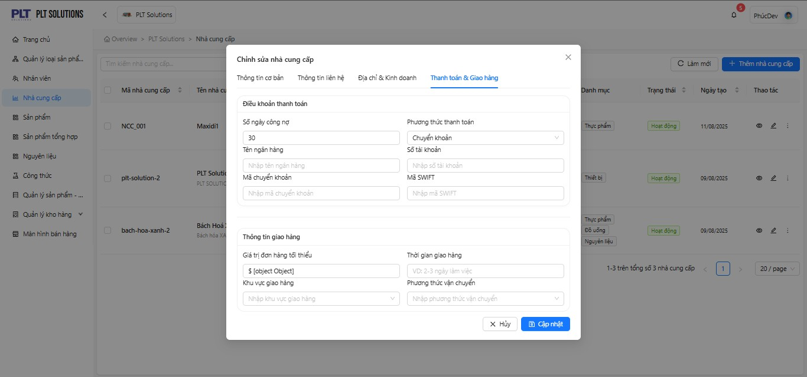

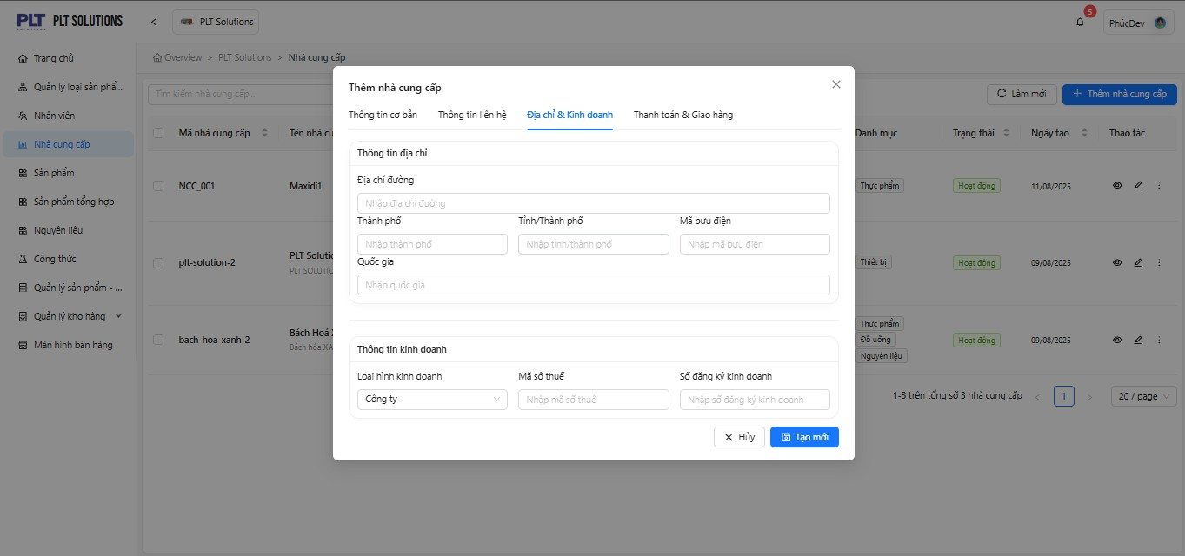
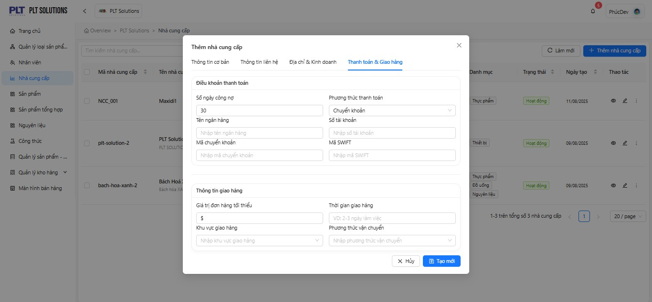
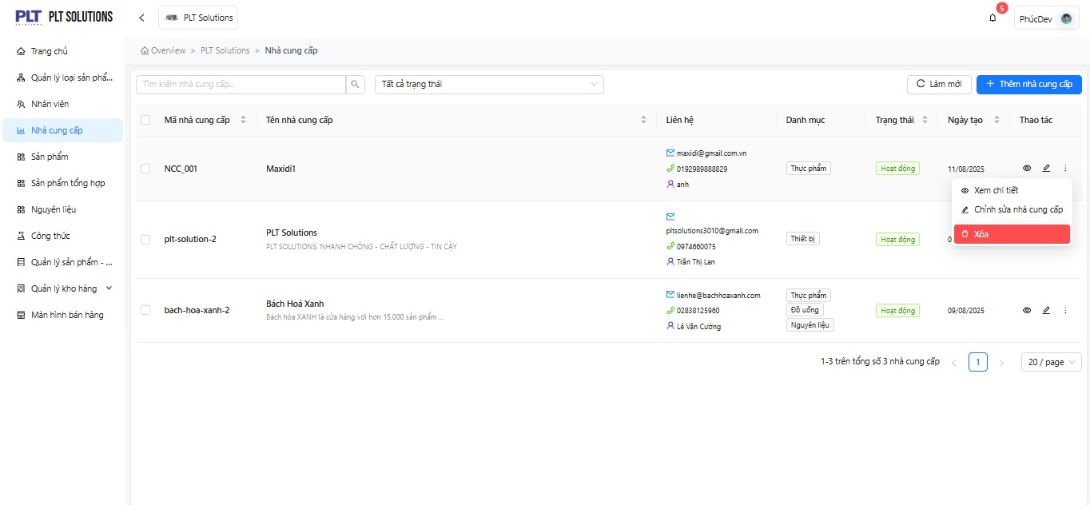
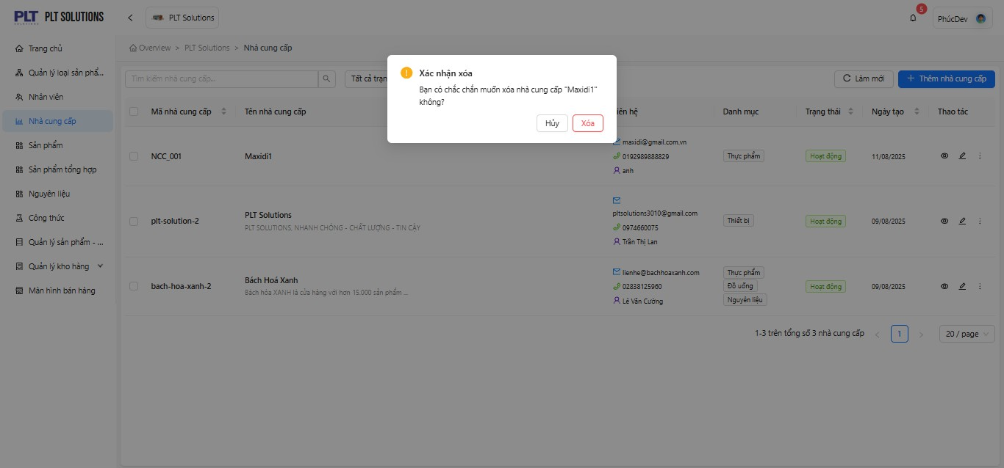
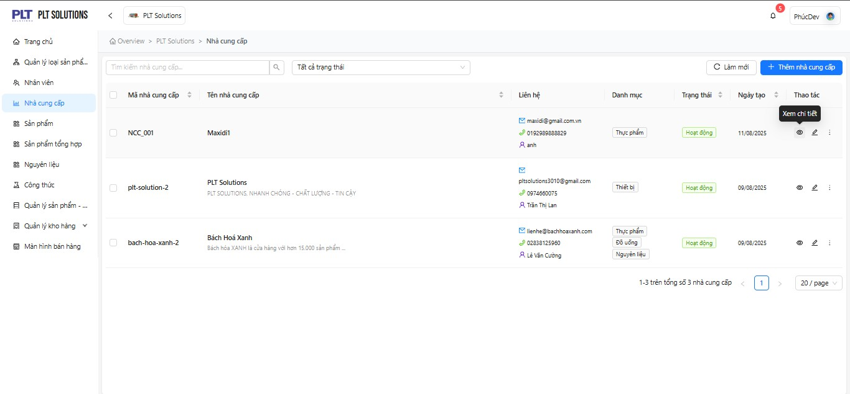
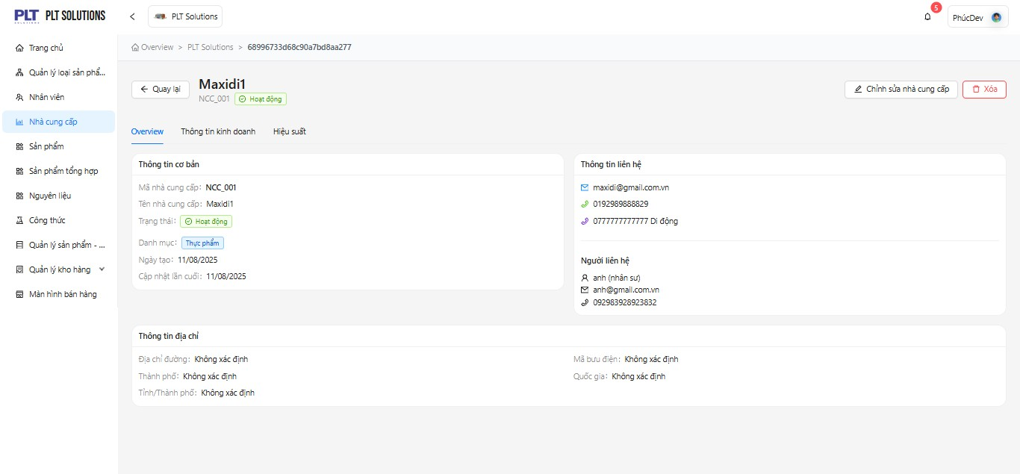
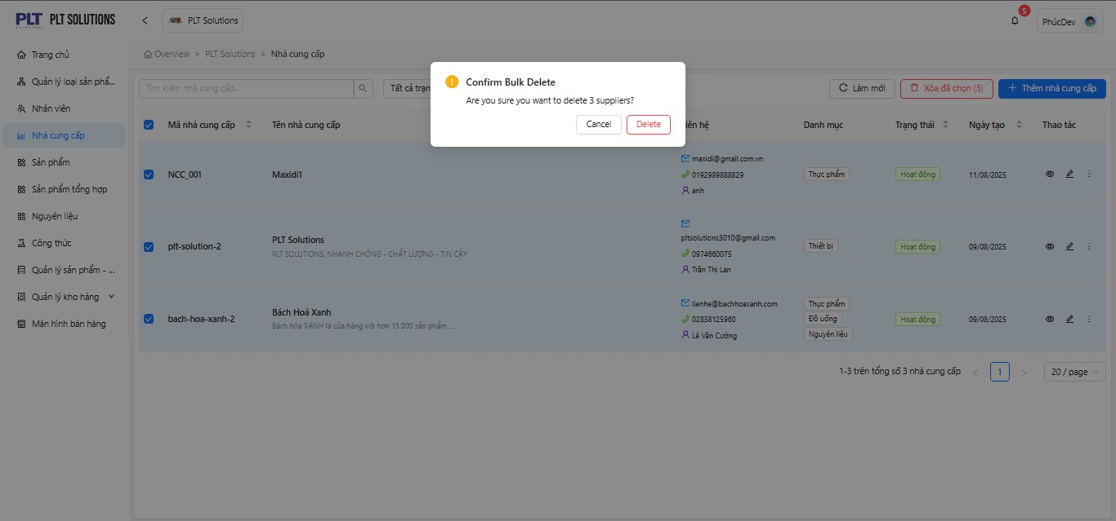
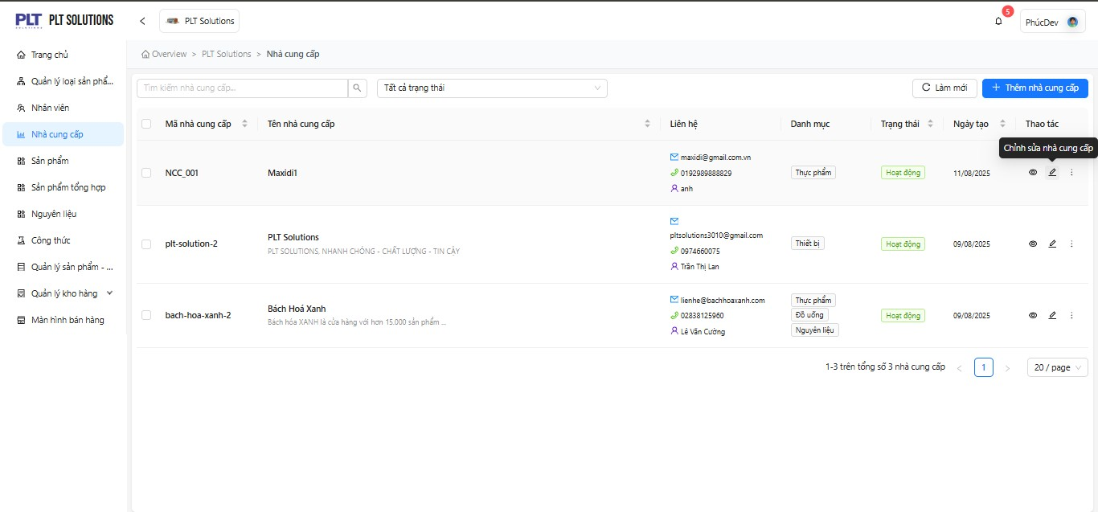
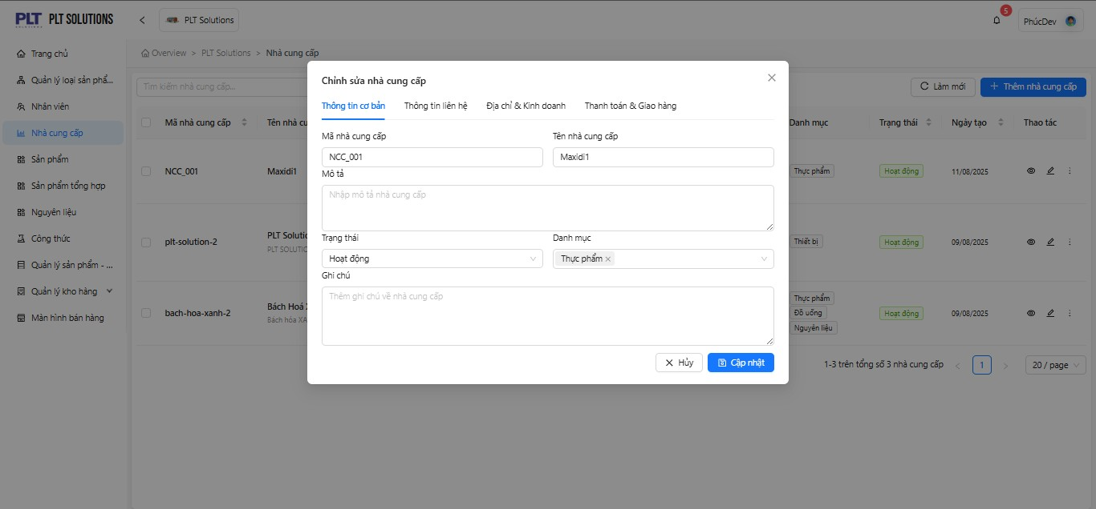
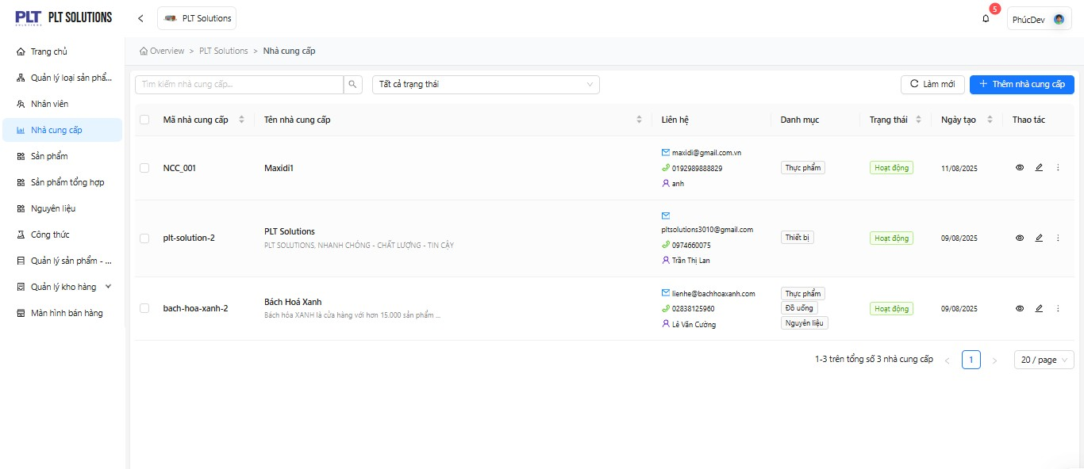

-Purpose: +Manage the list of suppliers: add, edit, delete, and search supplier information. +Store supplier contact details, categorize by supplier type, and manage operational status. +The supplier data is linked with product, warehouse, and reporting modules for consistent data synchronization and performance analysis.
-User Groups:
+Store Manager: Has full administrative privileges to create, assign roles, edit, deactivate, or delete employee accounts.
+Employee: Uses the assigned account to log in and perform operations according to their role permissions (e.g., sales, warehouse management, data entry, etc.).
-Relationships with Other Functions:
+Warehouse Staff: Add or update supplier information during the goods receiving process.
+Store Manager: Review, modify, or deactivate supplier records.
+Purchasing Staff: Use supplier information to place purchase orders and maintain contact.
-Functional Workflow:
+The user selects the “Supplier” menu.
+The system displays the list of existing suppliers.
+The user can perform the following actions:
-Add a new supplier (enter supplier code, name, email, phone number, contact person, category, and status).
-Edit supplier information (e.g., update phone number or change operational status).
-Delete a supplier (only if it is not linked to any product or purchase order).
-Search and filter suppliers by name, status, or category.
+The system saves the data into the database and displays a success notification.
+Validation Rules:
-If the entered supplier code already exists → the system displays a warning message.
-If the supplier is linked to any product or purchase order → the system does not allow deletion and shows a warning message.
-If contact information is invalid (e.g., incorrect email format or invalid phone number) → the system displays a validation error.
-Constraints:
+Search Supplier "Textbox": Search suppliers by code, name, or contact information displayed in the list.
+All Statuses "Dropdown": Select the supplier status to filter the list (All, Active, Inactive, Pending Approval, Blacklist).
+Refresh "Button": Click to reload the supplier list.
+Add Supplier "Button": Click to open the form for adding a new supplier.
+Supplier List "Table/Grid": Displays all suppliers registered in the store.
+View Details "Button": Click to open detailed information of the selected supplier.
+Edit Supplier "Button": Click to open the edit form for updating the selected supplier’s information.
+Supplier Code "Textbox": Required field, must contain at least 2 characters and not exceed 50 characters.
+Supplier Name "Textbox": Required field, must contain at least 2 characters and not exceed 200 characters.
+Email "Textbox": Enter a valid contact email address.
+Phone Number "Textbox": Enter a valid phone number (10–11 digits).
+Status "Dropdown": Select the supplier’s status (Active, Inactive, Pending Approval, Blacklist).
+Cancel "Button": Click to exit the Add Supplier form.
+Create New "Button": Click to add a new supplier after filling in all required information.

Chức năng Sản phẩm
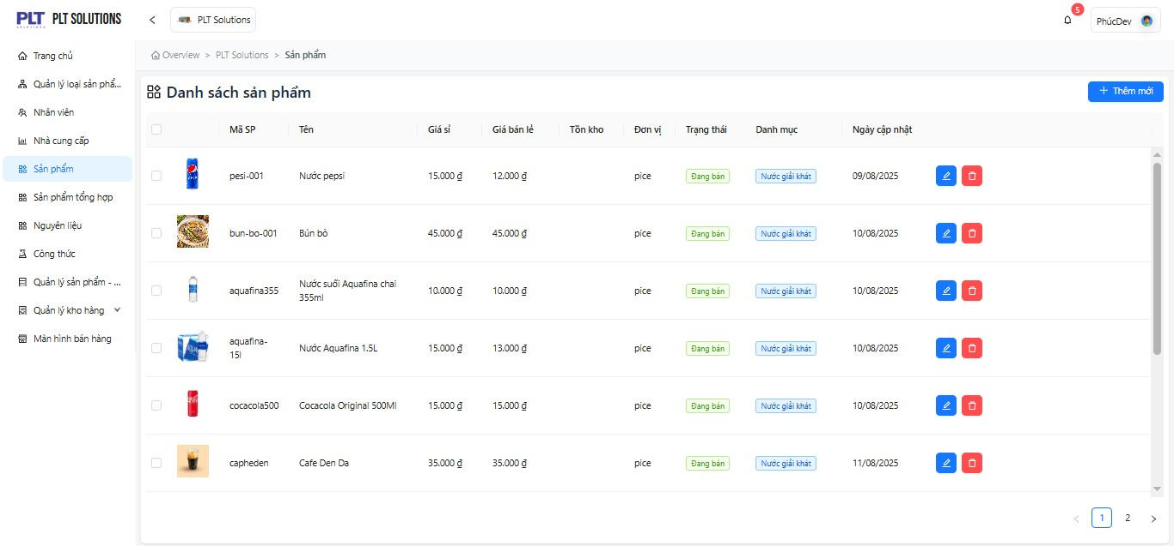
-Purpose:
+Manage the entire product catalog of the store/business. +Allows users to add, edit, and delete products. +Tracks detailed product information, enabling fast and accurate product management to support sales operations and inventory control.
-User Groups:
+Store Manager: Manage product categories, retail prices, and business status.
+Sales Staff: Monitor in-stock and out-of-stock products to assist customers.
+Warehouse Staff: Track inventory quantities to restock and prevent shortages.
+Accountant: Monitor retail and wholesale prices for revenue reconciliation and reporting.
-Relationships with Other Functions:
+Linked with Materials & Recipes: Products can be composed of specific materials or ingredients.
+Linked with Warehouse & Inventory: Tracks remaining quantities and supports out-of-stock alerts.
+Linked with POS (Point of Sale) Screen: Displays products when selected by sales staff during transactions.
+Linked with Product Categories: Classifies products into groups such as Beverages, Dishes, Household Items, etc.
-Functional Workflow:
+The user accesses the Product Management module.. +The system displays a list of existing Product, including the following fields: Product Code, Name, Retail Price, Inventory Quantity, Unit, Status, Category, and Last Updated Date
+The user can perform the following actions:
-Add a new product – Enter product details: Product Code, Name, Retail Price, Inventory Quantity, Unit, Status, Category, and Last Updated Date.
-Update a product – modify details such as Name, Retail Price, Inventory Quantity, Unit, Status, Category, and Last Updated Date.
-Delete a product that is no longer being sold.
-Search and filter products by Product Code, Name, or Category.
+The system stores or updates product information in the database and displays a success notification upon completion.
-Constraints:
+Product List "Table/List": Displays the list of products available in the store.
+Add New "Button": Click to open the form for entering new product information.
+Delete "Button": Click to display the delete confirmation message for the selected product.
+Edit "Button": Click to open the edit form for updating product information.
+Pagination "Navigation": Used to navigate between data pages.
+Product Name "Textbox": Enter the product name (required field).
+Product Code "Textbox": Enter the product code; it is automatically generated when adding a new product and must be unique.
+Unit "Dropdown": Select the product unit, such as Piece, Kilogram, Liter.
+Status "Dropdown": Select the product status, such as Available, Discontinued, In Stock, Out of Stock, etc.
+Retail Price "Number Input": Enter the retail price of the product (numeric input only).
+Product Description "Textarea": Enter the product description (no character limit).
+Image Upload "File Upload": Allows the user to upload an image file in one of the following formats: .jpg / .jpeg / .png / .gif / .bmp / .webp.

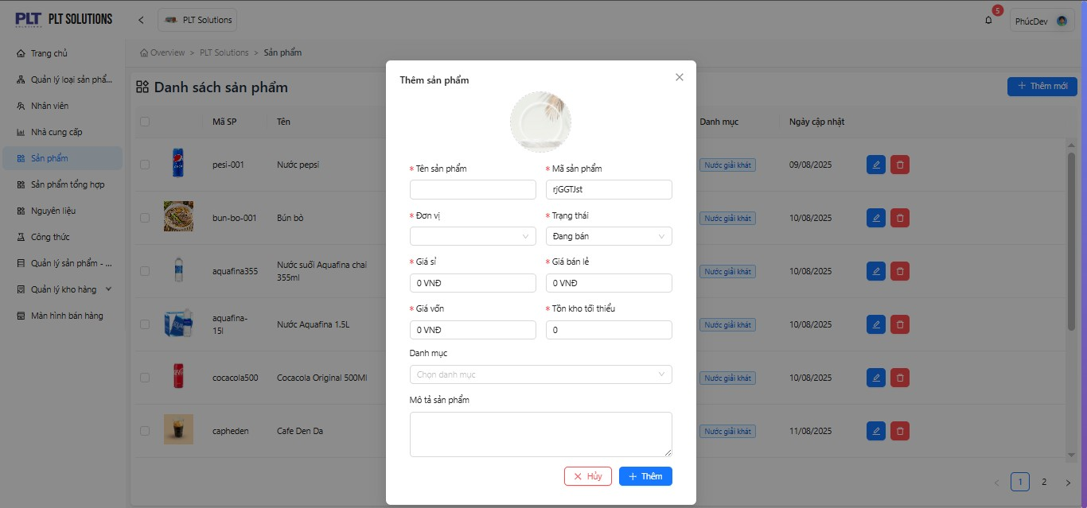
Hình
4
.2
Màn hình
thêm s
ả
n ph
ẩ
m

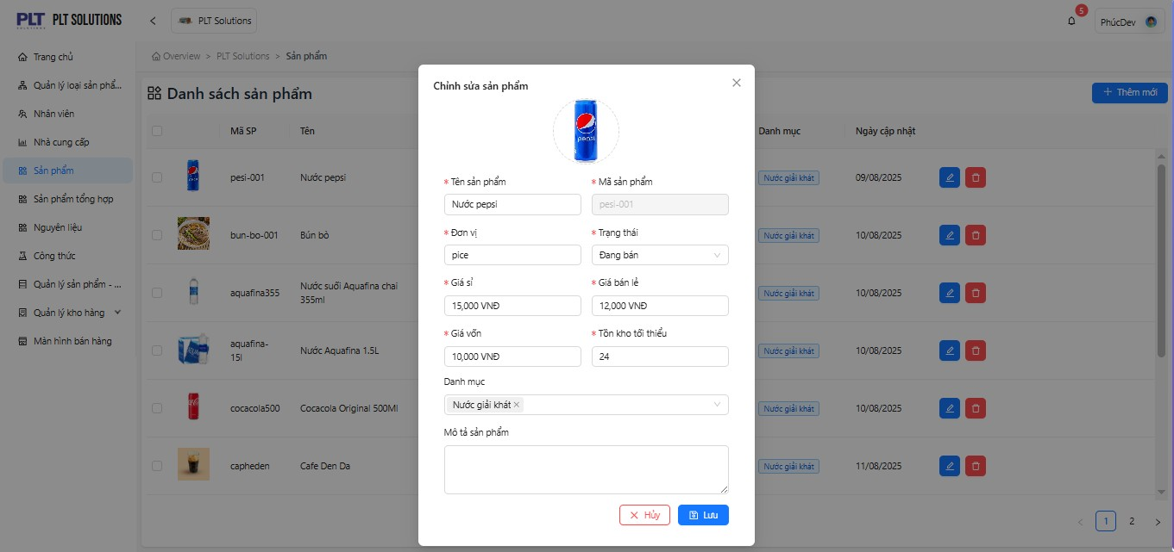
Hình
4
.3
Màn hình
ch
ỉ
nh s
ử
a s
ả
n ph
ẩ
m

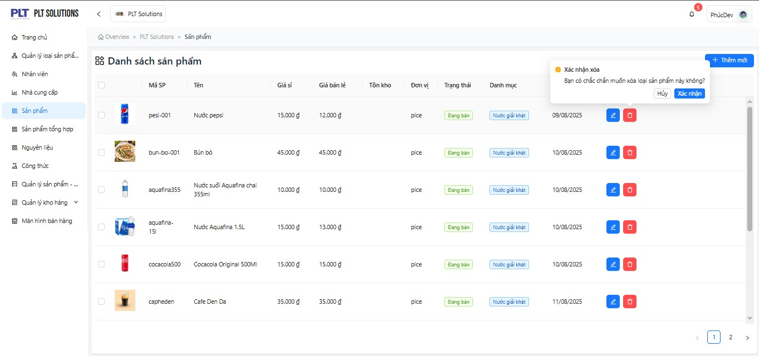
Hình
4
.4
Màn hình
xoá s
ả
n ph
ẩ
m

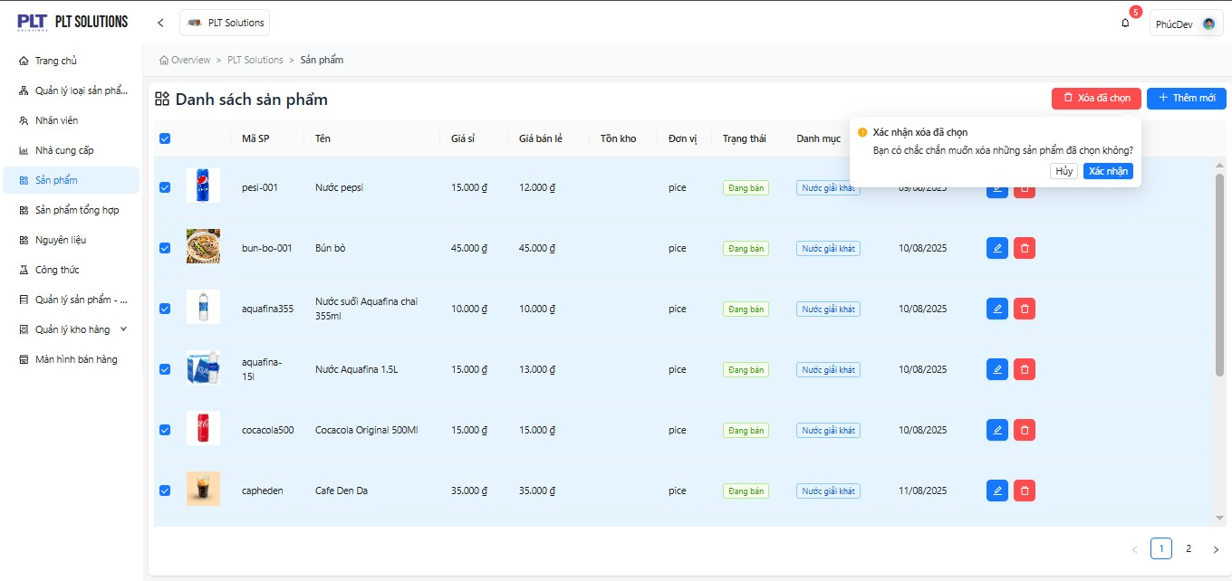
Hình 4.5 Màn hình
xoá đ
ồ
ng lo
ạ
t s
ả
n ph
ẩ
m

