Screen Layout (DISPLAY)
Screen Layout |  |  |  |  |  |  |  |  |  |  |  |  |  |  |  |  |  |  |  |  |  |  |  |  |  |  |  |  |  |  |  |  |  |  |  |  |  |  |  |  |  |  |  |  |  |  |  |  |  |  |  | Created by: NhiNTY, HaVT, DiemTTB |  |  |  |  | Created date: 14/10/2024
Function ID |  |  |  |  |  |  | ZMM01 |  |  |  |  |  |  |  |  |  |  |  |  |  |  | Material Master Data Management |  |  |  |  |  |  |  |  |  |  |  |  |  |  |  |  |  |  |  |  |  |  |  |  |  |  |  |  |  | Modified by: |  |  |  |  | Modified date:
 |  |  |  |  |  |  |  |  |  |  |  |  |  |  |  |  |  |  |  |  |  |  |  |  |  |  |  |  |  |  |  |  |  |  |  |  |  |  |  |  |  |  |  |  |  |  |  |  |  |  |  | Reviewed by: |  |  |  |  | Reviewed date:
Screen
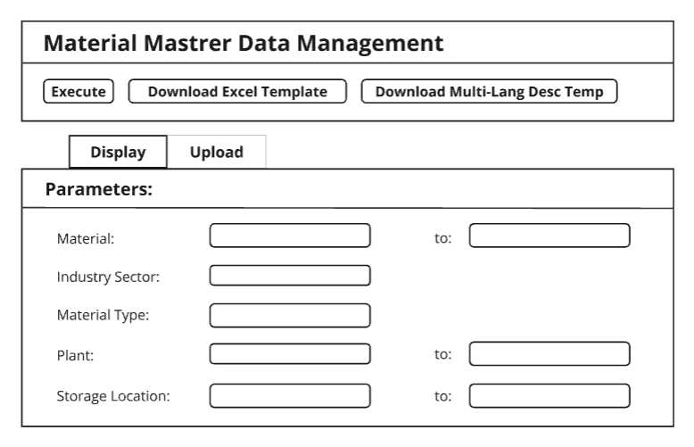
 | - Selection Screen:

 | - Intermediate screen: "Display ALV"

 | Edit | Mark Delete |  | Unmark
 | Display Materials

 | Status | Flag Material for Deletion |  | Material number | Industry sector | Material type | Plant | Storage Location | Material Description | Base unit of measure | Material Group | General item category group | Size /dimensions | Unit Weight | Gross Weight | Net weight | Language Key | Class Type | Class | Sales Org | Distribution Channel | Division | Sales Unit | Delivery Plant | Cash Discount | Min.order qty | Min. dely qty | Delivery unit | Availability Check | Purchasing Group | Order Unit | Batch Management | Planned Delivery time | Purchasing value key | GR Processing Time | Source List Indicator | Post to Insp.Stock | Unit of issue | Storage conditions | Container requirements | Temp. Conditions | Max. Storage Period | Time Unit | Min rem shelf life | Period Ind.SLED | Price Determine | Valuation Area | Valuation Class | Valuation Category | Valuation Type | Price Control | Price Unit | Moving Price/Per. Unit Price | Standard Price | Future Price | Valid From

 | Edit Material

 | ATT1 | ATT2 | ATT3 | ATT4 | ATT5 | ATT6 | ATT7 | ATT8 | ATT9 | ATT10 | ATT11 | ATT12 | ATT13 | ATT14 | ATT15 | ATT16 | ATT17 | ATT18 | ATT19 | ATT20 | ATT21 | ATT22 | ATT23 | ATT24 | ATT25 | ATT26

Supplement

Screen Layout ( UPLOAD)
Screen Layout |  |  |  |  |  |  |  |  |  |  |  |  |  |  |  |  |  |  |  |  |  |  |  |  |  |  |  |  |  |  |  |  |  |  |  |  |  |  |  |  |  |  |  |  |  |  |  |  |  |  |  | Created by: NhiNTY, HaVT, DiemTTB | Created date: 14/10/2024
Function ID |  |  |  |  |  | ZMM01 |  |  |  |  |  |  |  |  |  |  |  |  |  |  |  |  | Material Management |  |  |  |  |  |  |  |  |  |  |  |  |  |  |  |  |  |  |  |  |  |  |  |  |  |  |  |  | Modified by: | Modified date:
 |  |  |  |  |  |  |  |  |  |  |  |  |  |  |  |  |  |  |  |  |  |  |  |  |  |  |  |  |  |  |  |  |  |  |  |  |  |  |  |  |  |  |  |  |  |  |  |  |  |  |  | Reviewed by: | Reviewed date:
Screen
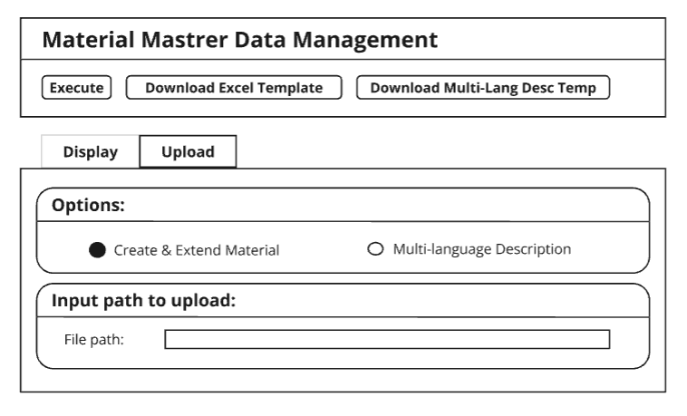
 | - Selection Screen:

- Intermediate screen: " Upload Screen"

 |  | Extend Material | Valuation Type
 | Create Material

 | Status | Message | Material number | Industry sector | Material type | Plant | Storage Location | Material Description | Base unit of measure | Material Group | General item category group | Size /dimensions | Unit Weight | Gross Weight | Net weight | Language Key | Class Type | Class | Sales Org | Distribution Channel | Division | Sales Unit | Delivery Plant | Cash Discount | Min.order qty | Min. dely qty | Delivery unit | Availability Check | Purchasing Group | Order Unit | Batch Management | Planned Delivery time | Purchasing value key | GR Processing Time | Source List Indicator | Post to Insp.Stock | Unit of issue | Storage conditions | Container requirements | Temp. Conditions | Max. Storage Period | Time Unit | Min rem shelf life | Period Ind.SLED | Price Determine | Valuation Area | Valuation Class | Valuation Category | Price Control | Price Unit | Moving Price/Per. Unit Price

 | ooo

 | Create Material

 | ATT1 | ATT2 | ATT3 | ATT4 | ATT5 | ATT6 | ATT7 | ATT8 | ATT9 | ATT10 | ATT11 | ATT12 | ATT13 | ATT14 | ATT15 | ATT16 | ATT17 | ATT18 | ATT19 | ATT20 | ATT21 | ATT22 | ATT23 | ATT24 | ATT25 | ATT26 | Extend

Supplement

Screen Layout (LANGUAGE)
Screen Layout |  |  |  |  |  |  |  | Created by: NhiNTY, HaVT, DiemTTB | Created date: 14/10/2024
Function ID |  |  |  | ZMM01 |  |  | Material Management | Modified by: | Modified date:
 |  |  |  |  |  |  |  | Reviewed by: | Reviewed date:
Screen
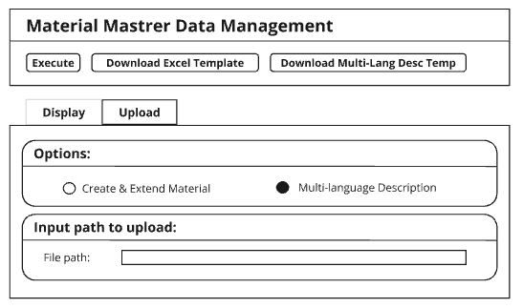
 | - Selection Screen:

- Intermediate screen: " Upload Screen"

 | Create Material

 | Status | Message | Material number | Language | Material Description | Material Description in Uppercase for Matchcodes

 | ooo

Supplement

Function Flow
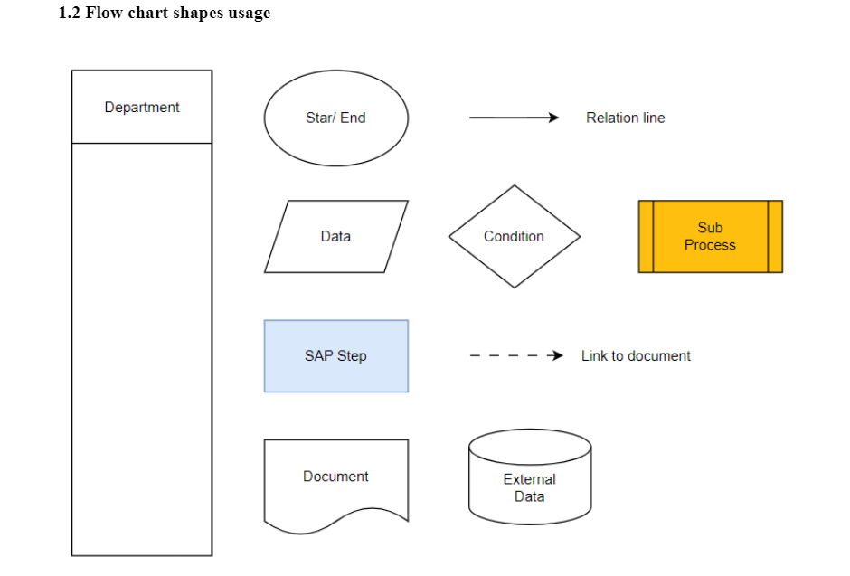
Function Flow |  |  |  | Created by: NhiNTY, HaVT, DiemTTB | Created date: 14/10/2024
Function ID | ZMM01 | Function Name | Material Master Data Management | Modified by: | Modified date:
 |  |  |  | Reviewed by: | Reviewed date:
Screen Flow
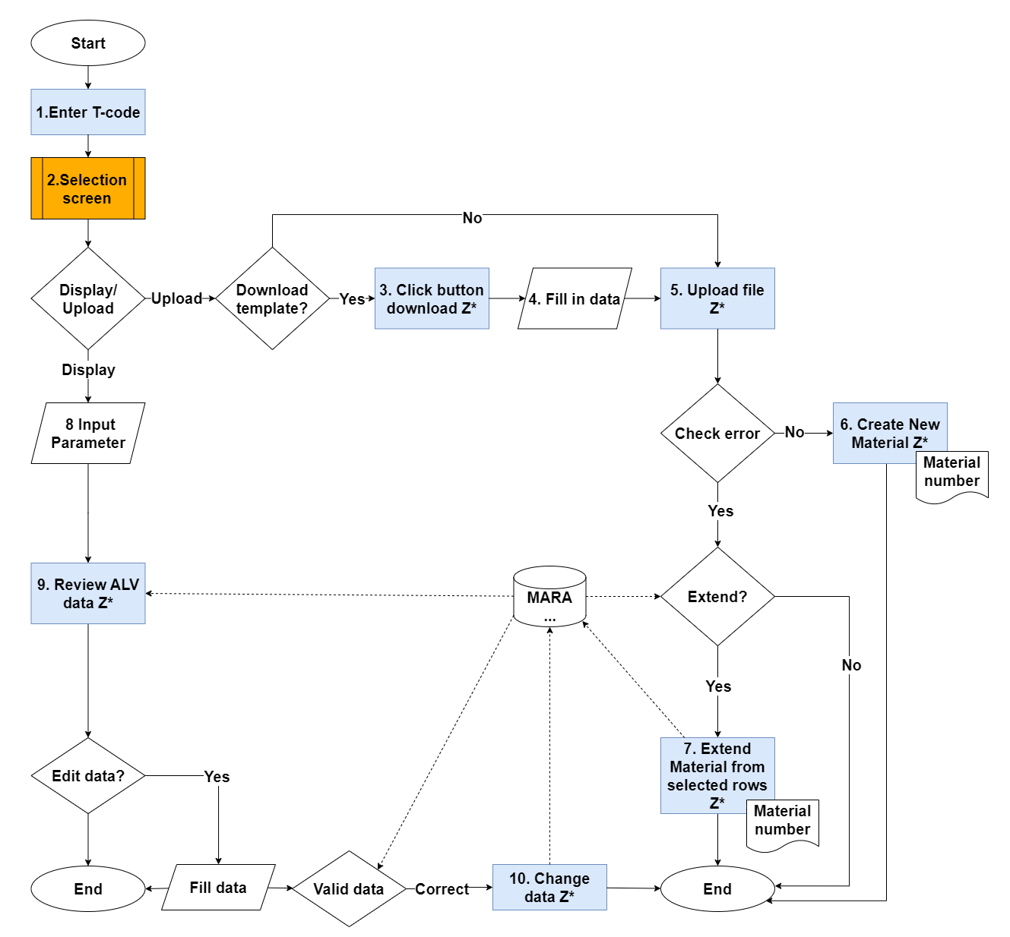

Supplement

