Test case 1
 |  |  |  | TEST CASE: DOWNLOAD TEMPLATE

Test Name | Test ID | Tcode | Process Test |  | Test Data | Expected Result | Actual Result | Created/Updated by | Created date | Reviewed by | Error Details | Reviewed Date
Download Excel Template | UF01 | ZMM01 | 1. Log into SAP system. |  | Tcode: ZMM01 | The system displays message " Download template successfully" after clicking "Save" button. | Ok | NhiNTY | 2024-11-29
 |  |  | 2. Launch Tcode
 |  |  | 3. Select "Upload" button.
 |  |  | 4. Select "Download Excel Template" button.
 |  |  | 5. Click "Save" to store the downloaded file locally.
Upload Excel Template | UF02 |  | 1. Log into SAP system. |  | Tcode: ZMM01 | The system displays message "n Items displayed" after clicking "Execute/F8" button. | Ok | NhiNTY | 2024-11-29
 |  |  | 2. Launch Tcode
 |  |  | 3. Select "Upload" button.
 |  |  | 4. Choose "Upload File".
 |  |  | 5. Click "Execute/F8".
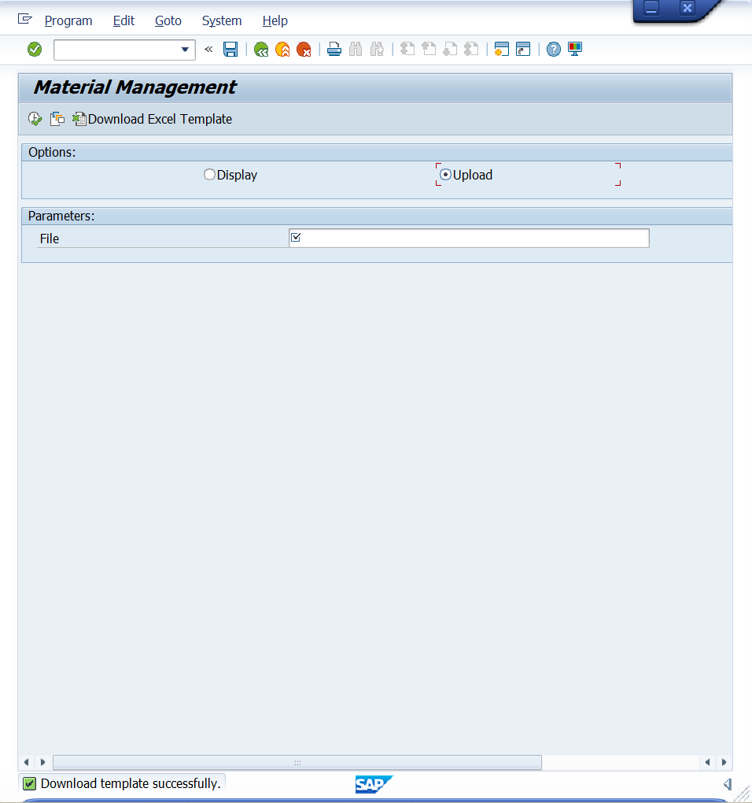
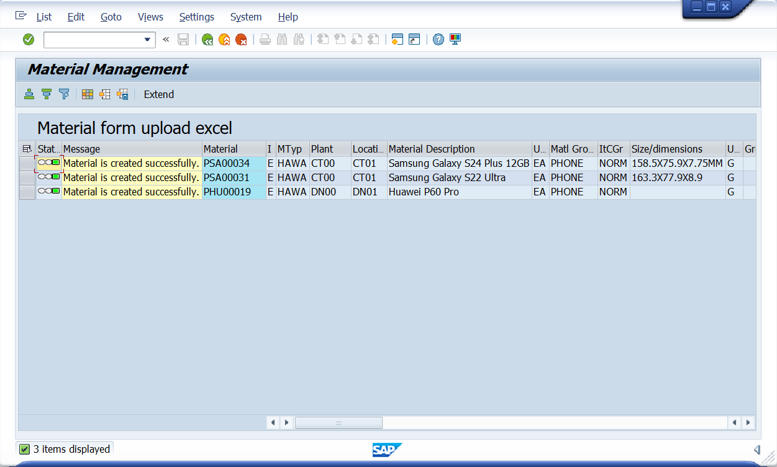
Result Image

Test case 3
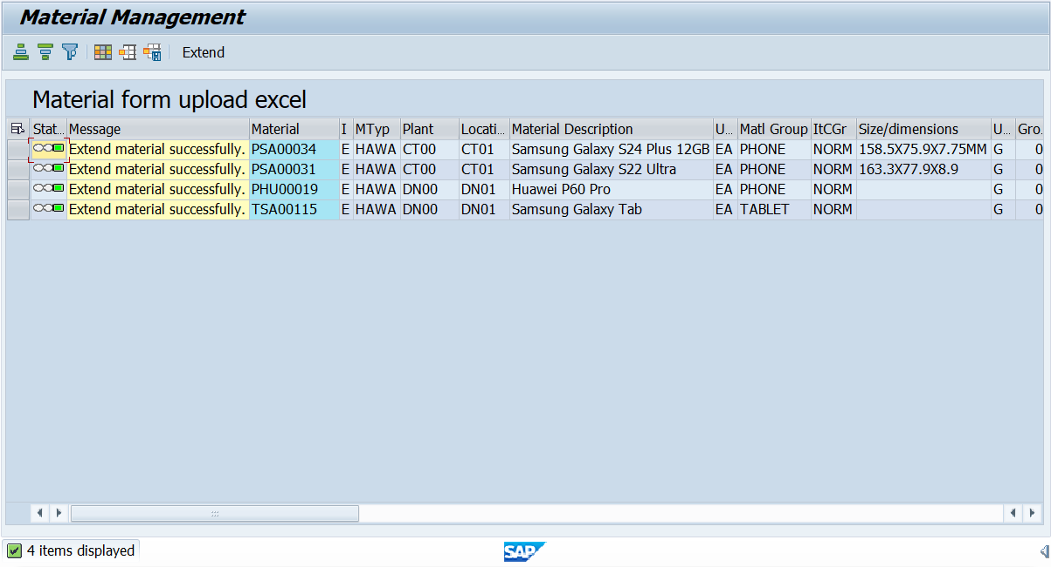
 |  |  |  | TEST CASE: MATERIAL EXISTS - EXTEND TICKED

Test Name | Test ID | Tcode | Process Test |  | Test Data | Expected Result | Actual Result | Created/Updated by | Created date | Reviewed by | Error Details | Reviewed Date
Extend Material | UF01 |  | 1. Log into SAP. |  | Tcode: ZMM01 | Display Selection | Ok | NhiNTY | 2024-11-29
 |  |  | 2. Launch Tcode.
 |  |  | 3. "Enter Transaction".
 | UF02 | ZMM01 | 1. Select “Upload” button. |  |  | The system displays message " Download template successfully" after clicking "Save" button | Ok
 |  |  | 2. Select “Download Excel Template” button.
 |  |  | 3. Click "Save" to store the downloaded file locally

 | UF03 |  | 1. Select "Upload File" button. |  | Excel Template's Details | The system displays message "Extend material successfully" the status column is green, after clicking "Execute/F8" button. | Ok | NhiNTY | 2024-11-29
 |  |  | 2. Upload the Excel template file to the system with valid values. |  | Create Material
 |  |  |  |  | Material number: PSA00034
 |  |  | 3. Choose Excel file format (.xls or .xlsx) with full material information pre-filled in computer with valid format. Excel file containing Material Number has column ticked extend, duplicate material, not duplicate plant. |  | - Industry sector: E
 |  |  |  |  | - Material type: HAWA
 |  |  |  |  | Organization Levels
 |  |  |  |  | - Plant: CT00
 |  |  |  |  | - Storage location: CT01
 |  |  | 4. Click "Execute/F8" button. |  | Basic data
 |  |  |  |  | - Material Description: Samsung Galaxy S24 Plus 12GB
 |  |  |  |  | - Base unit of measure: Ea
 |  |  |  |  | - Material Group: PHONE
 |  |  |  |  | - General item category group: NORM
 |  |  |  |  | - Size /dimensions: 158.5 x 75.9 x 7.75 mm
 |  |  |  |  | - Unit Weight: G
 |  |  |  |  | - Language Key: EN
 |  |  |  |  | Classification
 |  |  |  |  | - Class Type: 023
 |  |  |  |  | - Class: Z_TECH_BATCH
 |  |  |  |  | Sales Organization
 |  |  |  |  | - Sales Org: FU24
 |  |  |  |  | - Distribution Channel: FU
 |  |  |  |  | Purchasing
 |  |  |  |  | - Purchasing Group: F00
 |  |  |  |  | - Batch Management: X
 |  |  |  |  | Accouting
 |  |  |  |  | - Price determine : 2
 |  |  |  |  | - Valuation Area: CT00
 |  |  |  |  | - Valuation class: 3100
 |  |  |  |  | - Price control: V
 |  |  |  |  | - Price unit: 1
 |  |  |  |  | - Moving Price/Per.Unit Price: 3290000
 |  |  |  |  | Aditional Fields
 |  |  |  |  | - Attribute 1: MediaTek Helio G99
 |  |  |  |  | - Attribute 2: 800 x 1340 pixels
 |  |  |  |  | - Attribute 3:TFT LCD
 |  |  |  |  | Tax Classification
 |  |  |  |  | - Departure Ctry/Reg: US
 |  |  |  |  | - Tax Category 1: UTXJ
 |  |  |  |  | - Tax classification 1: 0
 |  |  |  |  | - Tax Category 2: UTX2
 |  |  |  |  | - Tax classification 2: 0
 |  |  |  |  | - Tax Category 3: UTX3
 |  |  |  |  | - Tax classification 3: 0
 |  |  |  |  | - Departure Ctry/Reg.: VN
 |  |  |  |  | - Tax Category 1: MWST
 |  |  |  |  | - Tax classification 1: 1
 |  |  |  |  | - Tax Category 2: ZMW4
 |  |  |  |  | - Tax classification 2: 0
 |  |  |  |  | Extend: Tick/True

Result Image

Test case 4
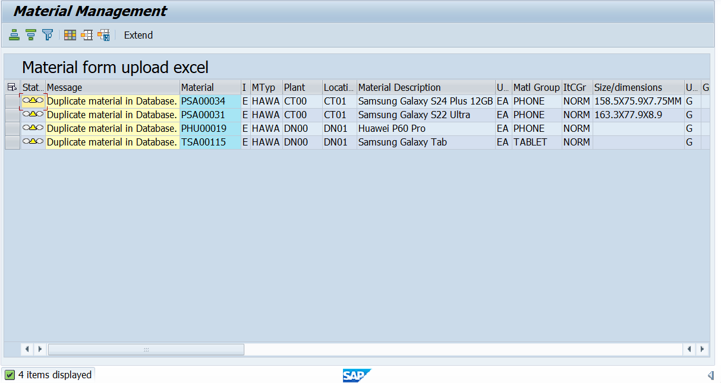
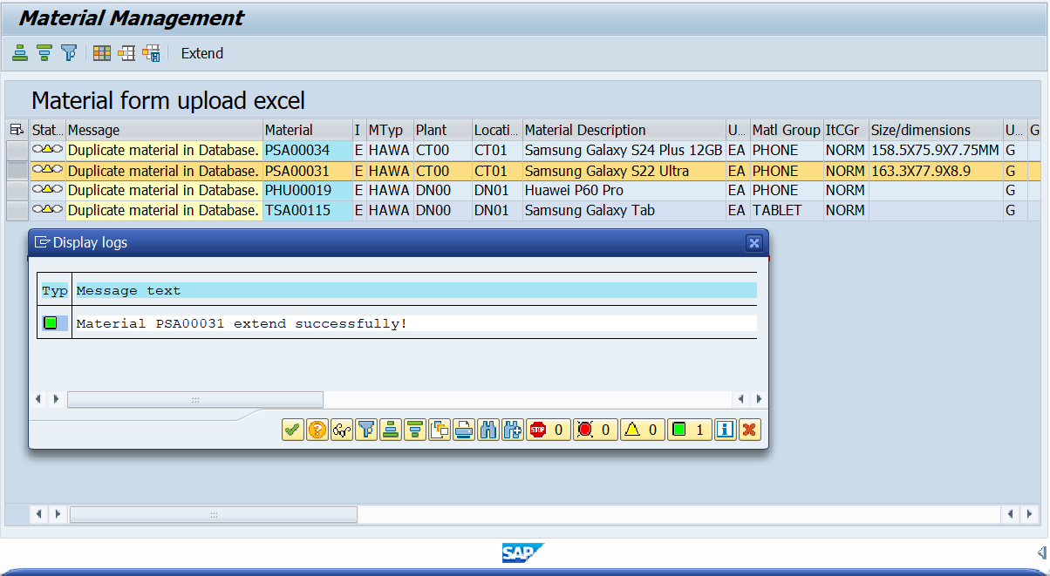
 |  |  |  | TEST CASE: MATERIAL EXISTS - EXTEND NOT TICKED

Test Name | Test ID | Tcode | Process Test |  | Test Data | Expected Result | Actual Result | Created/Updated by | Created date | Reviewed by | Error Details | Reviewed Date
Extend Material | UF01 |  | 1. Log into SAP. |  | Tcode: ZMM01 | Display Selection | Ok | NhiNTY | 2024-11-29
 |  |  | 2. Launch Tcode.
 |  |  | 3. "Enter Transaction".
 | UF02 | ZMM01 | 1. Select “Upload” button. |  |  | The system displays message " Download template successfully" after clicking "Save" button. | Ok | NhiNTY | 2024-11-29
 |  |  | 2. Select “Download Excel Template” button.
 |  |  | 3. Click "Save" to store the downloaded file locally.

 | UF02 |  | 1. Select "Upload File" button. |  | Excel Template's Details | - In the column containing the message "Duplicate material in Database", the status column is yellow, after clicking "Execute/F8" button. | Ok | NhiNTY | 2024-11-29
 |  |  | 2. Upload the Excel template file to the system with valid values. |  | Create Material
 |  |  |  |  | Material number: PSA00031
 |  |  | 3. Choose Excel file format (.xls or .xlsx) with full material information pre-filled in computer with valid format. Excel file containing Material Number has column not ticked extend, duplicate material, not duplicate plant. |  | - Industry sector: E
 |  |  |  |  | - Material type: HAWA
 |  |  |  |  | Organization Levels
 |  |  |  |  | - Plant: CT00
 |  |  |  |  | - Storage location: CT01
 |  |  | 4. Click "Execute/F8" button. |  | Basic data
 |  |  |  |  | - Material Description: Samsung Galaxy S22 Ultra
 |  |  |  |  | - Base unit of measure: Ea
 |  |  |  |  | - Material Group: PHONE
 |  |  |  |  | - General item category group: NORM
 |  |  |  |  | - Size /dimensions: 161.3 x 77.9 x 8.9 mm
 |  |  |  |  | - Unit Weight: G
 |  |  |  |  | - Language Key: EN
 |  |  |  |  | Sales Organization
 |  |  |  |  | - Sales Org: FU24
 |  |  |  |  | - Distribution Channel: FU
 |  |  |  |  | Purchasing
 |  |  |  |  | Accouting
 |  |  |  |  | - Price determine : 2
 |  |  |  |  | - Valuation Area: DN00
 |  |  |  |  | - Valuation class: 3100
 |  |  |  |  | - Price control: V
 |  |  |  |  | - Price unit: 1
 |  |  |  |  | - Moving Price/Per.Unit Price: 3290000
 |  |  |  |  | Aditional Fields
 |  |  |  |  | - Attribute 1: MediaTek Helio G99
 |  |  |  |  | - Attribute 2: 800 x 1340 pixels
 |  |  |  |  | - Attribute 3:TFT LCD
 |  |  |  |  | Tax Classification
 |  |  |  |  | - Departure Ctry/Reg: US
 |  |  |  |  | - Tax Category 1: UTXJ
 |  |  |  |  | - Tax classification 1: 0
 |  |  |  |  | - Tax Category 2: UTX2
 |  |  |  |  | - Tax classification 2: 0
 |  |  |  |  | - Tax Category 3: UTX3
 |  |  |  |  | - Tax classification 3: 0
 |  |  |  |  | - Departure Ctry/Reg.: VN
 |  |  |  |  | - Tax Category 1: MWST
 |  |  |  |  | - Tax classification 1: 1
 |  |  |  |  | - Tax Category 2: ZMW4
 |  |  |  |  | - Tax classification 2: 0
 |  |  | 1.Select the line you want to Extend, press the “Extend” button on the ALV screen. |  | Material Number: PSA00031 | - Displays message "Material ######## extend successfully!" in Display logs screen. | Ok | NhiNTY | 29/11/2024
 |  |  | 2. Change “Plant” and "Storege location" information to expand material. |  | Material Description: Samsung Galaxy S22 Ultra
 |  |  | 3. Click "Submit". |  | Plant: FU24
 |  |  |  |  | Plant Name: FPT University
 |  |  |  |  | Storage location: TG01
 |  |  |  |  | Description of Storage location: Trading Goods

Result Image

Test case 5
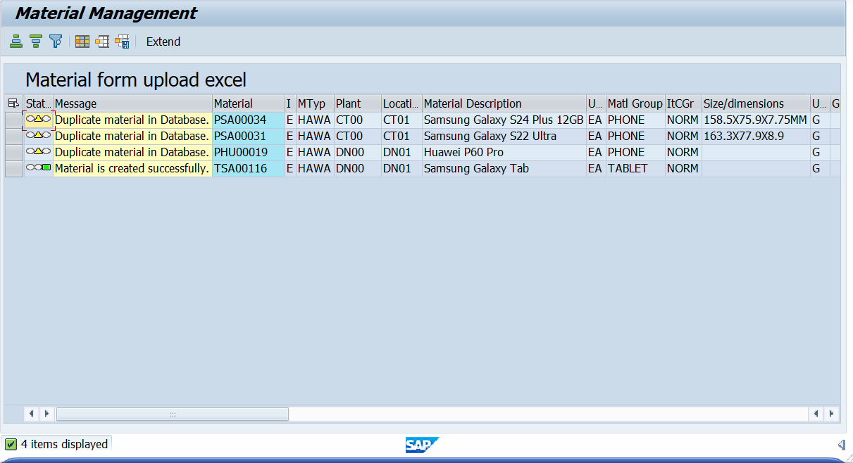
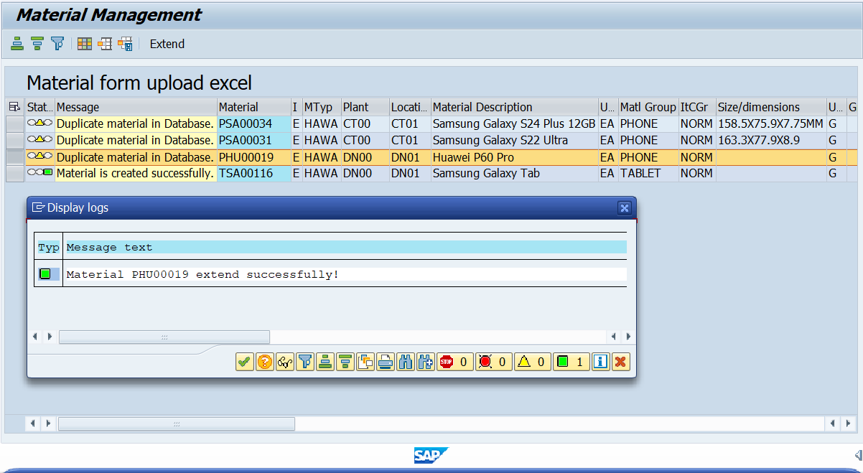
 |  |  |  | TEST CASE: CREATE + EXTEND MATERIAL

Test Name | Test ID | Tcode | Process Test | Test Data | Expected Result | Actual Result | Created/Updated by | Created date | Reviewed by | Error Details | Reviewed Date
Create + Extend Material | UF01 |  | 1. Log into SAP. | Tcode: ZMM01 | Display Selection | Ok | NhiNTY | 2024-11-29
 |  |  | 2. Launch Tcode ZMM01.
 |  |  | 3."Enter Transaction".
 | UF02 | ZMM01 | 1. Select “Upload” button. |  | The system displays message " Download template successfully" after clicking "Save" button. | Ok | NhiNTY | 2024-11-29
 |  |  | 2. Select “Download Excel Template” button.
 |  |  | 3. Click "Save".
 | UF03 |  | 1. Select "Upload File" button. | Excel Template's Details | - The system displays message "n Item display" after clicking "Save" button. - In the column containing the message, after clicking "Execute" button: For Material number Create New "Material is created successfully" the status column is green. For Material number Extend "Duplicate material in Database", the status column is yellow. | OK | NhiNTY | 2024-11-29
 |  |  | 2. Upload the Excel template file to the system with valid values. | Create Material:
 |  |  |  | - Material number: TSA00011
 |  |  | 3. Upload an Excel file containing both the data for Created and Extent material. | - Industry sector: E
 |  |  |  | - Material type: HAWA
 |  |  |  | Organization Levels:
 |  |  | 4. Click "Execute/F8" button. | - Plant: DN00
 |  |  |  | - Storage location: DN01
 |  |  |  | Basic data:
 |  |  |  | - Material Description: Samsung Galaxy Tab
 |  |  |  | - Base unit of measure: Ea
 |  |  |  | - Material Group: TABLET
 |  |  |  | - Unit Weight: G
 |  |  |  | - Language Key: EN
 |  |  |  | Sales Organization
 |  |  |  | - Sales Org: FU24
 |  |  |  | - Distribution Channel: FU
 |  |  |  | Tax Classification
 |  |  |  | - Departure Ctry/Reg: US
 |  |  |  | - Tax Category 1: UTXJ
 |  |  |  | - Tax classification 1: 0
 |  |  |  | - Tax Category 2: UTX2
 |  |  |  | - Tax classification 2: 0
 |  |  |  | - Tax Category 3: UTX3
 |  |  |  | - Tax classification 3: 0
 |  |  |  | - Departure Ctry/Reg.: VN
 |  |  |  | - Tax Category 1: MWST
 |  |  |  | - Tax classification 1: 1
 |  |  |  | - Tax Category 2: ZMW4
 |  |  |  | - Tax classification 2: 0
 |  |  |  | Material Number has existed in the system: SER11405

 | UF04 |  | 1. Select line that has “Ticked” extend, press “Extend/F8” button. | Material Number: PHU00019 | - In the column containing the message "Duplicate material in Database", the status column is red. - Displays message "Material ######## extend successful!" in Display logs screen. | OK
 |  |  |  | Material Description: Huawei P06 Pro
 |  |  | 2. Change “Plant” and "Storege location" information to expand material. | Plant: CT00
 |  |  |  | Plant Name: Can Tho
 |  |  | 3. Click "Submit". | Storage location: CT01
 |  |  |  | Description of Storage location: Trading Goods

Result image

Test case 7
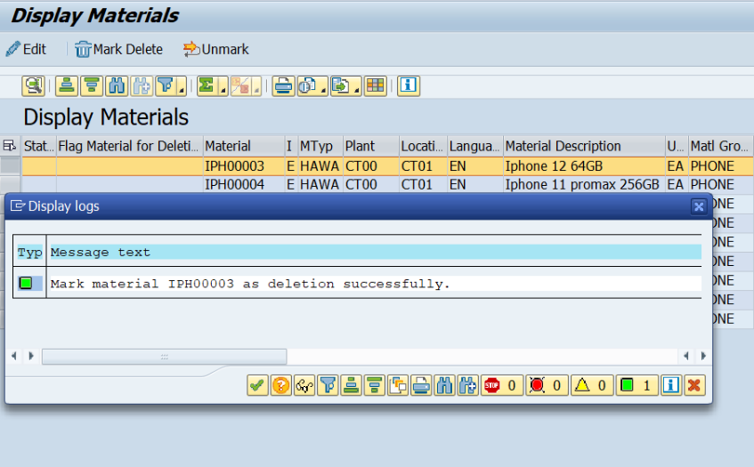
 |  |  |  | TEST CASE: DELETE LINE MATERIAL DATA

Test case name | Test ID | Tcode | Process Step |  | Test Data | Expected Result | Actual Result | Created/Updated by | Created date | Reviewed by | Reviewed Date

Delete line Material data | DF01 |  | 1. Login to SAP system |  | Tcode ZMM01 | - Display message text "Mark material ######## as deletion successfully" in Display logs screen - Status displays green square - Marked with "X" in Flag for Delete Material column. | OK | HaVT | 2024-11-29
 |  |  | 2. Enter Tcode
 |  |  | 3. Press Enter
 | DF02 | ZMM01 | 1. Choose ''Display" button 2. Enter valid Material number (code already exists) 3. Click "Execute" |  | Material: IPH00003 to Material: IPH00009

 | DF03 |  | 1. Choose 1 or multiple line Material data |  | Material: IPH00003
 |  |  | 2. Click "Mark Delete"

Result image

Test case 8
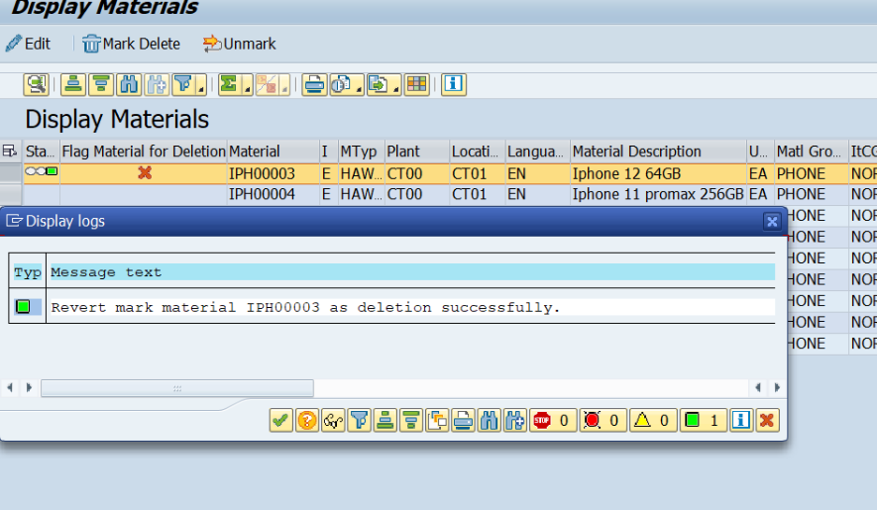
 |  |  |  | TEST CASE: UNDELETE LINE MATERIAL DATA

Test case name | Test ID | Tcode | Process Step |  | Test Data | Expected Result | Actual Result | Created/Updated by | Created date | Reviewed by | Reviewed Date

Undelete line Material data | DF01 |  | 1. Login to SAP system |  | Tcode ZMM01 | - Display message text "Revert mark material ######## as deletion successfully". - Status shows green square. - Remove the "X" in the Flag for Delete Material column. | OK | HaVT | 2024-11-29
 |  |  | 2. Enter Tcode
 |  |  | 3. Press Enter
 | DF02 | ZMM01 | 1. Choose ''Display" button 2. Enter valid Material number (code already exists) 3. Click "Execute" |  | Material: IPH00003 to Material: IPH00009

 | DF03 |  | 1. Choose 1 or multiple line Material data |  | + Material: IPH00003
 |  |  | 2. Click "Unmark"

Result image

Test case 9
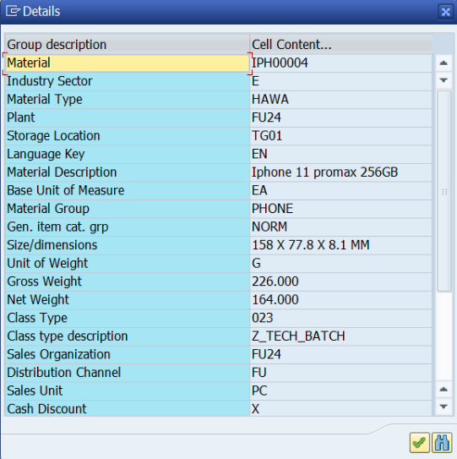
 |  |  |  | TEST CASE: NO EDIT DATA

Test case name | Test ID | Tcode | Process Step |  | Test Data | Expected Result | Actual Result | Created/Updated by | Created date | Reviewed by | Reviewed Date

No edit data | DF01 |  | 1. Login to SAP system |  | Tcode ZMM01 | The data no changed | OK | HaVT | 2024-11-29
 |  |  | 2. Enter Tcode
 |  |  | 3. Press Enter
 | DF02 | ZMM01 | 1. Choose ''Display" button 2. Enter valid Material number (code already exists) 3. Click "Execute" |  | Material: IPH00003 to Material: IPH00009

 | DF03 |  | 1. Choose 1 line Material data |  | + Material: IPH00004 + Plant: FU24
 |  |  | 2. Click ''Details"
 |  |  | 3. Click Exit

Result image

