Bugs
TC ID | Sumary | Description | Step | Actual Result | Expected Result | Attachment
TC08 | User can't receive email to verify account when register succesfull with email valid | When user successfully registers account, an email must be sent to them for confirmation, but in this case the email was not sent | 1. Navigate to Railway website 2. Click tab Register 3. Fill info to the field: - Email: valid email (sang@gmail.com) - Password: sang12345 - Confirm password: the same password (sang12345) - Passport Number: 12345678 4. Click button Register | The verification email do not sent to user | The verification email must sent to user

TC12, TC13 | Server error when user click button Send Instruction with email valid | User forget password and want to reset. When user fill valid email into fields Email and click button Send Instruction, a mailbox should appear to reset the password. But in this case, the mailbox does not appear and instead says that the server has an error. | 1. Navigate to Railway website 2. Click tab Login 3. Click on Forget Password link 4. Fill into the field Email: valid email (sang@gmail.com) 5. Click on button Send Instruction | The system reported an error with the server | The mailbox should be appeared | 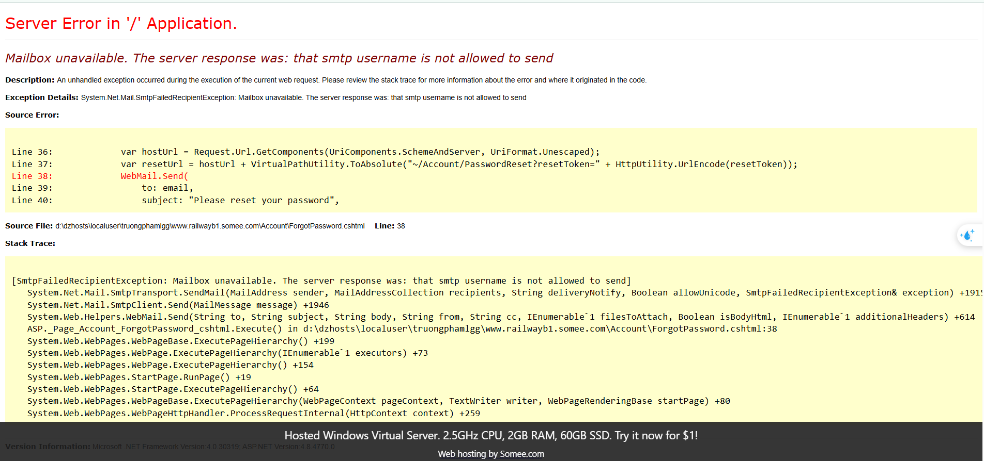

TC15 | Depart from and Arrive At Fields in BookTicket Page do not match with Depart from and Arrive At in Time Table Page when user click btn bookticket have Depart From = "Sài Gòn" and Arrive At = "Nha Trang" | When user click button book ticket with Depart from = "Sài Gòn" and Arrive At = "Nha Trang " in TimeTable Page, the BookTicket page will display with the Depart From and Arrive At fields containing information as Saigon and Nha Trang respectively. | 1. Navigate to Railway website 2. User perform Login 3. Click on tab TimeTable 4. Click button book ticket where the field Depart from is Sài Gòn and Arrive At is Nha Trang 5. Observe | the Depart From and Arrive At fields containing information in BookTicket page do not match with the Depart From and Arrive At fields containing information SaiGon and NhaTrang | the Depart From and Arrive At fields containing information in BookTicket page have to match with the Depart From and Arrive At fields containing information SaiGon and NhaTrang | 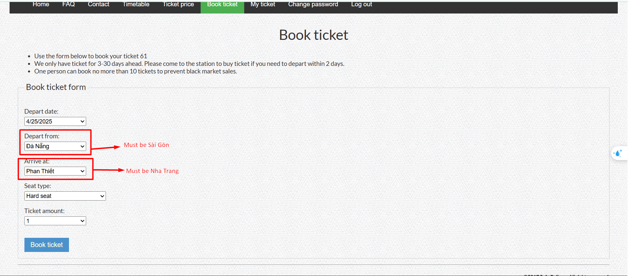

TC15

TC16

