Use_Case
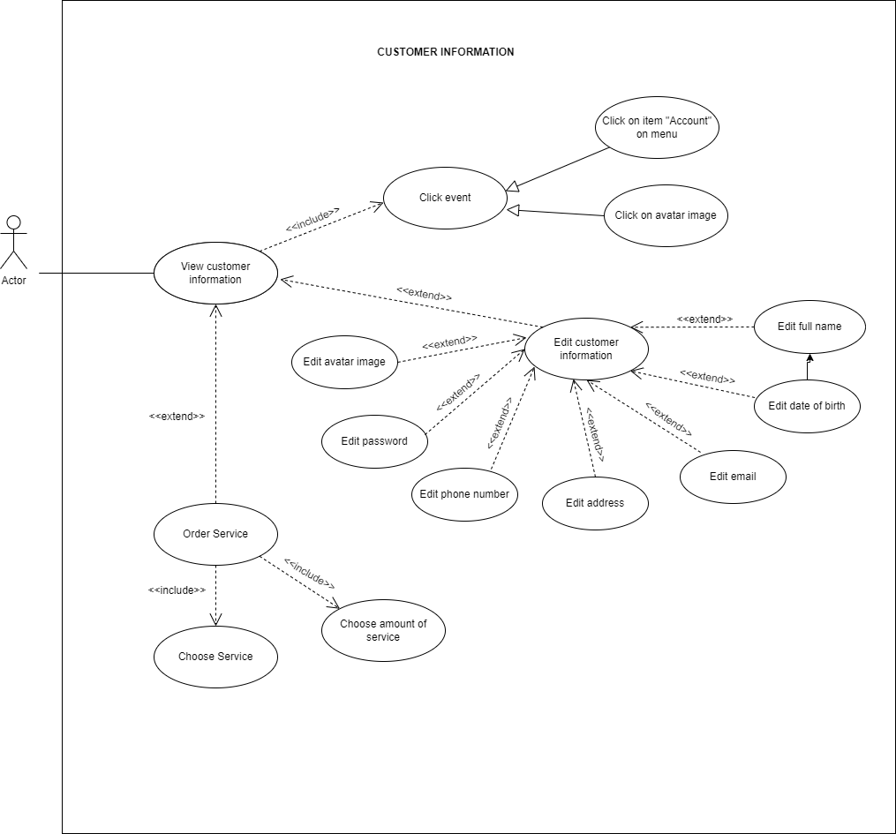
6.2.2 Màn hình xem thông tin cá nhân khách hàng
6.7 Màn hình yêu cầu dịch vụ

Class_Diagram
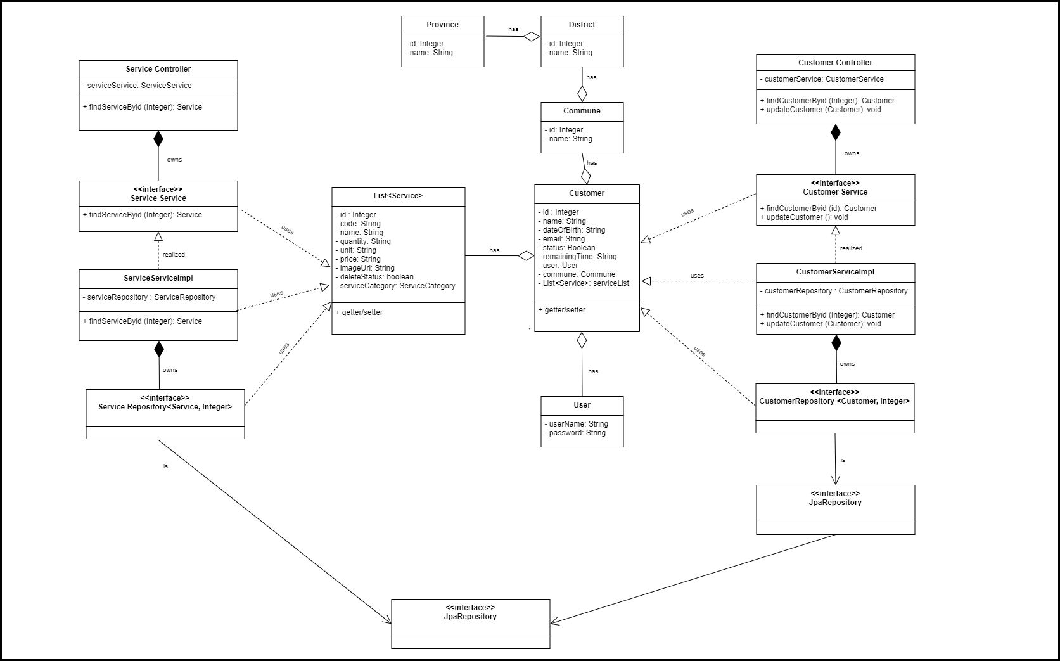
6.2.2 Màn hình xem thông tin cá nhân khách hàng
6.7 Màn hình yêu cầu dịch vụ

Sequence_Diagram
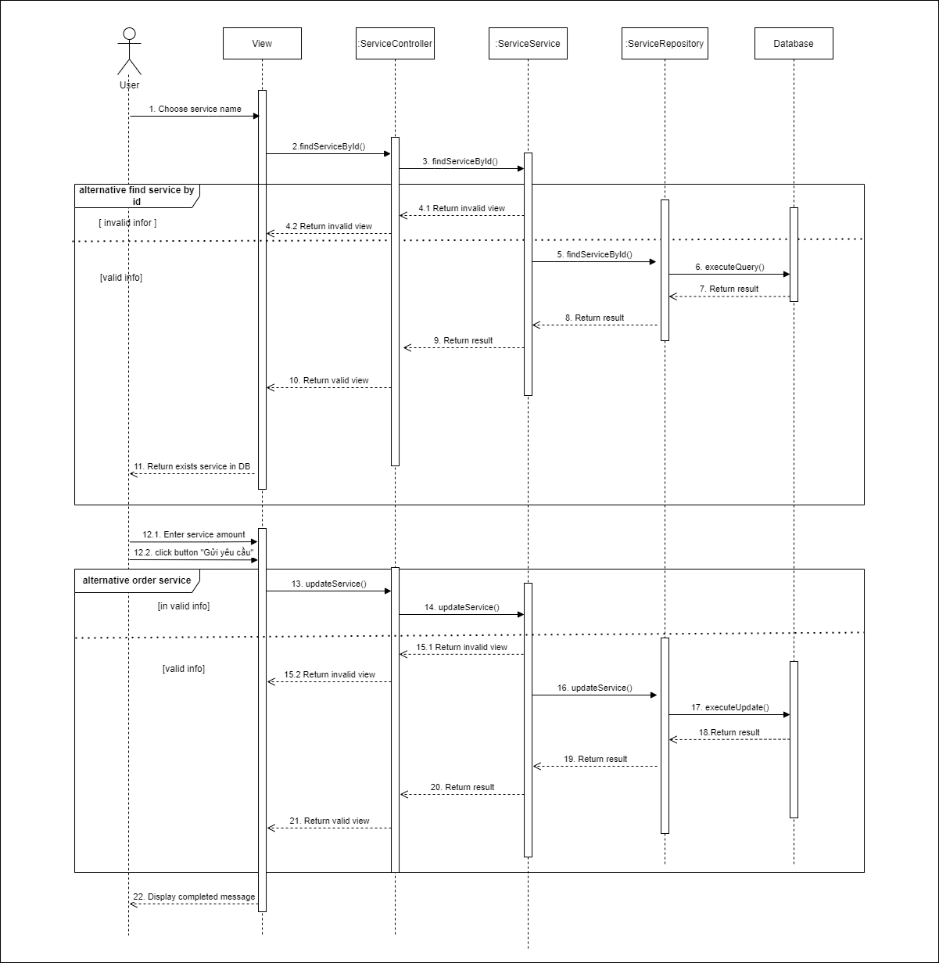
6.2.2 Màn hình xem thông tin cá nhân khách hàng
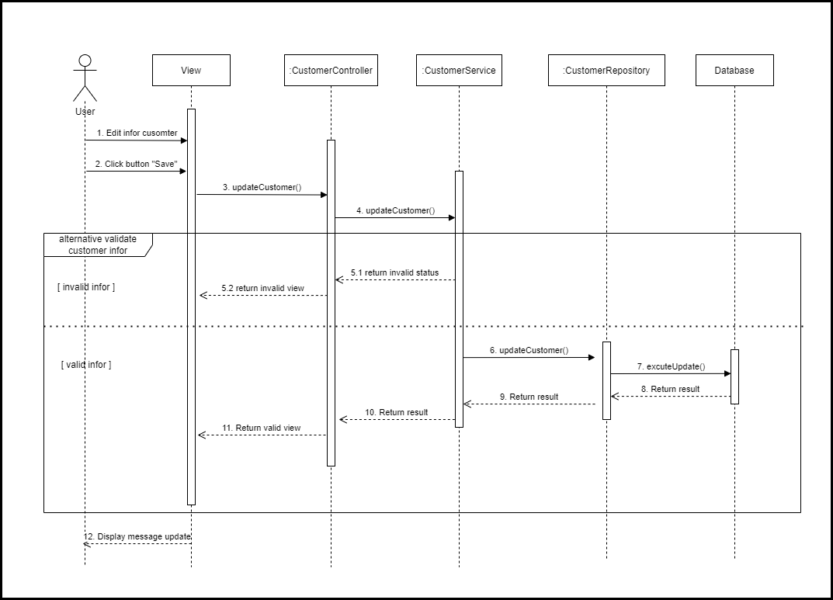

6.7 Màn hình yêu cầu dịch vụ

