Sheet1
Requirements: 1. Design a frame as figure(1 point) 2. When application run, load all data from given xml file to table with title is all attributes and elements in given xml file. (2 points) 3. You can choose any field by your self to do search by function. When user click on search button, the result will be load to table (1.5 points) 4. When user click Add New, a new dialog or frame will show to input new data and save back to table on main frame and save to xml file (2 points) 5. When user select a row on table and click update, a new dialog or frame will show with data selected. User modify data and save back to table on main frame and save to xml file (2 points) 6. When user select a row on table and click delete, a new confirm dialog will show to confirm. If user choose Yes, data will be removed and save back to table on main frame and save to xml file (1.5 points) |  |  |  |  | 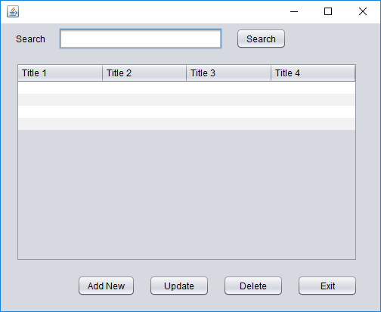
RollNumber | MemberCode | Fullname | Parser to read | Parser to write | XML file
SE05740 | HoaPNSE05740 | Phạm Ngọc Hòa | JAXB | StAX Iterator | contact.xml

