Sheet1
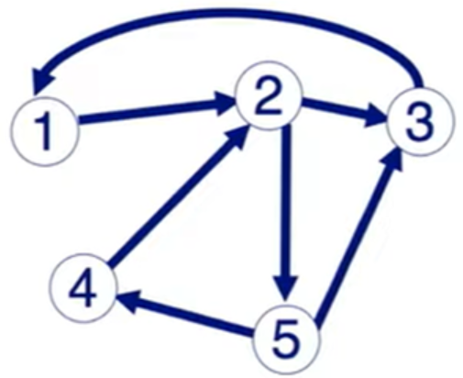
 |  |  |  | BigData

 |  |  |  | Ma Trận kề
 |  |  |  | Source |  |  | Native
 |  | 1 | 2 | 3 | 4 | 5
Destination | 1 | 0 | 0 | 1 | 0 | 0
 | 2 | 1 | 0 | 0 | 1 | 0
 | 3 | 0 | 1 | 0 | 0 | 1
 | 4 | 0 | 0 | 0 | 0 | 1
 | 5 | 0 | 1 | 0 | 0 | 0

 |  | 1 | 2 | 3 | 4 | 5 | pr0 | pr1 | pr2 | pr3 | pr4 | pr5
 | 1 | 0 | 0 | 1 | 0 | 0 | 0.2 | 0.2 | 0.2 | 0.25 | 0.25 | 0.2
 | 2 | 1 | 0 | 0 | 1 | 0 | 0.2 | 0.4 | 0.3 | 0.25 | 0.35 | 0.325
 | 3 | 0 | 0.5 | 0 | 0 | 0.5 | 0.2 | 0.2 | 0.25 | 0.25 | 0.2 | 0.2375
 | 4 | 0 | 0 | 0 | 0 | 0.5 | 0.2 | 0.1 | 0.05 | 0.1 | 0.075 | 0.0625
 | 5 | 0 | 0.5 | 0 | 0 | 0 | 0.2 | 0.1 | 0.2 | 0.15 | 0.125 | 0.175

