Sheet1
X |  |  | y
x1 | x2 | x3 | (x1 && x2) || x3 | gini | y | 0 | 1 | gini(y)
0 | 0 | 0 | 0 |  |  | 3 | 5 | 0.46875
0 | 0 | 1 | 1 |  | x1 | 0 | 1 | gini | gini(x1)
0 | 1 | 0 | 0 |  | 0 | 2 | 2 | 0.5 | 0.4375
0 | 1 | 1 | 1 |  | 1 | 1 | 3 | 0.375
1 | 0 | 0 | 0 |  | x2 | 0 | 1 |  | gini(x2)
1 | 0 | 1 | 1 |  | 0 | 2 | 2 | 0.5 | 0.4375
1 | 1 | 0 | 1 |  | 1 | 1 | 3 | 0.375
1 | 1 | 1 | 1 |  | x3 | 0 | 1 |  | gini(x3)
 |  |  |  |  | 0 | 3 | 1 | 0.375 | 0.1875
 |  |  |  |  | 1 | 0 | 4 | 0

Supervised learning
Decision Tree classifier
X |  | y
x1 | x2 | x1 or x2 |  |  | 0 | 1
0 | 0 | 0 |  |  |  | 0.5
0 | 1 | 1 |  |  | x1 <= 0.5
1 | 0 | 1 |  | x2 <=0.5 | True, False | 1
1 | 1 | 1 | 0 | True, False | 1
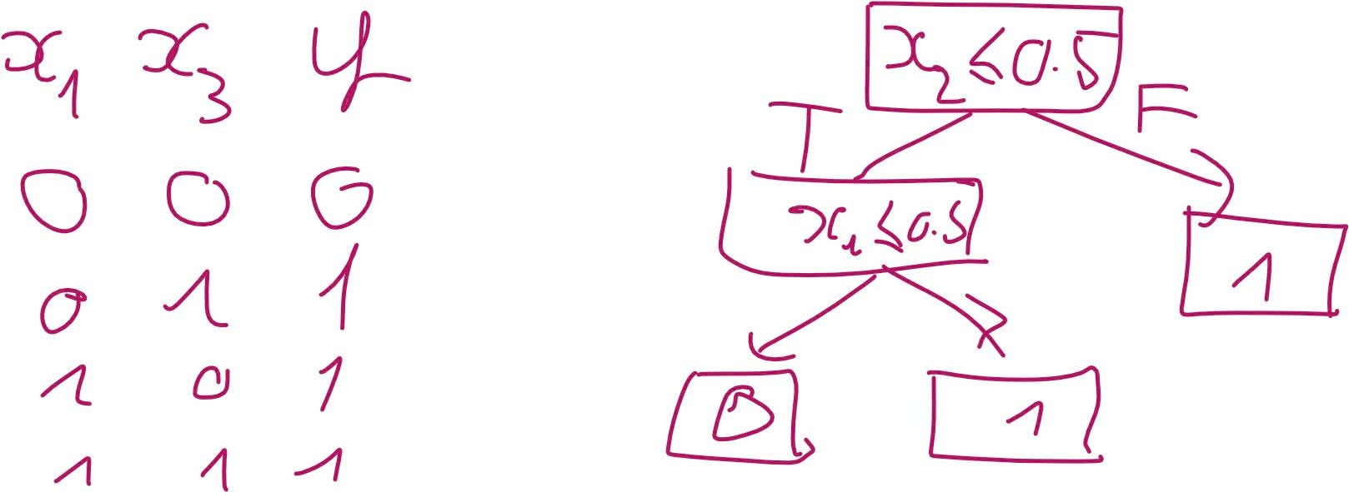

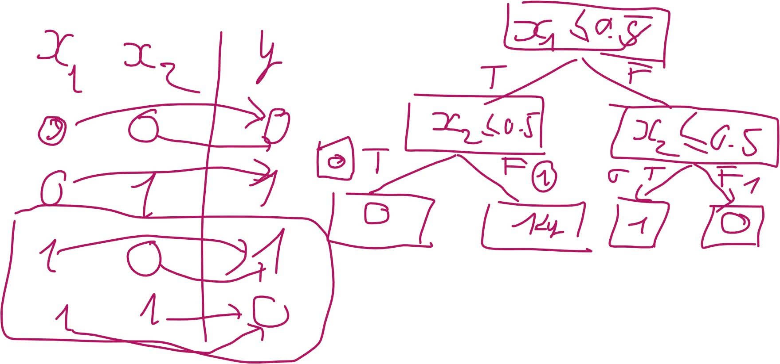
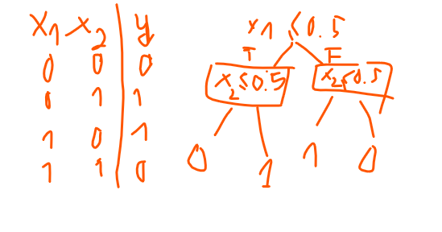

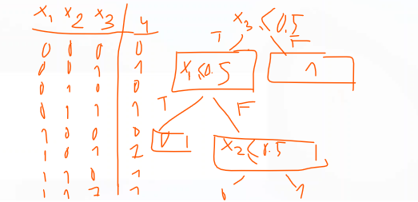
X |  |  | y
x1 | x2 | x3 | (x1 and x2) or x3
0 | 0 | 0 | 0
0 | 0 | 1 | 1
0 | 1 | 0 | 0
0 | 1 | 1 | 1
1 | 0 | 0 | 0
1 | 0 | 1 | 1
1 | 1 | 0 | 1
1 | 1 | 1 | 1

