Choose Address
Module Code | ChooseAddress
Test requirement | Choose Address
Tester | Tran Dinh Tuyet Linh
Passed | Failed | Untested | Blocked | Skipped | Number of Test cases
5 | 9 | 0 | 0 | 0 | 14

ID | Test Case Description | Test Case Procedure | Expected Output | Inter-test case Dependence | Result | Test date | Note
CHO_ADRS_Add_001 | Select existing address | Pre-condition: + Login succesfully Step 1. Access Shopee: | 5. The system displays the selected address on the checkout page. |  | Passed | 2025-01-15
 |  | https://shopee.vn/buyer/login
 |  | 2. Login succesfully 3. On header bar of Shopee, click on icon [Cart]. 4. Select product to pay and click button [Check Out] 5. On the checkout page, click button [Change] and select an existing address from the saved addresses list. |  |  |  |  | 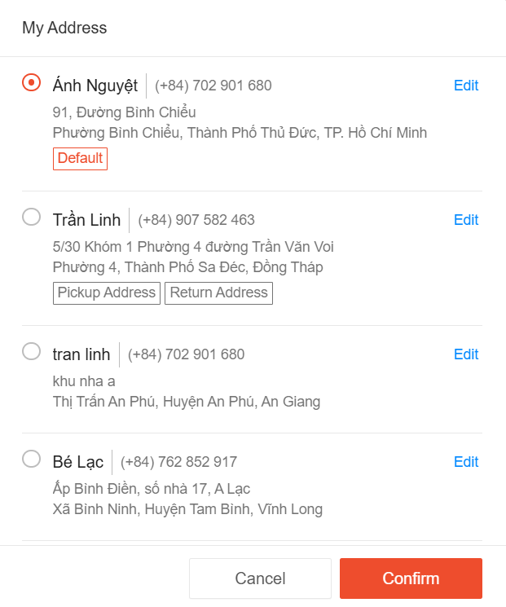
CHO_ADRS_Add_002 | Check address displaying | Pre-condition: + Login succesfully Step 1. Access Shopee: | 6. All information fields (full name, phone number, street address, and province/city) are displayed fully. |  | Passed | 2025-01-15
 |  | https://shopee.vn/buyer/login
 |  | 2. Login succesfully 3. On header bar of Shopee, click on icon [Cart]. 4. Select product to pay and click button [Check Out] 5. On the checkout page click button [Change] and check if the address is displayed correctly. 6. Check the full name, phone number, street address, and province/city.
CHO_ADRS_Add_003 | Add new address with valid data | Pre-condition: + Login succesfully Step 1. Access Shopee: | 7. New address is added successfully, and it appears in the saved addresses list. |  | Failed | 2025-01-15
 |  | https://shopee.vn/buyer/login
 |  | 2. Login succesfully 3. On header bar of Shopee, click on icon [Cart]. 4. Select product to pay and click button [Check Out] 5. On the checkout page click button [Change] and then the [Add New Address] button. 6. Enter valid Full Name, Phone, Street Address, and Province/City. 7. Click button [Submit] |  |  |  |  | 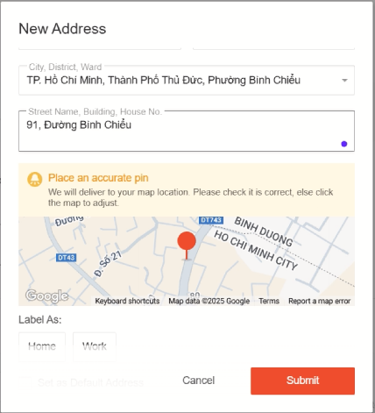 | 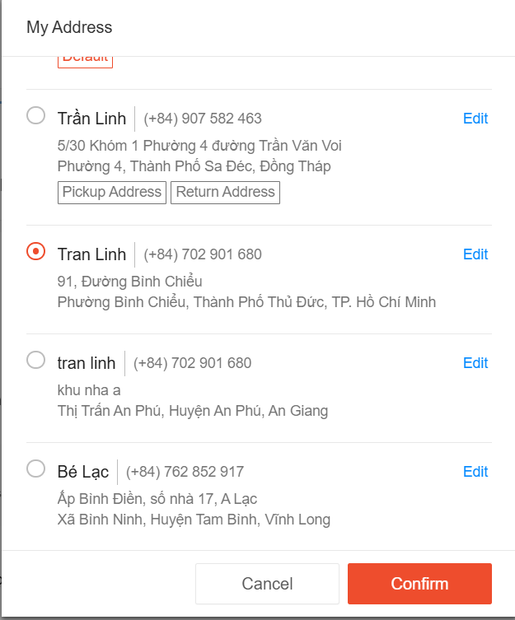
CHO_ADRS_Add_004 | Add new address with invalid full name | Pre-condition: + Login succesfully Step 1. Access Shopee: | 6. An error message appears indicating that the full name is invalid (should be 2+ words). |  | Failed | 2025-01-15
 |  | https://shopee.vn/buyer/login
 |  | 2. Login succesfully 3. On header bar of Shopee, click on icon [Cart]. 4. Select product to pay and click button [Check Out] 5. On the checkout page click button [Change] and then [Add New Address]. 6. Enter invalid Full Name (only one word). |  |  |  |  | 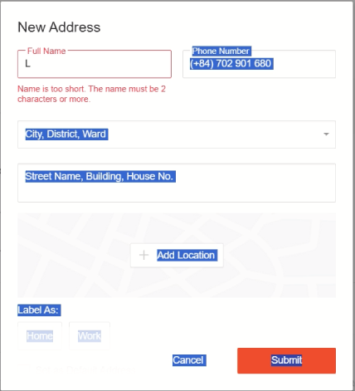
CHO_ADRS_Add_005 | Add new address with invalid phone number | Pre-condition: + Login succesfully Step 1. Access Shopee: | 6. An error message appears indicating the phone number is too long (should be 10 digits). |  | Failed | 2025-01-15
 |  | https://shopee.vn/buyer/login
 |  | 2. Login succesfully 3. On header bar of Shopee, click on icon [Cart]. 4. Select product to pay and click button [Check Out] 5. On the checkout page click button [Change] and then [Add New Address]. 6. Enter phone number with more than 10 digits. |  |  |  |  | 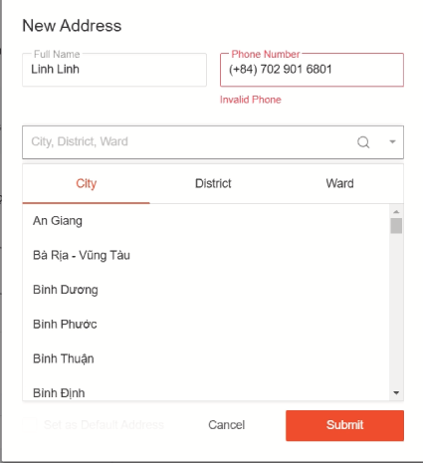
CHO_ADRS_Edit_001 | Edit address with valid data | Pre-condition: + Login succesfully Step 1. Access Shopee: | 7. The system should display a success message: "Success message for editing the address". |  | Failed | 2025-01-15
 |  | https://shopee.vn/buyer/login
 |  | 2. Login succesfully 3. On header bar of Shopee, click on icon [Cart]. 4. Select product to pay and click button [Check Out] 5. On the checkout page, click [Edit] for an existing address. 6. Update Full Name, Phone Number, Street Address, and Province/City. 7. Click button [Submit] |  |  |  |  | 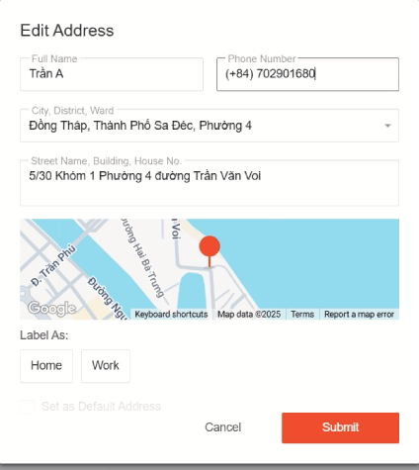
CHO_ADRS_Edit_002 | Edit address with invalid fullname | Pre-condition: + Login succesfully Step 1. Access Shopee: | 6 An error message appears indicating that the Full Name is invalid. |  | Failed | 2025-01-15
 |  | https://shopee.vn/buyer/login
 |  | 2. Login succesfully 3. On header bar of Shopee, click on icon [Cart]. 4. Select product to pay and click button [Check Out] 5. On the checkout page click [Edit] for an existing address. 6. Enter an invalid Full Name (one word). |  |  |  |  | 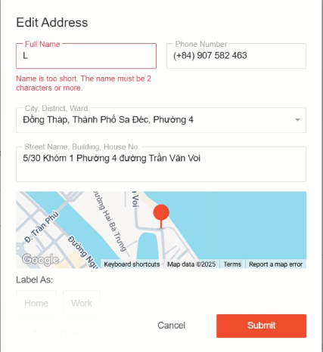
CHO_ADRS_Edit_003 | Edit address with invalid phone number | Pre-condition: + Login succesfully Step 1. Access Shopee: | 6. An error message appears indicating the phone number is too long (should be 10 digits). |  | Failed | 2025-01-15
 |  | https://shopee.vn/buyer/login
 |  | 2. Login succesfully 3. On header bar of Shopee, click on icon [Cart]. 4. Select product to pay and click button [Check Out] 5. On the checkout page click button [Edit] for an existing address. 6. Enter phone number with more than 10 digits. |  |  |  |  | 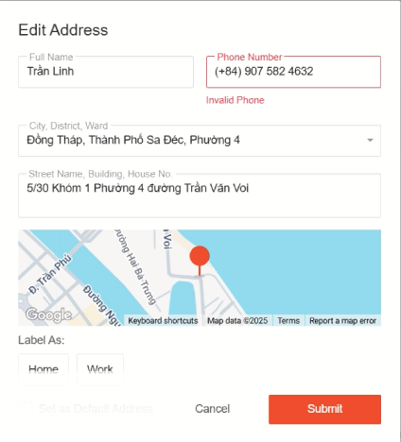
CHO_ADRS_Add_006 | Add new address with missing street address | Pre-condition: + Login succesfully Step 1. Access Shopee: | 7. An error message appears indicating that the street address cannot be empty. |  | Failed | 2025-01-15
 |  | https://shopee.vn/buyer/login
 |  | 2. Login successfully 3. On header bar of Shopee, click on icon [Cart] 4. Select product to pay and click button [Check Out] 5. On the checkout page, click button [Change] and then click [Add New Address] 6. Enter valid Full Name, Phone, but leave Street Address blank 7. Click button [Submit] |  |  |  |  | 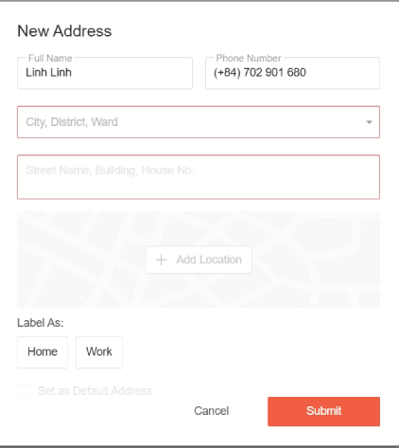
CHO_ADRS_Add_007 | Add new address with invalid province/city | Pre-condition: + Login succesfully Step 1. Access Shopee: | 7. The address field will appear red |  | Passed | 2025-01-15
 |  | https://shopee.vn/buyer/login
 |  | 2. Login successfully 3. On header bar of Shopee, click on icon [Cart] 4. Select product to pay and click button [Check Out] 5. On the checkout page, click button [Change] and then click [Add New Address] 6. Enter valid Full Name, Phone, Street Address, but select an invalid Province/City 7. Click button [Submit]
CHO_ADRS_Edit_004 | Edit address with missing street address | Pre-condition: + Login succesfully Step 1. Access Shopee: | 7. An error message appears indicating that the street address cannot be empty. |  | Failed | 2025-01-15
 |  | https://shopee.vn/buyer/login
 |  | 2. Login successfully 3. On header bar of Shopee, click on icon [Cart] 4. Select product to pay and click button [Check Out] 5. On the checkout page, click [Edit] for an existing address 6. Update Full Name, Phone Number, Province/City, but leave Street Address blank 7. Click button [Submit] |  |  |  |  | 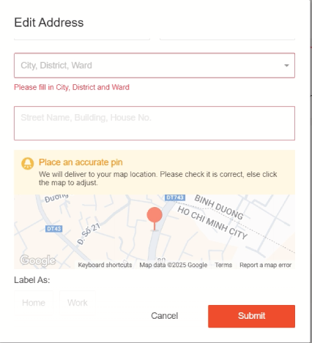
CHO_ADRS_Edit_005 | Edit address with invalid phone number format | Pre-condition: + Login succesfully Step 1. Access Shopee: | An error message appears indicating that the phone number format is invalid. |  | Passed | 2025-01-15
 |  | https://shopee.vn/buyer/login
 |  | 2. Login successfully 3. On header bar of Shopee, click on icon [Cart] 4. Select product to pay and click button [Check Out] 5. On the checkout page, click [Edit] for an existing address 6. Enter valid Full Name, Street Address, Province/City, but enter a phone number in an incorrect format (e.g., with special characters) 7. Click button [Submit] |  |  |  |  | 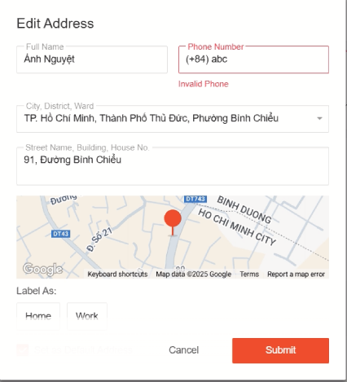
CHO_ADRS_Add_008 | Add new address with duplicate phone number | Pre-condition: + Login succesfully Step 1. Access Shopee: | 7. The system displays the selected address on the checkout page. |  | Passed | 2025-01-15
 |  | https://shopee.vn/buyer/login
 |  | 2. Login successfully 3. On header bar of Shopee, click on icon [Cart] 4. Select product to pay and click button [Check Out] 5. On the checkout page, click button [Change] and then click [Add New Address] 6. Enter Full Name, Phone (which already exists in another address), Street Address, and Province/City 7. Click button [Submit] |  |  |  |  | 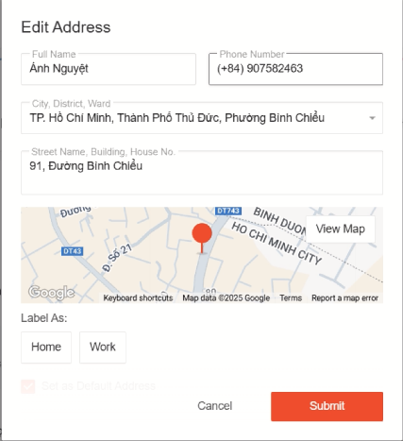
CHO_ADRS_Add_009 | Add new address with missing full name | Pre-condition: + Login succesfully Step 1. Access Shopee: | 7. An error message appears indicating that the fullname cannot be empty. |  | Failed | 2025-01-15
 |  | https://shopee.vn/buyer/login
 |  | 2. Login successfully 3. On header bar of Shopee, click on icon [Cart] 4. Select product to pay and click button [Check Out] 5. On the checkout page, click button [Change] and then click [Add New Address] 6. Leave Full Name blank, enter valid Phone, Street Address, and Province/City 7. Click button [Submit] |  |  |  |  | 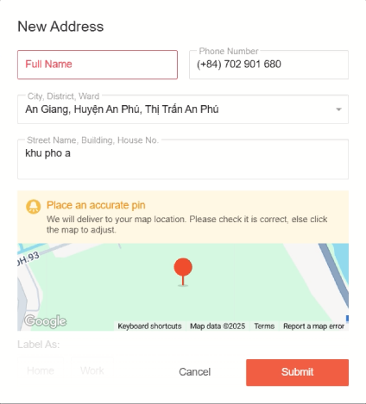

Choose Voucher
Module Code | ChooseVoucher
Test requirement | Choose Voucher
Tester | Tran Dinh Tuuyet Linh
Passed | Failed | Untested | Blocked | Skipped | Number of Test cases
17 | 0 | 0 | 1 | 1 | 19
Check Multiple Vouchers
Check No Voucher Selected | Test Case Description | Test Case Procedure | Expected Output | Inter-test case Dependence | Result | Test date | Note
CHO_VOU_Apply_001 | Select shop voucher | Pre-condition: + User is logged in successfully. + At least one product is added to the cart. + The user's account has at least one valid voucher available. Step 1. Access Shopee: "https://shopee.vn/buyer/login" 2. Login succesfully 3. On header bar of Shopee, click on icon [Cart]. 4. Select product to pay and click button [Check Out] 5. On the checkout page, click on [Change Voucher] in the Shop Voucher selection section. 6. Select a voucher from the list. 7. Click button [OK] | 7. The list of shop vouchers appears and can be selected. |  | Passed | 2025-01-15 | 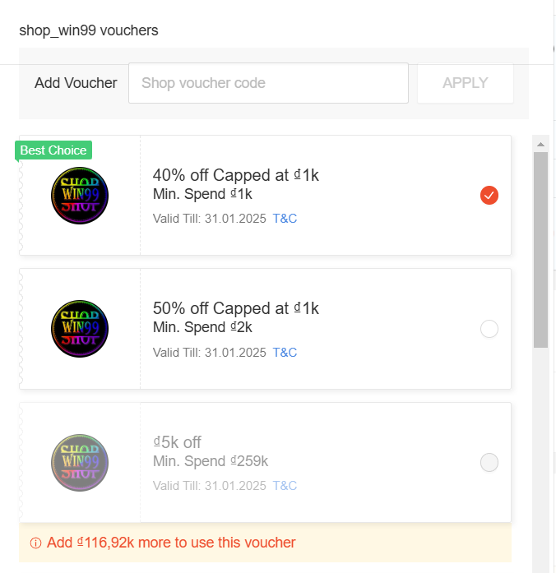
CHO_VOU_Apply_002 | Check shop voucher total update | Pre-condition: + User is logged in successfully. + At least one product is added to the cart. + The user's account has at least one valid voucher available. Step 1. Access Shopee: https://shopee.vn/buyer/login 2. Login succesfully 3. On header bar of Shopee, click on icon [Cart]. 4. Select product to pay and click button [Check Out] 5. On the checkout page, click on [Change Voucher] in the Shop Voucher selection section. 6. Select a voucher from the displayed list and confirm. 7. Click button [OK] | 6. The final total payment reflects the discount applied by the voucher. |  | Passed | 2025-01-15 | 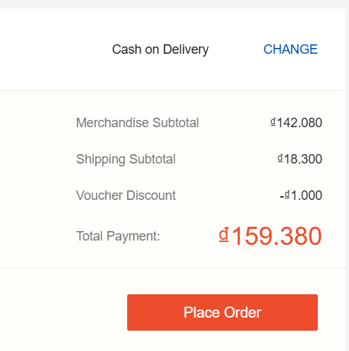
CHO_VOU_Apply_003 | Select shopee voucher | Pre-condition:+ User is logged in successfully. + At least one product is added to the cart. + The user's account has at least one valid voucher available. Step 1. Access Shopee: https://shopee.vn/buyer/login 2. Login succesfully 3. On header bar of Shopee, click on icon [Cart]. 4. Select product to pay and click button [Check Out] 5. On the checkout page, click on [Select Voucher] in the Shopee Voucher selection section. 6. Select a voucher from the list. 7. Click button [OK] | 7. The list of Shopee vouchers appears and can be selected. |  | Passed | 2025-01-15 | 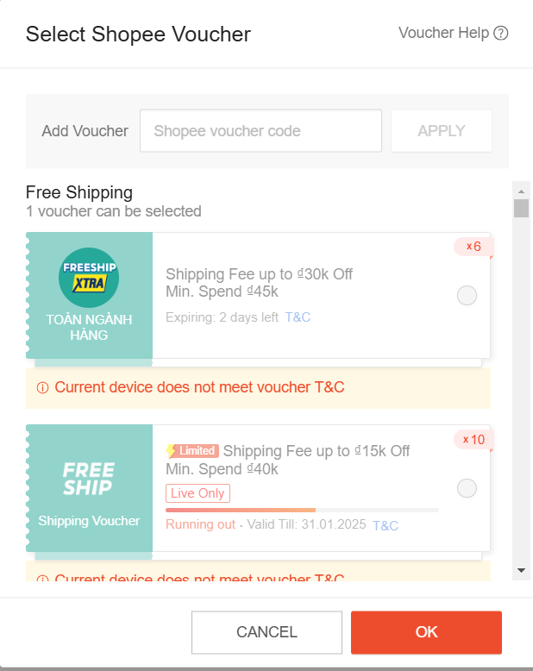
CHO_VOU_Apply_004 | Check shopee voucher total update | Pre-condition:+ User is logged in successfully. + At least one product is added to the cart.+ The user has multiple pages of Shopee Vouchers available. Step 1. Access Shopee: https://shopee.vn/buyer/login 2. Login succesfully 3. On header bar of Shopee, click on icon [Cart]. 4. Select product to pay and click button [Check Out] 5. On the checkout page, click on [Select Voucher] in the Shopee Voucher selection section. 6. Select a voucher from the list. 7. Click button [OK] | 7. The final total payment reflects the discount applied by the voucher. |  | Passed | 2025-01-15
CHO_VOU_Apply_005 | Check shop voucher expiry | Pre-condition: + User is logged in successfully. + At least one product is added to the cart.+ The user's account has at least one valid voucher available. Step 1. Access Shopee: https://shopee.vn/buyer/login 2. Login succesfully 3. On header bar of Shopee, click on icon [Cart]. 4. Select product to pay and click button [Check Out] 5. On the checkout page, click on [Shop Voucher] and select an expired voucher. 6. Click button [OK] | 6. The system displays an error or message stating that the voucher is expired. |  | Passed | 2025-01-15
CHO_VOU_Apply_006 | Check shopee voucher expiry | Pre-condition: + User is logged in successfully. + At least one product is added to the cart. + The user's account has at least one valid voucher available. Step 1. Access Shopee: https://shopee.vn/buyer/login 2. Login succesfully 3. On header bar of Shopee, click on icon [Cart]. 4. Select product to pay and click button [Check Out] 5. On the checkout page, click on [ShopeeVoucher] and select an expired voucher. 6. Click button [OK] | 6. The system displays an error or message stating that the voucher is expired. |  | Passed | 2025-01-15
CHO_VOU_Apply_007 | Check multiple vouchers | Pre-condition: + User is logged in successfully. + At least one product is added to the cart. + The user's account has at least one valid voucher available. Step 1. Access Shopee: https://shopee.vn/buyer/login 2. Login succesfully 3. On header bar of Shopee, click on icon [Cart]. 4. Select product to pay and click button [Check Out 5. On the checkout page, try to select both a Shop Voucher and a Shopee Voucher simultaneously. 6. Click button [OK] | 6. The system should allow the selection of only one voucher at a time. |  | Passed | 2025-01-15
CHO_VOU_Apply_008 | Check no voucher selected | Pre-condition: + User is logged in successfully. + At least one product is added to the cart. + The user's account has at least one valid voucher available. Step 1. Access Shopee: https://shopee.vn/buyer/login 2. Login succesfully 3. On header bar of Shopee, click on icon [Cart]. 4. Select product to pay and click button [Check Out] 5. On the checkout page, try no select both a Shop Voucher and a Shopee Voucher simultaneously. 6. Click button [OK] | 6. No voucher is applied. The total payment remains unchanged (no discount is applied). |  | Passed | 2025-01-15
CHO_VOU_Apply_009 | Enter a valid shop voucher code | Pre-condition: + User is logged in successfully. + At least one product is added to the cart. + The user's account has at least one valid voucher available. Step 1. Access Shopee: https://shopee.vn/buyer/login 2. Login succesfully 3. On header bar of Shopee, click on icon [Cart]. 4. Select product to pay and click button [Check Out] 5. On the checkout page, click [Change Voucher] in the voucher section. 6. Enter an invalid voucher code or an expired voucher code in the input field. 7. Click the [Apply] button. 8. Click the [OK] button. | 7. The voucher list screen is displayed including a code input field 8. Voucher can be applied to the invoice |  | Passed | 2025-01-15
CHO_VOU_Apply_010 | Enter an invalid shop voucher code | Pre-condition: + User is logged in successfully. + At least one product is added to the cart. + The user's account has at least one valid voucher available. Step 1. Access Shopee: https://shopee.vn/buyer/login 2. Login succesfully 3. On header bar of Shopee, click on icon [Cart]. 4. Select product to pay and click button [Check Out] 5. On the checkout page, click [Change Voucher] in the voucher section. 6. Enter an invalid voucher code or an expired voucher code in the input field. 7. Click the [Apply] button. 8. Click the [OK] button. | 7. The screen will display an error below "Voucher has an error, please try again!" 8. Voucher cannot be applied to the invoice |  | Blocked | 2025-01-15 | 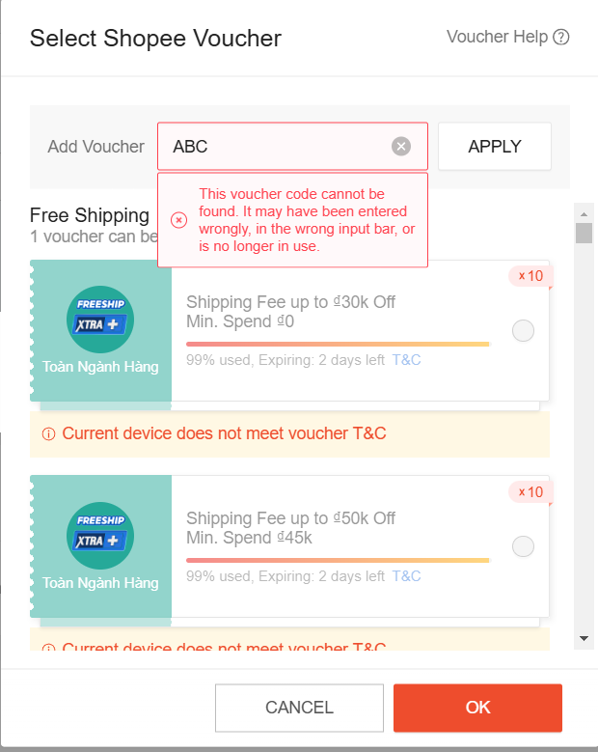
CHO_VOU_Apply_011 | Enter a valid shopee voucher code | Pre-condition: + User is logged in successfully. + At least one product is added to the cart. + The user's account has at least one valid voucher available. Step 1. Access Shopee: https://shopee.vn/buyer/login 2. Login succesfully 3. On header bar of Shopee, click on icon [Cart]. 4. Select product to pay and click button [Check Out] 5. On the checkout page, click [Select Voucher] in the voucher section. 6. Enter an invalid voucher code or an expired voucher code in the input field. 7. Click the [Apply] button. 8. Click the [OK] button. | 7. The voucher list screen is displayed including a code input field 8. Voucher can be applied to the invoice |  | Passed | 2025-01-15
CHO_VOU_Apply_012 | Enter an invalid shopee voucher code | Pre-condition: + User is logged in successfully. + At least one product is added to the cart. + The user's account has at least one valid voucher available. Step 1. Access Shopee: https://shopee.vn/buyer/login 2. Login succesfully 3. On header bar of Shopee, click on icon [Cart]. 4. Select product to pay and click button [Check Out] 5. On the checkout page, click [Select Voucher] in the voucher section. 6. Enter an invalid voucher code or an expired voucher code in the input field. 7. Click the [Apply] button. 8. Click the [OK] button. | 7. The screen will display an error below "Voucher has an error, please try again!" 8. Voucher cannot be applied to the invoice |  | Passed | 2025-01-15
CHO_VOU_Apply_013 | Apply a shop voucher on a product with a discount | Pre-condition: + User is logged in successfully. + At least one product is added to the cart. + The user's account has at least one valid voucher available. Step 1. Access Shopee: "https://shopee.vn/buyer/login" 2. Login succesfully 3. On header bar of Shopee, click on icon [Cart]. 4. Select product to pay and click button [Check Out] 5. On the checkout page, click on [Change Voucher] in the Shop Voucher selection section. 6. Select a voucher from the list. 7. Click button [OK] | The system applies the voucher discount and adjusts the total payment accordingly. |  | Passed | 2025-01-15
CHO_VOU_Apply_014 | Apply a Shopee voucher on a discounted product | Pre-condition: + User is logged in successfully. + At least one product is added to the cart. + The user's account has at least one valid voucher available. Step 1. Access Shopee: "https://shopee.vn/buyer/login" 2. Login succesfully 3. On header bar of Shopee, click on icon [Cart]. 4. Select product to pay and click button [Check Out] 5. On the checkout page, click on [Change Voucher] in the Shop Voucher selection section. 6. Select a voucher from the list. 7. Click button [OK] | The system applies the voucher discount and adjusts the total payment accordingly. |  | Passed | 2025-01-15
CHO_VOU_Apply_015 | Check shop voucher minimum purchase requirement | Pre-condition: + User is logged in successfully. + At least one product is added to the cart. + The user's account has at least one valid voucher available. Step 1. Access Shopee: "https://shopee.vn/buyer/login" 2. Login succesfully 3. On header bar of Shopee, click on icon [Cart]. 4. Select product to pay and click button [Check Out] 5. On the checkout page, click on [Change Voucher] in the Shop Voucher selection section. 6. Select a voucher from the list. 7. Click button [OK] | The system checks if the product meets the minimum purchase requirement and applies the voucher if eligible, or displays an error if not. |  | Passed | 2025-01-15
CHO_VOU_Apply_016 | Check Shopee voucher minimum purchase requirement | Pre-condition: + User is logged in successfully. + At least one product is added to the cart. + The user's account has at least one valid voucher available. Step 1. Access Shopee: "https://shopee.vn/buyer/login" 2. Login succesfully 3. On header bar of Shopee, click on icon [Cart]. 4. Select product to pay and click button [Check Out] 5. On the checkout page, click on [Change Voucher] in the Shop Voucher selection section. 6. Select a voucher from the list. 7. Click button [OK] | The system checks if the product meets the minimum purchase requirement and applies the voucher if eligible, or displays an error if not. |  | Passed | 2025-01-15
CHO_VOU_Apply_017 | Apply multiple shop vouchers sequentially | Pre-condition: + User is logged in successfully. + At least one product is added to the cart. + The user's account has at least one valid voucher available. Step 1. Access Shopee: "https://shopee.vn/buyer/login" 2. Login succesfully 3. On header bar of Shopee, click on icon [Cart]. 4. Select product to pay and click button [Check Out] 5. On the checkout page, click on [Change Voucher] in the Shop Voucher selection section. 6. Select a voucher from the list. 7. Click button [OK] | The system allows the selection of only one voucher at a time, rejecting the second voucher. |  | Passed | 2025-01-15
CHO_VOU_Apply_018 | Check voucher for an item ineligible for voucher use | Pre-condition: + User is logged in successfully. + At least one product is added to the cart. + The user's account has at least one valid voucher available. Step 1. Access Shopee: "https://shopee.vn/buyer/login" 2. Login succesfully 3. On header bar of Shopee, click on icon [Cart]. 4. Select product to pay and click button [Check Out] 5. On the checkout page, click on [Change Voucher] in the Shop Voucher selection section. 6. Select a voucher from the list. 7. Click button [OK] | The system displays an error message indicating the selected item is not eligible for the voucher. |  | Passed | 2025-01-15
CHO_VOU_Apply_019 | Check voucher on an item with no remaining stock | Pre-condition: + User is logged in successfully. + At least one product is added to the cart. + The user's account has at least one valid voucher available. Step 1. Access Shopee: "https://shopee.vn/buyer/login" 2. Login succesfully 3. On header bar of Shopee, click on icon [Cart]. 4. Select product to pay and click button [Check Out] 5. On the checkout page, click on [Change Voucher] in the Shop Voucher selection section. 6. Select a voucher from the list. 7. Click button [OK] |  |  | Skipped | 2025-01-15

Choose Payment Method
Module Code | ChoosePaymentMethod
Test requirement | Choose Payment Me6hod
Tester | Tran Dinh Tuyet Linh
Passed | Failed | Untested | Blocked | Skipped | Number of Test cases
3 | 0 | 0 | 1 | 0 | 4

ID | Test Case Description | Test Case Procedure | Expected Output | Inter-test case Dependence | Result | Test date | Note
PAY_METHOD_COD_001 | Choose "Cash on Delivery" as payment option | Pre-condition: + Login succesfully Step 1. Access Shopee: | 5. The system confirms the "Cash on Delivery" selection and proceeds with the order. |  | Passed | 2025-01-15
 |  | https://shopee.vn/buyer/login
 |  | 2. Login succesfully 3. On header bar of Shopee, click on icon [Cart]. 4. Select product to pay and click button [Check Out] 5. On the checkout page, choose the "Cash on Delivery" payment option. 6. Confirm the selection. |  |  |  |  | 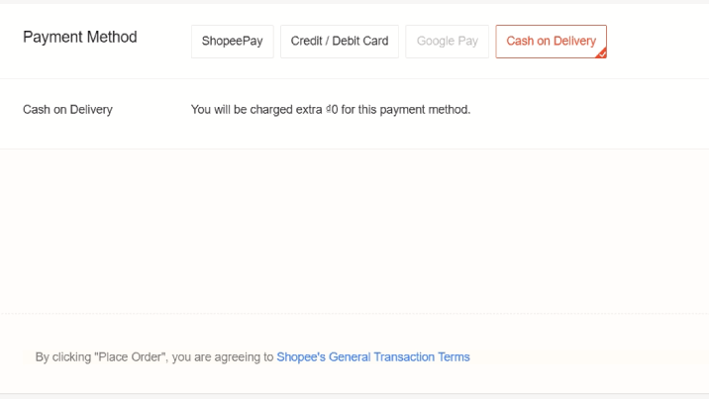
PAY_METHOD_ShopeePay_001 | Choose "ShopeePay Balance / Bank" based on wallet balance | Pre-condition: + Login succesfully Step 1. Access Shopee: | 6. The system confirms the selected payment method and proceeds with the order. |  | Passed | 2025-01-15
 |  | https://shopee.vn/buyer/login
 |  | 2. Login succesfully 3. On header bar of Shopee, click on icon [Cart]. 4. Select product to pay and click button [Check Out] 5. On the checkout page, select "ShopeePay Balance" or "Bank" based on wallet balance relative to the order total. 6. Confirm the selection. |  |  |  |  | 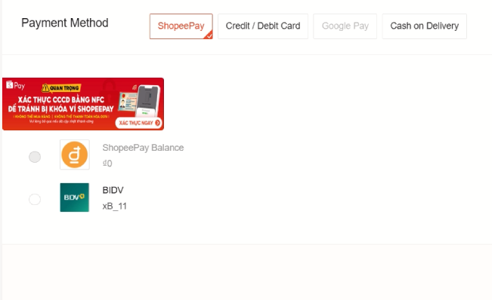
PAY_METHOD_CreditCard_001 | Choose "Credit/Debit Card" as payment option | Pre-condition: + Login succesfully Step 1. Truy cap Shopee: | 7. The system processes the card details, confirms the payment method, and proceeds with the order. |  | Passed | 2025-01-15
 |  | https://shopee.vn/buyer/login
 |  | 2. Login succesfully 3. On header bar of Shopee, click on icon [Cart]. 4. Select product to pay and click button [Check Out] 5. On the checkout page, select "Credit/Debit Card" as the payment method. 6. Enter valid card details (number, expiry date, CVV). 7. Confirm the selection. |  |  |  |  | 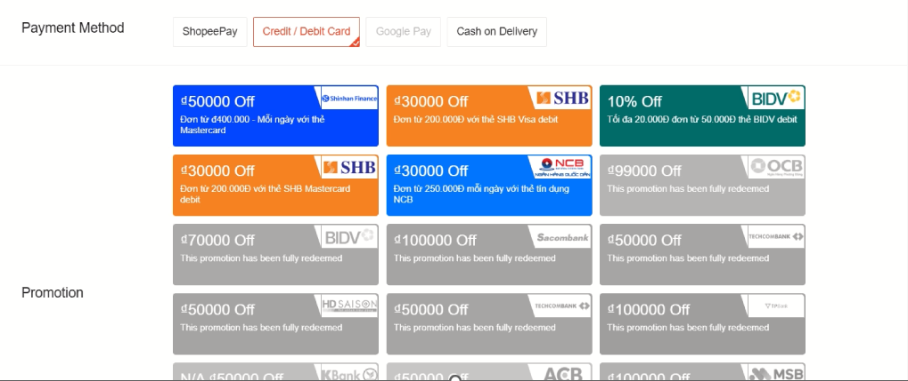
PAY_METHOD_GooglePay_001 | Choose "Google Pay" as payment option | Pre-condition: + Login succesfully Step 1. Truy cap Shopee: | 6. The system confirms the Google Pay authentication and proceeds with the order. |  | Blocked | 2025-01-15
 |  | https://shopee.vn/buyer/login
 |  | 2. Login succesfully 3. On header bar of Shopee, click on icon [Cart]. 4. Select product to pay and click button [Check Out] 5. On the checkout page, select "Google Pay" as the payment method. 6. Authenticate using Google Pay. 7. Confirm the selection.

Choose Shipping Method
Module Code | ChooseShippingMethod
Test requirement | Choose Shipping Method
Tester | Tran Dinh Tuuyet Linh
Passed | Failed | Untested | Blocked | Skipped | Number of Test cases
10 | 0 | 0 | 0 | 0 | 10

ID | Test Case Description | Test Case Procedure | Expected Output | Inter-test case Dependence | Result | Test date | Note
CHO_SHIP_Apply_001 | Select shipping method | Pre-condition: + User is logged in successfully. + At least one product is added to the cart. + The user's account has an available shipping method. Step 1. Access Shopee: "https://shopee.vn/buyer/login" 2. Login succesfully 3. On header bar of Shopee, click on icon [Cart]. 4. Select product to pay and click button [Check Out] 5. On the checkout page, in the [Shipping Option] section, click on button [Change]. 6. Select a shipping method from the available options (e.g., Standard Shipping, Express Delivery, etc.). 7. Click button [Confirm]. | 7. After selecting a shipping method, the selected method is applied, and the shipping cost is updated in the checkout summary. The total payment reflects the added shipping cost. |  | Passed | 2025-01-15 | 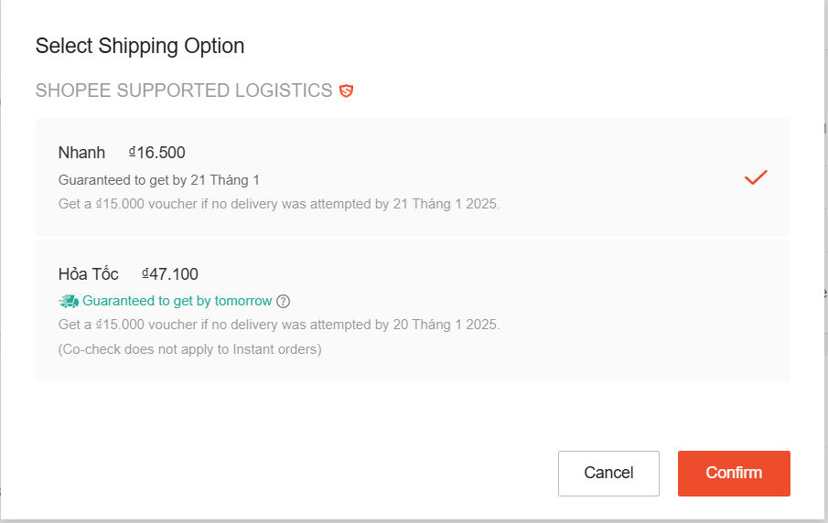
CHO_SHIP_Apply_002 | Check shipping cost update | Pre-condition: + User is logged in successfully. + At least one product is added to the cart. + The product is available for various shipping methods. Step 1. Access Shopee: "https://shopee.vn/buyer/login" 2. Login succesfully 3. On header bar of Shopee, click on icon [Cart]. 4. Select product to pay and click button [Check Out] 5. On the checkout page, in the [Shipping Option] section, click on button [Change]. 6. Select a shipping method from the displayed list. 7. Observe the Total Payment section. | 7. The final total payment reflects the shipping cost added to the product price. |  | Passed | 2025-01-15 | 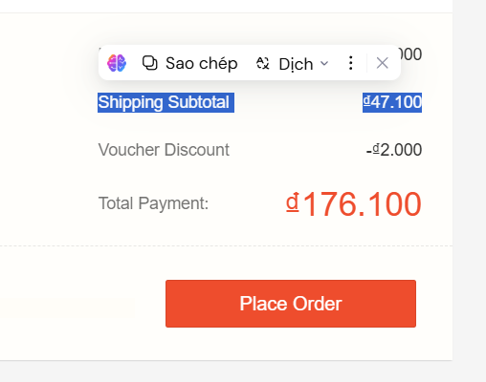
CHO_SHIP_Apply_003 | Check multiple shipping methods | Pre-condition: + User is logged in successfully. + At least one product is added to the cart. + The product is available for various shipping methods. Step 1. Access Shopee: "https://shopee.vn/buyer/login" 2. Login succesfully 3. On header bar of Shopee, click on icon [Cart]. 4. Select product to pay and click button [Check Out] 5. On the checkout page, in the [Shipping Option] section, click on button [Change]. 6. Select a shipping method from the displayed list. 7. Observe the Total Payment section. 8. Change the shipping method to another available option and observe the new total payment. 9. Click button [Confirm] | 9. The system should allow the selection of only one shipping method at a time. The total payment should update correctly based on the newly selected shipping method. |  | Passed | 2025-01-15
CHO_SHIP_Apply_004 | Check no shipping method selected | Pre-condition: + User is logged in successfully. + At least one product is added to the cart. + The product is available for various shipping methods. Step 1. Access Shopee: "https://shopee.vn/buyer/login" 2. Login succesfully 3. On header bar of Shopee, click on icon [Cart]. 4. Select product to pay and click button [Check Out] 5. On the checkout page, in the [Shipping Option] section, ensure no shipping method is selected. 6. Attempt to proceed with the payment without selecting a shipping method. 7. Click button [Confirm] | 7. The system should prompt the user to select a shipping method before proceeding.. The user cannot proceed with the payment until a shipping method is selected. |  | Passed | 2025-01-15
CHO_SHIP_Apply_005 | Check shipping method availability | Pre-condition: + User is logged in successfully. + At least one product is added to the cart. + The product is available for various shipping methods. Step 1. Access Shopee: "https://shopee.vn/buyer/login" 2. Login succesfully 3. On header bar of Shopee, click on icon [Cart]. 4. Select product to pay and click button [Check Out] 5. On the checkout page, in the [Shipping Option] section, observe the available shipping methods. | 1. The system should only display the shipping methods available for the product and the user’s location. 2. If a shipping method is not available (e.g., due to location), it should not be selectable, or an appropriate message should be shown. |  | Passed | 2025-01-15
CHO_SHIP_Apply_006 | Check default shipping method | Pre-condition: + User is logged in successfully. + At least one product is added to the cart. + The product is available for various shipping methods. Step 1. Access Shopee: "https://shopee.vn/buyer/login" 2. Login succesfully 3. On header bar of Shopee, click on icon [Cart]. 4. Select product to pay and click button [Check Out] 5. On the checkout page, in the [Shipping Option] section, observe the available shipping methods. | The system should automatically select the default shipping method based on the user's location or previous selections. |  | Passed | 2025-01-15
CHO_SHIP_Apply_007 | Check availability of express delivery | Pre-condition: + User is logged in successfully. + At least one product is added to the cart. + The product is available for various shipping methods. Step 1. Access Shopee: "https://shopee.vn/buyer/login" 2. Login succesfully 3. On header bar of Shopee, click on icon [Cart]. 4. Select product to pay and click button [Check Out] 5. On the checkout page, in the [Shipping Option] section, observe the available shipping methods. | The express delivery method should be listed as an available option for eligible products. |  | Passed | 2025-01-15
CHO_SHIP_Apply_008 | Check availability of standard shipping | Pre-condition: + User is logged in successfully. + At least one product is added to the cart. + The product is available for various shipping methods. Step 1. Access Shopee: "https://shopee.vn/buyer/login" 2. Login succesfully 3. On header bar of Shopee, click on icon [Cart]. 4. Select product to pay and click button [Check Out] 5. On the checkout page, in the [Shipping Option] section, observe the available shipping methods. | The standard shipping method should be listed as an available option for eligible products. |  | Passed | 2025-01-15
CHO_SHIP_Apply_009 | Check shipping method selection for out-of-stock items | Pre-condition: + User is logged in successfully. + At least one product is added to the cart. + The product is available for various shipping methods. Step 1. Access Shopee: "https://shopee.vn/buyer/login" 2. Login succesfully 3. On header bar of Shopee, click on icon [Cart]. 4. Select product to pay and click button [Check Out] 5. On the checkout page, in the [Shipping Option] section, observe the available shipping methods. | The system should not allow the selection of shipping methods for out-of-stock products, or it should display an appropriate message. |  | Passed | 2025-01-15
CHO_SHIP_Apply_010 | Check shipping method for different user locations | Pre-condition: + User is logged in successfully. + At least one product is added to the cart. + The product is available for various shipping methods. Step 1. Access Shopee: "https://shopee.vn/buyer/login" 2. Login succesfully 3. On header bar of Shopee, click on icon [Cart]. 4. Select product to pay and click button [Check Out] 5. On the checkout page, in the [Shipping Option] section, observe the available shipping methods. | The system should update the available shipping methods based on the user's selected shipping address. |  | Passed | 2025-01-15

Confirm Order
Module Code | ConfirmOrder
Test requirement | Confirm Order
Tester | Tran Dinh Tuyet Linh
Passed | Failed | Untested | Blocked | Skipped | Number of Test cases
0 | 1 | 0 | 0 | 2 | 3

ID | Test Case Description | Test Case Procedure | Expected Output | Inter-test case Dependence | Result | Test date | Note
CONF_ORD_001 | Confirm Order - Redirect to Payment Page | Pre-condition: + User is logged in successfully. + At least one product is added to the cart. + User has selected shipping and payment methods. Step 1. Access Shopee: "https://shopee.vn/buyer/login" 2. Login succesfully 3. On header bar of Shopee, click on icon [Cart]. 4. Select product to pay and click button [Check Out] 5. On the checkout page, ensure all order details (product, shipping method, payment method) are selected and displayed correctly. 6. Click on the [Place Order] button. | 6. The user is redirected to the payment page according to the selected payment method: - For Cash on Delivery, the order is confirmed, and the Order Summary/Thank You page is displayed. - For ShopeePay Balance, the user is redirected to the ShopeePay authentication page. - For Bank Transfer, the user is redirected to the bank's payment page. - For Credit/Debit Card, the user is redirected to the card payment gateway. - For Google Pay, the Google Pay authorization page is displayed. |  | Skipped
CONF_ORD_002 | Confirm Order - Successful Notification | Pre-condition: + User is logged in successfully. + At least one product is added to the cart. + User has selected shipping and payment methods. Step 1. Access Shopee: "https://shopee.vn/buyer/login" 2. Login succesfully 3. On header bar of Shopee, click on icon [Cart]. 4. Select product to pay and click button [Check Out] 5. On the checkout page, ensure all order details (product, shipping method, payment method) are selected and displayed correctly. 6. Click on the [Place Order] button. | 6. An order confirmation notification is displayed on the Order Summary/Thank You page. Example: "Order successfully placed! Your order number is #12345678." |  | Failed |  | 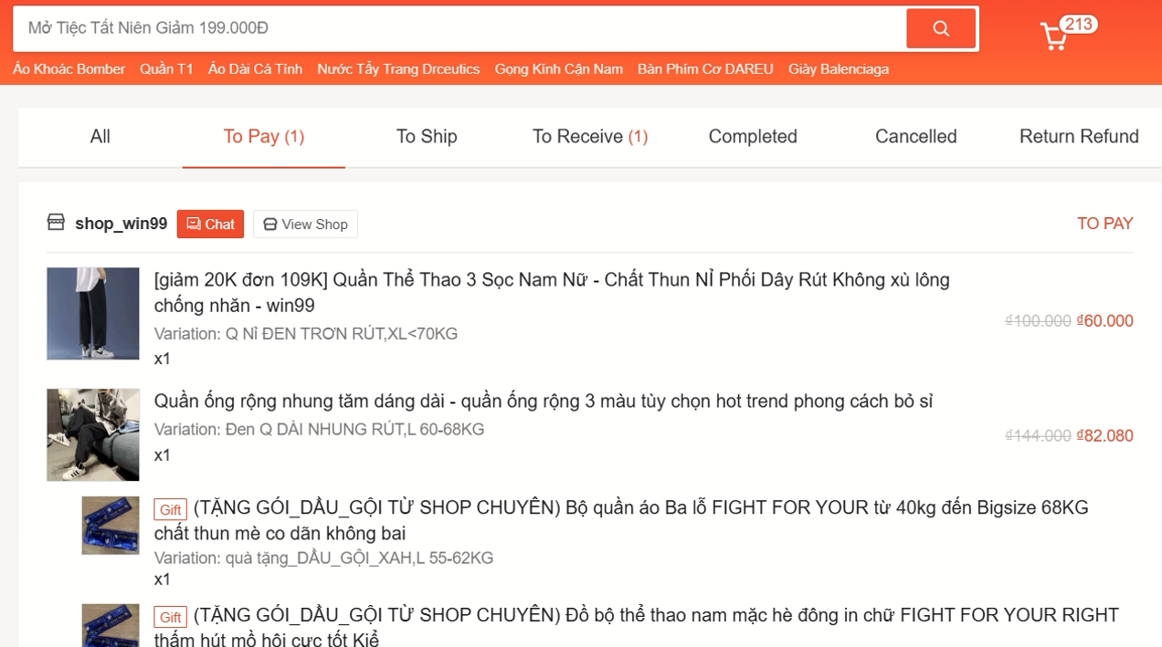
CONF_ORD_003 | Confirm Order - Insufficient Bank Balance | Pre-condition: + User is logged in successfully. + At least one product is added to the cart. + User has selected Bank Transfer as the payment method. + The linked bank account has insufficient funds. Step 1. Access Shopee: "https://shopee.vn/buyer/login" 2. Login succesfully 3. On header bar of Shopee, click on icon [Cart]. 4. Select product to pay and click button [Check Out] 5. On the checkout page, ensure all order details (product, shipping method, payment method) are selected and displayed correctly. 6. Click on the [Place Order] button. | 6. The system displays an error message: "Insufficient balance in the bank account. Please choose another payment method." The user is returned to the checkout page to select a new payment method. |  | Skipped

