Sheet3
Experiment 1: Baseline
Experiment 2: ResNet50 → Attention → ASPP → Decoder
Experiment 3: ResNet50 → ASPP → Attention → Decoder |  |  | Model | mIoU | Params | FLOPs | Inference
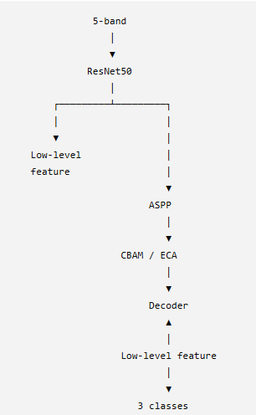
 |  |  | Baseline | 83.98% | 39.76M | 173.82G | 116.57 ms | 30/08/2026
 |  |  | + Attention before ASPP |  |  |  |  | 30/08/2026 | L1

 |  |  |  | ? | ? | ? | ?
 |  |  | + Attention after ASPP | ? | ? | ? | ?

 | Ảnh UAV 5-band
 | R G B NIR RE
 | │
 | ▼
 | ResNet50
 | Backbone
 | │
 | ▼
 | High-level features
 | │
 | ▼
 | ASPP
 | Multi-scale features
 | │
 | ▼
 | Decoder
 | │
 | ▼
 | 3-class segmentation

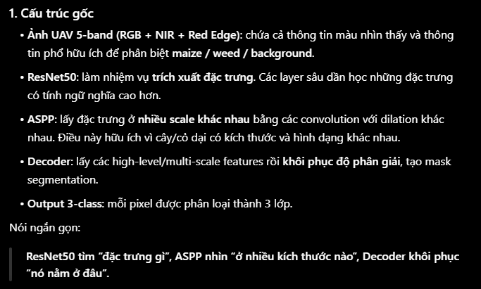

 | 5-band UAV
 | │
 | ▼
 | ResNet50
 | │
 | ▼
 | High-level features
 | │
 | ▼
 | ASPP
 | │
 | ▼
 | Multi-scale features
 | │
 | ▼
 | CBAM | lọc/tái trọng số các feature mà ASPP đã tạo ra trước khi đưa cho Decoder.
 | ┌─────────────┐
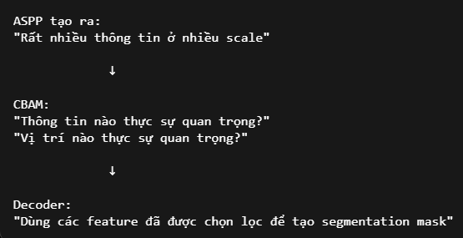
 | │ Channel │ → đặc trưng nào quan trọng?
 | │ Attention │
 | │ + │
 | │ Spatial │ → vị trí nào quan trọng?
 | │ Attention │
 | └─────────────┘
 | │
 | ▼
 | Decoder
 | │
 | ▼
 | 3-class segmentation

 | Feature refinement / Feature attention — cải thiện khả năng chọn lọc đặc trưng trước khi Decoder thực hiện segmentation.

