📈 Fig 1 – Freq
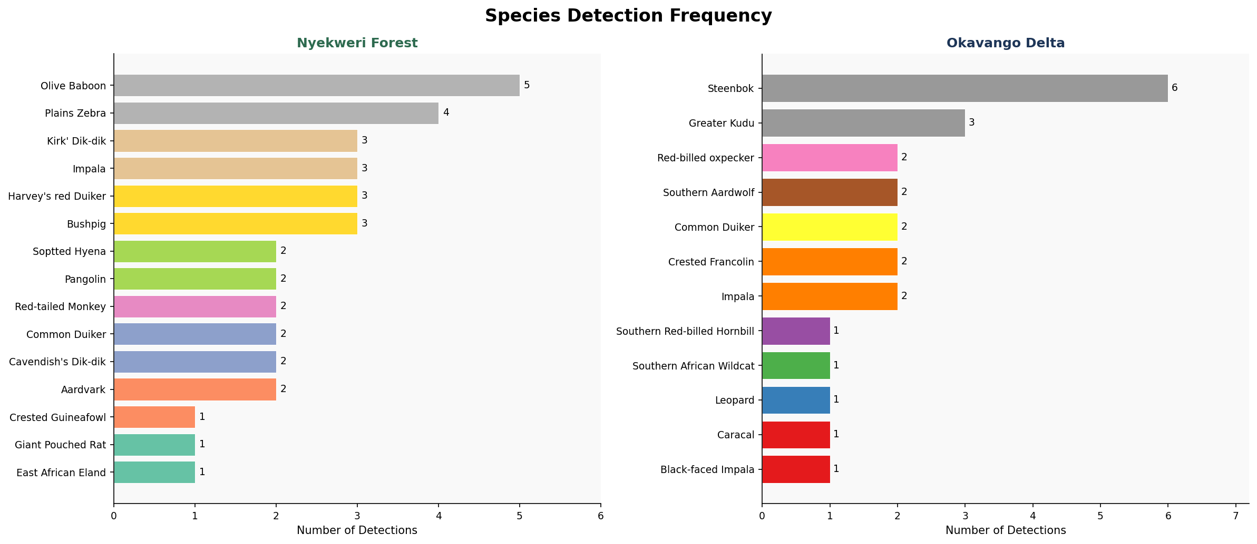
SPECIES DETECTION FREQUENCY
Number of detection events per species — wildlife only

🌙 Fig 2 – Diel
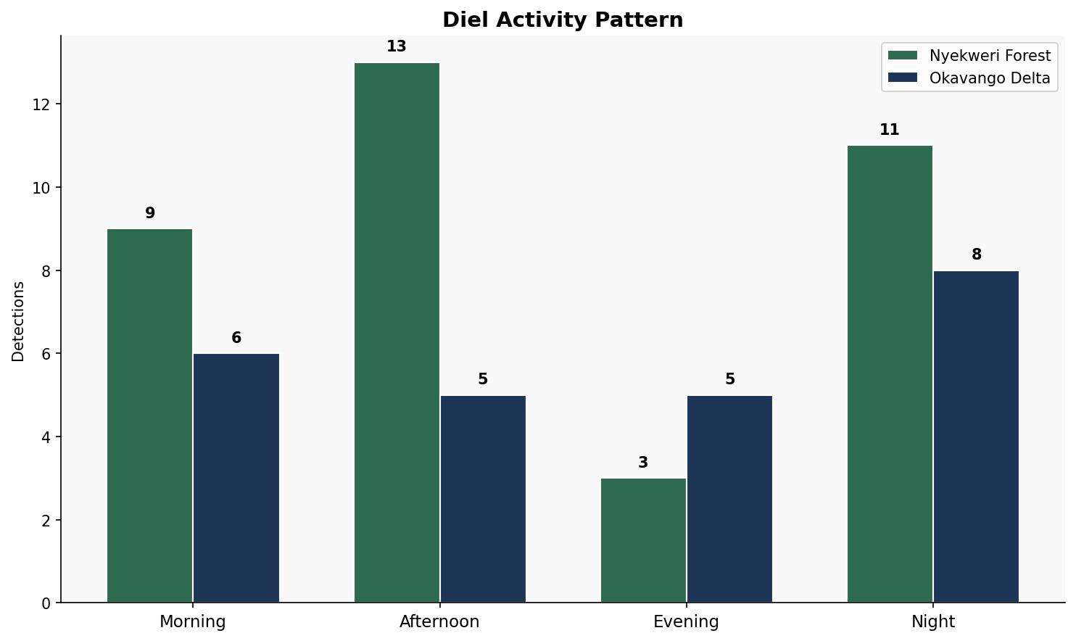
DIEL ACTIVITY PATTERN
When are animals most active?

✅ Fig 3 – Conf
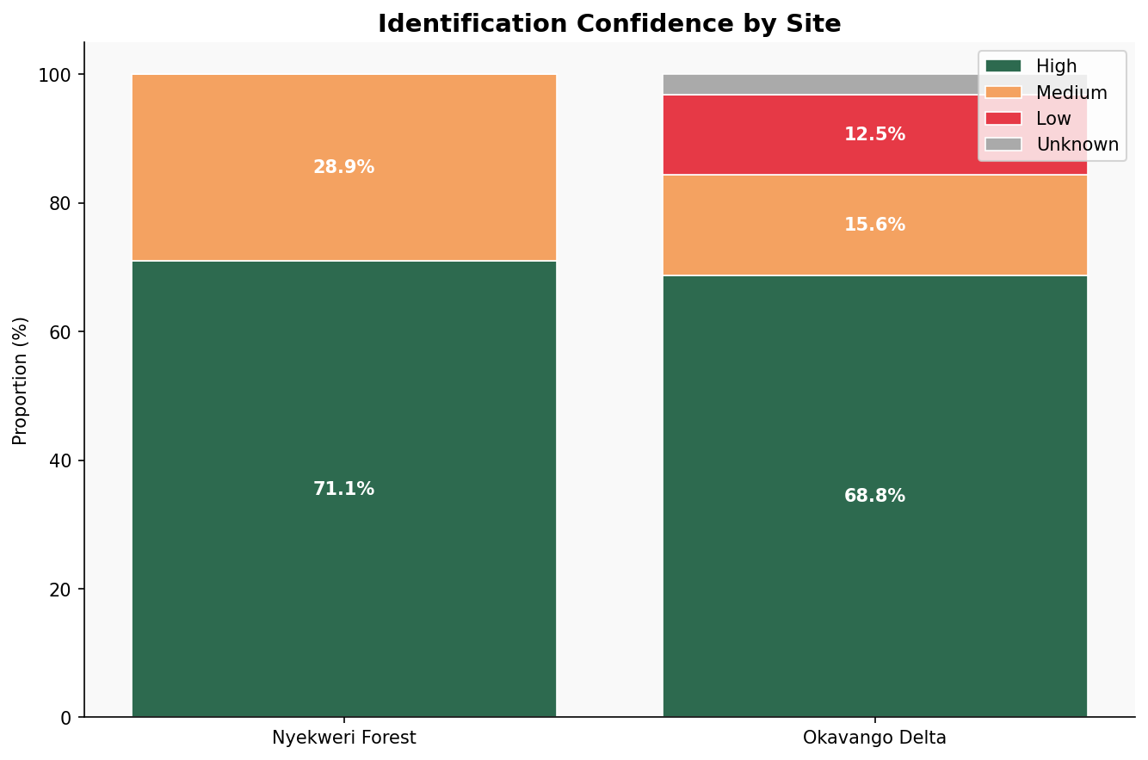
IDENTIFICATION CONFIDENCE BY SITE
Proportion of detections at each confidence level

🦅 Fig 4 – Class
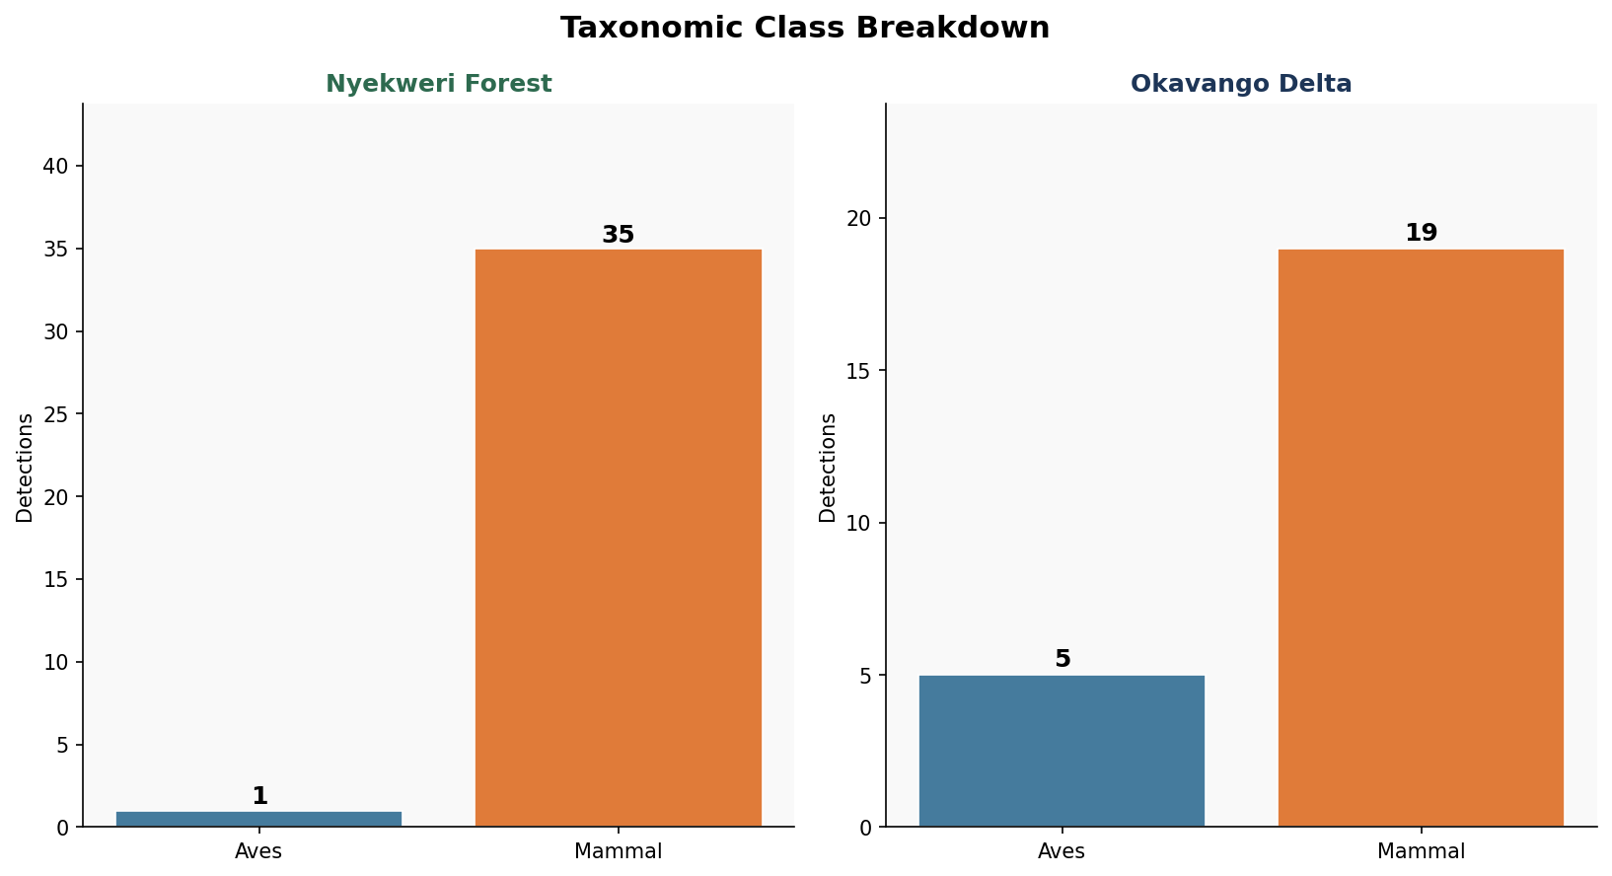
TAXONOMIC CLASS BREAKDOWN
Mammals vs Birds per site — wildlife only

📅 Fig 5 – Monthly
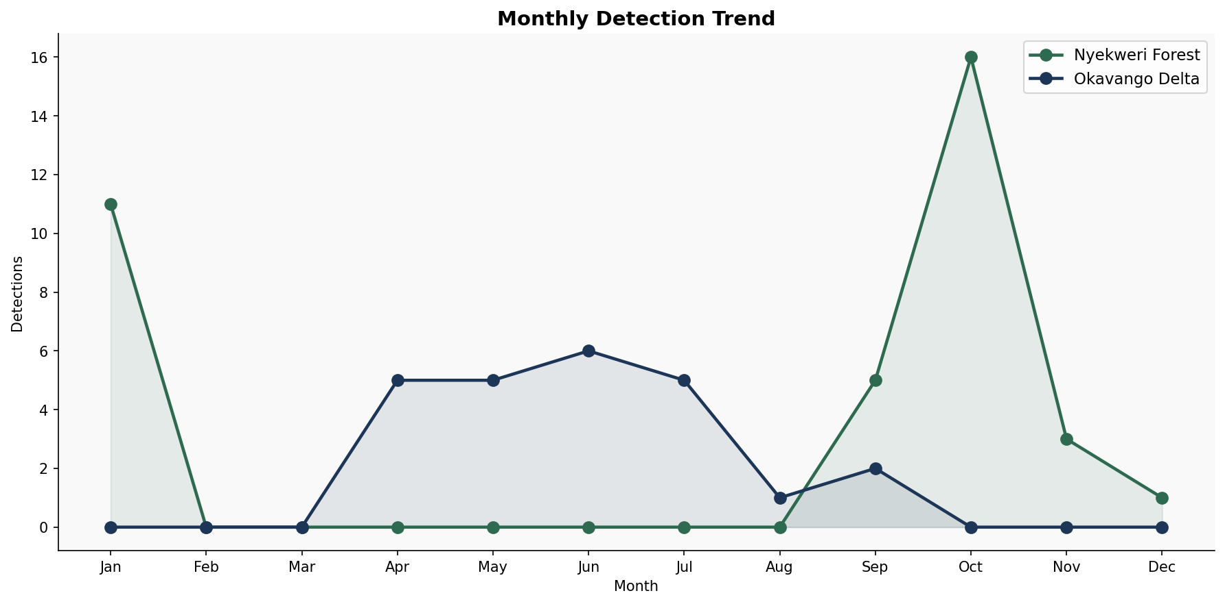
MONTHLY DETECTION TREND
Wildlife detections across the full survey period

🔥 Fig 6 – Heatmap
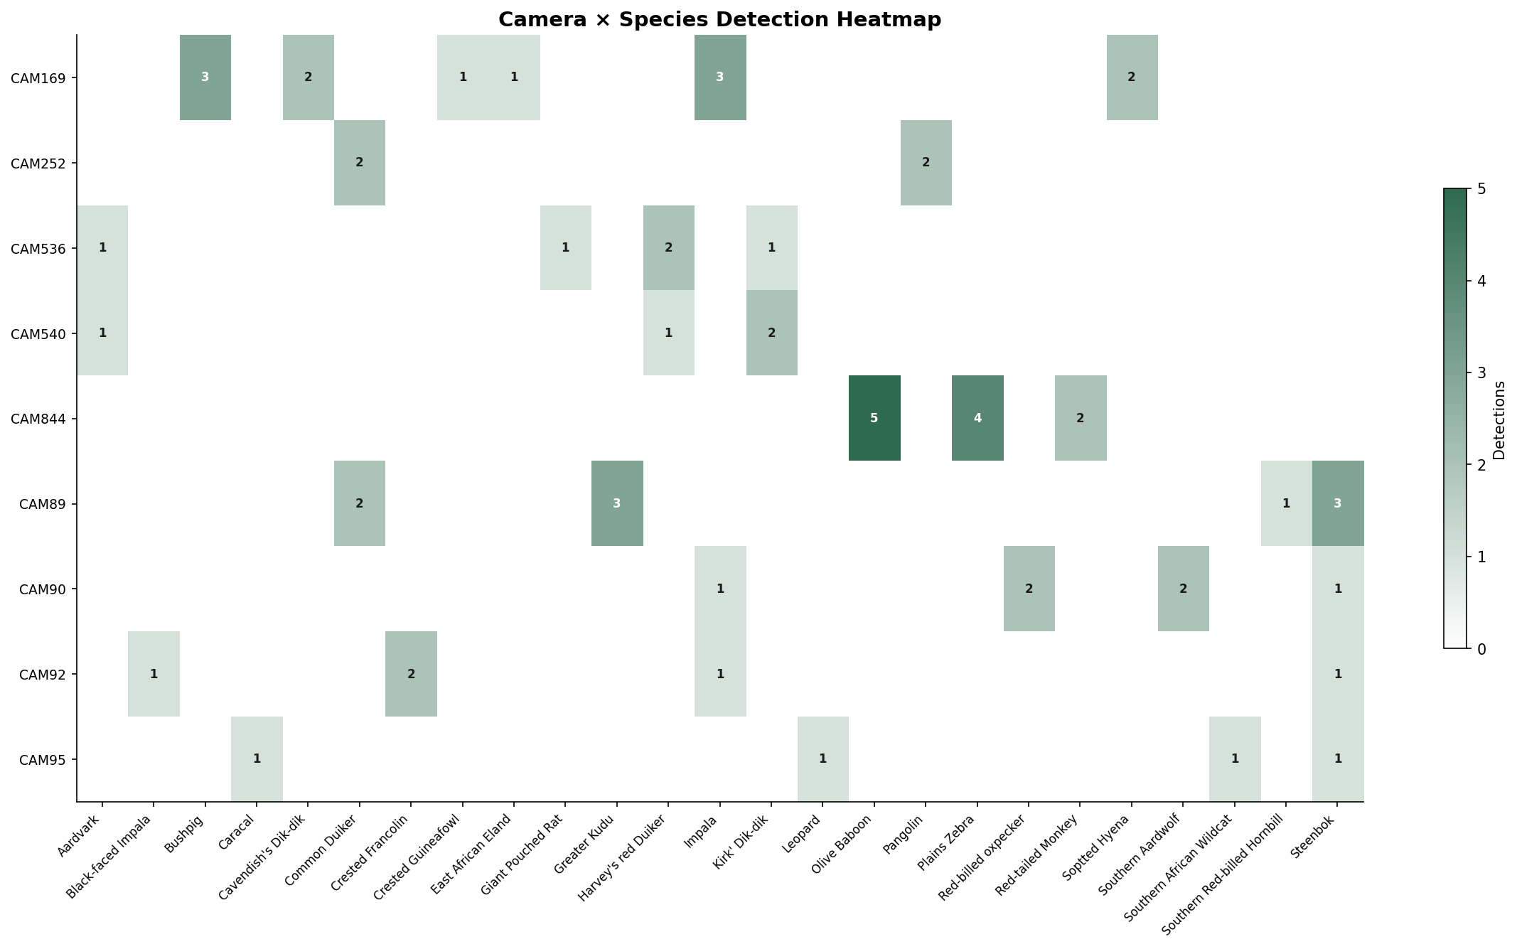
CAMERA × SPECIES DETECTION HEATMAP
Number of detections per camera-species combination

🕐 Fig 7 – Hourly
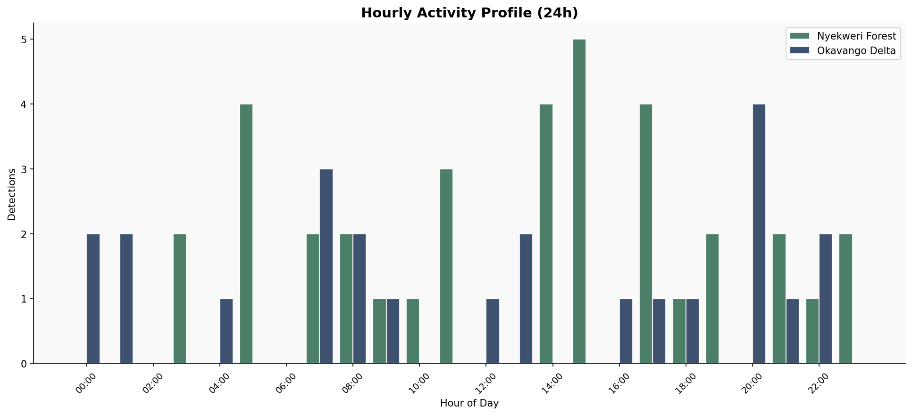
HOURLY ACTIVITY PROFILE
24-hour detection pattern

🌡 Fig 8 – Temp
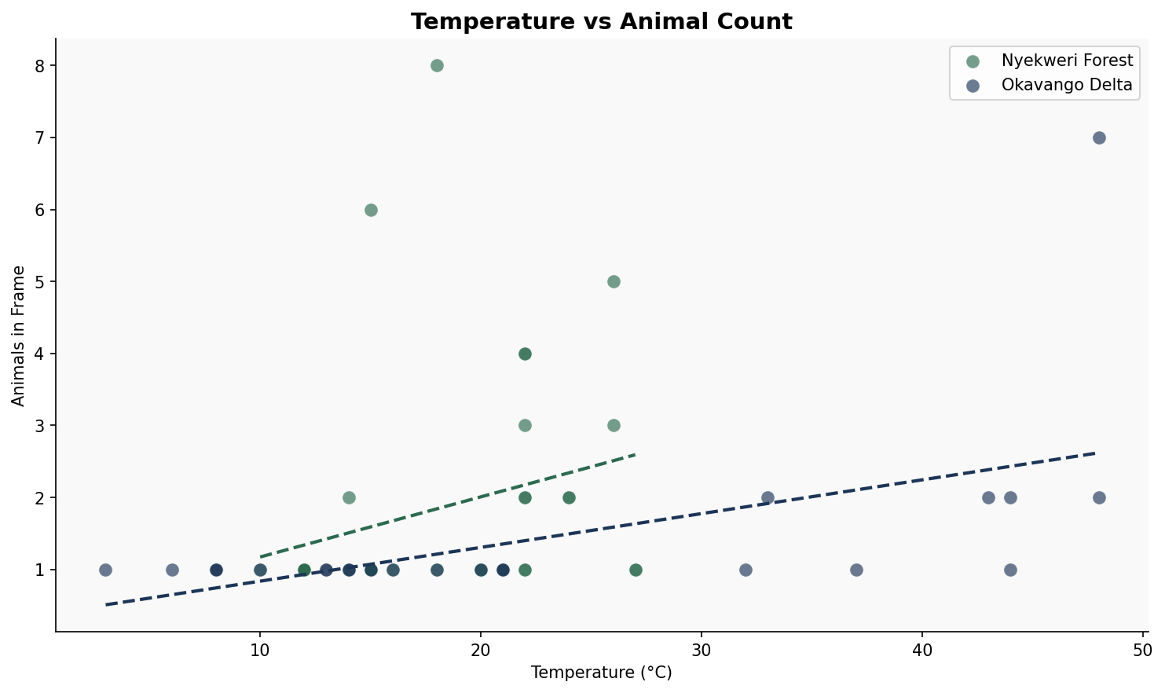
TEMPERATURE vs ANIMAL COUNT
Each point = one detection event — dashed line = trend

🏆 Fig 9 – Top Spp
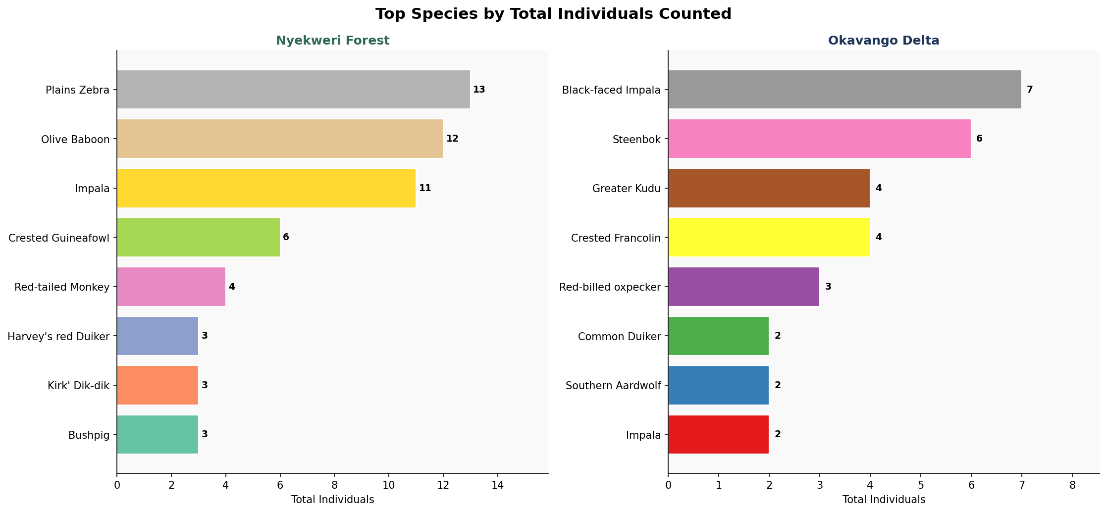
TOP SPECIES BY TOTAL INDIVIDUALS
Sum of all animals visible per detection event — top 8 per site

