10kW
GlobalIrradiance_kWhm2 | InterpolatedPower_kW_10kWSystem
2 | 1.0358500867
2.1 | 1.09438492
2.2 | 1.1550041667
2.3 | 1.2209833333 | B panel type
2.4 | 1.2869625
2.5 | 1.3529416667 | Panel parameters
2.6 | 1.4189208333
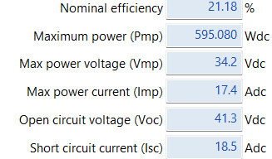
2.7 | 1.4849
2.8 | 1.5527185246
2.9 | 1.622234918
3 | 1.6917513115
3.1 | 1.7612677049
3.2 | 1.8307840984
3.3 | 1.9003004918
3.4 | 1.9698168852
3.5 | 2.0393332787
3.6 | 2.1088496721
3.7 | 2.1783660656
3.8 | 2.247882459
3.9 | 2.3173988525
4 | 2.3869152459
4.1 | 2.4564316393
4.2 | 2.5259480328
4.3 | 2.5954644262
4.4 | 2.6649808197
4.5 | 2.7344972131
4.6 | 2.8040136066
4.7 | 2.87353
4.8 | 2.9430463934
4.9 | 3.0125627869
5 | 3.0811465957
5.1 | 3.1489976596
5.2 | 3.2168487234
5.3 | 3.2846997872
5.4 | 3.3525508511
5.5 | 3.4204019149
5.6 | 3.4849124902
5.7 | 3.5491325882
5.8 | 3.6133526863
5.9 | 3.6775727843
6 | 3.7417928824
6.1 | 3.8060129804
6.2 | 3.8702330784
6.3 | 3.9344531765
6.4 | 3.9986732745
6.5 | 4.0628933725
6.6 | 4.1271134706
6.7 | 4.1913335686
6.8 | 4.2555536667
6.9 | 4.3197737647
7 | 4.3839938627
7.1 | 4.4482139608
7.2 | 4.5124340588
7.3 | 4.5766541569
7.4 | 4.6408742549
7.5 | 4.7050943529
7.6 | 4.7682661667
7.7 | 4.8304703333
7.8 | 4.8926745
7.9 | 4.9548786667
8 | 5.0170828333
8.1 | 5.0795266667
8.2 | 5.1420637037
8.3 | 5.2046007407
8.4 | 5.2671377778
8.5 | 5.3296748148
8.6 | 5.3922118519
8.7 | 5.4547488889
8.8 | 5.5172859259
8.9 | 5.579822963
9 | 5.64236
9.1 | 5.704897037
9.2 | 5.7674340741
9.3 | 5.8299711111
9.4 | 5.8925081481
9.5 | 5.9550451852
9.6 | 6.0175822222
9.7 | 6.08008
9.8 | 6.1425415385
9.9 | 6.2050030769
10 | 6.267352963
10.1 | 6.3295353704
10.2 | 6.3917177778
10.3 | 6.4539001852
10.4 | 6.5160825926
10.5 | 6.578265
10.6 | 6.6404474074
10.7 | 6.7026298148
10.8 | 6.7648122222
10.9 | 6.8269946296
11 | 6.889177037
11.1 | 6.9483863636
11.2 | 7.0067773333
11.3 | 7.0681606667
11.4 | 7.129544
11.5 | 7.1909273333
11.6 | 7.21057
11.7 | 7.21057
11.8 | 7.21057
11.9 | 7.21057
12 | 7.21057
12.1 | 7.21057
12.2 | 7.21057
12.3 | 7.21057
12.4 | 7.21057
12.5 | 7.21057
12.6 | 7.21057
12.7 | 7.21057
12.8 | 7.21057
12.9 | 7.21057

30kW
GlobalIrradiance_kWhm2 | InterpolatedPower_kW_30kWSystem
2 | 2.5280307556
2.1 | 2.6833152
2.2 | 2.6714252847
2.3 | 2.2296584444
2.4 | 1.7878916042
2.5 | 1.3461247639
2.6 | 0.90435792361
2.7 | 0.46259108333
2.8 | 0.47831784699
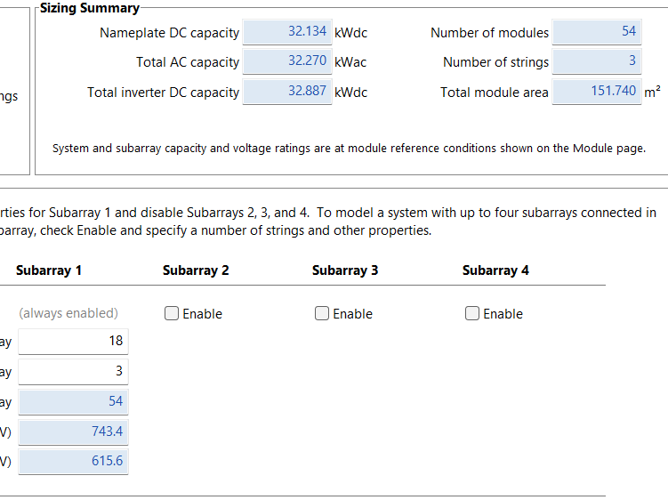
2.9 | 0.91634639891
3 | 1.3543749508
3.1 | 1.7924035027
3.2 | 2.2304320546
3.3 | 2.6684606066
3.4 | 3.1064891585
3.5 | 3.5445177104
3.6 | 3.9825462623
3.7 | 4.4205748142
3.8 | 4.8586033661
3.9 | 5.296631918
4 | 5.7346604699
4.1 | 6.1726890219
4.2 | 6.6107175738
4.3 | 7.0487461257
4.4 | 7.4867746776
4.5 | 7.9248032295
4.6 | 8.3628317814
4.7 | 8.8008603333
4.8 | 9.2388888852
4.9 | 9.6769174372
5 | 9.6121085816
5.1 | 9.1522131915
5.2 | 8.6923178014
5.3 | 8.2324224113
5.4 | 7.7725270213
5.5 | 7.3126316312
5.6 | 7.6792356471
5.7 | 8.1177091765
5.8 | 8.5561827059
5.9 | 8.9946562353
6 | 9.4331297647
6.1 | 9.8716032941
6.2 | 10.310076824
6.3 | 10.748550353
6.4 | 11.187023882
6.5 | 11.625497412
6.6 | 12.063970941
6.7 | 12.502444471
6.8 | 12.940918
6.9 | 13.379391529
7 | 13.817865059
7.1 | 14.256338588
7.2 | 14.694812118
7.3 | 15.133285647
7.4 | 15.571759176
7.5 | 16.010232706
7.6 | 16.604080833
7.7 | 17.341351667
7.8 | 18.0786225
7.9 | 18.815893333
8 | 19.553164167
8.1 | 19.816053333
8.2 | 19.894460741
8.3 | 19.972868148
8.4 | 20.051275556
8.5 | 20.129682963
8.6 | 20.20809037
8.7 | 20.286497778
8.8 | 20.364905185
8.9 | 20.443312593
9 | 20.52172
9.1 | 20.600127407
9.2 | 20.678534815
9.3 | 20.756942222
9.4 | 20.83534963
9.5 | 20.913757037
9.6 | 20.992164444
9.7 | 21.54415
9.8 | 22.533284615
9.9 | 23.522419231
10 | 24.126807407
10.1 | 24.154075926
10.2 | 24.181344444
10.3 | 24.208612963
10.4 | 24.235881481
10.5 | 24.26315
10.6 | 24.290418519
10.7 | 24.317687037
10.8 | 24.344955556
10.9 | 24.372224074
11 | 24.399492593
11.1 | 25.256127273
11.2 | 26.289518889
11.3 | 26.355657778
11.4 | 26.421796667
11.5 | 26.487935556
11.6 | 26.5091
11.7 | 26.5091
11.8 | 26.5091
11.9 | 26.5091
12 | 26.5091
12.1 | 26.5091
12.2 | 26.5091
12.3 | 26.5091
12.4 | 26.5091
12.5 | 26.5091
12.6 | 26.5091
12.7 | 26.5091
12.8 | 26.5091
12.9 | 26.5091

40kW
GlobalIrradiance_kWhm2 | InterpolatedPower_kW_40kWSystem
2 | 3.3459379556
2.1 | 3.5514624
2.2 | 3.5354684514
2.3 | 2.9498557778
2.4 | 2.3642431042
2.5 | 1.7786304306
2.6 | 1.1930177569
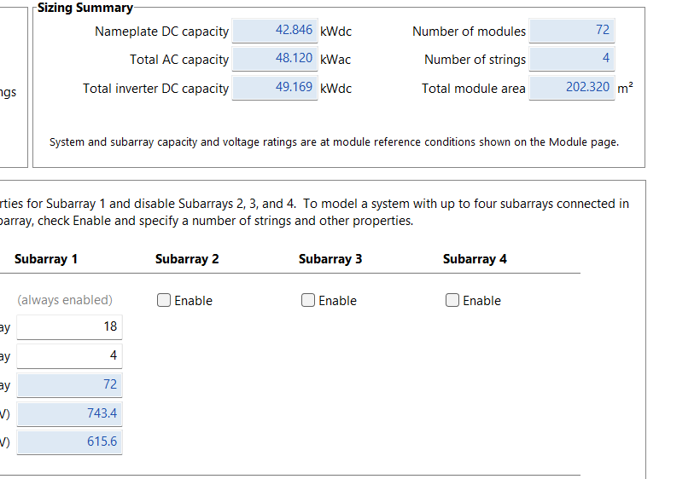
2.7 | 0.60740508333
2.8 | 0.62843642259
2.9 | 1.2094468506
3 | 1.7904572787
3.1 | 2.3714677067
3.2 | 2.9524781348
3.3 | 3.5334885628
3.4 | 4.1144989909
3.5 | 4.6955094189
3.6 | 5.276519847
3.7 | 5.857530275
3.8 | 6.4385407031
3.9 | 7.0195511311
4 | 7.6005615592
4.1 | 8.1815719872
4.2 | 8.7625824153
4.3 | 9.3435928434
4.4 | 9.9246032714
4.5 | 10.505613699
4.6 | 11.086624128
4.7 | 11.667634556
4.8 | 12.248644984
4.9 | 12.829655412
5 | 12.743550071
5.1 | 12.13328234
5.2 | 11.52301461
5.3 | 10.912746879
5.4 | 10.302479149
5.5 | 9.6922114184
5.6 | 10.178880059
5.7 | 10.760934471
5.8 | 11.342988882
5.9 | 11.925043294
6 | 12.507097706
6.1 | 13.089152118
6.2 | 13.671206529
6.3 | 14.253260941
6.4 | 14.835315353
6.5 | 15.417369765
6.6 | 15.999424176
6.7 | 16.581478588
6.8 | 17.163533
6.9 | 17.745587412
7 | 18.327641824
7.1 | 18.909696235
7.2 | 19.491750647
7.3 | 20.073805059
7.4 | 20.655859471
7.5 | 21.237913882
7.6 | 22.027246667
7.7 | 23.007913333
7.8 | 23.98858
7.9 | 24.969246667
8 | 25.949913333
8.1 | 26.299273333
8.2 | 26.403125185
8.3 | 26.506977037
8.4 | 26.610828889
8.5 | 26.714680741
8.6 | 26.818532593
8.7 | 26.922384444
8.8 | 27.026236296
8.9 | 27.130088148
9 | 27.23394
9.1 | 27.337791852
9.2 | 27.441643704
9.3 | 27.545495556
9.4 | 27.649347407
9.5 | 27.753199259
9.6 | 27.857051111
9.7 | 28.591866667
9.8 | 29.909110256
9.9 | 31.226353846
10 | 32.031037037
10.1 | 32.06687963
10.2 | 32.102722222
10.3 | 32.138564815
10.4 | 32.174407407
10.5 | 32.21025
10.6 | 32.246092593
10.7 | 32.281935185
10.8 | 32.317777778
10.9 | 32.35362037
11 | 32.389462963
11.1 | 33.530572727
11.2 | 34.907192222
11.3 | 34.994664444
11.4 | 35.082136667
11.5 | 35.169608889
11.6 | 35.1976
11.7 | 35.1976
11.8 | 35.1976
11.9 | 35.1976
12 | 35.1976
12.1 | 35.1976
12.2 | 35.1976
12.3 | 35.1976
12.4 | 35.1976
12.5 | 35.1976
12.6 | 35.1976
12.7 | 35.1976
12.8 | 35.1976
12.9 | 35.1976

50kW
GlobalIrradiance_kWhm2 | InterpolatedPower_kW_50kWSystem
2 | 3.3940272667
2.1 | 3.6025056
2.2 | 3.5701914583
2.3 | 2.9186966667
2.4 | 2.267201875
2.5 | 1.6157070833
2.6 | 0.96421229167
2.7 | 0.3127175
2.8 | 0.34539981785
2.9 | 1.0096302368
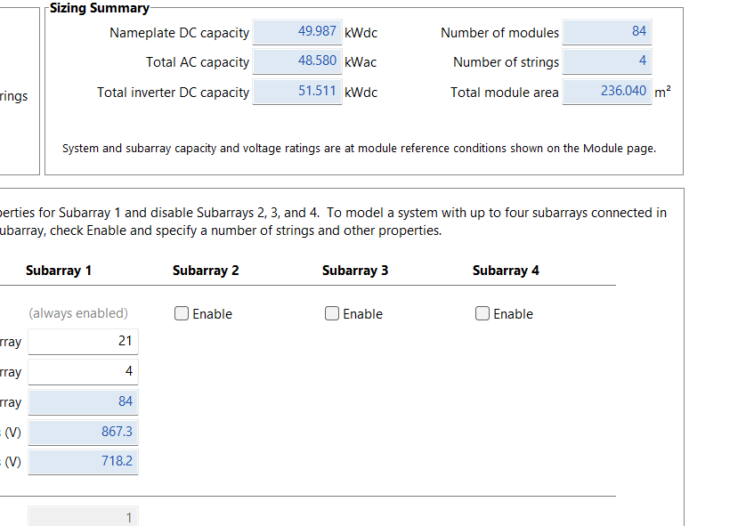
3 | 1.6738606557
3.1 | 2.3380910747
3.2 | 3.0023214936
3.3 | 3.6665519126
3.4 | 4.3307823315
3.5 | 4.9950127505
3.6 | 5.6592431694
3.7 | 6.3234735883
3.8 | 6.9877040073
3.9 | 7.6519344262
4 | 8.3161648452
4.1 | 8.9803952641
4.2 | 9.6446256831
4.3 | 10.308856102
4.4 | 10.973086521
4.5 | 11.63731694
4.6 | 12.301547359
4.7 | 12.965777778
4.8 | 13.630008197
4.9 | 14.294238616
5 | 14.192712766
5.1 | 13.489521277
5.2 | 12.786329787
5.3 | 12.083138298
5.4 | 11.379946809
5.5 | 10.676755319
5.6 | 11.235632745
5.7 | 11.904255294
5.8 | 12.572877843
5.9 | 13.241500392
6 | 13.910122941
6.1 | 14.57874549
6.2 | 15.247368039
6.3 | 15.915990588
6.4 | 16.584613137
6.5 | 17.253235686
6.6 | 17.921858235
6.7 | 18.590480784
6.8 | 19.259103333
6.9 | 19.927725882
7 | 20.596348431
7.1 | 21.26497098
7.2 | 21.933593529
7.3 | 22.602216078
7.4 | 23.270838627
7.5 | 23.939461176
7.6 | 24.839333333
7.7 | 25.952666667
7.8 | 27.066
7.9 | 28.179333333
8 | 29.292666667
8.1 | 29.690871111
8.2 | 29.810969877
8.3 | 29.931068642
8.4 | 30.051167407
8.5 | 30.171266173
8.6 | 30.291364938
8.7 | 30.411463704
8.8 | 30.531562469
8.9 | 30.651661235
9 | 30.77176
9.1 | 30.891858765
9.2 | 31.011957531
9.3 | 31.132056296
9.4 | 31.252155062
9.5 | 31.372253827
9.6 | 31.492352593
9.7 | 32.321783333
9.8 | 33.805982051
9.9 | 35.290180769
10 | 36.19787037
10.1 | 36.240796296
10.2 | 36.283722222
10.3 | 36.326648148
10.4 | 36.369574074
10.5 | 36.4125
10.6 | 36.455425926
10.7 | 36.498351852
10.8 | 36.541277778
10.9 | 36.584203704
11 | 36.62712963
11.1 | 37.909890909
11.2 | 39.457136667
11.3 | 39.559053333
11.4 | 39.66097
11.5 | 39.762886667
11.6 | 39.7955
11.7 | 39.7955
11.8 | 39.7955
11.9 | 39.7955
12 | 39.7955
12.1 | 39.7955
12.2 | 39.7955
12.3 | 39.7955
12.4 | 39.7955
12.5 | 39.7955
12.6 | 39.7955
12.7 | 39.7955
12.8 | 39.7955
12.9 | 39.7955

60kW
GlobalIrradiance_kWhm2 | InterpolatedPower_kW_60kWSystem
2 | 4.677144511
2.1 | 4.9644384
2.2 | 4.942110729
2.3 | 4.123613333
2.4 | 3.305115938
2.5 | 2.486618542
2.6 | 1.668121146
2.7 | 0.84962375
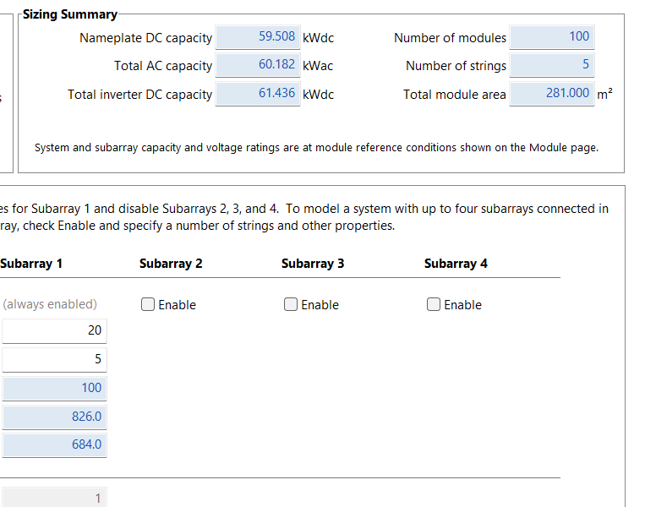
2.8 | 0.87843173
2.9 | 1.68936775
3 | 2.50030377
3.1 | 3.311239791
3.2 | 4.122175811
3.3 | 4.933111831
3.4 | 5.744047851
3.5 | 6.554983871
3.6 | 7.365919891
3.7 | 8.176855911
3.8 | 8.987791931
3.9 | 9.798727951
4 | 10.60966397
4.1 | 11.42059999
4.2 | 12.23153601
4.3 | 13.04247203
4.4 | 13.85340805
4.5 | 14.66434407
4.6 | 15.47528009
4.7 | 16.28621611
4.8 | 17.09715213
4.9 | 17.90808815
5 | 17.78822482
5.1 | 16.93701915
5.2 | 16.08581348
5.3 | 15.2346078
5.4 | 14.38340213
5.5 | 13.53219645
5.6 | 14.21093706
5.7 | 15.02271647
5.8 | 15.83449588
5.9 | 16.64627529
6 | 17.45805471
6.1 | 18.26983412
6.2 | 19.08161353
6.3 | 19.89339294
6.4 | 20.70517235
6.5 | 21.51695176
6.6 | 22.32873118
6.7 | 23.14051059
6.8 | 23.95229
6.9 | 24.76406941
7 | 25.57584882
7.1 | 26.38762824
7.2 | 27.19940765
7.3 | 28.01118706
7.4 | 28.82296647
7.5 | 29.63474588
7.6 | 30.7345575
7.7 | 32.100245
7.8 | 33.4659325
7.9 | 34.83162
8 | 36.1973075
8.1 | 36.68433556
8.2 | 36.82966272
8.3 | 36.97498988
8.4 | 37.12031704
8.5 | 37.2656442
8.6 | 37.41097136
8.7 | 37.55629852
8.8 | 37.70162568
8.9 | 37.84695284
9 | 37.99228
9.1 | 38.13760716
9.2 | 38.28293432
9.3 | 38.42826148
9.4 | 38.57358864
9.5 | 38.7189158
9.6 | 38.86424296
9.7 | 39.88705
9.8 | 41.71983846
9.9 | 43.55262692
10 | 44.67256296
10.1 | 44.72322037
10.2 | 44.77387778
10.3 | 44.82453519
10.4 | 44.87519259
10.5 | 44.92585
10.6 | 44.97650741
10.7 | 45.02716481
10.8 | 45.07782222
10.9 | 45.12847963
11 | 45.17913704
11.1 | 46.76680909
11.2 | 48.68209333
11.3 | 48.80492667
11.4 | 48.92776
11.5 | 49.05059333
11.6 | 49.0899
11.7 | 49.0899
11.8 | 49.0899
11.9 | 49.0899
12 | 49.0899
12.1 | 49.0899
12.2 | 49.0899
12.3 | 49.0899
12.4 | 49.0899
12.5 | 49.0899
12.6 | 49.0899
12.7 | 49.0899
12.8 | 49.0899
12.9 | 49.0899

